Main purpose
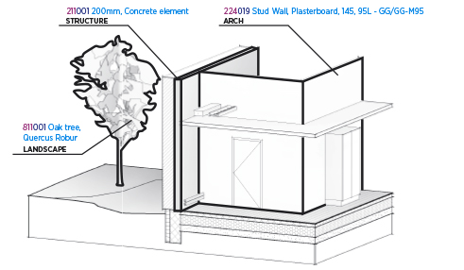
BIM7AA Type Code List
Example 2: ELECTRICAL AND MECHANICAL SYSTEMS.
PLUMBING - AND HVAC CONTROL SYSTEMS
BIM7AA Type Code V. 2.1 - 2015.07.09 [UK]
The Type Code creates a fixed structure, which selected features help to specify a group of building components. For example: 224 Interior frame structured walls.
In a project, the building component properties are pre-determined in the creation of a building component. This can be within the BIM model, an outline specification, a drawing note or a building element database.
Depending on the building project, object type etc. there can be one or several fields that need to be filled out. This can be, for example, fire rating, contract id or another classification coding in accordance with the clients facilities management system. From that point on they can be used together or separately – for annotation, filtering, browser sorting, questions etc.
The Type Code contains the following trade disciplines: Architecture/Structure/Plumbing/HVAC/Electricity and Mechanical installation/Landscaping.
EXAMPLE OF A BUILDING COMPONENT CODE;
Breakdown:
224019 Stud Wall, Plasterboard, 145, 95L-GG/GG-M95
The building component code tells us:
- That it is a building component in typecode 224 (Interior frame structure walls)
- That it is a type number 019 under the type-coding category.
- That the type text systematically describe the accosted building component type
The building component consists of tree constituent element:
TYPE CODE: 224
The operational grouping of the building component type – always the first tree numbers.
THE TYPE NUMBER: 019
The unique building component type number under the accosted building component type group – number of digits depends on the discipline
TYPE TEXT: Stud Wall, Plasterboard, 145, 95L-GG/GG-M95
The exploratory and descriptive text addresses the unique building. Only the type code is defined by BIM7AA type coding. The type number and type text is defined in the company and / or project strategy.
Please refer to the graphic examples illustrated in this booklet and in the spreadsheet on www.BIM7AA.com

