Mind-Map
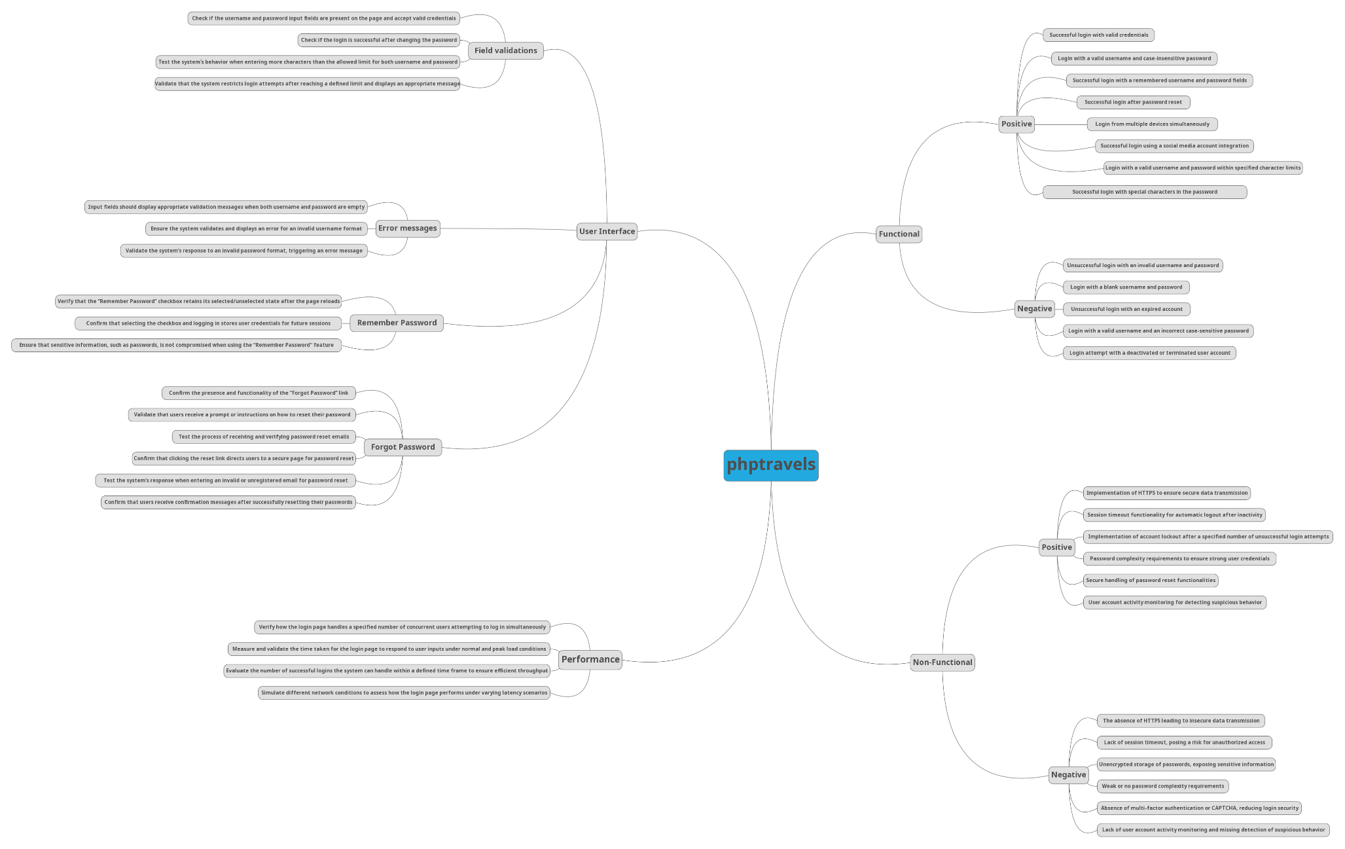

Test Case Report
Test Case Summary
Pass | 12
Fail | 7
Not Executed | 0
Out of Scope | 0
Test Case Summary
Project Name - | phptravels
Module Name - | Login
Test Case Version | 1.0.0
Written By | Fahim Sharier Khan
Executed By
Reviewed By
TEST EXECUTION SUMMARY

Test Case | PASS | FAIL | Not Executed | Out Of Scope | Total TC
 | 12 | 7 | 0 | 0 | 19
Grand Total | 12 | 7 | 0 | 0 | 19

