Restauants
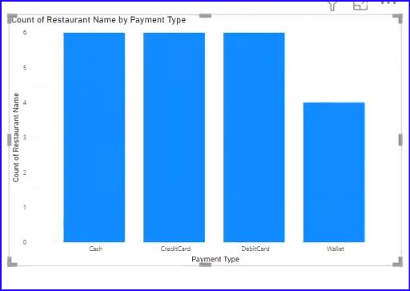
Restaurant Id | Restaurant Name | Item Types | Payment Type
1 | No Name Restaurant. | Vegetarian | Cash,CreditCard,DebitCard,Wallet
2 | The French Laundry. | Vegetarian,Non Vegetarian | Cash,CreditCard,DebitCard
3 | Starbelly. | Vegetarian | Cash
4 | Goosefoot. | Vegetarian | CreditCard,DebitCard,Wallet
5 | Garage Kitchen + Bar. | Vegetarian,Non Vegetarian | CreditCard,DebitCard,Wallet
6 | Six Seven. | Vegetarian,Non Vegetarian | Cash
7 | Zero Zero. | Vegetarian | Cash,CreditCard,DebitCard
8 | Girl and the Goat. | Vegetarian,Non Vegetarian | Cash,CreditCard,DebitCard,Wallet

