Report_Gluc-17_S15_L001_R1_001_
Gluc-17_S15_L001_R1_001.fastq

Measure | Value
Filename | Gluc-17_S15_L001_R1_001.fastq
File type | Conventional base calls
Encoding | Sanger / Illumina 1.9
Total Sequences | 183883
Sequences flagged as poor quality | 0
Sequence length | 35-301
%GC | 54
 | Per base sequence quality

 | Per tile sequence quality

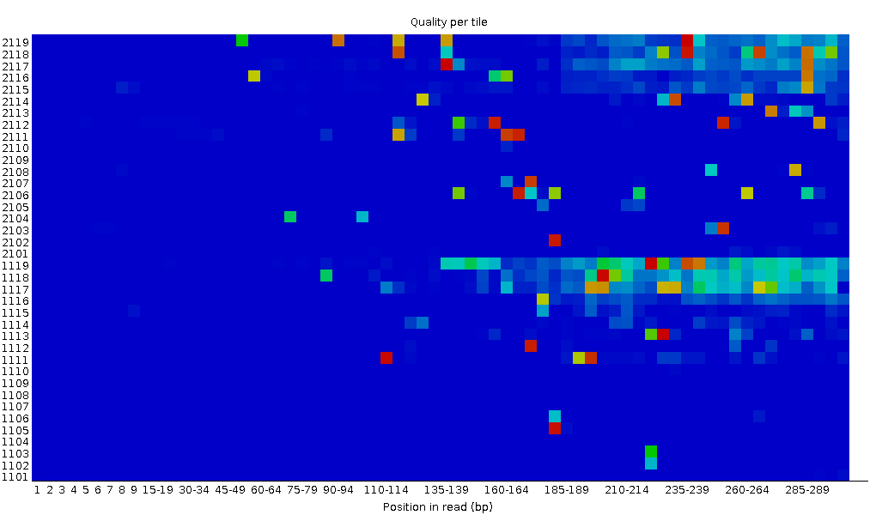

 | Per sequence quality scores

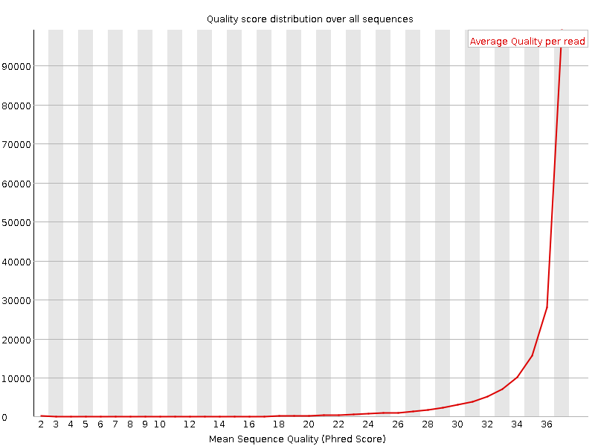

 | Per base sequence content

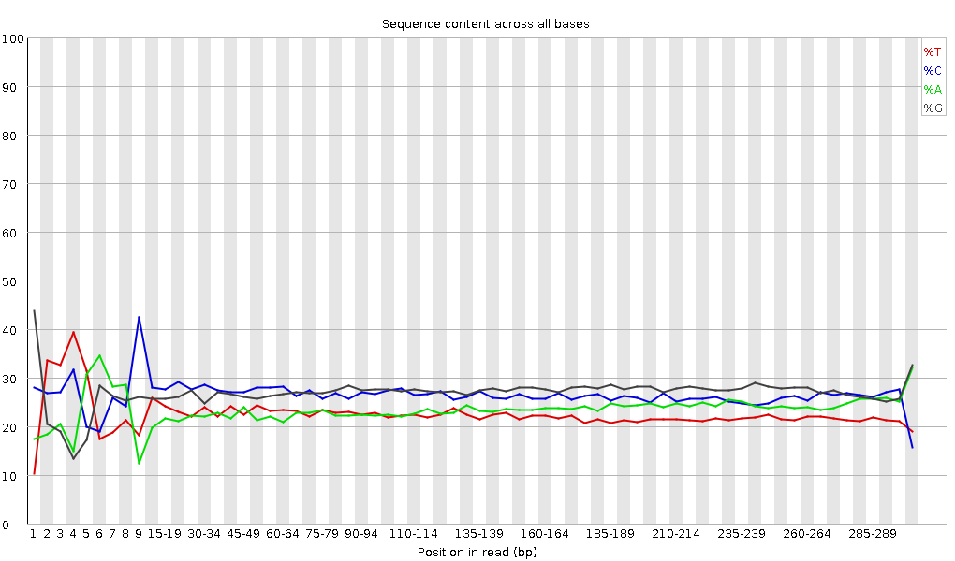

 | Per sequence GC content

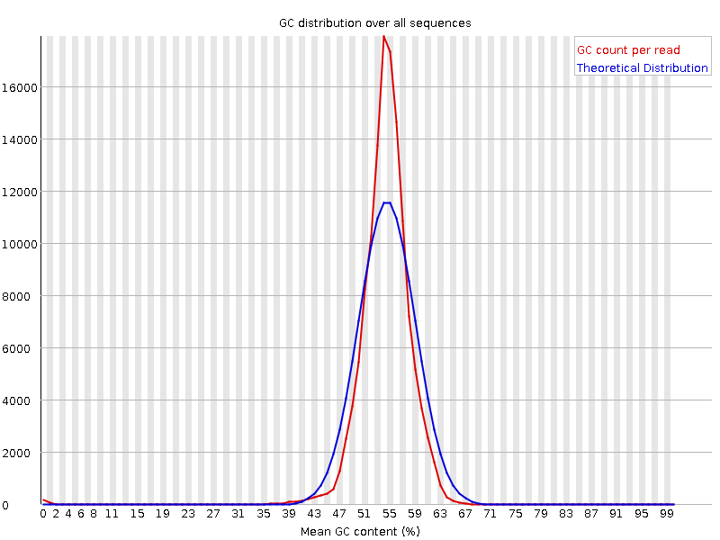

 | Per base N content

 | Sequence Length Distribution

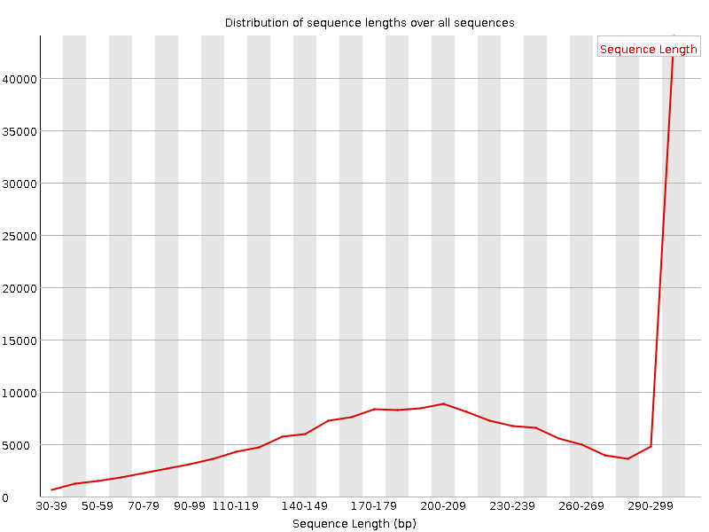

 | Sequence Duplication Levels

Sequence | Count | Percentage | Possible Source
GGATGACACACGGCGGGTGCTAACGTCCGTCGTGAAGAGGGAAACAACCC | 1805 | 0.9816024319812054 | No Hit
GTTTAGCCCCGTTACATCTTCCGCGCAGGCCGACTCGACCAGTGAGCTAT | 1231 | 0.6694474203705617 | No Hit
CATCTCTGAAAACTTCCGTGGATGTCAAGACCAGGTAAGGTTCTTCGCGT | 1096 | 0.5960311719952361 | No Hit
AAACCAAGGCTGAGGCGTGATGACGAGGCACTACGGTGCTGAAGCAACAA | 1072 | 0.5829793945062893 | No Hit
TTTCACATCTGATACTGGCAAGCTTGAGTCTCGTAGAGGGGGGTAGAATT | 1037 | 0.5639455523349086 | No Hit
GTGCTAACGTCCGTCGTGAAGAGGGAAACAACCCAGACCGCCAGCTAAGG | 981 | 0.5334914048606995 | No Hit
CTTCACGACGGACGTTAGCACCCGCCGTGTGTCTCCCGTGATAACATTCT | 956 | 0.5198958033097133 | No Hit
GTTAATACCTTTGCTCATTGACGTTACCCGCAGAAGAAGCACCGGCTAAC | 872 | 0.4742145820983995 | No Hit
CTTTAAATGATGGCTGCTTCTAAGCCAACATCCTGGCTGTCTGGGCCTTC | 837 | 0.4551807399270188 | No Hit
GGAACCCTTGGTCTTCCGGCGAGCGGGCTTTTCACCCGCTTTATCGTTAC | 810 | 0.4404974902519537 | No Hit
ATATTAACCTGTTTCCCATCGACTACGCCTTTCGGCCTCGCCTTAGGGGT | 721 | 0.3920971487304427 | No Hit
CGTTAGCACCCGCCGTGTGTCTCCCGTGATAACATTCTCCGGTATTCGCA | 693 | 0.3768700749933382 | No Hit
GAACTTACCCCGTGAACCTTTACTATAGCTTGACACTGAACATTGAGCCT | 670 | 0.36436212156643083 | No Hit
GCCTTGATTTTCCGGATTTGCCTGGAAAACCAAGGCTGAGGCGTGATGAC | 627 | 0.34097768689873453 | No Hit
ACTTAACGCGTTAGCTCCGGAAGCCACGCCTCAAGGGCACAACCTCCAAG | 607 | 0.33010120565794554 | No Hit
GTTTGCTCCCCACGCTTTCGCACCTGAGCGTCAGTCTTCGTCCAGGGGGC | 603 | 0.3279259094097878 | No Hit
CAGTAACACCAAGTACAGGAATATTAACCTGTTTCCCATCGACTACGCCT | 589 | 0.32031237254123546 | No Hit
GTACAGGAATATTAACCTGTTTCCCATCGACTACGCCTTTCGGCCTCGCC | 582 | 0.3165056041069593 | No Hit
GTCCCAAAGTCATGGTTAAGTGGGAAACGATGTGGGAAGGCCCAGACAGC | 562 | 0.30562912286617033 | No Hit
ATCATTAACTGAATCCATAGGTTAATGAGGCGAACCGGGGGAACTGAAAC | 542 | 0.2947526416253814 | No Hit
GTCTGGGCCTTCCCACATCGTTTCCCACTTAACCATGACTTTGGGACCTT | 541 | 0.2942088175633419 | No Hit
CATTTAAAGAAAGCGTAATAGCTCACTGGTCGAGTCGGCCTGCGCGGAAG | 536 | 0.29148969725314466 | No Hit
CATCCTGGCTGTCTGGGCCTTCCCACATCGTTTCCCACTTAACCATGACT | 530 | 0.288226752880908 | No Hit
CCCTTCCTCCCCGCTGAAAGTACTTTACAACCCGAAGGCCTTCTTCATAC | 526 | 0.28605145663275017 | No Hit
GGATAAGGGTTGCGCTCGTTGCGGGACTTAACCCAACATTTCACAACACG | 506 | 0.27517497539196123 | No Hit
CTTTGGGACCTTAGCTGGCGGTCTGGGTTGTTTCCCTCTTCACGACGGAC | 497 | 0.2702805588336062 | No Hit
CTATTACGCTTTCTTTAAATGATGGCTGCTTCTAAGCCAACATCCTGGCT | 493 | 0.26810526258544837 | No Hit
CCATTTTGCCTAGTTCCTTCACCCGAGTTCTCTCAAGCGCCTTGGTATTC | 478 | 0.25994790165485665 | No Hit
AACCATGACTTTGGGACCTTAGCTGGCGGTCTGGGTTGTTTCCCTCTTCA | 465 | 0.2528781888483438 | No Hit
ACCCAGACCGCCAGCTAAGGTCCCAAAGTCATGGTTAAGTGGGAAACGAT | 463 | 0.2517905407242649 | No Hit
ACATATCAGCGTGCCTTCTCCCGAAGTTACGGCACCATTTTGCCTAGTTC | 456 | 0.24798377228998875 | No Hit
CTTCTAAGCCAACATCCTGGCTGTCTGGGCCTTCCCACATCGTTTCCCAC | 449 | 0.24417700385571262 | No Hit
GGTTGAGCGGTGAAATGCGTAGAGATCTGGAGGAATACCGGTGGCGAAGG | 448 | 0.24363317979367313 | No Hit
GTCTCACGGTTCCCGAAGGCACATTCTCATCTCTGAAAACTTCCGTGGAT | 439 | 0.2387387632353181 | No Hit
GTTTCCCTCTTCACGACGGACGTTAGCACCCGCCGTGTGTCTCCCGTGAT | 415 | 0.22568698574637133 | No Hit
GAGGGAAACAACCCAGACCGCCAGCTAAGGTCCCAAAGTCATGGTTAAGT | 409 | 0.22242404137413466 | No Hit
AAACCAGGGCTGAGGCGTGATGACGAGGCACTACGGTGCTGAAGCAACAA | 406 | 0.2207925691880163 | No Hit
TTCCTGTACTTGGTGTTACTGCGAAGGGGGGACGGAGAAGGCTATGTTGG | 402 | 0.2186172729398585 | No Hit
GCGTAATAGCTCACTGGTCGAGTCGGCCTGCGCGGAAGATGTAACGGGGC | 398 | 0.21644197669170073 | No Hit
GTCATGGTTAAGTGGGAAACGATGTGGGAAGGCCCAGACAGCCAGGATGT | 391 | 0.21263520825742455 | No Hit
ATCTAATCCTGTTTGCTCCCCACGCTTTCGCACCTGAGCGTCAGTCTTCG | 389 | 0.21154756013334564 | No Hit
GGCCCAGACAGCCAGGATGTTGGCTTAGAAGCAGCCATCATTTAAAGAAA | 380 | 0.20665314357499062 | No Hit
TTCTCTACCTGACCACCTGTGTCGGTTTGGGGTACGATTTGATGTTACCT | 378 | 0.2055654954509117 | No Hit
GCCAGGATGTTGGCTTAGAAGCAGCCATCATTTAAAGAAAGCGTAATAGC | 369 | 0.2006710788925567 | No Hit
GTCTCCCGTGATAACATTCTCCGGTATTCGCAGTTTGCATCGGGTTGGTA | 366 | 0.19903960670643833 | No Hit
CTGTAAGCCTGCGAAGGTGTGCTGTGAGGCATGCTGGAGGTATCAGAAGT | 364 | 0.19795195858235945 | No Hit
ACCATGACTTTGGGACCTTAGCTGGCGGTCTGGGTTGTTTCCCTCTTCAC | 363 | 0.19740813452031997 | No Hit
GTTAAGTGGGAAACGATGTGGGAAGGCCCAGACAGCCAGGATGTTGGCTT | 352 | 0.19142606983788604 | No Hit
GTTACATCTTCCGCGCAGGCCGACTCGACCAGTGAGCTATTACGCTTTCT | 345 | 0.1876193014036099 | No Hit
GGCTTACAGAACGCTCCCCTACCCAACAACGCATAAGCGTCGCTGCCGCA | 343 | 0.18653165327953103 | No Hit
AGTTAATACCTTTGCTCATTGACGTTACCCGCAGAAGAAGCACCGGCTAA | 342 | 0.18598782921749155 | No Hit
GGTTAATATTCCTGTACTTGGTGTTACTGCGAAGGGGGGACGGAGAAGGC | 342 | 0.18598782921749155 | No Hit
CCTCTACGAGACTCAAGCTTGCCAGTATCAGATGCAGTTCCCAGGTTGAG | 337 | 0.18326870890729433 | No Hit
GGCCGACTCGACCAGTGAGCTATTACGCTTTCTTTAAATGATGGCTGCTT | 336 | 0.18272488484525487 | No Hit
GTGTCAAGCTATAGTAAAGGTTCACGGGGTCTTTCCGTCTTGCCGCGGGT | 331 | 0.18000576453505762 | No Hit
GGGTTGTTTCCCTCTTCACGACGGACGTTAGCACCCGCCGTGTGTCTCCC | 328 | 0.17837429234893926 | No Hit
TCTGATACCTCCAGCATGCCTCACAGCACACCTTCGCAGGCTTACAGAAC | 321 | 0.17456752391466313 | No Hit
GTGCATGGTTTAGCCCCGTTACATCTTCCGCGCAGGCCGACTCGACCAGT | 318 | 0.1729360517285448 | No Hit
GTCGTGAAGAGGGAAACAACCCAGACCGCCAGCTAAGGTCCCAAAGTCAT | 317 | 0.17239222766650533 | No Hit
CCCACATCGTTTCCCACTTAACCATGACTTTGGGACCTTAGCTGGCGGTC | 312 | 0.16967310735630808 | No Hit
ACCCAACAACGCATAAGCGTCGCTGCCGCAGCTTCGGTGCATGGTTTAGC | 304 | 0.1653225148599925 | No Hit
GCTAGGGATCGTCGCCTAGGTGAGCCGTTACCCCACCTACTAGCTAATCC | 303 | 0.16477869079795304 | No Hit
CCTCAAGGGCACAACCTCCAAGTCGACATCGTTTACGGCGTGGACTACCA | 303 | 0.16477869079795304 | No Hit
AAACAACCCAGACCGCCAGCTAAGGTCCCAAAGTCATGGTTAAGTGGGAA | 300 | 0.1631472186118347 | No Hit
CCCCTACCCAACAACGCATAAGCGTCGCTGCCGCAGCTTCGGTGCATGGT | 297 | 0.16151574642571637 | No Hit
CTTCCGCGCAGGCCGACTCGACCAGTGAGCTATTACGCTTTCTTTAAATG | 297 | 0.16151574642571637 | No Hit
GCCTTGATTTTCCGGATTTGCCTGGAAAACCAGCCTACACGCTTAAACCG | 289 | 0.15716515392940075 | No Hit
GGGCTAAACCATGCACCGAAGCTGCGGCAGCGACGCTTATGCGTTGTTGG | 288 | 0.1566213298673613 | No Hit
CCTCCAAGTCGACATCGTTTACGGCGTGGACTACCAGGGTATCTAATCCT | 286 | 0.15553368174328241 | No Hit
TTTCACATCTGACTTAACAAACCGCCTGCGTGCGCTTTACGCCCAGTAAT | 286 | 0.15553368174328241 | No Hit
GTTTCCCATCGACTACGCCTTTCGGCCTCGCCTTAGGGGTCGACTCACCC | 280 | 0.1522707373710457 | No Hit
CCAGGATGTTGGCTTAGAAGCAGCCATCATTTAAAGAAAGCGTAATAGCT | 278 | 0.15118308924696683 | No Hit
GATGCAGTTCCCAGGTTGAGCCCGGGGATTTCACATCTGACTTAACAAAC | 276 | 0.15009544112288792 | No Hit
GCCTTGATTTTCCGGATTTGCCTGGAAAACCAGGGCTGAGGCGTGATGAC | 273 | 0.14846396893676958 | No Hit
ACTTATGTCAGCATTCGCACTTCTGATACCTCCAGCATGCCTCACAGCAC | 272 | 0.14792014487473013 | No Hit
GTGGGAAACGATGTGGGAAGGCCCAGACAGCCAGGATGTTGGCTTAGAAG | 271 | 0.1473763208126907 | No Hit
GTTTCCCACTTAACCATGACTTTGGGACCTTAGCTGGCGGTCTGGGTTGT | 270 | 0.14683249675065121 | No Hit
CTTACAGAACGCTCCCCTACCCAACAACGCATAAGCGTCGCTGCCGCAGC | 265 | 0.144113376440454 | No Hit
TTCCCACATCGTTTCCCACTTAACCATGACTTTGGGACCTTAGCTGGCGG | 258 | 0.14030660800617786 | No Hit
GTACTGGTTCACTATCGGTCAGTCAGGAGTATTTAGCCTTGGAGGATGGT | 255 | 0.1386751358200595 | No Hit
CCGTTACATCTTCCGCGCAGGCCGACTCGACCAGTGAGCTATTACGCTTT | 255 | 0.1386751358200595 | No Hit
GGCTTAGAAGCAGCCATCATTTAAAGAAAGCGTAATAGCTCACTGGTCGA | 255 | 0.1386751358200595 | No Hit
GCTTAGAAGCAGCCATCATTTAAAGAAAGCGTAATAGCTCACTGGTCGAG | 254 | 0.13813131175802004 | No Hit
ATGTGGGAAGGCCCAGACAGCCAGGATGTTGGCTTAGAAGCAGCCATCAT | 253 | 0.13758748769598061 | No Hit
ATTCTCTACCTGACCACCTGTGTCGGTTTGGGGTACGATTTGATGTTACC | 252 | 0.13704366363394116 | No Hit
CTTTATGAGGTCCGCTTGCTCTCGCGAGGTCGCTTCTCTTTGTATGCGCC | 250 | 0.13595601550986225 | No Hit
GACGTTAGCACCCGCCGTGTGTCTCCCGTGATAACATTCTCCGGTATTCG | 248 | 0.13486836738578334 | No Hit
GGCTTTTCACCCGCTTTATCGTTACTTATGTCAGCATTCGCACTTCTGAT | 247 | 0.1343245433237439 | No Hit
GCCCCGATTAACGTTGGACAGGAACCCTTGGTCTTCCGGCGAGCGGGCTT | 243 | 0.1321492470755861 | No Hit
GTGTTACTGCGAAGGGGGGACGGAGAAGGCTATGTTGGCCGGGCGACGGT | 243 | 0.1321492470755861 | No Hit
CTTCTGATACCTCCAGCATGCCTCACAGCACACCTTCGCAGGCTTACAGA | 242 | 0.13160542301354666 | No Hit
GGATACCACGTGTCCCGCCCTACTCATCGAGCTCACAGCATGTGCATTTT | 240 | 0.13051777488946775 | No Hit
TTCTAAGCCAACATCCTGGCTGTCTGGGCCTTCCCACATCGTTTCCCACT | 237 | 0.12888630270334941 | No Hit
TCCCACATCGTTTCCCACTTAACCATGACTTTGGGACCTTAGCTGGCGGT | 237 | 0.12888630270334941 | No Hit
GCTTAGAGGCTTTTCCTGGAAGCAGGGCATTTGTTGCTTCAGCACCGTAG | 236 | 0.12834247864130996 | No Hit
GCTAACGTCCGTCGTGAAGAGGGAAACAACCCAGACCGCCAGCTAAGGTC | 233 | 0.12671100645519162 | No Hit
GTCCAGACTCCTACGGGAGGCAGCAGTGGGGAATATTGCACAATGGGCGC | 231 | 0.1256233583311127 | No Hit
CTCCCCAGGCGGTCGACTTAACGCGTTAGCTCCGGAAGCCACGCCTCAAG | 229 | 0.12453571020703381 | No Hit
CTACCTGACCACCTGTGTCGGTTTGGGGTACGATTTGATGTTACCTGATG | 229 | 0.12453571020703381 | No Hit
CCCATATTCAGACAGGATACCACGTGTCCCGCCCTACTCATCGAGCTCAC | 227 | 0.12344806208295493 | No Hit
TATTCAGACAGGATACCACGTGTCCCGCCCTACTCATCGAGCTCACAGCA | 223 | 0.12127276583479712 | No Hit
GATTTGATGTTACCTGATGCTTAGAGGCTTTTCCTGGAAGCAGGGCATTT | 219 | 0.11909746958663935 | No Hit
AACCAAGGCTGAGGCGTGATGACGAGGCACTACGGTGCTGAAGCAACAAA | 218 | 0.11855364552459988 | No Hit
GGTATTAACTTTACTCCCTTCCTCCCCGCTGAAAGTACTTTACAACCCGA | 217 | 0.11800982146256042 | No Hit
CCTTAGGGGTCGACTCACCCTGCCCCGATTAACGTTGGACAGGAACCCTT | 216 | 0.11746599740052098 | No Hit
ATTACGCTTTCTTTAAATGATGGCTGCTTCTAAGCCAACATCCTGGCTGT | 214 | 0.11637834927644208 | No Hit
GCTTCTAAGCCAACATCCTGGCTGTCTGGGCCTTCCCACATCGTTTCCCA | 213 | 0.11583452521440264 | No Hit
GTATTTAGCCTTGGAGGATGGTCCCCCCATATTCAGACAGGATACCACGT | 212 | 0.1152907011523632 | No Hit
GTAGTGCCTCGTCATCACGCCTCAGCCTTGATTTTCCGGATTTGCCTGGA | 212 | 0.1152907011523632 | No Hit
GTGCTGTGTTTTTAATAAACAGTTGCAGCCAGCTGGTATCTTCGACTGAT | 209 | 0.11365922896624484 | No Hit
GTTTAAGCGTGTAGGCTGGTTTTCCAGGCAAATCCGGAAAATCAAGGCTG | 209 | 0.11365922896624484 | No Hit
GGTATTCTCTACCTGACCACCTGTGTCGGTTTGGGGTACGATTTGATGTT | 208 | 0.1131154049042054 | No Hit
GAGTAAAGTTAATACCTTTGCTCATTGACGTTACCCGCAGAAGAAGCACC | 207 | 0.11257158084216595 | No Hit
CCTTTGCTCATTGACGTTACCCGCAGAAGAAGCACCGGCTAACTCCGTGC | 206 | 0.1120277567801265 | No Hit
GATGCAGTTCCCAGGTTGAGCCCGGGGATTTCACATCTGATACTGGCAAG | 204 | 0.11094010865604759 | No Hit
NNNNNNNNNNNNNNNNNNNNNNNNNNNNNNNNNNN | 203 | 0.11039628459400815 | No Hit
GGTAACGTCAATGAGCAAAGGTATTAACTTTACTCCCTTCCTCCCCGCTG | 203 | 0.11039628459400815 | No Hit
GGTTGGTAAGTCGGGATGAGGGAAACAACCCAGACCGCCAGCTAAGGTCC | 203 | 0.11039628459400815 | No Hit
TCTCTACGCATTTCACCGCTACACCTGGAATTCTACCCCCCTCTACGAGA | 201 | 0.10930863646992925 | No Hit
ACCTGATGCTTAGAGGCTTTTCCTGGAAGCAGGGCATTTGTTGCTTCAGC | 200 | 0.10876481240788981 | No Hit
GTCTCACAGTTCCCGAAGGCACCAATCCATCTCTGGAAAGTTCTGTGGAT | 199 | 0.10822098834585037 | No Hit
GTTCTTCGCGTTGAGAATGTGCCTTCGGGAACCGTGAGACAGGTGCTGCA | 196 | 0.106589516159732 | No Hit
ATATTGCACAATGGGCGCAAGCCTGATGCAGCCATGCCGCGTGTATGAAG | 195 | 0.10604569209769256 | No Hit
AGGCTATGTTGGCCGGGCGACGGTTGTCCCGGTTTAAGCGTGTAGGCTGG | 194 | 0.10550186803565312 | No Hit
GACCTTAGCTGGCGGTCTGGGTTGTTTCCCTCTTCACGACGGACGTTAGC | 193 | 0.10495804397361366 | No Hit
AGTCTGGACCGTGTCTCAGTTCCAGTGTGGCTGGTCATCCTCTCAGACCA | 193 | 0.10495804397361366 | No Hit
TTACTTATGTCAGCATTCGCACTTCTGATACCTCCAGCATGCCTCACAGC | 193 | 0.10495804397361366 | No Hit
GTGTAGCCCTGGTCGTAAGGGCCATGATGACTTGACGTCATCCCCACCTT | 192 | 0.1044142199115742 | No Hit
CCTCTTCACGACGGACGTTAGCACCCGCCGTGTGTCTCCCGTGATAACAT | 190 | 0.10332657178749531 | No Hit
GCGTAGAGATCTGGAGGAATACCGGTGGCGAAGGCGGCCCCCTGGACGAA | 188 | 0.10223892366341641 | No Hit
GACCGCCCCAGTCAAACTACCCACCAGACACTGTCCGCAACCCGGATTAC | 188 | 0.10223892366341641 | No Hit
GGTTAAGTGGGAAACGATGTGGGAAGGCCCAGACAGCCAGGATGTTGGCT | 187 | 0.10169509960137697 | No Hit
GATTAACGTTGGACAGGAACCCTTGGTCTTCCGGCGAGCGGGCTTTTCAC | 186 | 0.10115127553933752 | No Hit
GGAGTAAAGTTAATACCTTTGCTCATTGACGTTACCCGCAGAAGAAGCAC | 186 | 0.10115127553933752 | No Hit
TCCTGGCTGTCTGGGCCTTCCCACATCGTTTCCCACTTAACCATGACTTT | 185 | 0.10060745147729806 | No Hit
 | Adapter Content

Sequence | Count | PValue | Obs/Exp Max | Max Obs/Exp Position
CTAGACA | 5 | 0.0047320714 | 1314.2708 | 295
CTAGAAT | 5 | 0.0047320714 | 1314.2708 | 295
AGCTTGG | 5 | 0.0047320714 | 1314.2708 | 295
AGGGTCG | 5 | 0.0047320714 | 1314.2708 | 295
AGTCTAA | 5 | 0.0047320714 | 1314.2708 | 295
ATTATTA | 5 | 0.0047320714 | 1314.2708 | 295
CCTATTT | 5 | 0.0047320714 | 1314.2708 | 295
TGAGCTT | 5 | 0.0047320714 | 1314.2708 | 295
GCACTAT | 5 | 0.0047320714 | 1314.2708 | 295
TGCGGCG | 25 | 1.4110265E-7 | 788.56244 | 295
GCAGCGG | 20 | 7.6411445E-5 | 657.1354 | 295
GCTGTGG | 20 | 7.6411445E-5 | 657.1354 | 295
TTTAAAA | 35 | 5.414058E-7 | 563.2589 | 295
AGTTAAA | 40 | 9.2305527E-7 | 492.8515 | 295
GCGGGGG | 30 | 2.5759608E-4 | 438.0902 | 295
CGTAAAA | 30 | 2.5759608E-4 | 438.0902 | 295
GCTAAAA | 30 | 2.5759608E-4 | 438.0902 | 295
TTGTTTT | 35 | 4.088209E-4 | 375.50592 | 295
CGTCTTT | 40 | 6.0990534E-4 | 328.5677 | 295
GTGGGGG | 45 | 8.679078E-4 | 292.06015 | 295

Report_Gluc-17_S15_L001_R2_001_
Gluc-17_S15_L001_R2_001.fastq

Measure | Value
Filename | Gluc-17_S15_L001_R2_001.fastq
File type | Conventional base calls
Encoding | Sanger / Illumina 1.9
Total Sequences | 183883
Sequences flagged as poor quality | 0
Sequence length | 35-301
%GC | 54
 | Per base sequence quality

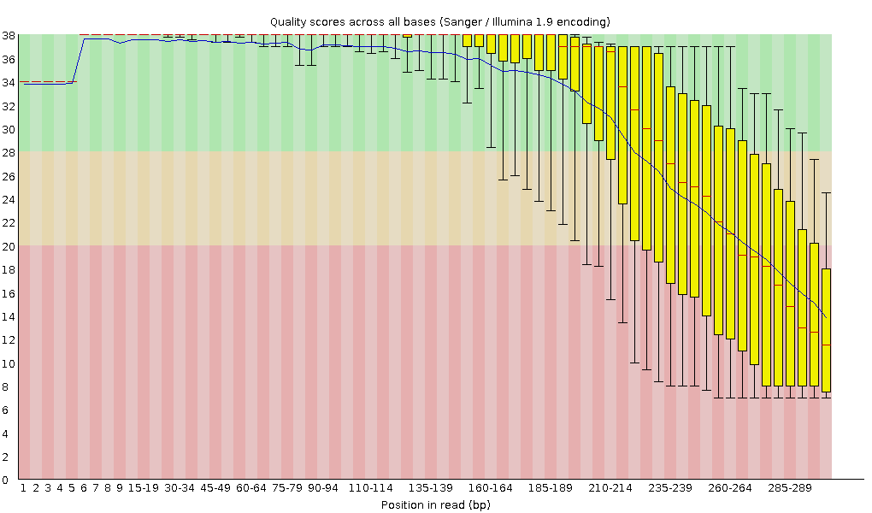

 | Per tile sequence quality

 | Per sequence quality scores

 | Per base sequence content

 | Per sequence GC content

 | Per base N content

 | Sequence Length Distribution

 | Sequence Duplication Levels

Sequence | Count | Percentage | Possible Source
GGATGACACACGGCGGGTGCTAACGTCCGTCGTGAAGAGGGAAACAACCC | 1316 | 0.7156724656439148 | No Hit
CATCTCTGAAAACTTCCGTGGATGTCAAGACCAGGTAAGGTTCTTCGCGT | 1198 | 0.6515012263232599 | No Hit
GTTTAGCCCCGTTACATCTTCCGCGCAGGCCGACTCGACCAGTGAGCTAT | 1191 | 0.6476944578889837 | No Hit
GATGCAGTTCCCAGGTTGAGCCCGGGGATTTCACATCTGACTTAACAAAC | 980 | 0.53294758079866 | No Hit
TTTCACATCTGACTTAACAAACCGCCTGCGTGCGCTTTACGCCCAGTAAT | 900 | 0.48944165583550403 | No Hit
CTTTAAATGATGGCTGCTTCTAAGCCAACATCCTGGCTGTCTGGGCCTTC | 892 | 0.4850910633391885 | No Hit
CCATTTTGCCTAGTTCCTTCACCCGAGTTCTCTCAAGCGCCTTGGTATTC | 878 | 0.4774775264706362 | No Hit
AAACCAAGGCTGAGGCGTGATGACGAGGCACTACGGTGCTGAAGCAACAA | 856 | 0.46551339710576833 | No Hit
GTTTGCTCCCCACGCTTTCGCACCTGAGCGTCAGTCTTCGTCCAGGGGGC | 816 | 0.44376043462419035 | No Hit
GGAACCCTTGGTCTTCCGGCGAGCGGGCTTTTCACCCGCTTTATCGTTAC | 815 | 0.44321661056215095 | No Hit
ATATTAACCTGTTTCCCATCGACTACGCCTTTCGGCCTCGCCTTAGGGGT | 814 | 0.4426727865001115 | No Hit
CCCTTCCTCCCCGCTGAAAGTACTTTACAACCCGAAGGCCTTCTTCATAC | 779 | 0.4236389443287308 | No Hit
CTTCACGACGGACGTTAGCACCCGCCGTGTGTCTCCCGTGATAACATTCT | 758 | 0.4122186390259024 | No Hit
GTGCTAACGTCCGTCGTGAAGAGGGAAACAACCCAGACCGCCAGCTAAGG | 693 | 0.3768700749933382 | No Hit
GATTTCACATCTGACTTAACAAACCGCCTGCGTGCGCTTTACGCCCAGTA | 687 | 0.37360713062110146 | No Hit
ACTTAACGCGTTAGCTCCGGAAGCCACGCCTCAAGGGCACAACCTCCAAG | 681 | 0.3703441862488648 | No Hit
TTTCACATCTGATACTGGCAAGCTTGAGTCTCGTAGAGGGGGGTAGAATT | 664 | 0.36109917719419415 | No Hit
CAGTAACACCAAGTACAGGAATATTAACCTGTTTCCCATCGACTACGCCT | 650 | 0.35348564032564184 | No Hit
CCCCTACCCAACAACGCATAAGCGTCGCTGCCGCAGCTTCGGTGCATGGT | 638 | 0.3469597515811685 | No Hit
GTACAGGAATATTAACCTGTTTCCCATCGACTACGCCTTTCGGCCTCGCC | 605 | 0.32901355753386663 | No Hit
CGTTAGCACCCGCCGTGTGTCTCCCGTGATAACATTCTCCGGTATTCGCA | 577 | 0.3137864837967621 | No Hit
CTATTACGCTTTCTTTAAATGATGGCTGCTTCTAAGCCAACATCCTGGCT | 558 | 0.30345382661801257 | No Hit
GCCTTGATTTTCCGGATTTGCCTGGAAAACCAAGGCTGAGGCGTGATGAC | 553 | 0.3007347063078153 | No Hit
GTCTGGGCCTTCCCACATCGTTTCCCACTTAACCATGACTTTGGGACCTT | 542 | 0.2947526416253814 | No Hit
ATCATTAACTGAATCCATAGGTTAATGAGGCGAACCGGGGGAACTGAAAC | 526 | 0.28605145663275017 | No Hit
ACCCAACAACGCATAAGCGTCGCTGCCGCAGCTTCGGTGCATGGTTTAGC | 498 | 0.2708243828956456 | No Hit
GAACTTACCCCGTGAACCTTTACTATAGCTTGACACTGAACATTGAGCCT | 495 | 0.2691929107095272 | No Hit
GTTAATACCTTTGCTCATTGACGTTACCCGCAGAAGAAGCACCGGCTAAC | 488 | 0.2653861422752511 | No Hit
GGCTTACAGAACGCTCCCCTACCCAACAACGCATAAGCGTCGCTGCCGCA | 467 | 0.25396583697242264 | No Hit
CATCCTGGCTGTCTGGGCCTTCCCACATCGTTTCCCACTTAACCATGACT | 459 | 0.2496152444761071 | No Hit
ACATATCAGCGTGCCTTCTCCCGAAGTTACGGCACCATTTTGCCTAGTTC | 446 | 0.24254553166959425 | No Hit
CTTCTAAGCCAACATCCTGGCTGTCTGGGCCTTCCCACATCGTTTCCCAC | 435 | 0.23656346698716033 | No Hit
CCTCTACGAGACTCAAGCTTGCCAGTATCAGATGCAGTTCCCAGGTTGAG | 429 | 0.2333005226149236 | No Hit
GGATTTCACATCTGACTTAACAAACCGCCTGCGTGCGCTTTACGCCCAGT | 424 | 0.2305814023047264 | No Hit
CTTTGGGACCTTAGCTGGCGGTCTGGGTTGTTTCCCTCTTCACGACGGAC | 424 | 0.2305814023047264 | No Hit
GTCCCAAAGTCATGGTTAAGTGGGAAACGATGTGGGAAGGCCCAGACAGC | 406 | 0.2207925691880163 | No Hit
TCTGATACCTCCAGCATGCCTCACAGCACACCTTCGCAGGCTTACAGAAC | 403 | 0.21916109700189793 | No Hit
ATCTAATCCTGTTTGCTCCCCACGCTTTCGCACCTGAGCGTCAGTCTTCG | 401 | 0.21807344887781904 | No Hit
CATTTAAAGAAAGCGTAATAGCTCACTGGTCGAGTCGGCCTGCGCGGAAG | 398 | 0.21644197669170073 | No Hit
AACCATGACTTTGGGACCTTAGCTGGCGGTCTGGGTTGTTTCCCTCTTCA | 391 | 0.21263520825742455 | No Hit
GGTTGAGCGGTGAAATGCGTAGAGATCTGGAGGAATACCGGTGGCGAAGG | 389 | 0.21154756013334564 | No Hit
GGATAAGGGTTGCGCTCGTTGCGGGACTTAACCCAACATTTCACAACACG | 378 | 0.2055654954509117 | No Hit
GCCTTGATTTTCCGGATTTGCCTGGAAAACCAGCCTACACGCTTAAACCG | 377 | 0.20502167138887226 | No Hit
GACTTAACAAACCGCCTGCGTGCGCTTTACGCCCAGTAATTCCGATTAAC | 377 | 0.20502167138887226 | No Hit
GTGCATGGTTTAGCCCCGTTACATCTTCCGCGCAGGCCGACTCGACCAGT | 373 | 0.20284637514071446 | No Hit
GTTTCCCTCTTCACGACGGACGTTAGCACCCGCCGTGTGTCTCCCGTGAT | 370 | 0.20121490295459613 | No Hit
CCTCAAGGGCACAACCTCCAAGTCGACATCGTTTACGGCGTGGACTACCA | 365 | 0.19849578264439888 | No Hit
GTTACATCTTCCGCGCAGGCCGACTCGACCAGTGAGCTATTACGCTTTCT | 365 | 0.19849578264439888 | No Hit
ACGCATAAGCGTCGCTGCCGCAGCTTCGGTGCATGGTTTAGCCCCGTTAC | 365 | 0.19849578264439888 | No Hit
GTTTCCCATCGACTACGCCTTTCGGCCTCGCCTTAGGGGTCGACTCACCC | 353 | 0.1919698938999255 | No Hit
ACCCAGACCGCCAGCTAAGGTCCCAAAGTCATGGTTAAGTGGGAAACGAT | 349 | 0.1897945976517677 | No Hit
CTTCTGATACCTCCAGCATGCCTCACAGCACACCTTCGCAGGCTTACAGA | 341 | 0.1854440051554521 | No Hit
GGCCGACTCGACCAGTGAGCTATTACGCTTTCTTTAAATGATGGCTGCTT | 340 | 0.18490018109341266 | No Hit
TTCTCTACCTGACCACCTGTGTCGGTTTGGGGTACGATTTGATGTTACCT | 340 | 0.18490018109341266 | No Hit
ACTTATGTCAGCATTCGCACTTCTGATACCTCCAGCATGCCTCACAGCAC | 338 | 0.18381253296933375 | No Hit
GTGTCAAGCTATAGTAAAGGTTCACGGGGTCTTTCCGTCTTGCCGCGGGT | 333 | 0.1810934126591365 | No Hit
GGGTTGTTTCCCTCTTCACGACGGACGTTAGCACCCGCCGTGTGTCTCCC | 332 | 0.18054958859709708 | No Hit
CTTCCGCGCAGGCCGACTCGACCAGTGAGCTATTACGCTTTCTTTAAATG | 329 | 0.1789181164109787 | No Hit
TTCCTGTACTTGGTGTTACTGCGAAGGGGGGACGGAGAAGGCTATGTTGG | 329 | 0.1789181164109787 | No Hit
GCGTAATAGCTCACTGGTCGAGTCGGCCTGCGCGGAAGATGTAACGGGGC | 325 | 0.17674282016282092 | No Hit
GGCCCAGACAGCCAGGATGTTGGCTTAGAAGCAGCCATCATTTAAAGAAA | 318 | 0.1729360517285448 | No Hit
AAACCAGGGCTGAGGCGTGATGACGAGGCACTACGGTGCTGAAGCAACAA | 313 | 0.17021693141834754 | No Hit
GTCTCACGGTTCCCGAAGGCACATTCTCATCTCTGAAAACTTCCGTGGAT | 310 | 0.1685854592322292 | No Hit
GAGGGAAACAACCCAGACCGCCAGCTAAGGTCCCAAAGTCATGGTTAAGT | 293 | 0.15934045017755855 | No Hit
CCTCCAAGTCGACATCGTTTACGGCGTGGACTACCAGGGTATCTAATCCT | 291 | 0.15825280205347966 | No Hit
GTCTCCCGTGATAACATTCTCCGGTATTCGCAGTTTGCATCGGGTTGGTA | 289 | 0.15716515392940075 | No Hit
GGCTTTTCACCCGCTTTATCGTTACTTATGTCAGCATTCGCACTTCTGAT | 287 | 0.15607750580532187 | No Hit
GTGCTGTGTTTTTAATAAACAGTTGCAGCCAGCTGGTATCTTCGACTGAT | 285 | 0.15498985768124296 | No Hit
GGTAACGTCAATGAGCAAAGGTATTAACTTTACTCCCTTCCTCCCCGCTG | 279 | 0.15172691330900628 | No Hit
GGTTAATATTCCTGTACTTGGTGTTACTGCGAAGGGGGGACGGAGAAGGC | 265 | 0.144113376440454 | No Hit
GGGCTAAACCATGCACCGAAGCTGCGGCAGCGACGCTTATGCGTTGTTGG | 262 | 0.14248190425433563 | No Hit
CTACCCAACAACGCATAAGCGTCGCTGCCGCAGCTTCGGTGCATGGTTTA | 260 | 0.14139425613025675 | No Hit
CTCCCCAGGCGGTCGACTTAACGCGTTAGCTCCGGAAGCCACGCCTCAAG | 259 | 0.1408504320682173 | No Hit
CCCACATCGTTTCCCACTTAACCATGACTTTGGGACCTTAGCTGGCGGTC | 256 | 0.13921895988209892 | No Hit
GTACTGGTTCACTATCGGTCAGTCAGGAGTATTTAGCCTTGGAGGATGGT | 255 | 0.1386751358200595 | No Hit
CCGTTACATCTTCCGCGCAGGCCGACTCGACCAGTGAGCTATTACGCTTT | 253 | 0.13758748769598061 | No Hit
GGTATTAACTTTACTCCCTTCCTCCCCGCTGAAAGTACTTTACAACCCGA | 253 | 0.13758748769598061 | No Hit
TTCCCACATCGTTTCCCACTTAACCATGACTTTGGGACCTTAGCTGGCGG | 251 | 0.13649983957190168 | No Hit
CCTACATATCAGCGTGCCTTCTCCCGAAGTTACGGCACCATTTTGCCTAG | 248 | 0.13486836738578334 | No Hit
CCTTAGGGGTCGACTCACCCTGCCCCGATTAACGTTGGACAGGAACCCTT | 248 | 0.13486836738578334 | No Hit
GCCAGGATGTTGGCTTAGAAGCAGCCATCATTTAAAGAAAGCGTAATAGC | 248 | 0.13486836738578334 | No Hit
ACCATGACTTTGGGACCTTAGCTGGCGGTCTGGGTTGTTTCCCTCTTCAC | 244 | 0.13269307113762555 | No Hit
CTACCTGACCACCTGTGTCGGTTTGGGGTACGATTTGATGTTACCTGATG | 243 | 0.1321492470755861 | No Hit
GCCCCGATTAACGTTGGACAGGAACCCTTGGTCTTCCGGCGAGCGGGCTT | 238 | 0.12943012676538884 | No Hit
GCTTAGAGGCTTTTCCTGGAAGCAGGGCATTTGTTGCTTCAGCACCGTAG | 238 | 0.12943012676538884 | No Hit
ATTCTCTACCTGACCACCTGTGTCGGTTTGGGGTACGATTTGATGTTACC | 237 | 0.12888630270334941 | No Hit
GCTAGGGATCGTCGCCTAGGTGAGCCGTTACCCCACCTACTAGCTAATCC | 236 | 0.12834247864130996 | No Hit
CCTCACAGCACACCTTCGCAGGCTTACAGAACGCTCCCCTACCCAACAAC | 234 | 0.12725483051723108 | No Hit
CTCCAGCATGCCTCACAGCACACCTTCGCAGGCTTACAGAACGCTCCCCT | 232 | 0.12616718239315217 | No Hit
GGATACCACGTGTCCCGCCCTACTCATCGAGCTCACAGCATGTGCATTTT | 232 | 0.12616718239315217 | No Hit
GTATTTAGCCTTGGAGGATGGTCCCCCCATATTCAGACAGGATACCACGT | 232 | 0.12616718239315217 | No Hit
CCTTCGCAGTAACACCAAGTACAGGAATATTAACCTGTTTCCCATCGACT | 231 | 0.1256233583311127 | No Hit
TCCCACATCGTTTCCCACTTAACCATGACTTTGGGACCTTAGCTGGCGGT | 231 | 0.1256233583311127 | No Hit
TCTCTACGCATTTCACCGCTACACCTGGAATTCTACCCCCCTCTACGAGA | 231 | 0.1256233583311127 | No Hit
GTTTCCCACTTAACCATGACTTTGGGACCTTAGCTGGCGGTCTGGGTTGT | 230 | 0.12507953426907326 | No Hit
CTTTATGAGGTCCGCTTGCTCTCGCGAGGTCGCTTCTCTTTGTATGCGCC | 228 | 0.12399188614499437 | No Hit
GATTAACGTTGGACAGGAACCCTTGGTCTTCCGGCGAGCGGGCTTTTCAC | 228 | 0.12399188614499437 | No Hit
CTGTAAGCCTGCGAAGGTGTGCTGTGAGGCATGCTGGAGGTATCAGAAGT | 227 | 0.12344806208295493 | No Hit
CCCCAGGCGGTCGACTTAACGCGTTAGCTCCGGAAGCCACGCCTCAAGGG | 227 | 0.12344806208295493 | No Hit
TCCTTCACCCGAGTTCTCTCAAGCGCCTTGGTATTCTCTACCTGACCACC | 227 | 0.12344806208295493 | No Hit
CCTCCAGCATGCCTCACAGCACACCTTCGCAGGCTTACAGAACGCTCCCC | 225 | 0.12236041395887601 | No Hit
CCGTATTACCGCGGCTGCTGGCACGGAGTTAGCCGGTGCTTCTTCTGCGG | 224 | 0.12181658989683657 | No Hit
GCTTTATCGTTACTTATGTCAGCATTCGCACTTCTGATACCTCCAGCATG | 220 | 0.11964129364867879 | No Hit
CTTCAGCACCGTAGTGCCTCGTCATCACGCCTCAGCCTTGATTTTCCGGA | 219 | 0.11909746958663935 | No Hit
GGACAACCGTCGCCCGGCCAACATAGCCTTCTCCGTCCCCCCTTCGCAGT | 216 | 0.11746599740052098 | No Hit
GGTATTCTCTACCTGACCACCTGTGTCGGTTTGGGGTACGATTTGATGTT | 214 | 0.11637834927644208 | No Hit
GCCTTGATTTTCCGGATTTGCCTGGAAAACCAGGGCTGAGGCGTGATGAC | 213 | 0.11583452521440264 | No Hit
GTGTTACTGCGAAGGGGGGACGGAGAAGGCTATGTTGGCCGGGCGACGGT | 213 | 0.11583452521440264 | No Hit
CCCATATTCAGACAGGATACCACGTGTCCCGCCCTACTCATCGAGCTCAC | 209 | 0.11365922896624484 | No Hit
TTCTTTAAATGATGGCTGCTTCTAAGCCAACATCCTGGCTGTCTGGGCCT | 209 | 0.11365922896624484 | No Hit
GTCATGGTTAAGTGGGAAACGATGTGGGAAGGCCCAGACAGCCAGGATGT | 208 | 0.1131154049042054 | No Hit
GCATAAGCGTCGCTGCCGCAGCTTCGGTGCATGGTTTAGCCCCGTTACAT | 203 | 0.11039628459400815 | No Hit
AAACAACCCAGACCGCCAGCTAAGGTCCCAAAGTCATGGTTAAGTGGGAA | 203 | 0.11039628459400815 | No Hit
GTAGTGCCTCGTCATCACGCCTCAGCCTTGATTTTCCGGATTTGCCTGGA | 203 | 0.11039628459400815 | No Hit
GCTATTACGCTTTCTTTAAATGATGGCTGCTTCTAAGCCAACATCCTGGC | 203 | 0.11039628459400815 | No Hit
NNNNNNNNNNNNNNNNNNNNNNNNNNNNNNNNNNN | 202 | 0.1098524605319687 | No Hit
ACCTGATGCTTAGAGGCTTTTCCTGGAAGCAGGGCATTTGTTGCTTCAGC | 200 | 0.10876481240788981 | No Hit
GACGTTAGCACCCGCCGTGTGTCTCCCGTGATAACATTCTCCGGTATTCG | 200 | 0.10876481240788981 | No Hit
GTTAAGTGGGAAACGATGTGGGAAGGCCCAGACAGCCAGGATGTTGGCTT | 200 | 0.10876481240788981 | No Hit
CCGTAGTGCCTCGTCATCACGCCTCAGCCTTGATTTTCCGGATTTGCCTG | 197 | 0.10713334022177144 | No Hit
GAGTTAGCCGGTGCTTCTTCTGCGGGTAACGTCAATGAGCAAAGGTATTA | 197 | 0.10713334022177144 | No Hit
TTACTTATGTCAGCATTCGCACTTCTGATACCTCCAGCATGCCTCACAGC | 195 | 0.10604569209769256 | No Hit
TACATCTTCCGCGCAGGCCGACTCGACCAGTGAGCTATTACGCTTTCTTT | 193 | 0.10495804397361366 | No Hit
CTACGAGACTCAAGCTTGCCAGTATCAGATGCAGTTCCCAGGTTGAGCCC | 193 | 0.10495804397361366 | No Hit
GTCGTGAAGAGGGAAACAACCCAGACCGCCAGCTAAGGTCCCAAAGTCAT | 191 | 0.10387039584953475 | No Hit
GTTTAAGCGTGTAGGCTGGTTTTCCAGGCAAATCCGGAAAATCAAGGCTG | 190 | 0.10332657178749531 | No Hit
GGTTAATGAGGCGAACCGGGGGAACTGAAACATCTAAGTACCCCGAGGAA | 189 | 0.10278274772545586 | No Hit
GCCGCAGCTTCGGTGCATGGTTTAGCCCCGTTACATCTTCCGCGCAGGCC | 187 | 0.10169509960137697 | No Hit
TTCTAAGCCAACATCCTGGCTGTCTGGGCCTTCCCACATCGTTTCCCACT | 186 | 0.10115127553933752 | No Hit
CTACCAGGGTATCTAATCCTGTTTGCTCCCCACGCTTTCGCACCTGAGCG | 186 | 0.10115127553933752 | No Hit
CTCCCCTACCCAACAACGCATAAGCGTCGCTGCCGCAGCTTCGGTGCATG | 186 | 0.10115127553933752 | No Hit
TTTCAGCTCCATCCGCGAGGGACCTCACCTACATATCAGCGTGCCTTCTC | 185 | 0.10060745147729806 | No Hit
GATTTGATGTTACCTGATGCTTAGAGGCTTTTCCTGGAAGCAGGGCATTT | 184 | 0.10006362741525861 | No Hit
 | Adapter Content

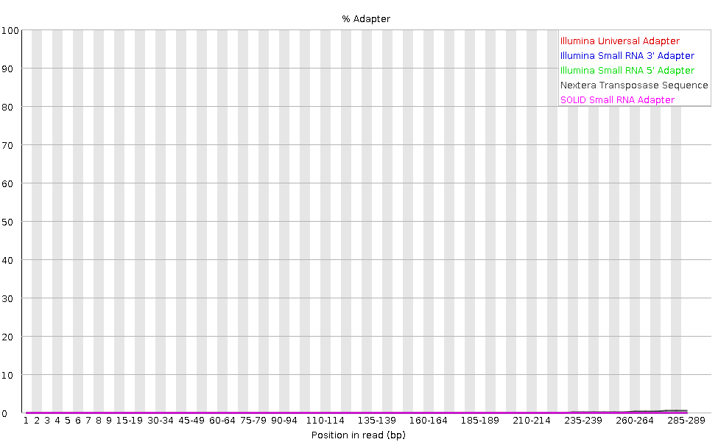

Sequence | Count | PValue | Obs/Exp Max | Max Obs/Exp Position
GTGTTTA | 5 | 0.0067942557 | 1096.9355 | 295
CATAGGA | 5 | 0.0067942557 | 1096.9355 | 295
GCTAAAA | 5 | 0.0067942557 | 1096.9355 | 295
CTAGGAA | 10 | 1.6457172E-5 | 1096.9355 | 295
CACCATA | 5 | 0.0067942557 | 1096.9355 | 295
CTAGCAA | 5 | 0.0067942557 | 1096.9355 | 295
CGCAGGG | 15 | 5.5505167E-5 | 731.29034 | 295
ACAGATA | 15 | 5.5505167E-5 | 731.29034 | 295
AGATCAA | 30 | 4.4313556E-4 | 365.64517 | 295
AGAAGGG | 30 | 4.4313556E-4 | 365.64517 | 295
CGCGAAA | 35 | 7.03204E-4 | 313.41016 | 295
CGCACGG | 40 | 0.0010489664 | 274.2339 | 295
CTTATAA | 75 | 2.3409233E-5 | 219.3871 | 295
GTAGACA | 50 | 0.0020459762 | 219.3871 | 295
ACAGAAA | 50 | 0.0020459762 | 219.3871 | 295
AAGATGG | 50 | 0.0020459762 | 219.3871 | 295
GGGGGTG | 50 | 0.0020459762 | 219.3871 | 295
ATGTCAC | 35 | 0.0025163754 | 204.83173 | 280-284
CGCGGAG | 35 | 0.0027192002 | 199.5988 | 275-279
TAAACAA | 55 | 0.0027213418 | 199.44283 | 295

