Report_NG18B_1_fastqc
NG18B_1.fastq |  | trim_NG18B_1.fastq

Measure | Value | Measure | Value
Filename | NG18B_1.fastq | Filename | trim_NG18B_1.fastq
File type | Conventional base calls | File type | Conventional base calls
Encoding | Sanger / Illumina 1.9 | Encoding | Sanger / Illumina 1.9
Total Sequences | 25000 | Total Sequences | 25000
Sequences flagged as poor quality | 0 | Sequences flagged as poor quality | 0
Sequence length | 101 | Sequence length | 101
%GC | 50 | %GC | 50
 | Per base sequence quality |  | Per base sequence quality

 | Per tile sequence quality |  | Per tile sequence quality

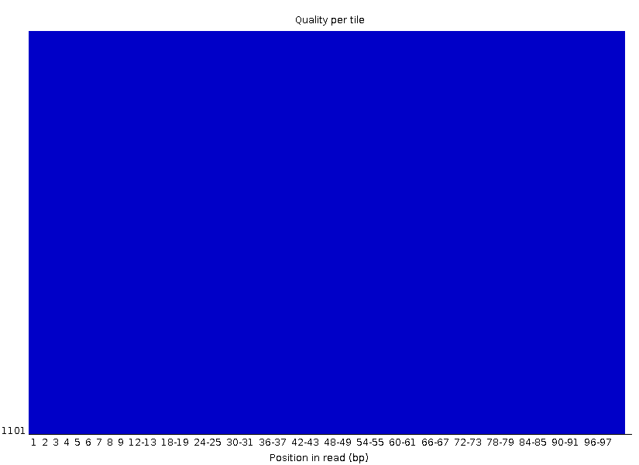

 | Per sequence quality scores |  | Per sequence quality scores

 | Per base sequence content |  | Per base sequence content

 | Per sequence GC content |  | Per sequence GC content

 | Per base N content |  | Per base N content

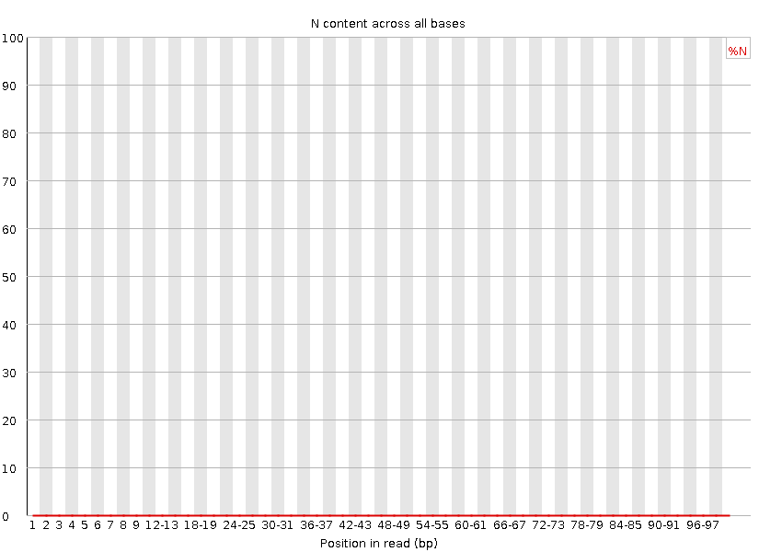

 | Sequence Length Distribution |  | Sequence Length Distribution

 | Sequence Duplication Levels |  | Sequence Duplication Levels

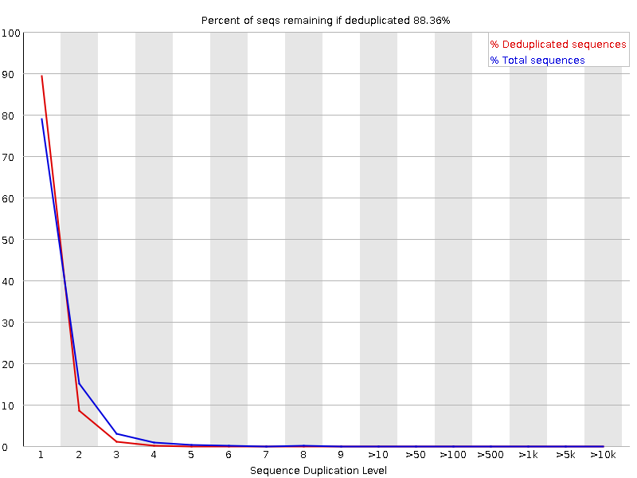

 | Overrepresented sequences |  | Overrepresented sequences
 | No overrepresented sequences |  | No overrepresented sequences

 | Adapter Content |  | Adapter Content

Report_NG18B_2_fastqc
NG18B_2.fastq |  |  |  | trim_NG18B_2.fastq

Measure | Value |  |  | Measure | Value
Filename | NG18B_2.fastq |  |  | Filename | trim_NG18B_2.fastq
File type | Conventional base calls |  |  | File type | Conventional base calls
Encoding | Sanger / Illumina 1.9 |  |  | Encoding | Sanger / Illumina 1.9
Total Sequences | 25000 |  |  | Total Sequences | 25000
Sequences flagged as poor quality | 0 |  |  | Sequences flagged as poor quality | 0
Sequence length | 101 |  |  | Sequence length | 101
%GC | 51 |  |  | %GC | 51
 | Per base sequence quality |  |  |  | Per base sequence quality

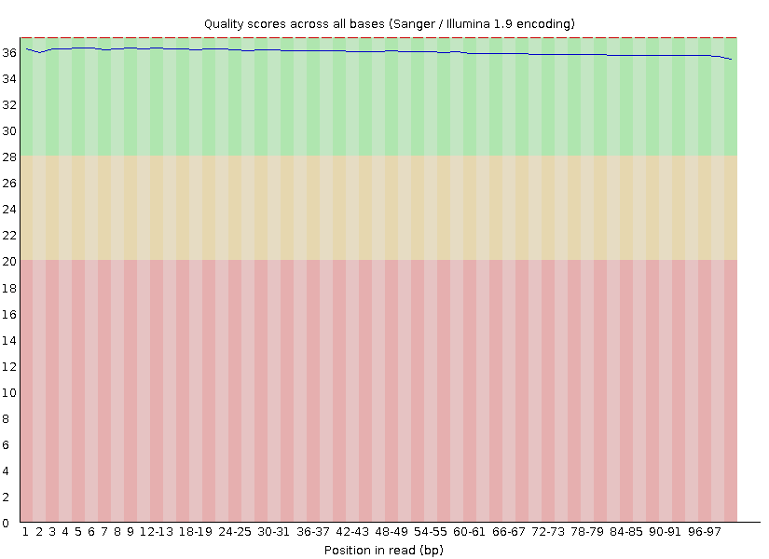

 | Per tile sequence quality |  |  |  | Per tile sequence quality

 | Per sequence quality scores |  |  |  | Per sequence quality scores

 | Per base sequence content |  |  |  | Per base sequence content

 | Per sequence GC content |  |  |  | Per sequence GC content

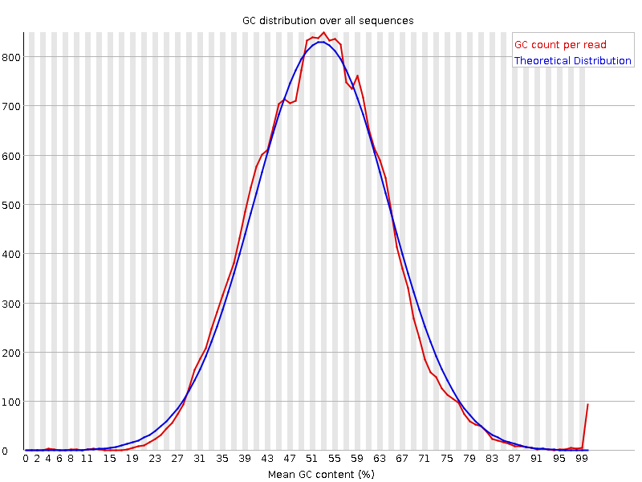

 | Per base N content |  |  |  | Per base N content

 | Sequence Length Distribution |  |  |  | Sequence Length Distribution

 | Sequence Duplication Levels |  |  |  | Sequence Duplication Levels

Sequence | Count | Percentage | Possible Source | Sequence | Count | Percentage | Possible Source
GGGGGGGGGGGGGGGGGGGGGGGGGGGGGGGGGGGGGGGGGGGGGGGGGG | 199 | 0.796 | No Hit | GGGGGGGGGGGGGGGGGGGGGGGGGGGGGGGGGGGGGGGGGGGGGGGGGG | 199 | 0.796 | No Hit
 | Adapter Content |  |  |  | Adapter Content

