Sheet1
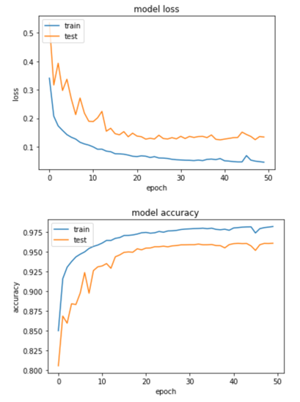
Network Type | Model name | Datasets used for Training | Pictures from each Dataset used for Training | Total Epochs | Activation Functions | Validation Spit | Otimizer | Loss Function | Batch Size | Training Accuracy | Validation Accuracy | Graphs | Dataset for Testing | Pictures in Testing | Testing Accuracy | Notes
UNET | model-allexceptabdomen-25Feb2019.h5 | HGR | all | 50 | elu for all network | 20% | adam | binary cross entropy | 64 | 98.23% | 96.11% |  | First abdomen dataset | 50 | 85% | The training and validation loss and accuracies were considerably smoother as we increased substantially the number of training data.
 |  | Pratheepan | all |  | sigmoid for output layer |  |  |  |  |  |  |  | New abdomen dataset | 107 | 76.80% | Total training pictures 7779
 |  | VDM | all |  |  |  |  |  |  |  |  |  |  |  |  | Thresholding of pictures set to 20
 |  | SFA | all
 |  | TDSD | all
 |  | Schmugge | all
 |  | FSD | all

UNET | model-allwithabdomen-28Feb2019.h5 | HGR | all | 50 |  | 20% | adam | binary cross entropy | 64 | 98% | 84.23% | fucking internet | New abdomen dataset | 107 | 89.32% | Total training pictures 8279
 |  | Pratheepan | all |  |  |  |  |  |  |  |  |  | First abdomen dataset | 50 | 93% | Thresholding of pictures set to 30
 |  | VDM | all
 |  | SFA | all
 |  | TDSD | all
 |  | Schmugge | all
 |  | FSD | all
 |  | abdomen | all

