Legend
 |  |  | * Test Results are captured Release based of Test Iteration based. Pls mention Headers accordingly.
Test Types | Results |  | Test Results | Release 1/ Test Iteration 1 | Release 2/ Test Iteration 2 | Release 3/ Test Iteration 3 | Release 4/ Test Iteration 4
Unit | Pass |  | Total Testcases | 9 | 9 | 9 | 9
Integration | Fail |  | Passed Testcases | 9 | #REF! | #REF! | #REF!
Installation | Not Executed |  | Failed Testcases | 0 | #REF! | #REF! | #REF!
Smoke | Blocked |  | Blocked Testcases | 0 | #REF! | #REF! | #REF!
Performance |  |  | Not Executed Testcases | 0 | #REF! | #REF! | #REF!
Functional |  |  | Test Performance Index (in %) | 100% | #REF! | #REF! | #REF!
Stress and Volume
Load |  |  | Test Case Amendment History
Regression |  |  | TestCases Amendment | Count
Failure and Recovery |  |  | Total No. Of Testcases Added | 9
Configuration/Compatibility |  |  | Total No. Of Test Case Removed | 0
Acceptance/Sanity |  |  | Total No. Of TestCases Updated | 0
 |  |  | Total Count | 9
Test Performance Index
 |  | 16

TestCases-Report
OnSemiCamModule_96B - Test Cases/Report |  |  |  |  | * Pls refer to Guidelines worksheet for selecting multiple Test Types for a single Test Case. It also suggests how to filter based on Test Type(s) when one Test Case has been identified for more than one Test Types. * Pls refer to Guidelines worksheet for mapping Test Data with Test Case(s). |  |  |  | * List of Test Types
Module Name | OnSemiCamModule_96B_Avenger96 |  | OS Version | Linux dh-stm32mp1-dhcor-avenger96 5.10.74
Module Version | 1 |  | Browser(s) Version
 |  |  |  |  |  |  |  |  | Release 1/ Test Iteration 1
Requirement ID | Scenario ID | Test Case ID | Amendment | Test Case Description | Pre-condition | Test Type (Comma Seperated List) | Test Steps | Expected Output | Actual Output | Test Result | Bug ID | Remarks | Tested By

RQ 4.3 | SC 4.3.1 | TC 4.3.1.1 | Added | Check the preview streaming of AR0430 camera sensor using AP1302 ISP in the Avenger96 Board. | 1. Connect the Avenger96 Board with following a. AP-VisiON-AR0430-54 mezzanine card b. HDMI Display c. Keyboard d. Mouse | Functional | 1. Power on the Avenger96 board 2. Open the command prompt in GUI in the connected HDMI Display 3. Run the following command "gst-launch-1.0 --gst-debug=3 --verbose v4l2src device=/dev/video0 ! videoconvert ! videoscale ! autovideosink" | Preview streaming in the connected HDMI display. | 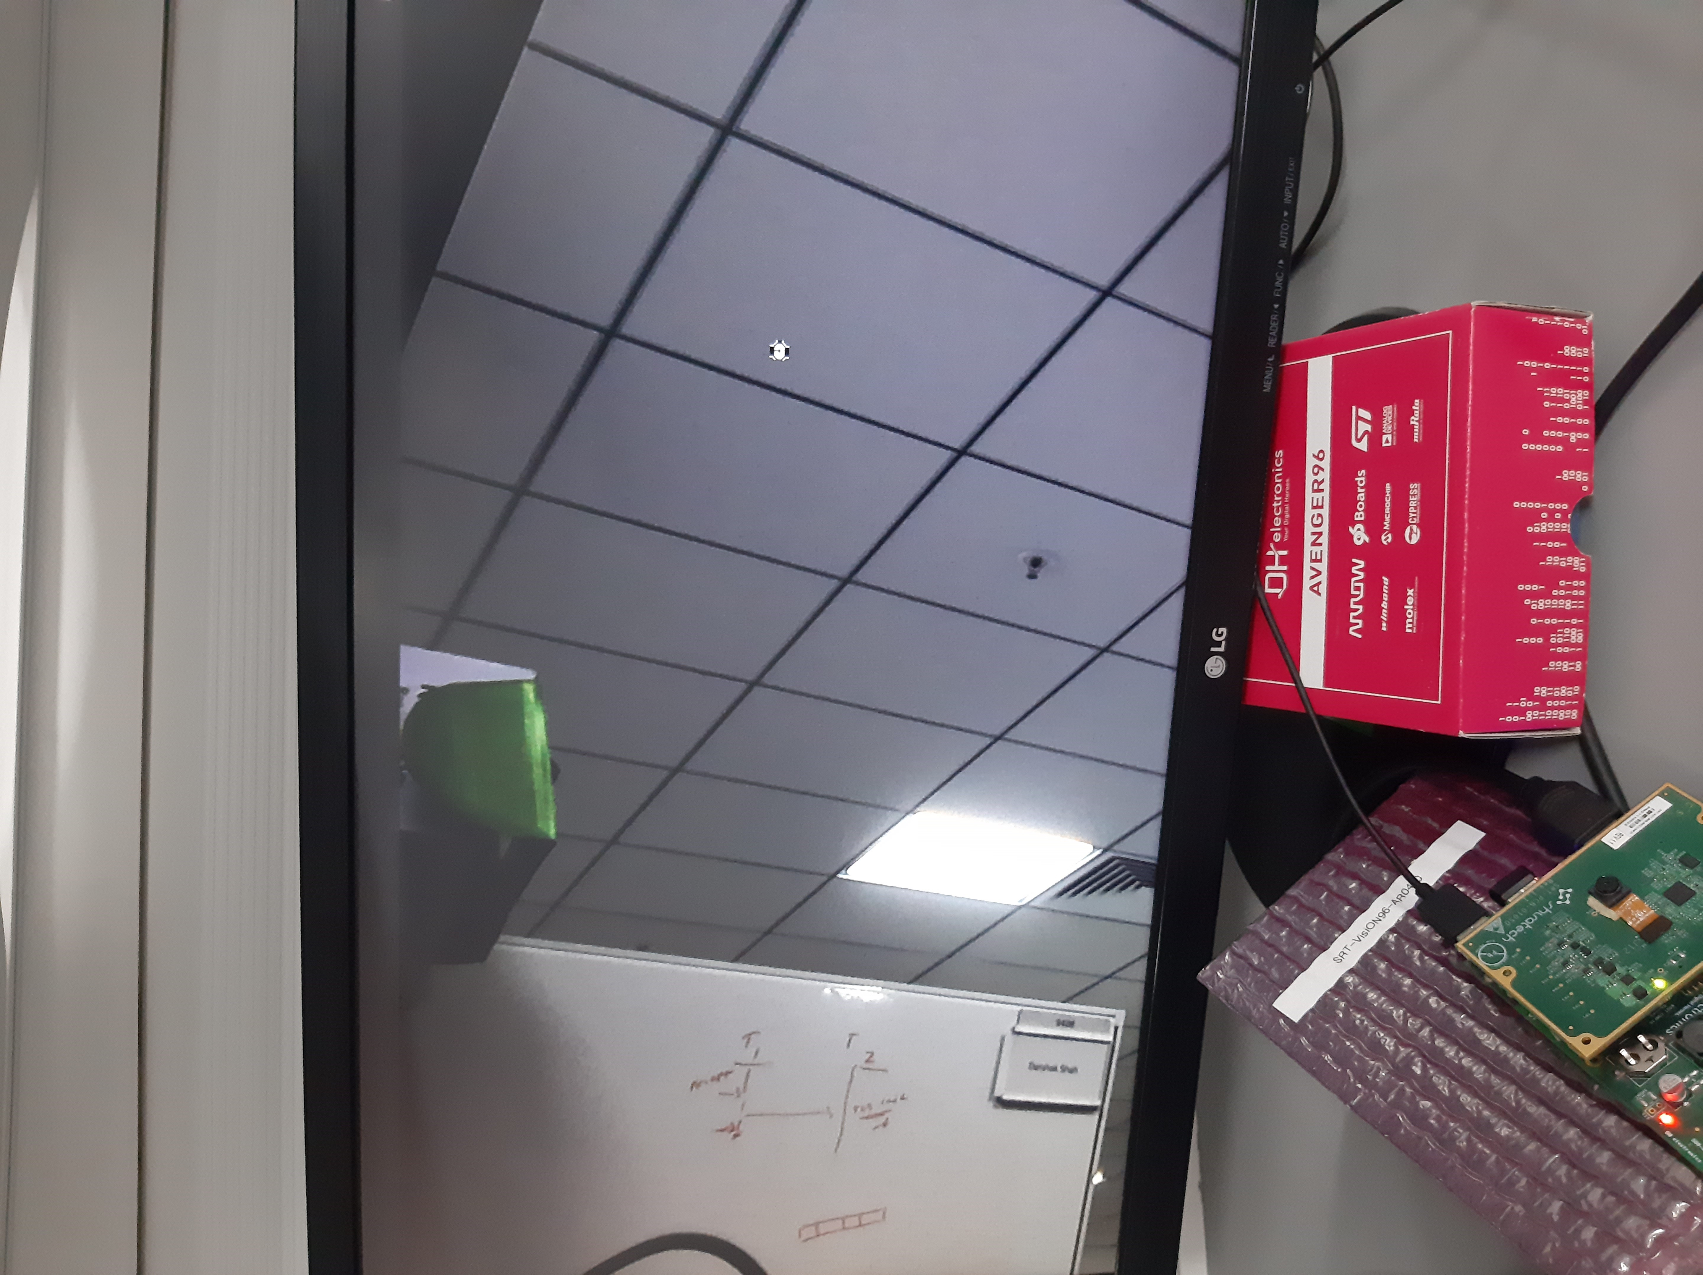 | Pass |  |  | ANIL DSOUZA
RQ 4.4 | SC 4.4.1 | TC 4.4.1.1 | Added | Validation of FPS, Resolution and data format type of AP1302 ISP in Avenger 96 Board | 1. Connect the Avenger96 Board with following a. AP-VisiON-AR0430-54 mezzanine card b. HDMI Display c. Keyboard d. Mouse | Unit | 1. Power on the Avenger96 board 2. Open the command prompt in GUI in the connected HDMI Display 3. Run the following command "v4l2-ctl --list-formats-ext -d /dev/video0" | root@dh-stm32mp1-dhcor-avenger96:~# v4l2-ctl --list-formats-ext -d /dev/video0 ioctl: VIDIOC_ENUM_FMT Type: Video Capture [0]: 'UYVY' (UYVY 4:2:2) Size: Discrete 2316x1746 Interval: Discrete 0.333s (3.000 fps) | root@dh-stm32mp1-dhcor-avenger96:~# v4l2-ctl --list-formats-ext -d /dev/video0 ioctl: VIDIOC_ENUM_FMT Type: Video Capture [0]: 'UYVY' (UYVY 4:2:2) Size: Discrete 2316x1746 Interval: Discrete 0.333s (3.000 fps) | Pass |  |  | ANIL DSOUZA
RQ 4.5 | SC 4.5.1 | TC 4.5.1.1 | Added | Validation of white balance on AP1302 ISP | 1. Connect the Avenger96 Board with following a. AP-VisiON-AR0430-54 mezzanine card b. HDMI Display c. Keyboard d. Mouse | Unit | 1. Power on the Avenger96 board 2. Open the command prompt in GUI in the connected HDMI Display 3. Run the following command to set white balance as manual "v4l2-ctl --set-ctrl white_balance_auto_preset=0" 4. Set the following commnd to read the AP1302 register values " echo 0x2005100 > /sys/kernel/debug/ap1302.1-003d/reg_addr" | 1. For the command "v4l2-ctl --get-ctrl white_balance_auto_preset" Expected Result: 0 2. For the command "cat /sys/kernel/debug/ap1302.1-003d/reg_data" Expected Result: 0xXXX0 | 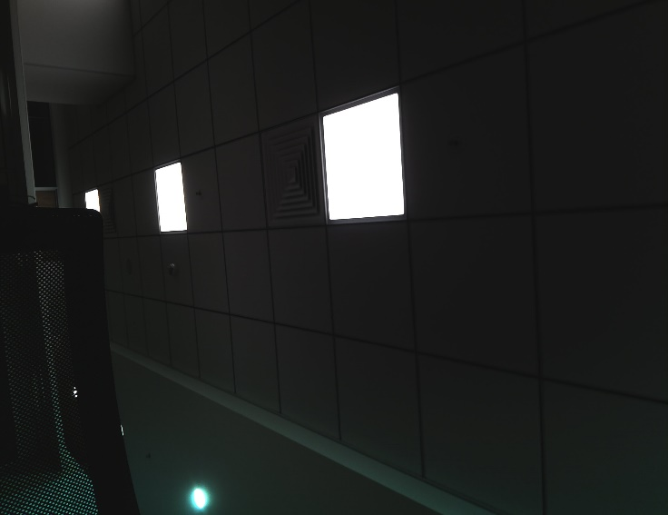 1. root@dh-stm32mp1-dhcor-avenger96:~# v4l2-ctl --get-ctrl white_balance_auto white_balance_auto_preset: 0 2. root@dh-stm32mp1-dhcor-avenger96:~# cat /sys/kernel/debug/ap1302.1-003d/reg_data 0x00001050 | Pass |  |  | ANIL DSOUZA
RQ 4.6 | SC 4.6.1 | TC 4.6.1.1 | Added | Validation of Exposure on AP1302 ISP | 1. Connect the Avenger96 Board with following a. AP-VisiON-AR0430-54 mezzanine card b. HDMI Display c. Keyboard d. Mouse | Unit | 1. Power on the Avenger96 board 2. Open the command prompt in GUI in the connected HDMI Display 3. Run the following command to set white balance as manual "v4l2-ctl --set-ctrl exposure=0" 4. Set the following commnd to read the AP1302 register values " echo 0x2005002 > /sys/kernel/debug/ap1302.1-003d/reg_addr" | 1. For the command "v4l2-ctl --get-ctrl exposure" Expected Result: 0 2. For the command "cat /sys/kernel/debug/ap1302.1-003d/reg_data" Expected Result: 0xXXX0 | 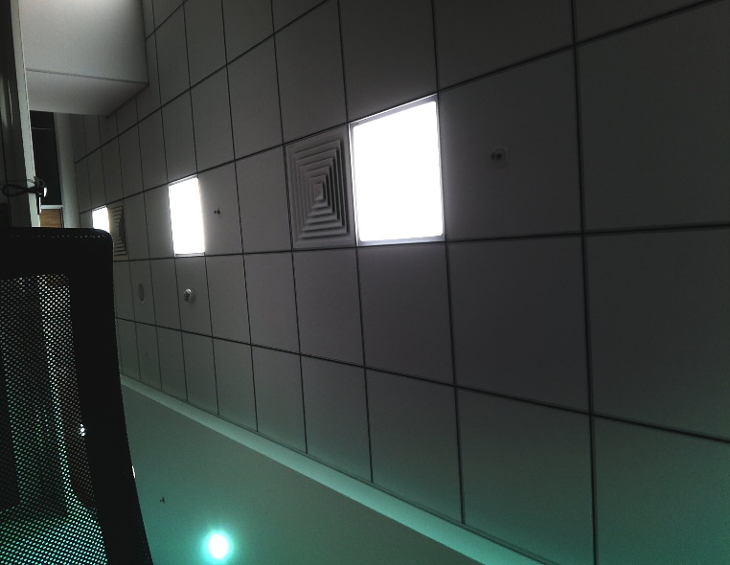 1. root@dh-stm32mp1-dhcor-avenger96:~# v4l2-ctl --get-ctrl exposure exposure: 0 2. root@dh-stm32mp1-dhcor-avenger96:~# cat /sys/kernel/debug/ap1302.1-003d/reg_data 0x00000290 | Pass |  |  | ANIL DSOUZA
RQ 4.7 | SC 4.7.1 | TC 4.7.1.1 | Added | Validation of gain on AP1302 ISP | 1. Connect the Avenger96 Board with following a. AP-VisiON-AR0430-54 mezzanine card b. HDMI Display c. Keyboard d. Mouse | Unit | 1. Power on the Avenger96 board 2. Open the command prompt in GUI in the connected HDMI Display 3. Run the following command to set white balance as manual "v4l2-ctl --set-ctrl gain=1024" 4. Set the following commnd to read the AP1302 register values " echo 0x2005006 > /sys/kernel/debug/ap1302.1-003d/reg_addr" | 1. For the command "v4l2-ctl --get-ctrl gain" Expected Result: 1024 2. For the command "cat /sys/kernel/debug/ap1302.1-003d/reg_data" Expected Result: 0x0400 | 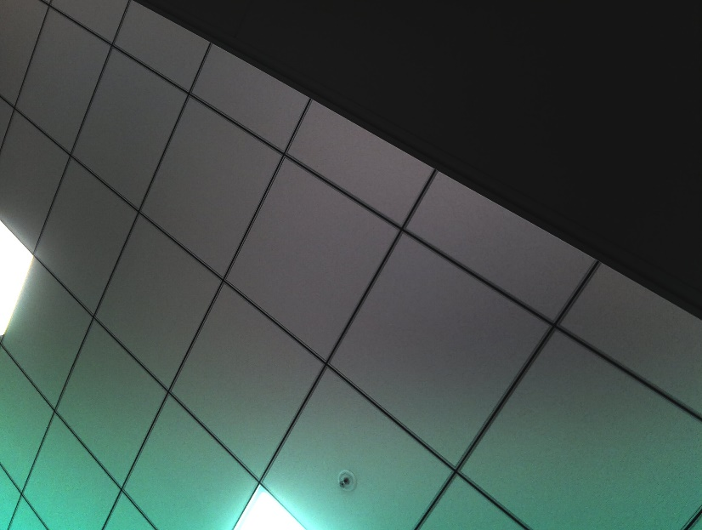 1. root@dh-stm32mp1-dhcor-avenger96:~# v4l2-ctl --get-ctrl gain gain: 1024 2. root@dh-stm32mp1-dhcor-avenger96:~# cat /sys/kernel/debug/ap1302.1-003d/reg_data 0x00000400 | Pass |  |  | ANIL DSOUZA
RQ 4.8 | SC 4.8.1 | TC 4.8.1.1 | Added | Validation of contrast on AP1302 ISP | 1. Connect the Avenger96 Board with following a. AP-VisiON-AR0430-54 mezzanine card b. HDMI Display c. Keyboard d. Mouse | Unit | 1. Power on the Avenger96 board 2. Open the command prompt in GUI in the connected HDMI Display 3. Run the following command to set white balance as manual "v4l2-ctl --set-ctrl contrast=4096" 4. Set the following commnd to read the AP1302 register values " echo 0x2007002 > /sys/kernel/debug/ap1302.1-003d/reg_addr" | 1. For the command "v4l2-ctl --get-ctrl contrast" Expected Result: 4096 2. For the command "cat /sys/kernel/debug/ap1302.1-003d/reg_data" Expected Result: 0x1000 | 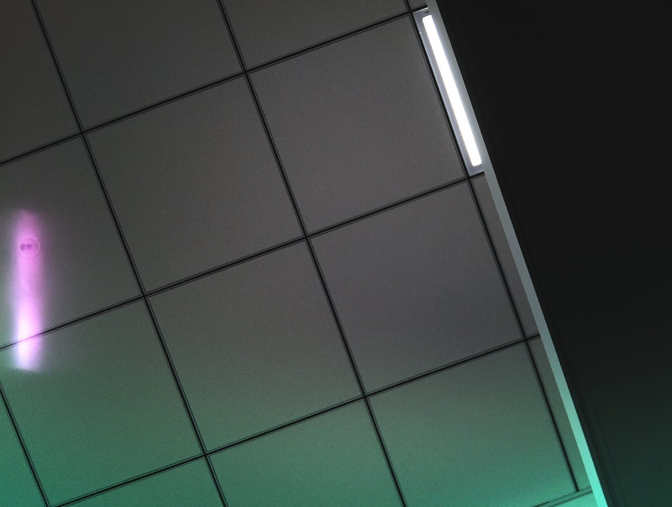 1. root@dh-stm32mp1-dhcor-avenger96:~# v4l2-ctl --get-ctrl contrast contrast: 4096 2. root@dh-stm32mp1-dhcor-avenger96:~# cat /sys/kernel/debug/ap1302.1-003d/reg_data 0x00001000 | Pass |  |  | ANIL DSOUZA
RQ 4.9 | SC 4.9.1 | TC 4.9.1.1 | Added | Validation of Brightness on AP1302 ISP | 1. Connect the Avenger96 Board with following a. AP-VisiON-AR0430-54 mezzanine card b. HDMI Display c. Keyboard d. Mouse | Unit | 1. Power on the Avenger96 board 2. Open the command prompt in GUI in the connected HDMI Display 3. Run the following command to set white balance as manual "v4l2-ctl --set-ctrl brightness=4096" 4. Set the following commnd to read the AP1302 register values " echo 0x2007000 > /sys/kernel/debug/ap1302.1-003d/reg_addr" | 1. For the command "v4l2-ctl --get-ctrl brightness" Expected Result: 4096 2. For the command "cat /sys/kernel/debug/ap1302.1-003d/reg_data" Expected Result: 0x1000 | 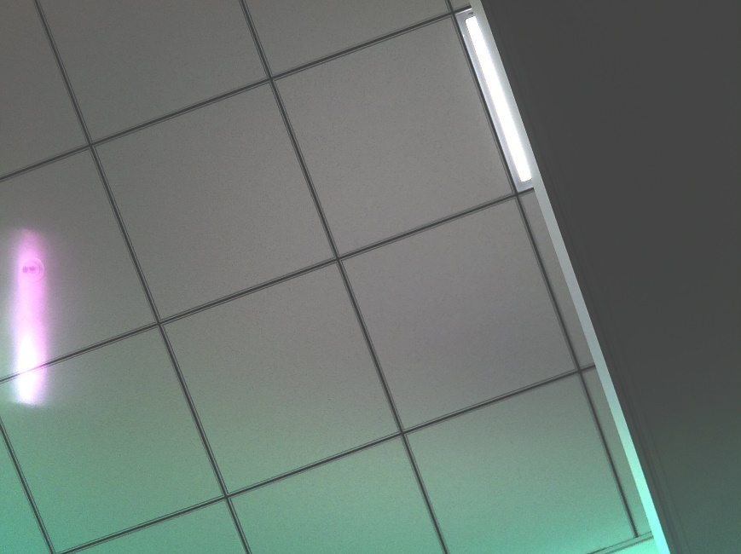 1. root@dh-stm32mp1-dhcor-avenger96:~# v4l2-ctl --get-ctrl brightness brightness: 4096 2. root@dh-stm32mp1-dhcor-avenger96:~# cat /sys/kernel/debug/ap1302.1-003d/reg_data 0x00001000 | Pass |  |  | ANIL DSOUZA
RQ 4.10 | SC 4.10.1 | TC 4.10.1.1 | Added | Validation of Saturation on AP1302 ISP | 1. Connect the Avenger96 Board with following a. AP-VisiON-AR0430-54 mezzanine card b. HDMI Display c. Keyboard d. Mouse | Unit | 1. Power on the Avenger96 board 2. Open the command prompt in GUI in the connected HDMI Display 3. Run the following command to set white balance as manual "v4l2-ctl --set-ctrl saturation=4096" 4. Set the following commnd to read the AP1302 register values " echo 0x2007006 > /sys/kernel/debug/ap1302.1-003d/reg_addr" | 1. For the command "v4l2-ctl --get-ctrl saturation" Expected Result: 4096 2. For the command "cat /sys/kernel/debug/ap1302.1-003d/reg_data" Expected Result: 0x1000 | 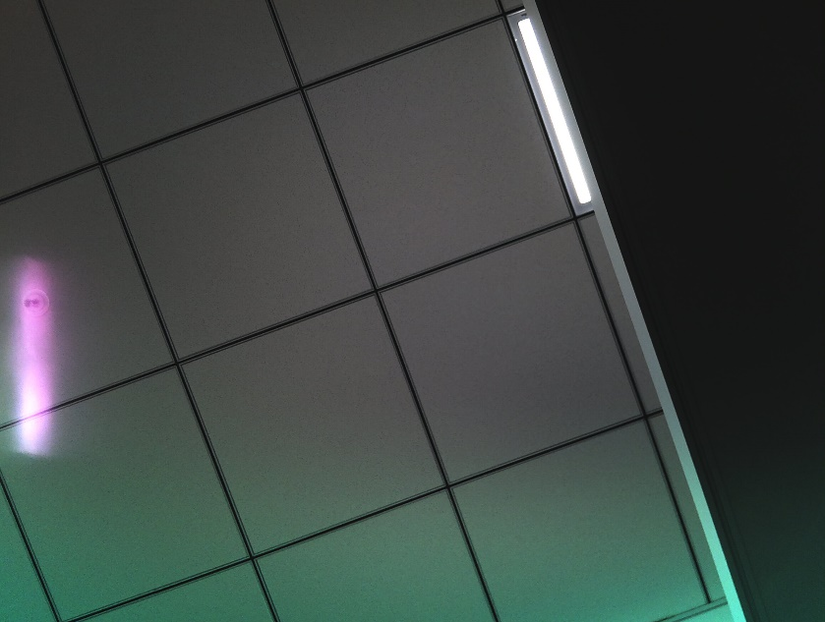 1. root@dh-stm32mp1-dhcor-avenger96:~# v4l2-ctl --get-ctrl saturation saturation: 4096 2. root@dh-stm32mp1-dhcor-avenger96:~# cat /sys/kernel/debug/ap1302.1-003d/reg_data 0x00001000 | Pass |  |  | ANIL DSOUZA
RQ 4.11 | SC 4.11.1 | TC 4.11.1.1 | Added | Validation of Gamma on AP1302 ISP | 1. Connect the Avenger96 Board with following a. AP-VisiON-AR0430-54 mezzanine card b. HDMI Display c. Keyboard d. Mouse | Unit | 1. Power on the Avenger96 board 2. Open the command prompt in GUI in the connected HDMI Display 3. Run the following command to set white balance as manual "v4l2-ctl --set-ctrl gamma=4096" 4. Set the following commnd to read the AP1302 register values " echo 0x200700A > /sys/kernel/debug/ap1302.1-003d/reg_addr" | 1. For the command "v4l2-ctl --get-ctrl gamma" Expected Result: 4096 2. For the command "cat /sys/kernel/debug/ap1302.1-003d/reg_data" Expected Result: 0x1000 | 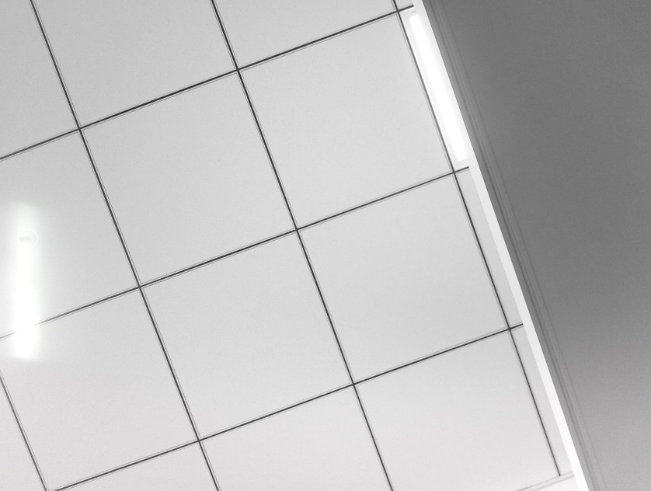 1. root@dh-stm32mp1-dhcor-avenger96:~# v4l2-ctl --get-ctrl gamma gamma: 4096 2. root@dh-stm32mp1-dhcor-avenger96:~# cat /sys/kernel/debug/ap1302.1-003d/reg_data 0x00001000 | Pass |  |  | ANIL DSOUZA

