Sheet1
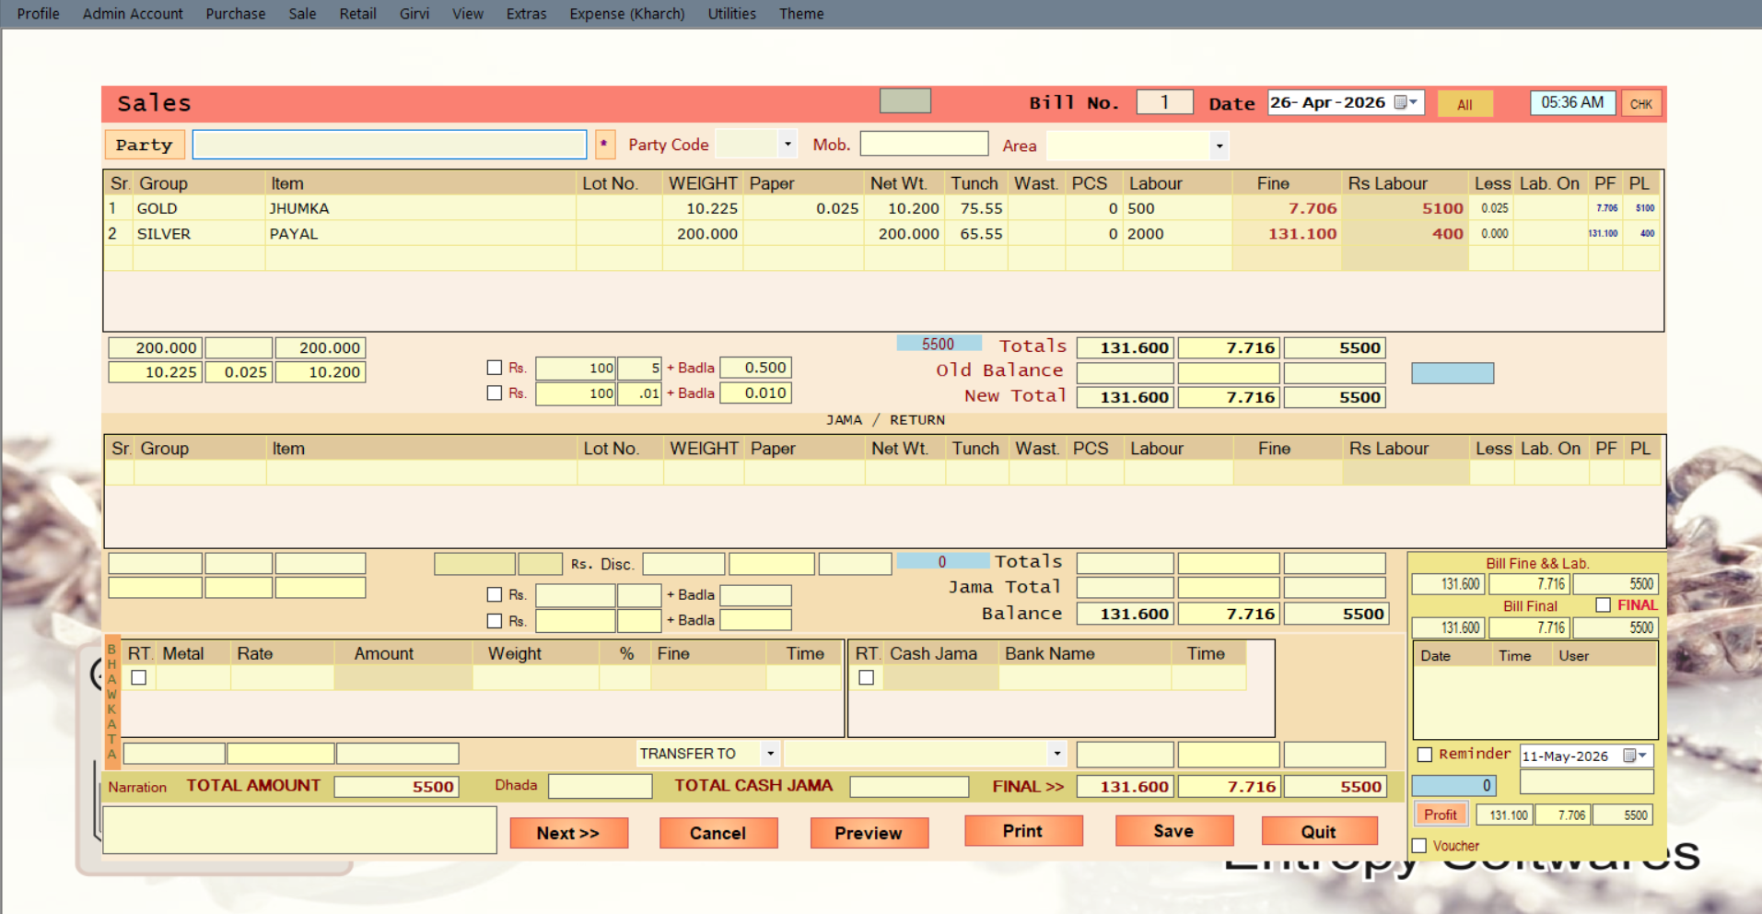
Slect date >> pgup & pgdn bill revers & Current
party selecting mode auto last 5 transection show
Party Search by mobile No.
jo bhi bill no. ho open ho jaye
all & Only party bill No

system kab on kiya

auto save >> Tunch + west + labour
Single Item >> Less + Lab + Profit fine + Profit Lab
Total Wet + Less + Net Wet
bill badla bhi add krna hai
Total >>old due + silver + Gold + cash + RTGS

As Same think above policy in return/jama
Discount
whenever old bill open mutipul or double time auto feed date time & user

Metal >[Gold+Silver] + Rate + auto feed amount when wet input & auto feed wet when amount input & % [+/-] then fine with timing check box RTGS auto amount calculated RTGS /// cash box me bhi RTGS box hai when ok then Bank feeding must

Total >> Silver Bhaw + Gold Bhaw + cash Bhaw
After complite Pack ready to parcle >> Weight Figer manual
Third Party transfer TO or FROM Silver + Gold + Cash + RTGS
full & final Silver + Gold + cash + RTGS
bill reminder & All Profit

Sheet2
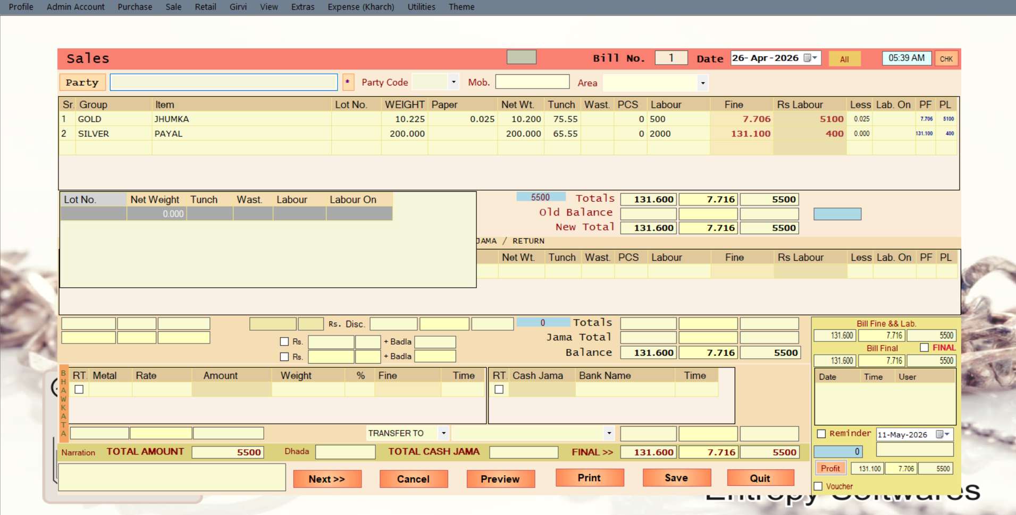

stock popup >> whenever select stock

Sheet3
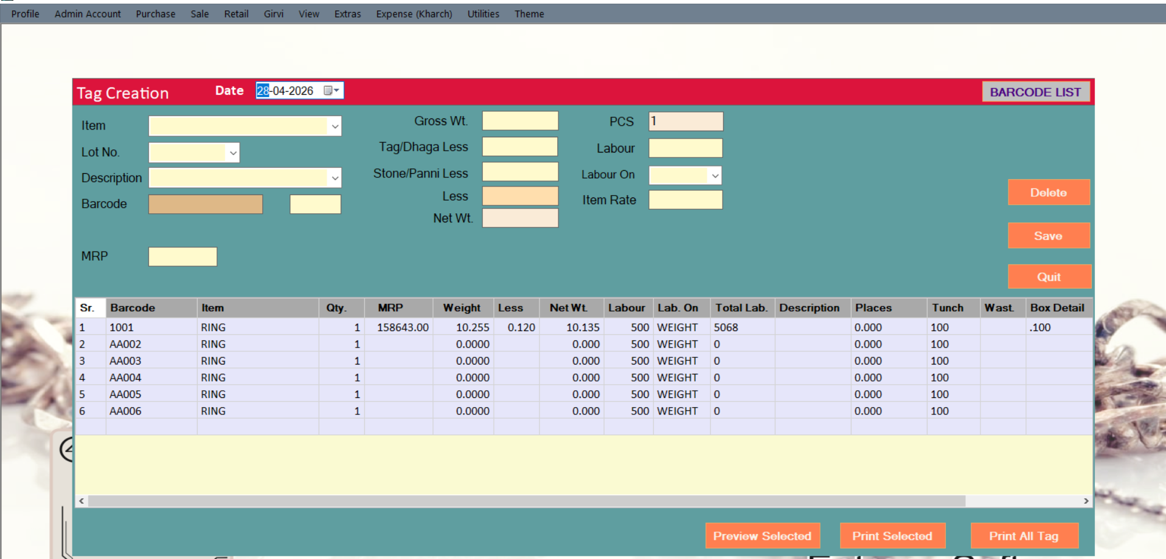

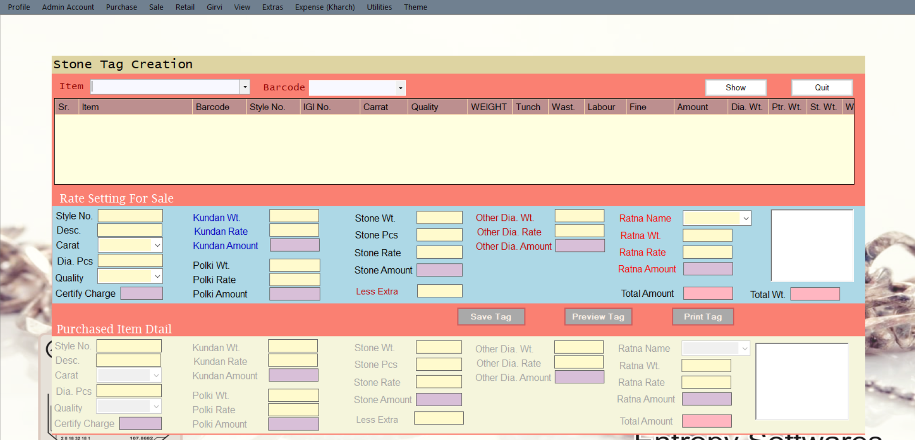

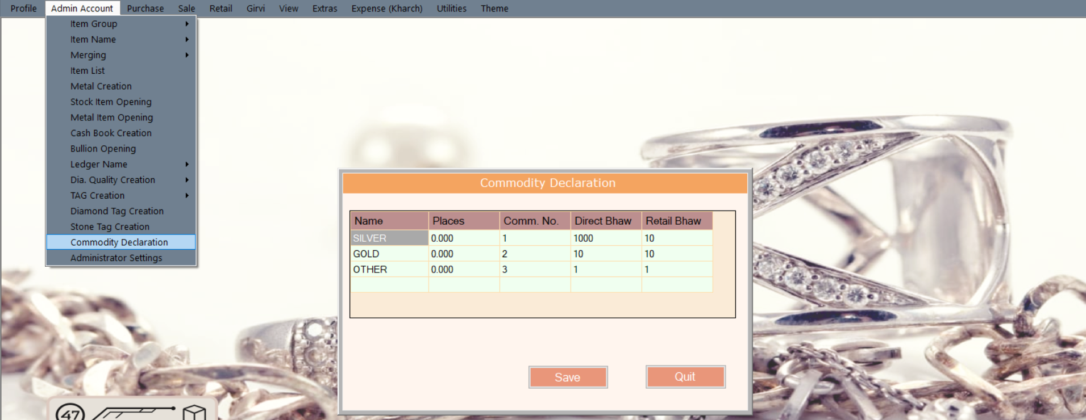

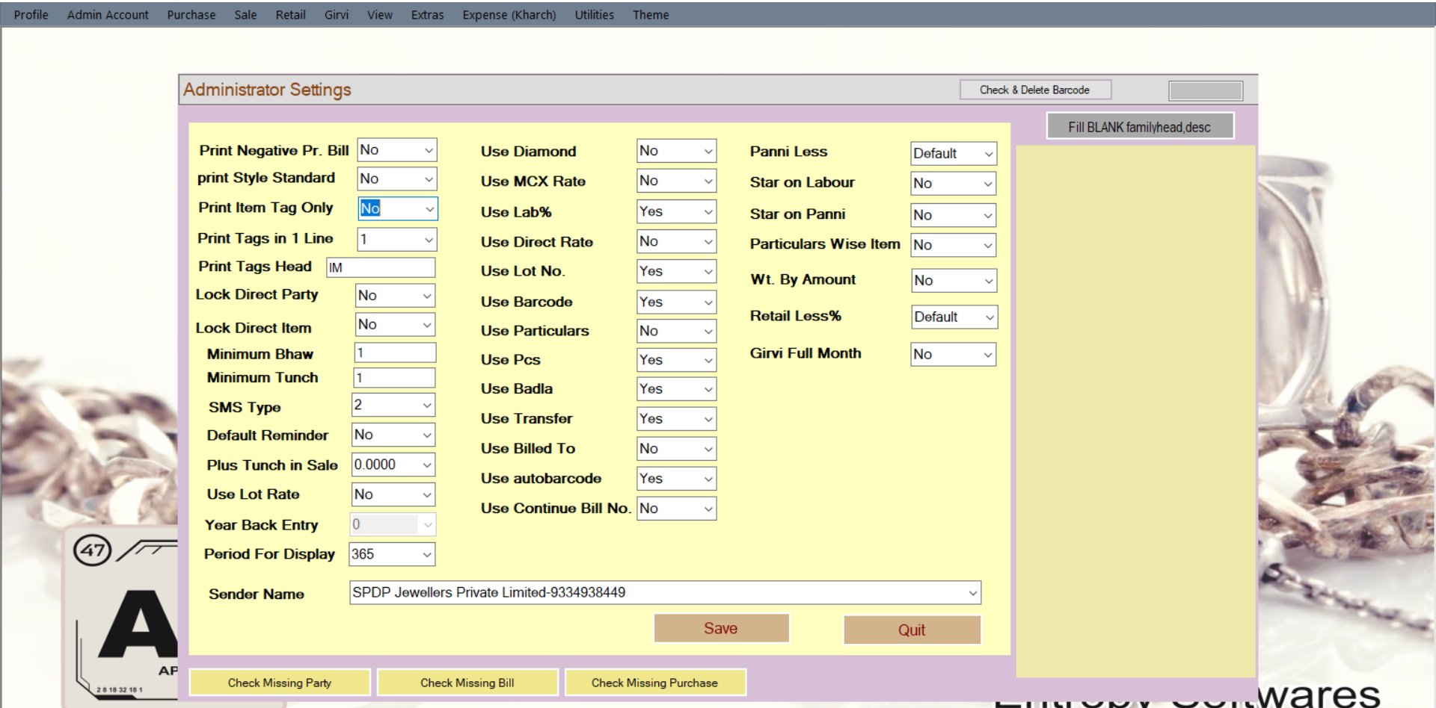

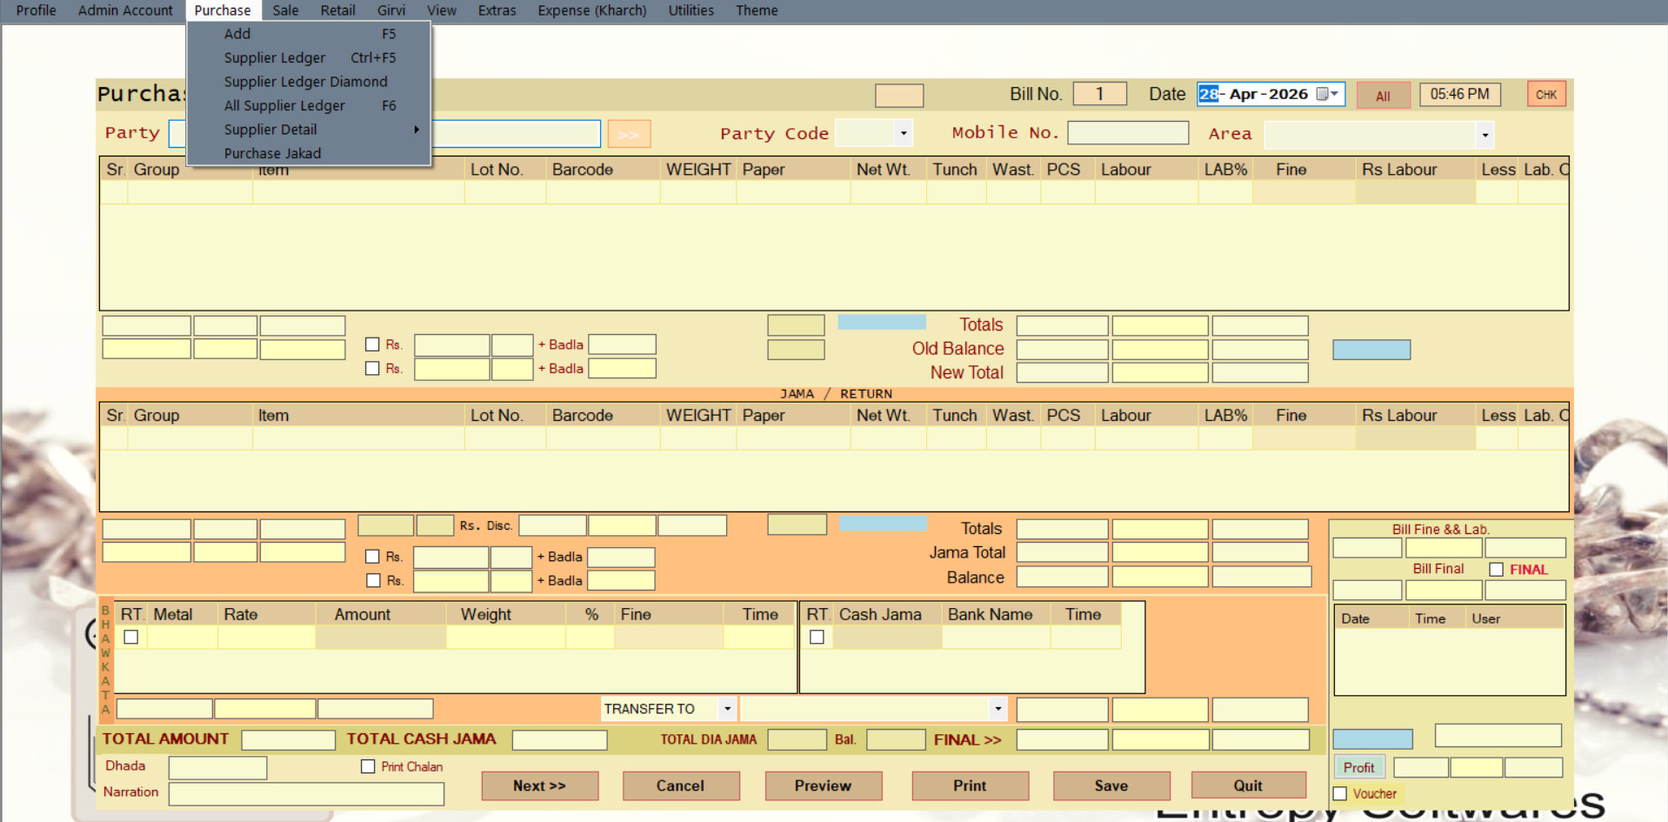

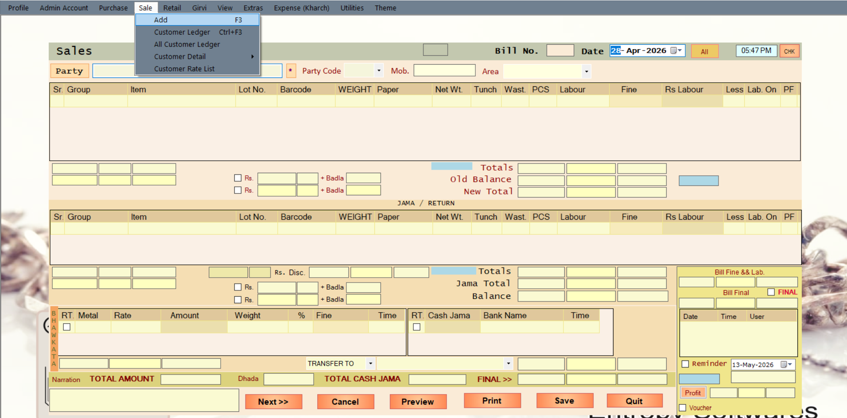

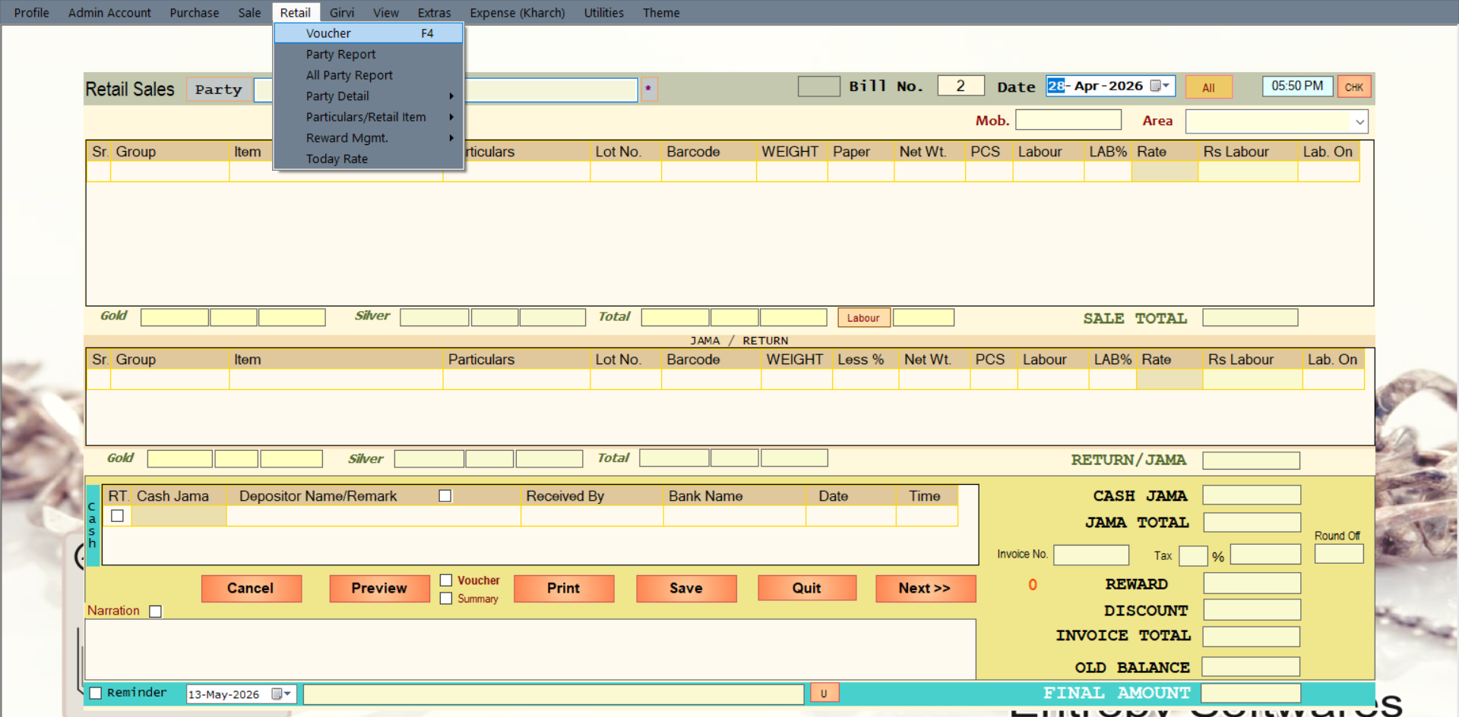

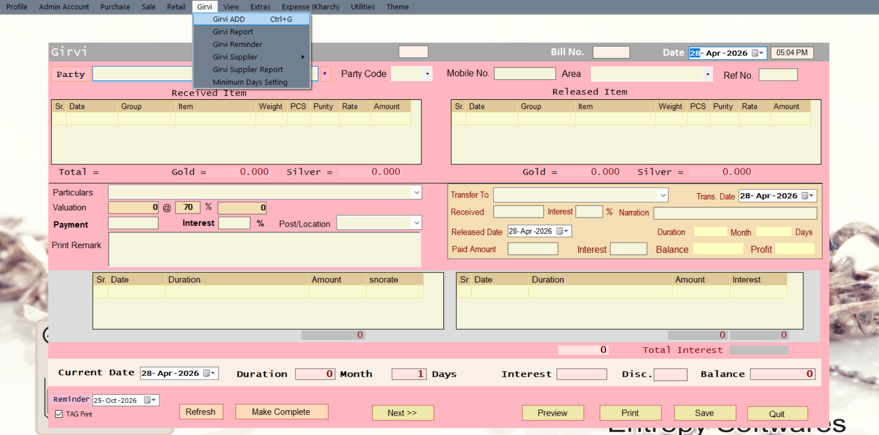

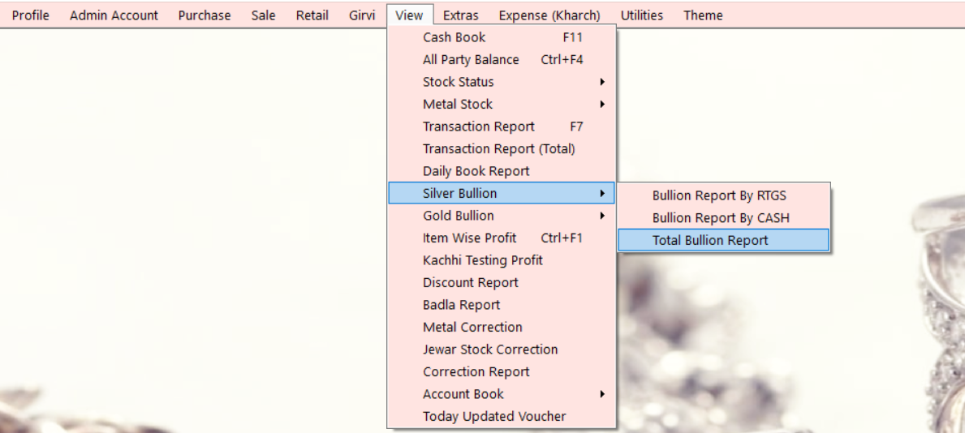

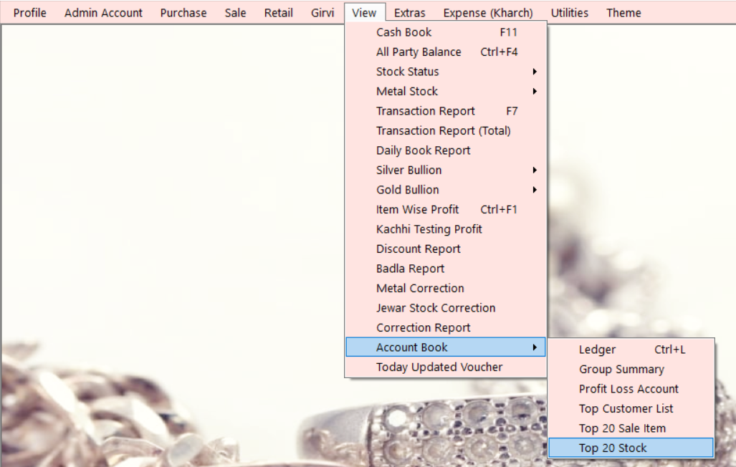

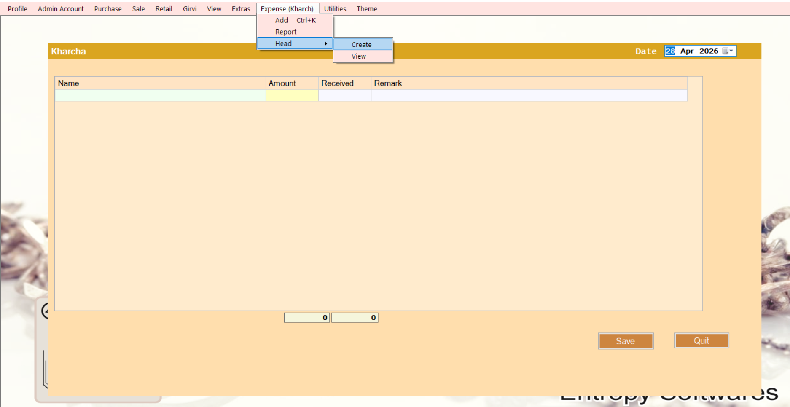

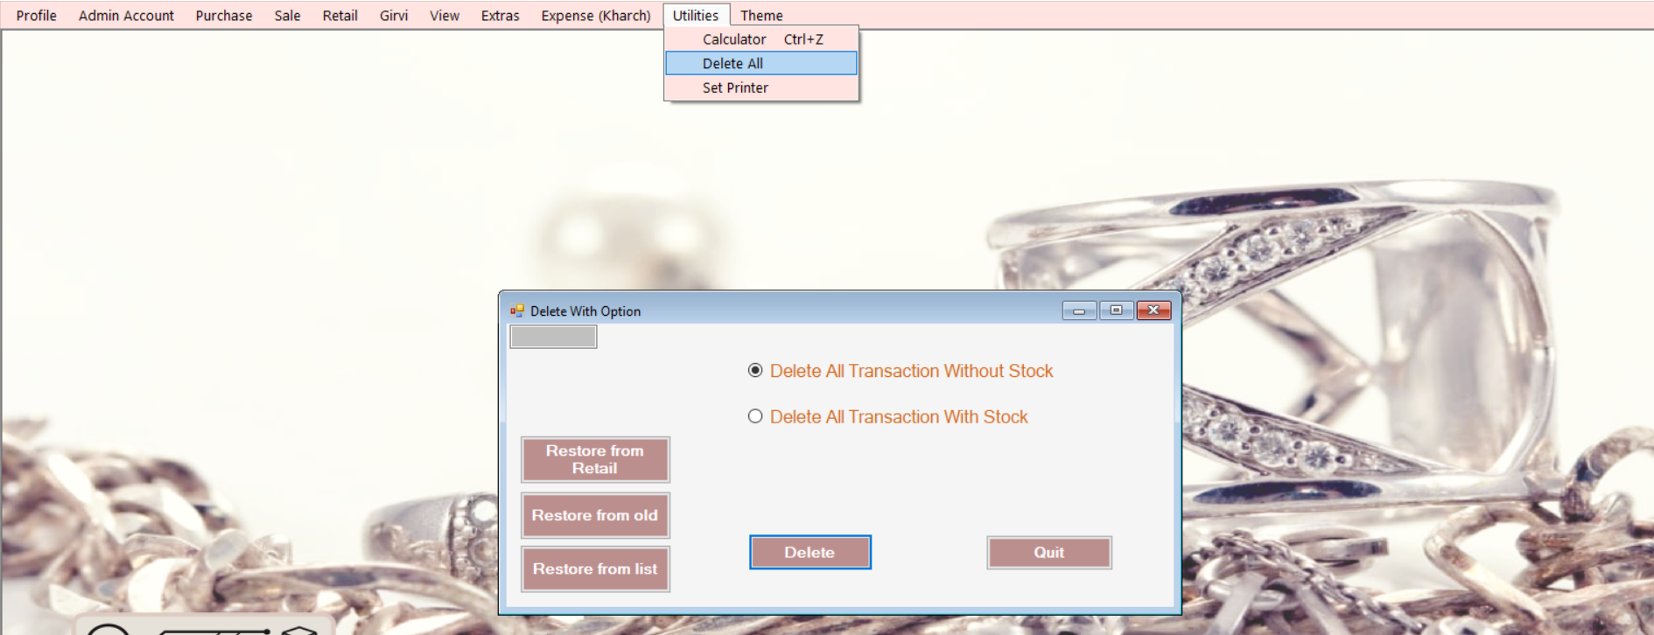

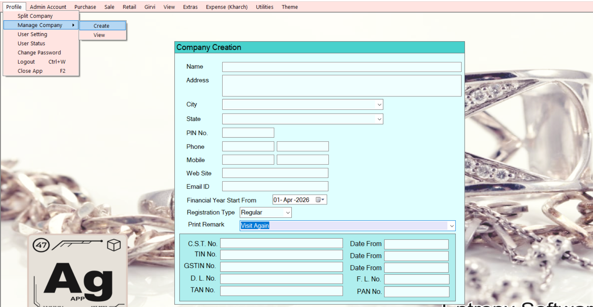

Sheet4
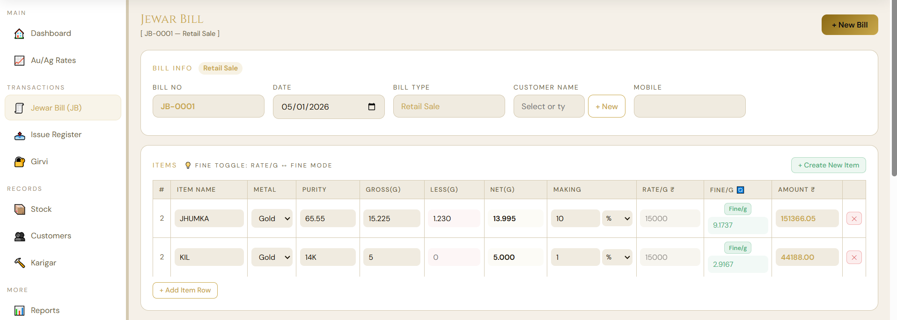

in jewar bill befour item name NEW COLUMN TAG No. TOTAL >> (GROSS >>SILVER + GOLD), (LESS >>SILVER + GOLD) , (NET >>SILVER + GOLD) , (FINE>>SILVER + GOLD) , LABOUR AMOUNT , TOTAL AMOUNT

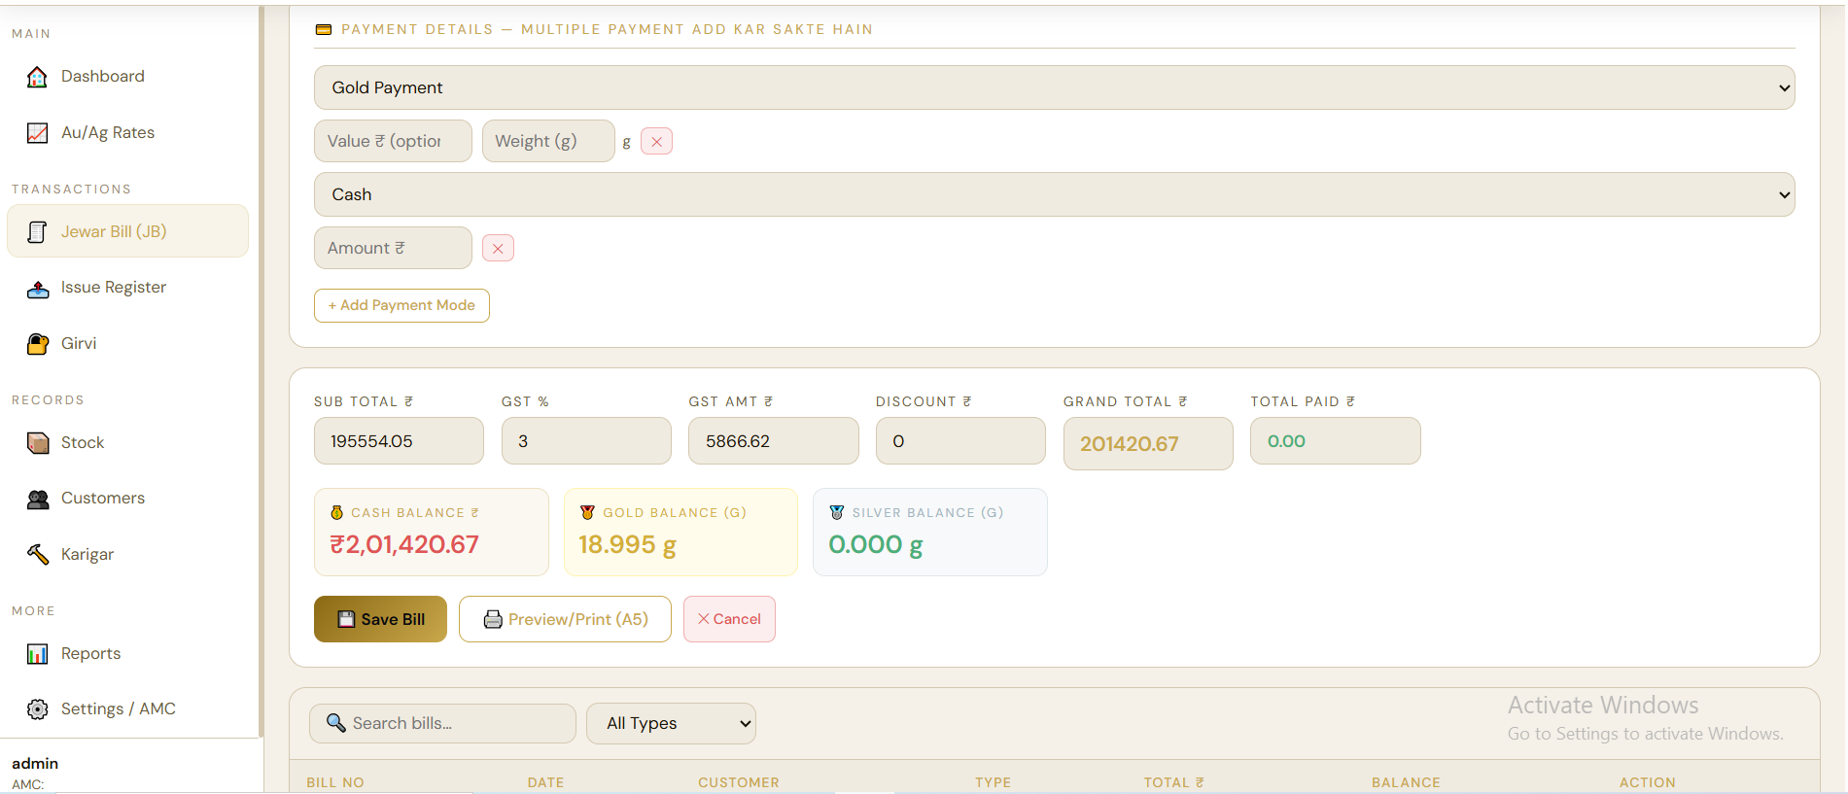

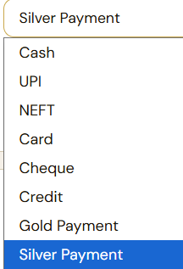

in jewar bill >> Payment Metal >> if metal item> name / metal / purty / gross / Less / Net / Making / Rate/Gm / fine / amount

in jewar bill >> AUTO CALCULATED PURE SILVER / GOLD VALU INTO AUTO CALCULATED PURE SILVER / GOLD FINE = AMOUNT

GOLD FINE
SILVER FINE
jewar bill (JB) IN LAST 1 CASH BALANCE, 2 GOLD FINE BALANCE, 3 SILVER FINE BALANCE

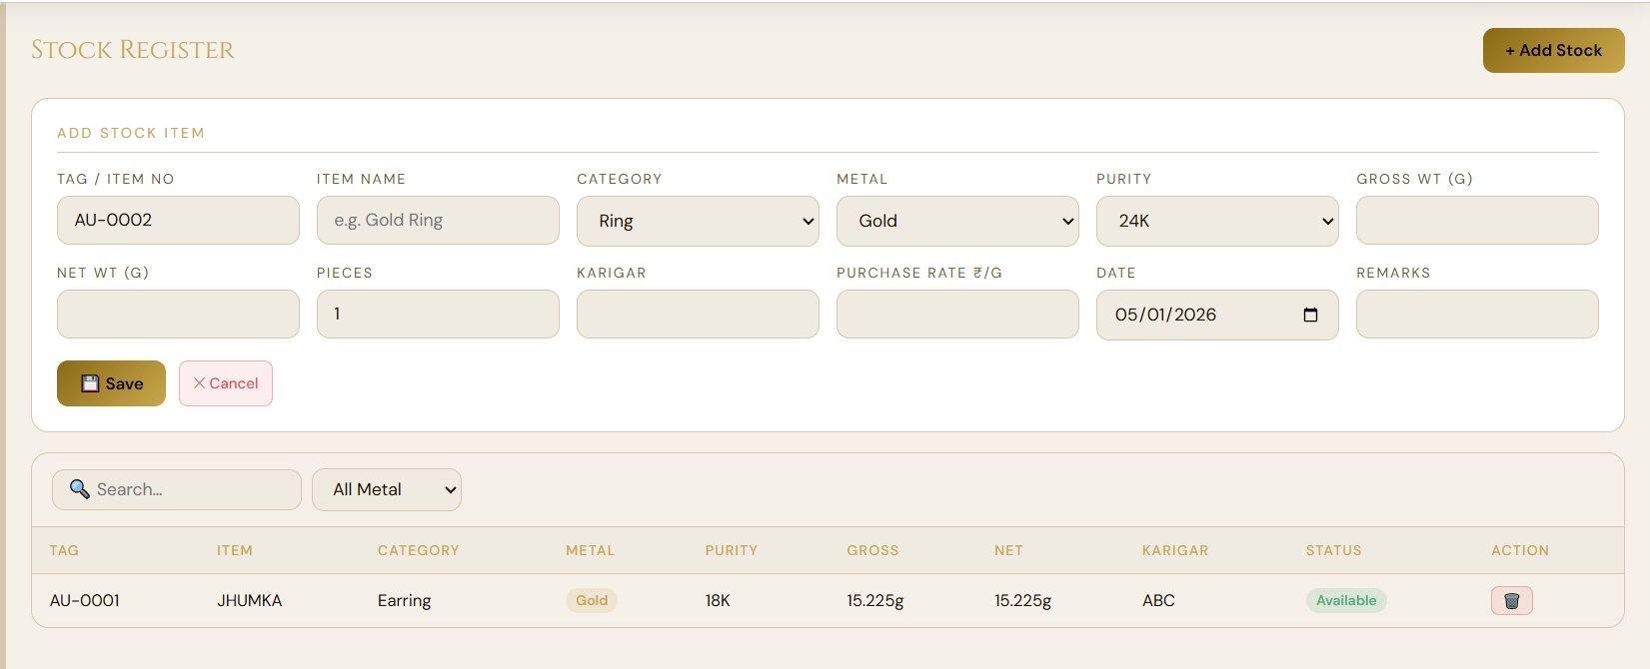

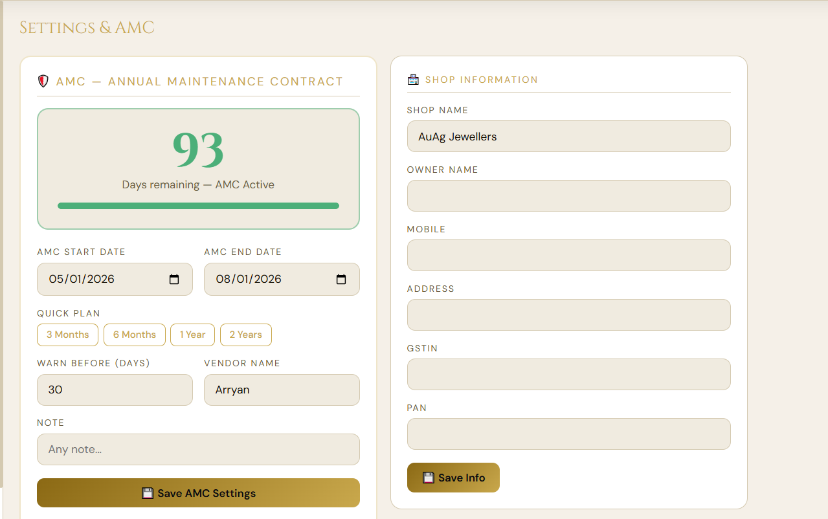
CREAT SUPER ADMIN WHERE HE DECIDES WHICH JEWELLERS / USER WILL GET AMC AND GIVE FULL CONTROL TO SUPER ADMIN FOR AMC

