Sheet1
Student Name | Midterm Exam | Midterm Paper | Final Exam | Final Paper | Final Grade | Pass/Fail | Letter Grade | F | A | B | C | D
Perrine Imesson | 60 | 93 | 71 | 73 | 74 | PASS | C | 3 | 3 | 4 | 6 | 8
Mei Tan | 93 | 73 | 82 | 75 | 81 | PASS | B
Jordana Wrigglesworth | 60 | 79 | 75 | 97 | 78 | PASS | C
Haruto Tanaka | 63 | 58 | 82 | 49 | 63 | PASS | D
Leonie Tschiersch | 59 | 91 | 64 | 56 | 68 | PASS | D
Odella Margetson | 43 | 42 | 95 | 50 | 58 | FAIL | F
Ruddy Speight | 81 | 96 | 42 | 68 | 72 | PASS | C |  |  | You can use the IFS function to create multiple conditions
Leticia Piechnik | 100 | 95 | 94 | 89 | 95 | PASS | A |  |  | where the first condition supercedes the next one
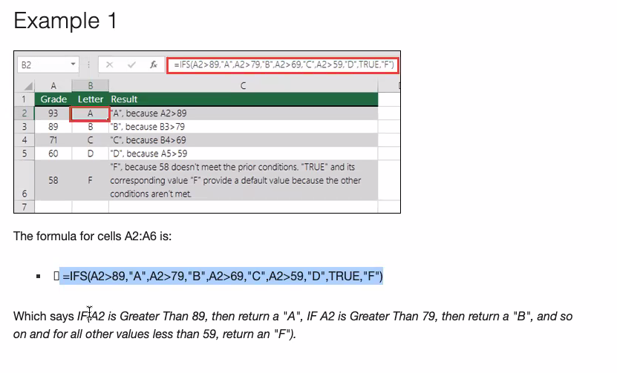
Desi Garwill | 89 | 92 | 71 | 93 | 86 | PASS | B
Lodovico Suter | 55 | 83 | 79 | 45 | 66 | PASS | D
Elvira Lynock | 58 | 93 | 57 | 94 | 76 | PASS | C
Bella Pucker | 53 | 49 | 94 | 87 | 71 | PASS | C
Manya Deelay | 89 | 88 | 69 | 98 | 86 | PASS | B
Cherise Bartoloma | 46 | 48 | 94 | 91 | 70 | PASS | D
Alonzo Luten | 99 | 81 | 51 | 91 | 81 | PASS | B
Iolana Akamai | 96 | 83 | 99 | 93 | 93 | PASS | A
Yancey O'Dyvoie | 44 | 59 | 61 | 48 | 53 | FAIL | F
Ermanno Doulton | 50 | 80 | 84 | 96 | 78 | PASS | C
Anne Bustard | 49 | 77 | 62 | 84 | 68 | PASS | D
Vida Arrol | 45 | 83 | 70 | 65 | 66 | PASS | D
Kurtis Ockenden | 43 | 62 | 60 | 71 | 59 | FAIL | F
Darya Ashley | 54 | 50 | 92 | 52 | 62 | PASS | D
Shivani Kumar | 96 | 96 | 70 | 98 | 90 | PASS | A
Gabriella Papa | 59 | 66 | 49 | 98 | 68 | PASS | D

* Create a nested `IF()` formula that returns a letter grade based on a student's final grade.

* Greater than or equal to 90 = `A`
* Greater than or equal to 80 and less than 90 = `B`
* Greater than or equal to 70 and less than 80 = `C`
* Greater than or equal to 60 and less than 70 = `D`
* Anything less than 60 = `F`

