Sheet1
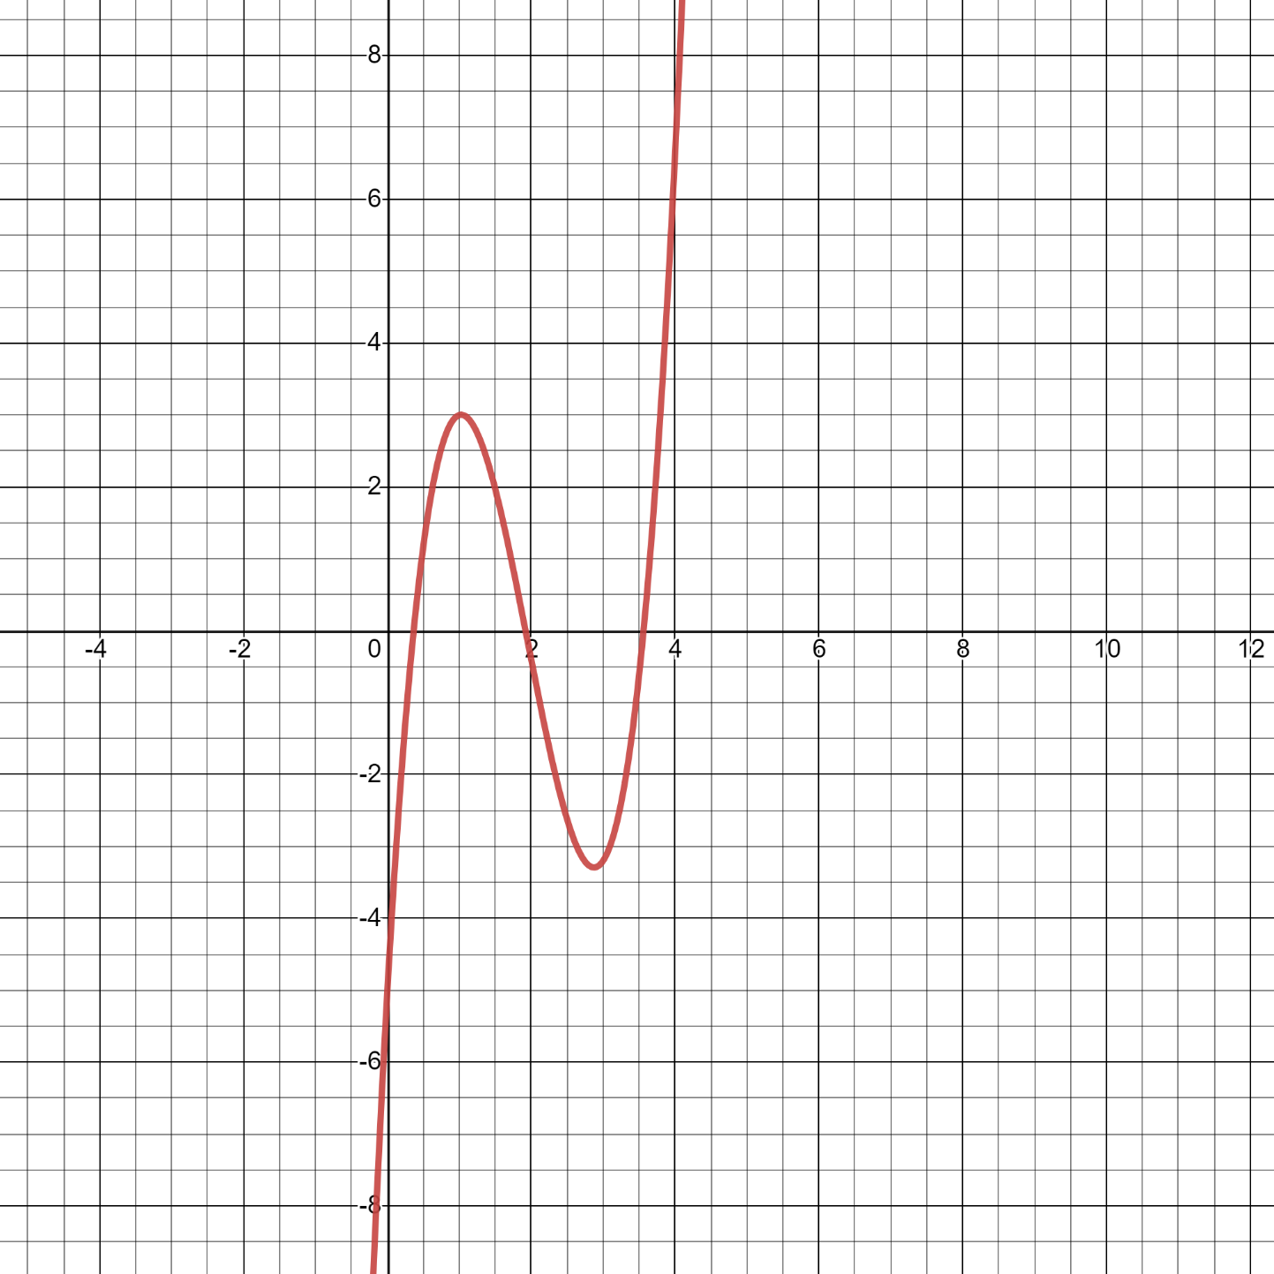
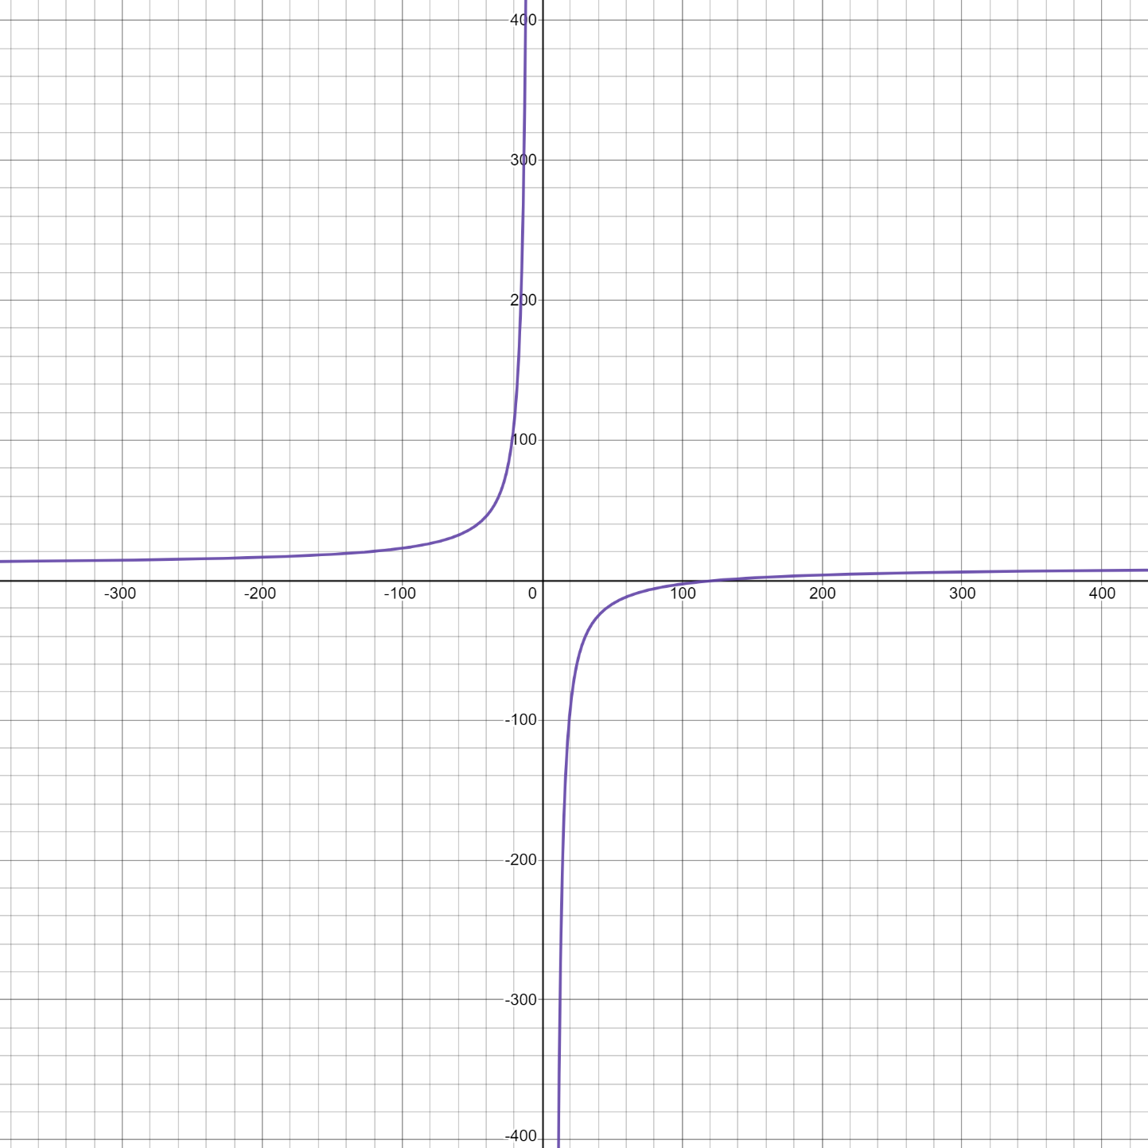
Equation 1 |  |  |  |  |  |  | Equation 2

EQ1: Root 1
 | Bisection | False Position | Secant | Modified Secant | Newton
0 | 1 | 1 | 1 | 1 | 1
1 | 1 | 0.39609375 | 0.49402373657 | 0.59680279571 | 0.89730085
2 | 0.33333333333 | 0.15169574329 | 0.1052184504 | 0.57245542637 | 0.186253307
3 | 0.2 | 0.0459662769 | 0.026987802796 | 0.29554150039 | 0.012070189
4 | 0.090909090909 | 0.012924328234 | 0.0072455426367 | 0.18176921358 | 0.0000509
5 | 0.04347826087 | 0.0035569755183 | 0.001968981024 | 0.12176921358
6 | 0.021276595745 | 0.00097315668617 | 0.00053683337459 | 0.051769213577
7 | 0.010752688172 |  |  | 0.0072455426367
8 | 0.0053475935829 |  |  | 0.00043368333746
9 | 0.0026809651475
10 | 0.0013386880857
11 | 0.00066889632107
12
First Equation
Root 1 | 0.365
 | n | Bisection | False Position | Secant | Modified Secant | Newton
 | 0 | 1 | 1 | 1 | 1 | 1
 | 1 | 1 | 0.39609375 | 0.49402373657 | 0.59680279571 | 0.89730085
 | 2 | 0.33333333333 | 0.15169574329 | 0.1052184504 | 0.57245542637 | 0.186253307
 | 3 | 0.2 | 0.0459662769 | 0.026987802796 | 0.29554150039 | 1.21E-02
 | 4 | 0.090909090909 | 0.012924328234 | 0.0072455426367 | 0.18176921358 | 5.09E-05
 | 5 | 0.04347826087 | 0.0035569755183 | 0.001968981024 | 0.12176921358
 | 6 | 0.021276595745 | 9.73E-04 | 5.37E-04 | 0.051769213577
 | 7 | 0.010752688172 |  |  | 0.0072455426367
 | 8 | 0.0053475935829 |  |  | 4.34E-04
 | 9 | 0.0026809651475
 | 10 | 0.0013386880857
 | 11 | 6.69E-04
 | 12

EQ1:Root2
 | Bisection | False Position | Secant | Modified Secant | Newton
0 | 1 | 1 | 1 | 1 | 1
1 | 0.75667317708 | 0.80597063331 | 0.7060806386 | 0.020467751368 | 0.044187932739
2 | 0.14285714286 | 0.020467751368 | 0.32046775137 | 2.8826966379E-05 | 0.00012380599316
3 | 0.066666666667 | 2.8826966379E-05 | 0.070751365346
4 | 0.032258064516 |  | 0.026956268815
5 | 0.016393442623 |  | 0.01645625253
6 | 0.0081300813008 |  | 0.0066956268815
7 | 0.0040816326531 |  | 0.001045625253
8 | 0.0020366598778
9 | 0.001017293998
10 | 0.00050838840874
11
12
Root 2 | 1.922
 | n | Bisection | False Position | Secant | Modified Secant | Newton
 | 0 | 1 | 1 | 1 | 1 | 1
 | 1 | 0.75667317708 | 0.80597063331 | 0.7060806386 | 0.020467751368 | 0.044187932739
 | 2 | 0.14285714286 | 0.020467751368 | 0.32046775137 | 2.88E-05 | 1.24E-04
 | 3 | 0.066666666667 | 2.88E-05 | 0.070751365346
 | 4 | 0.032258064516 |  | 0.026956268815
 | 5 | 0.016393442623 |  | 0.01645625253
 | 6 | 0.0081300813008 |  | 0.0066956268815
 | 7 | 0.0040816326531 |  | 0.001045625253
 | 8 | 0.0020366598778
 | 9 | 0.001017293998
 | 10 | 5.08E-04
 | 11
 | 12

EQ1:Root3
 | Bisection | False Position | Secant | Modified Secant | Newton
0 | 1 | 1 | 1 | 1 | 1
1 | 0.451171875 | 0.422298742 | 1.446545608 | 0.085747868 | 0.149716258
2 | 0.066666667 | 0.044449864 | 2.290207047 | 0.029650004 | 0.074214105
3 | 0.034482759 | 0.015782188 | 0.085747868 | 0.005144932 | 0.019138098
4 | 0.01754386 | 0.005064701 | 0.029650004 | 0.000386 | 0.001233424
5 | 0.008695652 | 0.001570006 | 0.005144932 |  | 0.00000501
6 | 0.004366812 | 0.000481 | 0.000386
7 | 0.002188184
8 | 0.00109529
9 | 0.000548
10
11
12
Root 3 | 3.563
 | n | Bisection | False Position | Secant | Modified Secant | Newton
 | 0 | 1 | 1 | 1 | 1 | 1
 | 1 | 0.451171875 | 0.422298742 | 1.446545608 | 0.085747868 | 0.149716258
 | 2 | 0.066666667 | 0.044449864 | 2.290207047 | 0.029650004 | 0.074214105
 | 3 | 0.034482759 | 0.015782188 | 0.085747868 | 5.14E-03 | 0.019138098
 | 4 | 0.01754386 | 0.005064701 | 0.029650004 | 3.86E-04 | 1.23E-03
 | 5 | 0.008695652 | 1.57E-03 | 5.14E-03 |  | 5.01E-06
 | 6 | 0.004366812 | 4.81E-04 | 3.86E-04
 | 7 | 0.002188184
 | 8 | 1.10E-03
 | 9 | 5.48E-04
 | 10
 | 11
 | 12

EQ2:Positive Root
 | Bisection | False Position | Secant | Modified Secant | Newton
0 | 1 | 1 | 1 | 1.00E+00 | 1.00E+00
1 | 0.019607843137 | 0.0013676486766 | 0.0023096297237 | 1.07E-04 | 8.54E-04
2 | 0.009900990099 | 7.4414777396E-05 | 0.00010669618389
3 | 0.0049261083744
4 | 0.0024691358025
5 | 0.0012330456227
6 | 0.00061690314621
7
8
9
10
11
12
Second Equation
Positive root | 126.623
 | n | Bisection | False Position | Secant | Modified Secant | Newton
 | 0 | 1 | 1 | 1 | 1 | 1.00E+00
 | 1 | 0.019607843137 | 0.0013676486766 | 0.0023096297237 | 1.07E-04 | 8.54E-04
 | 2 | 0.009900990099 | 7.44E-05 | 1.07E-04
 | 3 | 0.0049261083744
 | 4 | 0.0024691358025
 | 5 | 0.0012330456227
 | 6 | 6.17E-04
 | 7
 | 8
 | 9
 | 10
 | 11
 | 12

