Лист1
ID | Summary | Priority | Description | Attachment
1 | TextField is not cleared after adding a task. | Minor | STR: 1.Open https://condescending-varahamihira-661557.netlify.app/. 2. In TextField "News task" write any text and click button "ADD" . Result: TextField is not cleared after adding a task. Excpected result: TextField is cleared after adding a task. | 
2 | Button is not active. | Major | STR: 1. For added task click button "Mark is important". 2. Click on task. (Task will move in category "DONE") 3. In category "DONE" click on task. Result: In category "ALL" button "Mark is important" is disappeared when cursor in this field. Excpected result: Button "Mark is important" is active. | 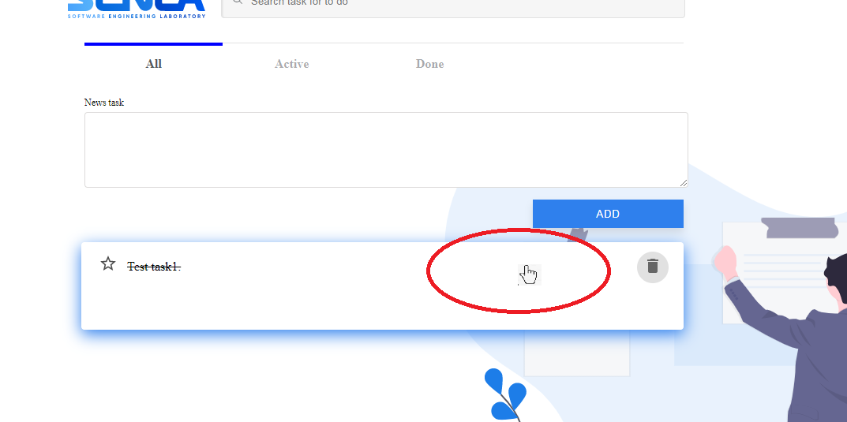
3 | App is not available. | Blocker | STR: 1.Open with Internet Explore 9 https://condescending-varahamihira-661557.netlify.app/ . Result: App is not available. Empty page Excpected result: App is working. | 

