BUGS
N | Summary | Severity\Priority | Precondition | STR | Actual result | Expected result | Attachment | Comments
1 | The username isn't changed in the upper-right corner on the app web-pages after changing username data in "Personal Details" block | Minor | 1. Personail details page is opened | 1. Click on the Edit button in the "Personail details" block 2. Change "First name" textfield 3. Click on the "Save" button | The username isn't changed in the upper-right corner on the app web-pages После повторного логина исправляется | The username is changed in the upper-right corner on the app web-pages
2 | Future date is applied in "Date of birth" after inputting (or selecting from "Calendar") on the PersonalDetail block page | Major | 1. Personail details page is opened | 1. Click on the Edit button in the "Personail details" block 2. Change "Date of Birth" on future date (Ex. 2222-10-16) 3. Click on the "Save" changes | Future date is applied for the "Date of Birth" textfield | 1. Future date isn't applied for the "Date of Birth" textfield 2. Error message is shown
3 | "License Expiry Date" can't be older then "Date of birth" on the PersonalDetail block page | Major | 1. Personail details page is opened | 1. Click on the "Edit" button in the "Personail details" block 2. Input date in "Date of Birth" (Ex.1996-02-29) 3. Input date in "License Expiry Date"older then "Date of Birth" (Ex.1895-04-29) 4. Click on the "Save" changes | 1. "License Expiry Date" can be older then "Date of birth" 2. All inputed dates are applied | 1. "License Expiry Date" can't be older then "Date of birth" 2. Error message is shown | 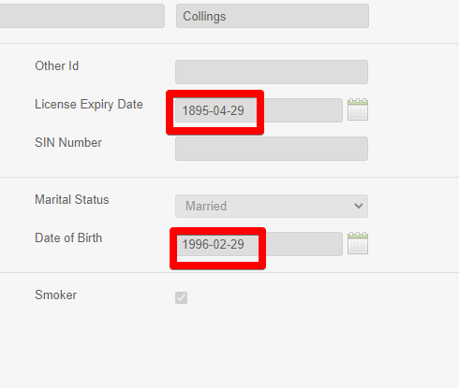
4 | "Dashboard" module is opened instead of "My Info" module after loging from "Login" page for the first time | Minor | 1. Login page is opened 2. User isn't autorized earlier | 1. Input valid login\password in corresponding fields (Ex. Admin, admin1234) 2. Click on "Login" button | Dashboard is opened | "Personal Details" block from the "My Info" module is opened
5 | The placeholder is absent for login and password fields after inputing data only in login or password field | Trivial | 1. Login page is opened | 1. Input data on login textfield (or only in password textfield) | The placeholder is absent for login and password textfields | The placeholder is absent for fields with inputed data
6 | The "OrangeHrm" image is clipped at the bottom on the Login page | Trivial |  | 1. Open Login page | The "OrangeHrm" image is clipped | The "OrangeHrm" image is fully displayed |  | Картинку можно менять в админке, так что это не баг!
7 | Unstable date format on the Personal Details page | Major |  | 1. Open Personal Details page | Format date: Wednesday, 08-Oct-1975 | Format date: "yyyy-mm-dd" | 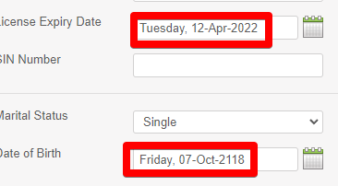
8 | "Choose file" modal window is opened after clicking near the "Выберите файл" button | Trivial | 1.Photograph block is opened | 1. Click to the right of "Выберите файл " button area (On the "Файл не выбран" title) | "Choose file" modal window is opened | Unactive area around the button
9 | Textfield instead of DDM for State/Province at the Contact details page | Minor |  | 1. Open Contact details page | Textfield for State/Province | DDM for State/Province
10 | It's unclear to user that telephone is required field Improvement: Add information about required fields on the "Emergency Contacts" block | Major | 1. "Emergency Contacts" page is opened | 1. Click on the Add button on the Assigned Emergency Contacts block 2. Complete "Name *" textfield 3. Complete "Relationship *" textfield 4, Click on the "Save" button | ""Home Telephone"", "Mobile","Work Telephone" fields are shown as unrequired | "At least one phone number is requred" message is shown after leaving ""Home Telephone"", "Mobile","Work Telephone" fields empty
11 | Improvement: Add "spaces" in "Allows numbers and only + - / ( )" notwhenication | Trivial |  | 1. Open page including telefone field (Ex "Emergency Contacts" page) 2. Input invalid value (Ex. letter) | "Allows numbers and only + - / ( )" message | "Allows numbers, spaces and only + - / ( )" message
12 | Improvement: Change "Relationships" textfield on DDM with DDL values on the Add Emergency contact block at the Emergency Contact page | Major |  | 1. Open https://opensource-demo.orangehrmlive.com/index.php/pim/viewEmergencyContacts/empNumber/7 2. Click on the "Add" button on the Assigned Emergency Contacts block |  |  | 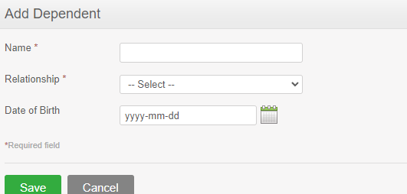
13 | "Expiry Date" can't be older then "Issued Date" on the Dependents block page | Minor | 1. "Add Work Experience" block page is opened | 1. Input date in "Expiry Date" 2, Input date in "Issued Date" older than inputed date in "From" date in Step1 |  | Some validation message is shown
14 | "To" can't be older then "From" date textfield on the "Add Work Experience" block page | Minor | 1. "Add Work Experience" block page is opened | 1. Input date in "From" 2, Input date in "To" older than inputed date in "From" date in Step1 |  | Some validation message is shown
15 | Improvement: Make "Commet" or "Comments" simular on the all app pages | Trivial |  |  |  |  | 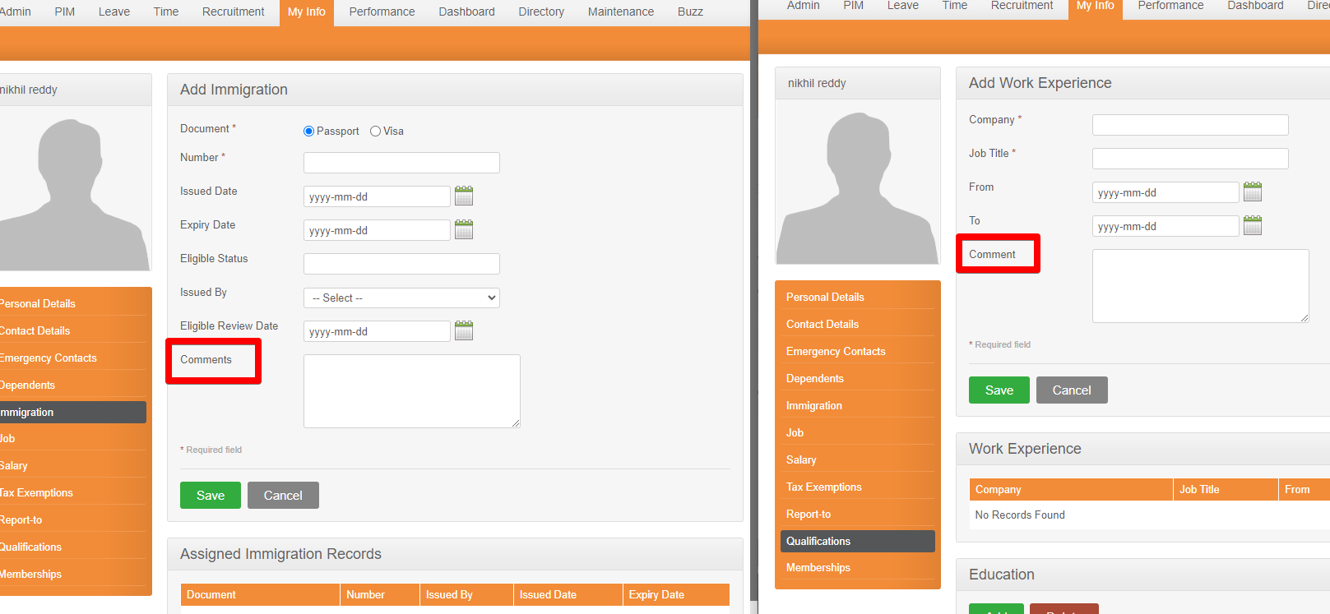
16 | ?????? как добавить зп в поле on the Assigned Salary Components чтобы проверить кейсы с edit? Attachments doesn't work
17 | "Tax Exemptions" page is absent in the requirments, but there is in OrangeHrm-MyInfo | Minor |  | 1. Open MyInfo module | There is "Tax Exemptions" vertical menu at the "My Info module" app pages | Tax Exemptions page is absent in req
18 | Admin can't make changes on the "Job" block page Attachments doesn't work on the "Job" block page | Major | 1. "Job" block page is opened 2. Admin is autorized | 1. Try to edit textfield or DDM | Admin can't make changes. Admin can't add "Attachment" | Admin can make changes Admin can't add "Attachment"
19 | Attachments couldn't be added by Admin on the "Report To" block page | Major | 1. "Report To" block page is opened 2. Admin is autorized | 1. Add attachment | Admin can't add "Attachment" on the "Report To" block page | Admin can't add "Attachment" on the "Report To" block page
20 | Пробелы не обрезаются в начале и в конце в поле "Subscription Amount" field at the "Add Membership" block page | Minor | 1. Membership block is opened in edit mode | 1. Input number plus space in "Subscription Amount" field at the Add Membership block page | 1. "Should be a number" message is shown | 1. The spaces is validated and deleted after clicking "Save" button
21 | Один раз была надпись "альтернативный вход" on the Login page | Minor
22 | "Failed to save: File size Exceedeed" message is shown when uploading 1023 kbyte attachment on the "Add attachment" page | Major | 1. Page exicting "Add Attachment" block from "My Info module" is opened | 1.Upload 1023kbyte file | "Failed to save: File size Exceedeed" message is shown | "Successfully saved" message is shown |  | 0.9mb это 922kbyte uploading sucessfully 0.98-failed
23 | Question User can upload 6 attachments max

