BUGS
ID | Summary | STR | Severity | ER | AR | Attachment | Comments
1 | The checkbox is not selected vizually while clicking on it | 1. Click on the any checkbox | Low | The checkbox is selected | 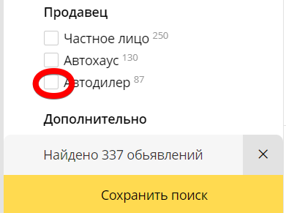 The checkbox is not selected vizually |  | Возможно дело в браузере, тк после рефреша все ок
2 | The count of AD for each "Odometer" label corresponds to the count in "Found n-Ad's" | 1. Click on the checkbox from Odometer block | Low | The count of AD for "Odometer" label corresponds to the count in "Found n-Ad's" | 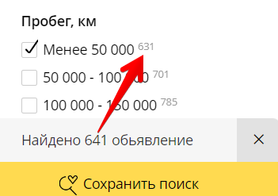 The count of AD for "Odometer" label doesn't correspond to the count in "Found n-Ad's"
3 | Onlу selected checkboxes are enabled | 1. Select 100 000 - 150 000 2. Select less than 50 000 | Low | Onlу selected checkboxes are enabled | Selected checkboxes and another checkbox are enabled | 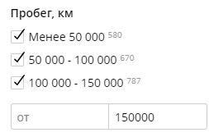
4 | The checkboxes becomes enabled according to the inputed values |  |  |  |  | 