Sidebar
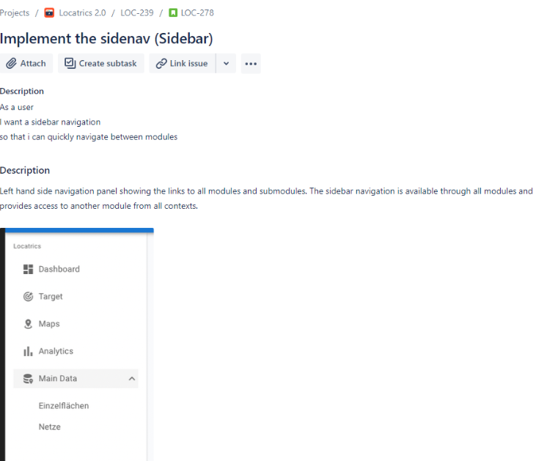

ID |  | Summary | Priority | Comments
1 | General | The sidebar is expanded\collapsed | High | Не уверен
2 |  | The sidebar contains "Locatrics" header | Low | в требованиях с маленькой буквы)
3 |  | Every sidebar module contains a module icon | Low
4 |  | The sidebar contains all modules and submodules from all contexts | High
5 |  | The "Dashboard" is the top module at sidebar | Low
6 |  | The active module\submodule stays active while refreshing the page | Low
7 |  | The active module is highlited with background color (grey on mockups) | Low | STR: 1. Click on the module to select it 2. Click on the another module
8 | Modules | The submodules are opened after clicking on the module in case when the module contains submodule | High
9 |  | Every sidebar module contains a link to the module page (except modules including submodules) | High
10 |  | The "Dashboard" module page is displayed after clicking on the dashboard module at the Sidebar | High
11 | Submodule | The submodules are rendered with submodule toggle icon | Low
12 |  | Every sidebar submodule is contained a link to the submodule page | High
13 |  | The submodules are collapsed after clicking on the expanded module | Medium

