Bugs
ID | Summary | Preconditions | STR | ER | AR | QA Status | DEV Status | Comments
Login\Logout\Groups pages
1 | Logout pop up does not match to the mockups | 1. User is authorized | 1. Click on the "Logout" button | The pop up with: -Header "Are you sure you want to log out?". -"Log out" button. -"Cancel" button | 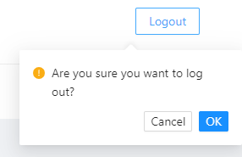 The pop up with: -Header "Are you sure you want to log out?". -"Cancel" button. -"OK button | Bug- Fixed | done
2 | Logout button does not match to the mockups during it inactive | 1. Logout button is inactive |  |  |  | Rejected | done | I think, it is better with active/inactive state (underhood behavior) make changes in design
3 | Require Upload image | Groups tab is opened | Click on the add group button | 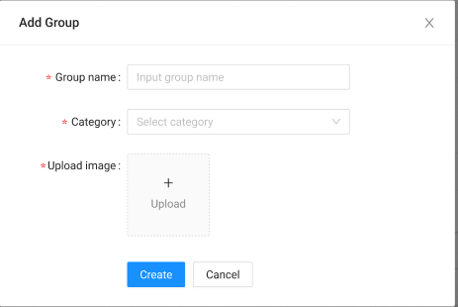 | 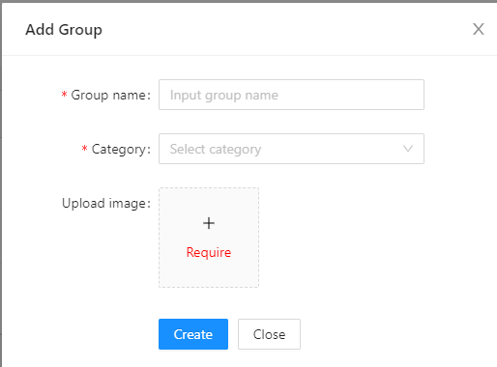 | Bug- Fixed | done | upload image - requred field
4 | Form isn't closed after adding the group | Groups tab is opened | 1. Create group with completed req fields | Form is not closed and user is returned to the "Groups" page. | Form is closed and user is returned to the "Groups" page. | Bug- Fixed | done
5 | Add group popup is not closed after clicking on the any area of the page | 1. Add group popup is opened | 1. Click on the any area oа the page | Add group popup is not closed | Add group popup is closed | Rejected | done | make changes in req
6 | Edit group popup is not closed after clicking on the any area of the page | 1. Edit group popup is opened | 1. Click on the any area oа the page | Add group popup is not closed | Add group popup is closed | Rejected | done | make changes in req
7 | delete popups: -group -participant -categories -events | Groups tab is opened | 1. Click on the Delete button | 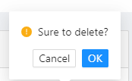 Header "Are you sure you want to delete this group?". "Delete" button. "Cancel" button. |  | Bug- Fixed | done
8 | Previosly selected category is displayed in Category textfield instead of "Select category" placeholder |  | 1. Add Group 2. Add group again | "Select category" placeholder | 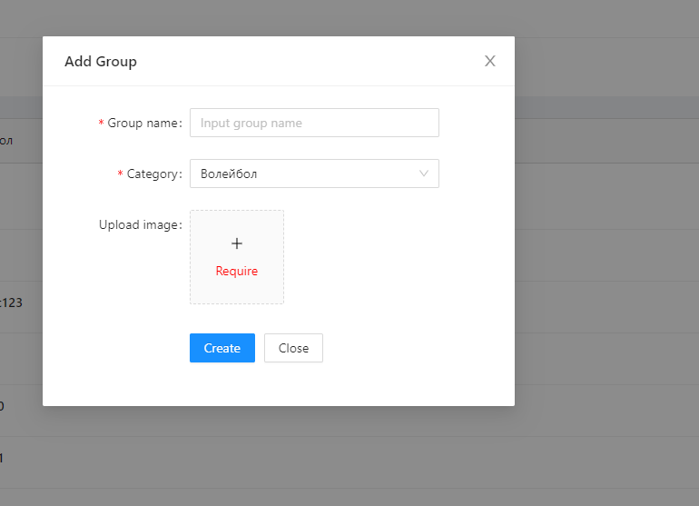 Previosly selected category is displayed in Category textfield | Bug- Fixed | done
9 | The file type validation is absent | 1. Add group popup is opened 2. Group name is filled 3. Category is filled | 1. Upload the XML\pdf file less than 2mb | 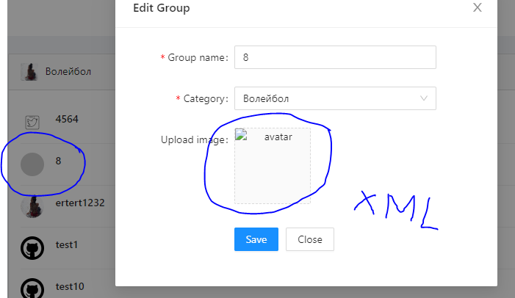 Validation message is shown |  | Bug- Fixed | done
10 | When the image is uploaded: The image is highlighted and a tick icon appears on it |  | 1. Upload the image less than 2mb | tick icon appears on the upload image | 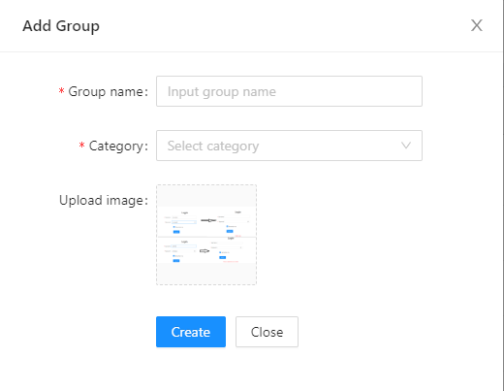 Tick icon doesn't appear | Rejected | done | make changes in req
11 | Cross icon is placed on the image. When user clicks on the icon, the image is deleted. |  | 1. Upload the image less than 2mb | Cross icon is placed When user clicks on the icon, the image is deleted. | 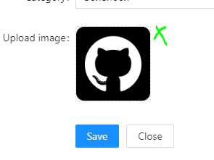 Cross icon is absent | Bug- Fixed | 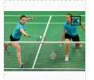 done
12 | Inputed values are saved after closing the pop up | 1. Add group popup is opened 2. Group name is filled 3. Category is filled | 1. Click in the Cancel or "X" button 2. Click on the "Add Group" button |  | https://drive.google.com/file/d/1TbdGPrn6Q1P5FX4SW0ySKjeStc5tyzBl/view?usp=sharing | Rejected | done | normal - if add -> fields will be empty, if no -> will stay with previous value
13 | Long text |  |  |  | 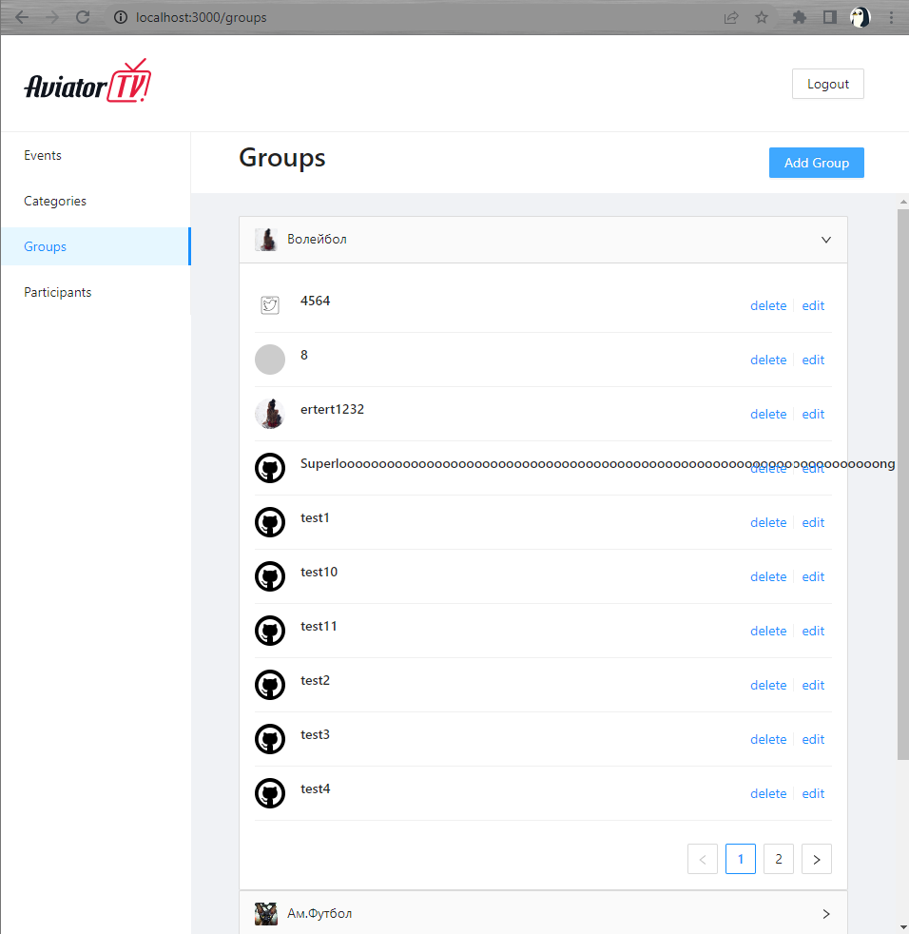 | Bug- Fixed | done
Participant page
14 | Make the country field optional at the Add participant pop up | 1. Add Participant pop up is opened |  | Country is not required field | 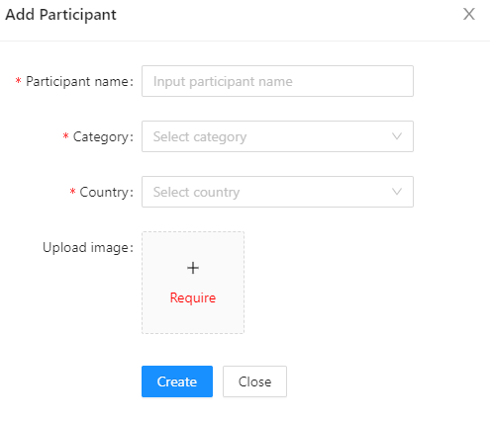 Country is required field | Bug- Fixed | done
15 | Make the Upload image optional at the Add participant pop up | 1. Add Participant pop up is opened |  | Upload image is not required field | Upload image is required field | Bug- Fixed | done
16 |  | 1. Participand tab is opened |  |  |  | Bug- Fixed | done
Events page
17 |  | 1. Events tab is opened |  |  |  | Bug- Fixed | done
18 | Make "Cancel" instead of "Back" at the "Add new event" and at the "Edit event" pages make cancel for: -Edit Category -Edit Group -Edit Participant | 1. Add new event page is opened 2. Edit event page is opened |  | "Cancel" button | 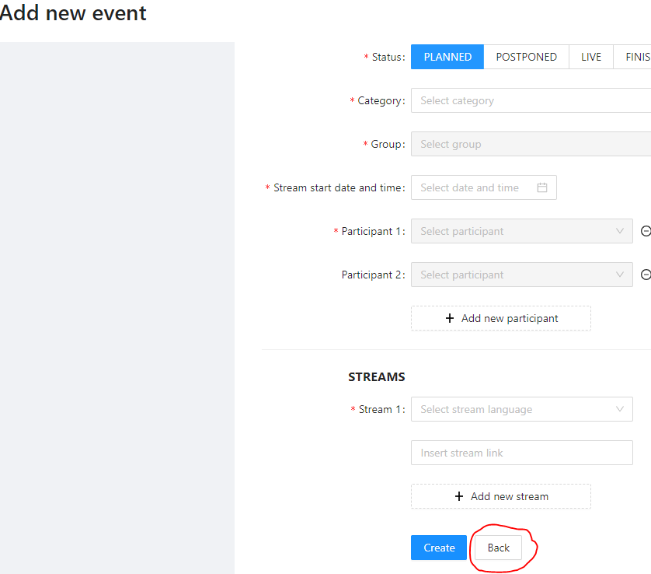 "Back" button | Bug- Fixed | done
19 | The participant list is not displayed after selecting the another date in datapicker |  | 1. Select date with events 2. Select date without events 3. Click on the "x" in datapicker | The patticipant list is displayed on the DDL | https://drive.google.com/file/d/1uRccx2mBxDQyx_M5VObuybcnT1w2560H/view?usp=sharing The patticipant list is displayed after clicking on the DDL | Rejected | done
20 | Make datapicker without X button |  |  |  |  | Bug- Fixed | done
Categories page
21 | "Please, put the image into Uploader!" message is shown after saving data with all completed fields | 1.Edit Category popup is opened 2. Image logo is uploaded | 1. Change the Category order 2. Click on the "Save" button | 1. All changes are saved | https://drive.google.com/file/d/1j4pRbL0r6pwKD0EjZnRU2jS66H5cBUg4/view?usp=sharing "Please, put the image into Uploader!" message is shown | Bug- Fixed | done
22 |  |  |  | 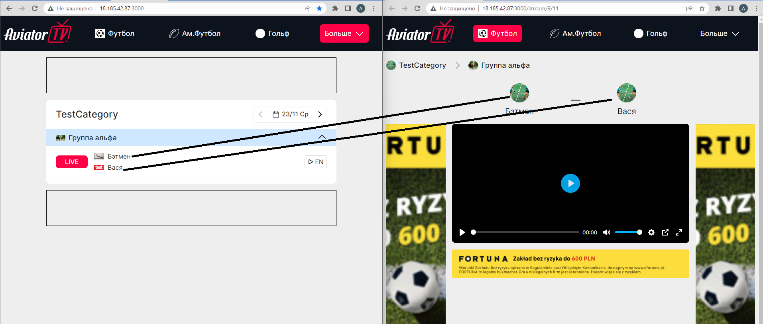 |  | Bug- Fixed | done
23 | Imposible to create event with participant 1 completed and participant2 empty textfields | 1. Add new event page is opened | 1. Complete requred felds 2. Click on the Create button | The event is not created | 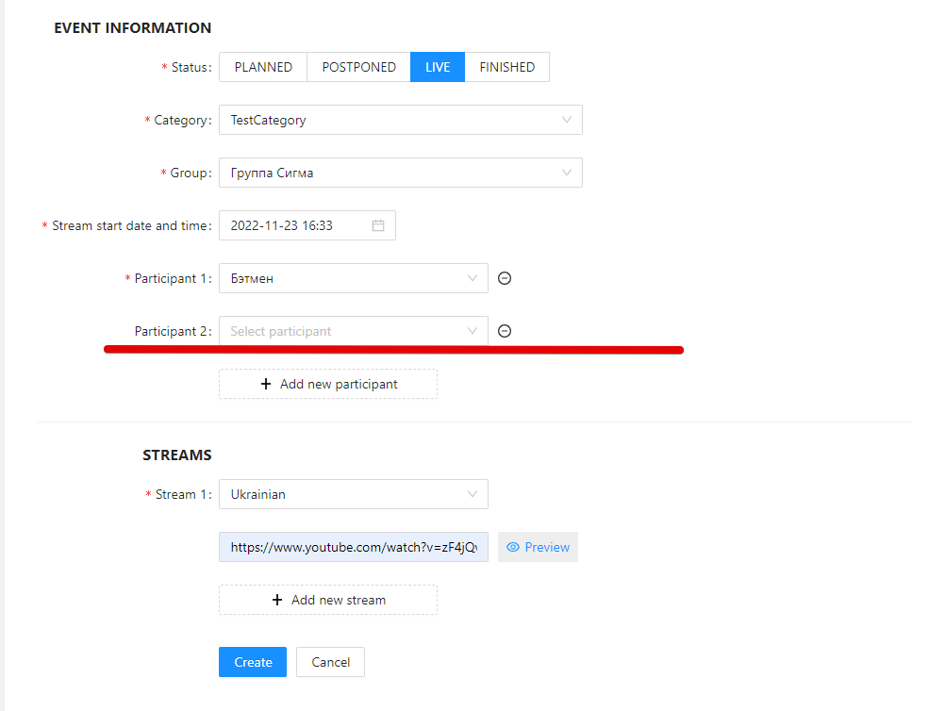 The event is created | Bug- Fixed | done | need to click on the "-" button near the participant 2
24 | Long group name |  | 1. Open http://18.185.42.87:3000/ testCategory | 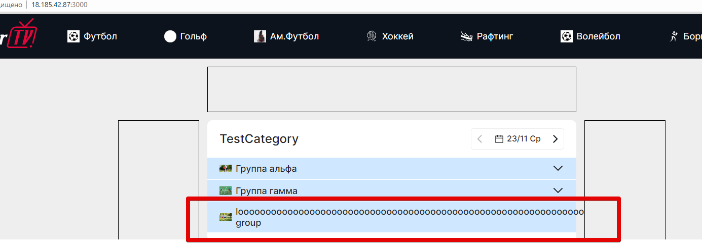 |  | Bug- Fixed | done
25 | create an event with 3 participants clarify the display of 2+ participants on the player page |  |  |  |  | Improvementt | Improvementt
26 | The main page is displayed after refreshing the page |  | 1. Open Golf page 2. Refresh the page | The current condition is saved | The main page is displayed | Bug- Fixed | done | Loader is displayed in Header menu
27 | Make Cancel instead of Close at the Add Country popup -add country -add category popup -add Participant -add group -add ctegories -edit participant |  | 1. Open geo-restriction tab 2. Click on the + button | 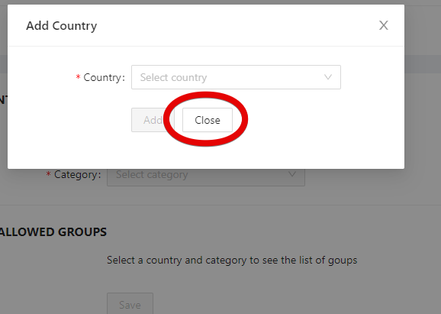 |  | Bug- Fixed | done
28 | User can input data in datapicker |  |  |  |  | Bug- Fixed | done
29 | Make the search independent from registry |  | 1. Input country from small letter ex france at Add country popup |  | 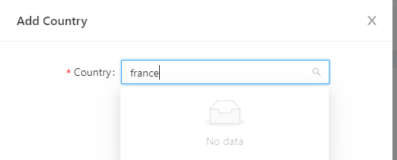 | Bug- Fixed | done

