Лист1
ID | Summary | Severity | Description | Attachment
1 | Syntax error in menu. | Minor | STR: 1.Open ListBoxer.exe. Result: Syntax error "Edjt". Excpected result: "Edit". | 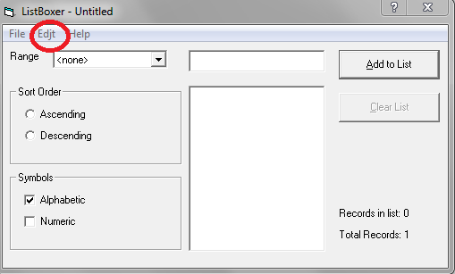
2 | Menu "Help" is not work. | Major | STR: 1. Click on button "Help". Result: Open error window. Excpected result: Open "Полное описание принципа работы программы".
3 | Button "Contents" from Menu "Help" is not work. | Major | STR: 1.Move the mouse on "Help" menu. 2. Click on button "Contents". Result: Open error window. Excpected result: Open "Полное описание принципа работы программы".
4 | Functional "Справка" is not work. | Major | STR: 1. Click on button "?". 2. Click on buttons, textboxes and etc. Result: Open error window. Excpected result: Open "Полное описание принципа работы" clicked button\select.
5 | Filter "Symbol" (Alphabetic & Numeric) work incorrect. | Critical | STR: 1. Input text or numbers in textarea near button "Add to List" and press "Enter" or "Add to List" when "Symbols" checkboxes is not active. Result: Text not typing when filtres "Alphabetic" is not active and Numbers not typing when "numeric" is not active. Excpected result: Text typing in textarea. | 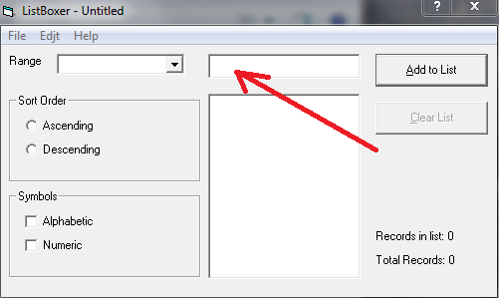
6 | Filter "Sort Order" ("Ascending") work incorrect. | Critical | STR: 1.Input numbers "1", "100", "2", "200" ... Result: Incorrect result. ("100>2", "200>3" ...). Excpected result: Sort numbers(symbols) ascending. | 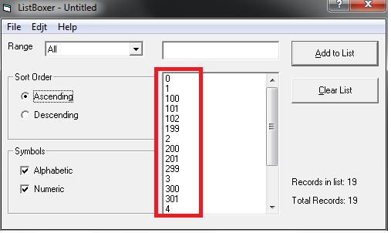
7 | Filter "Sort Order" ("Descending") work incorrect. | Critical | STR: 1.Input numbers or symbols. 2. Click on radiobutton "Descending". Result: Incorrect result. (1>2). Always first input number(symbol) > second number (symbol) when radiobutton "Descending" is active. Excpected result: Sort numbers(symbols) descending. | 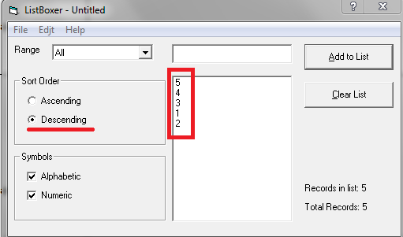
8 | "Records in list: <NUMBER>" work incorrect. | Major | STR: 1.Input numbers and symbols (Ex: 1, 2, 3, a, b, c). Result: "Records in list: 3" when checkboxes "Alphabetic" and "Numeric" is disable. The condition "Records in list: <NUMBER>" not update after disable two checkboxes. Condition = last "Records in list <NUMBER>". Excpected result: "Records in list: 0" | 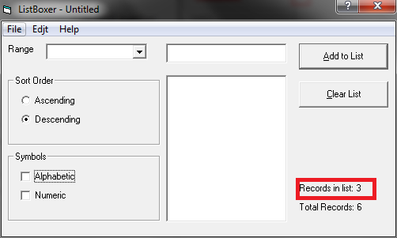
9 | Validation textarea "Add to list". | Major | STR: 1. Input: "9999", "10000", 0, 00, 000, 0000, 00000, 000000, 0000000, 00000000, 00000001, 00009999, 000010000, empty string. Result: Numbers in list. Excpected result: Window with text: "Not valid number". | 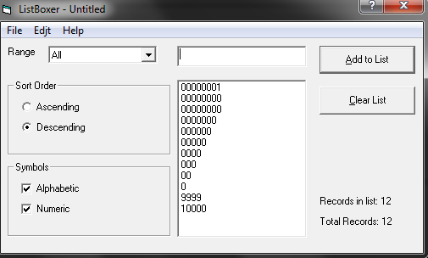
10 | Selectmenu "Range" ("300-9999") work not correct. | Critical | STR: 1. Input "10000". 2. Select "300-9999" in selectmenu "Range". Result: Number "10000" in list. Excpected result: Number "10000" not in list. | 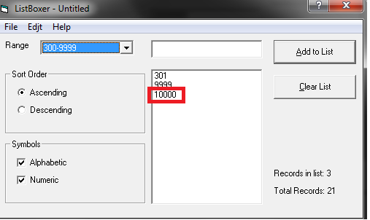
11 | Selectmenu "Range" (" ") work not correct. | Critical | STR: 1. Click selectmenu "Range". Last string is empty. 2. "Range" for empty str not work. | 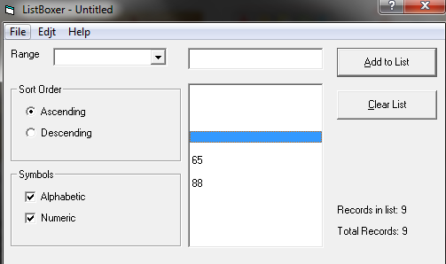
12 | Button "Cross" work not correct. | Critical | STR: 1. Input some number\ letter\word... 2. Click button "Cross". Result: App closed. Excpected result: App closed after "Save list" warning wit choose "Yes" or "No". (Screen in attachment) | 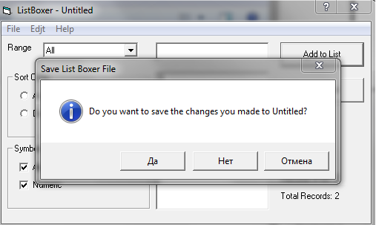
13 | Function "Exit from app" work not correct. | Major | STR: 1. Press "ctrl+Q". 2. Click "Отмена". Result: App closed. Excpected result: App not closed. | 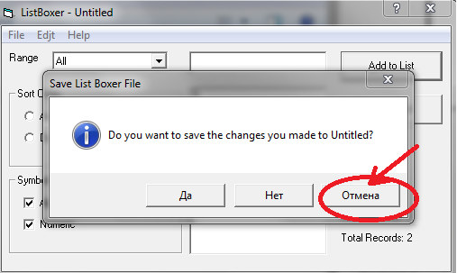
14 |  | Major | STR: 1. Press "ctrl+Q". 2. Click red cross. Result: App closed. Excpected result: App not closed. | 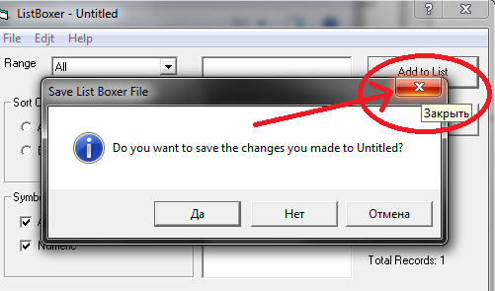
15 | "Save as" or "open file" work not correct. | Critical | STR: 1. Input two or more values. 2. Click "File" => "Save as" => "Сохранить". 3. Click "File" => "Open" and chouse saved file. Result: Records before "Save as" and after not equal. Excpected result: Records before "Save as" and after equal. | 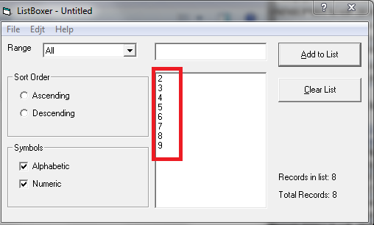 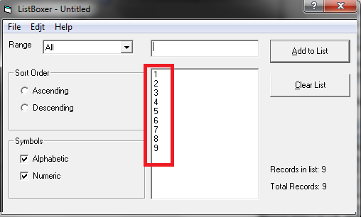
16 | Rewrite file without message. | Minor | STR: 1. Imput value. 2. Click "File" => "Save as" => "Сохранить". 3. Click "File" => "Save as" => "Сохранить". Result: File rewrite without warning message. Excpected result: Warning message "Вы хотите перезаписать?". | 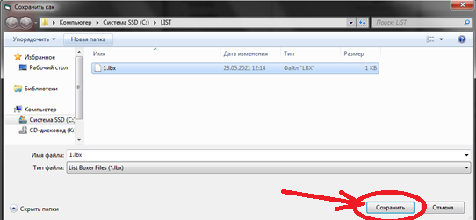
17 | Rewrite file without message. | Major | STR: 1. Imput more 2 values. 2. Click "Edjt" => "Undo". 3. Click "Edjt" => "Undo". Result: Do "Undo" work only one time. Excpected result: Do "Undo" work everytime when click.
18 | Functional "Cut", "Copy", "Paste" not work. | Major | STR: 1. Click "Edit". 2. "Cut", "Copy", "Paste" not active. Result: Functional not work. Excpected result: Functional is work. | 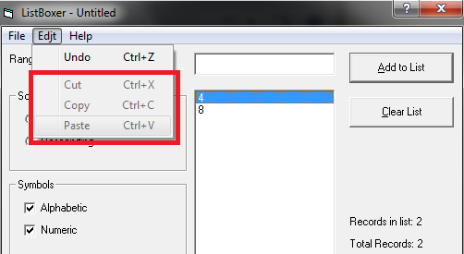
19 | Functional "Cut", "Copy", "Paste" not work. | Major | STR: 1. Click "Edit". 2. "Cut", "Copy", "Paste" not active. Result: Functional not work. Excpected result: Functional is work.
19 | Program must install after press "Instal". | Major | STR: 1. Run setup.exe 2 .Click 'Exit setup" => "Да" Result: Remove installed files. Excpected result: Exit from setup. Nothing to uninstall. | 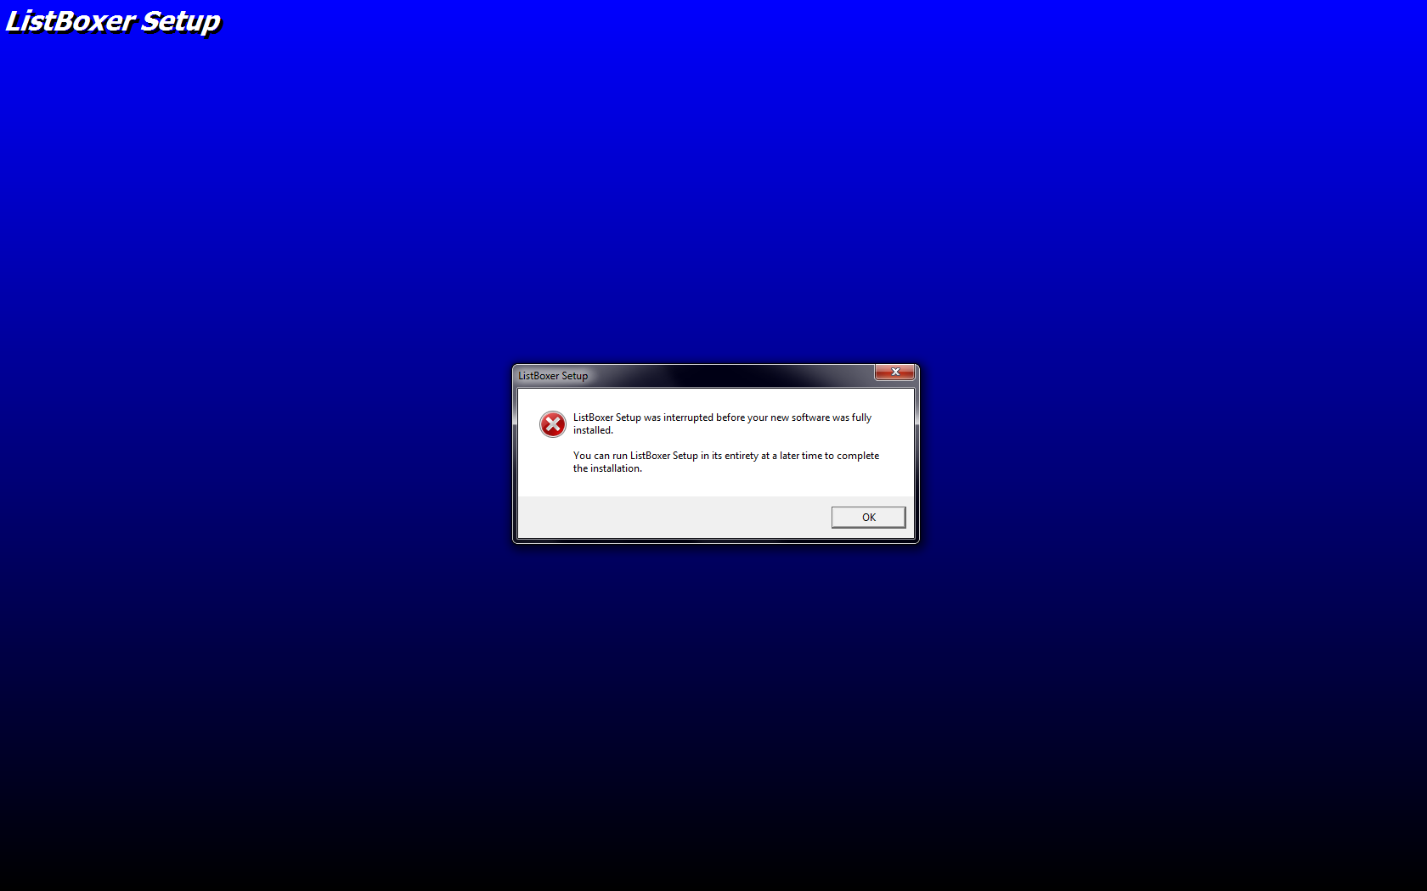 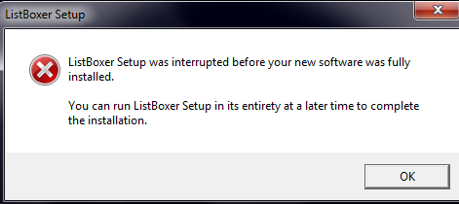

OS: | Windows 7 x64 SP1

