summary context baseline gapdh
 |  |  |  |  |  |  |  |  |  |  |  |  |  |  |  |  |  |  |  |  |  | CamK4 |  |  |  |  |  | CamKIIa |  |  |  |  |  | CamKIIb |  |  |  |  |  | Dnmt3a |  |  |  |  |  | Arc |  |  |  |  |  | Prkaca |  |  |  |  |  | EGR-1 |  |  |  |  |  | PKC-b1 |  |  |  |  |  | PKIa |  |  |  |  |  |  | bdnf9 |  |  |  |  |  | mapk1 |  |  |  |  |  | map2k7
 |  |  | b-actin | GAPDH SYBR | GAPDH Taqman | Camk4 | map2k7 | mapk1 | bdnf9 | Arc | Prkaca | EGR-1 | CamkIIa | PKC-b1 | PKIa | Dnmt3a | CamkIIb |  |  | delta | avg control | Avg - Control | delta delta Ct |  |  | delta | avg control | Avg - Control | delta delta Ct |  |  | delta | avg control | Avg - Control | delta delta Ct |  |  | delta | avg control | Avg - Control | delta delta Ct |  |  | delta | avg control | Avg - Control | delta delta Ct |  |  | delta | avg control | Avg - Control | delta delta Ct |  |  | delta | avg control | Avg - Control | delta delta Ct |  |  | delta | avg control | Avg - Control | delta delta Ct |  |  | delta | avg control | Avg - Control | delta delta Ct |  |  |  | delta | avg control | Avg - Control | delta delta Ct |  |  | delta | avg control | Avg - Control | delta delta Ct |  |  | delta | avg control | Avg - Control | delta delta Ct
A1 | 1 | second-order | 25.249937057 | 23.735458374 | 22.463102341 | 30.557098389 | 32.249664307 | 29.140100479 | 29.963087082 | 31.990728378 | 30.046262741 | 31.45656395 | 27.747156143 | 29.05683136 | 28.35231781 | 30.48843956 | 27.958480835 |  |  | 6.8216400146 | 5.5112595558 | 1.3103804588 | 0.40321453229 | 2.7323321255 |  | 4.0116977692 | 4.8520614079 | -0.84036363874 | 1.7905013901 | 0.61768232491 |  | 4.2230224609 | 4.6000172751 | -0.37699481419 | 1.2986339347 | 0.69684977027 |  | 6.7529811859 | 7.0243350438 | -0.27135385786 | 1.2069399163 | 0.77123266138 |  | 8.2552700043 | 8.3083979289 | -0.053127924601 | 1.0375119293 | 1.1565581861 |  | 6.3108043671 | 6.1111624581 | 0.19964190892 | 0.87076666932 | 0.79840189677 |  | 7.7211055756 | 8.0787841252 | -0.35767854963 | 1.2813623889 | 0.81362040376 |  | 5.3213729858 | 4.8305010114 | 0.4908719744 | 0.71159487516 | 0.99236335727 |  | 4.616859436 | 3.9983588627 | 0.61850057329 | 0.65134753678 | 1.1389461894 |  |  | 6.2276287079 | 5.1937980652 | 1.0338306427 | 0.48841159553 | 1.8148931611 |  | 6.6769981384 | 6.2652699607 | 0.41172817775 | 0.75172235982 | 0.92787331531 |  | 9.7865619659 | 10.602241244 | -0.81567927769 | 1.7601266938 | 0.47984707737
A2 | 2 | second-order | 27.723808289 | 26.317298889 | 24.719749451 | 33.244256973 | 35.725057602 | 31.752523422 | 31.442842484 | NA | 31.993356705 | 34.198480606 | 31.802724838 | 31.900192261 | 30.607826233 | 34.193807602 | 31.151741028 |  |  | 6.9269580841 | 5.5112595558 | 1.4156985283 | 0.37482821796 | 0.12962011121 |  | 5.4854259491 | 4.8520614079 | 0.63336454119 | 0.64467120877 | -2.2779497461 |  | 4.8344421387 | 4.6000172751 | 0.23442486354 | 0.85002379717 | -1.5412324651 |  | 7.8765087128 | 7.0243350438 | 0.852173669 | 0.55394948649 | -1.1507271922 |  |  |  |  |  | -1.9249520205 |  | 5.6760578156 | 6.1111624581 | -0.4351046426 | 1.3520088944 | -1.0641931086 |  | 7.8811817169 | 8.0787841252 | -0.19760240827 | 1.146790937 | -1.8127893447 |  | 5.5828933716 | 4.8305010114 | 0.75239236014 | 0.59361836866 | -0.14074745151 |  | 4.2905273438 | 3.9983588627 | 0.29216848101 | 0.81667361265 | 0.073974953165 |  |  | 5.1255435944 | 5.1937980652 | -0.068254470825 | 1.0484473904 | -0.40634616843 |  | 7.0327739716 | 6.2652699607 | 0.76750401088 | 0.58743290649 | 0.17250444871 |  | 11.005308151 | 10.602241244 | 0.40306690761 | 0.75624892541 | -1.7124564175
A3 | 3 | second-order | 25.384454727 | 24.249891281 | 22.621973038 | 31.352327347 | 31.908563614 | 29.68248558 | 30.177124023 | 31.055229187 | 29.463476181 | 30.425802231 | 27.540115356 | 29.359092712 | 28.685098648 | 31.102858543 | 27.323440552 |  |  | 7.1024360657 | 5.5112595558 | 1.5911765099 | 0.33190067996 |  | 0.44165580655 | 3.2902240753 | 4.8520614079 | -1.5618373326 | 2.952295914 |  | 2.1609220778 | 3.0735492706 | 4.6000172751 | -1.5264680045 | 2.8807970045 |  | 1.2008645168 | 6.8529672623 | 7.0243350438 | -0.1713677815 | 1.1261256291 |  | 1.2926546128 | 6.8053379059 | 8.3083979289 | -1.503060023 | 2.8344327165 |  | 1.4774054717 | 5.2135848999 | 6.1111624581 | -0.89757755824 | 1.8629352846 |  | 1.1473348021 | 6.1759109497 | 8.0787841252 | -1.9028731755 | 3.7395720381 |  | 1.2164388624 | 5.1092014313 | 4.8305010114 | 0.27870041983 | 0.82433324257 |  | 0.74607664432 | 4.4352073669 | 3.9983588627 | 0.4368485042 | 0.73874660268 |  | 0.65408054309 |  | 5.9272327423 | 5.1937980652 | 0.73343467712 | 0.60147026558 |  | 0.66422835719 | 7.0605125427 | 6.2652699607 | 0.79524258205 | 0.57624627229 |  | 0.7064927377 | 9.2865905762 | 10.602241244 | -1.3156506675 | 2.4891456789 |  | 1.621530794
C1 | 16 | second-order | 24.614356995 | 23.071352005 | 21.711496353 | 29.471063614 | 31.819345474 | 28.425962448 | 28.262746811 | 31.613571167 | 29.138051987 | 30.801879883 | 26.99347496 | 27.8197155 | 27.734132767 | 29.792062759 | 27.330919266 |  |  | 6.3997116089 | 5.5112595558 | 0.88845205307 | 0.54019341067 |  |  | 3.9221229553 | 4.8520614079 | -0.92993845258 | 1.905194716 |  |  | 4.2595672607 | 4.6000172751 | -0.34045001439 | 1.2661514782 |  |  | 6.7207107544 | 7.0243350438 | -0.30362428938 | 1.2342411406 |  |  | 8.542219162 | 8.3083979289 | 0.23382123311 | 0.85037952556 |  |  | 6.0666999817 | 6.1111624581 | -0.044462476458 | 1.0312988634 |  |  | 7.7305278778 | 8.0787841252 | -0.34825624738 | 1.2730210256 |  |  | 4.7483634949 | 4.8305010114 | -0.082137516567 | 1.0585852936 |  |  | 4.6627807617 | 3.9983588627 | 0.66442189898 | 0.63094147776 |  |  |  | 5.1913948059 | 5.1937980652 | -0.0024032592773 | 1.0016672006 |  |  | 6.714466095 | 6.2652699607 | 0.44919613429 | 0.73245085389 |  |  | 10.107849121 | 10.602241244 | -0.49439212254 | 1.408727065
C2 | 17 | second-order | 25.061307907 | 23.724082947 | 22.388090134 | 29.750192642 | 32.65819931 | 29.013383865 | 29.676595688 | 32.475351334 | 30.391717911 | 31.844591141 | 27.966835022 | 28.910804749 | 28.09815979 | 30.398071289 | 28.210716248 |  |  | 6.0261096954 | 5.5112595558 | 0.51485013962 | 0.69986562777 |  |  | 4.2427520752 | 4.8520614079 | -0.60930933271 | 1.5255287115 |  |  | 4.4866333008 | 4.6000172751 | -0.11338397435 | 1.0817626371 |  |  | 6.6739883423 | 7.0243350438 | -0.35034670149 | 1.2748669604 |  |  | 8.7512683868 | 8.3083979289 | 0.44287045797 | 0.73566942697 |  |  | 6.667634964 | 6.1111624581 | 0.55647250584 | 0.67996269101 |  |  | 8.120508194 | 8.0787841252 | 0.041724068778 | 0.9714932865 |  |  | 5.1867218018 | 4.8305010114 | 0.35622079032 | 0.78120831476 |  |  | 4.3740768433 | 3.9983588627 | 0.37571798052 | 0.7707217551 |  |  |  | 5.9525127411 | 5.1937980652 | 0.7587146759 | 0.5910226494 |  |  | 6.6252937317 | 6.2652699607 | 0.36002377101 | 0.77915174162 |  |  | 10.270109177 | 10.602241244 | -0.332132067 | 1.2588724078
C3 | 18 | second-order | 24.084144592 | 22.583086014 | 21.420928955 | 29.831636429 | 31.147192001 | 28.077497482 | 28.822641373 | 30.581098557 | 28.66277504 | 30.573799133 | 26.34687233 | 27.882089615 | 27.381322861 | 29.119905472 | 27.015516281 |  |  | 7.248550415 | 5.5112595558 | 1.7372908592 | 0.29993237066 |  |  | 3.7637863159 | 4.8520614079 | -1.088275092 | 2.1261967316 |  |  | 4.4324302673 | 4.6000172751 | -0.1675870078 | 1.1231783311 |  |  | 6.536819458 | 7.0243350438 | -0.48751558576 | 1.402028412 |  |  | 7.9980125427 | 8.3083979289 | -0.31038538615 | 1.2400389065 |  |  | 6.0796890259 | 6.1111624581 | -0.031473432268 | 1.0220554236 |  |  | 7.9907131195 | 8.0787841252 | -0.088071005685 | 1.0629479886 |  |  | 5.2990036011 | 4.8305010114 | 0.46850258963 | 0.72271433244 |  |  | 4.7982368469 | 3.9983588627 | 0.79987798418 | 0.57439775509 |  |  |  | 6.2395553589 | 5.1937980652 | 1.0457572937 | 0.48439057736 |  |  | 6.6565685272 | 6.2652699607 | 0.39129856655 | 0.76244302229 |  |  | 9.7262630463 | 10.602241244 | -0.87597819737 | 1.8352520293
C4 | 19 | second-order | 24.77806282 | 23.607627869 | 22.13045311 | 31.677871704 | 31.849327087 | 29.072052002 | 30.230260849 | 30.800725937 | 29.44102478 | 31.042078018 | 27.04511261 | 29.154233932 | 28.663675308 | 30.035766602 | 27.542764664 |  |  | 8.0702438354 | 5.5112595558 | 2.5589842796 | 0.16969497156 |  |  | 3.4374847412 | 4.8520614079 | -1.4145766667 | 2.6658150032 |  |  | 3.935136795 | 4.6000172751 | -0.66488048009 | 1.5854369224 |  |  | 6.4281387329 | 7.0243350438 | -0.59619631086 | 1.5117256183 |  |  | 7.1930980682 | 8.3083979289 | -1.1152998606 | 2.1664003253 |  |  | 5.8333969116 | 6.1111624581 | -0.27776554653 | 1.2123157887 |  |  | 7.4344501495 | 8.0787841252 | -0.64433397566 | 1.5630175481 |  |  | 5.5466060638 | 4.8305010114 | 0.7161050524 | 0.60873868133 |  |  | 5.0560474396 | 3.9983588627 | 1.0576885768 | 0.48040112117 |  |  |  | 6.6226329803 | 5.1937980652 | 1.4288349152 | 0.37143072984 |  |  | 6.9415988922 | 6.2652699607 | 0.67632893154 | 0.62575554207 |  |  | 9.7188739777 | 10.602241244 | -0.88336726597 | 1.844675774
A4 | 4 | first-order | 26.918840408 | 25.402854919 | 23.997125626 | 31.966454506 | 33.320114136 | 30.696100235 | 32.680505753 | 33.053203583 | 32.346523285 | 32.913394928 | 29.503259659 | 30.505874634 | 30.05418396 | 31.539474487 | 29.105957031 |  |  | 6.5635995865 | 5.5112595558 | 1.0523400307 | 0.48218543199 | 2.3178989495 |  | 4.1004047394 | 4.8520614079 | -0.75165666853 | 1.6837251679 | 0.59063166827 |  | 3.7031021118 | 4.6000172751 | -0.89691516331 | 1.8620801381 | 0.83493793378 |  | 6.1366195679 | 7.0243350438 | -0.8877154759 | 1.8502439204 | 0.32005342522 |  | 7.6503486633 | 8.3083979289 | -0.65804926554 | 1.577947565 | 1.6461083614 |  | 6.9436683655 | 6.1111624581 | 0.83250590733 | 0.56155299818 | 0.89141595997 |  | 7.5105400085 | 8.0787841252 | -0.56824411665 | 1.4827178774 | 0.92380347422 |  | 5.1030197144 | 4.8305010114 | 0.27251870292 | 0.82787295648 | 1.1924566966 |  | 4.6513290405 | 3.9983588627 | 0.65297017779 | 0.63596964948 | 1.4938335291 |  |  | 7.2776508331 | 5.1937980652 | 2.0838527679 | 0.23588363424 | 2.4804948686 |  | 6.6989746094 | 6.2652699607 | 0.4337046487 | 0.74035820104 | 1.0180975458 |  | 9.3229885101 | 10.602241244 | -1.2792527335 | 2.427132272 | 0.26342139941
A5 | 5 | first-order | 27.370910645 | 26.152633667 | 24.601110458 | 32.53414917 | 34.792593002 | 31.27230072 | 32.003396988 | NA | 32.598575592 | 34.611042023 | 31.04552269 | 31.963926315 | 30.226795197 | 33.5711 | 31.072076797 |  |  | 6.3815155029 | 5.5112595558 | 0.87025594711 | 0.54704979045 | -0.84643449218 |  | 4.8928890228 | 4.8520614079 | 0.04082761492 | 0.97209713521 | -1.9750422603 |  | 4.9194431305 | 4.6000172751 | 0.31942585536 | 0.8013887402 | -1.8317100931 |  | 7.418466333 | 7.0243350438 | 0.39413128924 | 0.76094743895 | -1.2861696462 |  |  |  |  |  | -1.8622890013 |  | 6.445941925 | 6.1111624581 | 0.3347794669 | 0.79290533236 | -0.69262970759 |  | 8.4584083557 | 8.0787841252 | 0.37962423052 | 0.7686377667 | -1.6841143348 |  | 5.8112926483 | 4.8305010114 | 0.98079163688 | 0.50670162584 | -0.85459233806 |  | 4.0741615295 | 3.9983588627 | 0.0758026668 | 0.94881408596 | -0.77689810521 |  |  | 5.8507633209 | 5.1937980652 | 0.65696525574 | 0.63421097311 | -1.1179989076 |  | 6.6711902618 | 6.2652699607 | 0.40592030116 | 0.75475467804 | -0.45373709749 |  | 10.191482544 | 10.602241244 | -0.41075869969 | 1.3293847412 | -1.57578734
A6 | 6 | first-order | 24.919418335 | 23.70032692 | 22.290334702 | 29.915008545 | 32.48550415 | 28.928277969 | 28.739059448 | 32.054607391 | 29.901596069 | 31.25944519 | 27.600097656 | 28.480302811 | 28.001787186 | 30.148012161 | 27.849817276 |  |  | 6.2146816254 | 5.5112595558 | 0.70342206955 | 0.61411380107 |  | 0.74620054253 | 3.8997707367 | 4.8520614079 | -0.95229067121 | 1.9349424682 |  | 1.7508789342 | 4.1494903564 | 4.6000172751 | -0.45052691868 | 1.3665392698 |  | 1.5401442311 | 6.4476852417 | 7.0243350438 | -0.57664980207 | 1.4913819666 |  | 1.537676566 | 8.3542804718 | 8.3083979289 | 0.045882542928 | 0.96869705252 |  | 1.2448958481 | 6.2012691498 | 6.1111624581 | 0.090106691633 | 0.93945327125 |  | 0.93033895571 | 7.5591182709 | 8.0787841252 | -0.51966585432 | 1.433623165 |  | 1.3122794907 | 4.7799758911 | 4.8305010114 | -0.050525120327 | 1.035641814 |  | 0.90397267953 | 4.3014602661 | 3.9983588627 | 0.30310140337 | 0.81050814932 |  | 0.86812933066 |  | 5.0387325287 | 5.1937980652 | -0.1550655365 | 1.1134721982 |  | 0.66126833245 | 6.6379432678 | 6.2652699607 | 0.37267330715 | 0.77235000904 |  | 0.8231948018 | 10.195169449 | 10.602241244 | -0.40707179478 | 1.3259917458 |  | 1.5420382302
A7 | 7 | first-order | 25.233978271 | 24.054056168 | 22.411771774 | 31.781995773 | 32.836500168 | 29.71689415 | 29.836046219 | 31.36413765 | 29.667718887 | 30.734786987 | 27.389755249 | 29.591817856 | 29.363082886 | 30.59120369 | 27.328918457 |  |  | 7.7279396057 | 5.5112595558 | 2.2166800499 | 0.21513586358 |  |  | 3.3356990814 | 4.8520614079 | -1.5163623265 | 2.8606883317 |  |  | 3.2748622894 | 4.6000172751 | -1.3251549857 | 2.5055980339 |  |  | 6.537147522 | 7.0243350438 | -0.4871875218 | 1.4017096317 |  |  | 7.3100814819 | 8.3083979289 | -0.99831644694 | 1.9976674611 |  |  | 5.6136627197 | 6.1111624581 | -0.49749973842 | 1.4117647831 |  |  | 6.6807308197 | 8.0787841252 | -1.3980533055 | 2.635457278 |  |  | 5.5377616882 | 4.8305010114 | 0.70726067679 | 0.61248198819 |  |  | 5.3090267181 | 3.9983588627 | 1.3106678554 | 0.40313421668 |  |  |  | 5.7819900513 | 5.1937980652 | 0.58819198608 | 0.66517599661 |  |  | 7.3051223755 | 6.2652699607 | 1.0398524148 | 0.4863772267 |  |  | 10.424728394 | 10.602241244 | -0.17751285008 | 1.1309325202
D5 | 28 | first-order | 24.943445206 | 23.815139771 | 22.490501404 | 28.856466293 | 32.231212616 | 28.837228775 | 30.971017838 | 32.310958862 | 30.007368088 | 31.746154785 | 28.173599243 | 28.034193993 | 28.019910812 | 30.220748901 | 27.561452866 |  |  | 5.0413265228 | 5.5112595558 | -0.46993303299 | 1.3850451756 |  |  | 4.3584594727 | 4.8520614079 | -0.49360193525 | 1.4079556938 |  |  | 3.7463130951 | 4.6000172751 | -0.85370418004 | 1.8071348683 |  |  | 6.4056091309 | 7.0243350438 | -0.61872591291 | 1.53551852 |  |  | 8.4958190918 | 8.3083979289 | 0.18742116292 | 0.87817406731 |  |  | 6.1922283173 | 6.1111624581 | 0.081065859113 | 0.94535896007 |  |  | 7.9310150146 | 8.0787841252 | -0.14776911054 | 1.1078550321 |  |  | 4.2190542221 | 4.8305010114 | -0.61144678933 | 1.5277905673 |  |  | 4.2047710419 | 3.9983588627 | 0.20641217913 | 0.86668991414 |  |  |  | 7.155878067 | 5.1937980652 | 1.9620800018 | 0.25665815356 |  |  | 6.3467273712 | 6.2652699607 | 0.08145741054 | 0.94510242185 |  |  | 9.7407112122 | 10.602241244 | -0.86153003148 | 1.816964247
D6 | 29 | first-order | 24.235124588 | 22.951505661 | 21.738525391 | 29.386703491 | 31.574487686 | 27.938165665 | 28.729629517 | 31.678750038 | 29.071886063 | 31.247524261 | 26.881034851 | 28.08366394 | 27.187143326 | 29.43711853 | 27.304159164 |  |  | 6.4351978302 | 5.5112595558 | 0.92393827438 | 0.52706826175 |  |  | 3.9295291901 | 4.8520614079 | -0.92253221784 | 1.8954392498 |  |  | 4.3526535034 | 4.6000172751 | -0.24736377171 | 1.1870360679 |  |  | 6.4856128693 | 7.0243350438 | -0.53872217451 | 1.4526852733 |  |  | 8.7272443771 | 8.3083979289 | 0.41884644826 | 0.74802248994 |  |  | 6.1203804016 | 6.1111624581 | 0.0092179434641 | 0.99363097723 |  |  | 8.2960186005 | 8.0787841252 | 0.21723447527 | 0.86021281241 |  |  | 5.1321582794 | 4.8305010114 | 0.30165726798 | 0.81131987286 |  |  | 4.2356376648 | 3.9983588627 | 0.23727880205 | 0.84834394267 |  |  |  | 5.7781238556 | 5.1937980652 | 0.58432579041 | 0.66696095424 |  |  | 6.199640274 | 6.2652699607 | -0.065629686628 | 1.0465416194 |  |  | 9.8359622955 | 10.602241244 | -0.7662789481 | 1.7008771565
D7 | 30 | first-order | 25.279275894 | 23.950399399 | 22.490255356 | 29.448163986 | 33.004375458 | 28.731376648 | 29.064882278 | 33.612350464 | 30.266283035 | 32.185276031 | 29.168653488 | 28.772270203 | 27.304029465 | 30.672340393 | 29.090438843 |  |  | 5.4977645874 | 5.5112595558 | -0.013494968414 | 1.0093978847 |  |  | 5.2182540894 | 4.8520614079 | 0.36619268145 | 0.77582723051 |  |  | 5.140039444 | 4.6000172751 | 0.54002216884 | 0.68776034068 |  |  | 6.7219409943 | 7.0243350438 | -0.30239404951 | 1.2331891057 |  |  | 9.6619510651 | 8.3083979289 | 1.3535531362 | 0.39132708268 |  |  | 6.3158836365 | 6.1111624581 | 0.20472117833 | 0.86770636775 |  |  | 8.2348766327 | 8.0787841252 | 0.1560925075 | 0.89745250299 |  |  | 4.8218708038 | 4.8305010114 | -0.0086302076067 | 1.005999932 |  |  | 3.3536300659 | 3.9983588627 | -0.64472879682 | 1.5634453564 |  |  |  | 5.1144828796 | 5.1937980652 | -0.079315185547 | 1.0565164173 |  |  | 6.2411212921 | 6.2652699607 | -0.024148668562 | 1.0168794565 |  |  | 10.514120102 | 10.602241244 | -0.088121141706 | 1.0629849284
D8 | 31 | first-order | 24.11900808 | 23.047233334 | 21.915904999 | 29.161142349 | 31.259208679 | 28.194787025 | 28.049980164 | 30.249661446 | 28.898643494 | 29.965555191 | 26.591075897 | 27.637565613 | 27.771829605 | 29.224367142 | 26.574378967 |  |  | 6.1139090149 | 5.5112595558 | 0.60264945908 | 0.65854345214 |  |  | 3.5438425629 | 4.8520614079 | -1.308218845 | 2.4763561962 |  |  | 3.5271456329 | 4.6000172751 | -1.0728716422 | 2.1036163895 |  |  | 6.1771338074 | 7.0243350438 | -0.8472012364 | 1.799007544 |  |  | 7.2024281113 | 8.3083979289 | -1.1059698176 | 2.1524352183 |  |  | 5.8514101593 | 6.1111624581 | -0.25975229885 | 1.1972731231 |  |  | 6.9183218567 | 8.0787841252 | -1.1604622685 | 2.2352903934 |  |  | 4.5903322784 | 4.8305010114 | -0.240168733 | 1.1811307946 |  |  | 4.7245962708 | 3.9983588627 | 0.72623740801 | 0.60447835756 |  |  |  | 5.0027468292 | 5.1937980652 | -0.19105123596 | 1.1415952491 |  |  | 6.2788820267 | 6.2652699607 | 0.013612065996 | 0.99060920634 |  |  | 9.3433036804 | 10.602241244 | -1.2589375632 | 2.3931943518
B5 | 12 | spc | 26.378412247 | 25.044876099 | 23.3872509 | 31.349563599 | 34.537967682 | 30.234657288 | 29.785339355 | 33.413581848 | 30.509340286 | 33.353450775 | 30.049341202 | 30.19078064 | 29.190778732 | 33.037591934 | 29.383153915 |  |  | 6.3046875 | 5.5112595558 | 0.79342794418 | 0.57697153728 | 2.2521999591 |  | 5.0044651031 | 4.8520614079 | 0.15240369524 | 0.89975012629 | 0.16884899437 |  | 4.3382778168 | 4.6000172751 | -0.26173945836 | 1.1989233762 | 0.053781467135 |  | 7.9927158356 | 7.0243350438 | 0.9683807918 | 0.51107935078 | 1.1228883859 |  | 8.3687057495 | 8.3083979289 | 0.060307820638 | 0.95905946776 | 1.0450168207 |  | 5.4644641876 | 6.1111624581 | -0.64669827053 | 1.565581128 | 0.60745682627 |  | 8.3085746765 | 8.0787841252 | 0.22979055132 | 0.85275868523 | 0.94706588062 |  | 5.145904541 | 4.8305010114 | 0.31540352958 | 0.80362618073 | 1.5539310411 |  | 4.1459026337 | 3.9983588627 | 0.14754377093 | 0.90278617392 | 1.4448800531 |  |  | 4.7404632568 | 5.1937980652 | -0.45333480835 | 1.3692015288 | 1.9369775349 |  | 6.8474063873 | 6.2652699607 | 0.58213642665 | 0.66797387009 | 1.2266010284 |  | 11.150716782 | 10.602241244 | 0.54847553798 | 0.68374224118 | 0.90558190299
B6 | 13 | spc | 24.820943832 | 23.572921753 | 21.944631577 | 30.270645142 | 32.590116501 | 28.907806396 | 28.790948868 | 31.636219978 | 29.940050125 | 31.257011414 | 27.542495728 | 28.660619736 | 28.410322189 | 30.285675049 | 27.658601761 |  |  | 6.6977233887 | 5.5112595558 | 1.1864638329 | 0.43937849561 | -0.16778833799 |  | 3.9695739746 | 4.8520614079 | -0.8824874333 | 1.8435511349 | -1.8194129837 |  | 4.0856800079 | 4.6000172751 | -0.51433726719 | 1.4283378515 | -1.2982415049 |  | 6.7127532959 | 7.0243350438 | -0.31158174787 | 1.2410676411 | -1.3576422671 |  | 8.0632982254 | 8.3083979289 | -0.24509970347 | 1.1851746746 | -1.0092421923 |  | 6.3671283722 | 6.1111624581 | 0.25596591405 | 0.8374262728 | -0.90210935639 |  | 7.6840896606 | 8.0787841252 | -0.39469446455 | 1.3146643097 | -1.6121064077 |  | 5.0876979828 | 4.8305010114 | 0.25719697135 | 0.83671199848 | -0.76887336012 |  | 4.8374004364 | 3.9983588627 | 0.83904157366 | 0.55901481631 | -0.19166978102 |  |  | 5.2180271149 | 5.1937980652 | 0.024229049683 | 0.98334594057 | -1.2282091672 |  | 6.9631748199 | 6.2652699607 | 0.69790485927 | 0.61646681524 | -0.12489445541 |  | 10.645484924 | 10.602241244 | 0.043243680681 | 0.97047053707 | -1.5738292962
B7 | 14 | spc | 25.35118866 | 24.397985458 | 22.775756836 | 30.466806412 | 32.836874008 | 29.573217392 | 30.122098923 | 32.76550293 | 30.453430176 | 31.588866234 | 28.266777039 | 29.521726608 | 28.985498428 | 30.907234192 | 28.155145645 |  |  | 6.0688209534 | 5.5112595558 | 0.55756139755 | 0.67944967448 |  | 0.56406407915 | 3.8687915802 | 4.8520614079 | -0.98326982771 | 1.9769410163 |  | 1.9943559903 | 3.7571601868 | 4.6000172751 | -0.84285708836 | 1.7935986388 |  | 1.6310665302 | 6.5092487335 | 7.0243350438 | -0.51508631025 | 1.4290796329 |  | 1.1649507657 | 8.3675174713 | 8.3083979289 | 0.05911954244 | 0.95984972411 |  | 1.0382315148 | 6.0554447174 | 6.1111624581 | -0.05571774074 | 1.0393760643 |  | 1.1415905727 | 7.1908807755 | 8.0787841252 | -0.88790334974 | 1.8504848827 |  | 1.3603758271 | 5.1237411499 | 4.8305010114 | 0.29324013846 | 0.8160671994 |  | 0.88098834958 | 4.58751297 | 3.9983588627 | 0.58915410723 | 0.66473254424 |  | 0.65270977983 |  | 5.7241134644 | 5.1937980652 | 0.53031539917 | 0.69240334564 |  | 0.95709428687 | 6.797460556 | 6.2652699607 | 0.53219059535 | 0.69150395345 |  | 0.70054073526 | 10.061117172 | 10.602241244 | -0.54112407139 | 1.455105817 |  | 1.4416892899
B8 | 15 | spc | 24.786050797 | 23.341321945 | 21.907043457 | 30.048547745 | 31.562579155 | 28.993768692 | 28.418001175 | 30.941110611 | 28.98592186 | 30.355855942 | 26.900743484 | 28.359916687 | 28.388038635 | 29.863225937 | 27.065710068 |  |  | 6.7072257996 | 5.5112595558 | 1.1959662437 | 0.43649400856 |  |  | 3.5594215393 | 4.8520614079 | -1.2926398686 | 2.4497590687 |  |  | 3.7243881226 | 4.6000172751 | -0.87562915257 | 1.8348080632 |  |  | 6.5219039917 | 7.0243350438 | -0.50243105207 | 1.4165986299 |  |  | 7.5997886658 | 8.3083979289 | -0.7086092631 | 1.6342279857 |  |  | 5.6445999146 | 6.1111624581 | -0.4665625436 | 1.3818131473 |  |  | 7.0145339966 | 8.0787841252 | -1.0642501286 | 2.0910827124 |  |  | 5.0185947418 | 4.8305010114 | 0.18809373038 | 0.8777647683 |  |  | 5.0467166901 | 3.9983588627 | 1.0483578273 | 0.48351822436 |  |  |  | 5.0766792297 | 5.1937980652 | -0.11711883545 | 1.0845667414 |  |  | 7.086725235 | 6.2652699607 | 0.82145527431 | 0.56587084982 |  |  | 9.6555356979 | 10.602241244 | -0.9467055457 | 1.9274661792
C5 | 20 | spc | 24.877642632 | 23.747253418 | 22.246315002 | 30.154352188 | 32.494495392 | 29.410263062 | 29.25312233 | 32.139381409 | 30.160202026 | 30.994346619 | 27.81189537 | 28.992341995 | 29.014642715 | 30.683073044 | 27.168561935 |  |  | 6.4070987701 | 5.5112595558 | 0.89583921433 | 0.53743447916 |  |  | 4.0646419525 | 4.8520614079 | -0.78741945539 | 1.7259844363 |  |  | 3.4213085175 | 4.6000172751 | -1.1787087577 | 2.2637407681 |  |  | 6.9358196259 | 7.0243350438 | -0.088515417916 | 1.0632754728 |  |  | 8.3921279907 | 8.3083979289 | 0.083730061849 | 0.94361479119 |  |  | 6.4129486084 | 6.1111624581 | 0.30178615025 | 0.81124739734 |  |  | 7.2470932007 | 8.0787841252 | -0.83169092451 | 1.7797701369 |  |  | 5.2450885773 | 4.8305010114 | 0.41458756583 | 0.75023393905 |  |  | 5.2673892975 | 3.9983588627 | 1.2690304347 | 0.41493853926 |  |  |  | 5.5058689117 | 5.1937980652 | 0.31207084656 | 0.80548473506 |  |  | 7.1639480591 | 6.2652699607 | 0.89867809841 | 0.53637797449 |  |  | 10.248180389 | 10.602241244 | -0.35406085423 | 1.2781532758
C6 | 21 | spc | 26.069375992 | 24.57285881 | 23.086751938 | 32.489671707 | 33.906251907 | 29.856338501 | 31.927412033 | 33.988731384 | 30.750253677 | 33.522434235 | 29.002817154 | 31.071001053 | 28.906158447 | 32.27671814 | 29.015874863 |  |  | 7.9168128967 | 5.5112595558 | 2.4055533409 | 0.18873666999 |  |  | 4.4299583435 | 4.8520614079 | -0.4221030644 | 1.3398793184 |  |  | 4.4430160522 | 4.6000172751 | -0.15700122288 | 1.1149671638 |  |  | 7.7038593292 | 7.0243350438 | 0.67952428545 | 0.62437112077 |  |  | 9.4158725739 | 8.3083979289 | 1.107474645 | 0.4641057108 |  |  | 6.1773948669 | 6.1111624581 | 0.066232408796 | 0.9551290589 |  |  | 8.9495754242 | 8.0787841252 | 0.870791299 | 0.54684683016 |  |  | 6.4981422424 | 4.8305010114 | 1.667641231 | 0.31476755995 |  |  | 4.3332996368 | 3.9983588627 | 0.3349407741 | 0.79281668286 |  |  |  | 7.3545532227 | 5.1937980652 | 2.1607551575 | 0.22363917646 |  |  | 6.7695865631 | 6.2652699607 | 0.50431660243 | 0.70499425081 |  |  | 10.819499969 | 10.602241244 | 0.21725872585 | 0.86019835303
C7 | 22 | spc | 24.599187851 | 23.289831161 | 21.743400574 | 29.319549561 | 32.061038971 | 28.588834763 | 28.82916069 | 31.598779678 | 29.375640869 | 31.056930542 | 27.163032532 | 28.542610168 | 27.915472031 | 29.948999405 | 27.231056213 |  |  | 6.029718399 | 5.5112595558 | 0.51845884323 | 0.69811719761 |  |  | 3.8732013702 | 4.8520614079 | -0.97886003767 | 1.970907458 |  |  | 3.9412250519 | 4.6000172751 | -0.65879222325 | 1.5787603842 |  |  | 6.6591682434 | 7.0243350438 | -0.36516680036 | 1.2880305394 |  |  | 8.3089485168 | 8.3083979289 | 0.000550587972 | 0.99961843431 |  |  | 6.0858097076 | 6.1111624581 | -0.025352750506 | 1.0177285045 |  |  | 7.7670993805 | 8.0787841252 | -0.3116847447 | 1.2411562465 |  |  | 5.252779007 | 4.8305010114 | 0.42227799552 | 0.74624538242 |  |  | 4.6256408691 | 3.9983588627 | 0.6272820064 | 0.64739493951 |  |  |  | 5.5393295288 | 5.1937980652 | 0.34553146362 | 0.78701799949 |  |  | 6.8454341888 | 6.2652699607 | 0.58016422817 | 0.66888763071 |  |  | 10.317638397 | 10.602241244 | -0.28460284642 | 1.2180748987
C8 | 23 | spc | 23.84862709 | 22.598825455 | 21.404121399 | 28.894460678 | 30.650888443 | 27.459371567 | 27.825248718 | 30.692848206 | 28.101724625 | 30.407089233 | 26.043006897 | 27.011116028 | 26.754674911 | 28.819021225 | 26.710067749 |  |  | 6.2956352234 | 5.5112595558 | 0.78437566757 | 0.58060316133 |  |  | 3.4441814423 | 4.8520614079 | -1.4078799656 | 2.6534694994 |  |  | 4.1112422943 | 4.6000172751 | -0.48877498082 | 1.4032528416 |  |  | 6.2201957703 | 7.0243350438 | -0.80413927351 | 1.7461037378 |  |  | 8.0940227509 | 8.3083979289 | -0.21437517802 | 1.1602013298 |  |  | 5.5028991699 | 6.1111624581 | -0.60826328823 | 1.5244230083 |  |  | 7.8082637787 | 8.0787841252 | -0.27052034651 | 1.2062428129 |  |  | 4.4122905731 | 4.8305010114 | -0.41821043832 | 1.3362689787 |  |  | 4.1558494568 | 3.9983588627 | 0.15749059405 | 0.89658322121 |  |  |  | 5.2264232635 | 5.1937980652 | 0.032625198364 | 0.97763971708 |  |  | 6.0552501678 | 6.2652699607 | -0.21001979283 | 1.156704053 |  |  | 9.2467670441 | 10.602241244 | -1.3554741996 | 2.5588120805
B1 | 8 | context | 24.854948044 | 23.767652512 | 22.264162064 | 29.842684746 | 32.275512695 | 28.918167114 | 29.294733047 | 31.298593521 | 29.699661255 | 30.642774582 | 27.292448044 | 28.447992325 | 28.594461441 | 30.152648926 | 26.999376297 |  |  | 6.0750322342 |  |  |  |  |  | 3.5247955322 |  |  |  |  |  | 3.2317237854 |  |  |  |  |  | 6.3849964142 |  |  |  |  |  | 7.5309410095 |  |  |  |  |  | 5.9320087433 |  |  |  |  |  | 6.8751220703 |  |  |  |  |  | 4.6803398132 |  |  |  |  |  | 4.8268089294 |  |  |  |  |  |  | 5.5270805359 |  |  |  |  |  | 6.6540050507 |  |  |  |  |  | 10.011350632
B2 | 9 | context | 23.816354752 | 22.858972549 | 21.415634155 | 27.806798935 | 30.765632629 | 27.897134781 | 33.615655899 | 30.046640396 | 29.098327637 | 29.547876358 | 26.741952896 | 27.148635864 | 27.425073624 | 28.688894272 | 25.908483505 |  |  | 4.9478263855 |  |  |  |  |  | 3.8829803467 |  |  |  |  |  | 3.0495109558 |  |  |  |  |  | 5.8299217224 |  |  |  |  |  | 7.1876678467 |  |  |  |  |  | 6.2393550873 |  |  |  |  |  | 6.6889038086 |  |  |  |  |  | 4.2896633148 |  |  |  |  |  | 4.5661010742 |  |  |  |  |  | 10.75668335 |  |  |  |  |  |  | 6.4815006256 |  |  |  |  |  | 9.3499984741
B3 | 10 | context | 24.523950577 | 23.155311584 | 21.76906395 | 30.558805466 | 32.078727722 | 28.558324814 | 28.680837631 | 31.032426834 | 29.335418701 | 30.97735405 | 26.935195923 | 28.262960434 | 28.230997086 | 30.144514084 | 27.205184937 |  |  | 7.4034938812 |  |  |  |  |  | 3.7798843384 |  |  |  |  |  | 4.0498733521 |  |  |  |  |  | 6.9892024994 |  |  |  |  |  | 7.8771152496 |  |  |  |  |  | 6.1801071167 |  |  |  |  |  | 7.8220424652 |  |  |  |  |  | 5.1076488495 |  |  |  |  |  | 5.0756855011 |  |  |  |  |  |  | 5.5255260468 |  |  |  |  |  | 6.7892608643 |  |  |  |  |  | 10.309663773
B4 | 11 | context | 25.429260254 | 23.93596077 | 22.507080078 | 29.736341476 | 33.377573013 | 29.140325546 | 29.750417709 | 32.95306015 | 30.135602951 | 32.060680389 | 29.001928329 | 29.03650856 | 28.061538696 | 30.958742142 | 28.729019165 |  |  | 5.8003807068 |  |  |  |  |  | 5.0659675598 |  |  |  |  |  | 4.7930583954 |  |  |  |  |  | 7.0227813721 |  |  |  |  |  | 9.0170993805 |  |  |  |  |  | 6.1996421814 |  |  |  |  |  | 8.1247196198 |  |  |  |  |  | 5.1005477905 |  |  |  |  |  | 4.1255779266 |  |  |  |  |  |  | 5.8144569397 |  |  |  |  |  | 6.6332454681 |  |  |  |  |  | 10.870492935
D1 | 24 | context | 25.873323441 | 24.543073654 | 23.310806274 | 30.152854919 | 34.785625458 | 28.783823013 | 29.660303116 | NA | 31.05632782 | 34.28320694 | 30.579423904 | 29.603776932 | 27.417531967 | 32.708177567 | 30.659515381 |  |  | 5.6097812653 |  |  |  |  |  | 6.0363502502 |  |  |  |  |  | 6.1164417267 |  |  |  |  |  | 8.1651039124 |  |  |  |  |  |  |  |  |  |  |  | 6.5132541656 |  |  |  |  |  | 9.7401332855 |  |  |  |  |  | 5.0607032776 |  |  |  |  |  | 2.874458313 |  |  |  |  |  |  | 5.1172294617 |  |  |  |  |  | 5.4730167389 |  |  |  |  |  | 11.474819183
D3 | 26 | context | 24.782236099 | 23.723134995 | 22.342092514 | 28.943099976 | 32.789735794 | 28.363357544 | 29.020711899 | 32.176269531 | 28.977899551 | 31.966650009 | 28.976453781 | 28.216241837 | 27.195669174 | 30.763532639 | 28.294607162 |  |  | 5.2199649811 |  |  |  |  |  | 5.2533187866 |  |  |  |  |  | 4.571472168 |  |  |  |  |  | 7.040397644 |  |  |  |  |  | 8.4531345367 |  |  |  |  |  | 5.2547645569 |  |  |  |  |  | 8.2435150146 |  |  |  |  |  | 4.493106842 |  |  |  |  |  | 3.4725341797 |  |  |  |  |  |  | 5.2975769043 |  |  |  |  |  | 6.0212650299 |  |  |  |  |  | 10.44764328
D4 | 27 | context | 26.073181152 | 24.873245239 | 23.552312851 | 30.287817001 | 35.304033279 | 29.356908798 | 28.754163742 | 34.657674789 | 31.332250595 | 33.930297852 | 31.294378281 | 29.954742432 | 27.920591354 | 32.611186981 | 31.261285782 |  |  | 5.4145717621 |  |  |  |  |  | 6.4211330414 |  |  |  |  |  | 6.3880405426 |  |  |  |  |  | 7.7379417419 |  |  |  |  |  | 9.7844295502 |  |  |  |  |  | 6.4590053558 |  |  |  |  |  | 9.0570526123 |  |  |  |  |  | 5.0814971924 |  |  |  |  |  | 3.0473461151 |  |  |  |  |  |  | 3.8809185028 |  |  |  |  |  | 5.8045959473 |  |  |  |  |  | 11.751720428
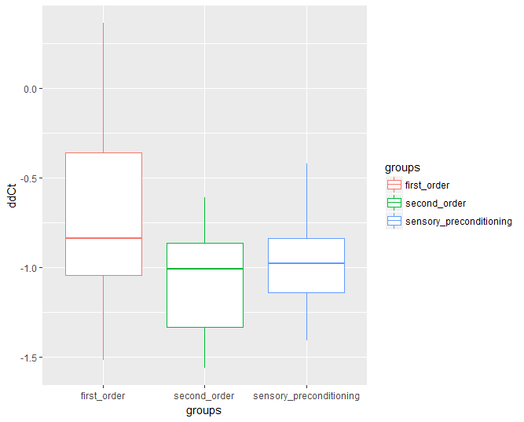
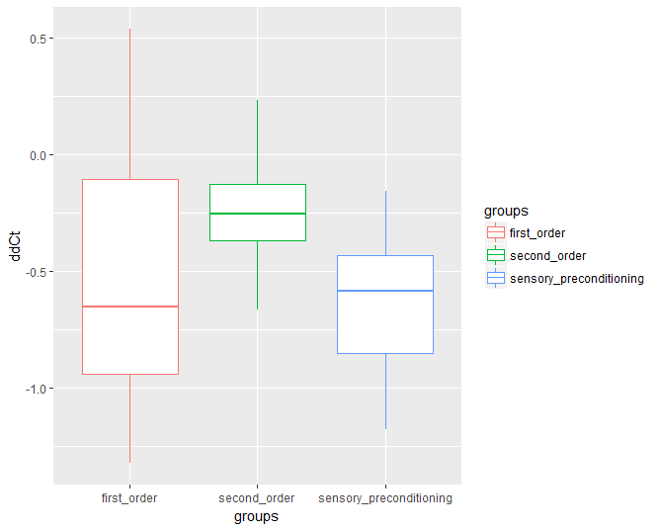
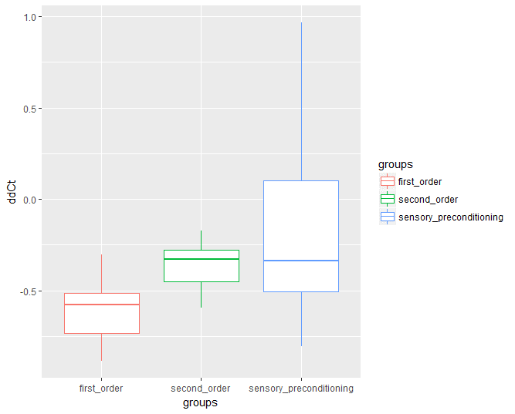
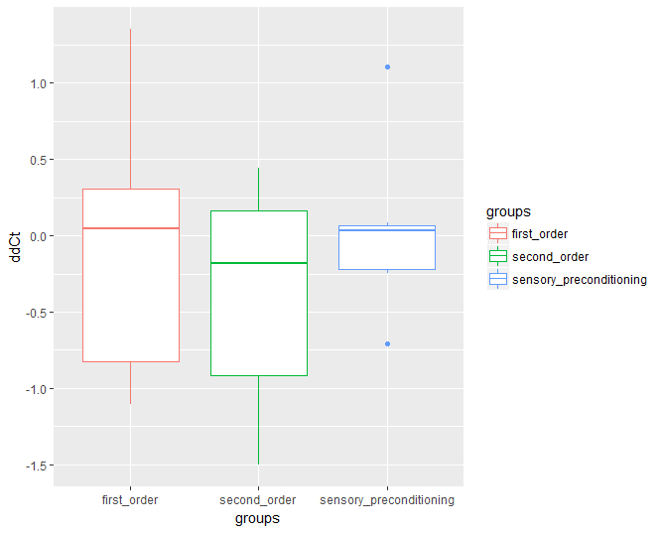
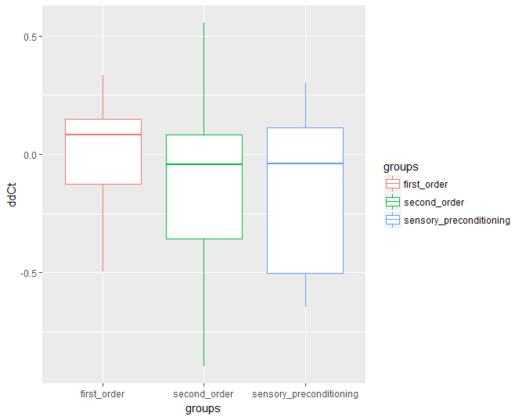
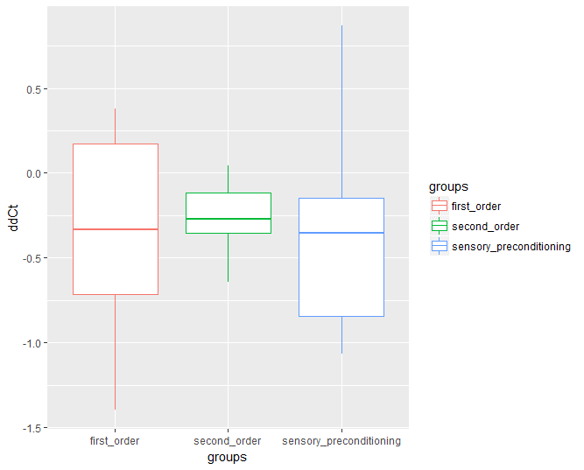
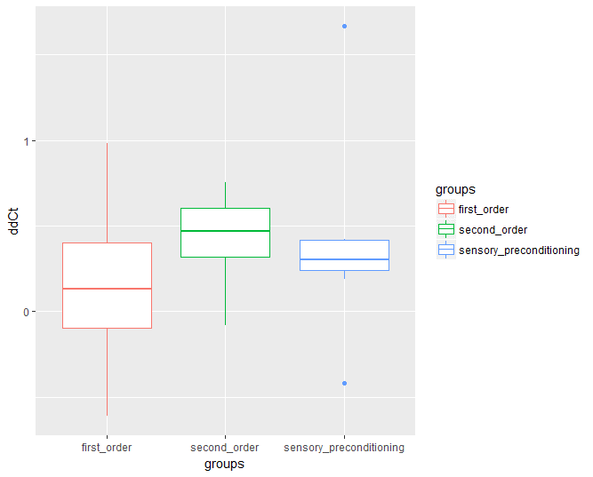
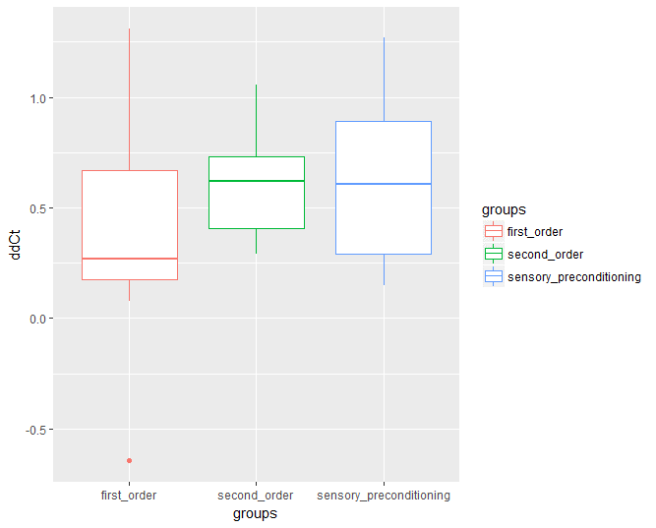
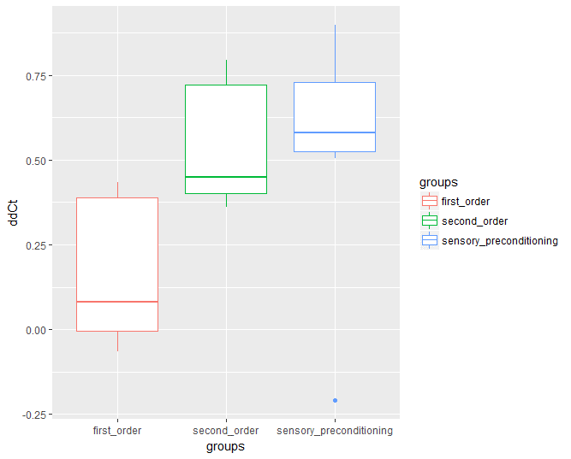
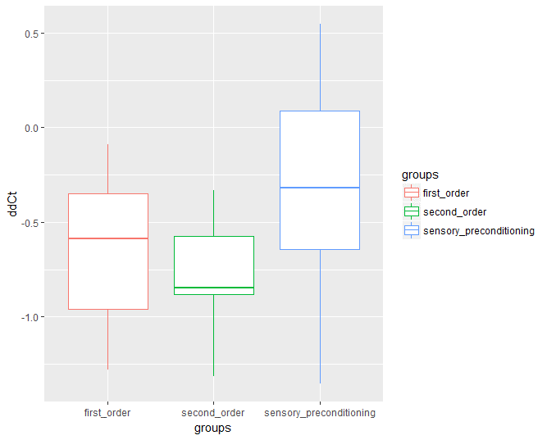
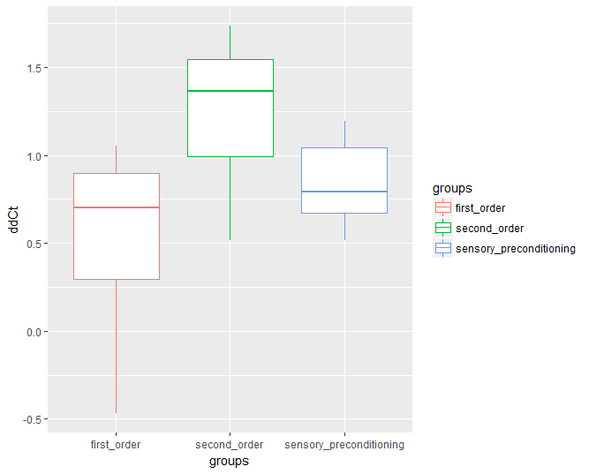

 |  |  |  |  |  |  |  |  |  |  |  |  |  |  |  |  | second-order | first-order | spc
 |  |  |  |  |  |  |  |  |  |  |  |  |  |  |  | fold-change CaMKIV | 0.44165580655 | 0.74620054253 | 0.56406407915
fold-change CaMKIV

summary fo baseline gapdh
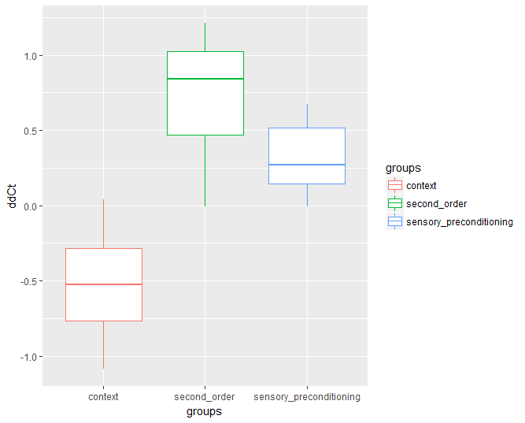
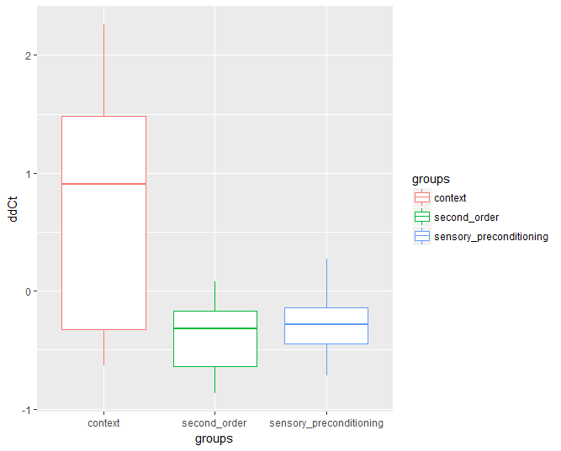
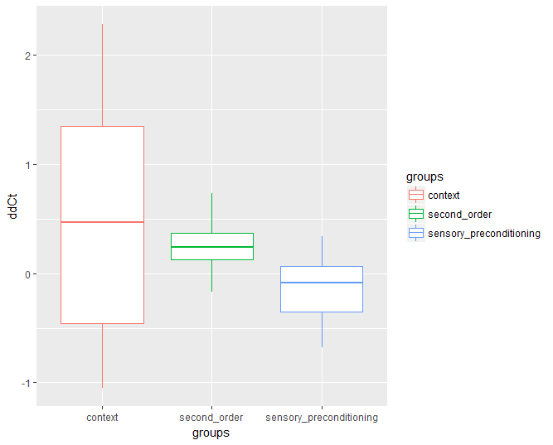
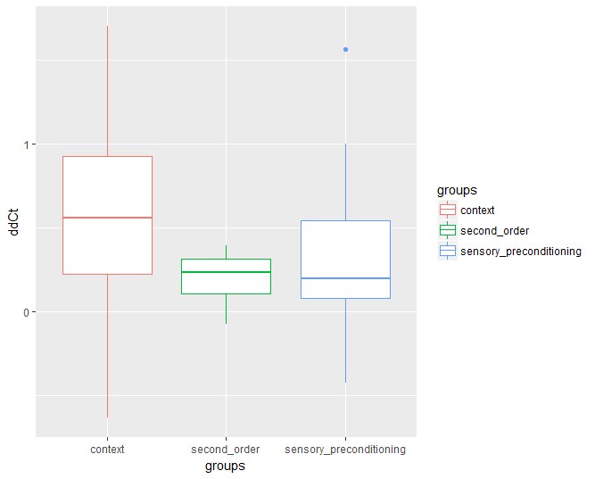
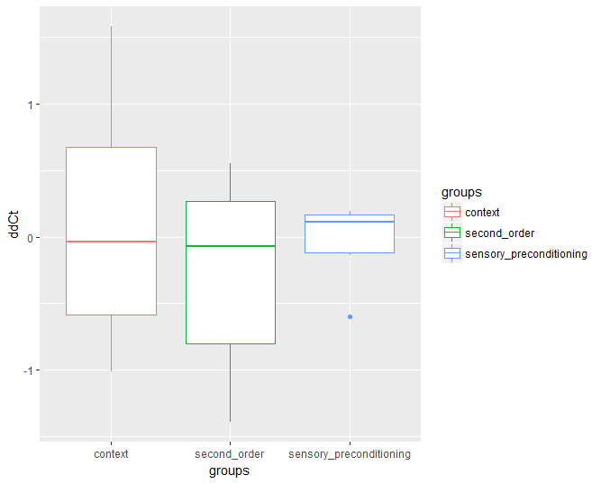
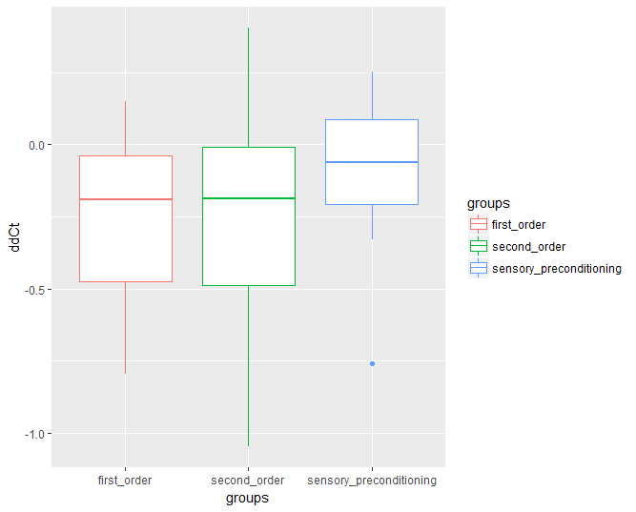
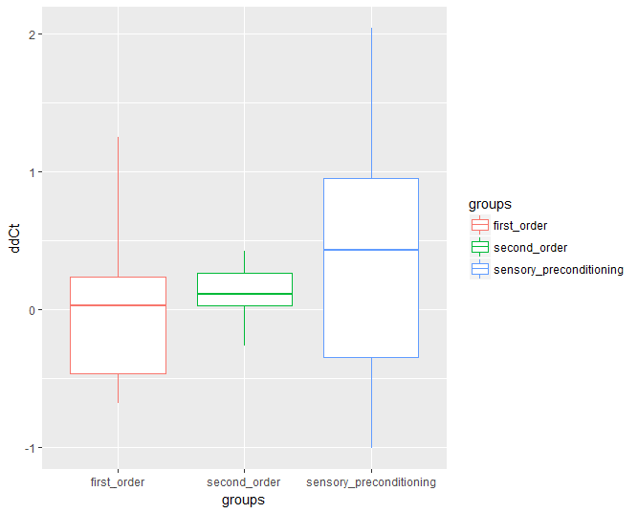
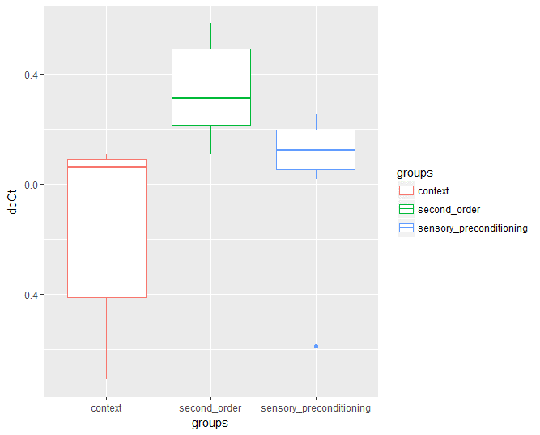
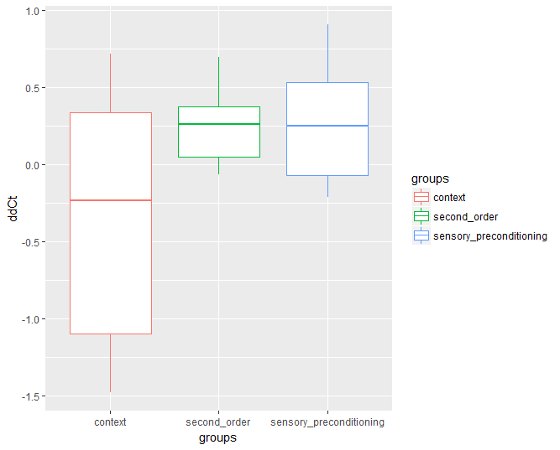
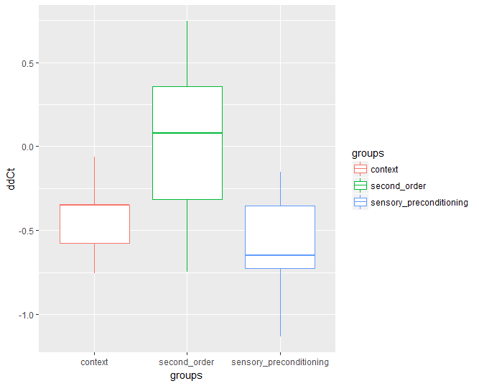
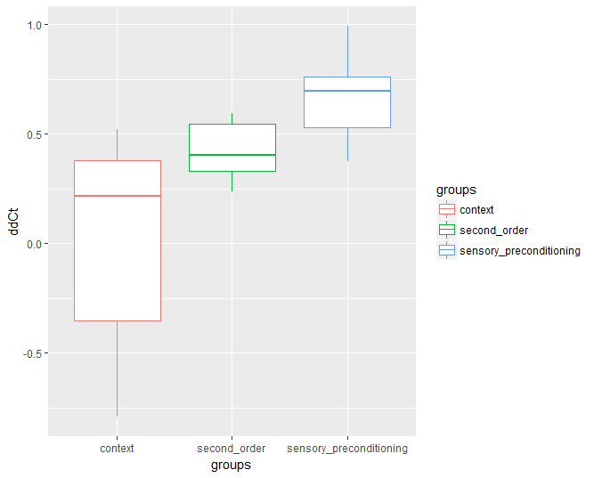
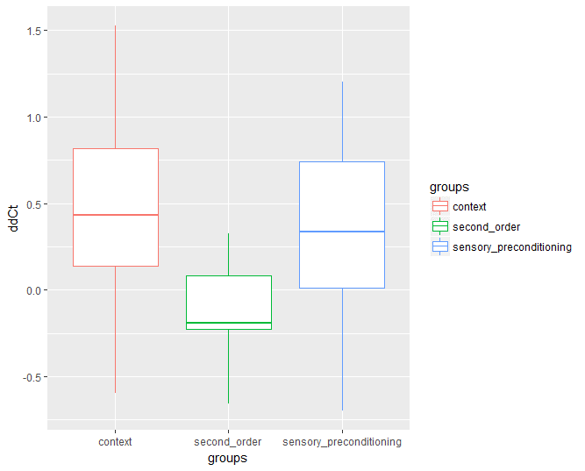
 |  |  |  |  |  |  |  |  |  |  |  |  |  |  |  |  |  |  |  | CamK4 |  |  |  |  |  | CamKIIa |  |  |  |  |  | CamKIIb |  |  |  |  |  | Dnmt3a |  |  |  |  |  | Arc |  |  |  |  |  | Prkaca |  |  |  |  |  | EGR-1 |  |  |  |  |  | PKC-b1 |  |  |  |  |  | PKIa |  |  |  |  |  |  | bdnf9 |  |  |  |  |  | mapk1 |  |  |  |  |  | map2k7
 |  |  | b-actin | GAPDH SYBR | GAPDH Taqman | Camk4 | map2k7 | mapk1 | bdnf9 | Arc | Prkaca | EGR-1 | CamkIIa | PKC-b1 | PKIa | Dnmt3a | CamkIIb | delta | avg control | Avg - Control | delta delta Ct |  |  | delta | avg control | Avg - Control | delta delta Ct |  |  | delta | avg control | Avg - Control | delta delta Ct |  |  | delta | avg control | Avg - Control | delta delta Ct |  |  | delta | avg control | Avg - Control | delta delta Ct |  |  | delta | avg control | Avg - Control | delta delta Ct |  |  | delta | avg control | Avg - Control | delta delta Ct |  |  | delta | avg control | Avg - Control | delta delta Ct |  |  | delta | avg control | Avg - Control | delta delta Ct |  |  |  | delta | avg control | Avg - Control | delta delta Ct |  |  | delta | avg control | Avg - Control | delta delta Ct |  |  | delta | avg control | Avg - Control | delta delta Ct
A1 | 1 | second-order | 25.249937057 | 23.735458374 | 22.463102341 | 30.557098389 | 32.249664307 | 29.140100479 | 29.963087082 | 31.990728378 | 30.046262741 | 31.45656395 | 27.747156143 | 29.05683136 | 28.35231781 | 30.48843956 | 27.958480835 | 6.8216400146 | 6.03542781 | 0.78621220463 | 0.57986452926 | 2.2081638713 |  | 4.0116977692 | 4.1598561119 | -0.14815834274 | 1.1081539664 | 1.3098876209 |  | 4.2230224609 | 4.1016311954 | 0.12139126549 | 0.91930069379 | 1.19523585 |  | 6.7529811859 | 6.4159641619 | 0.33701702401 | 0.79167652392 | 1.2270641032 |  | 8.2552700043 | 8.2003076089 | 0.054962395368 | 0.96261953398 | 1.2646485061 |  | 6.3108043671 | 6.2618620736 | 0.04894229344 | 0.96664476125 | 0.64770228129 |  | 7.7211055756 | 7.6986286949 | 0.022476880646 | 0.98454095059 | 1.193775834 |  | 5.3213729858 | 4.9994331907 | 0.32193979511 | 0.79999351204 | 0.82343117798 |  | 4.616859436 | 4.3568265747 | 0.26003286133 | 0.83506889823 | 0.78047847745 |  |  | 6.2276287079 | 5.8750460457 | 0.3525826622 | 0.78318081931 | 1.1336451806 |  | 6.6769981384 | 6.4392113004 | 0.23778683799 | 0.84804525631 | 0.70321238775 |  | 9.7865619659 | 9.9460582733 | -0.15949630737 | 1.1168971242 | 1.1360300477
A2 | 2 | second-order | 27.723808289 | 26.317298889 | 24.719749451 | 33.244256973 | 35.725057602 | 31.752523422 | 31.442842484 |  | 31.993356705 | 34.198480606 | 31.802724838 | 31.900192261 | 30.607826233 | 34.193807602 | 31.151741028 | 6.9269580841 | 6.03542781 | 0.89153027409 | 0.53904205022 | -0.39454814298 |  | 5.4854259491 | 4.1598561119 | 1.3255698372 | 0.39899156795 | -1.5857444501 |  | 4.8344421387 | 4.1016311954 | 0.73281094322 | 0.60173036109 | -1.0428463854 |  | 7.8765087128 | 6.5990851283 | 1.2774235844 | 0.41253156459 | -0.52029624511 |  |  |  |  |  | -1.8168617006 |  | 5.6760578156 | 6.2618620736 | -0.58580425807 | 1.500875448 | -1.2148927241 |  | 7.8811817169 | 7.6986286949 | 0.182553022 | 0.88114232871 | -1.4326339144 |  | 5.5828933716 | 4.9994331907 | 0.58346018085 | 0.66736124743 | -0.3096796308 |  | 4.2905273438 | 4.3568265747 | -0.066299230957 | 1.0470274246 | -0.2844927588 |  |  | 5.1255435944 | 5.8750460457 | -0.74950245132 | 1.6812129231 | -1.0875941489 |  | 7.0327739716 | 6.5258038385 | 0.5069701331 | 0.70369875559 | 0.14799974399 |  | 11.005308151 | 9.9460582733 | 1.0592498779 | 0.4798815068 | -1.0562734472
A3 | 3 | second-order | 25.384454727 | 24.249891281 | 22.621973038 | 31.352327347 | 31.908563614 | 29.68248558 | 30.177124023 | 31.055229187 | 29.463476181 | 30.425802231 | 27.540115356 | 29.359092712 | 28.685098648 | 31.102858543 | 27.323440552 | 7.1024360657 | 6.03542781 | 1.0670082557 | 0.47730777572 |  | 0.63514708884 | 3.2902240753 | 4.1598561119 | -0.86963203659 | 1.8271968094 |  | 1.3374099483 | 3.0735492706 | 4.1016311954 | -1.0280819248 | 2.0393111669 |  | 0.85008989361 | 6.8529672623 | 6.4604021153 | 0.39256514696 | 0.76177394699 |  | 0.87622325015 | 6.8053379059 | 8.2003076089 | -1.394969703 | 2.6298302927 |  | 1.370759532 | 5.2135848999 | 6.2618620736 | -1.0482771737 | 2.0680587543 |  | 1.2736651677 | 6.1759109497 | 7.6986286949 | -1.5227177452 | 2.8733181503 |  | 0.93465664698 | 5.1092014313 | 4.9994331907 | 0.10976824055 | 0.92673692411 |  | 0.79486677208 | 4.4352073669 | 4.3568265747 | 0.078380792236 | 0.94712004994 |  | 0.83857278585 |  | 5.9272327423 | 5.8750460457 | 0.052186696625 | 0.96447336571 |  | 1.0651076137 | 7.0605125427 | 6.4794519969 | 0.58106054579 | 0.66847219325 |  | 0.76065057823 | 9.2865905762 | 9.9460582733 | -0.65946769714 | 1.5794997373 |  | 1.0289504085
C1 | 16 | second-order | 24.614356995 | 23.071352005 | 21.711496353 | 29.471063614 | 31.819345474 | 28.425962448 | 28.262746811 | 31.613571167 | 29.138051987 | 30.801879883 | 26.99347496 | 27.8197155 | 27.734132767 | 29.792062759 | 27.330919266 | 6.3997116089 | 6.03542781 | 0.36428379887 | 0.77685443531 |  |  | 3.9221229553 | 4.1598561119 | -0.23773315659 | 1.1791384766 |  |  | 4.2595672607 | 4.1016311954 | 0.15793606529 | 0.89630641955 |  |  | 6.7207107544 | 6.4731824411 | 0.24752831334 | 0.84233830965 |  |  | 8.542219162 | 8.2003076089 | 0.34191155308 | 0.78899521009 |  |  | 6.0666999817 | 6.2618620736 | -0.19516209194 | 1.1448527817 |  |  | 7.7305278778 | 7.6986286949 | 0.031899182892 | 0.97813182398 |  |  | 4.7483634949 | 4.9994331907 | -0.25106969585 | 1.1900891875 |  |  | 4.6627807617 | 4.3568265747 | 0.30595418701 | 0.80890703491 |  |  |  | 5.1913948059 | 5.8750460457 | -0.68365123978 | 1.6061996604 |  |  | 6.714466095 | 6.4168372835 | 0.29762881143 | 0.81358849802 |  |  | 10.107849121 | 9.9460582733 | 0.16179084778 | 0.89391474671
C2 | 17 | second-order | 25.061307907 | 23.724082947 | 22.388090134 | 29.750192642 | 32.65819931 | 29.013383865 | 29.676595688 | 32.475351334 | 30.391717911 | 31.844591141 | 27.966835022 | 28.910804749 | 28.09815979 | 30.398071289 | 28.210716248 | 6.0261096954 | 6.03542781 | -0.0093181145804 | 1.006479728 |  |  | 4.2427520752 | 4.1598561119 | 0.082895963287 | 0.94416050271 |  |  | 4.4866333008 | 4.1016311954 | 0.38500210533 | 0.76577788104 |  |  | 6.6739883423 | 6.4543912423 | 0.21959709996 | 0.85880524066 |  |  | 8.7512683868 | 8.2003076089 | 0.55096077794 | 0.68256541537 |  |  | 6.667634964 | 6.2618620736 | 0.40577289036 | 0.75483180084 |  |  | 8.120508194 | 7.6986286949 | 0.42187949905 | 0.74645153633 |  |  | 5.1867218018 | 4.9994331907 | 0.18728861103 | 0.87825475587 |  |  | 4.3740768433 | 4.3568265747 | 0.017250268555 | 0.98811422555 |  |  |  | 5.9525127411 | 5.8750460457 | 0.077466695404 | 0.94772033881 |  |  | 6.6252937317 | 6.2648371288 | 0.36045660291 | 0.77891801853 |  |  | 10.270109177 | 9.9460582733 | 0.32405090332 | 0.79882373066
C3 | 18 | second-order | 24.084144592 | 22.583086014 | 21.420928955 | 29.831636429 | 31.147192001 | 28.077497482 | 28.822641373 | 30.581098557 | 28.66277504 | 30.573799133 | 26.34687233 | 27.882089615 | 27.381322861 | 29.119905472 | 27.015516281 | 7.248550415 | 6.03542781 | 1.213122605 | 0.43133401451 |  |  | 3.7637863159 | 4.1598561119 | -0.39606979599 | 1.3159181862 |  |  | 4.4324302673 | 4.1016311954 | 0.33079907188 | 0.79509597845 |  |  | 6.536819458 | 6.4658203478 | 0.070999110195 | 0.95197849565 |  |  | 7.9980125427 | 8.2003076089 | -0.20229506618 | 1.15052718 |  |  | 6.0796890259 | 6.2618620736 | -0.18217304775 | 1.1345915683 |  |  | 7.9907131195 | 7.6986286949 | 0.29208442459 | 0.81672119628 |  |  | 5.2990036011 | 4.9994331907 | 0.29957041035 | 0.81249429584 |  |  | 4.7982368469 | 4.3568265747 | 0.44141027222 | 0.73641439232 |  |  |  | 6.2395553589 | 5.8750460457 | 0.3645093132 | 0.77673301109 |  |  | 6.6565685272 | 6.2551449367 | 0.40142359052 | 0.75711082955 |  |  | 9.7262630463 | 9.9460582733 | -0.21979522705 | 1.1645682785
C4 | 19 | second-order | 24.77806282 | 23.607627869 | 22.13045311 | 31.677871704 | 31.849327087 | 29.072052002 | 30.230260849 | 30.800725937 | 29.44102478 | 31.042078018 | 27.04511261 | 29.154233932 | 28.663675308 | 30.035766602 | 27.542764664 | 8.0702438354 | 6.03542781 | 2.0348160254 | 0.24403905842 |  |  | 3.4374847412 | 4.1598561119 | -0.7223713707 | 1.6498917487 |  |  | 3.935136795 | 4.1016311954 | -0.16649440041 | 1.1223280278 |  |  | 6.4281387329 | 6.4995815085 | -0.071442775617 | 1.050766984 |  |  | 7.1930980682 | 8.2003076089 | -1.0072095407 | 2.01001956 |  |  | 5.8333969116 | 6.2618620736 | -0.428465162 | 1.3458010595 |  |  | 7.4344501495 | 7.6986286949 | -0.26417854538 | 1.200952046 |  |  | 5.5466060638 | 4.9994331907 | 0.54717287312 | 0.68435989717 |  |  | 5.0560474396 | 4.3568265747 | 0.69922086487 | 0.6159047395 |  |  |  | 6.6226329803 | 5.8750460457 | 0.74758693466 | 0.59559892922 |  |  | 6.9415988922 | 6.3476829529 | 0.59391593933 | 0.66254211135 |  |  | 9.7188739777 | 9.9460582733 | -0.22718429565 | 1.1705481624
A4 | 4 | first-order | 26.918840408 | 25.402854919 | 23.997125626 | 31.966454506 | 33.320114136 | 30.696100235 | 32.680505753 | 33.053203583 | 32.346523285 | 32.913394928 | 29.503259659 | 30.505874634 | 30.05418396 | 31.539474487 | 29.105957031 | 6.5635995865 |  |  |  |  |  | 4.1004047394 |  |  |  |  |  | 3.7031021118 |  |  |  |  |  | 6.1366195679 |  |  |  |  |  | 7.6503486633 |  |  |  |  |  | 6.9436683655 |  |  |  |  |  | 7.5105400085 |  |  |  |  |  | 5.1030197144 | 4.9994331907 | 0.10358652363 | 0.93071636277 | 1.0235245174 |  | 4.6513290405 |  |  |  |  |  |  | 7.2776508331 |  |  |  |  |  | 6.6989746094 |  |  |  |  |  | 9.3229885101
A5 | 5 | first-order | 27.370910645 | 26.152633667 | 24.601110458 | 32.53414917 | 34.792593002 | 31.27230072 | 32.003396988 |  | 32.598575592 | 34.611042023 | 31.04552269 | 31.963926315 | 30.226795197 | 33.5711 | 31.072076797 | 6.3815155029 |  |  |  |  |  | 4.8928890228 |  |  |  |  |  | 4.9194431305 |  |  |  |  |  | 7.418466333 |  |  |  |  |  |  |  |  |  |  |  | 6.445941925 |  |  |  |  |  | 8.4584083557 |  |  |  |  |  | 5.8112926483 | 4.9994331907 | 0.81185945759 | 0.56964717899 | -1.0235245174 |  | 4.0741615295 |  |  |  |  |  |  | 5.8507633209 |  |  |  |  |  | 6.6711902618 |  |  |  |  |  | 10.191482544 |  | -0.15949630737
A6 | 6 | first-order | 24.919418335 | 23.70032692 | 22.290334702 | 29.915008545 | 32.48550415 | 28.928277969 | 28.739059448 | 32.054607391 | 29.901596069 | 31.25944519 | 27.600097656 | 28.480302811 | 28.001787186 | 30.148012161 | 27.849817276 | 6.2146816254 |  |  |  |  |  | 3.8997707367 |  |  |  |  |  | 4.1494903564 |  |  |  |  |  | 6.4476852417 |  |  |  |  |  | 8.3542804718 |  |  |  |  |  | 6.2012691498 |  |  |  |  |  | 7.5591182709 |  |  |  |  |  | 4.7799758911 | 4.9994331907 | -0.21945729961 | 1.1642955296 |  | 1.0162696556 | 4.3014602661 |  |  |  |  |  |  | 5.0387325287 |  |  |  |  |  | 6.6379432678 |  |  |  |  |  | 10.195169449 |  | -0.65946769714
A7 | 7 | first-order | 25.233978271 | 24.054056168 | 22.411771774 | 31.781995773 | 32.836500168 | 29.71689415 | 29.836046219 | 31.36413765 | 29.667718887 | 30.734786987 | 27.389755249 | 29.591817856 | 29.363082886 | 30.59120369 | 27.328918457 | 7.7279396057 |  |  |  |  |  | 3.3356990814 |  |  |  |  |  | 3.2748622894 |  |  |  |  |  | 6.537147522 |  |  |  |  |  | 7.3100814819 |  |  |  |  |  | 5.6136627197 |  |  |  |  |  | 6.6807308197 |  |  |  |  |  | 5.5377616882 | 4.9994331907 | 0.53832849751 | 0.68856822034 |  |  | 5.3090267181 |  |  |  |  |  |  | 5.7819900513 |  |  |  |  |  | 7.3051223755 |  |  |  |  |  | 10.424728394 |  | 0.16179084778
D5 | 28 | first-order | 24.943445206 | 23.815139771 | 22.490501404 | 28.856466293 | 32.231212616 | 28.837228775 | 30.971017838 | 32.310958862 | 30.007368088 | 31.746154785 | 28.173599243 | 28.034193993 | 28.019910812 | 30.220748901 | 27.561452866 | 5.0413265228 |  |  |  |  |  | 4.3584594727 |  |  |  |  |  | 3.7463130951 |  |  |  |  |  | 6.4056091309 |  |  |  |  |  | 8.4958190918 |  |  |  |  |  | 6.1922283173 |  |  |  |  |  | 7.9310150146 |  |  |  |  |  | 4.2190542221 | 4.9994331907 | -0.78037896862 | 1.7175819898 |  |  | 4.2047710419 |  |  |  |  |  |  | 7.155878067 |  |  |  |  |  | 6.3467273712 |  |  |  |  |  | 9.7407112122 |  | 0.32405090332
D6 | 29 | first-order | 24.235124588 | 22.951505661 | 21.738525391 | 29.386703491 | 31.574487686 | 27.938165665 | 28.729629517 | 31.678750038 | 29.071886063 | 31.247524261 | 26.881034851 | 28.08366394 | 27.187143326 | 29.43711853 | 27.304159164 | 6.4351978302 |  |  |  |  |  | 3.9295291901 |  |  |  |  |  | 4.3526535034 |  |  |  |  |  | 6.4856128693 |  |  |  |  |  | 8.7272443771 |  |  |  |  |  | 6.1203804016 |  |  |  |  |  | 8.2960186005 |  |  |  |  |  | 5.1321582794 | 4.9994331907 | 0.13272508869 | 0.91210695459 |  |  | 4.2356376648 |  |  |  |  |  |  | 5.7781238556 |  |  |  |  |  | 6.199640274 |  |  |  |  |  | 9.8359622955 |  | -0.21979522705
D7 | 30 | first-order | 25.279275894 | 23.950399399 | 22.490255356 | 29.448163986 | 33.004375458 | 28.731376648 | 29.064882278 | 33.612350464 | 30.266283035 | 32.185276031 | 29.168653488 | 28.772270203 | 27.304029465 | 30.672340393 | 29.090438843 | 5.4977645874 |  |  |  |  |  | 5.2182540894 |  |  |  |  |  | 5.140039444 |  |  |  |  |  | 6.7219409943 |  |  |  |  |  | 9.6619510651 |  |  |  |  |  | 6.3158836365 |  |  |  |  |  | 8.2348766327 |  |  |  |  |  | 4.8218708038 | 4.9994331907 | -0.17756238689 | 1.1309713529 |  |  | 3.3536300659 |  |  |  |  |  |  | 5.1144828796 |  |  |  |  |  | 6.2411212921 |  |  |  |  |  | 10.514120102 |  | -0.22718429565
D8 | 31 | first-order | 24.11900808 | 23.047233334 | 21.915904999 | 29.161142349 | 31.259208679 | 28.194787025 | 28.049980164 | 30.249661446 | 28.898643494 | 29.965555191 | 26.591075897 | 27.637565613 | 27.771829605 | 29.224367142 | 26.574378967 | 6.1139090149 |  |  |  |  |  | 3.5438425629 |  |  |  |  |  | 3.5271456329 |  |  |  |  |  | 6.1771338074 |  |  |  |  |  | 7.2024281113 |  |  |  |  |  | 5.8514101593 |  |  |  |  |  | 6.9183218567 |  |  |  |  |  | 4.5903322784 | 4.9994331907 | -0.40910091228 | 1.3278580349 |  |  | 4.7245962708 |  |  |  |  |  |  | 5.0027468292 |  |  |  |  |  | 6.2788820267 |  |  |  |  |  | 9.3433036804
B5 | 12 | spc | 26.378412247 | 25.044876099 | 23.3872509 | 31.349563599 | 34.537967682 | 30.234657288 | 29.785339355 | 33.413581848 | 30.509340286 | 33.353450775 | 30.049341202 | 30.19078064 | 29.190778732 | 33.037591934 | 29.383153915 | 6.3046875 | 6.03542781 | 0.26925968998 | 0.8297452152 | 1.7280317049 |  | 5.0044651031 | 4.1598561119 | 0.84460899124 | 0.55686171301 | 0.86105429037 |  | 4.3382778168 | 4.1016311954 | 0.23664662132 | 0.8487157636 | 0.55216754681 |  | 7.9927158356 | 6.4279036194 | 1.5648122162 | 0.33802170291 | 1.6283979433 |  | 8.3687057495 | 8.2003076089 | 0.16839814061 | 0.88983013291 | 1.1531071406 |  | 5.4644641876 | 6.2618620736 | -0.797397886 | 1.7379636234 | 0.45675721079 |  | 8.3085746765 | 7.6986286949 | 0.6099459816 | 0.65522123472 | 1.3272213109 |  | 5.145904541 | 4.9994331907 | 0.14647135029 | 0.9034575053 | 1.3849988618 |  | 4.1459026337 | 4.3568265747 | -0.21092394104 | 1.1574291957 | 1.0864123412 |  |  | 4.7404632568 | 5.8750460457 | -1.1345827888 | 2.1955506073 | 1.2557295544 |  | 6.8474063873 | 6.3224466869 | 0.52495970045 | 0.69497852285 | 1.2377689122 |  | 11.150716782 | 9.9460582733 | 1.2046585083 | 0.43387203067 | 1.5617648733
B6 | 13 | spc | 24.820943832 | 23.572921753 | 21.944631577 | 30.270645142 | 32.590116501 | 28.907806396 | 28.790948868 | 31.636219978 | 29.940050125 | 31.257011414 | 27.542495728 | 28.660619736 | 28.410322189 | 30.285675049 | 27.658601761 | 6.6977233887 | 6.03542781 | 0.66229557866 | 0.63187207832 | -0.69195659218 |  | 3.9695739746 | 4.1598561119 | -0.1902821373 | 1.1409868285 | -1.1272076877 |  | 4.0856800079 | 4.1016311954 | -0.015951187515 | 1.0111178699 | -0.79985542523 |  | 6.7127532959 | 6.4514465685 | 0.26130672738 | 0.83433187732 | -0.87132379408 |  | 8.0632982254 | 8.2003076089 | -0.1370093835 | 1.0996233014 | -0.90115187238 |  | 6.3671283722 | 6.2618620736 | 0.10526629857 | 0.92963333124 | -1.0528089719 |  | 7.6840896606 | 7.6986286949 | -0.014539034271 | 1.0101286415 | -1.2319509774 |  | 5.0876979828 | 4.9994331907 | 0.088264792061 | 0.94065344426 | -0.9378055394 |  | 4.8374004364 | 4.3568265747 | 0.48057386169 | 0.71669248809 | -0.55013749298 |  |  | 5.2180271149 | 5.8750460457 | -0.65701893082 | 1.5768210388 | -1.9094571477 |  | 6.9631748199 | 6.4273053578 | 0.53586946215 | 0.68974286736 | -0.10552149266 |  | 10.645484924 | 9.9460582733 | 0.699426651 | 0.61581689307 | -0.91764632587
B7 | 14 | spc | 25.35118866 | 24.397985458 | 22.775756836 | 30.466806412 | 32.836874008 | 29.573217392 | 30.122098923 | 32.76550293 | 30.453430176 | 31.588866234 | 28.266777039 | 29.521726608 | 28.985498428 | 30.907234192 | 28.155145645 | 6.0688209534 | 6.03542781 | 0.033393143354 | 0.97711945901 |  | 0.81118294491 | 3.8687915802 | 4.1598561119 | -0.29106453171 | 1.2235427689 |  | 1.2343210194 | 3.7571601868 | 4.1016311954 | -0.34447100868 | 1.2696853431 |  | 1.1163899744 | 6.5092487335 | 6.372150184 | 0.13709854954 | 0.90934613285 |  | 0.82761383072 | 8.3675174713 | 8.2003076089 | 0.16720986241 | 0.89056334491 |  | 0.96328717649 | 6.0554447174 | 6.2618620736 | -0.20641735622 | 1.1538193444 |  | 1.2672884545 | 7.1908807755 | 7.6986286949 | -0.50774791946 | 1.4218289543 |  | 1.0452513056 | 5.1237411499 | 4.9994331907 | 0.12430795918 | 0.91744402286 |  | 0.99043007258 | 4.58751297 | 4.3568265747 | 0.23068639526 | 0.85222932764 |  | 0.83681538031 |  | 5.7241134644 | 5.8750460457 | -0.15093258133 | 1.1102869475 |  | 1.5347258227 | 6.797460556 | 6.4243397032 | 0.37312085288 | 0.77211045159 |  | 0.70483163437 | 10.061117172 | 9.9460582733 | 0.11505889893 | 0.92334461384 |  | 0.91483109004
B8 | 15 | spc | 24.786050797 | 23.341321945 | 21.907043457 | 30.048547745 | 31.562579155 | 28.993768692 | 28.418001175 | 30.941110611 | 28.98592186 | 30.355855942 | 26.900743484 | 28.359916687 | 28.388038635 | 29.863225937 | 27.065710068 | 6.7072257996 | 6.03542781 | 0.67179798955 | 0.62772388525 |  |  | 3.5594215393 | 4.1598561119 | -0.6004345726 | 1.5161732036 |  |  | 3.7243881226 | 4.1016311954 | -0.37724307289 | 1.2988574227 |  |  | 6.5219039917 | 6.5377617235 | -0.015857731846 | 1.0110523733 |  |  | 7.5997886658 | 8.2003076089 | -0.60051894313 | 1.5162618738 |  |  | 5.6445999146 | 6.2618620736 | -0.61726215908 | 1.5339613779 |  |  | 7.0145339966 | 7.6986286949 | -0.68409469833 | 1.6066934532 |  |  | 5.0185947418 | 4.9994331907 | 0.019161551094 | 0.98680603846 |  |  | 5.0467166901 | 4.3568265747 | 0.68989011536 | 0.6199010637 |  |  |  | 5.0766792297 | 5.8750460457 | -0.79836681595 | 1.739131251 |  |  | 7.086725235 | 6.2802705765 | 0.80645465851 | 0.57178526279 |  |  | 9.6555356979 | 9.9460582733 | -0.29052257538 | 1.2230832247
C5 | 20 | spc | 24.877642632 | 23.747253418 | 22.246315002 | 30.154352188 | 32.494495392 | 29.410263062 | 29.25312233 | 32.139381409 | 30.160202026 | 30.994346619 | 27.81189537 | 28.992341995 | 29.014642715 | 30.683073044 | 27.168561935 | 6.4070987701 | 6.03542781 | 0.37167096013 | 0.77288680421 |  |  | 4.0646419525 | 4.1598561119 | -0.095214159393 | 1.0682239677 |  |  | 3.4213085175 | 4.1016311954 | -0.68032267799 | 1.6024981352 |  |  | 6.9358196259 | 6.5425587054 | 0.3932609205 | 0.7614066522 |  |  | 8.3921279907 | 8.2003076089 | 0.19182038182 | 0.87550032431 |  |  | 6.4129486084 | 6.2618620736 | 0.15108653477 | 0.90057196072 |  |  | 7.2470932007 | 7.6986286949 | -0.45153549423 | 1.3674949395 |  |  | 5.2450885773 | 4.9994331907 | 0.24565538654 | 0.84343255511 |  |  | 5.2673892975 | 4.3568265747 | 0.91056272278 | 0.53197755307 |  |  |  | 5.5058689117 | 5.8750460457 | -0.36917713394 | 1.291615925 |  |  | 7.1639480591 | 6.1705568859 | 0.99339117323 | 0.50229569898 |  |  | 10.248180389 | 9.9460582733 | 0.30212211609 | 0.81105850109
C6 | 21 | spc | 26.069375992 | 24.57285881 | 23.086751938 | 32.489671707 | 33.906251907 | 29.856338501 | 31.927412033 | 33.988731384 | 30.750253677 | 33.522434235 | 29.002817154 | 31.071001053 | 28.906158447 | 32.27671814 | 29.015874863 | 7.9168128967 | 6.03542781 | 1.8813850867 | 0.2714230057 |  |  | 4.4299583435 | 4.1598561119 | 0.2701022316 | 0.82926078103 |  |  | 4.4430160522 | 4.1016311954 | 0.3413848568 | 0.7892833075 |  |  | 7.7038593292 | 6.7057476397 | 0.99811168954 | 0.50065486701 |  |  | 9.4158725739 | 8.2003076089 | 1.2155649649 | 0.43060442048 |  |  | 6.1773948669 | 6.2618620736 | -0.084467206682 | 1.0602960973 |  |  | 8.9495754242 | 7.6986286949 | 1.2509467293 | 0.42017239046 |  |  | 6.4981422424 | 4.9994331907 | 1.4987090517 | 0.35386989783 |  |  | 4.3332996368 | 4.3568265747 | -0.023526937866 | 1.0164413258 |  |  |  | 7.3545532227 | 5.8750460457 | 1.479507177 | 0.3586112923 |  |  | 6.7695865631 | 6.0521783829 | 0.71740818024 | 0.60818908066 |  |  | 10.819499969 | 9.9460582733 | 0.87344169617 | 0.54584313171
C7 | 22 | spc | 24.599187851 | 23.289831161 | 21.743400574 | 29.319549561 | 32.061038971 | 28.588834763 | 28.82916069 | 31.598779678 | 29.375640869 | 31.056930542 | 27.163032532 | 28.542610168 | 27.915472031 | 29.948999405 | 27.231056213 | 6.029718399 | 6.03542781 | -0.0057094109671 | 1.0039653032 |  |  | 3.8732013702 | 4.1598561119 | -0.28665474167 | 1.2198085571 |  |  | 3.9412250519 | 4.1016311954 | -0.16040614357 | 1.117601718 |  |  | 6.6591682434 | 6.5450753156 | 0.11409292777 | 0.92396305565 |  |  | 8.3089485168 | 8.2003076089 | 0.10864090794 | 0.92746136623 |  |  | 6.0858097076 | 6.2618620736 | -0.17605236598 | 1.1297882221 |  |  | 7.7670993805 | 7.6986286949 | 0.068470685577 | 0.95364836783 |  |  | 5.252779007 | 4.9994331907 | 0.25334581623 | 0.83894851575 |  |  | 4.6256408691 | 4.3568265747 | 0.26881429443 | 0.83000141757 |  |  |  | 5.5393295288 | 5.8750460457 | -0.33571651688 | 1.2620040296 |  |  | 6.8454341888 | 6.1487053235 | 0.69672886531 | 0.61696952495 |  |  | 10.317638397 | 9.9460582733 | 0.3715801239 | 0.77293546891
C8 | 23 | spc | 23.84862709 | 22.598825455 | 21.404121399 | 28.894460678 | 30.650888443 | 27.459371567 | 27.825248718 | 30.692848206 | 28.101724625 | 30.407089233 | 26.043006897 | 27.011116028 | 26.754674911 | 28.819021225 | 26.710067749 | 6.2956352234 | 6.03542781 | 0.26020741337 | 0.83496786914 |  |  | 3.4441814423 | 4.1598561119 | -0.71567466965 | 1.6422510292 |  |  | 4.1112422943 | 4.1016311954 | 0.0096110988617 | 0.99336023522 |  |  | 6.2201957703 | 6.6447244725 | -0.42452870222 | 1.3421339845 |  |  | 8.0940227509 | 8.2003076089 | -0.10628485805 | 1.0764526478 |  |  | 5.5028991699 | 6.2618620736 | -0.7589629037 | 1.6922736789 |  |  | 7.8082637787 | 7.6986286949 | 0.10963508377 | 0.92682246333 |  |  | 4.4122905731 | 4.9994331907 | -0.58714261761 | 1.5022684263 |  |  | 4.1558494568 | 4.3568265747 | -0.20097711792 | 1.1494766164 |  |  |  | 5.2264232635 | 5.8750460457 | -0.64862278214 | 1.5676709596 |  |  | 6.0552501678 | 6.1741933823 | -0.11894321442 | 1.0859391121 |  |  | 9.2467670441 | 9.9460582733 | -0.69929122925 | 1.623706898
B1 | 8 | context | 24.854948044 | 23.767652512 | 22.264162064 | 29.842684746 | 32.275512695 | 28.918167114 | 29.294733047 | 31.298593521 | 29.699661255 | 30.642774582 | 27.292448044 | 28.447992325 | 28.594461441 | 30.152648926 | 26.999376297 | 6.0750322342 | 6.03542781 | 0.039604424177 | 0.97292167844 | 0.28714928965 |  | 3.5247955322 | 4.1598561119 | -0.63506057968 | 1.5530029602 | 2.9902632667 |  | 3.2317237854 | 4.1016311954 | -0.86990741005 | 1.8275456076 | 3.0949999357 |  | 6.3849964142 | 6.4625215942 | -0.077525180054 | 1.0552063708 | 2.1211850994 |  | 7.5309410095 | 8.2003076089 | -0.66936659938 | 1.5903745764 | 2.0571117582 |  | 5.9320087433 | 6.2618620736 | -0.32985333034 | 1.2568855884 | 0.69672834373 |  | 6.8751220703 | 7.6986286949 | -0.8235066246 | 1.7697022198 | 2.5699533689 |  | 4.6803398132 | 4.9994331907 | -0.31909337749 | 1.2475463159 | 0.51156615688 |  | 4.8268089294 | 4.3568265747 | 0.46998235474 | 0.72197342799 | 1.3983376077 |  |  | 5.5270805359 | 5.8750460457 | -0.3479655098 | 1.2727645072 | 0.68889760048 |  | 6.6540050507 | 6.266592741 | 0.38741230965 | 0.7644996204 | 1.0010967034 |  | 10.011350632 | 9.9460582733 | 0.065292358398 | 0.95575161739 | 2.3257975772
B2 | 9 | context | 23.816354752 | 22.858972549 | 21.415634155 | 27.806798935 | 30.765632629 | 27.897134781 | 33.615655899 | 30.046640396 | 29.098327637 | 29.547876358 | 26.741952896 | 27.148635864 | 27.425073624 | 28.688894272 | 25.908483505 | 4.9478263855 | 6.03542781 | -1.0876014245 | 2.1252041343 | -1.335485798 |  | 3.8829803467 | 4.1598561119 | -0.27687576523 | 1.2115683242 | -1.6058526747 |  | 3.0495109558 | 4.1016311954 | -1.0521202396 | 2.0735750144 | -2.0982277763 |  | 5.8299217224 | 6.4625215942 | -0.63259987183 | 1.5503563653 | -0.99755820029 |  | 7.1876678467 | 8.2003076089 | -1.0126397622 | 2.0175994147 | -1.8409311182 |  | 6.2393550873 | 6.2618620736 | -0.022506986346 | 1.0157229796 | -0.99812757469 |  | 6.6889038086 | 7.6986286949 | -1.0097248863 | 2.0135270954 | -1.8096425083 |  | 4.2896633148 | 4.9994331907 | -0.70976987591 | 1.635543211 | -0.84943051546 |  | 4.5661010742 | 4.3568265747 | 0.20927449951 | 0.86497209793 | -2.1152730316 |  | 10.75668335 |  |  |  |  | -2.0513935615 |  | 6.4815006256 | 6.266592741 | 0.2149078846 | 0.86160117079 | -1.0037422641 |  | 9.3499984741 | 9.9460582733 | -0.59605979919 | 1.5115825816 | -1.0134316366
B3 | 10 | context | 24.523950577 | 23.155311584 | 21.76906395 | 30.558805466 | 32.078727722 | 28.558324814 | 28.680837631 | 31.032426834 | 29.335418701 | 30.97735405 | 26.935195923 | 28.262960434 | 28.230997086 | 30.144514084 | 27.205184937 | 7.4034938812 |  |  |  |  | 1.485982552 | 3.7798843384 | 4.1598561119 | -0.37997177353 | 1.3013163948 |  | 0.79272519502 | 4.0498733521 | 4.1016311954 | -0.051757843399 | 1.0365271052 |  | 0.96162351207 | 6.9892024994 | 6.4625215942 | 0.52668090515 | 0.69414987439 |  | 0.76688321745 | 7.8771152496 | 8.2003076089 | -0.32319235927 | 1.2510958817 |  | 1.099925128 | 6.1801071167 | 6.2618620736 | -0.081754956927 | 1.0583046256 |  | 1.1567441728 | 7.8220424652 | 7.6986286949 | 0.12341377029 | 0.91801283505 |  | 0.9662688111 | 5.1076488495 | 4.9994331907 | 0.10821565876 | 0.92773478528 |  | 1.1523843569 | 5.0756855011 | 4.3568265747 | 0.71885892639 | 0.60757780491 |  | 1.4981179604 |  | 5.5255260468 | 5.8750460457 | -0.34951999893 | 1.274136637 |  | 1.3545902905 | 6.7892608643 | 6.266592741 | 0.52266812325 | 0.69608330411 |  | 1.0562769402 | 10.309663773 | 9.9460582733 | 0.36360549927 | 0.7772197682 |  | 0.73005655514
B4 | 11 | context | 25.429260254 | 23.93596077 | 22.507080078 | 29.736341476 | 33.377573013 | 29.140325546 | 29.750417709 | 32.95306015 | 30.135602951 | 32.060680389 | 29.001928329 | 29.03650856 | 28.061538696 | 30.958742142 | 28.729019165 | 5.8003807068 | 6.03542781 | -0.23504710323 | 1.1769451632 |  |  | 5.0659675598 | 4.1598561119 | 0.90611144791 | 0.53362144528 |  |  | 4.7930583954 | 4.1016311954 | 0.69142719994 | 0.6192409568 |  |  | 7.0227813721 | 6.4625215942 | 0.56025977783 | 0.67818003673 |  |  | 9.0170993805 | 8.2003076089 | 0.81679177159 | 0.5677029834 |  |  | 6.1996421814 | 6.2618620736 | -0.062219892229 | 1.0440710502 |  |  | 8.1247196198 | 7.6986286949 | 0.42609092484 | 0.74427571865 |  |  | 5.1005477905 | 4.9994331907 | 0.1011145998 | 0.9323124257 |  |  | 4.1255779266 | 4.3568265747 | -0.23124864807 | 1.1738504736 |  |  |  | 5.8144569397 | 5.8750460457 | -0.060589105988 | 1.0428915253 |  |  | 6.6332454681 | 6.266592741 | 0.36665272713 | 0.77557987465 |  |  | 10.870492935 | 9.9460582733 | 0.92443466187 | 0.52688694478
D1 | 24 | context | 25.873323441 | 24.543073654 | 23.310806274 | 30.152854919 | 34.785625458 | 28.783823013 | 29.660303116 |  | 31.05632782 | 34.28320694 | 30.579423904 | 29.603776932 | 27.417531967 | 32.708177567 | 30.659515381 | 5.6097812653 | 6.03542781 | -0.42564654476 | 1.3431743124 |  |  | 6.0363502502 | 4.1598561119 | 1.8764941383 | 0.27234473112 |  |  | 6.1164417267 | 4.1016311954 | 2.0148105312 | 0.24744665908 |  |  | 8.1651039124 | 6.4625215942 | 1.7025823181 | 0.30723568158 |  |  |  |  |  |  |  |  | 6.5132541656 | 6.2618620736 | 0.25139209202 | 0.84008540491 |  |  | 9.7401332855 | 7.6986286949 | 2.0415045906 | 0.24291027292 |  |  | 5.0607032776 | 4.9994331907 | 0.061270086861 | 0.95841999594 |  |  | 2.874458313 | 4.3568265747 | -1.4823682617 | 2.7940701871 |  |  |  | 5.1172294617 | 5.8750460457 | -0.75781658401 | 1.690929586 |  |  | 5.4730167389 | 6.266592741 | -0.79357600212 | 1.7333656283 |  |  | 11.474819183 | 9.9460582733 | 1.52876091 | 0.34657490262
D3 | 26 | context | 24.782236099 | 23.723134995 | 22.342092514 | 28.943099976 | 32.789735794 | 28.363357544 | 29.020711899 | 32.176269531 | 28.977899551 | 31.966650009 | 28.976453781 | 28.216241837 | 27.195669174 | 30.763532639 | 28.294607162 | 5.2199649811 | 6.03542781 | -0.81546282894 | 1.7598626403 |  |  | 5.2533187866 | 4.1598561119 | 1.0934626747 | 0.46863523202 |  |  | 4.571472168 | 4.1016311954 | 0.46984097252 | 0.72204418391 |  |  | 7.040397644 | 6.4625215942 | 0.5778760498 | 0.66994935793 |  |  | 8.4531345367 | 8.2003076089 | 0.25282692784 | 0.8392503113 |  |  | 5.2547645569 | 6.2618620736 | -1.0070975167 | 2.0098634899 |  |  | 8.2435150146 | 7.6986286949 | 0.54488631973 | 0.68544541151 |  |  | 4.493106842 | 4.9994331907 | -0.50632634869 | 1.4204286341 |  |  | 3.4725341797 | 4.3568265747 | -0.88429239502 | 1.8458590528 |  |  |  | 5.2975769043 | 5.8750460457 | -0.57746914139 | 1.4922291969 |  |  | 6.0212650299 | 6.266592741 | -0.24532771111 | 1.1853619977 |  |  | 10.44764328 | 9.9460582733 | 0.50158500671 | 0.70633034991
D4 | 27 | context | 26.073181152 | 24.873245239 | 23.552312851 | 30.287817001 | 35.304033279 | 29.356908798 | 28.754163742 | 34.657674789 | 31.332250595 | 33.930297852 | 31.294378281 | 29.954742432 | 27.920591354 | 32.611186981 | 31.261285782 | 5.4145717621 | 6.03542781 | -0.62085604793 | 1.5377873832 |  |  | 6.4211330414 | 4.1598561119 | 2.2612769295 | 0.20858727752 |  |  | 6.3880405426 | 4.1016311954 | 2.2864093472 | 0.20498505753 |  |  | 7.7379417419 | 6.4625215942 | 1.2754201477 | 0.41310483543 |  |  | 9.7844295502 | 8.2003076089 | 1.5841219413 | 0.33352760039 |  |  | 6.4590053558 | 6.2618620736 | 0.19714328221 | 0.8722760708 |  |  | 9.0570526123 | 7.6986286949 | 1.3584239174 | 0.39000812438 |  |  | 5.0814971924 | 4.9994331907 | 0.082064001656 | 0.94470513052 |  |  | 3.0473461151 | 4.3568265747 | -1.3094804596 | 2.4785226786 |  |  |  | 3.8809185028 | 5.8750460457 | -1.9941275429 | 3.9837511843 |  |  | 5.8045959473 | 6.266592741 | -0.46199679375 | 1.3774469851 |  |  | 11.751720428 | 9.9460582733 | 1.8056621552 | 0.2860497215

summary context baseline bactin
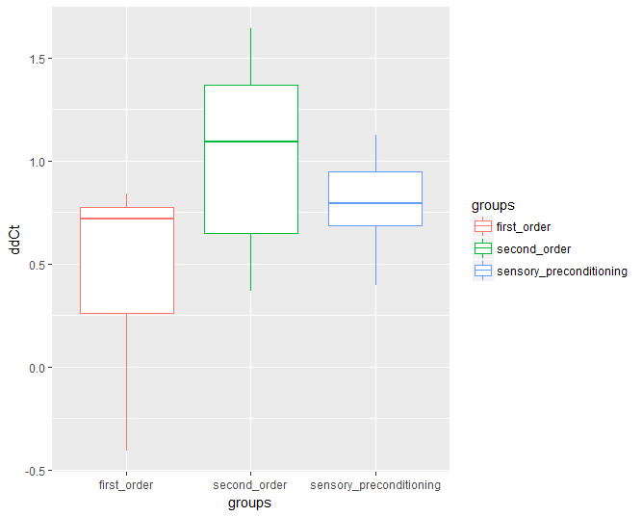
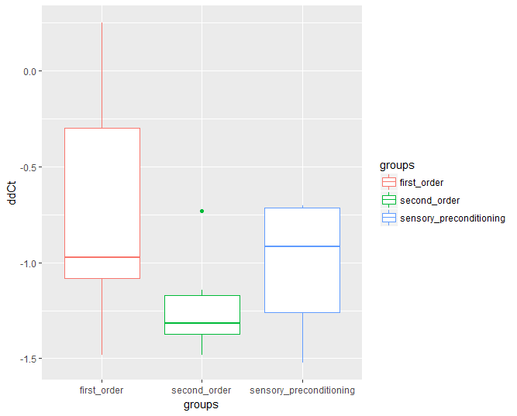
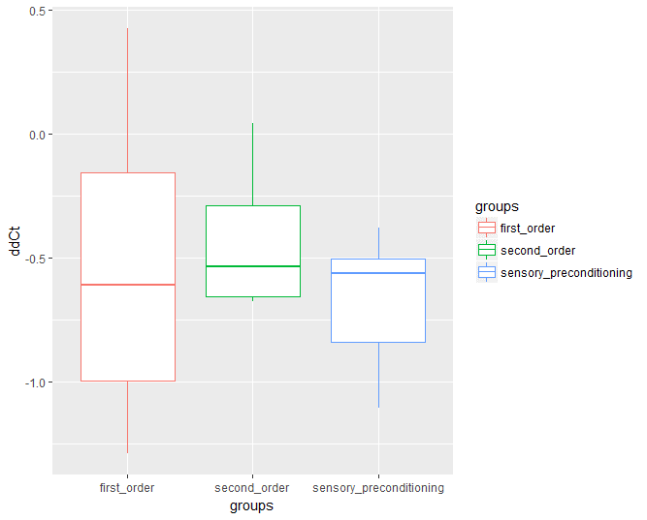
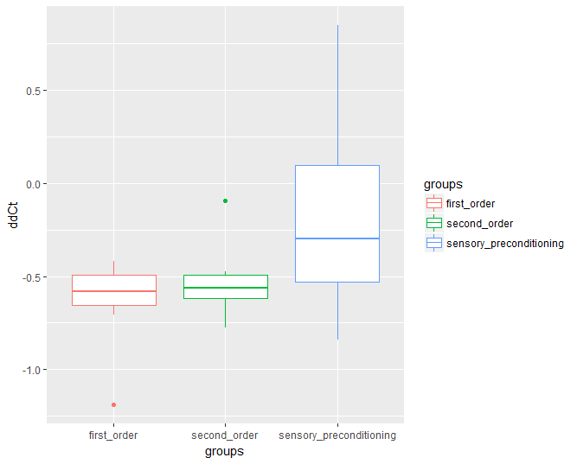
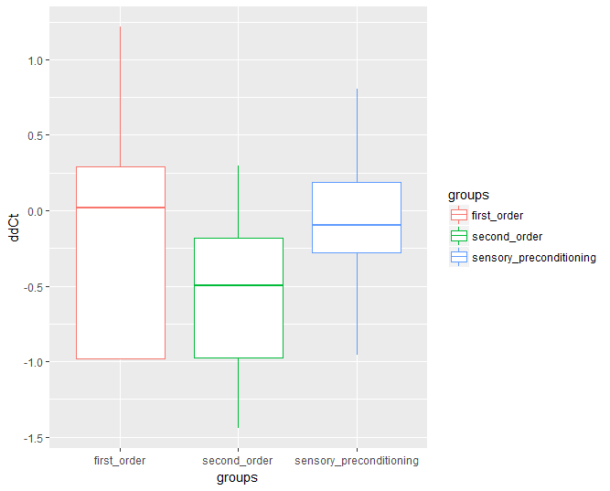
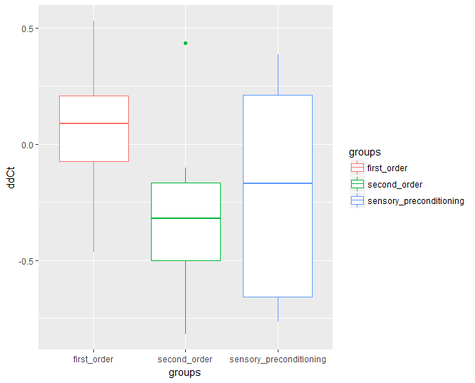
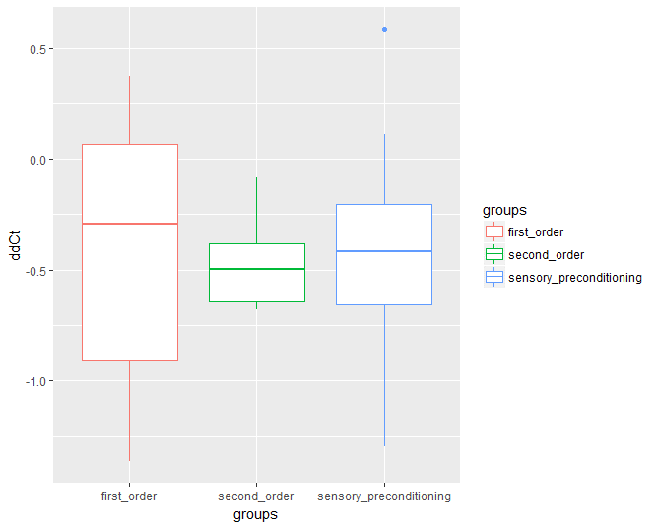
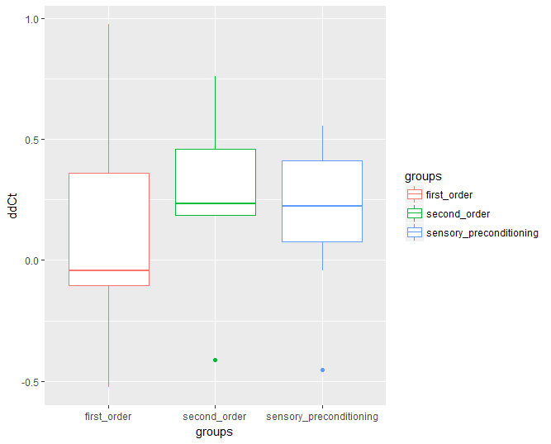
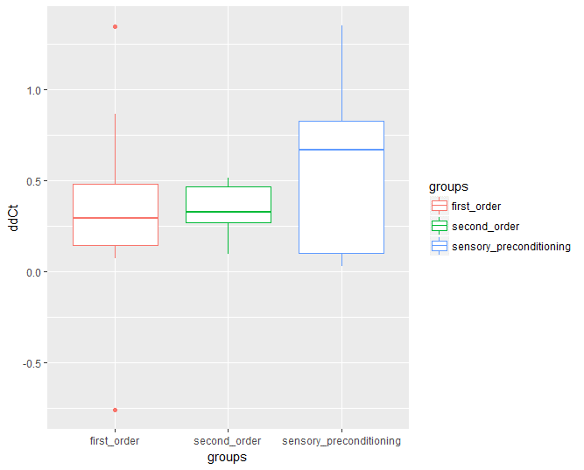
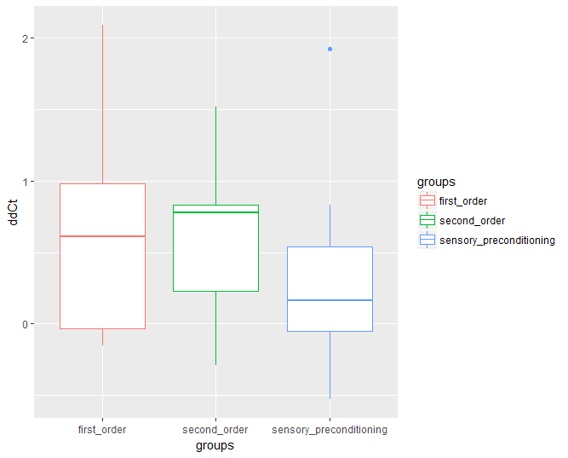
 |  |  |  |  |  |  |  |  |  |  |  |  |  |  |  |  |  |  |  | CamK4 |  |  |  |  |  | CamKIIa |  |  |  |  |  | CamKIIb |  |  |  |  |  | Dnmt3a |  |  |  |  |  | Arc |  |  |  |  |  | Prkaca |  |  |  |  |  | EGR-1 |  |  |  |  |  | PKC-b1 |  |  |  |  |  | PKIa |  |  |  |  |  |  | bdnf9
 |  |  | b-actin | GAPDH SYBR | GAPDH Taqman | Camk4 | map2k7 | mapk1 | bdnf9 | Arc | Prkaca | EGR-1 | CamkIIa | PKC-b1 | PKIa | Dnmt3a | CamkIIb | delta | avg control | Avg - Control | delta delta Ct |  |  | delta | avg control | Avg - Control | delta delta Ct |  |  | delta | avg control | Avg - Control | delta delta Ct |  |  | delta | avg control | Avg - Control | delta delta Ct |  |  | delta | avg control | Avg - Control | delta delta Ct |  |  | delta | avg control | Avg - Control | delta delta Ct |  |  | delta | avg control | Avg - Control | delta delta Ct |  |  | delta | avg control | Avg - Control | delta delta Ct |  |  | delta | avg control | Avg - Control | delta delta Ct |  |  |  | delta | avg control | Avg - Control | delta delta Ct
A1 | 1 | second-order | 25.249937057 | 23.735458374 | 22.463102341 | 30.557098389 | 32.249664307 | 29.140100479 | 29.963087082 | 31.990728378 | 30.046262741 | 31.45656395 | 27.747156143 | 29.05683136 | 28.35231781 | 30.48843956 | 27.958480835 | 5.3071613312 | 4.3233822187 | 0.9837791125 | 0.50565345386 | 2.73296743 |  | 2.4972190857 | 3.6383609772 | -1.1411418915 | 2.2055552355 | 0.36382838303 |  | 2.7085437775 | 3.3863168444 | -0.67777306693 | 1.5996686122 | 0.34689205236 |  | 5.2385025024 | 5.810634613 | -0.5721321106 | 1.4867191202 | 0.63524703921 |  | 6.7407913208 | 7.1141223907 | -0.37333106995 | 1.2953402197 | 0.72027212255 |  | 4.7963256836 | 4.8974620274 | -0.10113634382 | 1.0726179812 | 0.50944759728 |  | 6.2066268921 | 6.8650836945 | -0.65845680237 | 1.5783933713 | 0.45100824563 |  | 3.8068943024 | 3.6168005807 | 0.19009372166 | 0.87654877631 | 1.0023551301 |  | 3.1023807526 | 2.784658432 | 0.31772232056 | 0.80233557921 | 1.0930552325 |  |  | 4.7131500244 | 3.9373779297 | 0.77577209473 | 0.58407595761 | 1.8632421049
A2 | 2 | second-order | 27.723808289 | 26.317298889 | 24.719749451 | 33.244256973 | 35.725057602 | 31.752523422 | 31.442842484 |  | 31.993356705 | 34.198480606 | 31.802724838 | 31.900192261 | 30.607826233 | 34.193807602 | 31.151741028 | 5.5204486847 | 4.3233822187 | 1.197066466 | 0.43616125815 | -0.24019623586 |  | 4.0789165497 | 3.6383609772 | 0.44055557251 | 0.73685079754 | -2.3416306596 |  | 3.4279327393 | 3.3863168444 | 0.041615894863 | 0.97156613223 | -1.5088096026 |  | 6.4699993134 | 5.810634613 | 0.65936470032 | 0.63315705023 | -1.3322764255 |  |  |  |  |  | -1.8337034173 |  | 4.2695484161 | 4.8974620274 | -0.62791361128 | 1.5453285621 | -1.0927736645 |  | 6.4746723175 | 6.8650836945 | -0.39041137695 | 1.310767109 | -1.767712042 |  | 4.1763839722 | 3.6168005807 | 0.55958339146 | 0.67849806602 | -0.46827407982 |  | 2.8840179443 | 2.784658432 | 0.099359512329 | 0.93344730557 | -0.19766894539 |  |  | 3.7190341949 | 3.9373779297 | -0.21834373474 | 1.1633971981 | -0.68679055813
A3 | 3 | second-order | 25.384454727 | 24.249891281 | 22.621973038 | 31.352327347 | 31.908563614 | 29.68248558 | 30.177124023 | 31.055229187 | 29.463476181 | 30.425802231 | 27.540115356 | 29.359092712 | 28.685098648 | 31.102858543 | 27.323440552 | 5.9678726196 | 4.3233822187 | 1.644490401 | 0.31985935838 |  | 0.51691375566 | 2.1556606293 | 3.6383609772 | -1.4827003479 | 2.794713413 |  | 2.3729572835 | 1.9389858246 | 3.3863168444 | -1.4473310198 | 2.7270308476 |  | 1.3749715005 | 5.7184038162 | 5.810634613 | -0.092230796814 | 1.0660172598 |  | 1.4450634632 | 5.6707744598 | 7.1141223907 | -1.4433479309 | 2.7195122622 |  | 1.5958019775 | 4.0790214539 | 4.8974620274 | -0.81844057356 | 1.7634987749 |  | 1.2631060819 | 5.0413475037 | 6.8650836945 | -1.8237361908 | 3.5399676856 |  | 1.3934994498 | 3.9746379852 | 3.6168005807 | 0.35783740452 | 0.78033342082 |  | 0.86814356759 | 3.3006439209 | 2.784658432 | 0.51598548889 | 0.69931507528 |  | 0.75588775482 |  | 4.7926692963 | 3.9373779297 | 0.85529136658 | 0.5527536813 |  | 0.75302840434
C1 | 16 | second-order | 24.614356995 | 23.071352005 | 21.711496353 | 29.471063614 | 31.819345474 | 28.425962448 | 28.262746811 | 31.613571167 | 29.138051987 | 30.801879883 | 26.99347496 | 27.8197155 | 27.734132767 | 29.792062759 | 27.330919266 | 4.8567066193 | 4.3233822187 | 0.53332440058 | 0.6909607182 |  |  | 2.3791179657 | 3.6383609772 | -1.2592430115 | 2.393701094 |  |  | 2.7165622711 | 3.3863168444 | -0.66975457328 | 1.5908023222 |  |  | 5.1777057648 | 5.810634613 | -0.63292884827 | 1.5507099319 |  |  | 6.9992141724 | 7.1141223907 | -0.11490821838 | 1.0829061508 |  |  | 4.5236949921 | 4.8974620274 | -0.37376703535 | 1.2957317153 |  |  | 6.1875228882 | 6.8650836945 | -0.67756080627 | 1.5994332736 |  |  | 3.2053585052 | 3.6168005807 | -0.41144207546 | 1.3300145933 |  |  | 3.1197757721 | 2.784658432 | 0.33511734009 | 0.79271965897 |  |  |  | 3.6483898163 | 3.9373779297 | -0.2889881134 | 1.2217830352
C2 | 17 | second-order | 25.061307907 | 23.724082947 | 22.388090134 | 29.750192642 | 32.65819931 | 29.013383865 | 29.676595688 | 32.475351334 | 30.391717911 | 31.844591141 | 27.966835022 | 28.910804749 | 28.09815979 | 30.398071289 | 28.210716248 | 4.6888847351 | 4.3233822187 | 0.36550251643 | 0.77619846413 |  |  | 2.9055271149 | 3.6383609772 | -0.7328338623 | 1.6619003313 |  |  | 3.1494083405 | 3.3863168444 | -0.23690850394 | 1.1784646669 |  |  | 5.336763382 | 5.810634613 | -0.47387123108 | 1.388831169 |  |  | 7.4140434265 | 7.1141223907 | 0.29992103577 | 0.81229685526 |  |  | 5.3304100037 | 4.8974620274 | 0.43294797625 | 0.74074660994 |  |  | 6.7832832336 | 6.8650836945 | -0.081800460815 | 1.058338006 |  |  | 3.8494968414 | 3.6168005807 | 0.23269626072 | 0.85104288583 |  |  | 3.0368518829 | 2.784658432 | 0.25219345093 | 0.83961890093 |  |  |  | 4.6152877808 | 3.9373779297 | 0.67790985107 | 0.62507020851
C3 | 18 | second-order | 24.084144592 | 22.583086014 | 21.420928955 | 29.831636429 | 31.147192001 | 28.077497482 | 28.822641373 | 30.581098557 | 28.66277504 | 30.573799133 | 26.34687233 | 27.882089615 | 27.381322861 | 29.119905472 | 27.015516281 | 5.7474918365 | 4.3233822187 | 1.4241096179 | 0.37264928124 |  |  | 2.2627277374 | 3.6383609772 | -1.3756332397 | 2.5948177985 |  |  | 2.9313716888 | 3.3863168444 | -0.45494515555 | 1.3707306953 |  |  | 5.0357608795 | 5.810634613 | -0.77487373352 | 1.7110402924 |  |  | 6.4969539642 | 7.1141223907 | -0.61716842651 | 1.5338617189 |  |  | 4.5786304474 | 4.8974620274 | -0.31883158003 | 1.2473199515 |  |  | 6.489654541 | 6.8650836945 | -0.37542915344 | 1.2972253784 |  |  | 3.7979450226 | 3.6168005807 | 0.18114444188 | 0.88200305509 |  |  | 3.2971782684 | 2.784658432 | 0.51251983643 | 0.70099699436 |  |  |  | 4.7384967804 | 3.9373779297 | 0.80111885071 | 0.57390392618
C4 | 19 | second-order | 24.77806282 | 23.607627869 | 22.13045311 | 31.677871704 | 31.849327087 | 29.072052002 | 30.230260849 | 30.800725937 | 29.44102478 | 31.042078018 | 27.04511261 | 29.154233932 | 28.663675308 | 30.035766602 | 27.542764664 | 6.8998088837 | 4.3233822187 | 2.576426665 | 0.16765568801 |  |  | 2.2670497894 | 3.6383609772 | -1.3713111877 | 2.5870558287 |  |  | 2.7647018433 | 3.3863168444 | -0.62161500113 | 1.5385965741 |  |  | 5.2577037811 | 5.810634613 | -0.55293083191 | 1.4670630061 |  |  | 6.0226631165 | 7.1141223907 | -1.0914592743 | 2.1308946578 |  |  | 4.6629619598 | 4.8974620274 | -0.23450006757 | 1.1764989782 |  |  | 6.2640151978 | 6.8650836945 | -0.6010684967 | 1.5168395606 |  |  | 4.3761711121 | 3.6168005807 | 0.75937053135 | 0.59075402899 |  |  | 3.8856124878 | 2.784658432 | 1.1009540558 | 0.46620808989 |  |  |  | 5.4521980286 | 3.9373779297 | 1.5148200989 | 0.34994010049
A4 | 4 | first-order | 26.918840408 | 25.402854919 | 23.997125626 | 31.966454506 | 33.320114136 | 30.696100235 | 32.680505753 | 33.053203583 | 32.346523285 | 32.913394928 | 29.503259659 | 30.505874634 | 30.05418396 | 31.539474487 | 29.105957031 | 5.0476140976 | 4.3233822187 | 0.72423187892 | 0.60531924348 | 2.2519469511 |  | 2.5844192505 | 3.6383609772 | -1.0539417267 | 2.0761946778 | 0.50532305635 |  | 2.1871166229 | 3.3863168444 | -1.1992002215 | 2.2961234684 | 0.76409705555 |  | 4.620634079 | 5.810634613 | -1.1900005341 | 2.2815282763 | 0.36144531516 |  | 6.1343631744 | 7.1141223907 | -0.97975921631 | 1.9721362349 | 1.5469833858 |  | 5.4276828766 | 4.8974620274 | 0.53022084917 | 0.69244872521 | 0.6682561085 |  | 5.9945545197 | 6.8650836945 | -0.8705291748 | 1.8283334029 | 0.84555451439 |  | 3.5870342255 | 3.6168005807 | -0.029766355242 | 1.020846786 | 1.126778328 |  | 3.1353435516 | 2.784658432 | 0.35068511963 | 0.7842115962 | 1.5485265331 |  |  | 5.7616653442 | 3.9373779297 | 1.8242874146 | 0.28238054202 | 2.4034575731
A5 | 5 | first-order | 27.370910645 | 26.152633667 | 24.601110458 | 32.53414917 | 34.792593002 | 31.27230072 | 32.003396988 |  | 32.598575592 | 34.611042023 | 31.04552269 | 31.963926315 | 30.226795197 | 33.5711 | 31.072076797 | 5.1632385254 | 4.3233822187 | 0.83985630671 | 0.55869921304 | -0.8911907168 |  | 3.6746120453 | 3.6383609772 | 0.036251068115 | 0.97518573796 | -1.9487956842 |  | 3.701166153 | 3.3863168444 | 0.31484930856 | 0.80393495845 | -1.8199312508 |  | 6.2001893555 | 5.810634613 | 0.38955474243 | 0.76336516478 | -1.386623572 |  |  |  |  |  | -1.8682056958 |  | 5.2276649475 | 4.8974620274 | 0.3302029201 | 0.79542459664 | -0.528531892 |  | 7.2401313782 | 6.8650836945 | 0.37504768372 | 0.77107992668 | -1.6649274108 |  | 4.5930156708 | 3.6168005807 | 0.97621509007 | 0.5083115473 | -0.84797600528 |  | 2.855884552 | 2.784658432 | 0.071226119995 | 0.95182871247 | -0.89065314505 |  |  | 4.6324863434 | 3.9373779297 | 0.6951084137 | 0.61766290152 | -1.0145842384
A6 | 6 | first-order | 24.919418335 | 23.70032692 | 22.290334702 | 29.915008545 | 32.48550415 | 28.928277969 | 28.739059448 | 32.054607391 | 29.901596069 | 31.25944519 | 27.600097656 | 28.480302811 | 28.001787186 | 30.148012161 | 27.849817276 | 4.99559021 | 4.3233822187 | 0.67220799128 | 0.62754551678 |  | 0.77206704745 | 2.6806793213 | 3.6383609772 | -0.95768165588 | 1.9421863823 |  | 1.7736623951 | 2.930398941 | 3.3863168444 | -0.45591790336 | 1.3716552322 |  | 1.565003265 | 5.2285938263 | 5.810634613 | -0.58204078674 | 1.4969653072 |  | 1.5837123454 | 7.1351890564 | 7.1141223907 | 0.021066665649 | 0.98550379664 |  | 1.2824389161 | 4.9821777344 | 4.8974620274 | 0.084715706962 | 0.94297033644 |  | 0.95482216994 | 6.3400268555 | 6.8650836945 | -0.52505683899 | 1.4389902719 |  | 1.3617173464 | 3.5608844757 | 3.6168005807 | -0.055916104998 | 1.0395189837 |  | 0.93545461703 | 3.0823688507 | 2.784658432 | 0.2977104187 | 0.81354247799 |  | 0.90630221671 |  | 3.8196411133 | 3.9373779297 | -0.11773681641 | 1.085031417 |  | 0.66304788095
A7 | 7 | first-order | 25.233978271 | 24.054056168 | 22.411771774 | 31.781995773 | 32.836500168 | 29.71689415 | 29.836046219 | 31.36413765 | 29.667718887 | 30.734786987 | 27.389755249 | 29.591817856 | 29.363082886 | 30.59120369 | 27.328918457 | 6.5480175018 | 4.3233822187 | 2.2246352832 | 0.21395283739 |  |  | 2.1557769775 | 3.6383609772 | -1.4825839996 | 2.7944880383 |  |  | 2.0949401855 | 3.3863168444 | -1.2913766588 | 2.4476150222 |  |  | 5.3572254181 | 5.810634613 | -0.45340919495 | 1.3692721279 |  |  | 6.1301593781 | 7.1141223907 | -0.9839630127 | 1.9778911236 |  |  | 4.4337406158 | 4.8974620274 | -0.46372141157 | 1.3790945891 |  |  | 5.5008087158 | 6.8650836945 | -1.3642749786 | 2.5744691434 |  |  | 4.3578395844 | 3.6168005807 | 0.74103900364 | 0.59830830597 |  |  | 4.1291046143 | 2.784658432 | 1.3444461823 | 0.39380513209 |  |  |  | 4.6020679474 | 3.9373779297 | 0.6646900177 | 0.63082423087
D5 | 28 | first-order | 24.943445206 | 23.815139771 | 22.490501404 | 28.856466293 | 32.231212616 | 28.837228775 | 30.971017838 | 32.310958862 | 30.007368088 | 31.746154785 | 28.173599243 | 28.034193993 | 28.019910812 | 30.220748901 | 27.561452866 | 3.9130210876 | 4.3233822187 | -0.41036113103 | 1.3290184483 |  |  | 3.2301540375 | 3.6383609772 | -0.4082069397 | 1.3270354765 |  |  | 2.6180076599 | 3.3863168444 | -0.76830918448 | 1.7032724053 |  |  | 5.2773036957 | 5.810634613 | -0.53333091736 | 1.4472668138 |  |  | 7.3675136566 | 7.1141223907 | 0.25339126587 | 0.83892208653 |  |  | 5.0639228821 | 4.8974620274 | 0.16646085467 | 0.89102582104 |  |  | 6.8027095795 | 6.8650836945 | -0.06237411499 | 1.0441826664 |  |  | 3.0907487869 | 3.6168005807 | -0.52605179378 | 1.439983014 |  |  | 3.0764656067 | 2.784658432 | 0.29180717468 | 0.81687816475 |  |  |  | 6.0275726318 | 3.9373779297 | 2.0901947021 | 0.23484899059
D6 | 29 | first-order | 24.235124588 | 22.951505661 | 21.738525391 | 29.386703491 | 31.574487686 | 27.938165665 | 28.729629517 | 31.678750038 | 29.071886063 | 31.247524261 | 26.881034851 | 28.08366394 | 27.187143326 | 29.43711853 | 27.304159164 | 5.1515789032 | 4.3233822187 | 0.82819668452 | 0.56323282274 |  |  | 2.6459102631 | 3.6383609772 | -0.99245071411 | 1.9895618017 |  |  | 3.0690345764 | 3.3863168444 | -0.31728226798 | 1.245981172 |  |  | 5.2019939423 | 5.810634613 | -0.60864067078 | 1.5248218216 |  |  | 7.4436254501 | 7.1141223907 | 0.32950305939 | 0.79581055587 |  |  | 4.8367614746 | 4.8974620274 | -0.060700552804 | 1.0429720908 |  |  | 7.0123996735 | 6.8650836945 | 0.147315979 | 0.90292872908 |  |  | 3.8485393524 | 3.6168005807 | 0.23173877171 | 0.85160789413 |  |  | 2.9520187378 | 2.784658432 | 0.16736030579 | 0.89047048234 |  |  |  | 4.4945049286 | 3.9373779297 | 0.5571269989 | 0.67965428908
D7 | 30 | first-order | 25.279275894 | 23.950399399 | 22.490255356 | 29.448163986 | 33.004375458 | 28.731376648 | 29.064882278 | 33.612350464 | 30.266283035 | 32.185276031 | 29.168653488 | 28.772270203 | 27.304029465 | 30.672340393 | 29.090438843 | 4.168888092 | 4.3233822187 | -0.15449412664 | 1.1130312713 |  |  | 3.889377594 | 3.6383609772 | 0.25101661682 | 0.84030407364 |  |  | 3.8111629486 | 3.3863168444 | 0.42484610421 | 0.74491818956 |  |  | 5.3930644989 | 5.810634613 | -0.41757011414 | 1.3356760221 |  |  | 8.3330745697 | 7.1141223907 | 1.218952179 | 0.42959461702 |  |  | 4.9870071411 | 4.8974620274 | 0.0895451137 | 0.93981903041 |  |  | 6.9060001373 | 6.8650836945 | 0.040916442871 | 0.97203728421 |  |  | 3.4929943085 | 3.6168005807 | -0.12380627223 | 1.0896057881 |  |  | 2.0247535706 | 2.784658432 | -0.75990486145 | 1.6933789511 |  |  |  | 3.7856063843 | 3.9373779297 | -0.15177154541 | 1.1109327956
D8 | 31 | first-order | 24.11900808 | 23.047233334 | 21.915904999 | 29.161142349 | 31.259208679 | 28.194787025 | 28.049980164 | 30.249661446 | 28.898643494 | 29.965555191 | 26.591075897 | 27.637565613 | 27.771829605 | 29.224367142 | 26.574378967 | 5.0421342688 | 4.3233822187 | 0.71875205012 | 0.60762281654 |  |  | 2.4720678168 | 3.6383609772 | -1.1662931604 | 2.2443429726 |  |  | 2.4553708868 | 3.3863168444 | -0.93094595755 | 1.906525672 |  |  | 5.1053590613 | 5.810634613 | -0.70527555176 | 1.6304560488 |  |  | 6.1306533652 | 7.1141223907 | -0.98346902557 | 1.9772139982 |  |  | 4.7796354132 | 4.8974620274 | -0.11782661421 | 1.0850989548 |  |  | 5.8465471106 | 6.8650836945 | -1.0185365839 | 2.025862957 |  |  | 3.5185575323 | 3.6168005807 | -0.098243048357 | 1.0704690233 |  |  | 3.6528215247 | 2.784658432 | 0.86816309265 | 0.54784394749 |  |  |  | 3.9309720831 | 3.9373779297 | -0.0064058465576 | 1.0044500668
B5 | 12 | spc | 26.378412247 | 25.044876099 | 23.3872509 | 31.349563599 | 34.537967682 | 30.234657288 | 29.785339355 | 33.413581848 | 30.509340286 | 33.353450775 | 30.049341202 | 30.19078064 | 29.190778732 | 33.037591934 | 29.383153915 | 4.9711513519 | 4.3233822187 | 0.64776913325 | 0.63826651461 | 1.9791272672 |  | 3.6709289551 | 3.6383609772 | 0.032567977905 | 0.97767849319 | 0.10061351546 |  | 3.0047416687 | 3.3863168444 | -0.38157517569 | 1.3027634736 | -0.11469036717 |  | 6.6591796875 | 5.810634613 | 0.84854507446 | 0.55534450619 | 0.96579966943 |  | 7.0351696014 | 7.1141223907 | -0.078952789307 | 1.0562510601 | 0.96524468898 |  | 4.1309280396 | 4.8974620274 | -0.76653398786 | 1.7011778643 | 0.7079303463 |  | 6.9750385284 | 6.8650836945 | 0.10995483398 | 0.92661707076 | 0.73666492804 |  | 3.8123683929 | 3.6168005807 | 0.19556781224 | 0.87322914497 | 1.397727285 |  | 2.8123664856 | 2.784658432 | 0.027708053589 | 0.98097749631 | 1.517248116 |  |  | 3.4069271088 | 3.9373779297 | -0.53045082092 | 1.4443804726 | 1.8731963062
B6 | 13 | spc | 24.820943832 | 23.572921753 | 21.944631577 | 30.270645142 | 32.590116501 | 28.907806396 | 28.790948868 | 31.636219978 | 29.940050125 | 31.257011414 | 27.542495728 | 28.660619736 | 28.410322189 | 30.285675049 | 27.658601761 | 5.4497013092 | 4.3233822187 | 1.1263190905 | 0.45808299385 | -0.060349721858 |  | 2.7215518951 | 3.6383609772 | -0.91680908203 | 1.8879349833 | -1.8651653934 |  | 2.8376579285 | 3.3863168444 | -0.54865891593 | 1.4627253602 | -1.2437575592 |  | 5.4647312164 | 5.810634613 | -0.34590339661 | 1.2709465834 | -1.3145414392 |  | 6.8152761459 | 7.1141223907 | -0.29884624481 | 1.2301602335 | -1.0823077345 |  | 5.1191062927 | 4.8974620274 | 0.22164426531 | 0.85758747148 | -1.116570765 |  | 6.4360675812 | 6.8650836945 | -0.42901611328 | 1.346315106 | -1.5156933437 |  | 3.8396759033 | 3.6168005807 | 0.22287532261 | 0.85685600087 | -0.72665749268 |  | 3.5893783569 | 2.784658432 | 0.80471992493 | 0.57247320559 | -0.37802573251 |  |  | 3.9700050354 | 3.9373779297 | 0.032627105713 | 0.97763842457 | -1.1929764175
B7 | 14 | spc | 25.35118866 | 24.397985458 | 22.775756836 | 30.466806412 | 32.836874008 | 29.573217392 | 30.122098923 | 32.76550293 | 30.453430176 | 31.588866234 | 28.266777039 | 29.521726608 | 28.985498428 | 30.907234192 | 28.155145645 | 5.1156177521 | 4.3233822187 | 0.7922355334 | 0.57744861072 |  | 0.58247204936 | 2.9155883789 | 3.6383609772 | -0.72277259827 | 1.6503506635 |  | 2.0713444307 | 2.8039569855 | 3.3863168444 | -0.58235985892 | 1.4972964186 |  | 1.6760618127 | 5.5560455322 | 5.810634613 | -0.25458908081 | 1.1929958966 |  | 1.2014733851 | 7.41431427 | 7.1141223907 | 0.30019187927 | 0.8121443735 |  | 1.1007450473 | 5.1022415161 | 4.8974620274 | 0.2047794887 | 0.86767129779 |  | 1.2033104319 | 6.2376775742 | 6.8650836945 | -0.6274061203 | 1.5447850637 |  | 1.3975236906 | 4.1705379486 | 3.6168005807 | 0.5537373679 | 0.68125302317 |  | 0.90245904591 | 3.6343097687 | 2.784658432 | 0.84965133667 | 0.55491882984 |  | 0.66837049458 |  | 4.7709102631 | 3.9373779297 | 0.83353233337 | 0.56115361535 |  | 0.96380852779
B8 | 15 | spc | 24.786050797 | 23.341321945 | 21.907043457 | 30.048547745 | 31.562579155 | 28.993768692 | 28.418001175 | 30.941110611 | 28.98592186 | 30.355855942 | 26.900743484 | 28.359916687 | 28.388038635 | 29.863225937 | 27.065710068 | 5.2624969482 | 4.3233822187 | 0.93911472956 | 0.5215528189 |  |  | 2.114692688 | 3.6383609772 | -1.5236682892 | 2.8752119083 |  |  | 2.2796592712 | 3.3863168444 | -1.1066575732 | 2.1534615629 |  |  | 5.0771751404 | 5.810634613 | -0.73345947266 | 1.6626211541 |  |  | 6.1550598145 | 7.1141223907 | -0.95906257629 | 1.9440462963 |  |  | 4.1998710632 | 4.8974620274 | -0.69759096418 | 1.6217944315 |  |  | 5.5698051453 | 6.8650836945 | -1.2952785492 | 2.4542437633 |  |  | 3.5738658905 | 3.6168005807 | -0.042934690203 | 1.0302073158 |  |  | 3.6019878387 | 2.784658432 | 0.81732940674 | 0.56749146246 |  |  |  | 3.6319503784 | 3.9373779297 | -0.30542755127 | 1.2357848151
C5 | 20 | spc | 24.877642632 | 23.747253418 | 22.246315002 | 30.154352188 | 32.494495392 | 29.410263062 | 29.25312233 | 32.139381409 | 30.160202026 | 30.994346619 | 27.81189537 | 28.992341995 | 29.014642715 | 30.683073044 | 27.168561935 | 5.2767095566 | 4.3233822187 | 0.9533273379 | 0.51644000375 |  |  | 2.934252739 | 3.6383609772 | -0.70410823822 | 1.6291373476 |  |  | 2.2909193039 | 3.3863168444 | -1.0953975405 | 2.1367195168 |  |  | 5.8054304123 | 5.810634613 | -0.0052042007447 | 1.0036137911 |  |  | 7.2617387772 | 7.1141223907 | 0.14761638641 | 0.90274073492 |  |  | 5.2825593948 | 4.8974620274 | 0.38509736742 | 0.7657273179 |  |  | 6.1167039871 | 6.8650836945 | -0.74837970734 | 1.6799050671 |  |  | 4.1146993637 | 3.6168005807 | 0.497898783 | 0.70813739906 |  |  | 4.1370000839 | 2.784658432 | 1.3523416519 | 0.39165583249 |  |  |  | 4.3754796982 | 3.9373779297 | 0.43810176849 | 0.73810513467
C6 | 21 | spc | 26.069375992 | 24.57285881 | 23.086751938 | 32.489671707 | 33.906251907 | 29.856338501 | 31.927412033 | 33.988731384 | 30.750253677 | 33.522434235 | 29.002817154 | 31.071001053 | 28.906158447 | 32.27671814 | 29.015874863 | 6.4202957153 | 4.3233822187 | 2.0969134967 | 0.23375781503 |  |  | 2.9334411621 | 3.6383609772 | -0.70491981506 | 1.6300540639 |  |  | 2.9464988708 | 3.3863168444 | -0.43981797355 | 1.356433174 |  |  | 6.2073421478 | 5.810634613 | 0.39670753479 | 0.75958981444 |  |  | 7.9193553925 | 7.1141223907 | 0.80523300171 | 0.57226964872 |  |  | 4.6808776855 | 4.8974620274 | -0.21658434187 | 1.1619792788 |  |  | 7.4530582428 | 6.8650836945 | 0.58797454834 | 0.66527625707 |  |  | 5.001625061 | 3.6168005807 | 1.3848244803 | 0.38293608481 |  |  | 2.8367824554 | 2.784658432 | 0.052124023437 | 0.96451526502 |  |  |  | 5.8580360413 | 3.9373779297 | 1.9206581116 | 0.26413399313
C7 | 22 | spc | 24.599187851 | 23.289831161 | 21.743400574 | 29.319549561 | 32.061038971 | 28.588834763 | 28.82916069 | 31.598779678 | 29.375640869 | 31.056930542 | 27.163032532 | 28.542610168 | 27.915472031 | 29.948999405 | 27.231056213 | 4.7203617096 | 4.3233822187 | 0.39697949092 | 0.75944664098 |  |  | 2.5638446808 | 3.6383609772 | -1.0745162964 | 2.1060158532 |  |  | 2.6318683624 | 3.3863168444 | -0.75444848197 | 1.6869865624 |  |  | 5.349811554 | 5.810634613 | -0.46082305908 | 1.3763267901 |  |  | 6.9995918274 | 7.1141223907 | -0.11453056335 | 1.082622715 |  |  | 4.7764530182 | 4.8974620274 | -0.12100900922 | 1.0874951819 |  |  | 6.457742691 | 6.8650836945 | -0.40734100342 | 1.3262392005 |  |  | 3.9434223175 | 3.6168005807 | 0.3266217368 | 0.79740152149 |  |  | 3.3162841797 | 2.784658432 | 0.53162574768 | 0.69177474586 |  |  |  | 4.2299728394 | 3.9373779297 | 0.29259490967 | 0.81643225771
C8 | 23 | spc | 23.84862709 | 22.598825455 | 21.404121399 | 28.894460678 | 30.650888443 | 27.459371567 | 27.825248718 | 30.692848206 | 28.101724625 | 30.407089233 | 26.043006897 | 27.011116028 | 26.754674911 | 28.819021225 | 26.710067749 | 5.0458335876 | 4.3233822187 | 0.72245136897 | 0.60606676271 |  |  | 2.1943798065 | 3.6383609772 | -1.4439811707 | 2.7207061953 |  |  | 2.8614406586 | 3.3863168444 | -0.52487618583 | 1.4388100939 |  |  | 4.9703941345 | 5.810634613 | -0.84024047852 | 1.7903485448 |  |  | 6.8442211151 | 7.1141223907 | -0.26990127563 | 1.2057253165 |  |  | 4.2530975342 | 4.8974620274 | -0.64436449323 | 1.5630506112 |  |  | 6.5584621429 | 6.8650836945 | -0.30662155151 | 1.236807996 |  |  | 3.1624889374 | 3.6168005807 | -0.45431164333 | 1.370128916 |  |  | 2.906047821 | 2.784658432 | 0.12138938904 | 0.91930188949 |  |  |  | 3.9766216278 | 3.9373779297 | 0.03924369812 | 0.97316497455
B1 | 8 | context | 24.854948044 | 23.767652512 | 22.264162064 | 29.842684746 | 32.275512695 | 28.918167114 | 29.294733047 | 31.298593521 | 29.699661255 | 30.642774582 | 27.292448044 | 28.447992325 | 28.594461441 | 30.152648926 | 26.999376297 | 4.987736702 |  |  |  |  |  | 2.4375 |  |  |  |  |  | 2.1444282532 |  |  |  |  |  | 5.297700882 |  |  |  |  |  | 6.4436454773 |  |  |  |  |  | 4.8447132111 |  |  |  |  |  | 5.7878265381 |  |  |  |  |  | 3.593044281 |  |  |  |  |  | 3.7395133972 |  |  |  |  |  |  | 4.4397850037
B2 | 9 | context | 23.816354752 | 22.858972549 | 21.415634155 | 27.806798935 | 30.765632629 | 27.897134781 | 33.615655899 | 30.046640396 | 29.098327637 | 29.547876358 | 26.741952896 | 27.148635864 | 27.425073624 | 28.688894272 | 25.908483505 | 3.9904441833 |  |  |  |  |  | 2.9255981445 |  |  |  |  |  | 2.0921287537 |  |  |  |  |  | 4.8725395203 |  |  |  |  |  | 6.2302856445 |  |  |  |  |  | 5.2819728851 |  |  |  |  |  | 5.7315216064 |  |  |  |  |  | 3.3322811127 |  |  |  |  |  | 3.6087188721 |  |  |  |  |  | 10.75668335
B3 | 10 | context | 24.523950577 | 23.155311584 | 21.76906395 | 30.558805466 | 32.078727722 | 28.558324814 | 28.680837631 | 31.032426834 | 29.335418701 | 30.97735405 | 26.935195923 | 28.262960434 | 28.230997086 | 30.144514084 | 27.205184937 | 6.0348548889 |  |  |  |  |  | 2.4112453461 |  |  |  |  |  | 2.6812343597 |  |  |  |  |  | 5.6205635071 |  |  |  |  |  | 6.5084762573 |  |  |  |  |  | 4.8114681244 |  |  |  |  |  | 6.4534034729 |  |  |  |  |  | 3.7390098572 |  |  |  |  |  | 3.7070465088 |  |  |  |  |  |  | 4.1568870544
B4 | 11 | context | 25.429260254 | 23.93596077 | 22.507080078 | 29.736341476 | 33.377573013 | 29.140325546 | 29.750417709 | 32.95306015 | 30.135602951 | 32.060680389 | 29.001928329 | 29.03650856 | 28.061538696 | 30.958742142 | 28.729019165 | 4.3070812225 |  |  |  |  |  | 3.5726680756 |  |  |  |  |  | 3.2997589111 |  |  |  |  |  | 5.5294818878 |  |  |  |  |  | 7.5237998962 |  |  |  |  |  | 4.7063426971 |  |  |  |  |  | 6.6314201355 |  |  |  |  |  | 3.6072483063 |  |  |  |  |  | 2.6322784424 |  |  |  |  |  |  | 4.3211574554
D1 | 24 | context | 25.873323441 | 24.543073654 | 23.310806274 | 30.152854919 | 34.785625458 | 28.783823013 | 29.660303116 |  | 31.05632782 | 34.28320694 | 30.579423904 | 29.603776932 | 27.417531967 | 32.708177567 | 30.659515381 | 4.2795314789 |  |  |  |  |  | 4.7061004639 |  |  |  |  |  | 4.7861919403 |  |  |  |  |  | 6.834854126 |  |  |  |  |  |  |  |  |  |  |  | 5.1830043793 |  |  |  |  |  | 8.4098834991 |  |  |  |  |  | 3.7304534912 |  |  |  |  |  | 1.5442085266 |  |  |  |  |  |  | 3.7869796753
D3 | 26 | context | 24.782236099 | 23.723134995 | 22.342092514 | 28.943099976 | 32.789735794 | 28.363357544 | 29.020711899 | 32.176269531 | 28.977899551 | 31.966650009 | 28.976453781 | 28.216241837 | 27.195669174 | 30.763532639 | 28.294607162 | 4.1608638763 |  |  |  |  |  | 4.1942176819 |  |  |  |  |  | 3.5123710632 |  |  |  |  |  | 5.9812965393 |  |  |  |  |  | 7.394033432 |  |  |  |  |  | 4.1956634521 |  |  |  |  |  | 7.1844139099 |  |  |  |  |  | 3.4340057373 |  |  |  |  |  | 2.413433075 |  |  |  |  |  |  | 4.2384757996
D4 | 27 | context | 26.073181152 | 24.873245239 | 23.552312851 | 30.287817001 | 35.304033279 | 29.356908798 | 28.754163742 | 34.657674789 | 31.332250595 | 33.930297852 | 31.294378281 | 29.954742432 | 27.920591354 | 32.611186981 | 31.261285782 | 4.214635849 |  |  |  |  |  | 5.2211971283 |  |  |  |  |  | 5.1881046295 |  |  |  |  |  | 6.5380058289 |  |  |  |  |  | 8.5844936371 |  |  |  |  |  | 5.2590694427 |  |  |  |  |  | 7.8571166992 |  |  |  |  |  | 3.8815612793 |  |  |  |  |  | 1.847410202 |  |  |  |  |  |  | 2.6809825897

