Лист1
Project | moyo.ua
Environment | Windows 7 Service Pack 1 Google Chrome 109.0.5414.120
Test date | 2025-08-21
Tester | Artem Toliarenko
ID | Priority | Module | Summary | Pre-conditions | Steps | Expected results | Status | Comments
1.1 | High | Registration and login | Registration the new user account | 1.The user is on the main page https://www.moyo.ua/ua/ | 1.Click on the "Log in" button in the header of the page 2.Click on the "Registraton" button in the modal window 3.Type user name, phone, email in the corresond fields (for example: dark_side, 8050*******, darkkside6@gmail.com) 4.Mark the chackbox flag "By registration, I accept the terms of user agreement" 5.Click "Registartion" button 5.Enter the registration code received via SMS, in the "Code" form | 1."Thank you for registrartion!" a modal window message is displayed | Passed
1.2 | High | Registration and login | Log in the site with already registered google account | 1.The user has already registered google acount "dark_side" via email:darkkside6@gmail.com and password:******* 2.The user is on the the main page https://www.moyo.ua/ua/ 3.The user is logged out | 1.Click on the "Login with Google" button | 1.The user should be redirected to the main page | Passed
1.3 | High | Registration and login | Log in the site with incorrect e-mail by registered user | 1.The user has already registered gmail account via email:crusspirit@gmail.com and password:******* 2.The user is on the the main page https://www.moyo.ua/ua/ 3.The user is logged out | 1. Enter incorrect email in the respective field | 1. A red text appears under the input field with the message "You have entered incorrect data.Please check". | Passed
1.4 | High | Registration and login | Delete user account option | 1.The user has been logged in via Google account "dark_side" 2.The user is on the main page https://www.moyo.ua/ua/ | 1. Click on the "Orders" button 2.Click on the "dark side" button 3.Scroll down the page 4.Click on "Delete account" 5.Mark the checkbox flag "I want to delete my account" 6.Click o the "Delete" button | 6.The message "Your account has been deleted" should appear | Passed
1.5 | High | Registration and login | User personal data (email) change | 1.The user has been logged in via Google account "dark_side" 2.The user is on the main page https://www.moyo.ua/ua/ | 1. Click on the "Orders" button 2.Click on the "dark side" button 3.Click on "Change personal data" 4.Click the button besides the email form 5.In the modal window form enter the new valid email: strongstay411@gmail.com 6.Log in to the user's Gmail.com service using email:strongstay411@gmail.co7.Open the letter from "Moyo.ua" service 8.Confirm your email change by clicking the button "Confirm e-mail" | 8.The message "Your email has been confirmed" should appear | Passed
1.6 | High | Search bar | Search option by valid keyword | 1.The user is logged in via Google account "dark_side" 2.The user is on the main page https://www.moyo.ua/ua/ | 1.Enter "iPhone" in the Search bar 2.Press the "Enter" key | 2.The page with iPhone items is displayed | Passed
1.7 | High | Search bar | Search option by invalid symbols | 1.The user is logged in via Google account "dark_side" 2.The user is on the main page https://www.moyo.ua/ua/ | 1.Enter "#$^" in the Search bar 2.Press the "Enter" key | 2.The page with the message "Upon request #$^ nothing found" | Passed
1.8 | Low | Search bar | Search option by product code | 1.The user is logged in via Google account "dark_side" 2.The user is on the main page https://www.moyo.ua/ua/ 3.The product code is "642723" (Electric scooter 2E MB5 Black (2EESMB5) | 1.Enter "642723" in the Search bar 2.Press the "Enter" key | 2.The page with Electric scooter 2E MB5 Black (2EESMB5) item is displayed | Passed
1.9 | High | Search bar | Search option by voice input | 1.The user is logged in via Google account "dark_side" 2.The user is on the main page https://www.moyo.ua/ua/ | 1.Click on the microphone/voice input icon 2.Allow microphone access 3.Speak clearly the word “iPhone” into the microphone | 3.The page has been reloaded and relevant Apple iPhone products are displayed | Passed
1.10 | High | Product catalog | Product catalog filtering option | 1.The user is logged in via Google account "dark_side" 2.The user is on the main page https://www.moyo.ua/ua/ | 1.Click on the "Product catalog" chocolate-type button 2.In the modal window choose "Iphone 16 Pro Max" by clicking on the text button 3.Mark the checkbox flag "Build-in memory" ("256 Gb" and "primary color" ("Gold") | 3.The page with approriate filters and items is displayed | Passed | 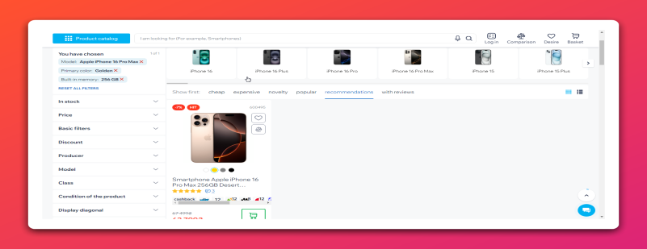
1.11 | Medium | Product catalog | Compare feature option | 1.The user is logged in via Google account "dark_side" 2.The user is on the main page https://www.moyo.ua/ua/ | 1.Type "iPhone" in the Search bar 2.Press the "Enter" key 3.Add any two items (for example, Epson L3251 Inkjet MFP Print Factory with Wi-Fi, Smartphone Samsung Galaxy A36 5G 6/128Gb White (SM-A366BZABEUC) to the compare list clicking on the "Compare" button(screenshot is in the Comments section) each item image contains. 4.Visually check the "Compare category" icon displayed in the top-right corner of the current page. | 3.Popup message "The item has been added to the compare list" is dispalyed 4.The number of exact amount of items checked is displayed - "2" | Passed | 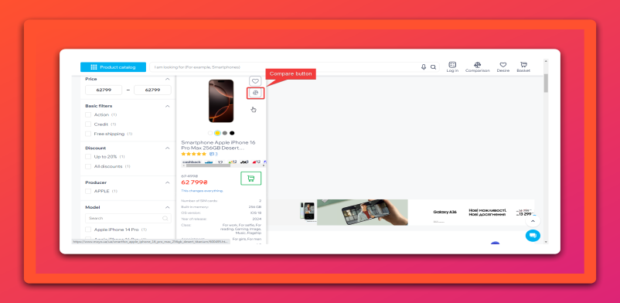
1.12 | Medium | Main page | Add the item's to wishlist option | 1.The user is logged in via Google account "dark_side" 2.The user is on the main page https://www.moyo.ua/ua/ | 1.Scroll down the page 2.Add any item displayed to the wishlist (for example, Keyboard Keychron C3 Pro 87Key, K Pro Brown, USB-A, QMK, Hot-swap, EN/UKR, RGB, Black (C3PH3_KEYCHRON) clicking on the "Wishlist" button (in the form of a heart) each item icon include 3.Visually check the "Wishlist button" icon displayed in the top-right corner of the current page. | 2.Popup message "The item has been added to the wishlist" is dispalyed 3.The number of exact amount of items is displayed - "1" | Passed
1.13 | High | Main page | Add the item's to the cart option | 1.The user is logged in via Google account "dark_side" 2.The user is on the main page 3.Cart dispalyed with "1" | 1.Scroll down the page 2.Add any item displayed (for example, Smartphone Samsung Galaxy A36 5G 6/128Gb White (SM-A366BZABEUC) to the cart clicking on "Cart" button (in the form of a shopping cart) each item image contains 3.Visually check the "Cart" icon displayed in the top-right corner of the current page | 2.Popup message "The item has been added to the cart" is dispalyed 3.The number of exact amount of items checked is displayed - "2" | Passed
1.14 | Low | Main page | Subscription to company news via Gmail.com service | 1.The user is logged out 2.The user is on the main page https://www.moyo.ua/ua/ | 1.Scroll down the main page to the footer 2.Find the "Your newsletter" banner 3.Click the "Sign up" button 4.Log in to the user's Gmail.com service using email:darkkside6@gmail.com and password:******* 5.Open the letter from "Moyo.ua" service 6.Confirm your newsletter subscription by clicking the button "Confirm e-mail" | 3.A popup with the following text has appeared: "Thank you for subscribing! Now you'll be the first to know about our promotions! We've sent a message to your email — please click the link inside to confirm your subscription" 4.The user's gmail page is displayed 5.The message "Cofirm your email" is displayed 6.The page with adress https://www.moyo.ua/ua/ is displayed | Passed
1.15 | Medium | Main page | "Contact us" dropdown list with "Call you" back option verification | 1.The user is logged in via Google account "dark_side" 2.The user is on the main page https://www.moyo.ua/ua/ | 1.Click the "Contact us" button in the page header 2.Select "Call you back" option from the dropdown list 3.Enter the user’s phone number into the number field of the popup "Would you like us to call you back?" 4.Click "I'm waiting for the call button" | 4.The message "We will call you back soon" is displayed | Passed
1.16 | High | Main page | Product appears in the cart on hover | 1.The user is logged in via Google account "dark_side" 2.The user is on the main page | 1.Click on the "Product catalog" chocolate-type button 2.In the pop-up click on the "Apple" button 3.In the Product category page select "Iphone" 4.Add any Iphone model to the cart clicking by "Cart" button each item image contains (for example Smartphone Apple iPhone 16 Pro 256GB Black Titanium (MYNH3SX/A) Smartphone Apple iPhone 16 Pro 256GB Black Titanium (MYNH3SX/A) 5.Hover the cursor over the "Cart" icon in the top-right corner of the current page. | 5.A popup window is displayed showing the product from step 4.
1.17 | High | Main page | Product image zoom on hover | 1.The user is logged in via Google account "dark_side" 2.The user is on the main page https://www.moyo.ua/ua/ | 1.Scroll down the page 2. Hover the cursor over a product image. | 2.The product image is enlarged (zoomed) while hovering. | Passed
1.18 | Medium | Main page | Verify Facebook icon redirect | 1.The user is logged in via Google account "dark_side" 2.The user is on the main page https://www.moyo.ua/ua/ | 1.Scroll down the page to the footer 2.Locate the Facebook icon on the page in the Social network block 3.Click on the Facebook icon | 3.The user is redirected to Moyo’s official Facebook page. | Passed
1.19 | High | Cart | Delete items/products from the shoping cart | 1.The user is logged in via Google account "dark_side" 2.The user is on the main page 3.The shopping cart contains: Smartphone Apple iPhone 16 Pro 256GB Black Titanium (MYNH3SX/A) Smartphone Apple iPhone 16 Pro 256GB Black Titanium (MYNH3SX/A) | 1.Click on the "Shopping cart" icon in the header of the modal window 2.Delete the item clicking by delete icon | 2.The cart is empty | Passed
1.20 | High | Cart | Total order amount feature | 1.The user is logged in via Google account "dark_side" 2.The user is on the main page https://www.moyo.ua/ua/ 3.The popup cart window is opened and its contain "2" items: Epson L3251 Inkjet MFP Print Factory with Wi-Fi (9,895 ₴), Smartphone Samsung Galaxy A36 5G 6/128Gb White (SM-A366BZABEUC) (13,299 ₴) | 1.Visually check the total order amount of items added to the cart. 2.Manually count the total order amount of items added to the cart, dispayed in the bottom-right corner of the modal window | 1.23,194 ₴ 2.23,194 | Passed
1.21 | High | Cart | Checkout the order using invalid phone number | 1.The user is logged in via Google account "dark_side" 2.The user is on the main page https://www.moyo.ua/ua/ | 1.Scroll down the page 2.Add any item displayed (for example, Keyboard Keychron C3 Pro 87Key, K Pro Brown, USB-A, QMK, Hot-swap, EN/UKR, RGB, Black (C3PH3_KEYCHRON)) to the cart clicking on "Shopping cart" button (in the form of a shopping cart) 3.Click on the "Shopping cart" icon displayed in the top-right corner of the current page. 4.In the modal window "Cart" appeared click the "Buy" button 5.Type "11111111" in the phone number field 6.Click "Next" button | 2.Popup message "The item has been added to the cart" is dispalyed 3.A modal window "Cart" contains Keyboard Keychron C3 Pro 87Key, K Pro Brown, USB-A, QMK, Hot-swap, EN/UKR, RGB, Black (C3PH3_KEYCHRON) is displayed 4.The user is redirected to the order page 5.The phone number field is active 6.A red text appears under the input field with the message "Check that the phone number is entered correctly." | Passed

