Sheet 1
Table 1
Convention | [Product_Name]-[IconVersion]-[ColorVersion]-[ColorSpace]-[FileDimensions].[file-extension]

 |  | Options
 | Product names | if products have spaces, must be addressed as dashes, not underscores
 | IconVersion | Core, Expressive, Masthead
 | ColorVersion | Primary, Inverse, Inactive |  |  | primary is considered default, so no need to label as "Primary" unless this makes the production easier
 | Background Color? | FFF
 | ColorSpace | RGB, CMYK
 | Dimensions (only used for core) | Width-only
 |  |  |  |  | f

FINAL ASSETS EXPECTED TO BE DELIVERED |  |  | ** want files exported with convention above, but please also include a standalone, single png of the 256 variation to be exported as *just* the standalone file name. ex. Radar.png and Radar.svg

Icon Version | ColorVersion | ColorSpace | Background color? | Dimensions | File Type | Sample File Name | Notes
Core | Primary | RGB |  | 256 | .svg, .png | Radar.svg
Core | Primary | RGB |  | 16, 24, 32, 48, 64, 128, 256, 512, 1024 | .png, .svg, .jpg | Radar_Core_RGB_16.png | (no opacity on jpg)
Core | Inverse | RGB |  | 16, 24, 32, 48, 64, 128, 256, 512, 1024 | .png, .svg, .jpg | Radar_Core_Inverse_RGB_16.png | (no opacity on jpg)
Core | Inactive | RGB |  | 16, 24, 32, 48, 64, 128, 256, 512, 1024 | .png, .svg, .jpg | Radar_Core_Inactive_RGB_16.png | (no opacity on jpg)
Core | Primary | RGB | onFFF | 16, 24, 32, 48, 64, 128, 256, 512, 1024 | .png, .svg, .jpg | Radar_Core_RGB_onFFF_16.png | Struggling with the svg on white bg, have to create a custom square, parking for now.

Favicon | Primary | RGB | onFFF | 16, 24, 32, 48, 64, 96, 128, 256, 512, 1024 | .ico | Radar.ico | (favicon must be on white)

Expressive | Primary | RGB |  | 512 | .eps, .png, svg | Radar_Expressive_RGB.eps
Expressive | Primary | CMYK |  | 512 | .eps, .jpg | Radar_Expressive_CMYK.eps
Expressive | Primary | RGB |  | 800x500 (used 800x400 as per .ai file) | .eps, .png | Radar_Expressive_RGB_800x500.png | ** this will be on an Ultraviolet Dark background at a prescriped X,Y coordinates
Expressive | Primary | RGB |  | 1024x512 | .eps, .png | Radar_Expressive_RGB_1024x512.png | ** this will be on an Ultraviolet Dark background at a prescriped X,Y coordinates

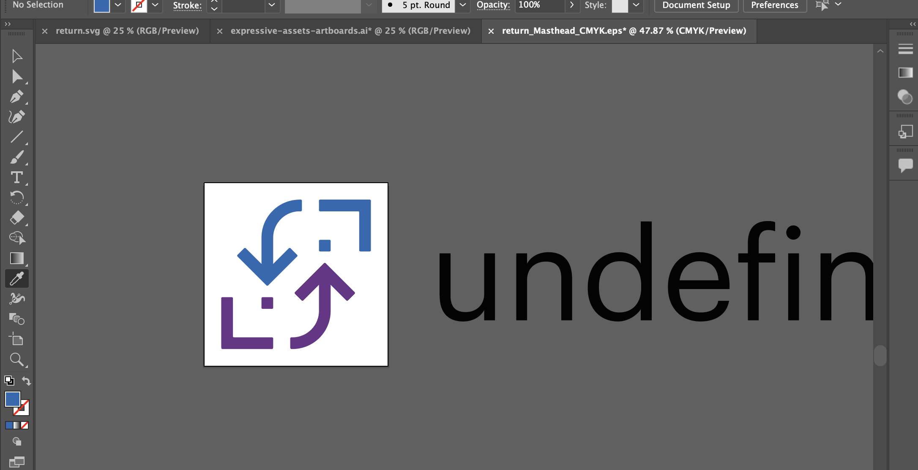
Masthead | Primary | CMYK |  | existing specs | .eps, .jpg | Radar_Masthead_CMYK.jpg | ( jpg problematic, eps saves everything on screen, but jpeg saves artboard only so you don’t get text on masthead in jpeg, come back to this if required)
Masthead | Primary | RGB |  | existing specs | .eps, .png, svg | Radar_Masthead_RGB.png | (same problem here, png saves what is on artboard only , ran tests on svg same issue)

