Result
Підсумок RFM-аналізу
Distribution of Customer Segments
Розподіл сегментів (value_counts)
customer_segment | count | % від клієнтів
Best Customers | 169 | 17.1%
Loyal Customers | 311 | 31.4%
Average Customers | 324 | 32.8%
Lost Customers | 185 | 18.7%
Разом | 989 | 100.0%

Описова статистика (describe)
stat | recency | frequency | monetary
count | 989 | 989 | 989
mean | 68.34 | 5.05 | 505.65
std | 66.40 | 2.32 | 242.66
min | 0.00 | 1.00 | 26.14
25% | 18.00 | 3.00 | 319.60
50% | 48.00 | 5.00 | 485.23
75% | 96.00 | 6.00 | 655.72
max | 346.00 | 14.00 | 1,498.53

Перевірки
Транзакцій з amount>0 (Транзакції) | 4996
Сума frequency по всіх клієнтах (RFM) | 4996
Збігається? | OK

Sheet1
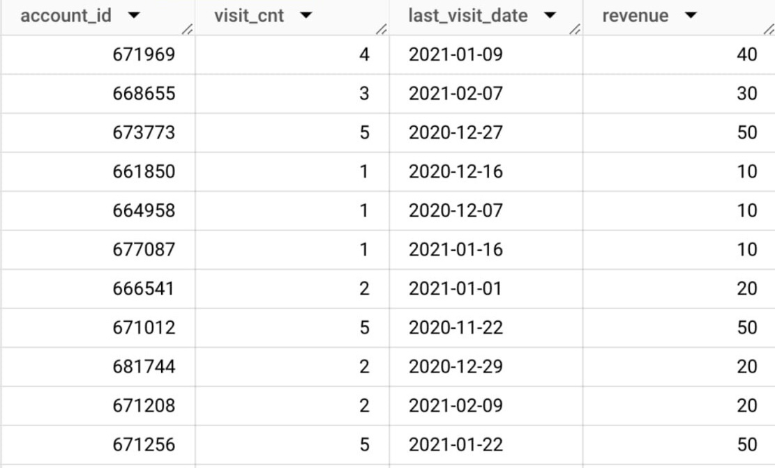
 |  |  |  |  | 1. Напиши SQL-код, щоб отримати датасет для аналізу, який містить дані:
 |  |  |  |  | visit_cnt — унікальна кількість листів, яку відкрив акаунт;
 |  |  |  |  | last_visit_date — дата останнього відкриття листа;
 |  |  |  |  | revenue — будемо вважати, що в середньому з кожного відкритого листа користувача ми мали б отримали $10.
 |  |  |  |  | 💡 До аналізу брати лише ті account_id в яких був хоча б один відкритий лист і в кого last_visit_date ≠ null. Приклад датасету:

account
Row | id | send_interval | is_verified | is_unsubscribed
1 | 658133 | 1 | 0 | 0
2 | 658149 | 1 | 0 | 0
3 | 658181 | 1 | 0 | 0
4 | 658197 | 1 | 0 | 0
5 | 658213 | 1 | 0 | 0
6 | 681954 | 1 | 0 | 0
7 | 670740 | 1 | 0 | 0
8 | 670772 | 1 | 0 | 0

account_session
Row | account_id | ga_session_id
1 | 658069 | 3875156546
2 | 658085 | 8966487941
3 | 658101 | 9313310091
4 | 658117 | 7589522695
5 | 658149 | 5112402120
6 | 658165 | 6495878389
7 | 658181 | 1360582398
8 | 658197 | 1361873884

session
Row | date | ga_session_id
1 | 2020-11-01 | 5760483956
2 | 2020-11-01 | 7115337200
3 | 2020-11-01 | 3978035233
4 | 2020-11-01 | 9648986282
5 | 2020-11-01 | 4393441533
6 | 2020-11-01 | 967742695
7 | 2020-11-01 | 1115082532
8 | 2020-11-01 | 6586349543

