Лист1
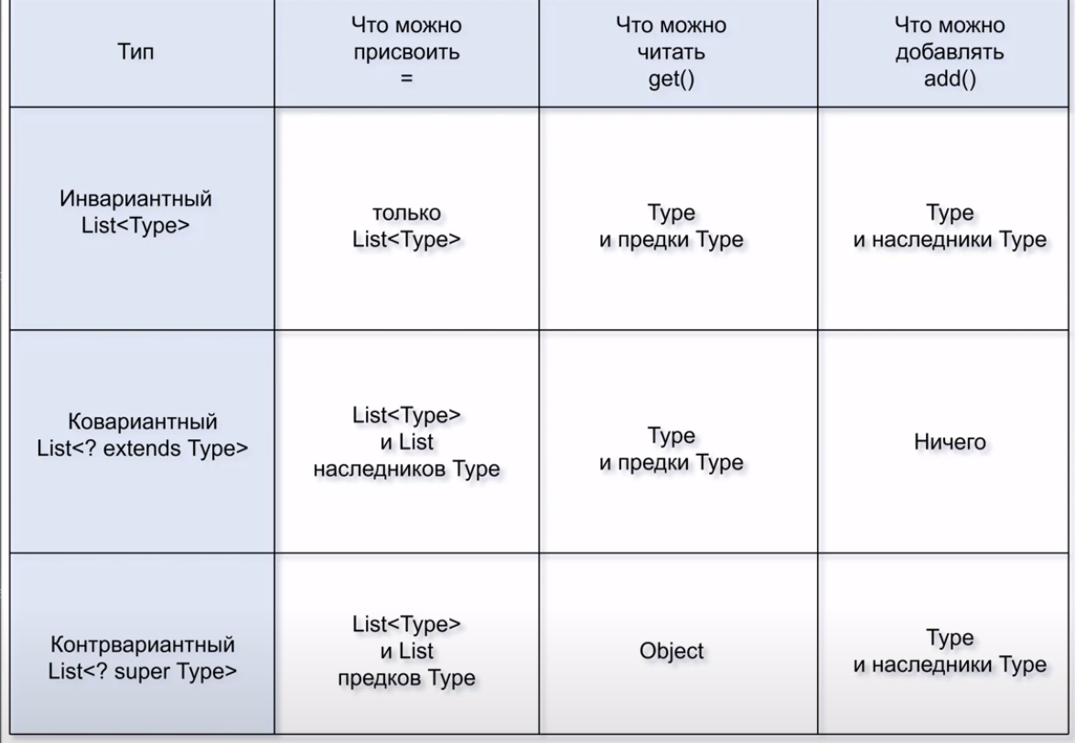

https://www.youtube.com/watch?v=2yeFSrcTQh8

