Basic Worksheet
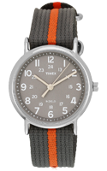
Product information
title: | Royal London 6754-99
bytitle: | royal-london-6754-99
brand: | Seiko
category: | Men
content: | Doloribus tenetur iure et corrupti officia dignissimos qui dolorem ut impedit assumenda dolore incidunt in non est ducimus ullam nulla.
price: | 68.15
old price: | 93.84
status: | active
keywords: | keywords
quantity: | 10
created_at | 2022-02-13 15:24:03
updated_at | 2022-03-27 13:14:50

Product image:

