Basic Worksheet
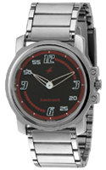
Product information
title: | Royal London 6754-9922
bytitle: | royal-london-6754-9922
brand: | Seiko
category: | Electronic
content: | Enim placeat enim quasi officiis ducimus officia ad ullam voluptatum doloremque esse id earum quia et repudiandae quod et dolores.
price: | 43.43
old price: | 99.61
status: | active
keywords: | keywords
quantity: | 6
created_at | 2022-02-13 15:24:03
updated_at | 2022-04-16 06:42:40

Product image:

