Setup
This spread sheet illustrated register bit setting of one channel c3aibadapt_wrap.v file (Diagram at the left side)

 | NOTE: In our AIB specification, we call the left side chiplet as near side die and right side as far side die
 |  | The TX data path for near side die is referring data flow from FPGA to The left
 |  | The RX data path for near side die is referring data flow from let die to FPGA die

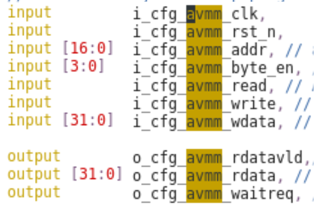

 |  |  |  | See sheet cfg_csr

 |  |  | See sheet usr_csr

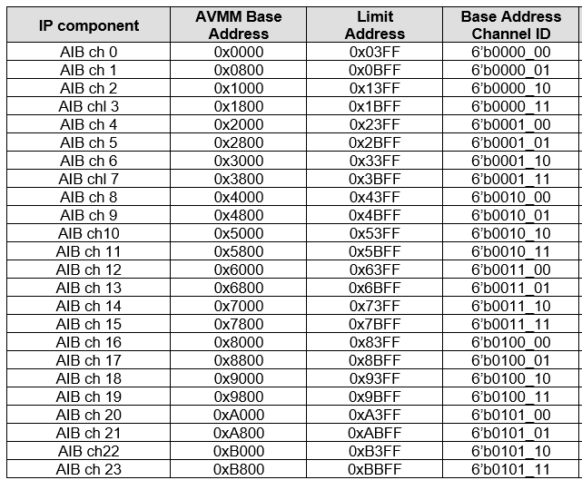
 | NOTE: | For multiple Channel Configuraion AVMM address map, Bit [16:11] indicates the channel ID and bit [10:0] is actual register offset.
 |  | The left side the the configuration AVMM address map for 24 channel AIB.

