précisions
Nom colonne | Format donnée
Evolution line | -1=pas de ligne évolutive/forme spéciale inutilisable, 1=premier de la ligne, 2=milieu, 3=3ème/final
Region | nom de la région, attention Sinnoh != Hisui | Kanto | Johto | Hoenn | Sinnoh | Unys | Kalos | Alola | Galar | Hisui | Paldea
 | Peut apprendre le move, Mega et Gigamax ne marchent pas | Close Combat | Crunch | Dazzling Gleam | Earthquake | Flamethrower | Fly | Hydro Pump | Ice Beam | Psychic | Razor Leaf | Shadow Ball | Thunderbolt

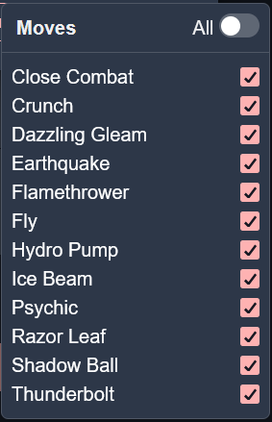
 |  |  |  |  |  |  |  | Génération | Completion | Total | Pourcentage
 |  |  |  |  |  |  |  | 1 | 105 | 202 | 52%
 |  |  |  |  |  |  |  | 2 | 69 | 112 | 62%
 |  |  |  |  |  |  |  | 3 | 99 | 165 | 60%
 |  |  |  |  |  |  |  | 4 | 65 | 123 | 53%
 |  |  |  |  |  |  |  | 5 | 153 | 177 | 86%
 |  |  |  |  |  |  |  | 6 | 52 | 87 | 60%
 |  |  |  |  |  |  |  | 7 | 43 | 100 | 43%
 |  |  |  |  |  |  |  | 8 | 46 | 109 | 42%
 |  |  |  |  |  |  |  | 9 | 66 | 135 | 49%

