Sheet 2
BUG ID | Feature | Steps to Reproduce | Actual Result | Status | Executed By | Priority | Attachments
BUG_01 | Verify whether Admin able to get an Error Message while logging in | 1) Leave Empty Field of Email 2) Leave Empty Field of Password 3) Click on LOG IN | User got Error Message for only Email! not for Password | FAIL | Arti Chamle | P1 (High)
BUG_02 | Verify Whether Admin able to login with Case Sensitive Email ID | 1) Enter Email Id with Case Sensitive (Admin@yourstore.com) 2) Enter Password Password 3) Click on LOG IN | User is able to Login with Case Sensitive Email Id | FAIL | Arti Chamle | P0 (Critical)
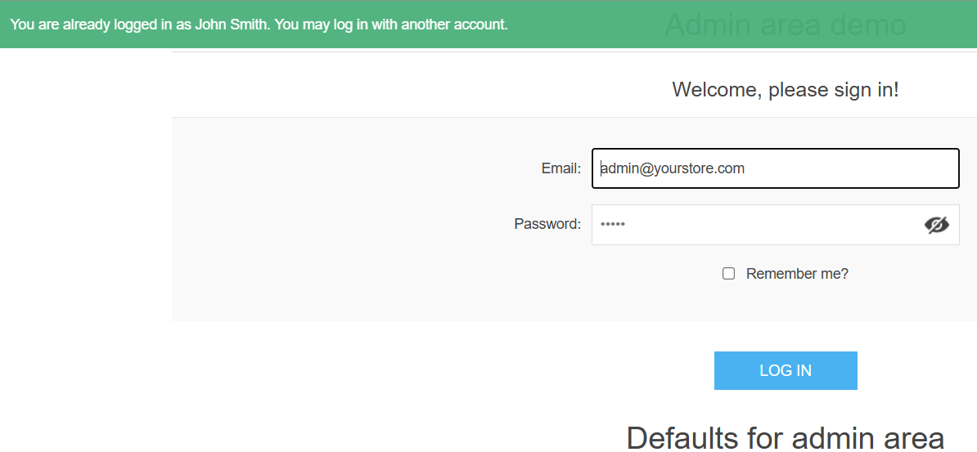
BUG_03 | Verify Admin able to login after Trying to Enter wrong Credentials 5-6 Times | 1) Enter wrong Email id 2) Enter Wrong Password 3) Each time Click on Login Button (5-6 Times) | User is able to login with correct Credentials after trying 5-6 times | FAIL | Arti Chamle | P0 (Critical)
BUG_04 | Verify Admin able to Login After without clicking LogOut (Already Session is Going on) | 1) Enter Email Id 2) Enter Password 3) Click on Login Button 4) Click on Back Arrow Button 5) Click on Login Button | User is able to login Again after Clicking Back Button and then Clicking Login Button Again when there is already Session is Going ON | FAIL | Arti Chamle | P0 (Critical)
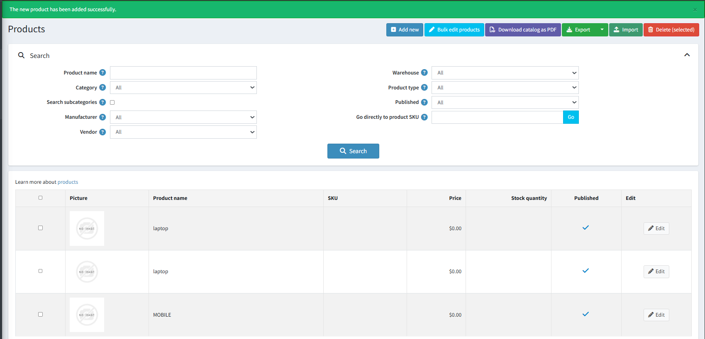
BUG_05 | Verify Admin able to add the NEW Product | 1) Enter Email Id 2) Enter Password 3) Click on Login Button 4) Catalog > Products > Add New 5) Fill only Product name 6) Click on Add New | User is able to Add New Products to the Product List without Filling its Price, Images,Its Specifiactions | FAIL | Arti Chamle | P0 (Critical)
BUG_06 | Verify whether Admin Gets Session TimeOut after not having Activity till 30-40 mins | 1) Enter Email Id 2) Enter Password 3) Click on Login Button | Admin should not get any Warning Message of "You didnt Active for 30 min, So LogIn Again!!" | FAIL | Arti Chamle | P1 (High)
BUG_07 | Validate Forgot Password | 1) Admin Login Page 2) Search for "Forgot Password" Functionality | Admin is not able to find "Forgot Password" Functionality | FAIL | Arti Chamle | P0 (Critical)


BUG_08 | Validate Admin is able to Access his Profile | 1) Enter Email Id 2) Enter Password 3) Click on Login Button 4) Click on Admin Profile | Admin is not able to Access his Profile | FAIL | Arti Chamle | P0 (Critical)

BUG_09 | Validate Clear Cache | 1) Enter Email Id 2) Enter Password 3) Click on Login Button 4) Click on Setting Icon 5) Click on Clear Cache | Admin is not able to Clear the Cache Instead getting Error Message "For security purposes, the feature you have requested is not available on the demo site." | FAIL | Arti Chamle | P1 (High)

BUG_10 | Validate Add Customer Functionality | 1) Enter Email Id 2) Enter Password 3) Click on Login Button 4) Click on Customer > Customer Roles > Add New 5) Type "@" in the Name Field and Leave other Fields Empty | Admin is able to add a New Customer without Filling other Details than Name | FAIL | Arti Chamle | P1 (High)
BUG_11 | Validate ISO Code in Countries Section | 1) Enter Email Id 2) Enter Password 3) Click on Login Button 4) Click on Configuration > Countries >Add New 5) Type "abc" in Name field, Two letter ISO Code "xy", Three Letter ISO Code as "xtz" | Admin is able to Add a New Country with INVALID ISO Codes | FAIL | Arti Chamle | P1 (High)
BUG_12 | Validate Bulk Product Edit | 1) Enter Email Id 2) Enter Password 3) Click on Login Button 4) Click on Catalog > Products > Bulk Edit Products 5) Enter New Price, Old Price 6) Click on Save all | Admin is able to Update the New Price of the Specific Product But got Error Message like " We're sorry, an internal error occurred. Our supporting staff has been notified of this error and will address the issue shortly. We apologize for the inconvenience. Please try clicking your browsers 'back' button or try reloading the home page. If you continue to receive this message, please try again in a little while. Thank you for your patience." | FAIL | Arti Chamle | P1 (High) | 