XRToolkit-Baseline
 |  |  | OpenXR Setup

 |  |  | 1 | Folders | Add Game/Scenes - Save default scene as StarterScene
Notes: | 2021-12-21 | Could not add Valve index controllers
 |  | to XR Plugin management/Interaction profiles
 |  | errors/breaking when playing in the editor | 2 | Plugins | Input System - should be installed with XR Interaction Toolkit. Get the Samples.
 |  | Fix: Removal of Valve Index Controller profile |  |  | XR Interaction Toolkit |  | Use: com.unity.xr.interaction.toolkit
 |  | In 2021.2.7, not sure if it's in other versions |  |  |  | Samples: Default Input Actions
 |  |  |  |  | XR Plugin Management
 |  |  |  |  |  | Samples: XR Management Implimentation

 |  |  |  |  |  | Under XR Plugin Management
 |  |  |  |  |  |  | OpenXR
 |  |  |  |  |  |  |  | Interaction Profiles
 |  |  |  |  |  |  |  |  | Add OpenXR to both tabs
 |  |  |  |  |  |  |  |  | Do not add both OpenXR and Oculus to the Android Tab. I've gotten some tracking issues

 |  |  | 3 | Player
 |  |  |  |  | Color Space |  | Linear
 |  |  |  |  | Scripting Backend |  | IL2CPP
 |  |  |  |  | Min API Level |  | Marshmellow (23)
 |  |  |  |  | ARM64 |  | Check

 |  |  | 4 | Quality
 |  |  |  |  | Texture | Full Res
 |  |  |  |  | Anisotropic | Per Texture
 |  |  |  |  | Anti Aliasing | 4x Multi Sample
 |  |  |  |  | Soft Particles | uncheck

 |  |  | 5 | Default XR Input Actions
 |  |  |  |  | Under | Assets/Samples/XR Interaction Toolkit/<version>/Default Input Actions
 |  |  |  |  |  | Click on, at a minium, the XRI Default Left and right controllers Controller
 |  |  |  |  |  | In the inspector, click "Add to Action Based Controller default"
 |  |  |  |  |  | Optionally, do the other three

 |  |  |  |  | Player Setting/Preset Manager/Action Based Controller
 |  |  |  |  |  | Add Left/Right filters

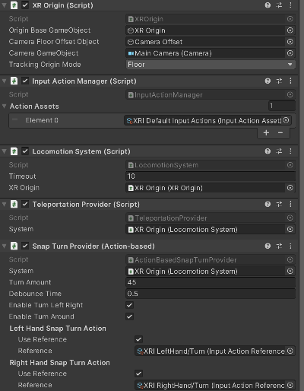
 |  |  | Add Components
 |  |  | 6 | Hiearchy

 |  |  |  |  | XROrigin -> Rename to Player
 |  |  |  |  |  | Input Action Manager
 |  |  |  |  |  |  | Element 0: XRI Default Input Actions from the XRI toolkit
 |  |  |  |  |  | Locomotion System |  | Add XROrigin
 |  |  |  |  |  | Teleportation Provider |  | Add XROrigin |  | Or should this be XRInteraction Manager? Same with Snap Turn Provide below
 |  |  |  |  |  | Snap Turn Provider |  | Add XROrigin - drag Locomotion System down, having trouble with XROrigin. Should be the same thing
 |  |  |  |  |  |  |  | Remove Left Hand Snap Turn Action
 |  |  |  |  | Floor Cube | Add Rigidbody, remove gravity, check is kinematic
 |  |  |  |  |  | Add Teleportation Area |  | Add XROrigin as Teleportation Provider |  |  | Is this necessary? | Again, Should it be XRInteraction manager?
 |  |  |  |  | Box Cube
 |  |  |  |  |  | XRGrab Interactable |  | Will add a Rigidbody, use gravity
 |  |  |  |  |  | Add ButtonTest Component (script changes Box Color)
 |  |  |  |  | Player Input | Add XR Action Map - use Default samples from XR Toolkit for now

 |  |  |  |  |  | Change material to something other than white
 |  |  | 7 | Left/Right Controllers
 |  |  |  |  | XR Ray Interactor
 |  |  |  |  |  | Remove Anchor Control
 |  |  |  |  |  | Raycast Configuration
 |  |  |  |  |  |  | Projectile Curve
 |  |  |  |  |  |  | Velocity | 20
 |  |  |  |  |  |  | Acceleration | 9.8 | Try increasing this
 |  |  |  |  |  |  | Add G Height | 0.5
 |  |  |  |  |  |  | Add Flight time | 0.5
 |  |  |  |  | XR Interactor Line Visual
 |  |  |  |  |  | Valid Color Gradient
 |  |  |  |  |  |  | Click and change color from white

