Sheet1
Characteristics of portfolio (Please provide real numbers instead of percentages. For example, use 0.02 instead of 2%.) |  |  | Monthly Portfolio returns (Please provide real numbers instead of percentages. For example, use 0.02 instead of 2%.)
 | Value-weighted portfolio | Minimum variance portfolio |  | Value-weighted portfolio | Minimum variance portfolio
Annualized average return | 0.073685130281 | 0.076823593711 | Jan-14 | -0.040489473452 | -0.033720438431
Annualized volatility | 0.13198124866 | 0.10824840015 | Feb-14 | 0.023319436994 | 0.043711051403
Annualized cumulative return | 0.066992652107 | 0.073384361593 | Mar-14 | 0.0033717666371 | 0.0087220432555
Sharp ratio | 0.4268741817 | 0.54924953195 | Apr-14 | -0.008777486381 | 0.0033215137605
Minimum monthly return | -0.11442251197 | -0.094702712135 | May-14 | 0.030593973051 | 0.040512292182
Maximum monthly return | 0.13291616759 | 0.098924172519 | Jun-14 | 0.03366651966 | 0.027454669636
Plot of the cumulative return | (insert your plot here) | (insert your plot here) | Jul-14 | 0.01685100141 | 0.017494851739
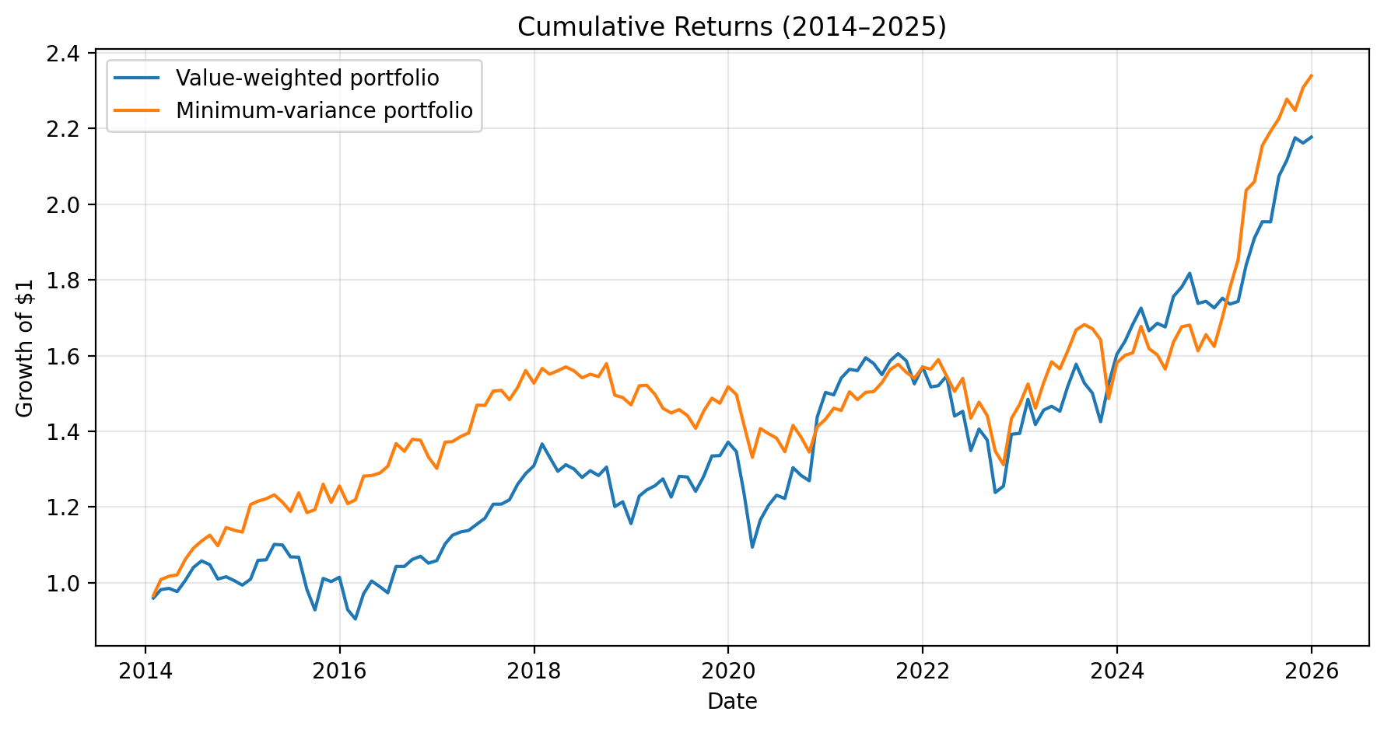
 |  |  | Aug-14 | -0.009684462651 | 0.013901586225
 |  |  | Sep-14 | -0.03605195727 | -0.025000740681
 |  |  | Oct-14 | 0.0059301343489 | 0.044052983791
 |  |  | Nov-14 | -0.0097627373474 | -0.0061675416413
 |  |  | Dec-14 | -0.012194721944 | -0.0045101717156
 |  |  | Jan-15 | 0.015868065285 | 0.064355699745
 |  |  | Feb-15 | 0.049423623625 | 0.0073374474035
 |  |  | Mar-15 | 0.0012029148529 | 0.0052740708006
 |  |  | Apr-15 | 0.038556978763 | 0.0084717846072
 |  |  | May-15 | -0.0015612515201 | -0.015734336055
 |  |  | Jun-15 | -0.028503569545 | -0.020288202242
 |  |  | Jul-15 | -0.00077053674697 | 0.041441081196
 |  |  | Aug-15 | -0.080194991515 | -0.04231808716
 |  |  | Sep-15 | -0.054615610322 | 0.006674658269
 |  |  | Oct-15 | 0.089483390427 | 0.056438936639
 |  |  | Nov-15 | -0.0081792480906 | -0.038382532274
 |  |  | Dec-15 | 0.011332234915 | 0.036051493735
 |  |  | Jan-16 | -0.084280950908 | -0.037260522248
 |  |  | Feb-16 | -0.026723141946 | 0.0082763993025
 |  |  | Mar-16 | 0.074157780857 | 0.051497997219
 |  |  | Apr-16 | 0.034429845834 | 0.0011584744875
 |  |  | May-16 | -0.014927157751 | 0.0052328023848
 |  |  | Jun-16 | -0.016354364217 | 0.01386476272
 |  |  | Jul-16 | 0.071536022393 | 0.045786162227
 |  |  | Aug-16 | 1.2053084351E-05 | -0.01484634217
 |  |  | Sep-16 | 0.017638542559 | 0.023403214746
 |  |  | Oct-16 | 0.0080110409325 | -0.0017864582112
 |  |  | Nov-16 | -0.017057602903 | -0.032433965443
 |  |  | Dec-16 | 0.0064822801295 | -0.02226098635
 |  |  | Jan-17 | 0.041358126372 | 0.053119079743
 |  |  | Feb-17 | 0.021071984595 | 0.0012832391817
 |  |  | Mar-17 | 0.0077328581775 | 0.0096556267117
 |  |  | Apr-17 | 0.0035853568402 | 0.0068392382907
 |  |  | May-17 | 0.014541964681 | 0.05256686177
 |  |  | Jun-17 | 0.013454223464 | -0.00050937262846
 |  |  | Jul-17 | 0.031670351091 | 0.025779970219
 |  |  | Aug-17 | 0.0002686130151 | 0.0013282972309
 |  |  | Sep-17 | 0.0092409725393 | -0.016372220496
 |  |  | Oct-17 | 0.033873700241 | 0.021967674598
 |  |  | Nov-17 | 0.02225376187 | 0.029423300749
 |  |  | Dec-17 | 0.016187160166 | -0.021463656887
 |  |  | Jan-18 | 0.043893351508 | 0.025423543478
 |  |  | Feb-18 | -0.025278348843 | -0.0096720595311
 |  |  | Mar-18 | -0.028306047169 | 0.0059459063457
 |  |  | Apr-18 | 0.013406848696 | 0.0064710577086
 |  |  | May-18 | -0.0086397770722 | -0.0067486201108
 |  |  | Jun-18 | -0.017113929428 | -0.011714719741
 |  |  | Jul-18 | 0.013947251329 | 0.0061646681784
 |  |  | Aug-18 | -0.0098411129477 | -0.0040042054255
 |  |  | Sep-18 | 0.01747505828 | 0.021948508026
 |  |  | Oct-18 | -0.079879750056 | -0.052737942641
 |  |  | Nov-18 | 0.010447179975 | -0.0040699979455
 |  |  | Dec-18 | -0.047487284738 | -0.013098201997
 |  |  | Jan-19 | 0.062973878774 | 0.034413019036
 |  |  | Feb-19 | 0.013071419814 | 0.00084121602745
 |  |  | Mar-19 | 0.0089966992894 | -0.015716630643
 |  |  | Apr-19 | 0.014385080657 | -0.024663183084
 |  |  | May-19 | -0.037661844169 | -0.0083582430837
 |  |  | Jun-19 | 0.04465900755 | 0.0061745816122
 |  |  | Jul-19 | -0.001478025916 | -0.010871203558
 |  |  | Aug-19 | -0.029532195888 | -0.023311792945
 |  |  | Sep-19 | 0.031696753694 | 0.031999767084
 |  |  | Oct-19 | 0.042225030103 | 0.023739309708
 |  |  | Nov-19 | 0.00066233965569 | -0.0089420978061
 |  |  | Dec-19 | 0.026587073301 | 0.029359349416
 |  |  | Jan-20 | -0.018143769991 | -0.013475317632
 |  |  | Feb-20 | -0.082493610815 | -0.054464305952
 |  |  | Mar-20 | -0.11442251197 | -0.059674444333
 |  |  | Apr-20 | 0.065716790891 | 0.057274063071
 |  |  | May-20 | 0.03326311886 | -0.0096055614376
 |  |  | Jun-20 | 0.022126715418 | -0.0084785029256
 |  |  | Jul-20 | -0.0071339507917 | -0.025950956335
 |  |  | Aug-20 | 0.06659854055 | 0.051671169824
 |  |  | Sep-20 | -0.015582118169 | -0.02172825886
 |  |  | Oct-20 | -0.011147110377 | -0.028651260628
 |  |  | Nov-20 | 0.13291616759 | 0.049535768462
 |  |  | Dec-20 | 0.045002895596 | 0.014199799833
 |  |  | Jan-21 | -0.0043583449855 | 0.020340581877
 |  |  | Feb-21 | 0.029728933237 | -0.0040818416173
 |  |  | Mar-21 | 0.014905855545 | 0.033960133136
 |  |  | Apr-21 | -0.0020975648486 | -0.013862917014
 |  |  | May-21 | 0.021772731935 | 0.013075743097
 |  |  | Jun-21 | -0.0095469709878 | 0.0012541538096
 |  |  | Jul-21 | -0.018654033579 | 0.015739317837
 |  |  | Aug-21 | 0.023515964737 | 0.022350546381
 |  |  | Sep-21 | 0.012022281374 | 0.0092951437181
 |  |  | Oct-21 | -0.011929078937 | -0.013757897037
 |  |  | Nov-21 | -0.038247916074 | -0.0099723949166
 |  |  | Dec-21 | 0.02944009693 | 0.019023539115
 |  |  | Jan-22 | -0.033750442715 | -0.0031820323614
 |  |  | Feb-22 | 0.0021500976972 | 0.016061459426
 |  |  | Mar-22 | 0.016649113673 | -0.027103297773
 |  |  | Apr-22 | -0.068312172369 | -0.02646288867
 |  |  | May-22 | 0.0086905145692 | 0.022821642101
 |  |  | Jun-22 | -0.071374868174 | -0.068284672176
 |  |  | Jul-22 | 0.042151140847 | 0.029404243929
 |  |  | Aug-22 | -0.020627399081 | -0.02413592099
 |  |  | Sep-22 | -0.10064638257 | -0.064854153185
 |  |  | Oct-22 | 0.013659512086 | -0.026735792723
 |  |  | Nov-22 | 0.10899049397 | 0.093258453901
 |  |  | Dec-22 | 0.0017977070295 | 0.026086798513
 |  |  | Jan-23 | 0.064703217989 | 0.036357699339
 |  |  | Feb-23 | -0.045105693409 | -0.041943653045
 |  |  | Mar-23 | 0.026980983798 | 0.046104122601
 |  |  | Apr-23 | 0.0069266236328 | 0.036200105694
 |  |  | May-23 | -0.0089675909737 | -0.011816530973
 |  |  | Jun-23 | 0.045945947625 | 0.030874506536
 |  |  | Jul-23 | 0.037754040955 | 0.033951582163
 |  |  | Aug-23 | -0.031518636599 | 0.0082576392689
 |  |  | Sep-23 | -0.017291774338 | -0.0063267412595
 |  |  | Oct-23 | -0.050456918507 | -0.017595859359
 |  |  | Nov-23 | 0.06964735185 | -0.094702712135
 |  |  | Dec-23 | 0.051648006738 | 0.06360078272
 |  |  | Jan-24 | 0.02182857619 | 0.01268295036
 |  |  | Feb-24 | 0.027232045244 | 0.004019961571
 |  |  | Mar-24 | 0.025245878619 | 0.043437177495
 |  |  | Apr-24 | -0.034753897589 | -0.035172755856
 |  |  | May-24 | 0.011965106622 | -0.0099614540469
 |  |  | Jun-24 | -0.0057778663325 | -0.023504079549
 |  |  | Jul-24 | 0.048167254878 | 0.04571914927
 |  |  | Aug-24 | 0.014177625564 | 0.024680978326
 |  |  | Sep-24 | 0.02043168752 | 0.0025136676655
 |  |  | Oct-24 | -0.043882135366 | -0.040284891384
 |  |  | Nov-24 | 0.0031793592638 | 0.026351286281
 |  |  | Dec-24 | -0.0099049363143 | -0.018825965657
 |  |  | Jan-25 | 0.014732810817 | 0.047711572862
 |  |  | Feb-25 | -0.008825849404 | 0.045501134199
 |  |  | Mar-25 | 0.0040340434471 | 0.041752276013
 |  |  | Apr-25 | 0.055065065571 | 0.098924172519
 |  |  | May-25 | 0.03866117694 | 0.011030622242
 |  |  | Jun-25 | 0.022858926404 | 0.046747016508
 |  |  | Jul-25 | -0.00022659041286 | 0.017314451393
 |  |  | Aug-25 | 0.061662950255 | 0.015209826679
 |  |  | Sep-25 | 0.020372289126 | 0.023176678961
 |  |  | Oct-25 | 0.028072689517 | -0.013148248413
 |  |  | Nov-25 | -0.0064691336779 | 0.026883273521
 |  |  | Dec-25 | 0.0072924309417 | 0.01335752112

