Arather
FATE FREEPORT

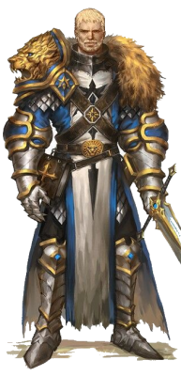
NAME |  |  |  |  |  |  | GENDER |  |  | M | F |  |  | ROLE
Arather the Paladin |  |  |  |  |  |  |  |  |  |  |  |  |  | Warrior | Healer
 |  |  |  |  |  |  |  |  |  |  |  |  |  | PERSONALITY
ASPECTS |  |  |  |  |  |  |  |  |  |  |  |  |  | Leader | Calm and charming
Hight Concept |  |  |  |  |  |  |  |  |  |  |  |  |  | GOAL
Devout Paladin of Tor |  |  |  |  |  |  |  |  |  |  |  |  |  | Order and peace
Trouble |  |  |  |  |  |  |  |  |  |  |  |  |  | COLORS
I protect those who cannot protect themseles |  |  |  |  |  |  |  |  |  |  |  |  |  | Brown and Gold
Race |  |  |  |  |  |  |  |  |  |  |  |  |  | REFRESH |  | fate points
Far travelled muscular human ranger |  |  |  |  |  |  |  |  |  |  |  |  |  | 3 |  | 3

 |  |  |  |  |  |  |  |  |  |  |  |  |  | SKILLS
 |  |  |  |  |  |  |  |  |  |  |  |  |  | STRENGTH |  |  | +3
 |  |  |  |  |  |  |  |  |  |  |  |  |  | DEXTERITY |  |  | +2
 |  |  |  |  |  |  |  |  |  |  |  |  |  | CONSTITUTION |  |  | +1
PHYSICAL STRESS |  |  |  |  |  | MENTAL STRESS |  |  |  |  |  |  |  | INTELLIGENCE |  |  | +0
1 p | 2 p | 3 p | 4 p |  |  | 1 p | 2 p | 3 p | 4 p |  |  |  |  | WISDOM |  |  | +1
CORRUPTION |  |  |  |  |  | RESOURCE STRESS |  |  |  |  |  |  |  | CHARISMA |  |  | +2
m m m m |  |  |  |  |  | m m m
CONSEQUENCES |  |  |  |  |  |  |  |  |  |  |  | SPELLS |  |  |  | Ta | Du | Co
physical | 2 | mild |  |  |  |  |  |  |  |  |  | 1 | Cure light wounds |  |  | touch | Inst | -
 | 4 | moderate |  |  |  |  |  |  |  |  |  | +1 | heal all stress
 | 6 | severe |  |  |  |  |  |  |  |  |  | 2 | Cure moderate wounds |  |  | touch | Inst | C
mental | 2 | mild |  |  |  |  |  |  |  |  |  | +1 | -1 damage level, all stress
 | 4 | moderate |  |  |  |  |  |  |  |  |  | 3
 | 6 | severe
 | 8 | extreme |  |  |  |  |  |  |  |  |  | 4
RESOURCE AND SOCIAL CONSEQUENCES
 | 2 | mild |  |  |  |  |  |  |  |  |  | 5
 | 4 | moderate
 | 6 | severe |  |  |  |  |  |  |  |  |  | 6
STUNTS
1 | Battle Priest |  |  | Healing and Prayer |  |  |  |  |  |  |  | 7
2 | Because I am battle hardened veteran
+5 | I get +2 when I forcefully Attack with a martial wp in melee |  |  |  |  |  |  |  |  |  |  | 8
3 | Because I am temple knight
+5 | I get +2 when I forcefully Defend with a Shield in melee |  |  |  |  |  |  |  |  |  |  | 9

 |  |  |  |  |  |  |  |  |  |  |  | 10

 |  |  |  |  |  |  |  |  |  |  |  | 11

COMBAT |  |  |  |  |  |  |  |  |  |  |  | TEMPORARY ASPECTS |  |  |  |  |  | CONDITIONS
WP | Martial weapons |  |  |  | Dmg +1 |  |  |  |  |  |  |  |  |  |  |  |  | pppp
+3 | Broad sword + Shield |  |  |  |  |  |  |  |  |  |  |  |  |  |  |  |  | pppp
AR | Heavy armor |  |  | 3 free invoke / session or repair |  |  |  |  |  |  |  |  |  |  |  |  |  | pppp
+3 | Shield |  |  | 1 free invoke / session or repair |  |  |  |  |  |  |  |  |  |  |  |  |  | pppp
 |  |  |  |  |  |  |  |  |  |  |  |  |  |  |  |  |  | pppp
 |  |  |  |  |  |  |  |  |  |  |  |  |  |  |  |  |  | pppp

http://evilhat.wikidot.com/fate-core-stunts
https://fate-srd.com/fate-system-toolkit/wealth

Dancalot
FATE FREEPORT

 |  |  |  |  |  |  |  |  |  |  |  |  |  |  |  |  |  | Major illusion
NAME |  |  |  |  |  | GENDER |  |  | M | F |  |  | ROLE
Dancalot quickfinger |  |  |  |  |  |  |  |  |  |  |  |  | Skilled
 |  |  |  |  |  |  |  |  |  |  |  |  | PERSONALITY
ASPECTS |  |  |  |  |  |  |  |  |  |  |  |  | Explorer | Bubling and happy
Hight Concept |  |  |  |  |  |  |  |  |  |  |  |  | GOAL
Rogue who meddles with magic |  |  |  |  |  |  |  |  |  |  |  |  | easy living and andventure
Trouble |  |  |  |  |  |  |  |  |  |  |  |  | COLORS
successful thief |  |  |  |  |  |  |  |  |  |  |  |  | leather and green
Race |  |  |  |  |  |  |  |  |  |  |  |  | REFRESH |  | fate points
pretty lithe halfling girl |  |  |  |  |  |  |  |  |  |  |  |  | 3 |  | 3

Fairy bloodline gives Chipmunk totem animal |  |  |  |  |  |  |  |  |  |  |  |  | SKILLS
 |  |  |  |  |  |  |  |  |  |  |  |  | STRENGTH |  | +0
Stole a musket |  |  |  |  |  |  |  |  |  |  |  |  | DEXTERITY |  | +3
 |  |  |  |  |  |  |  |  |  |  |  |  | CONSTITUTION |  | +2
 |  |  |  |  |  |  |  |  |  |  |  |  | INTELLIGENCE |  | +1
PHYSICAL STRESS |  |  |  |  | MENTAL STRESS |  |  |  |  |  |  |  | WISDOM |  | +1
1 p | 2 p | 3 p | 4 p |  | 1 p | 2 p | 3 p | 4 p |  |  |  |  | CHARISMA |  | +2
WEALTH |  |  |  |  | CORRUPTION
m m m |  |  |  |  | m m m m |  |  |  |  |  | SPELLS |  |  |  | Ta | Du | Co
 |  |  |  |  |  |  |  |  |  |  | 1 | Major Illusion |  |  | 1 | Pe | -
CONSEQUENCES |  |  |  |  |  |  |  |  |  |  | +5 | Cha +2 vs. Wis, image & sound, Aspect "Surprised, Afraid, Confused, Distracted"
physical | 2 | mild |  |  |  |  |  |  |  |  | 2 | Invisibility |  |  | 1 | Pe | C
 | 4 | moderate |  |  |  |  |  |  |  |  | +4 | Give aspect "Invisible"
 | 6 | severe |  |  |  |  |  |  |  |  | 3 | Minor illusion |  |  | 1 | Pe | -
mental | 2 | mild |  |  |  |  |  |  |  |  | +4 | Cha+2 vs Wis, image or sound, aspect of Distracted, Surprised, Confused
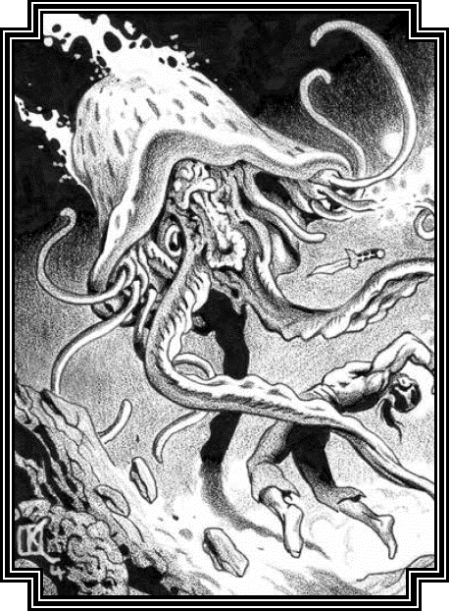
 | 4 | moderate |  |  |  |  |  |  |  |  | 4
 | 6 | severe
 | 8 | extreme |  |  |  |  |  |  |  |  | 5
RESOURCE AND SOCIAL CONSEQUENCES
 | 2 | mild |  |  |  |  |  |  |  |  | 6
 | 4 | moderate
 | 6 | severe |  |  |  |  |  |  |  |  | 7

STUNTS
1 | Halfling Tumbler, +2 on acrobatics and athletics |  |  |  |  |  |  |  |  |  | GEAR
2 | Illusionist
3 | Wild shape Chipmunk
 | Chipmunk, str -2, dex +5, Tiny, fast, fit from small openings

COMBAT |  |  |  |  |  |  | +3 | DEX |  |  | TEMPORARY ASPECTS |  |  |  |  |  | CONDITIONS
WP | Finesse weapons |  |  | Use Dex |  |  |  |  |  |  |  |  |  |  |  |  | pppp
+3 | Switch blade, short sword, Darts |  |  |  |  |  |  |  |  |  |  |  |  |  |  |  | pppp
AR | Light armor |  |  | 1 free invoke / session or repair |  |  |  |  |  |  |  |  |  |  |  |  | pppp
+3 | Musket |  | Armorpiercing |  | Stolen |  |  |  |  |  |  |  |  |  |  |  | pppp
 |  |  |  |  |  |  |  |  |  |  |  |  |  |  |  |  | pppp
 |  |  |  |  |  |  |  |  |  |  |  |  |  |  |  |  | pppp

Selene
FATE FREEPORT

NAME |  |  |  |  |  |  | GENDER |  |  | M | F |  |  | ROLE
Selene the Wizard |  |  |  |  |  |  |  |  |  |  |  |  |  | Caster | The Wizard elementalist
 |  |  |  |  |  |  |  |  |  |  |  |  |  | PERSONALITY
ASPECTS |  |  |  |  |  |  |  |  |  |  |  |  |  | Leader | Fast temperament
Hight Concept |  |  |  |  |  |  |  |  |  |  |  |  |  | GOAL
Red wizard of the Council |  |  |  |  |  |  |  |  |  |  |  |  |  | Power and wealth
Trouble |  |  |  |  |  |  |  |  |  |  |  |  |  | COLORS
Easily offended |  |  |  |  |  |  |  |  |  |  |  |  |  | Red and silver
Race |  |  |  |  |  |  |  |  |  |  |  |  |  | REFRESH |  | fate points
Azhar Flashy looking redhead, with reddish eyes |  |  |  |  |  |  |  |  |  |  |  |  |  | 2 |  | 2

 |  |  |  |  |  |  |  |  |  |  |  |  |  | SKILLS
 |  |  |  |  |  |  |  |  |  |  |  |  |  | STRENGTH |  | +0
 |  |  |  |  |  |  |  |  |  |  |  |  |  | DEXTERITY |  | +1
 |  |  |  |  |  |  |  |  |  |  |  |  |  | CONSTITUTION |  | +1
PHYSICAL STRESS |  |  |  |  |  | MENTAL STRESS |  |  |  |  |  |  |  | INTELLIGENCE |  | +2
1 p | 2 p | 3 p | 4 p |  |  | 1 p | 2 p | 3 p | 4 p |  |  |  |  | WISDOM |  | +2
WEALTH |  |  |  |  |  | CORRUPTION |  |  |  |  |  |  |  | CHARISMA |  | +3
m m m |  |  |  |  |  | m m m m
CONSEQUENCES |  |  |  |  |  |  |  |  |  |  |  | SPELLS |  |  |  | Ta | Du | Co
physical | 2 | mild |  |  |  |  |  |  |  |  |  | 1 | Burning hands |  |  | 1;2;Z | Inst | C
 | 4 | moderate |  |  |  |  |  |  |  |  |  | +3 | Cha vs Dex physical
 | 6 | severe |  |  |  |  |  |  |  |  |  | 2 | Magic missile |  |  | 1 | Inst | -
mental | 2 | mild |  |  |  |  |  |  |  |  |  | +3 | Cha vs Dex physical
 | 4 | moderate |  |  |  |  |  |  |  |  |  | 3 | Fireball |  |  | Z | Inst | C
 | 6 | severe |  |  |  |  |  |  |  |  |  | +5 | Cha +2 vs Dex, "on fire" aspect
 | 8 | extreme |  |  |  |  |  |  |  |  |  | 4 | Arcane Shield |  |  | self | Pe | C
RESOURCE AND SOCIAL CONSEQUENCES |  |  |  |  |  |  |  |  |  |  |  | +3 | Defence +Int (2)
 | 2 | mild |  |  |  |  |  |  |  |  |  | 5 | Arcane Armor |  |  | 1 | Pe | C
 | 4 | moderate |  |  |  |  |  |  |  |  |  |  | Damage -2
 | 6 | severe |  |  |  |  |  |  |  |  |  | 6 | Grace |  |  | 1 | Pe | C
 |  |  |  |  |  |  |  |  |  |  |  | +2 | Dex +1
STUNTS |  |  |  |  |  |  |  |  |  |  |  | 7 | Haste |  |  | 1 | Pe | C
1 | War wizard |  |  | Evocation, abjuration, 2 spells |  |  |  |  |  |  |  | +2 | Dex +1, Aspect "superspeed" with 2 invocations, Speed * 2, +2 dodge
2 | Accomplished Wizard 3 extra spells |  |  |  |  |  |  |  |  |  |  | 8 | Alter Surface |  |  | 1 object/area | Pe | C
3 | Manipulator, 3 transmutation spells |  |  |  |  |  |  |  |  |  |  |  | Aspect gets 2 free invocations, invent the aspect
4 | Azhar Elementalist, |  |  |  |  |  |  |  |  |  |  | 9
 | Cha +2 to create advantage&overcome with fire magic
 |  |  |  |  |  |  |  |  |  |  |  | 10

 |  |  |  |  |  |  |  |  |  |  |  | 11

COMBAT |  |  |  |  |  |  |  | +1 | DEX |  |  | TEMPORARY ASPECTS |  |  |  |  |  | CONDITIONS
WP | Finesse weapons |  |  |  | Use Dex |  |  |  |  |  |  |  |  |  |  |  |  | pppp
+1 | Dagger |  |  |  |  |  |  |  |  |  |  |  |  |  |  |  |  | pppp
AR | none |  |  |  | no invoke |  |  |  |  |  |  |  |  |  |  |  |  | pppp
 |  |  |  |  |  |  |  |  |  |  |  |  |  |  |  |  |  | pppp
 |  |  |  |  |  |  |  |  |  |  |  |  |  |  |  |  |  | pppp
 |  |  |  |  |  |  |  |  |  |  |  |  |  |  |  |  |  | pppp

Slaine
FATE FREEPORT

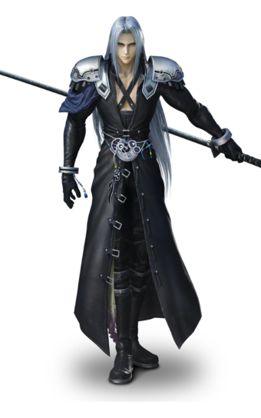
NAME |  |  |  |  |  | GENDER |  |  | M | F |  |  | ROLE
Slaine von Mithrangar Mardon |  |  |  |  |  |  |  |  |  |  |  |  | Charmer
 |  |  |  |  |  |  |  |  |  |  |  |  | PERSONALITY
ASPECTS |  |  |  |  |  |  |  |  |  |  |  |  | Negotatior | Likeable
Hight Concept |  |  |  |  |  |  |  |  |  |  |  |  | GOAL
Charming bard trickster duelist |  |  |  |  |  |  |  |  |  |  |  |  | To get my lands & title back
Trouble |  |  |  |  |  |  |  |  |  |  |  |  | COLORS
Quite many people hold crudge for me hassling them |  |  |  |  |  |  |  |  |  |  |  |  | black, silver
Race |  |  |  |  |  |  |  |  |  |  |  |  | REFRESH |  | fate points
Outcast moon elf nobility of a corrupted Duke |  |  |  |  |  |  |  |  |  |  |  |  | 1 |  | 1

Well connected among elves |  |  |  |  |  |  |  |  |  |  |  |  | SKILLS
 |  |  |  |  |  |  |  |  |  |  |  |  | STRENGTH |  |  | +0
Noble Chivalry, always a fair fight |  |  |  |  |  |  |  |  |  |  |  |  | DEXTERITY |  |  | +2
 |  |  |  |  |  |  |  |  |  |  |  |  | CONSTITUTION |  |  | +1
PHYSICAL STRESS |  |  |  |  | MENTAL STRESS |  |  |  |  |  |  |  | INTELLIGENCE |  |  | +2
1 p | 2 p | 3 p | 4 p |  | 1 p | 2 p | 3 p | 4 p |  |  |  |  | WISDOM |  |  | +1
RESOURCE STRESS |  |  |  |  | CORRUPTION |  |  |  |  |  |  |  | CHARISMA |  |  | +3
m m m m |  |  |  |  | m m m m
CONSEQUENCES |  |  |  |  |  |  |  |  |  |  | SPELLS |  |  |  | Ta | Du | Co
physical | 2 | mild |  |  |  |  |  |  |  |  | 1 | Charm |  |  | 1 | Pe | -
 | 4 | moderate |  |  |  |  |  |  |  |  | +3 | Easily Influenced, Drowsy, Distracted.
 | 6 | severe |  |  |  |  |  |  |  |  | 2 | Forget |  |  | 1 | Inst | -
mental | 2 | mild |  |  |  |  |  |  |  |  | +3 | CHA vs. INT overcome action to wipe out this scene
 | 4 | moderate |  |  |  |  |  |  |  |  | 3 | Provoke Emotion |  |  | 1 | Pe | -
 | 6 | severe |  |  |  |  |  |  |  |  | +3 | Great emotions
 | 8 | extreme |  |  |  |  |  |  |  |  | 4 | Minor Illusion |  |  | Z | Pe | -
RESOURCE AND SOCIAL CONSEQUENCES |  |  |  |  |  |  |  |  |  |  | +5 | Cha+2 vs Wis, image or sound, aspect of Distracted, Surprised, Confused
 | 2 | mild |  |  |  |  |  |  |  |  | 5 | Call Mist |  |  |  | Pe | C
 | 4 | moderate |  |  |  |  |  |  |  |  | +3 | 2 invocations of Chilling Thick Fog
 | 6 | severe |  |  |  |  |  |  |  |  | 6 | Magic Missile |  |  | 1 | Inst | -
 |  |  |  |  |  |  |  |  |  |  | +3 | Cha vs Dex physical
STUNTS |  |  |  |  |  |  |  |  |  |  | 7 | Arcane Armor: |  |  | 1 | Pe | C
1 | Moon elven sight, +2 to notice on low light or far away |  |  |  |  |  |  |  |  |  | +3 | Damage -2
2 | Trickster spell caster |  |  |  |  |  |  |  |  |  | GEAR
3 | Accomplished trickster Spellcaster
4 | War Wizard (evocation, abjucation)
5 | Because I am a world class duelist
 | I get a +2 when I dexteriously attack when engaged in a one-on-one swordfight.

6

COMBAT |  |  |  |  |  |  | +2 | DEX |  |  | TEMPORARY ASPECTS |  |  |  |  |  | CONDITIONS
WP | Finesse weapons |  |  | Use Dex |  |  |  |  |  |  |  |  |  |  |  |  | pppp
+2 | Toledo salamanca rapier, fast and fine finesse blade +2 |  |  |  |  |  |  |  |  |  |  |  |  |  |  |  | pppp
AR | Medium armor |  |  | 2 free invoke / session or repair |  |  |  |  |  |  |  |  |  |  |  |  | pppp
 | Fancy Noble clothes |  |  |  |  |  |  |  |  |  |  |  |  |  |  |  | pppp
 |  |  |  |  |  |  |  |  |  |  |  |  |  |  |  |  | pppp
 |  |  |  |  |  |  |  |  |  |  |  |  |  |  |  |  | pppp

Alex Armstrong
FATE FREEPORT

NAME |  |  |  |  |  | GENDER |  |  | M | F |  |  | ROLE
Alex Louis Armstrong |  |  |  |  |  |  |  |  |  |  |  |  | Caster | Warrior
 |  |  |  |  |  |  |  |  |  |  |  |  | PERSONALITY
ASPECTS |  |  |  |  |  |  |  |  |  |  |  |  | Builder
Hight Concept |  |  |  |  |  |  |  |  |  |  |  |  | GOAL
Bodybuilding wrestling champion of the Wizard's Guild |  |  |  |  |  |  |  |  |  |  |  |  | To protect and serve
Trouble |  |  |  |  |  |  |  |  |  |  |  |  | COLORS
Almost comically emotional |  |  |  |  |  |  |  |  |  |  |  |  | Blue, yellow
Race |  |  |  |  |  |  |  |  |  |  |  |  | REFRESH |  | fate points
Son of a walthy human trader |  |  |  |  |  |  |  |  |  |  |  |  | 3 |  | 3

Head of the City Guard |  |  |  |  |  |  |  |  |  |  |  |  | SKILLS
 |  |  |  |  |  |  |  |  |  |  |  |  | STRENGTH |  |  | +3
 |  |  |  |  |  |  |  |  |  |  |  |  | DEXTERITY |  |  | +0
 |  |  |  |  |  |  |  |  |  |  |  |  | CONSTITUTION |  |  | +1
 |  |  |  |  |  |  |  |  |  |  |  |  | INTELLIGENCE |  |  | +2
PHYSICAL STRESS |  |  |  |  | MENTAL STRESS |  |  |  |  |  |  |  | WISDOM |  |  | +1
1 p | 2 p | 3 p | 4 p |  | 1 p | 2 p | 3 p | 4 p |  |  |  |  | CHARISMA |  |  | +2
CORRUPTION |  |  |  |  | WEALTH |  |  |  |  |  | SPELLS |  |  |  | Ta | Du | Co
m m m m |  |  |  |  | m m m |  |  |  |  |  | 1 | Magic missile |  |  | 1 | Inst | -
 |  |  |  |  |  |  |  |  |  |  |  | Cha vs Dex physical
CONSEQUENCES |  |  |  |  |  |  |  |  |  |  | 2 | Power |  |  | 1 | Pe | C
physical | 2 | mild |  |  |  |  |  |  |  |  |  | You or a willing ally in your zone gains +1 to Strength.
 | 4 | moderate |  |  |  |  |  |  |  |  | 3 | Might |  |  | 1 | Pe | C
 | 6 | severe |  |  |  |  |  |  |  |  |  | STR +1, aspect "Supernatural Strength" 2 invocation
mental | 2 | mild |  |  |  |  |  |  |  |  | 4 | Alter Surface |  |  | 1 object/area | Pe | C
 | 4 | moderate |  |  |  |  |  |  |  |  |  | Aspect gets 2 free invocations, invent the aspect
 | 6 | severe |  |  |  |  |  |  |  |  | 5 | Darkness |  |  | Z | Pe | C
 | 8 | extreme |  |  |  |  |  |  |  |  |  | impenetrable darkness
RESOURCE AND SOCIAL CONSEQUENCES |  |  |  |  |  |  |  |  |  |  | 6
 | 2 | mild
 | 4 | moderate |  |  |  |  |  |  |  |  | 7
 | 6 | severe

STUNTS |  |  |  |  |  |  |  |  | 3 |  | GEAR
1 | War Wizard (evocation, abjuration)
2 | Manipulator (3 transmutation spells)
3 | Powerful Attack: Because I am so skilled at delivering forceful attacks, I gain +2 when I am Forcefully Striking while armed with a heavy weapon.
+5

COMBAT |  |  |  |  |  |  |  |  |  |  | TEMPORARY ASPECTS |  |  |  |  |  | CONDITIONS
WP | Heavy weapons |  |  | Dmg +2, lose initiative, 2H |  |  |  |  |  |  |  |  |  |  |  |  | pppp
+3 | Bastard sword |  |  |  |  |  |  |  |  |  |  |  |  |  |  |  | pppp
AR | Light armor |  |  | 1 free invoke / session or repair |  |  |  |  |  |  |  |  |  |  |  |  | pppp
 | Militia armor |  |  |  |  |  |  |  |  |  |  |  |  |  |  |  | pppp
 |  |  |  |  |  |  |  |  |  |  |  |  |  |  |  |  | pppp
 |  |  |  |  |  |  |  |  |  |  |  |  |  |  |  |  | pppp

Aron Ragul
FATE FREEPORT

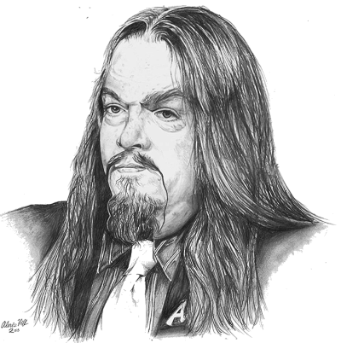
NAME |  |  |  |  |  |  | GENDER |  |  | M | F |  |  | ROLE
Aron Ragul the governor necromancer |  |  |  |  |  |  |  |  |  |  |  |  |  | Caster
 |  |  |  |  |  |  |  |  |  |  |  |  |  | PERSONALITY
ASPECTS |  |  |  |  |  |  |  |  |  |  |  |  |  | Builder | Reserved
Hight Concept |  |  |  |  |  |  |  |  |  |  |  |  |  | GOAL
Self learned Necromancer |  |  |  |  |  |  |  |  |  |  |  |  |  | Power and wealth
Trouble |  |  |  |  |  |  |  |  |  |  |  |  |  | COLORS
Powerhungry |  |  |  |  |  |  |  |  |  |  |  |  |  | Black
Race |  |  |  |  |  |  |  |  |  |  |  |  |  | REFRESH |  | fate points
Rich human Baron raised by a merchant |  |  |  |  |  |  |  |  |  |  |  |  |  | 3 |  | 3

Psychopath, does not feel empathy |  |  |  |  |  |  |  |  |  |  |  |  |  | SKILLS
 |  |  |  |  |  |  |  |  |  |  |  |  |  | INTELLIGENCE |  | +2
 |  |  |  |  |  |  |  |  |  |  |  |  |  | WISDOM |  | +2
 |  |  |  |  |  |  |  |  |  |  |  |  |  | CHARISMA |  | +3
PHYSICAL STRESS |  |  |  |  |  | CONSEQUENCES |  |  |  |  |  |  |  | STRENGTH |  | +0
1 p | 2 p | 3 p | 4 p |  | physical | 2 | mild |  |  |  |  |  |  | DEXTERITY |  | +1
MENTAL STRESS |  |  |  |  |  | 4 | moderate |  |  |  |  |  |  | CONSTITUTION |  | +1
1 p | 2 p | 3 p | 4 p |  |  | 6 | Tentacle monster
CORRUPTION |  |  |  |  | mental | 2 | mild |  |  |  |  | SPELLS |  |  |  | Ta | Du | Co
l l l l |  |  |  |  |  | 4 | moderate |  |  |  |  | 1 | Ghoul’s Touch |  |  | 1 | Inst | -
WEALTH |  |  |  |  |  | 6 | severe |  |  |  |  | +5 | Cha +2 vs. Int
m m m |  |  |  |  |  | 8 | extreme |  |  |  |  | 2 | Death’s Chill |  |  | your Z | Inst | C(CS)
 |  |  |  |  |  |  |  |  |  |  |  | +3 | Cha vs. Con
STUNTS |  |  |  |  |  |  |  |  |  |  |  | 3 | Animate Dead |  |  | 1 | Pe | C(CM)
1 | Necromancer |  |  | Curces and necromancy, 2 spells |  |  |  |  |  |  |  | +3 | Animate nearby corpse
2 | Accomplished Wizard 3 extra spells |  |  |  |  |  |  |  |  |  |  | 4 | Dark Resurrection |  |  | 1 | Inst | C(CL)
3 | Because I am an experienced diplomat |  |  |  |  |  |  |  |  |  |  | +3 | Restore dead to unlife, get deadly corruption
 | I get +2 when I charmingly create an advantage |  |  |  |  |  |  |  |  |  |  | 5 | Ill Fortune |  |  | 1 | Inst | -
 | in a debate |  |  |  |  |  |  |  |  |  |  | +3 | Cha vs. Wis, give "Ill fortune" aspect
 |  |  |  |  |  |  |  |  |  |  |  | 6
 | Can attack with terrible tentacles with STR +4, |  |  |  |  |  |  |  |  |  |  | +5
 | Stomage has terrible fangs that do STR +5 damage |  |  |  |  |  |  |  |  |  |  | 7
 |  |  |  |  |  |  |  |  |  |  |  | +2
 |  |  |  |  |  |  |  |  |  |  |  | 8
COMBAT |  |  |  |  |  |  |  | +1 | DEX
WP | Finesse weapons |  |  |  | Use Dex |  |  |  |  |  |  | 9
+1 | Dagger
AR | none |  |  |  | no invoke |  |  |  |  |  |  | 10

 |  |  |  |  |  |  |  |  |  |  |  | 11

 |  |  |  |  |  |  |  |  |  |  |  | TEMPORARY ASPECTS |  |  |  |  |  | CONDITIONS
 |  |  |  |  |  |  |  |  |  |  |  |  |  |  |  |  |  | pppp
 |  |  |  |  |  |  |  |  |  |  |  |  |  |  |  |  |  | pppp
 |  |  |  |  |  |  |  |  |  |  |  |  |  |  |  |  |  | pppp
 |  |  |  |  |  |  |  |  |  |  |  |  |  |  |  |  |  | pppp
 |  |  |  |  |  |  |  |  |  |  |  |  |  |  |  |  |  | pppp
 |  |  |  |  |  |  |  |  |  |  |  |  |  |  |  |  |  | pppp

Sharkman
FATE FREEPORT

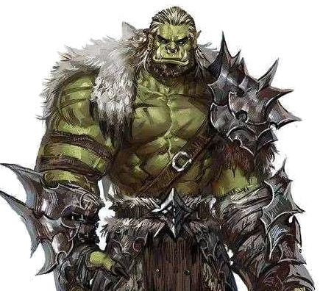
NAME |  |  |  |  |  |  | GENDER | M | F |  |  | ROLE
Aracorn the Shark |  |  |  |  |  |  |  |  |  |  |  | Warrior
 |  |  |  |  |  |  |  |  |  |  |  | PERSONALITY
ASPECTS |  |  |  |  |  |  |  |  |  |  |  | Explorer
Hight Concept |  |  |  |  |  |  |  |  |  |  |  | GOAL
Shark Druid warrior |  |  |  |  |  |  |  |  |  |  |  | Respect and wealth through fear
Trouble |  |  |  |  |  |  |  |  |  |  |  | COLORS
Brutal and violent |  |  |  |  |  |  |  |  |  |  |  | Green and bronze
Race |  |  |  |  |  |  |  |  |  |  |  | REFRESH | fate points
Very large half ork |  |  |  |  |  |  |  |  |  |  |  | 3 | 3

Large and clumsy as a shark, with Fangs |  |  |  |  |  |  |  |  |  |  |  | SKILLS
 |  |  |  |  |  |  |  |  |  |  |  | STRENGTH |  | +3
 |  |  |  |  |  |  |  |  |  |  |  | DEXTERITY |  | +2
 |  |  |  |  |  |  |  |  |  |  |  | CONSTITUTION |  | +2
 |  |  |  |  |  |  |  |  |  |  |  | INTELLIGENCE |  | +0
PHYSICAL STRESS |  |  |  |  |  | CONSEQUENCES |  |  |  |  |  | WISDOM |  | +1
1 p | 2 p | 3 p | 4 p | 5 p |  | 2 | mild |  |  |  |  | CHARISMA |  | +1
MENTAL STRESS |  |  |  |  | physical | 2 | mild |  |  | Forms
1 p | 2 p | 3 p | 4 p |  |  | 4 | moderate |  |  | 1 | Shark Garou
CORRUPTION |  |  |  |  |  | 6 | severe |  |  |  | Your Strength is Superb (+5) and your Constitution is Great (+4). You get two extra physical stress boxes and an extra minor physical consequence; these go away (and might roll up) when you shed this form. You have Fangs, but you are also Large and Clumsy
l l m m |  |  |  |  | mental | 2 | mild
WEALTH |  |  |  |  |  | 4 | moderate
m m |  |  |  |  |  | 6 | severe |  |  | 2 | Full Shark
 |  |  |  |  |  |  |  |  |  |  | Your Strength and Dexterity are both Good (+3). You have Fangs with which to rend and tear, and swin fast and breath underwater. You have Keen Senses, which you can use to track with Wisdom. You have aspect "helpless in land" plus "suffocates in land"
STUNTS |  |  |  |  |  |  |  | 3
1 | Wild shape Shark
2 | Advanced Wildshapes Shark
3 | Powerful Attack: Because I am so skilled at delivering forceful attacks, I gain +2 when I am Forcefully Striking while armed with natural weapons.
+5

COMBAT |  |  |  |  |  |  |  |  |  | MINOR ASPECTS
WP | Heavy weapons |  |  |  | Dmg +2, lose initiative, 2H
+3 | Fangs |  | +5 attack, '+3 defend, must grab first
AR | Light armor |  |  |  | 1 free invoke / session or repair
 | Shark skin, gladiator armor |  |  |  |  | 2 free invocations if both
+5 | Garou melee
+7 | Bite, +9 after grabble

Monster manual
Monsters

NAME |  |  |  |  |  |  |  |  |  | NAME
Deadwood Tree |  |  |  |  |  |  |  |  |  | Serpent Person

ASPECTS |  |  |  |  |  |  |  |  |  | ASPECTS
Hight Concept |  |  | Murderous Insane Tree |  |  |  |  |  |  | Hight Concept |  |  |  | Serpent Person mystic
Trouble |  |  | Kill the living |  |  |  |  |  |  | Trouble |  |  |  | A Scattered People
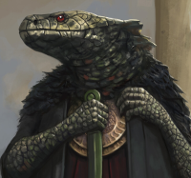
Race |  |  | Deadwood tree |  |  |  |  |  |  | Race |  |  |  | Scion of an Ancient Empire
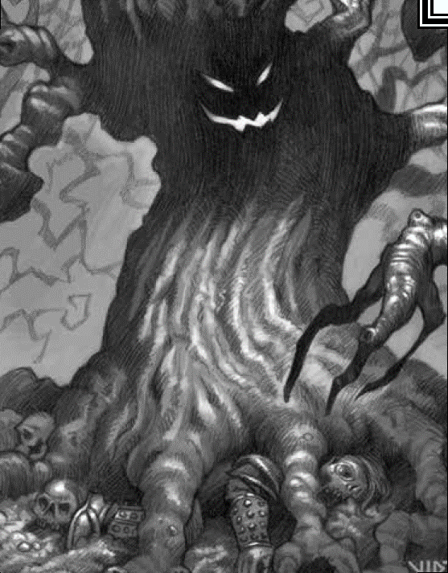
SKILLS |  |  |  |  |  |  |  |  |  | SKILLS
STRENGTH |  |  |  |  |  | +6 |  |  |  | STRENGTH |  |  |  |  | +0
DEXTERITY |  |  |  |  |  | -1 |  |  |  | DEXTERITY |  |  |  |  | +1
CONSTITUTION |  |  |  |  |  | +4 |  |  |  | CONSTITUTION |  |  |  |  | +0
INTELLIGENCE |  |  |  |  |  | +4 |  |  |  | INTELLIGENCE |  |  |  |  | +1
WISDOM |  |  |  |  |  | +3 |  |  |  | WISDOM |  |  |  |  | +2
CHARISMA |  |  |  |  |  | +3 |  |  |  | CHARISMA |  |  |  |  | +3

PHYSICAL STRESS |  |  |  |  |  |  | CONSEQUENCES |  |  | PHYSICAL STRESS |  |  |  |  |  | CONSEQUENCES
1 p | 2 p | 3 p | 4 p |  |  |  | 2 | mild |  | 1 p | 2 p | 3 p | 4 p |  | physical | 2 | mild
MENTAL STRESS |  |  |  |  |  | physical | 2 | mild |  | MENTAL STRESS |  |  |  |  |  | 4 | moderate
1 p | 2 p | 3 p | 4 p |  |  |  | 4 | moderate |  | 1 p | 2 p | 3 p | 4 p |  |  | 6 | severe
CORRUPTION |  |  |  |  |  |  | 6 | severe |  | CORRUPTION |  |  |  |  | mental | 2 | mild
m m m m |  |  |  |  |  | mental | 2 | mild |  | m m m m |  |  |  |  |  | 4 | moderate
 |  |  |  |  |  |  | 2 | mild |  |  |  |  |  |  |  | 6 | severe
 |  |  |  |  |  |  | 4 | moderate |  |  |  |  |  |  |  | 8 | extreme
 |  |  |  |  |  |  | 6 | severe
STUNTS |  |  |  |  |  |  |  |  |  | STUNTS
1 | Enormous, attack anything in its zone or an adjacent zone |  |  |  |  |  |  |  |  | 1 | Change Shape
 |  |  |  |  |  |  |  |  |  |  | Cha +2 (+5) to maintain disquise

COMBAT |  |  |  |  |  |  |  |  |  | COMBAT
WP | Massive Branch |  |  |  |  | [+6] target is knocked down |  |  |  | WP | Martial weapons |  |  |  | Dmg +1 |  | Falcion | tohit | +0
+6 | branches |  |  | +4 | Hardened Bark |  |  |  | defence | RA | Mindbolt |  |  | Cha +3
AR | none |  |  |  |  | no invoke |  |  |  | AR |  | Magical shield (+1, int) |  |  |  |  | Dodge +2/+1

