inverted earth
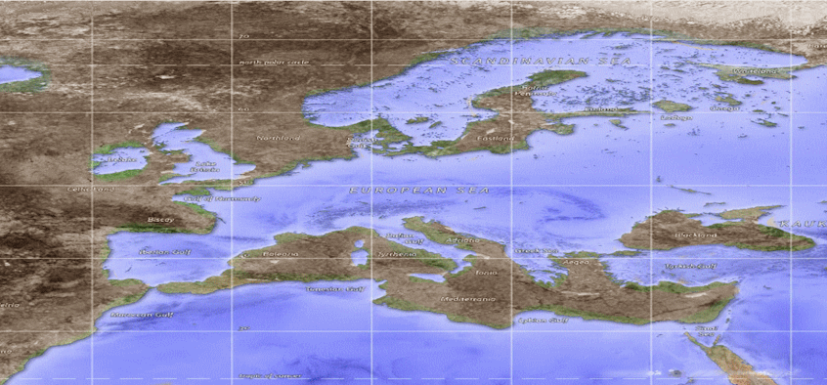
United Kingdoms ruling the cental seas | United Kingdom of the Fae
 | Shadow Faeries: Baleria, ruling at night
 | Sun Faeries: Tyrheria, ruling during the day
 | Winter ruler: Shadow Faerie King Oberon
 | Summer ruler: Sun Faerie Queen Titania

 | Republic of Dwarves in Joonia
 | Surface: Halfling farmers
 | Underground: Dwarven kingdom, a true democracy
 | Early stages of the Industrial Revolution
 | Area affected by poorly functioning mystical forces, effects disappearing at the latest scene.
 | Dwarves must buy all food from other people. But they make good money with trade
 | and goods

 | Roman Empire, Mediterranean
 | Pseudo-democracy
 | Area affected by poorly functioning mystical forces, effects disappearing at the latest scene.
 | Everyone except pureblood (anti-magic) humans are pariahs.
 | People dream of a golden age when King Michael ruled all the shores of Africa and the Eurasian Sea.

 | Magical Kingdom of Aegis
 | Human kingdom
 | Many hybrids and those with mystical powers
 | Tense relations with the Roman Empire
 | Allied with Blacklands.

 | Blacklands
 | Sidhe realm, various strange fairies and sidhes.
 | Mystical and strange, good relations with Aegis

 | Adria
 | Land inhabited by Vikings and Slavs, numerous kingdoms, all weak
 | Often raided by Vikings

 | Otherworld
 | Malbo, the most powerful center of magic, all mystical +1 description, golden coastline
 | Most significant magic university in Neverland
 | Victoria, a pirate haven and trading center, protected by the Triumvirate (archmage, archmentalist, and archshape-shifter)
 | Plagued by undead
 | Arabia - kingdom of the undead - the dead usually rise as zombies or other undead.
 | North Atlantic full of fairies, desert full of orcs.
 | Orc Empire in the South Atlantic
 | Pacific Islands full of gates to other realities

