Лист5
...
 | Agree "Most people can be trusted"
186620 | 34
182654 | 35
174687 | 37
167874 | 72
155278 | 21
142313 | 36
141606 | 59
136697 | 37
131751 | 74
129005 | 27
127973 | 50
125236 | 26
124618 | 57
121123 | 68
120012 | 35
119895 | 36
119355 | 63
118574 | 42
109078 | 49
107178 | 29
106234 | 41
105579 | 47
105578 | 43
105362 | 62
100782 | 30
94877 | 50
94454 | 30
94106 | 25
93831 | 8
90547 | 27
89512 | 25
88361 | 25
88271 | 40
84991 | 40
84608 | 34
82546 | 30
81494 | 33
81227 | 17
80697 | 32
80448 | 14
76886 | 34
75579 | 27
75478 | 14
73898 | 23
73379 | 24
73316 | 22
72978 | 12
71080 | 3
71015 | 25
68605 | 25
...
 | Mortality caused by road traffic injury (per 100,000 population)
186620 | 4
182654 | 10
174687 | 5
167874 | 3
155278 | 14
142313 | 7
141606 | 4
136697 | 12
131751 | 4
129005 | 7
127973 | 6
125236 | 6
124618 | 4
121123 | 5
120012 | 28
119895 | 10
119355 | 4
118574 | 5
109078 | 6
107178 | 21
106234 | 5
105579 | 6
105578 | 4
105362 | 4
100782 | 17
94877 | 4
94454 | 9
94106 | 23
93831 | 11
90547 | 8
89512 | 7
88361 | 24
88271 | 5
84991 | 8
84608 | 5
82546 | 24
81494 | 12
81227 | 10
80697 | 12
80448 | 10
76886 | 8
75579 | 9
75478 | 9
73898 | 19
73379 | 12
73316 | 8
72978 | 11
71080 | 16
71015 | 12
68605 | 3
...
 | Ecological Footprint (HectaresPerCapita)
186620 | 7
182654 | 6
174687 | 5
167874 | 5
155278 | 12
142313 | 7
141606 | 4
136697 | 8
131751 | 7
129005 | 4
127973 | 6
125236 | 5
124618 | 6
121123 | 5
120012 | 6
119895 | 7
119355 | 6
118574 | 5
109078 | 6
107178 | 8
106234 | 4
105579 | 8
105578 | 4
105362 | 12
100782 | 9
94877 | 5
94454 | 8
94106 | 2
93831 | 4
90547 | 6
89512 | 5
88361 | 6
88271 | 6
84991 | 6
84608 | 4
82546 | 2
81494 | 6
81227 | 4
80697 | 6
80448 | 4
76886 | 8
75579 | 4
75478 | 3
73898 | 6
73379 | 5
73316 | 5
72978 | 3
71080 | 6
71015 | 1
68605 | 4
...
 | Population, total |  |  | electricity_consumption | Medium and high-tech exports (% manufactured exports) |  | Medium and high-tech exports (% manufactured exports)
 | 5E+06 | 8E+04 | 2 | 126 | 49 | Kosovo | 11
 | 2E+06 | 6E+04 | 2 | 48 | 48 | Macao | 41
 | 1E+07 | 4E+04 | 3 | 84 | 56 |  | Electric
 | Global Innovation Index 2023
186620 | 62
182654 | 24
174687 | 50
167874 | 51
155278 | 33
142313 | 50
141606 | 68
136697 | 64
131751 | 59
129005 | 47
127973 | 53
125236 | 56
124618 | 60
121123 | 61
120012 | 35
119895 | 53
119355 | 64
118574 | 59
109078 | 50
107178 | 30
106234 | 46
105579 | 54
105578 | 62
105362 | 51
100782 | 43
94877 | 54
94454 | 29
94106 | 41
93831 | 38
90547 | 45
89512 | 42
88361 | 28
88271 | 43
84991 | 47
84608 | 55
82546 | 51
81494 | 59
81227 | 45
80697 | 42
80448 | 37
76886 | 53
75579 | 41
75478 | 39
73898 | 33
73379 | 38
73316 | 36
72978 | 35
71080 | 21
71015 | 40
68605 | 35
...
 | 8E+06 | 8E+04 | 2 | 57 | 71 | Bermuda | 0.558425
 | 3E+08 | 6E+04 | 2 | 4002 | 64 | Taiwan | 270
 | 6E+06 | 5E+04 | 2 | 33 | 58 |  | Rule of Law index (best estimate, aggregate: average)
 | 6E+07 | 3E+04 | 4 | 291 | 55 | Africa | 0
 | 9E+06 | 4E+04 | 3 | 69 | 62 | Kosovo | 1
 | 7E+07 | 4E+04 | 3 | 438 | 66 | Oceania | 1
 | 2E+07 | 5E+04 | 3 | 115 | 57 | Taiwan | 1
 | Electricity_consumption
186620 | 102
182654 | 120
174687 | 62
167874 | 245
155278 | 216
142313 | 75
141606 | 69
136697 | 125
131751 | 59
129005 | 49
127973 | 80
125236 | 66
124618 | 67
121123 | 151
120012 | 114
119895 | 62
119355 | 132
118574 | 63
109078 | 105
107178 | 195
106234 | 51
105579 | 152
105578 | 46
105362 | 55
100782 | 163
94877 | 76
94454 | 25
94106 | 10
93831 | 47
90547 | 60
89512 | 66
88361 | 94
88271 | 38
84991 | 88
84608 | 74
82546 | 12
81494 | 112
81227 | 47
80697 | 39
80448 | 40
76886 | 67
75579 | 43
75478 | 35
73898 | 70
73379 | 42
73316 | 50
72978 | 26
71080 | 60
71015 | 58
68605 | 35
...
 | 5E+06 | 4E+04 | 3 | 82 | 50 |  | Mortality caused by road traffic injury (per 100,000 population)
 | 3E+07 | 2E+04 | 6 | 370 | 49 | Africa Western and Central | 25
 | 7E+06 | 4E+04 | 3 | 45 | 39 | Arab World | 20
 | 1E+07 | 5E+04 | 2 | 130 | 60 | Caribbean small states | 17
 | 8E+07 | 4E+04 | 3 | 515 | 74 | Latin America & Caribbean | 19
 | 2E+07 | 6E+04 | 2 | 249 | 18 | Sub-Saharan Africa | 27
 | 4E+06 | 3E+04 | 4 | 72 | 13 |  | GDP per person employed (constant 2021 PPP $)
 | 5E+07 | 3E+04 | 4 | 237 | 56 | Africa Eastern and Southern | 10804
 | 4E+07 | 4E+04 | 2 | 546 | 56 | Caribbean small states | 49633
 | 6E+07 | 4E+04 | 2 | 298 | 69 | Pacific island small states | 17285
 | 3E+05 | 5E+04 | 2 | 19 | 38 | Sub-Saharan Africa | 11941.776713
 | 9E+06 | 4E+04 | 2 | 141 | 16 |  | Exports of goods and services (constant 2015 US$)
 | 8E+06 | 4E+04 | 3 | 64 | 60 | Africa Eastern and Southern | 2.5275193106E+11
 | 1E+06 | 2E+04 | 4 | 33 | 19
186620 | 40677
182654 | 42875
174687 | 51949
167874 | 374671
155278 | 9839
142313 | 45382
141606 | 200569
136697 | 50742
131751 | 403034
129005 | 18723
127973 | 123312
125236 | 18101
124618 | 185393
121123 | 319452
120012 | 42875
119895 | 48115
119355 | 247269
118574 | 72044
109078 | 114366
107178 | 23270
106234 | 68742
105579 | 101802
105578 | 81249
105362 | 241455
100782 | 27000
94877 | 125000
94454 | 27000
94106 | 15625
93831 | 603
90547 | 20372
89512 | 16127
88361 | 15625
88271 | 64000
84991 | 64000
84608 | 38283
82546 | 27000
81494 | 35714
81227 | 4838
80697 | 31842
80448 | 2502
76886 | 39109
75579 | 20022
75478 | 2742
73898 | 11976
73379 | 14018
73316 | 10071
72978 | 1786
71080 | 33
71015 | 15625
68605 | 15625
...
 | 1E+06 | 9E+03 | 10 | 1 | 45
 | 1E+07 | 2E+04 | 5 | 51 | 29
 | Mortality caused by road traffic injury (per 100,000 population)
186620 | 4
182654 | 10
174687 | 5
167874 | 3
155278 | 14
142313 | 7
141606 | 4
136697 | 12
131751 | 4
129005 | 7
127973 | 6
125236 | 6
124618 | 4
121123 | 5
120012 | 28
119895 | 10
119355 | 4
118574 | 5
109078 | 6
107178 | 21
106234 | 5
105579 | 6
105578 | 4
105362 | 4
100782 | 17
94877 | 4
94454 | 9
94106 | 23
93831 | 11
90547 | 8
89512 | 7
88361 | 24
88271 | 5
84991 | 8
84608 | 5
82546 | 24
81494 | 12
81227 | 10
80697 | 12
80448 | 10
76886 | 8
75579 | 9
75478 | 9
73898 | 19
73379 | 12
73316 | 8
72978 | 11
71080 | 16
71015 | 12
68605 | 3
...
 | 1E+07 | 2E+04 | 5 | 63 | 70
 | 2E+06 | 2E+04 | 4 | 14 | 65
 | 4E+06 | 2E+04 | 5 | 37 | 34
 | 5E+04 | 2E+04 | 5 | 0 | 49
 | 5E+06 | 4E+04 | 2 | 41 | 18
 | 1E+08 | 3E+04 | 2 | 943 | 81
 | 2E+06 | 7E+03 | 12 | 2 | 10
 | 5E+07 | 3E+04 | 3 | 565 | 76
 | 1E+07 | 2E+04 | 4 | 49 | 43
 | 3E+06 | 1E+04 | 6 | 11 | 43
 | 4E+06 | 1E+04 | 6 | 17 | 47
 | Rule of Law index
186620 | 0.96
182654 | 0.70
174687 | 0.98
167874 | 0.98
155278 | 0.52
142313 | 0.97
141606 | 1.00
136697 | 0.97
131751 | 1.00
129005 | 0.88
127973 | 0.93
125236 | 0.96
124618 | 0.98
121123 | 0.99
120012 | 0.39
119895 | 0.72
119355 | 0.99
118574 | 0.99
109078 | 0.99
107178 | 0.76
106234 | 0.96
105579 | 0.97
105578 | 0.96
105362 | 0.97
100782 | 0.65
94877 | 0.91
94454 | 0.18
94106 | 0.05
93831 | 0.84
90547 | 0.91
89512 | 0.91
88361 | 0.62
88271 | 0.70
84991 | 0.99
84608 | 0.95
82546 | 0.38
81494 | 0.89
81227 | 0.91
80697 | 0.94
80448 | 0.83
76886 | 0.98
75579 | 0.57
75478 | 0.15
73898 | 0.12
73379 | 0.75
73316 | 0.87
72978 | 0.71
71080 | 0.89
71015 | 0.97
68605 | 0.65
...
 | 1E+06 | 2E+04 | 4 | 9 | 51
 | 1E+07 | 1E+04 | 6 | 43 | 76
 | 8E+07 | 1E+04 | 7 | 272 | 44
 | 1E+08 | 1E+04 | 8 | 1001 | 28
 | 4E+07 | 1E+04 | 6 | 160 | 55
 | 5E+06 | 2E+04 | 4 | 27 | 72
 | 2E+07 | 9E+03 | 8 | 52 | 62
 | 1E+06 | 2E+04 | 4 | 9 | 44
 | 1E+05 | 2E+04 | 5 | 1 | 40
1E+09 | 9E+04 | 2E+04 | 4 | 0 | 39
2E+10 | 2E+06 | 1E+04 | 5 | 6 | 43
2E+10 | 6E+06 | 1E+04 | 7 | 26 | 9
7E+10 | 4E+07 | 1E+04 | 5 | 129 | 43
3E+10 | 4E+06 | 1E+04 | 5 | 10 | 8
2E+10 | 1E+06 | 2E+04 | 3 | 5 | 37
6E+10 | 2E+07 | 1E+04 | 6 | 103 | 38
4E+09 | 4E+05 | 3E+04 | 2 | 2 | 52
2E+09 | 6E+05 | 7E+03 | 9 | 3 | 26
7E+10 | 2E+07 | 1E+04 | 5 | 83 | 10
 | Electricity_consumption
7 | 102
6 | 120
5 | 62
5 | 245
12 | 216
7 | 75
4 | 69
8 | 125
7 | 59
4 | 49
6 | 80
5 | 66
6 | 67
5 | 151
6 | 114
7 | 62
6 | 132
5 | 63
6 | 105
8 | 195
4 | 51
8 | 152
4 | 46
12 | 55
9 | 163
5 | 76
8 | 25
2 | 10
4 | 47
6 | 60
5 | 66
6 | 94
6 | 38
6 | 88
4 | 74
2 | 12
6 | 112
4 | 47
6 | 39
4 | 40
8 | 67
4 | 43
3 | 35
6 | 70
5 | 42
5 | 50
3 | 26
6 | 60
1 | 58
4 | 35
...
2E+09 | 6E+05 | 8E+03 | 7 | 2 | 20
2E+11 | 3E+07 | 1E+04 | 6 | 170 | 64
4E+10 | 4E+07 | 4E+03 | 14 | 60 | 4
1E+10 | 3E+06 | 2E+04 | 4 | 12 | 23
3E+10 | 7E+06 | 7E+03 | 8 | 34 | 45
4E+10 | 4E+07 | 5E+03 | 12 | 74 | 4
5E+09 | 2E+06 | 5E+03 | 11 | 6 | 62
8E+10 | 8E+07 | 5E+03 | 10 | 296 | 30
6E+10 | 1E+08 | 4E+03 | 15 | 167 | 33
2E+09 | 8E+05 | 8E+03 | 7 | 1 | 28
4E+11 | 1E+08 | 1E+04 | 5 | 290 | 81
6E+09 | 1E+06 | 9E+03 | 5 | 3 | 11
1E+10 | 6E+06 | 8E+03 | 6 | 14 | 37
3E+10 | 9E+06 | 6E+03 | 8 | 36 | 40
2E+10 | 5E+06 | 1E+04 | 4 | 10 | 52
2E+10 | 7E+06 | 6E+03 | 8 | 31 | 46
6E+09 | 4E+06 | 5E+03 | 10 | 12 | 27
6E+09 | 2E+06 | 6E+03 | 8 | 3 | 4
1E+10 | 9E+06 | 4E+03 | 11 | 19 | 37
7E+08 | 2E+05 | 1E+04 | 5 | 0 | 37
9E+10 | 6E+07 | 6E+03 | 8 | 208 | 47
1E+10 | 6E+06 | 6E+03 | 7 | 17 | 28
2E+09 | 4E+05 | 1E+04 | 5 | 1 | 1
2E+10 | 1E+07 | 7E+03 | 6 | 17 | 27
3E+08 | 7E+04 | 8E+03 | 6 | 0 | 28
1E+11 | 3E+07 | 7E+03 | 6 | 56 | 10
6E+07 | 1E+04 | 7E+03 | 7 | 0 | 29
1E+10 | 1E+07 | 7E+03 | 6 | 15 | 63
2E+10 | 1E+07 | 5E+03 | 8 | 23 | 29
2E+11 | 1E+07 | 4E+03 | 11 | 18 | 50
2E+11 | 2E+08 | 9E+03 | 5 | 563 | 38
6E+10 | 4E+07 | 2E+03 | 17 | 125 | 35
4E+09 | 2E+06 | 4E+03 | 9 | 4 | 3
3E+08 | 1E+05 | 8E+03 | 5 | 0 | 30
2E+09 | 1E+06 | 4E+03 | 10 | 1 | 19
4E+10 | 5E+07 | 6E+03 | 6 | 77 | 42
...

Table
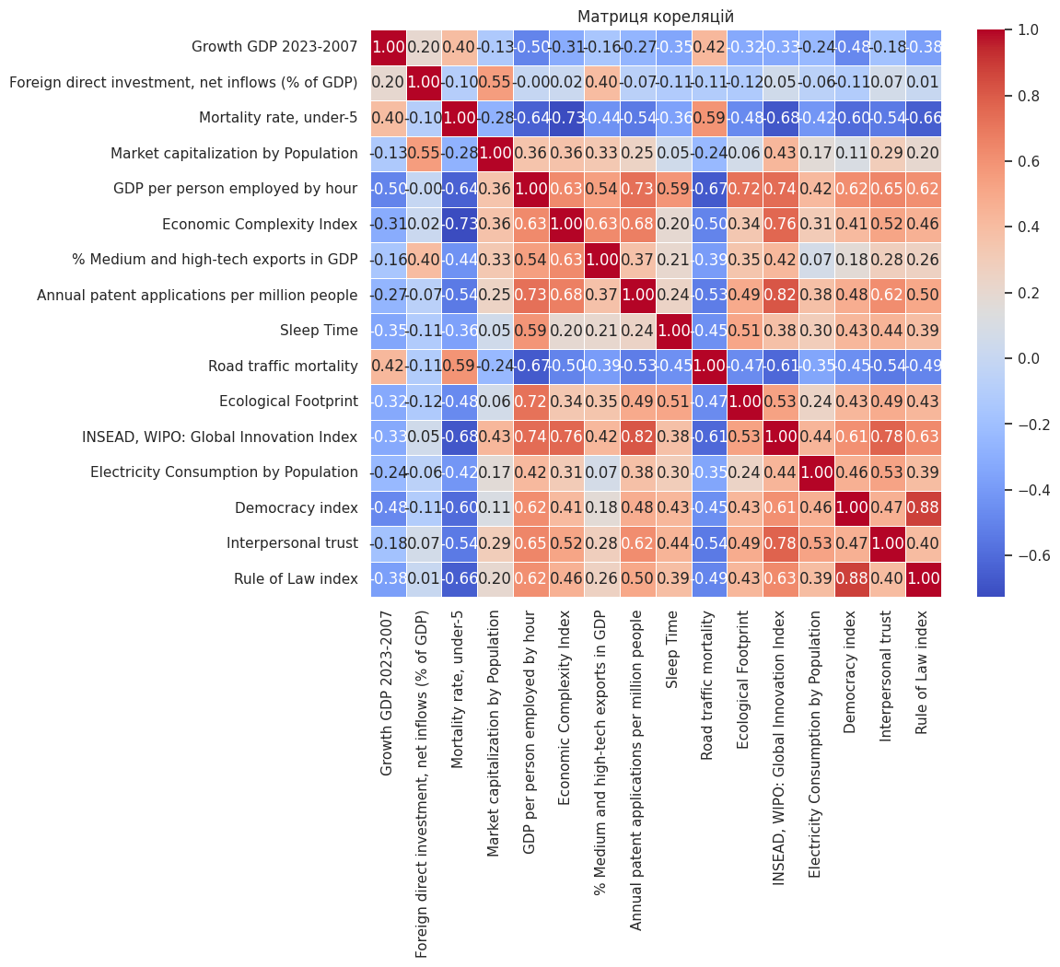
...
Country Name | Mortality rate, under-5 (per 1,000 live births) | Market capitalization of listed domestic companies, bl (cur US$) | Market capitalization by P | GDP (constant 2015 US$)-2022 [1] | Exports of goods and services (constant 2015 US$) [3] | GDP per person employed (constant 2021 PPP $) | Average labor hours per worker [11,12] | GDP per person employed by hour (C 2021 PPP $) | Medium and high-tech exports (% manufactured exports) [19] | % Medium and high-tech exports in GDP | Annual patent applications per million people [Average 2016-2021] | Sleep Time, H | Sleep Time, M | Sleep Time | Road traffic mortality | Ecological Footprint | INSEAD, WIPO: Global Innovation Index 2023 | Population 2022 [13] [20,21] | Electricity Consumption | Electricity Consumption by population
Thailand | 10.8% | 604,355 | 8.85 | 450,139 | 280,254 | 32,977 | 2,106 | 15.7 | 63.0 | 39.2 | 13.1 | 6 | 18 | 378 | 32.2 | 2.58 | 37.1 | 68,263,022 | 196.84 | 28.84
Tunisia | 16.8% | 8,923 | 0.75 | 48,407 | 19,489 | 41,214 | 2,392 | 17.2 | 50.2 | 20.2 | 16.3 | 6 | 45 | 405 | 16.3 | 1.80 | 26.9 | 11,896,972 | 18.12 | 15.23
Turkiye | 14.5% | 237,473 | 2.78 | 1,194,402 | 315,687 | 75,478 | 2,256 | 33.5 | 44.4 | 11.7 | 91.4 | 6 | 35 | 395 | 7.0 | 3.51 | 38.6 | 85,279,553 | 272.48 | 31.95
Ukraine | 10.1% | 6,496 | 0.19 | 101,500 | 44,535 | 39,040 | 2,028 | 19.3 | 35.1 | 15.4 | 42.8 | 6 | 52 | 412 | 10.2 | 2.47 | 32.8 | 35,100,000 | 125.28 | 35.69
United Kingdom | 4.7% | 2,810,750 | 41.94 | 3,209,502 | 952,290 | 105,578 | 1,866 | 56.6 | 65.9 | 19.6 | 189.7 | 7 | 22 | 442 | 3.2 | 4.20 | 62.4 | 67,026,292 | 298.46 | 44.53
United States | 6.9% | 40,719,661 | 122.18 | 20,926,835 | 2,426,324 | 136,697 | 1,892 | 72.3 | 65.1 | 7.5 | 847.5 | 7 | 6 | 426 | 12.7 | 8.04 | 63.5 | 333,287,557 | 4,002.35 | 120.09
Uruguay | 9.2% | 1,796 | 0.52 | 62,346 | 14,639 | 58,547 | 2,200 | 26.6 | 24.0 | 5.6 | 8.4 | 6 | 50 | 410 | 14.8 | 1.70 | 30.0 | 3,444,263 | 11.83 | 34.36
 |  |  |  | https://data.worldbank.org/indicator/NY.GDP.MKTP.KD | https://data.worldbank.org/indicator/NE.EXP.GNFS.KD?end=2022 |  | https://stats.oecd.org/Index.aspx?DataSetCode=ANHRS |  | https://databank.worldbank.org/source/world-development-indicators/Series/TX.MNF.TECH.ZS.UN |  |  |  |  |  | https://www.who.int/data/gho/data/indicators/indicator-details/GHO/estimated-road-traffic-death-rate-(per-100-000-population) | https://worldpopulationreview.com/country-rankings/ecological-footprint-by-country | https://www.wipo.int/documents/d/global-innovation-index/docs-en-wipo-pub-2000-2023-en-main-report-global-innovation-index-2023-16th-edition.pdf |  | https://worldpopulationreview.com/country-rankings/electricity-consumption-by-country
 |  |  |  |  |  |  | https://clockify.me/working-hours

