Diagram
 |  |  |  | Once moved to Staging area,
 | git is not watch the woking diretory |  |  | git watching is start now | Once code commit is comes in here
Working Diectory
Staging area
Local Repo
Remote repo

Git
GitHub

git add

git commit

git push

git pull

git checkout

 |  | Git | Local Repository
 |  | GitHub | Remote Repository
 |  |  | Bare Repository

Demo
java is tech | code tech
dot net | code tech
php | code tech
spring | << framework
springboot | <<framework
angular frameworks | <<framework

 | grrovy tutorial github |  |  |  | fist three link is important
 |  |  |  |  |  |  |  | crud create read update delete
 |  |  |  |  |  |  |  | crud is main opeation
 | README.md |  |  | important file

 | viewcode |  |  | it is crud app

 | how to download

 | clone or Download |  |  |  | << use this
 |  |  |  |  | open with visual studio code or visula studio

 |  |  |  |  | after install, the 4200 is mapped

 | git ype here clone link

 | Beginner level tutorials
 | core java tutorials

**********************************************************************************************************************************************************************************
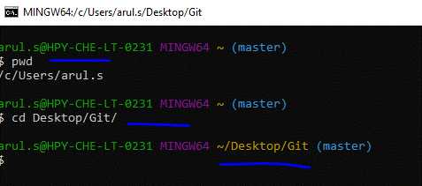

 |  |  |  |  |  | <<When ope the Gitbash from start panel
 |  |  |  |  |  |  |  |  |  |  | I had created two local repository
 |  |  |  |  |  |  |  |  |  |  | How to remove one repository

 |  |  |  |  |  | <<this is navigate to Desktop/Git |  |  |  |  | one is located It Desktop/Git
 |  |  |  |  |  |  |  |  |  |  | Another one is located at c:\users\arul.s\.git

2021-07-13
create one folder
right click -> GitBash Here

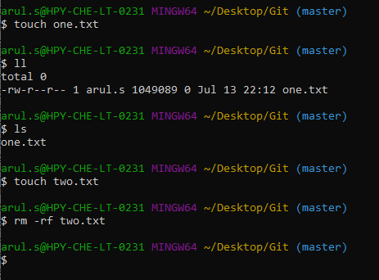

 |  |  |  |  |  | delete file in working directory
 |  |  |  |  |  | You can use the normal linux command for delete files in orking directory
 |  |  |  |  |  | You should be folow the separate command for delete files in staging area

 |  |  |  |  |  | file remove use rm -rf filename
 |  |  |  |  |  | directory remove use rmdir directory name

you canrevert the previous git commit=== It is a great features of Git
collaborat is very useful

$ git init =====>>>> | once execute this, .git folder was created in that path
 | inside the .git is |  | So .git is a local Repository
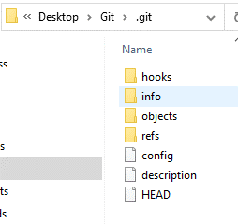

 |  |  |  |  |  |  | This is repository
 |  |  |  |  |  |  | we can't add files, it is only maintain the git logs

Git is not tracked your files untill you add to that file or such called as statging area |  |  |  |  |  |  |  |  | red color indicates untracked files

Right now, one.txt is on workng directory

if you add that file means, that is called staging area so git track our files no.

Onec commit has done means, file moved to repository and save
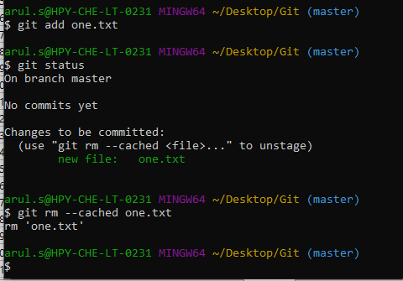

 |  |  |  |  |  | add one.txt file |  | so now one.txt file is ready to commit. Like it is staging area

 |  |  |  |  |  | green color indicates staging files

 |  |  |  |  |  | if you want to remove that, use this
 |  |  |  |  |  | git rm --cahed one.txt, Now file comes to again working directory

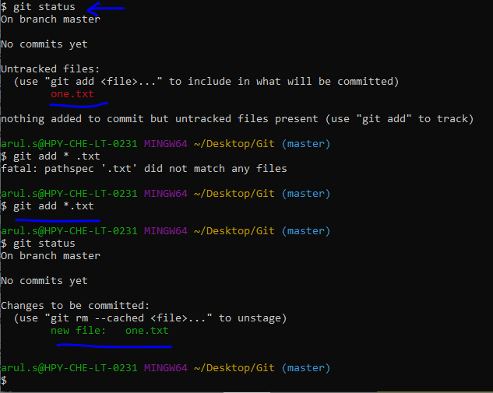

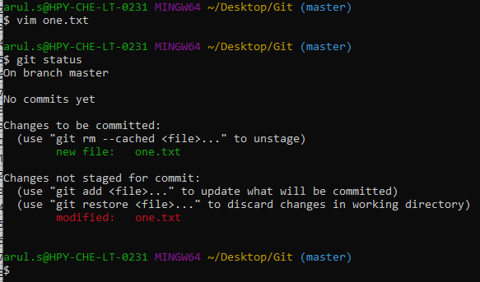

 |  |  |  |  |  |  |  | add some contents in one.txt file

 |  |  |  |  |  |  |  | file name for commit

 |  |  |  |  |  |  |  | modified indication

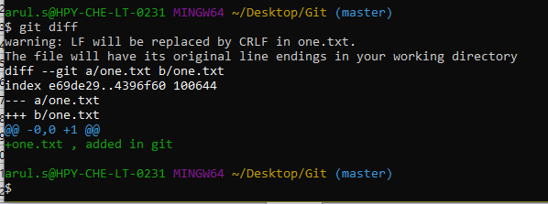
 |  |  |  |  |  |  |  | to find the changes use diff command

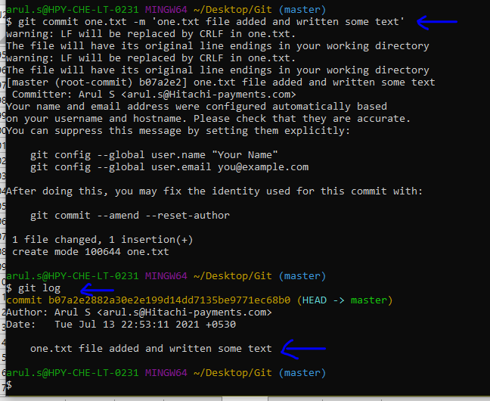
 |  |  |  |  |  |  |  | code commit, once it is happened, the one.txt file is changed to green color
 |  |  |  |  |  |  |  | << -m means, message

 |  |  |  |  |  |  |  | log id and branch

 |  |  |  |  |  | add username and mail

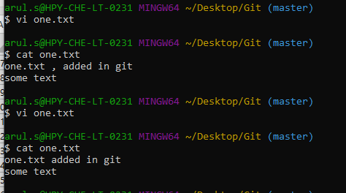
 |  |  |  |  |  | added some text

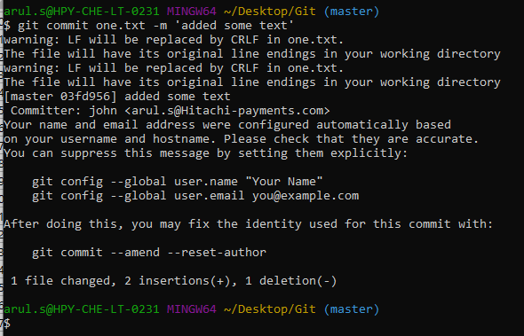

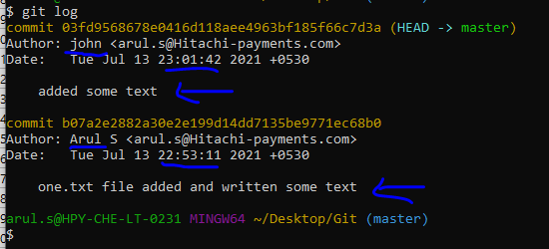

 |  |  |  |  |  |  | Now usrername is john

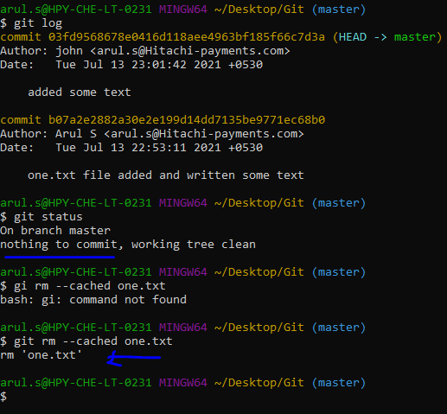

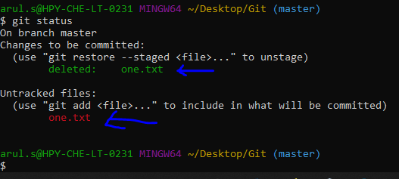

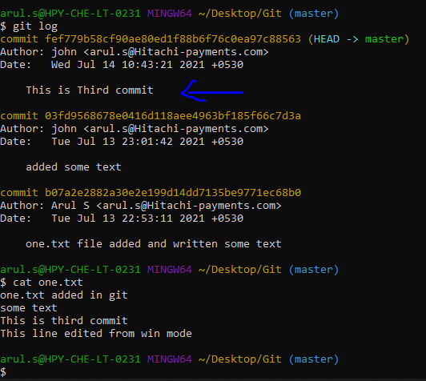

 |  |  |  |  |  |  | Commit has been done here
 |  |  |  |  |  |  | So one.txt file is saved in local repository
 |  |  |  |  |  |  | I just want to remove that file, what will happen, lets see

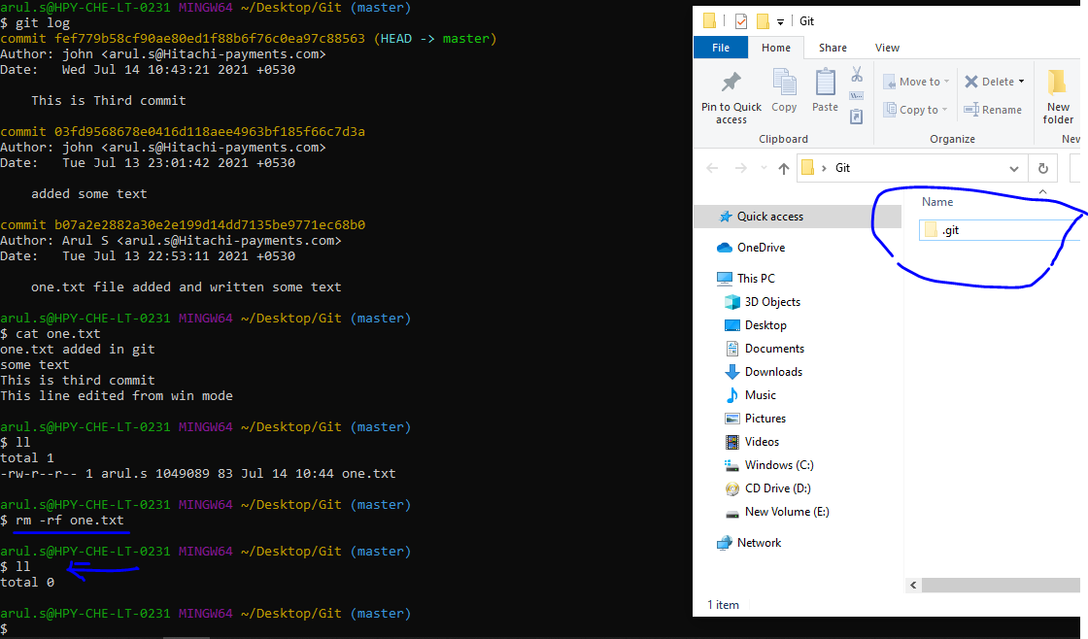

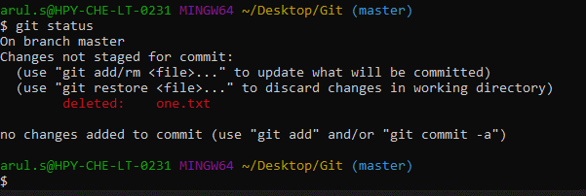

 |  |  |  |  |  |  |  | No files area available in Git

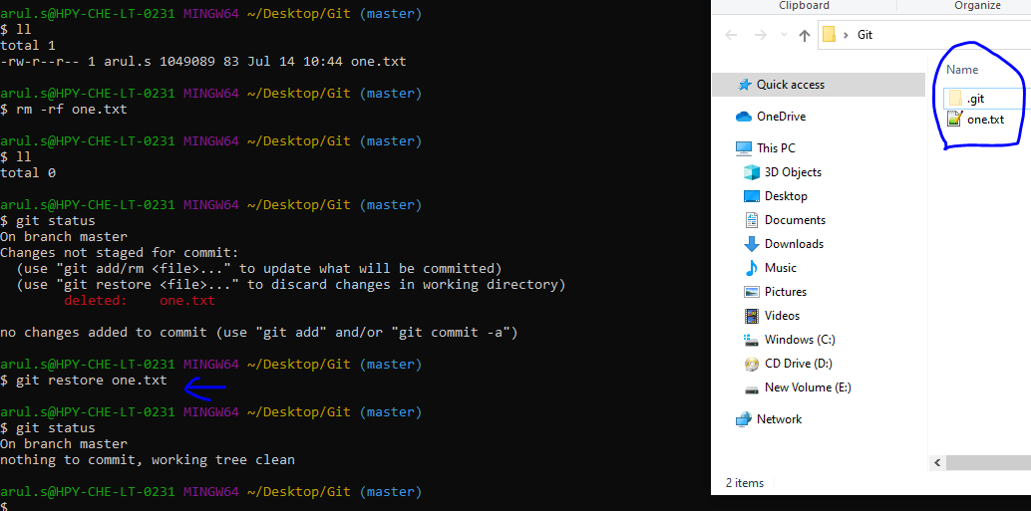

 |  |  |  |  |  |  |  |  |  |  |  | Again file restored

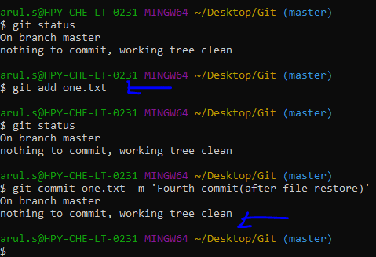

 |  |  |  |  |  | After restore , to verify the git status == there is no new notification

 |  |  |  |  |  | then add that file

 |  |  |  |  |  | after add also working tree clean

 |  |  |  |  |  | commit has been done
 |  |  |  |  |  | after commit also working tree clean

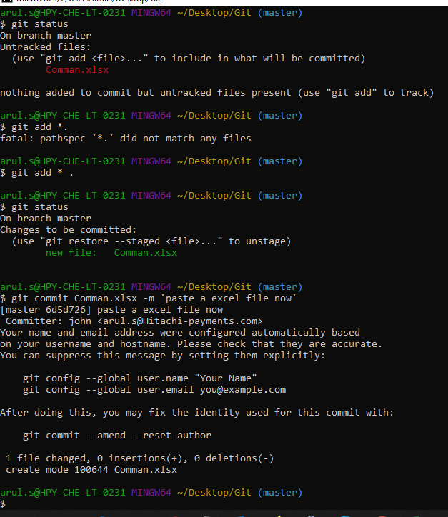
 |  |  |  |  |  |  |  | copy paste a excel file to Desktop/Git

 |  |  |  |  |  |  |  | red color for new file

 |  |  |  |  |  |  |  | added successfully

 |  |  |  |  |  |  |  | green color for staging area

 |  |  |  |  |  |  |  | git commit has been done

after commit, I have been change some content in excel file. |  |  |  | and save

 |  |  |  |  | so check the gitstatus, but nothing to commit, working tree clean

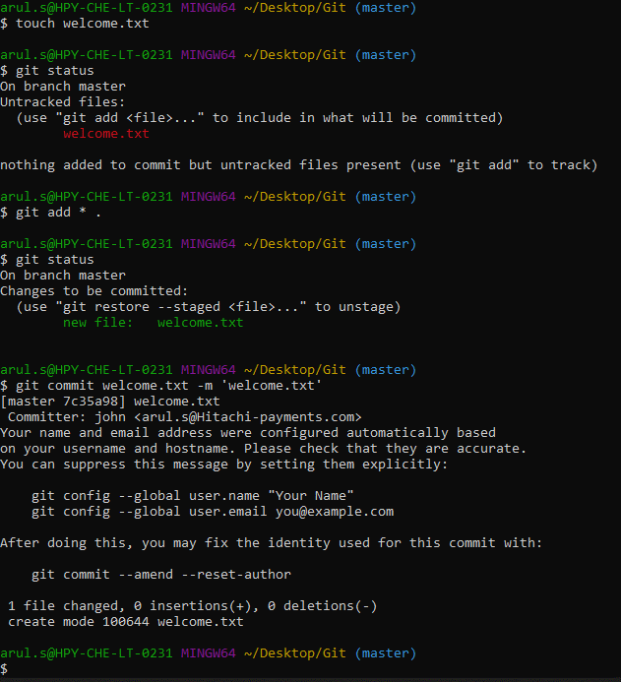

 |  |  |  |  |  |  |  | create a file

 |  |  |  |  |  |  |  | added that file

 |  |  |  |  |  |  |  | commit

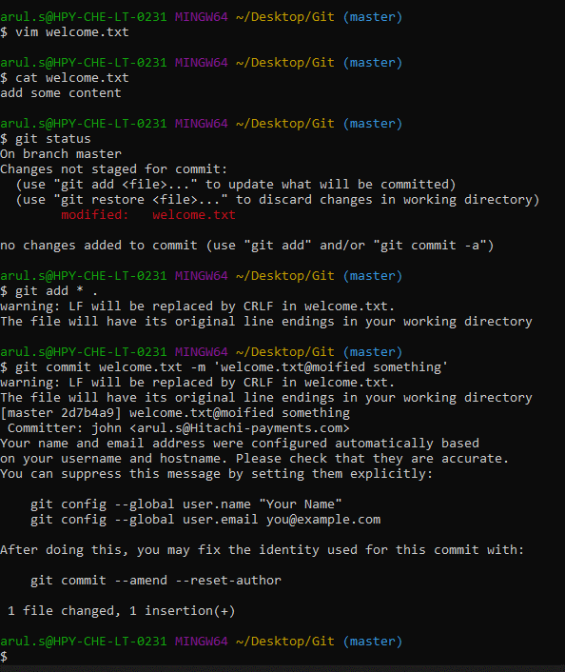
 |  |  |  |  |  |  |  | edit something

 |  |  |  |  |  |  |  | in git status modified is show

 |  |  |  |  |  |  |  | added here

 |  |  |  |  |  |  |  | commit here

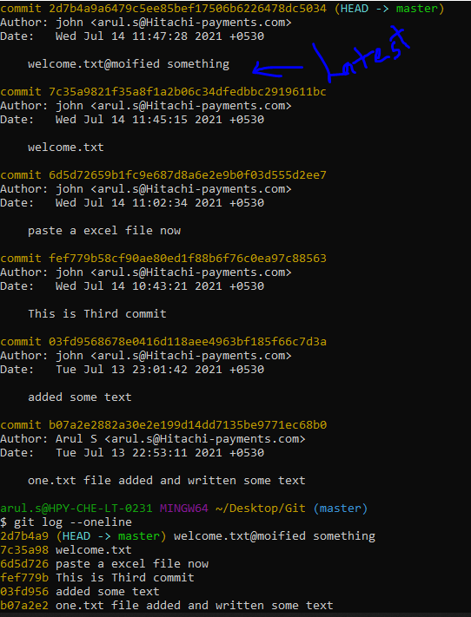

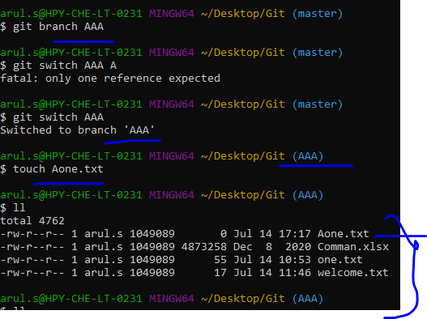

 |  |  |  |  |  |  | Right now you are in AAA branch
 |  |  |  |  |  |  | Then list out that
 |  |  |  |  |  |  | but all files are showing |  |  | This is the concept

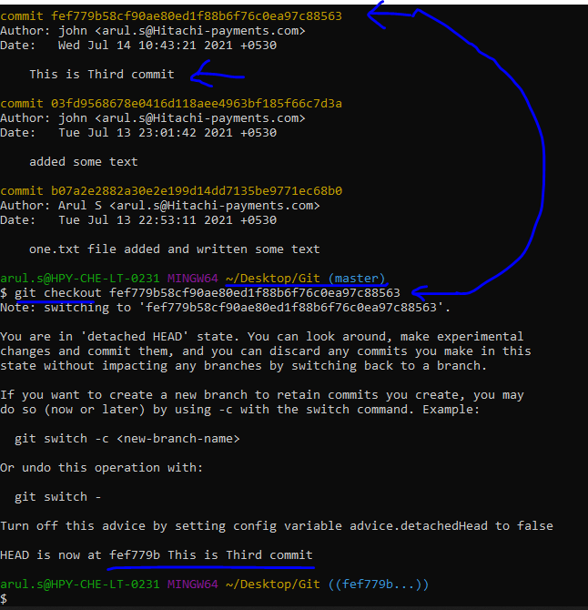

 |  |  |  |  |  |  |  | << Here more commit is there
 |  |  |  |  |  |  |  | U can swicth to the old commit use git checkout commit id

 |  |  |  |  |  |  |  | See Here

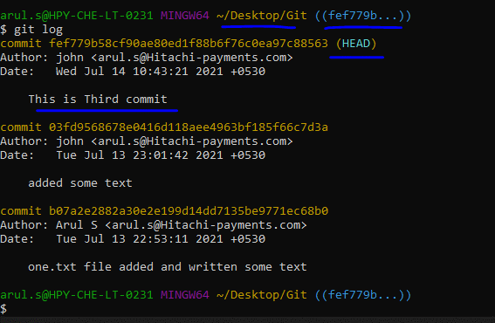

 |  |  |  |  |  |  | So now check the git log, the letest commit is become to HEAD

If u don’t want to add in git means use this command filename/
to view the git log, the latest commit log is showing in top(HEAD)

git commit -a -m 'your message'

 | create one file
 | add that file
 | then edit some text
 | git commit
 | again open that same file and enter some text
 | But here you want to need to go for the older stage, like don't want to second time editing contents
 | just use git checkout . |  |  | << this is go to previous commit
 | to veryfy that by use cat filename |  |  |  | << this is one way
 | type git log
 | show multiple log |  |  | << u want to go some previous commit, just copy the commit id then git paste the commit id
 |  |  |  | use cat and view the changes
 | OK, now u desire to actual letest commit means, just type git checkout master |  |  |  |  |  |  |  | << this is for recent commit
 | But once you give git reset --hard paste the commit id |  |  |  |  |  |  | << but dangers
 | if consider, master branch has two file like one.txt, to.txt
 | now u will create one branch and navigate to them
 | create one new file like sss.txt
 | now list out that, here one.txt two.txt sss.txt all files are showing but master did not know the sss.txt file
 | once you merge the branch means , master know that file
 | vi sss.txt
 | add that
 | commit that
 | switch to master |  |  | check in windows folder sss.txt file is not available
 | check git log |  |  | here also not available
 | again navigate to that branch, that file is avaialble
 | git checkout master
 | git merge branchname |  |  | now u get the sss.txt file

 |  |  |  |  |  | GitHub

 | create new repostory |  |  |  | name it
 |  |  |  |  | chooce public
 |  |  |  |  | repo is created

 | Right now I had completed my job. All files are avaialble in branches. Now we want to push to remote repository

 | git remote add origin remote repo url paste here |  |  |  |  |  | << This steps for connect our local repo and remote repo so now our local repo is connected to remote repo

 | git push origin master |  |  | << now our master is pushed to remote repo

 | create README.md
 | vi README.md
 | # cheetah india tutorials
 | add
 | commit
 | git push origin

 | Ifyou want to push your another branch means, first navigate that branch then git push branch name

 | fork | another guy project come to your repo

***************************************************************************************************************************************************************************************
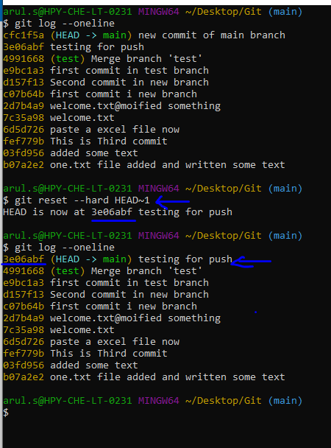

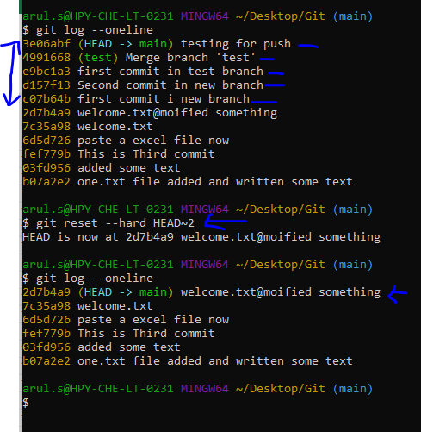

 |  |  |  |  |  |  | I given 2 onely but it is deleted 5 files |  |  |  | Doubts

Practice
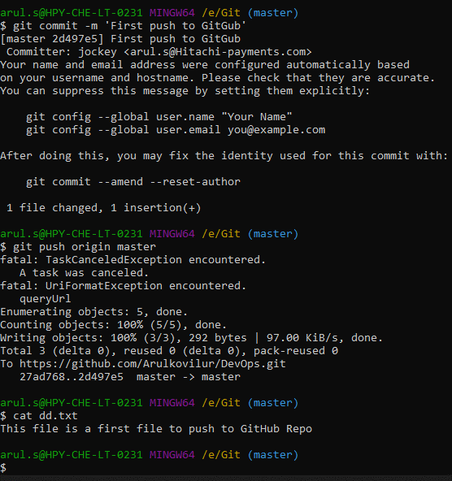
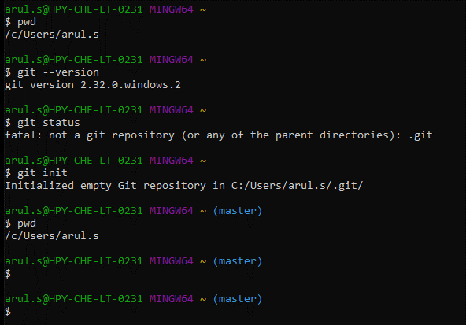

 |  |  |  |  |  | << This is starting stage

 |  |  |  |  |  | once init executed, the master branch will come

ceate one file use touch one.txt

then git status
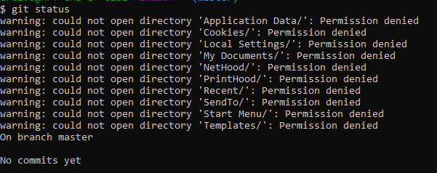

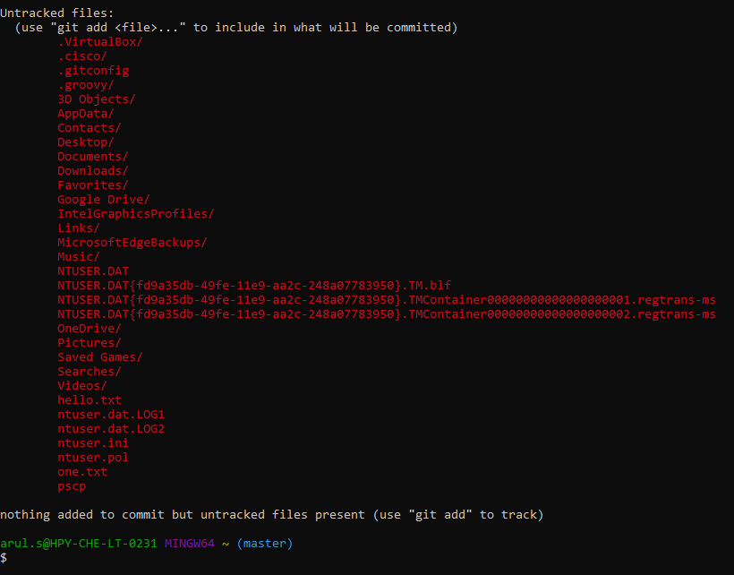

 |  |  |  |  |  |  |  | our created file is here

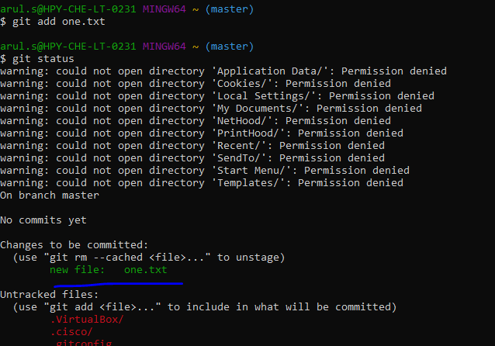

 |  |  |  |  |  |  | one.tx file is ready to commit
 |  |  |  |  |  |  | so now, the one.txt file is moved to stage area

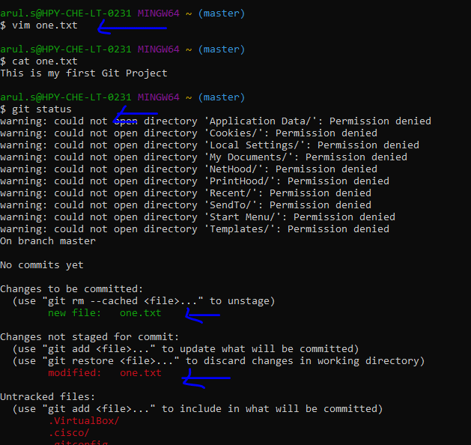

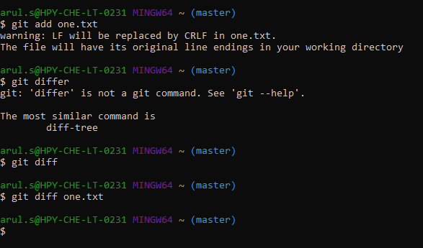

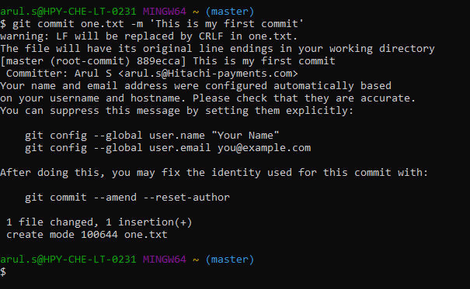

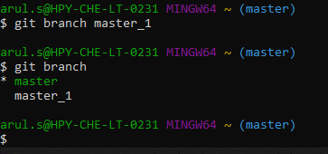

 |  | Green color is currently mapped the branch

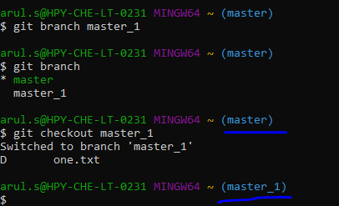

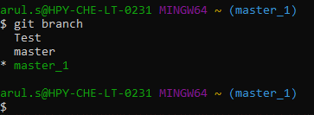

 |  | Green color is currently mapped the branch

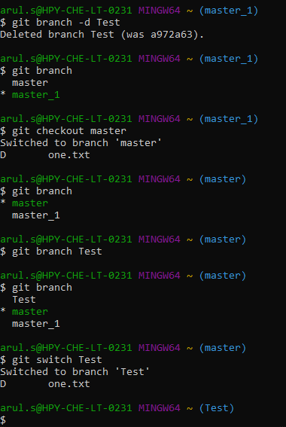

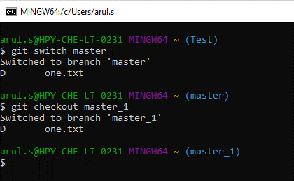

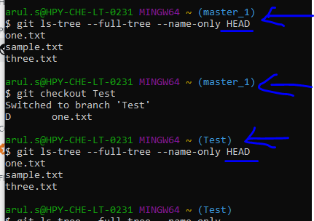

 |  |  | branch is not necessary, you can list out all files inside the git by using this command

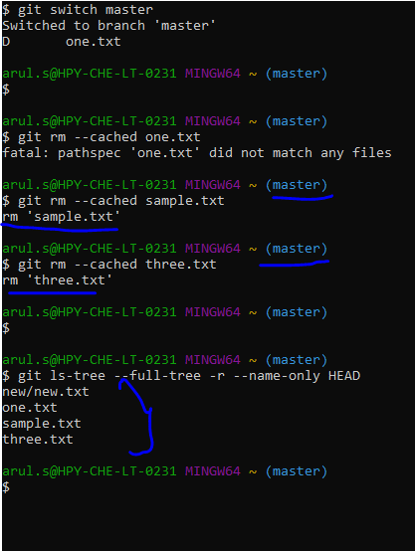

 |  |  |  | doubt

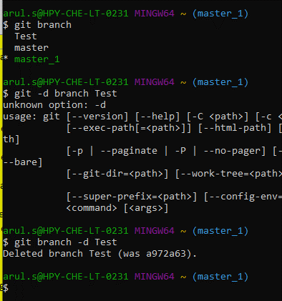

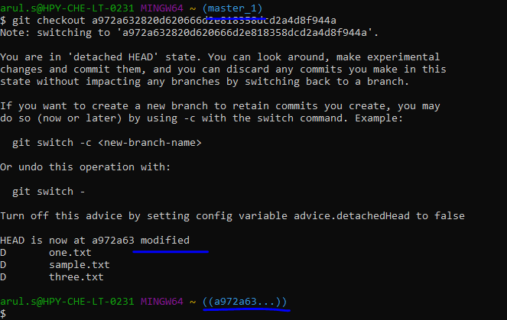
 |  |  |  |  |  |  | switch to the previous commit section

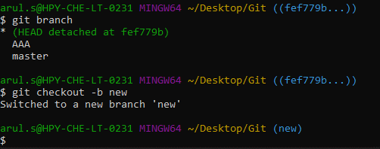

**********************************************************************************************************

 |  |  |  |  |  |  |  |  | Here branch'new'
 |  |  |  |  |  |  |  |  | inside one.txt files is ther

 |  |  |  |  |  |  |  |  | Now master branch
 |  |  |  |  |  |  |  |  | three file is there

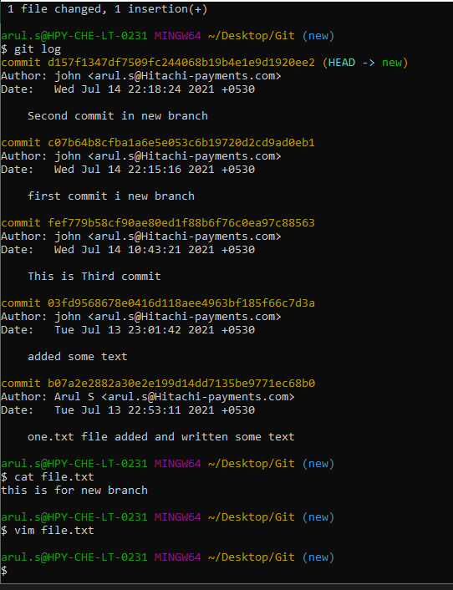

 |  |  |  |  | This is first time added text

 |  |  |  |  | Again edit some text

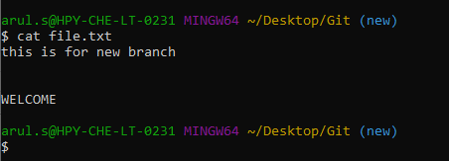

 |  |  |  | but you don want that newly added line so

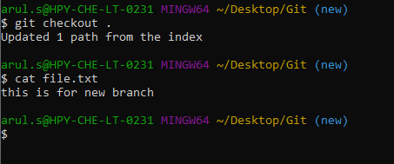

 |  |  |  | git gone to previous commit

 |  |  |  | Also you can mentioned the commit id to revert to commit

Right now you done many activity like gone previous commit then go to another one commit. But you want to actual original commit means.

Lets see one example:
you are in master branch, it has three files as like in below snap

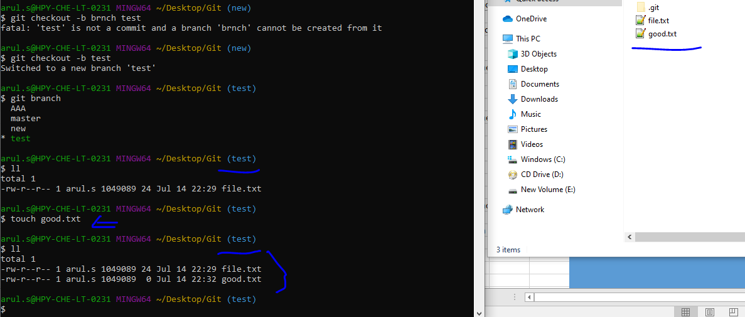

In above, good.txt file is not know for new branch
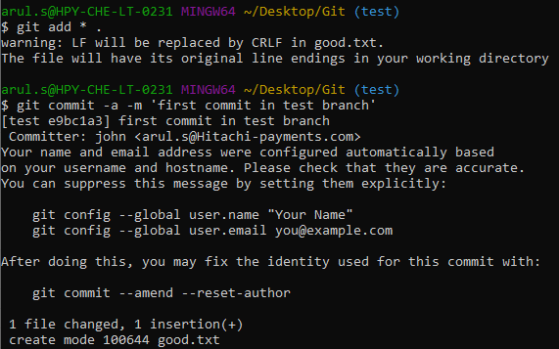

navigate to master branch, here good.txt file is not available

Navigate to new branch, here also good.txt file is not available

Once merge will happen, you can se all files in all branches



In the below snap,
Have 2 branched and both are merged | Now ready to push for remote repository






https://github.com/www-prolificme-com/mahawiki



 |  |  |  |  |  |  | After this proxy added it is working fine

Git Installation






















Sheet4
SonarQube

 |  |  |  |  |  |  |  |  |  |  | NEXUS IS A ARTIFACT REPOSITORY

git
Jenkins
Ansible
 |  |  |  |  |  | 2.Build & Test |  |  | 4.InitizlizeAnsible

NEXUS
 |  |  |  |  |  |  |  | 3.Store Artifact
 |  |  |  |  |  |  |  |  |  | 5.Deploy
 |  |  | 1.Code Commit
Docker and Kubernetes
Developer

NAGIOS

 |  |  |  |  |  |  |  | 6.Monitor

************************************************************************************************************************************************************************************

2021-08-22
 | Build jenkins job automatically on GitHub commit using Poll SCM
 | Poll SCM = Priodically polls the scm check whether changes werw made

 | Buid periodically = whereas build perioically builds the project periodically even if nothing has changed

 | Build triggers = Poll ScM

 | In jenkins section,
 | open the jenkins project
 | paste the github path
 | go to build trigger column ==> choose poll scm
 | * * * * *

 | you can click the question mark and need to be check all cron job query

 | In build area:
 | Root SCM pom.xml
 | goals and options clean.txt
 |  |  |  |  |  |  |  |  | I need to be configuration for eclipse to gitGub
 | In Eclipse section |  |  |  |  |  |  |  | I need configuration for create aven project in eclipse
 | One project is created |  |  |  |  |  |  |  | I need a help for istall eclipse
 | he create one new tex file
 | commit that
 | push to git hub
 | one code push is done

 | In Jenkins section,
 | the build is taken automatically

************************************************************************************************************************************************************************************
 | Build jenkins job automatically on GitHub commit using GitHub hook trigger for GITScm polling

Ngrok setup;
1 | ngrok - https://ngrok.com
2 | sign up and download the zip file and extract the exe file in some folder
3 | get you authtoken from your ngrok acount
4 | go to ngrok folder and open terminal
5 | pass this command - ngrok.exe authtoken "your token value"
6 | ngrok.exe http 8080
7 | get the forwarding URL - from ngrok CLI - http//e530a6f192dd.ngrok.io
8 | go to github project setting - webhooks
9 | add webhooks url - http//e530a6f192dd.ngrok.io/github-webhook/
10 | now make git commits
11 | build will start automatically

 | so no need to use the crons and period options
 | when ever changes happened in repository , the build wiill start automatically

 | In jenkins , already created maven project =

 | In GitHub, those maven project already pushed in here, now go to setting options == webhooks ==Add webhooks
 | Now enter the Payload URL <<== here we need to pass the jenkins URL "http://localhost:8080/github-webhooks/

 | content type
 |  | applicationjson

 |  | click ==> just the push event

 |  | Active

 |  | Add webhook

 | Here will come the some error eant, your localhost is not public
 | How to resolve, we go for ngrok, this is better ways

 |  | third party tool, it is using to convert local server to public server

 |  | use github credentials for ngrok

 |  | use win10 64 bit
 |  | extarct zip file
 |  | ngirok.exe got

 |  | In ngirok page, you need to be copy the authtoken under the connect your account

 |  | navigate the ngirok folder , type terminal in that window address bar to open terminal

 |  | type as below
 |  |  |  | ngirok.exe authtoken paste the authtoken in here |  |  |  |  | hit enter
 |  |  |  | will created one yml file

 |  | again go to terminal type as below

 |  |  |  | ngrok.exe http 8082 |  |  | <<== they used 8082 but we need to mention 8080

 |  |  |  | now our local server connec to the public server

 |  |  |  | copy the forwarding URL and go to the github ==> payload URL ==> paste here like as below

 |  |  |  |  | add webhooks url - http//e530a6f192dd.ngrok.io/github-webhook/

 |  |  | Now this time no error message is come

 |  | Then go to jenkins, build trigger ==> select the Github hook trigger for GITScm polling

 |  | Now go to the github, just open the readme file and pust some changes and commit that

 |  | now jenkins taken the new build

 |  | You note one message;

 |  | you give a manual build now option ==> check console output ==> it showing started by ADMIN
 |  | If tken auto build use gitHub meant ==> check console output ==> it showing started by GitHub username

************************************************************************************************************************************************************************************

 |  |  |  |  |  | test

