Logistic Regression_Example
 |  | Marital_status_Y | Marital_status_N
 |  | Actual |  |  |  |  |  |  |  |  |  |  |  | Predicted
 | Salary | Marital Status | X-XBAR | Y-YBAR | Numerator | (x-xbar)^2 | y=mx+c | exp(mx+c) | 1+exp(mx+c) | P | 1-P | Odd Ratio | Sigmoid | Final Logic
 | 25 | 1 | -32.5 | 0.35714285714 | -11.607142857 | 1056.25 | 0.14285714286 | 1.1535649949 | 2.1535649949 | 0.53565367083 | 0.46434632917 | 1.1535649949 | 0.06 | 0
 | 30 | 0 | -27.5 | -0.64285714286 | 17.678571429 | 756.25 | 0.46153846154 | 1.5865128975 | 2.5865128975 | 0.61337907846 | 0.38662092154 | 1.5865128975 | 0.20 | 0
 | 35 | 0 | -22.5 | -0.64285714286 | 14.464285714 | 506.25 | 0.53846153846 | 1.7133688814 | 2.7133688814 | 0.63145445985 | 0.36854554015 | 1.7133688814 | 0.23 | 0
 | 40 | 0 | -17.5 | -0.64285714286 | 11.25 | 306.25 | 0.61538461538 | 1.8503681428 | 2.8503681428 | 0.64916812499 | 0.35083187501 | 1.8503681428 | 0.27 | 0
 | 45 | 0 | -12.5 | -0.64285714286 | 8.0357142857 | 156.25 | 0.69230769231 | 1.998321728 | 2.998321728 | 0.66648008763 | 0.33351991237 | 1.998321728 | 0.30 | 1
 | 50 | 0 | -7.5 | -0.64285714286 | 4.8214285714 | 56.25 | 0.76923076923 | 2.1581055339 | 3.1581055339 | 0.68335447019 | 0.31664552981 | 2.1581055339 | 0.33 | 1
 | 55 | 1 | -2.5 | 0.35714285714 | -0.89285714286 | 6.25 | 0.84615384615 | 2.3306654931 | 3.3306654931 | 0.69975970206 | 0.30024029794 | 2.3306654931 | 0.37 | 1
 | 60 | 1 | 2.5 | 0.35714285714 | 0.89285714286 | 6.25 | 0.92307692308 | 2.5170231739 | 3.5170231739 | 0.71566863494 | 0.28433136506 | 2.5170231739 | 0.40 | 1
 | 65 | 1 | 7.5 | 0.35714285714 | 2.6785714286 | 56.25 | 1 | 2.7182818285 | 3.7182818285 | 0.73105857863 | 0.26894142137 | 2.7182818285 | 0.43 | 1
 | 70 | 1 | 12.5 | 0.35714285714 | 4.4642857143 | 156.25 | 1.0769230769 | 2.9356329236 | 3.9356329236 | 0.74591126271 | 0.25408873729 | 2.9356329236 | 0.47 | 1
 | 75 | 1 | 17.5 | 0.35714285714 | 6.25 | 306.25 | 1.1538461538 | 3.1703631949 | 4.1703631949 | 0.7602127313 | 0.2397872687 | 3.1703631949 | 0.50 | 1
 | 80 | 1 | 22.5 | 0.35714285714 | 8.0357142857 | 506.25 | 1.2307692308 | 3.4238622638 | 4.4238622638 | 0.77395317929 | 0.22604682071 | 3.4238622638 | 0.53 | 1
 | 85 | 1 | 27.5 | 0.35714285714 | 9.8214285714 | 756.25 | 1.3076923077 | 3.6976308646 | 4.6976308646 | 0.78712673924 | 0.21287326076 | 3.6976308646 | 0.57 | 1
 | 90 | 1 | 32.5 | 0.35714285714 | 11.607142857 | 1056.25 | 1.3846153846 | 3.9932897288 | 4.9932897288 | 0.79973122844 | 0.20026877156 | 3.9932897288 | 0.60 | 1
Mean | 57.5 | 0.64285714286 |  |  | 6.25 | 406.25

 | m= (x-xbar)*(y-ybar)/(x-xbar)^2 |  |  |  |  |  |  |  |  |  |  |  | 60% |  | 30%
 |  |  |  |  |  |  |  |  |  |  |  |  | 6%

Slope | 0.015384615385 |  | 0.015384615385 | -0.24175824176
Intercept | -0.24175824176 |  | -0.24175824176

Error_Metrics_RMSE
 |  |  |  |  |  |  |  |  | >>>>>>

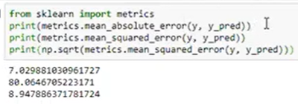
RMSE |  | Root mean Squared Error |  | MAPE |  | Mean Absolute Percent Error

 |  |  |  |  |  |  |  |  |  | MAPE
Y | Y_Pred | Error | Sq-Error | Y | Y_Pred | Error | Pert_error | abs per_error |  | MSE
19 | 59 | -40 | 1600 | 19 | 59 | -40 | -0.4 | 0.4 |  | RMSE
66 | 75 | -9 | 81 | 66 | 75 | -9 | -0.09 | 0.09
100 | 69 | 31 | 961 | 100 | 69 | 31 | 0.31 | 0.31
59 | 91 | -32 | 1024 | 59 | 91 | -32 | -0.32 | 0.32
78 | 56 | 22 | 484 | 78 | 56 | 22 | 0.22 | 0.22
98 | 87 | 11 | 121 | 98 | 87 | 11 | 0.11 | 0.11

 |  | MSE | 711.83333333 |  |  |  | MAPE | 24%
 |  | RMSE | 26.680204897

Ensemble
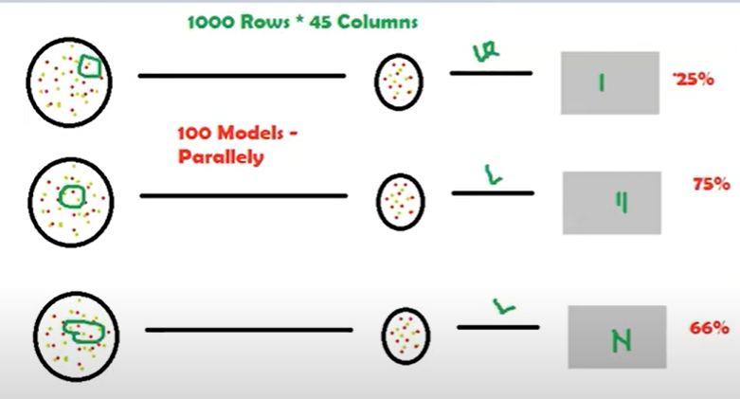
Bagging & Boosting
 |  |  |  |  |  |  | Boosting is slightly different from Bagging
Ensemble Techniques/ Mechanism |  | Random Sampling - Random selection of rows * column
 |  | Random Sampling With Replacement | this will allow duplicated - data present in model 1 can be in model 2
One model will give you higher error - Ensemble technique use the method of combing multiple weak learner to achieve a strong learner |  | Random Sampling Without Replacement | this will not allow duplication- data present in model 1 cannot be present in model 2 |  |  |  | one feature can be contributing more vs the other model .. Boosting will build the model and identify the important feature and assign weights to it
 |  |  |  |  |  |  | for example In out example it will assign 85% to red and 15% to red… and then it will feed this into the next model so more red variable will be picked
 | Marks |  |  |  |  |  | for the next model - this wil be a sqeuential execution. This will learn pattern from jey features and not from all the features
S1 | 100
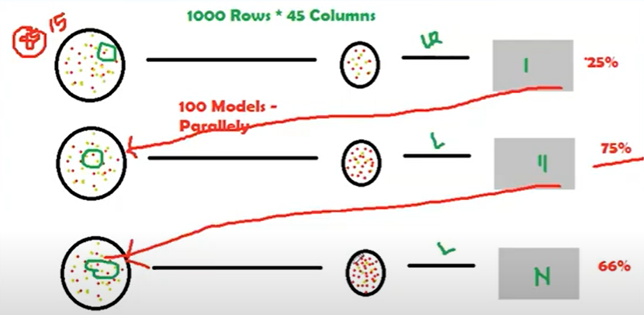
S2 | 75 |  |  |  | Regression | Classification
S3 | 85 |  |  | Model # | R2 Score | Classes
S4 | 60 | output of bagging and boosting is aggregates output |  | 1 | 90% | 0
 | 80 | Numerical aggregation will be mean |  | 2 | 9% | 1
 |  | Categorical aggregation will be mode |  | 3 | 42% | 1
Here we will follow the method called Random Sampling - this is nothing but random selection of rows and columns |  |  |  | 4 | 30% | 1
 |  |  |  | 5 | 84% | 0
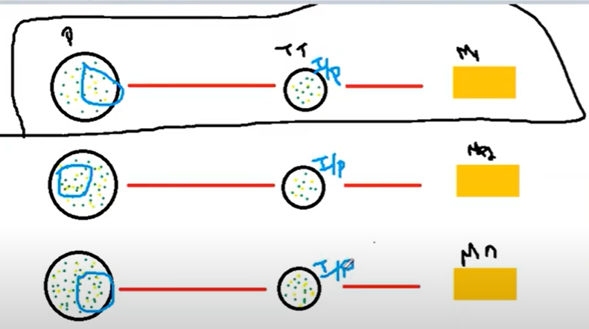
 |  |  |  | 6 | 97% | 1
 |  |  |  | 7 | 0% | 0
 |  |  |  | 8 | 90% | 0
 |  |  |  | 9 | 68% | 1
 |  |  |  | 10 | 3% | 0
 |  |  |  |  | 51%

 |  | In Baggin all the models will run parallely - no relationship between two models

K Means_1
Unsupervised Learning |  | K - Number of Groups
 |  | Means - Average value of groups
Linear Regression |  | Less Human intervention
Logistic Regression
K Means
Hierarchical Clustering |  | Step 1: | Choosing the K -value > Elbow curve |  |  |  | * Equal number of data point will be assigned to each observation
 |  | Step 2: | Random selection of Centroids | Centroids | Group Heads
 | RANDBETWEEN(10,100)+RAND() | Step 3: | Assigning Datapoints to the centroids
 | 51.059568481 | Step 4: | Re-assign the centroids & follow step 2 in a loop |  |  |  | C1 | C2 | C3
 | 19.672992706 |  |  |  |  |  | 93.682098191 | 58.985339616 | 24.961309164
 | 41.652916553
 | 68.106322228 |  |  |  |  | 80
 | 52.251060708 |  |  |  |  | 35
 | 14.729108769
 | 20.788752908
 | 89.960875806
 | 93.682098191
 | 80.389927346
 | 42.050150461
 | 13.322978189
 | 84.45374104
 | 58.133310355
 | 89.065804581
 | 90.951543072
 | 91.095237584
 | 58.319021699
 | 43.256857229
 | 32.797490343
 | 33.54407053
 | 84.149751526
 | 19.342046773
 | 74.995251269
 | 50.892821987
 | 100.79566636
 | 53.590521618
 | 58.985339616
 | 92.038611313
 | 11.77505481
 | 33.018761605
 | 20.217220941
 | 17.602699234
 | 60.800002399
 | 88.004813036
 | 43.088480483
 | 19.445270608
 | 31.392378433
 | 55.78356416
 | 77.344288909
 | 93.257239058
 | 54.006103119
 | 24.961309164

K Mean_2
 |  |  |  |  | means | average
 |  | K = 2
 |  | Centroids

A | B | C1 | C2
5 | 3 | 5,3 | 10,15 | Iteration 1
10 | 15 | 1 | 9
15 | 12
24 | 10 | C1 | C2 | iterationn 2
30 | 45 | 5,3 | 48,50
85 | 70
71 | 80
60 | 78 | C1 | C2 | iteration 3
55 | 52 | 13,10 | 63.5,69.33
80 | 91
 |  | c1 | c2 | iteration 4
 |  | 16.8,17 | 70.2,74.2

430 | 453 | c1 | c2 | iteration 5
47.777777778 | 50.333333333 | 16.8,17 | 70.2,74.2

54 | 40
13.5 | 10

381 | 416
63.5 | 69.333333333 |  |  |  |  |  | Iteration 1 & 2 | Iteration 3 | Iteration 4

Cross_Validation
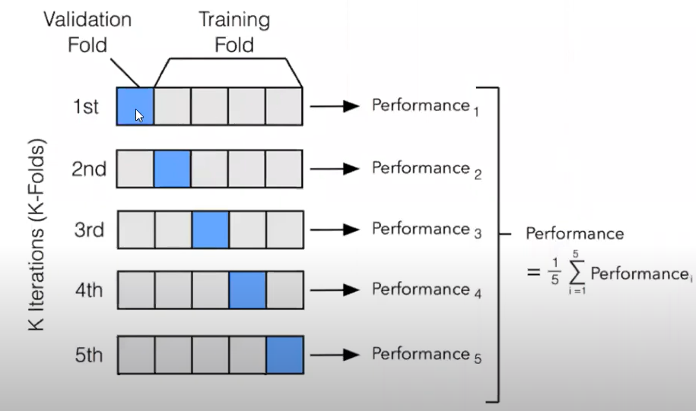
Hyper Parameter Optimization |  |  | A | B | Target
 |  |  | 49 | 96 | 32 |  |  |  |  |  |  | n-1 with regards to K fold
Cross Validation |  |  | 60 | 162 | 53 | Set1 | A | B | Target
Splitting data into multiple chunks for evalation all the chances of target |  |  | 20 | 152 | 150 | Train Set | 60 | 162 | 53 | Train Test Split
 |  |  | 84 | 40 | 172 | Test Set | 84 | 40 | 172 | Accuracy | 45
 |  |  | 174 | 117 | 63
 |  |  | 70 | 156 | 101 | Set2 | A | B | Target
 |  |  |  |  |  | Train Set | 174 | 117 | 63 | Train Test Split
 |  |  |  |  |  | Test Set | 49 | 96 | 32 | Accuracy | 55

 |  |  | Kfold cross validation |  |  | Set3 | A | B | Target
 |  |  |  |  |  | Train Set | 20 | 152 | 150 | Train Test Split
 |  |  |  |  |  | Test Set | 70 | 156 | 101 | Accuracy | 95
 |  |  | K = 3
 | 100 rows |  |  |  |  | Here we cannot retrieve the sub set that model uses, it will be trashed

 | Train | Test
 | 80 | 20

 | do you think the model can capture al the patterns - No |  | KNN | nearest neighbors
 |  |  | K Mean | Number o flcusters

LDA_PCA
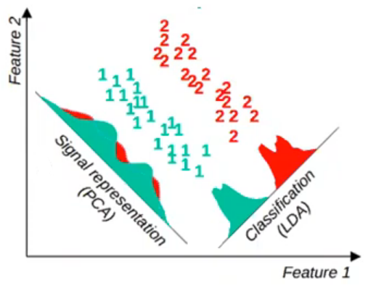
Dimensionality Reduction

Data set = 560 Columns |  |  | 559 Features and 1 Traget

PCA | Principal component Analysis |  |  | Unsupervised/ Clustering |  | **theoritically PCA is used for unsupervised but lot of guys use it for regression/classification also
LDA | Linear Discriminant Analysis |  |  | Supervised | Regression/classification

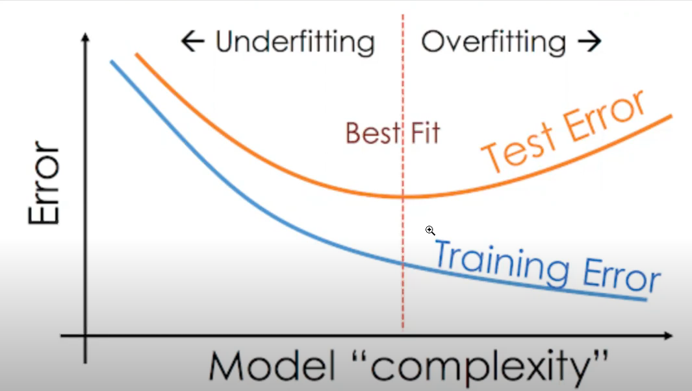
Multicollinearity
Multiple Independent variable having good correlation |  |  |  |  |  |  |  |  |  | Key features from the dataset basis their relationship
 |  |  |  |  |  | C1 | C2 | C22 | Target |  |  |  |  | When performing dimenstionality reduction it shld not have nulls
 |  | Train Data | Test Data |  |  | 9 | 10 | 11 | 10 |  |  |  |  | please perform imputation before performing dimentionality reduction
Overfitting |  | Performs Good | Performs Poorly |  |  | 6 | 7 | 6 | 7
Underfitting |  | Performs poorly | performs poorly |  |  | 9 | 8 | 8 | 8 | c1 | c2 | c3 | c4
 |  |  |  |  |  |  |  |  |  | 0.2 | 0.6 | 0.1 | 0.1
 |  |  |  |  | correlation | 0.75592894602 | 0.99717646495 | 0.80295506855
 |  |  |  |  |  |  |  |  |  | c1 & c2 is contribution to 80% variance
 |  |  |  |  | slope | 0.66666666667 | 0 | -0.11111111111 | 3.6666666667 | for 4 column we will not go for LDA or PCA.. We will go for it only when there is more than 60 or 100 columns
 |  |  |  |  | intercep

