AI_ML_DP
Machine Learning Introduction |  |  |  | Human Learning

Prediction
predict from history
ML is a field of study that gives computers the capability to learn without being explicitly programmed

Machine learning basically makes machines similar to human beings |  |  |  |  | That ability to learn

Artificial Intelligence, Machine Learning and Deep Learning have become the most talked about technologies in the today's world

 | Intern students |  | AI/ ML/ DP |  |  | Steps
 | 2years |  | AI/ ML/ DP |  |  | level of perceptions
 | Mid mangement |  | AI/ ML/ DP |  |  |  | ML | basic
 | senior mangement |  | AI/ ML/ DP |  |  |  | DP | advanced
 | Executive managemet |  | AI/ ML/ DP
 | C-suite meetings |  | AI/ ML/ DP

 |  |  |  |  |  |  |  |  | Artificial Intelligence
 | AI | Artificial intelligence | Ability of a machine to imitate intelligent human behaviour
 | ML |  | Application of AI that allows a system to automaticallyu learn and improve from experience |  |  |  |  |  |  | Goal -AI is to develop self reliant machines that can think and act like humans
 | DP |  | Application of ML that uses complext algorithms and deep neural nets to train a model
 |  |  |  |  |  |  |  |  |  | Ok google
 |  |  |  |  |  |  |  |  |  | Siri
 |  |  |  |  |  |  |  |  |  | Amzon shopping |  | Phone | buy back cover / screen guard
Artificial Intelligence
 |  |  |  |  |  |  |  |  |  | Netflix
 |  |  |  |  |  |  |  |  |  | Amzon prime
 |  |  |  |  |  |  |  | ML and DP are the ways to achieve artificial intelligence |  | Sophia Robot
Machine Learning
 |  |  |  |  |  |  |  |  |  | Self driving vehicles - google waymo

Deep Learning
 |  |  |  |  |  |  |  | AI is a concept of creating smart intelligent machine | Machine Learning
 |  |  |  |  |  |  |  | ML is a subset of AI that helps you build AI driven products
 |  |  |  |  |  |  |  | DP is subset of machine learning that uses vast volumes of data and complex algo to train a model |  | it is technique that uses computer algorithm and analyitcs to build predictive models that can solve business problems

 |  |  |  |  |  |  |  |  |  | ML is based on algorithms that can learn from data without relying on rules based programming
 |  |  |  |  |  |  |  |  |  |  |  |  |  |  |  |  |  |  |  |  |  |  |  |  |  |  |  |  |  |  |  | Deep Learning

 |  |  |  |  |  |  |  |  | How does Machine Learning Work ? |  |  |  |  |  |  |  |  |  |  |  |  |  |  |  |  |  |  |  |  |  |  | it is a subset of machine learning that deals with algorithms inspired by the structure and function of human brain
 |  |  |  |  |  |  |  |  |  |  |  |  |  |  |  |  |  |  |  |  |  |  |  |  |  |  |  |  |  |  |  | DL algos can work with an enormous amount of data
 |  |  |  |  |  |  |  |  |  | > ML access/uses vast amout of data and learns from it and predicts the future.
 |  |  |  |  |  |  |  |  |  | > It learns from the data by using multiple algorithms and techniques
 |  |  |  |  |  |  |  |  |  |  |  |  |  |  |  |  |  |  |  |  |  |  |  |  |  |  |  |  |  |  |  | The major difference between DP and ML is the way data is presented to the machine
 |  |  |  |  |  |  |  |  |  |  |  |  |  |  |  |  |  |  |  |  |  |  |  |  |  |  |  |  |  |  |  | Machine learning algorithm usually requires strucutred data, whereas deep learning network work on multiple layers

Past data
Learning - using Algorithms
Predict the future

 |  |  |  |  |  |  |  |  |  | Supervised Learning
 |  |  |  |  |  |  |  |  |  |  | In supervised learning the data is already labeled, which means you know the target variable |  |  |  |  |  |  |  |  | Regression |  |  |  | Classification
 |  |  |  |  |  |  |  |  |  |  | using this methiod of learning, system can predit future outcomes based on past data

 |  |  |  |  |  |  |  |  |  |  | Cylinders | hP | Displacement |  | weight | Mileage |  |  |  | The main difference between regression and classification algo is that
 |  |  |  |  |  |  |  |  |  |  | 4 | 120 | 1000 |  | 600 | 15
 |  |  |  |  |  |  |  |  |  |  | 4 | 133 | 1200 |  | 650 | 16 |  |  |  |  | Regression algo are used to predict the continuos values such as price, salary, age, sales etc |  |  |  |  |  |  |  |  |  |  |  |  | Calculate the weighted sums
 |  |  |  |  |  |  |  |  |  |  | 2 | 155 | 800 |  | 550 | 20 |  |  |  |  | Classification algo are used to predict/classify dicrete values male or female, true or false, Fraud or no fraud, Spam or ham |  |  |  |  |  |  |  |  | cat | cycle |  |  | The caluclated sum of weights is then passed as input to the activation function
 |  |  |  |  |  |  |  |  |  |  | 3 | 165 | 900 |  | 480 | 22 |  |  |  |  |  |  |  |  |  |  |  |  |  | dog | train |  |  | activateion as input and add bias and decides wheather the neuron should be fired or not
 |  |  |  |  |  |  |  |  |  |  |  |  |  |  |  |  |  |  |  |  | exp | age | salary |  | user id | user location | trans location | trans amout | status | rat | car |  |  | The ouptu layer gives the predicted output
 |  |  |  |  |  |  |  |  |  |  |  |  |  |  |  |  |  |  |  |  | 2 | 23 | 5l |  | 123 | Bangalore, India | Bangalore | 9000 | No fraud
 |  |  |  |  |  |  |  |  |  |  | 4 | 175 | 1200 |  | 900 | ? |  |  |  |  | 3 | 24 | 7l |  | 123 | Bangalore, India | Bangalore | 12000 | No fraud
 |  |  |  |  |  |  |  |  |  |  |  |  |  |  |  |  |  |  |  |  | 4 | 25 | 10l |  | 123 | Bangalore, India | Bangalore | 3000 | No fraud |  |  |  |  | CNN - convolutional neural network
 |  |  |  |  |  |  |  |  |  |  | Linear Regression |  |  |  |  |  |  |  |  |  | 5 | 26 | 13l |  | 123 | Bangalore, India | Bangalore | 25000 | No fraud |  |  |  |  | RNN - Recurrent Neural Network
 |  |  |  |  |  |  |  |  |  |  | Logistic Regression |  |  |  |  |  |  |  | Regression |  | 6 | 27 | 16l |  | 123 | Bangalore, India | Mumbai | 23000 | No fraud |  |  |  |  | GAN - Genrative Adversarial Network
 |  |  |  |  |  |  |  |  |  |  | Naïve Bayes |  |  |  |  |  |  |  | Classification |  | 7 | 28 | 21l |  | 123 | Bangalore, India | Delhi | 22000 | No fraud |  |  |  |  | DBN - Deep Belief Network
 |  |  |  |  |  |  |  |  |  |  | Decision Tree |  |  |  |  | Variable |  |  |  |  | 8 | 29 | 29l |  | 123 | Bangalore, India | Hyderbad | 21500 | No fraud
 |  |  |  |  |  |  |  |  |  |  | Random Forest |  |  |  |  |  |  |  |  |  | 5.5 | 28 | ? |  | 123 | Bangalore, India | Chennai | 17000 | No fraud
 |  |  |  |  |  |  |  |  |  |  |  |  |  |  |  | Discrete | 2,4,5, |  |  |  |  |  |  |  | 123 | Bangalore, India | Xiamen, China | 444000 | Fraud |  |  |  |  | Music generation |  | Shazam
 |  |  |  |  |  |  |  |  |  |  |  |  |  |  |  |  |  |  |  |  | Regression Problem |  |  |  |  |  |  |  |  |  |  |  |  | Image coloring
 |  |  |  |  |  |  |  |  |  |  |  |  |  |  |  | Continuous |  |  |  |  |  |  |  |  |  |  |  |  |  |  |  |  |  | cancer tumor detection
 |  |  |  |  |  |  |  |  |  |  |  |  |  |  |  |  |  |  |  |  |  |  |  |  |  | Classification Problem

 |  |  |  |  |  |  |  |  |  | Unsupervised Learning

 |  |  |  |  |  |  |  |  |  |  | Unsupervised learning algorithms work with unlabeled data to discover patters from the data on their own.
 |  |  |  |  |  |  |  |  |  |  | The systems are able to identiy hidden fetaure from the input data provided

 |  |  |  |  |  |  |  |  |  |  | Clustering |  |  | high profitable |  | Repeat |  | Kmeans |  |  |  |  |  |  |  |  |  |  |  |  |  |  | A |  |  |  | 1byte
 |  |  |  |  |  |  |  |  |  |  |  |  |  | Low profitable |  | lapse |  |  |  |  |  |  |  |  |  |  |  |  |  |  |  |  | 1page | 1000 letters |  |  | 1KB
 |  |  |  |  |  |  |  |  |  |  |  |  |  | Average profitable |  | inactive |  |  |  |  |  |  |  |  |  |  |  |  |  |  |  |  | 1book | 1000 page |  |  | 1MB
 |  |  |  |  |  |  |  |  |  |  |  |  |  |  |  |  |  |  |  |  |  |  |  |  |  |  |  |  |  |  |  |  | zoom out | 1000 time |  |  | 1GB
 |  |  |  |  |  |  |  |  |  |  |  |  |  |  |  |  |  |  |  |  |  |  |  |  |  |  |  |  |  |  |  |  | zoom out | 1000 time |  |  | 1TB
 |  |  |  |  |  |  |  |  |  |  |  |  |  |  |  |  |  |  |  |  |  |  |  |  |  |  |  |  |  |  |  |  | zoom out | 1000 time |  |  | 1 PB
 |  |  |  |  |  |  |  |  |  |  |  |  |  |  |  |  |  |  |  |  |  |  |  |  |  |  |  |  |  |  |  |  | zoom out | 1000 time |  |  | 1 Exabyte

 |  |  |  |  |  |  |  |  |  |  |  |  |  |  |  |  |  |  |  |  |  |  |  |  |  |  |  |  |  |  |  |  | 2005 |  |  | 2020
 |  |  |  |  |  |  |  |  |  | Reinforement |  |  |  |  |  |  |  |  |  |  |  |  |  |  |  |  |  |  |  |  |  |  | 130 exabyte |  |  | 40900 exabyte

 |  |  |  |  |  |  |  |  |  |  | The goal of reinforement learning is to train an agent to comlete a task within an uncertain environment |  |  |  |  |  |  |  |  |  |  |  |  |  |  |  |  |  |  |  |  |  |  | Exponentially - we are experiencing the fastest ever growth of data and continues to accelerate
 |  |  |  |  |  |  |  |  |  |  | based on rewards
 |  |  |  |  |  |  |  |  |  |  | Q- learning
 |  |  |  |  |  |  |  |  |  |  |  |  |  |  |  |  |  |  |  |  |  |  |  |  |  |  |  |  |  |  |  |  | Model - Machine learning Algorithm

 |  |  |  |  |  |  |  |  |  |  |  |  |  |  |  |  |  |  |  |  |  |  |  |  |  |  |  |  |  |  |  |  | Parametric vs Non Parametic models

 |  |  |  |  |  |  |  |  |  | > sales forecasting for different products |  |  |  |  |  |  |  |  |  |  |  |  |  |  |  |  |  |  |  |  |  |  |  | Machine learning can be summarized as learning a function (f) that maps input variable (X) to output variable Y
 |  |  |  |  |  |  |  |  |  | > fraud analysis in banking
 |  |  |  |  |  |  |  |  |  | > product recommendation
 |  |  |  |  |  |  |  |  |  | > Stock price predictions |  |  |  |  |  |  |  |  |  |  |  |  |  |  |  |  |  |  |  |  |  |  |  |  |  |  | Y = f(X)

 |  |  |  |  |  |  |  |  |  |  |  |  |  |  |  |  |  |  |  |  |  |  |  |  |  |  |  |  |  |  |  |  |  |  | an alogirthm learns this target mapping function from the training data

 |  |  |  |  |  |  |  |  |  |  |  |  |  |  |  |  |  |  |  |  |  |  |  |  |  |  |  |  |  |  |  |  |  |  | Parameric

 |  |  |  |  |  |  |  |  |  |  |  |  |  |  |  |  |  |  |  |  |  |  |  |  |  |  |  |  |  |  |  |  |  |  | A learning model that summarizes data with a set of parameters of fixed side is called as parametric model

 |  |  |  |  |  |  |  |  |  |  |  |  |  |  |  |  |  |  |  |  |  |  |  |  |  |  |  |  |  |  |  |  |  |  |  | y = mx+C

 |  |  |  |  |  |  |  |  |  |  |  |  |  |  |  |  |  |  |  |  |  |  |  |  |  |  |  |  |  |  |  |  |  |  |  |  | Logistic Regression
 |  |  |  |  |  |  |  |  |  |  |  |  |  |  |  |  |  |  |  |  |  |  |  |  |  |  |  |  |  |  |  |  |  |  |  |  | Naïve Bayes
 |  |  |  |  |  |  |  |  |  |  |  |  |  |  |  |  |  |  |  |  |  |  |  |  |  |  |  |  |  |  |  |  |  |  |  |  | Linear Regressino

 |  |  |  |  |  |  |  |  |  |  |  |  |  |  |  |  |  |  |  |  |  |  |  |  |  |  |  |  |  |  |  |  |  |  | Non Parametric models

 |  |  |  |  |  |  |  |  |  |  |  |  |  |  |  |  |  |  |  |  |  |  |  |  |  |  |  |  |  |  |  |  |  |  | K Nearest Neighbors
 |  |  |  |  |  |  |  |  |  |  |  |  |  |  |  |  |  |  |  |  |  |  |  |  |  |  |  |  |  |  |  |  |  |  | Decision Tree
 |  |  |  |  |  |  |  |  |  |  |  |  |  |  |  |  |  |  |  |  |  |  |  |  |  |  |  |  |  |  |  |  |  |  | SVM

 |  |  |  |  |  |  |  |  |  |  |  |  |  |  |  |  |  |  |  |  |  |  |  |  |  |  |  |  |  |  |  |  |  |  | Dimensionality Reduction

 |  |  |  |  |  |  |  |  |  |  |  |  |  |  |  |  |  |  |  |  |  |  |  |  |  |  |  |  |  |  |  |  |  |  |  | Exam |  | field theory

 |  |  |  |  |  |  |  |  |  |  |  |  |  |  |  |  |  |  |  |  |  |  |  |  |  |  |  |  |  |  |  |  |  |  |  |  |  | 1000 pages | unmanageble for you to learn

 |  |  |  |  |  |  |  |  |  |  |  |  |  |  |  |  |  |  |  |  |  |  |  |  |  |  |  |  |  |  |  |  |  |  |  |  | 200 pages | Important Question - 75 marks

 |  |  |  |  |  |  |  |  |  |  |  |  |  |  |  |  |  |  |  |  |  |  |  |  |  |  |  |  |  |  |  |  |  |  |  | 1000 columns |  | 20 columns

SLR_model
Linear Regression |  |  |  |  |  |  |  |  |  |  |  |  | X | Y
 |  |  |  |  |  |  |  |  |  |  |  |  | Exp | Sal | x-xbar | (x-xbar)^2 | y-ybar | Numerator | y_hat or y_Pred | Error | MAE | MSE |  |  |  |  |  | Correlation
 | Linear regression is one of the easiest and most popular mchine learning algorithms |  |  |  |  |  |  |  |  |  |  |  | 1 | 10 | -4.8 | 23.04 | -48.230769231 | 231.50769231 | 28.99 | 18.99 | 18.989010989 | 360.58253834
 | It is a statistical method that is used for predictive analysis |  |  |  |  |  |  |  |  |  |  |  | 1.8 | 20 | -4 | 16 | -38.230769231 | 152.92307692 | 33.86 | 13.86 | 13.862637363 | 192.17271465 |  |  |  |  |  |  | Realtionship between 2 variables
 | Linear regression falls in the bucket of supervised machine learning algorithm |  |  |  |  |  |  |  |  |  |  |  | 2.6 | 30 | -3.2 | 10.24 | -28.230769231 | 90.338461538 | 38.74 | 8.74 | 8.7362637363 | 76.32230407
 | it is used for Regression problems |  |  |  |  |  |  |  |  |  |  |  | 3.4 | 40 | -2.4 | 5.76 | -18.230769231 | 43.753846154 | 43.61 | 3.61 | 3.6098901099 | 13.031306605 |  |  |  |  |  |  | Range | -1 to +1
 | it is used to make predictions for continuous/real or numerical varialble such as sales, salary, age, product price etc |  |  |  |  |  |  |  |  |  |  |  | 4.2 | 50 | -1.6 | 2.56 | -8.2307692308 | 13.169230769 | 48.48 | -1.52 | 1.5164835165 | 2.2997222558
 |  |  |  |  |  |  |  |  |  |  |  |  | 5 | 83 | -0.8 | 0.64 | 24.769230769 | -19.815384615 | 53.36 | -29.64 | 29.642857143 | 878.69897959
 | Linear regression algorithm shows a linear realtionship between a dependent variable(Y) and on e or more independent variables |  |  |  |  |  |  |  |  |  |  |  | 5.8 | 102 | 0 | 0 | 43.769230769 | 0 | 58.23 | -43.77 | 43.769230769 | 1915.7455621
 |  |  |  |  |  |  |  |  |  |  |  |  | 6.6 | 95 | 0.8 | 0.64 | 36.769230769 | 29.415384615 | 63.10 | -31.90 | 31.895604396 | 1017.3295798
 |  |  |  |  |  |  |  |  |  |  |  |  | 7.4 | 46 | 1.6 | 2.56 | -12.230769231 | -19.569230769 | 67.98 | 21.98 | 21.978021978 | 483.03345007
 | Y | Dependent or target variable |  |  |  |  |  |  |  |  |  |  | 8.2 | 69 | 2.4 | 5.76 | 10.769230769 | 25.846153846 | 72.85 | 3.85 | 3.8516483516 | 14.835195025
 | X | Independent variable |  |  |  |  |  |  |  |  |  |  | 9 | 51 | 3.2 | 10.24 | -7.2307692308 | -23.138461538 | 77.73 | 26.73 | 26.725274725 | 714.24030914
 |  |  |  |  |  |  |  |  |  |  |  |  | 9.8 | 94 | 4 | 16 | 35.769230769 | 143.07692308 | 82.60 | -11.40 | 11.401098901 | 129.98505615
 | Mathematically, we can represent a linear regression as |  |  |  |  |  |  |  |  |  |  |  | 10.6 | 67 | 4.8 | 23.04 | 8.7692307692 | 42.092307692 | 87.47 | 20.47 | 20.472527473 | 419.12438111
 |  |  |  |  |  |  |  |  |  |  |  | Mean | 5.8 | 58.230769231 |  | 8.96 |  | 54.584615385 |  |  | 18.188503804 | 478.26162299
 | Y = mx +C |  |  | Parametric model |  |  |  |  |  |  |  | STD | 2.9933259094 | 28.474425357
 |  |  |  |  |  |  |  |  |  |  |  |  |  |  |  |  |  |  |  |  |  |  |  |  |  |  | Corr | 0.64041468415
 | C | Intercept of the line
 | m | Linear regression co-efficient, slope
 | X | Independent variable
 | Y | Dependent variable |  |  |  |  |  |  |  |  |  |  |  |  |  |  |  |  |  |  |  |  |  |  |  | c = Average values of Y when X is zero | R2 score |  | (corr)^2
 |  |  |  |  |  |  |  |  |  |  |  |  |  |  |  |  |  |  |  |  |  |  |  |  |  | m = change in avg value of Y when X is changed
 | Types of Linear regression |  |  |  |  |  |  |  |  |  |  |  |  |  |  |  |  |  |  |  |  |  |  |  |  |  |  |  | 41%
 |  |  |  |  |  |  |  |  |  | X | Y
 | Simple Linear Regression |  | If we have a single independent variable is used to predict the value of the dependent variable |  |  |  |  |  |  | # hours of study | Test score |  |  |  |  |  |  |  |  |  |  |  |  | Evaluation metrics
 |  |  |  |  |  |  |  |  |  | 5 | 39 |  |  |  |  |  |  |  |  |  |  |  |  | MAE | 18.188503804
 |  |  |  |  |  |  |  |  |  | 6 | 47 |  |  |  |  |  |  |  |  |  |  |  |  | MSE | 478.26162299 |  |  |  | coefficient of determination also called R2 score is used to evaluate the performance of linear regression model
 | Multiple Linear regression |  | If we have more than one independent variable to predict the dependent the dependent variable |  |  |  |  |  |  | 7 | 48 |  |  |  |  |  | slope m | 6.092032967 |  |  |  | C | 22.896978022 | RMSE | 21.869193469 |  |  |  | it is the amount of variation in the dependent variable which is predictable from the independent variable
 |  |  | then it is called as multiple linear regression |  |  |  |  |  |  | 8 | 66 |  |  |  |  |  |  |  |  |  |  |  |  | R2 score | 41% |  |  |  | it is used to check how well-observered the results are reproduced by the model
 |  |  |  |  |  |  |  |  |  | 11.5 | ? |  |  |  |  |  |  | 6.092032967 | 22.896978022
 |  |  | CC | HP | weight | Mileage
 |  |  | 1000 | 350 | 1000 | 8
 |  |  | 1500 | 380 | 1200 | 6 |  |  |  |  |  |  | Model Evaluation metric
 |  |  | 1200 | 366 | 900 | 7 |  |  |  |  |  |  |  |  |  |  |  |  |  |  |  |  |  |  |  |  |  |  | it can referred that 41% of the varaiblility of dependent variable can be expalined by the model and the remaing 59% of the variablity the model doesn’t undersand or not accounted
 |  |  | 1300 | 280 | 1111 | ? | y = m1x1+m2x2+m3x3+C |  |  |  |  |  | MAE (Mean absolute error) |  |  | MAE is a very simple which calculate the absolute difference between actul and predicted values

 | Linear Regression Line (line of best fit)

 | A linear regression line shows the relationship between the dependent and independent varaible

 |  |  |  |  |  |  |  |  |  | Office

 |  |  |  |  |  |  |  | Home | Shivajinagar |  |  |  | MSE (Mean Squared Error)
 |  |  |  |  |  |  |  |  | Indiranagar
 |  |  |  |  |  |  |  |  | ISRO |  |  |  | Mse is a most used and very simple metric with a little change to Mean absolute error
 |  |  |  |  |  |  |  |  | xyz

 |  |  |  |  |  |  |  |  |  |  |  |  | Root Mean Squared error (RSME)

The main idea of Linear regression model is to find the best fit line.So that there is minimum error between the predicted and actual values

 |  |  |  |  |  |  |  |  |  |  |  |  | Train data and test data

 |  |  |  |  |  |  |  |  |  |  |  |  | 75% to 80% data is kept for training

Logistic Regression_Example
 |  | Marital_status_Y | Marital_status_N
 |  | Actual |  |  |  |  |  |  |  |  |  |  |  | Predicted
 | Salary | Marital Status | X-XBAR | Y-YBAR | Numerator | (x-xbar)^2 | y=mx+c | exp(mx+c) | 1+exp(mx+c) | P | 1-P | Odd Ratio | Sigmoid | Final Logic | P | 1-P
 | 25 | 1 | -32.5 | 0.35714285714 | -11.607142857 | 1056.25 | 0.14285714286 | 1.1535649949 | 2.1535649949 | 0.53565367083 | 0.46434632917 | 1.1535649949 | 0.06 | 0 | 0.53565367083 | 0.46434632917
 | 30 | 0 | -27.5 | -0.64285714286 | 17.678571429 | 756.25 | 0.46153846154 | 1.5865128975 | 2.5865128975 | 0.61337907846 | 0.38662092154 | 1.5865128975 | 0.20 | 0 | 0.61337907846 | 0.38662092154
 | 35 | 0 | -22.5 | -0.64285714286 | 14.464285714 | 506.25 | 0.53846153846 | 1.7133688814 | 2.7133688814 | 0.63145445985 | 0.36854554015 | 1.7133688814 | 0.23 | 0 | 0.63145445985 | 0.36854554015
 | 40 | 0 | -17.5 | -0.64285714286 | 11.25 | 306.25 | 0.61538461538 | 1.8503681428 | 2.8503681428 | 0.64916812499 | 0.35083187501 | 1.8503681428 | 0.27 | 0 | 0.64916812499 | 0.35083187501
 | 45 | 0 | -12.5 | -0.64285714286 | 8.0357142857 | 156.25 | 0.69230769231 | 1.998321728 | 2.998321728 | 0.66648008763 | 0.33351991237 | 1.998321728 | 0.30 | 1 | 0.66648008763 | 0.33351991237
 | 50 | 0 | -7.5 | -0.64285714286 | 4.8214285714 | 56.25 | 0.76923076923 | 2.1581055339 | 3.1581055339 | 0.68335447019 | 0.31664552981 | 2.1581055339 | 0.33 | 1 | 0.68335447019 | 0.31664552981
 | 55 | 1 | -2.5 | 0.35714285714 | -0.89285714286 | 6.25 | 0.84615384615 | 2.3306654931 | 3.3306654931 | 0.69975970206 | 0.30024029794 | 2.3306654931 | 0.37 | 1 | 0.69975970206 | 0.30024029794
 | 60 | 1 | 2.5 | 0.35714285714 | 0.89285714286 | 6.25 | 0.92307692308 | 2.5170231739 | 3.5170231739 | 0.71566863494 | 0.28433136506 | 2.5170231739 | 0.40 | 1 | 0.71566863494 | 0.28433136506
 | 65 | 1 | 7.5 | 0.35714285714 | 2.6785714286 | 56.25 | 1 | 2.7182818285 | 3.7182818285 | 0.73105857863 | 0.26894142137 | 2.7182818285 | 0.43 | 1 | 0.73105857863 | 0.26894142137
 | 70 | 1 | 12.5 | 0.35714285714 | 4.4642857143 | 156.25 | 1.0769230769 | 2.9356329236 | 3.9356329236 | 0.74591126271 | 0.25408873729 | 2.9356329236 | 0.47 | 1 | 0.74591126271 | 0.25408873729
 | 75 | 1 | 17.5 | 0.35714285714 | 6.25 | 306.25 | 1.1538461538 | 3.1703631949 | 4.1703631949 | 0.7602127313 | 0.2397872687 | 3.1703631949 | 0.50 | 1 | 0.7602127313 | 0.2397872687
 | 80 | 1 | 22.5 | 0.35714285714 | 8.0357142857 | 506.25 | 1.2307692308 | 3.4238622638 | 4.4238622638 | 0.77395317929 | 0.22604682071 | 3.4238622638 | 0.53 | 1 | 0.77395317929 | 0.22604682071
 | 85 | 1 | 27.5 | 0.35714285714 | 9.8214285714 | 756.25 | 1.3076923077 | 3.6976308646 | 4.6976308646 | 0.78712673924 | 0.21287326076 | 3.6976308646 | 0.57 | 1 | 0.78712673924 | 0.21287326076
 | 90 | 1 | 32.5 | 0.35714285714 | 11.607142857 | 1056.25 | 1.3846153846 | 3.9932897288 | 4.9932897288 | 0.79973122844 | 0.20026877156 | 3.9932897288 | 0.60 | 1 | 0.79973122844 | 0.20026877156
Mean | 57.5 | 0.64285714286 |  |  | 6.25 | 406.25

 | m= (x-xbar)*(y-ybar)/(x-xbar)^2 |  |  |  |  |  |  |  |  |  |  |  | 60% |  | 30%
 |  |  |  |  |  |  |  |  |  |  |  |  | 6%

Slope | 0.015384615385 |  | 0.015384615385 | -0.24175824176
Intercept | -0.24175824176 |  | -0.24175824176

KNN
Imputation | Filling the missing values |  |  |  |  |  |  |  |  |  |  |  |  |  |  |  |  |  |  |  | Euclidean Distance
Distance Metrics |  |  | Exp | Age | Sal |  |  |  |  |  |  |  | Exp | Age | Sal | x-xn | y-yn | x^2 | y^2 | Add | Sqrt
KNN |  |  | 1 | 18 | 23 |  |  |  |  | X | 10 |  | 1 | 18 | 23 | 8 | 9 | 64 | 81 | 145 | 12.0
Feature Scaling |  |  | 3 | 21 | 26 |  |  |  |  | Y | 5 | 5 | 3 | 21 | 26 | 6 | 6 | 36 | 36 | 72 | 8.5
Error Metrics |  |  | 4 | 22 | 27 | 26.571428571 |  |  |  |  |  |  | 4 | 22 | 27 | 5 | 5 | 25 | 25 | 50 | 7.1 | 3rd
 |  |  | 8 | 26 | 31 |  |  |  |  | X1,Y1 | 10,20 |  | 8 | 26 | 31 | 1 | 1 | 1 | 1 | 2 | 1.4 | 1st
 |  |  | 9 | 27 |  | Distance Matrix |  |  |  | X2,Y2 | 5,10 |  | 9 | 27 | 29.33 | 0 | 0 | 0 | 0 | 0 | 0.0
 |  |  | 2 | 19 | 24 |  |  |  |  |  |  |  | 2 | 19 | 24 | 7 | 8 | 49 | 64 | 113 | 10.6
 |  |  | 3 | 20 | 25 |  |  |  |  | Distance | 5,10 |  | 3 | 20 | 25 | 6 | 7 | 36 | 49 | 85 | 9.2
 |  |  | 8 | 25 | 30 |  |  |  |  |  |  |  | 8 | 25 | 30 | 1 | 2 | 1 | 4 | 5 | 2.2 | 2nd

 |  |  |  |  |  | Euclidian Distance
 |  |  |  |  |  | Manhattan Distance
 |  |  |  |  |  |  |  |  |  |  |  |  | Collegue | 3
 |  |  |  |  |  |  |  |  |  |  |  |  | Close friend | 2.5 |  |  |  |  |  |  | K = 3
 |  |  |  |  |  |  |  |  |  |  |  |  | Mom | 2.6
 |  |  |  |  |  |  |  |  |  |  |  |  | Dad | 2.6 |  |  | 31
 | KNN |  |  |  |  |  | Friend | 60 |  |  |  |  | Arun |  |  |  | 30
 |  | Supervised machine learning technique |  |  |  |  | Mom | 58 |  |  |  |  | wife | 2.4 |  |  | 27
 |  | KNN algorithm assumes similiarity between new case and available cases |  |  |  |  | Wife | 56 | 57.5 |  |  |  | cousins | 2
 |  | Classification and Regression |  |  |  |  | Dad | 58 |  |  |  |  | neighbour | 1
 |  | It is non parametric algorithm |  |  |  |  | neighbour | 20 |  |  |  |  | road
 |  | it is also called lazy learner |  |  |  |  | milkman | 70 |  |  |  |  | different Company
 |  |  |  |  |  |  | paperman | 75 |  |  |  |  | shopkeeper
 |  |  |  |  |  |  | cousin | 65 |  |  |  |  | BI

Error_Metrics_RMSE
Regression Error Metrics |  |  |  |  |  |  |  |  |  |  | >>>>>>

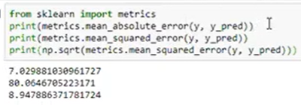
RMSE |  | Root mean Squared Error |  |  |  | MAPE |  | Mean Absolute Percent Error

 |  |  |  |  |  |  |  |  |  |  |  | MAPE
Y | Y_Pred | Error | Sq-Error |  |  | Y | Y_Pred | Error | Pert_error | abs per_error |  | MSE
19 | 59 | -40 | 1600 |  |  | 19 | 59 | -40 | -0.4 | 0.4 |  | RMSE
66 | 75 | -9 | 81 |  |  | 66 | 75 | -9 | -0.09 | 0.09
100 | 69 | 31 | 961 |  |  | 100 | 69 | 31 | 0.31 | 0.31
59 | 91 | -32 | 1024 |  |  | 59 | 91 | -32 | -0.32 | 0.32
78 | 56 | 22 | 484 |  |  | 78 | 56 | 22 | 0.22 | 0.22
98 | 87 | 11 | 121 |  |  | 98 | 87 | 11 | 0.11 | 0.11

 |  | MSE | 711.83333333 |  |  |  |  |  | MAPE | 24%
 |  | RMSE | 26.680204897

Classification Error Metrics

Confusion Matrix ?
 |  |  |  |  |  | actual | predicted
 | True Positive |  | When a case was positive and predicted postive |  |  | 1 | 1 |  | 15
 | True Negative |  | When a case was negative and predicted negative |  |  | 0 | 0 |  | 10
 | False Positive |  | when a case was negative but predicted positive |  |  | 0 | 1 |  | 2
 | False Negative |  | when a case was postive but predicted negative |  |  | 1 | 0 |  | 1

 | Precision |  | What percent of your prediction were correct? |  |  | Excatness of model

 |  |  | Precision is the ability of a model not to label an instance positive that is actually negative

 |  | Precision |  | TP / (TP +FP) |  |  |  |  | 88%

 | Recall |  | What percent of the positive cases did the model catch |  |  | (Completeness of the model)

 |  | Recall |  | TP/(TP +FN) |  |  |  |  | 94%

 | Accuracy |  | % of correct prediction

 |  | Accuracy |  | (TP + TN)/(TP+FN+FP+TN) | correct prediction/ Total predictions

Ensemble
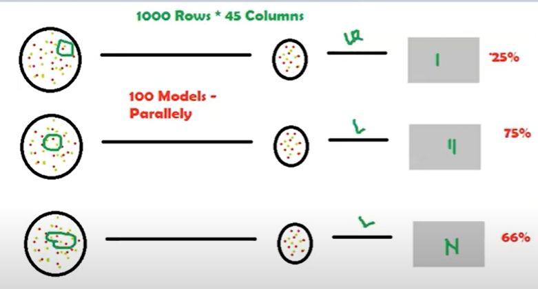
Bagging & Boosting
 |  |  |  |  |  |  | Boosting is slightly different from Bagging
Ensemble Techniques/ Mechanism |  | Random Sampling - Random selection of rows * column
 |  | Random Sampling With Replacement | this will allow duplicated - data present in model 1 can be in model 2
One model will give you higher error - Ensemble technique use the method of combing multiple weak learner to achieve a strong learner |  | Random Sampling Without Replacement | this will not allow duplication- data present in model 1 cannot be present in model 2 |  |  |  | one feature can be contributing more vs the other model .. Boosting will build the model and identify the important feature and assign weights to it
 |  |  |  |  |  |  | for example In out example it will assign 85% to red and 15% to red… and then it will feed this into the next model so more red variable will be picked
 | Marks |  |  |  |  |  | for the next model - this wil be a sqeuential execution. This will learn pattern from jey features and not from all the features
S1 | 100
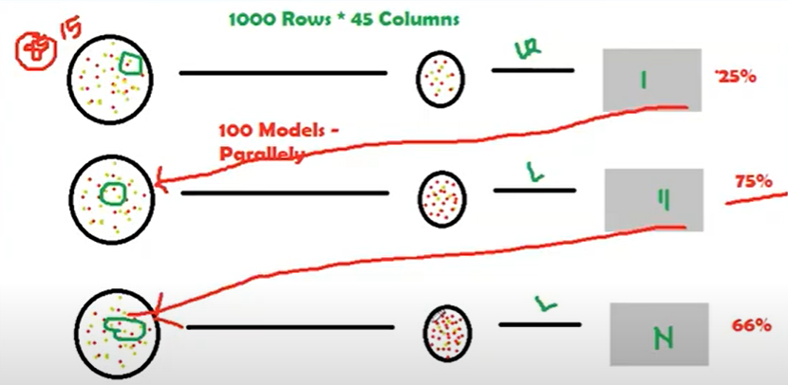
S2 | 75 |  |  |  | Regression | Classification
S3 | 85 |  |  | Model # | R2 Score | Classes
S4 | 60 | output of bagging and boosting is aggregates output |  | 1 | 90% | 0
 | 80 | Numerical aggregation will be mean |  | 2 | 47% | 1
 |  | Categorical aggregation will be mode |  | 3 | 43% | 1
Here we will follow the method called Random Sampling - this is nothing but random selection of rows and columns |  |  |  | 4 | 34% | 1
 |  |  |  | 5 | 14% | 0
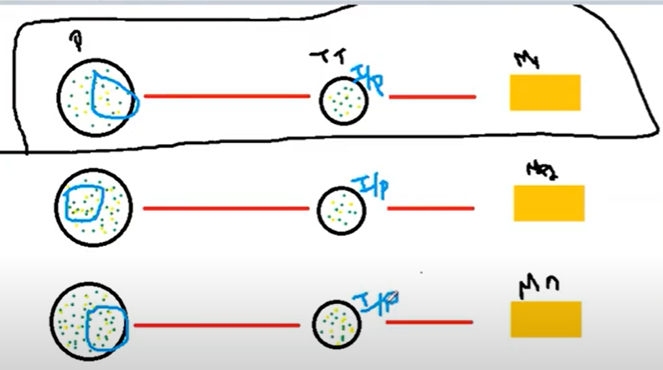
 |  |  |  | 6 | 15% | 1
 |  |  |  | 7 | 59% | 0
 |  |  |  | 8 | 90% | 0
 |  |  |  | 9 | 67% | 1
 |  |  |  | 10 | 61% | 0
 |  |  |  |  | 52%

 |  | In Baggin all the models will run parallely - no relationship between two models

K Means_1
Unsupervised Learning |  | K - Number of Groups |  | Iterative algorithm
 |  | Means - Average value of groups |  | Centroid based algorithmn
Linear Regression |  | Less Human intervention
Logistic Regression
K Means
Hierarchical Clustering |  | Step 1: | Choosing the K -value > Elbow curve |  |  |  |  | * Equal number of data point will be assigned to each observation
 |  | Step 2: | Random selection of Centroids |  | Centroids | Group Heads
 | RANDBETWEEN(10,100)+RAND() | Step 3: | Assigning Datapoints to the centroids
 | 51.059568481 | Step 4: | Re-assign the centroids & follow step 2 in a loop |  |  |  |  | C1 | C2 | C3
 | 19.672992706 |  |  |  |  |  |  | 93.682098191 | 58.985339616 | 24.961309164
 | 41.652916553
 | 68.106322228 |  |  |  |  |  | 80
 | 52.251060708 |  |  |  |  |  | 35
 | 14.729108769
 | 20.788752908
 | 89.960875806
 | 93.682098191
 | 80.389927346
 | 42.050150461
 | 13.322978189
 | 84.45374104
 | 58.133310355
 | 89.065804581
 | 90.951543072
 | 91.095237584
 | 58.319021699
 | 43.256857229
 | 32.797490343
 | 33.54407053
 | 84.149751526
 | 19.342046773
 | 74.995251269
 | 50.892821987
 | 100.79566636
 | 53.590521618
 | 58.985339616
 | 92.038611313
 | 11.77505481
 | 33.018761605
 | 20.217220941
 | 17.602699234
 | 60.800002399
 | 88.004813036
 | 43.088480483
 | 19.445270608
 | 31.392378433
 | 55.78356416
 | 77.344288909
 | 93.257239058
 | 54.006103119
 | 24.961309164

K Mean_2
 |  |  |  |  | means | average
 |  | K = 2
 |  | Centroids

A | B | C1 | C2
5 | 3 | 5,3 | 10,15 | Iteration 1
10 | 15 | 1 | 9
15 | 12
24 | 10 | C1 | C2 | iterationn 2
30 | 45 | 5,3 | 48,50
85 | 70
71 | 80
60 | 78 | C1 | C2 | iteration 3
55 | 52 | 13,10 | 63.5,69.33
80 | 91
 |  | c1 | c2 | iteration 4
 |  | 16.8,17 | 70.2,74.2

430 | 453 | c1 | c2 | iteration 5
47.777777778 | 50.333333333 | 16.8,17 | 70.2,74.2

54 | 40
13.5 | 10

381 | 416
63.5 | 69.333333333 |  |  |  |  |  | Iteration 1 & 2 | Iteration 3 | Iteration 4

Cross_Validation
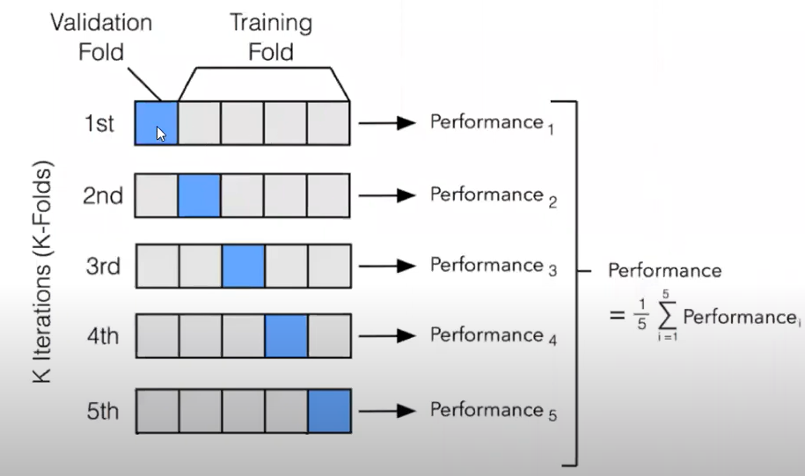
Hyper Parameter Optimization |  |  | A | B | Target
 |  |  | 49 | 96 | 32 |  |  |  |  |  |  | n-1 with regards to K fold
Cross Validation |  |  | 60 | 162 | 53 | Set1 | A | B | Target
Splitting data into multiple chunks for evalation all the chances of target |  |  | 20 | 152 | 150 | Train Set | 60 | 162 | 53 | Train Test Split
 |  |  | 84 | 40 | 172 | Test Set | 84 | 40 | 172 | Accuracy | 45
 |  |  | 174 | 117 | 63
 |  |  | 70 | 156 | 101 | Set2 | A | B | Target
 |  |  |  |  |  | Train Set | 174 | 117 | 63 | Train Test Split
 |  |  |  |  |  | Test Set | 49 | 96 | 32 | Accuracy | 55

 |  |  | Kfold cross validation |  |  | Set3 | A | B | Target
 |  |  |  |  |  | Train Set | 20 | 152 | 150 | Train Test Split
 |  |  |  |  |  | Test Set | 70 | 156 | 101 | Accuracy | 95
 |  |  | K = 3
 | 100 rows |  |  |  |  | Here we cannot retrieve the sub set that model uses, it will be trashed

 | Train | Test
 | 80 | 20

 | do you think the model can capture al the patterns - No |  | KNN | nearest neighbors
 |  |  | K Mean | Number o flcusters

CRISP_DM
Data mining Implementation process

 | Data mining techniques must be reliable, repeatable by company individuals with little knowledge of data mining context
 | As a result, a cross industry standard process for data mining (CRISP-DM) was first introducet in 1990
 | from more that 300 organization

 | Data mining is described as a process of finding hidden precisios data by evaluating the huge quantity of information stored in data warehouses
 | using ML,AI and statistics

Business Understanding
Data Understanding
 |  |  | Business Understanding
 |  |  |  | Deteermine business objective
 |  |  |  | Access the situation
 |  |  |  | Produce project plan

Data Preparation

 |  |  | Data Understanding
 |  |  |  | Collect intial data
 |  |  |  | Describe data
 |  |  |  | Explore the data
Deployment
 |  |  |  | Verify data quality

Modelling
 |  |  | Data Preparation
 |  |  |  | This is where 90% of time will be utilized

Evaluation
 |  | DATA
 |  |  |  | Select data
 |  |  |  | clean data
 |  |  |  | construct data - feature engineering
 |  |  |  | integrate data
 |  |  |  | format data

 |  |  | Modelling
 |  |  |  | Select modelling technique
 |  |  |  | Generate test design
 |  |  |  | Build model
 |  |  |  | Access model

 |  |  | Evaluation
 |  |  |  | Evaluate the results
 |  |  |  | Review the results and process with business
 |  |  |  | Determine next steps

 |  |  | Deployement
 |  |  |  | Plan deployment
 |  |  |  | Plan monitoring and maintainence
 |  |  |  | Produce final report
 |  |  |  | Review project

Hyper_Parameter_Tuning
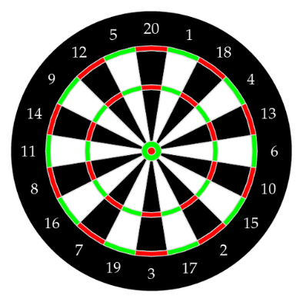
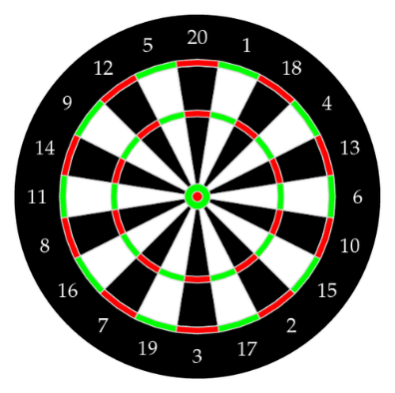
Linear Regression |  | Overfitting |  | Overfitting |  |  |  |  |  |  |  | Hyper parameter Tuning '
 | SLR | Underfitting
 | MLR | Just Right Fit |  | Lets say we want to predict if a student will land a job interview based on her resume |  |  |  |  |  |  |  |  | A hyperparameter is a parameter whose value is set before the learning process begings
Logistic Regression |  | Bias |  |  |  |  |  |  |  |  |  |  | Every machin learning model will have different hyperparameter that can be set
K Nearest Neighbors |  | Variance |  | Train a model of dataset of 10,000 resumes and their outcomes
Decision Tree |  | Bias variance Trade off
Random Forest |  | K fold Cross validation |  | Next we try the model out on original dataset and it predicts outcomes with 99% accuracy .. WOW !!
K Means |  | Hyper Parameter tuning
Naïve Bayes |  |  |  | But now come the bad news |  |  |  |  |  |  |  |  |  |  |  |  |  | Model Selection

 |  |  |  | When we run the model on new("unseen") data set of resume we only get 50% accuracy .. Bad news
Hyper Parameter Tuning
 |  |  |  | Our model doesn’t generalize well from our training data to unseen data |  |  |  |  |  |  |  |  |  |  |  |  | Review the
 |  |  |  |  |  |  |  |  |  |  |  |  |  |  |  |  | Parameters
 |  |  |  | This is called as overfitting, and it’s a common problem in ML and data science |  |  |  |  |  | data science | Signal
 |  |  |  |  |  |  |  |  |  | Ind vs pak | Noise

 |  |  |  |  |  |  |  |  |  |  |  |  |  |  |  |  | selectin right seraching method
 |  |  |  | Signal vs Noise

 |  |  |  | In predictive modeling you an think of signal as a true underlying patter that you wish to learn from the data
 |  |  |  |  |  |  |  |  |  |  |  |  |  |  |  | Apply cross validation
 |  |  |  | Noise on the other hand refers to the irrelavan information or randomess in a dataset

 |  |  |  | Noise interferes with signal

 |  |  |  | A well functioning ML algorithm will separate the signal from the noise

 |  |  |  | If the algorithm is too complex or flexble (eg it has to many input features or its not properly regularized) it can end up memorizin the noise instead of findin the signal
 |  |  |  |  |  |  |  |  |  |  |  | What are hyperparameters >? How to differ from a model parameter?
 |  |  |  | This overfit model will then make prediction based on that noise as well. It will perform well on training data and perform very poorly on the new, unseen data
 |  |  |  |  |  |  |  |  |  |  |  | AS we know there are parameters that are internally learned from the given dataset and derived from the dataset
 |  |  |  |  |  |  |  |  |  |  |  | they are represented in making prediction classification etc
 |  |  |  |  |  |  |  |  |  |  |  | these are call so called model parameters

 |  |  |  |  |  |  |  |  |  |  |  | Some set of parameters that re used to control the behaviour of the model/algorithm and adjustable in order to obtain
 |  |  |  |  |  |  |  |  |  |  |  | an improvised model with optimal performance is so called hyperparameters

 |  |  |  |  |  |  |  |  |  |  |  | 1 | Randomised Search CV
 |  |  |  |  |  |  |  |  |  |  |  | 2 | Grid Search CV

 |  |  |  |  |  |  |  |  |  |  |  |  | Grid Serach CV

 |  |  |  |  |  |  |  |  |  |  |  |  |  | In grid seach CV approach the ML model is evaluated for a range of hyperparameter values.
 |  |  |  |  |  |  |  |  |  |  |  |  |  | This approch is called Grid Serach CV, because it searches the best set of hyperparameter from the grid
 |  |  | Bias
 |  |  |  | Error between average model prediction and groud truth |  |  |  |  |  |  |  |  |  | Drawback | it will go through all the intermidiate combinations of hyperparameters which maked the grid search computaionally very expensive
 |  |  |  | The bias of the estimated function tells us the capacity of the underlying model to predict the values
 |  |  |  |  |  |  |  |  |  |  |  |  | Randomised Search SV
 |  |  | Variance |  |  |  |  |  |  |  |  |  |  | In this approach it solves drwaback of Grid search CV, as it goes through only a fixed number of hyperparameter setting.
 |  |  |  | Average varaibility in the model prediction fro the given data set |  |  |  |  |  |  |  |  |  | It moves within the grid in a random fashion to find the best set of hyperparameters.
 |  |  |  | The variance of the estimated function tell you how much the function can adjust to the change in the dataset

 |  |  | High Bias |  |  |  | High Variance
 |  |  |  | Overly simplified model |  |  |  | Overly -complex model
 |  |  |  | Underfitting |  |  |  | Over fitting
 |  |  |  | High error both test and training data |  |  |  | Low error on the training data and high error on the testing
 |  |  |  |  |  |  |  | Starts modelling the noise in the input

 |  |  | Bias Variance Trade off

 |  |  |  | If the algorithm is too simple then it may be on high bias and low variance condition and thus is error prone
 |  |  |  | If the algorithm fit too complex then it may be on high variance and low bias.
 |  |  |  | In the latter condition the new entries will not perform well
 |  |  |  | however there is somethin between both of these condition, know as trafe off or Bias Variance Trade Off

 |  |  | How do we prevent overfitting in machine learning ?

 |  |  | Detecting overfitting is useful, but it doesn’t solve the problem.
 |  |  | Fortunately we have sevareal option to try

 |  |  | Cross Validation

 |  |  | Cross validation is a powerfull preventive measure against overfitting.
 |  |  | the idea is simple and clever: use your initial data to generate multiple min train-test split
 |  |  | Use these splits to tune your model

 |  |  | K-fold Cross Validation
 |  |  | In K-fold cross validataion we partition the data in k subset, called folds.
 |  |  | Then, we iteratively train the algorithm on k-1 folds while using the remaing fodl as the rest set (called the holdout fold)

 |  |  | A | B | Target | Set 1 | A | B | Target
 |  |  | 49 | 96 | 32 | Train Set | 60 | 162 | 53
 |  |  | 60 | 162 | 53 | Test Set | 84 | 40 | 172
 |  |  | 20 | 152 | 150
 |  |  | 84 | 40 | 172 | Set2
 |  |  | 174 | 117 | 63 | Train Set | 174 | 117 | 63
 |  |  | 70 | 156 | 101 | Test Set | 49 | 96 | 32

 |  |  |  |  |  | Set 3
 |  |  | K =3 |  |  | Train Set | 20 | 152 | 150
 |  |  |  |  |  | Test Set | 70 | 156 | 101

 |  |  | Cross validation allows you to tune hyperparameters with only your original training set
 |  |  | This allows you to keep test set as a truly unseen dataset for selecting you final model

 |  |  | Train with more data
 |  |  |  | it wont work everytime, however training with more data can help algorithm detect the signal better

 |  |  | Remove features

PCA and LDA
PCA | Prinicple component Analysis |  |  |  | Dimensionality Reduction

 | Unsupervised learning algorithm used for Dimensionality reduction |  |  |  |  |  | Quite a few question pop up
 | it is statistical process that converts the observation of correlated featurs into a set of linearly uncorrelated feature with the help of orthogonal tranformation
 |  |  |  |  |  |  | A ) Why dimenstionality reduction ? What does it mean to reduce dimensionality ?
 | For ex | 10 columns |  | 10 dimension |  |  | B) How is linear algebra releated to dimentionality reduction?
 |  | 3 columns |  | 3 dimensions |  |  | C) Why do we need to do linear tranformation?
 |  |  |  |  |  |  | D) How are Eigne values and Eigen vectors related to dimensionality reduction
 |  |  |  |  |  |  | E) Could the be mutliple Eigen vectors dependent on the level of transformation?
 | Dimensionality |  | it is the number of feature or variable present in the given dataset |  |  |  | F) How are the objective of LDA and PCA different and how it leads to different set of Eigen vectors?
 | Correlation |  | it signifies that how strongly two variable are related |  |  |  | G) Is there more to PCA than what we have discussed ? Shall we choose all the Principal components
 | Orthogonal |  | It defines that varibale are not correlated to each other and hence correlation between the pai of variable is zero
 | Eigen vectors |  | If there is square matrix M, and a non zero vecotr v is given . Then v will be eigen vector if AV is the scalar multiple of v
 | Covariance Matrix |  | A matrix contaning the covariance between the pair of variable |  |  |  | A ) Why dimenstionality reduction ? What does it mean to reduce dimensionality ?

 |  |  |  |  |  |  |  | 1 with too many fetaures to execute , the performance od model becomes poor |  |  |  |  |  |  |  |  |  | 200 pages of noted encapsulated the content from the 1000 pages
 |  |  |  |  |  |  |  | 2 Many of variable sometimes do not add much values
 |  |  |  |  |  |  |  |  |  |  |  |  |  |  |  |  |  | 200 pages notes and you go write the exam still you should get 92 marks
 |  |  |  |  |  |  | Dimensionality reduction is way to reduce number of independent varaibales or fetures

 | Steps involved in PCA algorithm
 |  |  |  |  |  |  | Xa | Xb | Xc | Xd | Xe | Xf |  |  | X1 | X2
 | 1. Getting the dataset |  |  |  |  |  | # | # | # | # | # | # |  |  | # | # |  | X1 and X2 encapsulated the characteristic of Xa, Xb, Xc, Xd,Xe,Xf
 | 2. Represent data into a strucuture |  |  |  |  |  | # | # | # | # | # | # |  |  | # | #
 | 3. Standardizing the data |  |  |  |  |  | # | # | # | # | # | # |  |  | # | #
 | 4. Calculating the covariance of Z |  |  |  |  |  | # | # | # | # | # | # |  |  | # | #
 | 5. Calculating the eigen values and eigen vectors |  |  |  |  |  | # | # | # | # | # | # |  |  | # | #
 | 6. Soring the Eigen vectors |  |  |  |  |  | # | # | # | # | # | # |  |  | # | #
 | 7. calculating the new feature or principle components |  |  |  |  |  | # | # | # | # | # | # |  |  | # | #
 | 8. Remove less or unimportant features |  |  |  |  |  | # | # | # | # | # | # |  |  | # | #
 |  |  |  |  |  |  | # | # | # | # | # | # |  |  | # | #
 |  |  |  |  |  |  | # | # | # | # | # | # |  |  | # | #
 | Application
 |  | Comuter vision, image compression, Finance, pyschology, Data mining etc

 |  |  |  |  |  |  | B) How is linear algebra releated to dimentionality reduction?

 |  |  |  |  |  |  | One can think of feature as the dimension of the coordinate system

 |  |  |  |  |  | Exp | salary |  |  |  | Exp | Education | Salary |  |  |  | Exp | Education | marital | saalary

 |  |  |  |  |  |  |  |  |  |  |  |  |  |  |  |  |  |  |  |  |  | exp | education | marital | city | salary

 |  |  |  |  |  |  | the objective is to reduce the number of feature but it should note come at the cost of reducing the explainability of the model

 |  |  |  |  |  |  | Therefore the dimensionality should be reduced with the following constraint - "the relationships of the various variables in the dataset should not be significantly impacted

 |  |  |  |  |  |  | And this is where linear algebra pitched in .
 |  |  |  |  |  |  | In simple words linear algebra is away to look at any data point/vecotr in a cooridnate system from various lenses

 |  |  |  |  |  |  | Consider a coordinate system with point A (0,1) and B (1,0).
 |  |  |  |  |  |  | Now to visualise this data from a different lense we do the following changes

 |  |  |  |  |  |  | a) Rotate
 |  |  |  |  |  |  | b) Strech pr squish

 |  |  |  |  |  |  | A ) All lines remains lines. I.e lines are not changing into curves
 |  |  |  |  |  |  | B) Origin(0,0) remains the same
 |  |  |  |  |  |  | C) streching still keeps grid lines parallel and evenly spaced

 |  |  |  |  |  |  | These are the essense of linear algebra

 |  |  |  |  |  |  | It is important to understand that the above mentioned 3 characteritics, even when we are moving the vector to the new coordinate systme, the releationships between some special vectors wont change

 |  |  |  |  |  |  | C) Why do we need to do linear tranformation?

 |  |  |  |  |  |  |  | 1) seeing the data from a different lenses that could give us different insights.
 |  |  |  |  |  |  |  | 2) in these two different worlds there could be certain data poins whose characteristics relative position wont change.

 |  |  |  |  |  |  |  |  |  |  |  |  |  |  |  |  |  |  | Rotate
 |  |  |  |  |  |  |  |  |  |  |  |  |  |  |  |  |  |  | Strech

 |  |  |  |  |  |  |  |  |  |  |  |  |  |  |  |  |  |  |  |  | N |  | 4
 |  |  |  |  |  |  |  |  |  |  |  |  |  |  |  |  |  |  |  |  | N-1 or lesser |  | 3

 |  |  |  |  |  |  |  | Vector | Rotation | Length change
 |  |  |  |  |  |  |  | A | Yes | Yes |  |  | Even in the new coordinate, the direcions of vector C and vector D remained the same and only their length changed
 |  |  |  |  |  |  |  | B | Yes | Yes
 |  |  |  |  |  |  |  | C | No | Yes
 |  |  |  |  |  |  |  | D | No | Yes
 |  |  |  |  |  |  |  |  |  |  |  |  | If we manage to align all the vectors(most of the vectors) in thid 2 dimensional space to one of these vector(c or D) then we would be able to move
 |  |  |  |  |  |  |  |  |  |  |  |  | from 2 dimensional spave to a stragight line which is one dimensional space

 |  |  |  |  |  |  |  |  |  |  |  |  | Note :
 |  |  |  |  |  |  |  |  |  |  |  |  |  | for the points which are not on the line, their projections on the line are taken

 |  |  |  |  |  |  |  | D) How are Eigne values and Eigen vectors related to dimensionality reduction

 |  |  |  |  |  |  |  |  | These vectors C&D for which the rotational characteristic don’t change are called Eigen vectors
 |  |  |  |  |  |  |  |  | and the amount by which these gets scaled are called eigen values

 |  |  |  |  |  |  |  |  | Eigen value |  | C | 3 |  | vector as increased 3 times its original size
 |  |  |  |  |  |  |  |  |  |  | D | 2

 |  |  |  |  |  |  | In nutshell If we can define a way to find eigen vectors and then project our data element on this vector
 |  |  |  |  |  |  | we would achieve dimensionality reduction

 |  |  |  |  |  |  | E) Could the be mutliple Eigen vectors dependent on the level of transformation?

 |  |  |  |  |  |  |  | Yes

 |  |  |  |  |  |  | F) How are the objective of LDA and PCA different and how it leads to different set of Eigen vectors?

 |  |  |  |  |  |  |  | For PCA (Principle component analysis) the objective is to endure that we capture the variability of our independent variables to the extenent

 |  |  |  |  |  |  | The measure of variability of multiple values together is capured using the covariance matrix
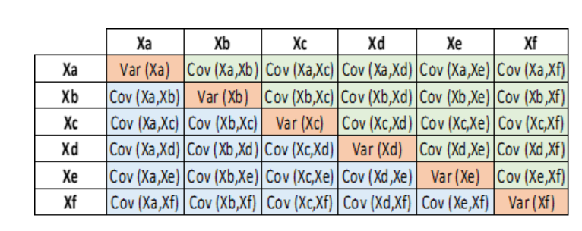

 |  |  |  |  |  |  | So this would be the matric on which we would calculate our eigen vectors

 |  |  |  |  |  |  | On the other hand, Linear Discrimant Analysis (LDA) tried to solve supervised classification problem, whereni th objective is not to understand variability of the data, but to mazimise the seperation know categories
 |  |  |  |  |  |  | IN LDA the covariance matrix is substituted by a scatter matrix which captures the characterictics between class and within class

 |  |  |  |  |  |  | G) Is there more to PCA than what we have discussed ? Shall we choose all the Principal components

 |  |  |  |  |  |  |  | Xa | Xb | Xc | Xd | Xe | Xf
 |  |  |  |  |  |  |  | # | # | # | # | # | #
 |  |  |  |  |  |  |  | # | # | # | # | # | #
 |  |  |  |  |  |  |  | # | # | # | # | # | #
 |  |  |  |  |  |  |  | # | # | # | # | # | #
 |  |  |  |  |  |  |  | # | # | # | # | # | #
 |  |  |  |  |  |  |  | # | # | # | # | # | #
 |  |  |  |  |  |  |  | # | # | # | # | # | #
 |  |  |  |  |  |  |  | # | # | # | # | # | #
 |  |  |  |  |  |  |  | # | # | # | # | # | #
 |  |  |  |  |  |  |  | # | # | # | # | # | #

 |  |  |  |  |  |  | 1. Identify eigen vector
 |  |  |  |  |  |  | 2. build the covariance matix

 |  |  |  |  |  |  | Why are Eigne vectors perpendicular ?

 |  |  |  |  |  |  |  | If we use covariance matrix or scatter matix it is symmentrical on the diagnol, then eigenvecotrs are real numbers and perpendiclae (orthogonal)

 |  |  |  |  |  |  |  | the way convers any matrix into a symmetrical one is to multiply the matrix by it transpore

 |  |  |  |  |  |  |  | Once we have the eitden vectors from the above equation we can project the data ponts on these 2 vectos EV1 and EV2

