Sheet2
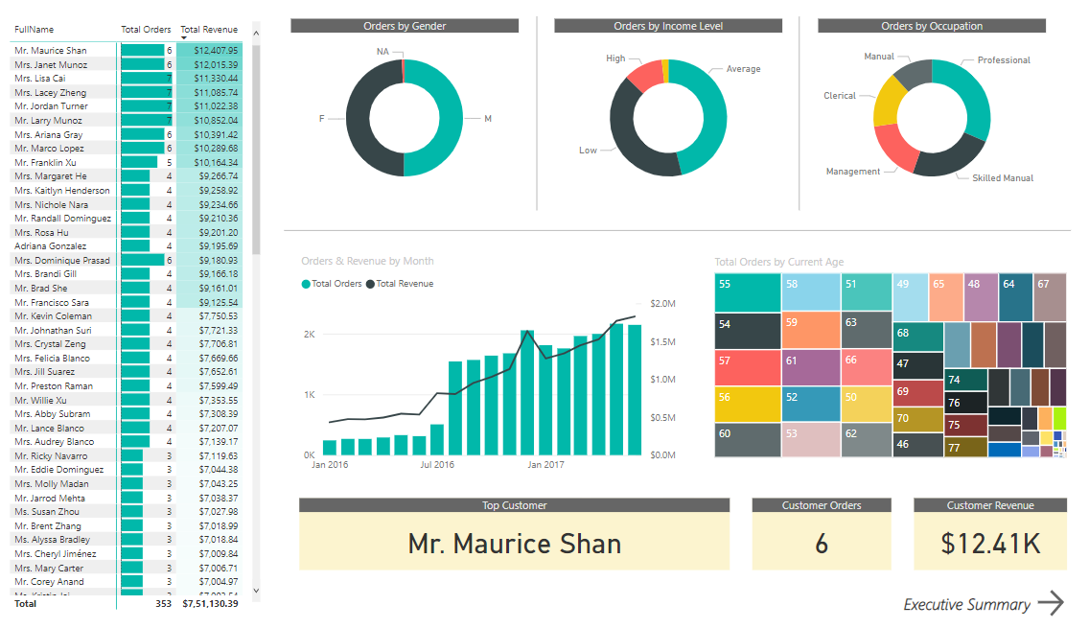
 |  | Advanced version of excel |  |  |  | What is Business Intelligence ?
 |  | Visualization tool
 |  | can use for large data set |  |  |  |  | Help In collection, integration, analysis and presentation of business information
 |  | Easy to share |  |  |  |  | The purpose of BI is to enable stakeholders make better business decisions
 |  | analyse data
 |  | mutliple data set
 |  |  |  |  |  | Stages of Business intelligence

 |  |  |  |  | Collection
 |  |  |  |  |  | Data is collected either from the existing sources such as ERP data, company data etc or externally through poll, form and others

 |  |  |  |  | Data Cleansing/ Data maipulation phase
 |  |  |  |  |  | identify irrelavant parts of data and modifying deleting or replacing the raw data

 |  |  |  |  | Report/Vizualization
 |  |  |  |  |  | Graphical representation of data using visual elements such as charts, graphs, tables etc

 |  |  |  |  | Decision Making/ Prediction
 |  |  |  |  |  | The last stage in making business decisoin and monitoring and predicting business trends on the reports developed

 |  |  |  |  | BI Use Case |  | BI is everywhere

 |  |  |  |  |  | Perfomance Management
 |  |  |  |  |  | Financial Analysis
 |  |  |  |  |  | Education
 |  |  |  |  |  | Sports

 |  |  |  |  | Qlik
 |  |  |  |  | Power BI
 |  |  |  |  | Tableau
 |  |  |  |  | Zoho Analytics
 |  |  |  |  | Microstrategy
 |  |  |  |  | SAP
 |  |  |  |  | SAS
 |  |  |  |  | Saleforce
 |  |  |  |  | IBM
 |  |  |  |  | LOGI anlytics
 |  |  |  |  | yellofin
 |  |  |  |  | Board international

 |  |  |  | Why Power BI

 |  |  |  | Affordability
 |  |  |  | Real time data can be processed
 |  |  |  | Custom viz
 |  |  |  | Publish the report online on power bi server or on cloud

 |  |  |  |  | Power Bi Free |  | Power BI PRO |  |  | Power Bi Premium

 |  |  |  |  |  |  | $ 10 /montj
 |  |  |  |  | 10 GB |  | 10 GB |  |  | 100 TB

 |  |  | Power BI is a business intelligence platform, which provides tools for aggregratin , analysing viz and sharing data

 | Connect to Dat Source |  |  | Data connectors
 |  |  |  | SAAS connection
 |  |  |  | Online serivce
 |  |  |  | Azure data sources
 |  |  |  | File connector

 | Transforming data into a mode
 |  |  |  | Power query editor in power bi desktop helps us to transform the data into a model

 |  |  |  | Group by
 |  |  |  | Transpose
 |  |  |  | Merge
 |  |  |  | Fill
 |  |  |  | Pivot
 |  |  |  | unpivot
 |  |  |  | DAX queries
 |  |  |  | Text specific
 |  |  |  | Number specific

 | Vizualization
 |  |  |  | Charts
 |  |  |  | Cards
 |  |  |  | Maps
 |  |  |  | Tables
 |  |  |  | Trees

 | Report view
 |  | This is main workspace where we add report items, such as bar, charts, maps, pie chart etc and display data using these report items

 | Data View
 |  | The data view is used to see imported datasets, in addition to shaping the data using transformation and DAX queries

 | Model View
 |  | helps to build relationships features and we can also create relationships manually and set relationship properties.

 | Data Sources in Power BI |  |  |  | wide choices of sources to import data - includes database, file, Azure and SAAS connector

 |  | Database connectors |  |  | MySQL
 |  |  |  |  | SQL SERVER
 |  |  |  |  | Oracle
 |  |  |  |  | Teradata
 |  |  |  |  | IBM Db2
 |  |  |  |  | Redshift

 |  | File connector |  |  | CSV |  | using file connectors you either import a single file or a folder to select multiple files.
 |  |  |  |  | MS Excel
 |  |  |  |  | XML
 |  |  |  |  | JSON
 |  |  |  |  | TEXT

 |  | Azure |  |  | Azure Data warehoure |  |  |  |  |  | AWS | 37%
 |  |  |  |  | Blob Stoag |  |  |  |  |  | Azure | 22%
 |  |  |  |  | Total Storage |  |  |  |  |  | GCP | 10%
 |  |  |  |  | SQL Database
 |  |  |  |  |  |  |  |  |  |  | Net app
 |  | SAAS connectors |  |  | Salesforce |  |  |  |  |  | Pure storage
 |  |  |  |  | Google analytics
 |  |  |  |  | Facebook
 |  |  |  |  | Github
 |  |  |  |  | Quickbooks online

Connecting and Shaping data

 |  |  |  | Tex Specific tools

 |  |  |  | Split a columns |  | using a delimiter |  |  |  |  | Length
 |  |  |  |  |  | By number of characters |  |  |  |  | First char
 |  |  |  |  |  |  |  |  |  |  | Last Char
 |  |  |  |  |  |  |  |  |  |  | Range
 |  |  |  | Format |  | Lower |  |  |  |  | Text before delimiter
 |  |  |  |  |  | Upper |  |  |  |  | Text after delimter
 |  |  |  |  |  | capitalize each word |  |  |  |  | Text between delimiter
 |  |  |  |  |  | Trim
 |  |  |  |  |  | Clean
 |  |  |  |  |  | Add Prefix
 |  |  |  |  |  | Add suffix

 | You can access many of these tools in both the "Transform" and "Add column" tab
 | The difference is whether you want to add a new column or modify an existing one

 | Number specific tools

 | Sum |  |  | Add |  |  | Absolute value |  |  | Sin |  | is even
 | Minimum |  |  | Multiply |  |  | Power |  |  | Cosine |  | is odd
 | Max |  |  | Sub |  |  | Square root |  |  | Tangent
 | Average |  |  | Div |  |  | Exponent
 | STD Deviation |  |  | Integer-Divide |  |  | Logarithm |  |  |  |  | Informtion function
 | Count Valves |  |  | Percentage |  |  | Factorial |  |  |  |  | tools alow you to define binary flags(true/ flase or 1/0) to mark each row sin a columns
 | count distinct values |  |  | Percentage of

 | Standard ,scientific and Trignometry tools allows you to apply standard operations

 | Statistic function - thee tools return a single value,
 | and are commonlyused to explore a table rather than prepare it for loaing

 | Standard, scientific & trignometric - these tools are applied to each individual row

 | Date Specific tools

 |  | Relatively straight-forward and inlcude the following options

 |  | Year/Quarter/Month/Week/day
 |  | Age | Difference between the current date
 |  | Earliest/Latest |  | Evaluated the earliest or latest date from a columns as a single value

 |  | Note : you will almost always want to perform these operation from add column menu to built out new fields rather than transforming an individual data/time columns

 | Index Columns and conditional Columns

 |  | Index columns contains a list of sequential vaues can be used to identify unique row in a table (index typically starts from 0 or 1)

 |  | Conditional columns allow you to define new fields based on logical rules and conditons(if/then statements)

 |  |  |  |  |  |  |  |  |  | month | Sales
 | Grouping & Aggregarting Data |  |  |  |  |  |  |  |  | Nov | 781
 |  |  |  |  |  |  |  |  |  | Dec | 803
 |  | Groupy by allows you to aggregate your data at a different level

 |  |  | date | month | City | Sales |  |  |  | month | City | Sales
 |  |  | 1 | Nov | Bangalore | 157 |  |  |  | Nov | Bangalore | 781
 |  |  | 2 | Nov | Bangalore | 134 |  |  |  | Dec | Bangalore | 515
 |  |  | 3 | Nov | Bangalore | 182 |  |  |  | Dec | Chennai | 288
 |  |  | 4 | Nov | Bangalore | 161
 |  |  | 5 | Nov | Bangalore | 147
 |  |  | 1 | Dec | Bangalore | 184
 |  |  | 2 | Dec | Bangalore | 140
 |  |  | 3 | Dec | Chennai | 104
 |  |  | 4 | Dec | Chennai | 184
 |  |  | 5 | Dec | Bangalore | 191

 | Pivot & Unpivoting

 |  |  | Pivot is fancy way to describe the process of turning distinct rows values to column
 |  |  | Unpivot turns columns to rows

 |  |  |  |  |  |  |  | 1994 | 1995 | 1996 | 1997 | 1998
 |  |  |  |  |  |  |  | 10723 | 18736 | 10702 | 13602 | 10898

 |  |  | year | unit sales
 |  |  | 1994 | 10723
 |  |  | 1995 | 18736
 |  |  | 1996 | 10702
 |  |  | 1997 | 13602
 |  |  | 1998 | 10898

 |  |  | Note : Transpose works very similar to pivot , but it doesn’t recognize unique values, instead the entire tables I tranformed so that each row beacomes a column and vice versa

 | Merging Queries
 |  |  | Merging queries allows you to join tables based on a common column(like vlookup)
 |  |  | Merge queries add columns to existing tables

 |  |  |  | Table 1 |  |  |  |  |  | Table 2

 |  |  |  | Order # | Product Key | Sales |  |  |  | Product_key | Prduct name | color
 |  |  |  | 1 | 201 | 100 |  |  |  | 201 | aaa | black
 |  |  |  | 2 | 203 | 200 |  |  |  | 202 | bbb | green
 |  |  |  | 3 | 205 | 300 |  |  |  | 203 | hhh | white
 |  |  |  |  |  |  |  |  |  | 204 | rrr | red
 |  |  |  |  |  |  |  |  |  | 205 | yyy | purple

 |  |  |  |  |  | Order # | Product Key | Sales | Prduct name | color
 |  |  |  |  |  | 1 | 201 | 100 | aaa | black
 |  |  |  |  |  | 2 | 203 | 200 | hhh | white
 |  |  |  |  |  | 3 | 205 | 300 | yyy | purple

 |  |  | Just because you can merge tables doesn’t mean you should use this option
 |  |  | In general it is always better to keep tables separate and define relationships between them

 | Appending Queries

 |  | Appending queires allows you to combine (or stack) tables that share the exact same column structure and data types

 |  | Appending adds rows to an existing table |  |  |  |  | Sames number of column/in the same order/ and same data type

 |  | A | B | C | D
 |  |  |  |  |  |  |  |  |  |  | A | B | C | D

 |  | B | A | C | D |  |  |  |  |  | A | B | C | E

 |  | A | B | C | D |  |  |  |  |  | A | B | C | D

 |  | A | B | C |  |  |  |  |  |  | A | B | C | D

 |  | Name | City | country | sales |  |  |  |  |  | Name | City | country | sales

 |  | city | name | country | sales |  |  |  |  |  | Name | City | country | sales

 | Tip to append queries
 |  | Use folder option to append all files within a folder as you add new files , simply refresh the query and they will automatically append

Data Source Setting
 | The Data soruce setting in the query editor allow you to manage data connection and permissions

Modifying Queries

 | You can modify queries from the edit query window .. And you can add/delete steps from the applies steps pane

Refresh Queries

 | By default , all queries in the report will refresh when you hit the refresh button
 | However from the query editor uncheck "Include in report Refresh" to exclude individula queries from the refresh

Defining Data Categories

 |  |  |  |  |  |  | Hierarchies are groups of nested columns that reflect multiple level of granularity

 |  |  |  |  |  |  | Ex : geography hierarchy will include Continent > country > state > district > area > cross

 |  |  |  |  |  |  | Each hierarchy can be treated as a single item in tables and can be used to drill up or drill down

 | Best Practices :

 |  | Get yourself organized before loading the date into powerbi
 |  |  | > define clear and intuitve table name (no space!) from the start
 |  |  | > Establish a file/ folder struture that makes sense from start to avoid modify data source settings

 |  | Disabling report refresh for any static sources

 |  | When working with large table only load the data you need

Creating Data Model

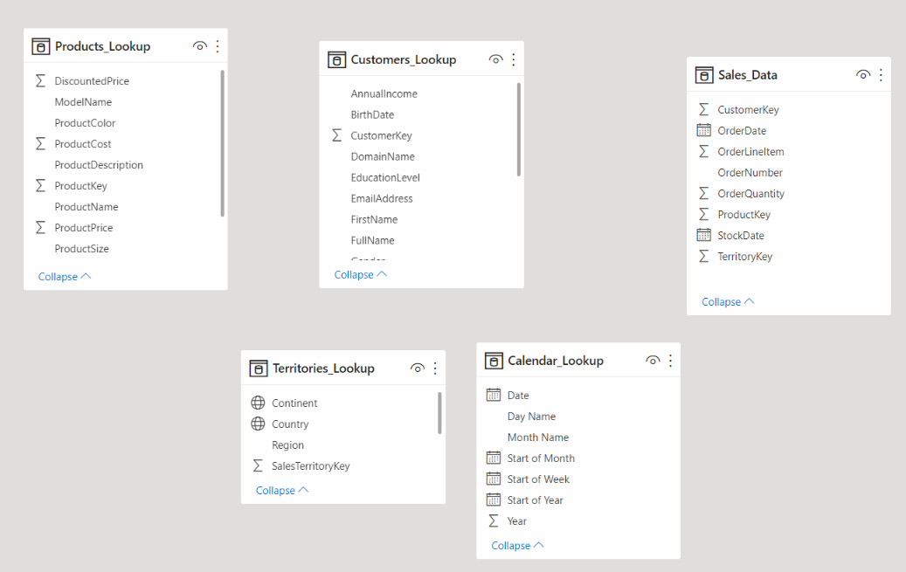

 |  |  |  |  |  |  |  | This is Not a data model

 |  |  |  |  |  |  |  |  | this is just a collection of independent table which do not share any connections or relationships

 |  |  |  |  |  |  |  | This is called as a data model

 |  |  |  |  |  |  |  |  | The table are connected via relationships based on a common key

Normalization
 |  |  |  |  |  |  |  |  |  |  |  |  |  |  |  |  | Relationship vs Merged Tables
 | Normalization is the process of organizing the tables and columns in a relational data based to reduce redundany

 | Primary key |  | Unikey values in a column and will be non null |  |  |  |  |  |  | Table 2
 | Foreign Key |  | The primary of another table |  |  |  |  |  |  | Date | Year | Weekday | quarter |  | Date | Product ID | Quanity | Date | Year | Weekday | quarter | product id | product_name
 |  |  |  |  |  |  |  |  |  | 2005-05-01 | 2005 | 1 | Q1
 |  |  |  |  |  | Table 1 |  |  |  | 2005-06-01 | 2005 | 4 | Q1 |  |  |  |  |  |  |  |  |  |  | Employee personal details
 | Employee Id | Name |  |  |  | Date | Product ID | Quanity |  | 2005-07-01 | 2005 | 6 | Q1
 | 102 | Rob |  |  |  | 2005-05-01 | 1 | 11 |  | 2005-08-01 | 2005 | 2 | Q1 |  |  |  |  |  |  |  |  |  |  | ID | Name | Age | Gender | Email id | address
 | 103 | Mike |  |  |  | 2005-05-01 | 2 | 12 |  | 2005-09-01 | 2005 | 5 | Q1
 | 104 | Mike |  |  |  | 2005-05-01 | 2 | 10 |  | 2005-10-01 | 2005 | 7 | Q1
 | 105 | Cheryl |  |  |  | 2005-05-01 | 3 | 20 |  | 2005-11-01 | 2005 | 3 | Q1
 |  |  |  |  |  | 2005-05-01 | 3 | 17 |  |  |  |  |  |  |  |  |  |  |  |  |  |  |  | Employee monthly salay / bonus
 |  |  |  |  |  | 2005-05-01 | 3 | 10 |  | Table 3
 |  |  |  |  |  | 2005-05-01 | 4 | 13 |  | product id | product_name |  |  |  |  |  |  |  |  |  |  |  |  | ID | month | Salary | bous
 |  |  |  |  |  | 2005-05-01 | 4 | 20 |  | 1 | Mango juice |  |  |  |  |  |  |  |  |  |  |  |  | 1 | Jan | 1 | 1.5
 |  |  |  |  |  | 2005-05-01 | 4 | 19 |  | 2 | Strawberry Juice |  |  |  |  |  |  |  |  |  |  |  |  | 1 | feb | 1.5 | 1
 |  |  |  |  |  | 2005-05-01 | 4 | 19 |  | 3 | chocolate |  |  |  |  |  |  |  |  |  |  |  |  | 1 | Mar | 2 | 3
 |  |  |  |  |  |  |  |  |  | 4 | Moisturizer
 |  |  |  |  |  |  |  |  |  | 5 | Curd
 |  |  |  |  |  |  |  |  |  | 6 | Chips

 | Fact Table/ Data Tables contain number of values, typicallu at granular level with ID or key columns that can be used to creat table relationship

 | Lookup table provide descriptive often text based attributes about each dimension in a table

Creating a snowflake Schema
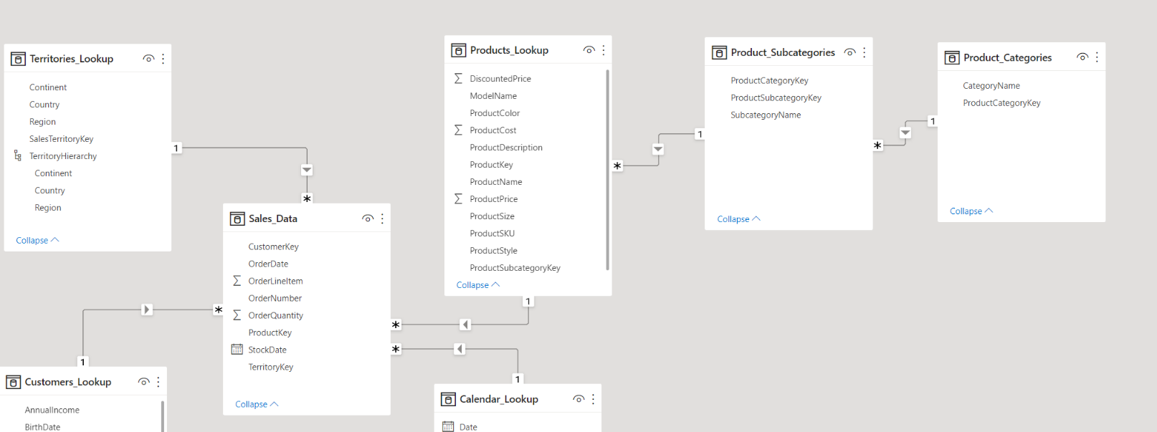

 |  | The sales_data table can connect to products using productkey, but cannot connect directly to subcategroies or categories tables because matching column is not present

 |  | However by creating relationship from prodcuts to subcategories and subcategories to categoris we have essentially connected sales table to product categories table

 |  | and this chain of connection is caled as snowflake schema

 |  | Star schema will usually have individual look tables surrounding a central data table

Managing and Editing Relationship

 | go to manager relationship window select edit relation and change the common column

Active vs Inactive Relationship

 | > There could be only one active relationship between two table at any point of time.
 | > In order to toggle between relationships ( active and inactive ) go to manager relationships view and make the other connection as active

Relationship Cardinality
 |  |  |  |  |  |  |  |  |  |  |  | Product Lookup table |  |  |  |  |  | Sales tables
 |  | Cardinality refers to the uniqueness of values in a column
 |  | For our purpose all relationships in the data model should follow one to many cardinality |  |  |  |  |  |  |  |  |  | product id | product color |  |  |  | product id | order quantity | amount
 |  | One instance of each primary key but potentially many instance of each foreign key |  |  |  |  |  |  |  |  |  | 1 | black |  |  |  | 1 | 5 | 500
 |  |  |  |  |  |  |  |  |  |  |  | 2 | white |  |  |  | 1 | 6 | 600
 |  |  |  |  |  |  |  |  |  |  |  | 3 | grey |  |  |  | 1 | 7 | 700
 |  |  |  |  |  |  |  |  |  |  |  | 4 | blue |  |  |  | 2 | 8 | 800
 |  |  |  |  |  |  |  |  |  |  |  | 5 | geen |  |  |  | 3 | 9 | 900
 |  |  |  |  |  |  |  |  | One to Many |  |  |  |  |  |  |  | 3 | 5 | 500

 |  |  |  |  |  |  |  |  | Many to Many
 |  |  |  |  |  |  |  |  |  |  |  |  | Product id | prod name |  |  |  | date | product_id
 |  |  |  |  |  |  |  |  |  |  |  |  | 5 | coke |  |  |  | 2022-01-01 | 5
 |  |  |  |  |  |  |  |  |  |  |  |  | 5 | coke_diet |  |  |  | 2022-02-01 | 5
 |  |  |  |  |  |  |  |  |  |  |  |  | 6 | pepsi |  |  |  | 2022-03-01 | 5
 |  |  |  |  |  |  |  |  |  |  |  |  | 8 | fanta |  |  |  | 2022-04-01 | 6
 |  |  |  |  |  |  |  |  |  |  |  |  | 9 | thumbsup |  |  |  | 2022-05-01 | 8

 |  |  |  |  |  |  |  |  | One to One
 |  |  |  |  |  |  |  |  |  |  |  |  | Product id | product name |  |  |  | product id | price
 |  |  |  |  |  |  |  |  | this is not illegal it is just inefficient |  |  |  | 1 | coke_diet |  |  |  | 1 | 40
 |  |  |  |  |  |  |  |  |  |  |  |  | 2 | pepsi |  |  |  | 2 | 45
 |  |  |  |  |  |  |  |  | instead of this please use merge table option |  |  |  | 3 | fanta |  |  |  | 3 | 50
 |  |  |  |  |  |  |  |  |  |  |  |  | 4 | thumbsup |  |  |  | 4 | 55
 |  |  |  |  |  |  |  |  |  |  |  |  | 5 | mountain dew |  |  |  | 5 | 60

Filter Flow

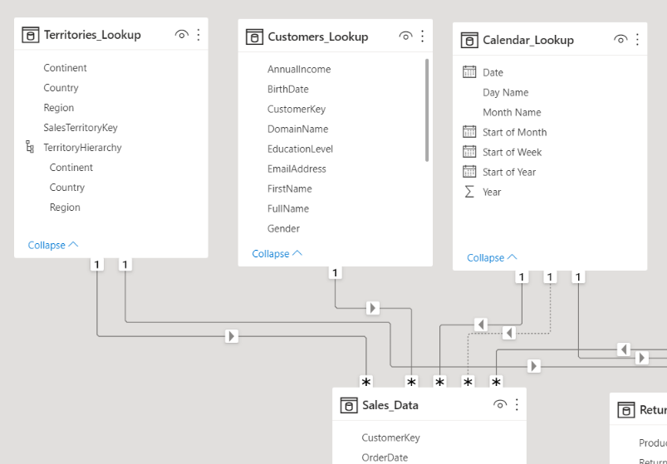

 |  |  |  |  |  |  |  | notice the direction of the arrow mark … by default these point will flow from one (lookups) side of the relationship
 |  |  |  |  |  |  |  | to the many(data table) side of the data

 |  |  |  |  |  |  |  | When you filter a table that filter context is passed along the related downstream tables following the
 |  |  |  |  |  |  |  | direction of the arrow

 |  |  |  |  |  |  |  | note : filter cannot flow upstream

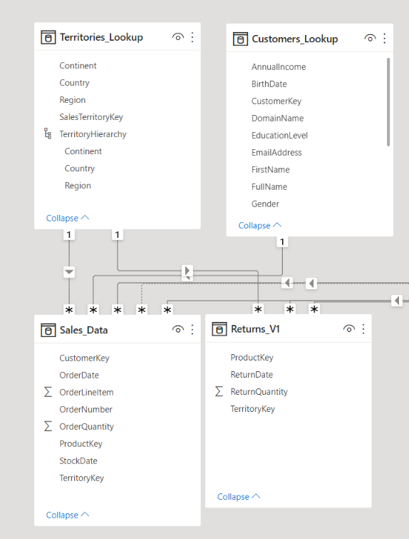

 |  |  | Sales Table | Territory table |  | If you try to use multiple two filters in a more complex model you run into the risk of creation ambiguous relationship
 |  |  | 1 | 1 |  | by introducing multiple filter paths between tables
 |  |  | 2 | 4
 |  |  | 3 | 5
 |  |  | 4 | 6
 |  |  | 5 | 7
 |  |  | 6 | 8
 |  |  | 7 | 9
 |  |  | 8 | 10
 |  |  | 9
 |  |  | 10

 |  | tip : Design your models with one way filter and always have one to many relationships

Hide fields from report view

Best Practices

 | > Focus on building a normalized model from start
 |  | Make sure that each table serves a particular purpose
 |  | use relationship vs merged tabes; long & narrow table are better than short & wide

 | > Organize lookup table above the data tables in the diagram view. Reminds you that filter flows from upstream to downstram

 | > Avoid complex cross-filter
 |  | Don’t use two way filters when one filter will solve most of your problems

 | > hide fields from report view to prevent from invalis filter context

Calculated Fields with DAX

 | DAX Data analysis Expression … it is a formula language that drives power bi.

 |  | With DAX
 |  |  | you can add calculated columns and measure to your model using formulas/expression
 |  |  | DAX helps you to go beyond traditional grid-style formulas, with powerful and flexible function built specifically to work with relational data models

 |  | Two ways to use DAX

 |  |  | 1. Calculated Columns
 |  |  | 2. Measures

 |  |  |  |  |  |  |  |  |  |  | A | B | C
 |  | Calculated Columns : |  |  |  |  |  |  |  |  | 5 | 5 | 10
 |  |  | Power BI allows you to add new, formulas - based columns to table |  |  |  |  |  |  |  | 6 | 33 | 39
 |  |  |  |  |  |  |  |  |  |  | 7 | 55 | 62
 |  |  | > No "A1 style" refrences; calculated columns refer to entire tables or columns |  |  |  |  |  |  |  | 89 | 33 | 122
 |  |  | > calculated columns generate values for each row, which are visible within tables in the Data view |  |  |  |  |  |  |  | 24 | 99 | 123
 |  |  | > Calcualted columns understand the row context; they are great for deifining properties based on information in each rows,
 |  |  | but generally useless for aggregation (SUM,COUNT,etc)

 |  |  | Important Note:
 |  |  |  | As a rule of thumb use calculated columns when you want to stamp static, fixed values to each row in a table
 |  |  |  | Do not use calculated columns for aggregatoin formulas, or to calculate fields for the values area of viz

 |  |  | Tip : Calculated columns are typically used for filtering data, rather than creation numerical values

 |  |  | IN this case we have added calculated column name Parent, which equal Yes if total children > 0 and no otherwise

 |  |  | 1. Since calculated columns understand row context, a new value is calculated in each row based on the values in the total children column
 |  |  | 2. this is a valid use case of calculated column

 |  |  | > Here we are using an aggregatoing function (SUM) to calculate a new column names TotalQuantity

 |  |  | > Since calculated do not understand filter context, the same grand total is returned in every single row of table
 |  |  | > This is not a valide use case for calculated columns

 | Measure:
 |  | These are DAX formulas used to generate new calculated values

 |  | > Like calculated columns, measure reference entire tables or columns (no A1-style or grid references)
 |  | > Unlike calculated columns, measure values arent visible within tables; they can be seen within a visualization like chart or matrics(this is simial to a caclulaed field in excel Pivot)
 |  | > Measures are evaluated based on filter context, which means they recalculated when the fields or filters around them chane

 | Import note :
 |  | As a rule of thumb, use measured(vs calculated columns) when a single row cannot give you the answer

 | Tip :
 |  | Use measure to create numerical, calcuclated values that can be analyzed in the values field of a report visual

 | Differences

 |  |  | Calculated columns |  |  |  |  |  | Measures

 |  | > values are calculated based on informaction from each row of table |  |  |  |  | > Values are calculated based on information from any filter in the report
 |  | > has row context |  |  |  |  | > has filter context
 |  | > Appends static values to each row in the table and stores them in the |  |  |  |  | > does not create new data in the tabels themselve(doesn’t increase file size)
 |  | Model (increase file size)
 |  | > Recaluculates on data source refresh or when change are made to |  |  |  |  | > Recalculated in response to any change in filters within the report
 |  | the columns
 |  | > Primarily used as rows, columns, slicers or filters |  |  |  |  | > Almost always used within the values filed of visuals

 | Implicit Measure vs Explicit measured

 | Implicit measure are created when you drag a raw numercial fields like order quantity into the values pane of viz
 | and you can also manually select the aggrate mode(sum, average, Min/max etc)

 | Explicit measures are created by actually entering DAX function (or adding quick measure) to define calculated columns

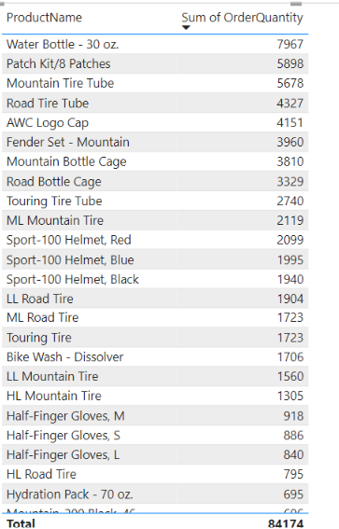

Common DAX Functions :

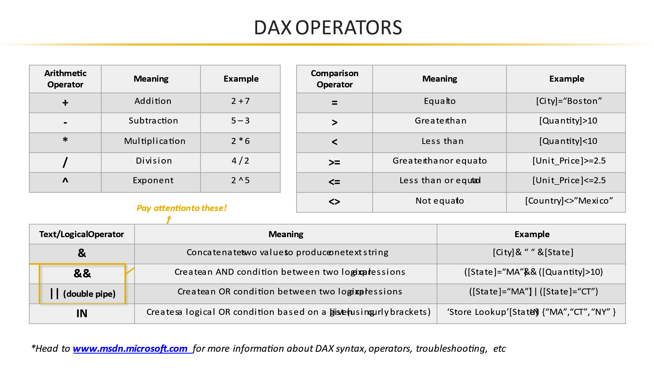
DAX Operators:

 | Maths & Stats function
 | Logical Functions
 | Text function
 | Filter
 | date & Times
 | Calcuate

 |  |  |  |  |  |  |  |  |  |  |  | Day/Month/Year(date)

 | Hour/Minute/Second() |  |  |  | Returns the hour(0-23),minute(0-59) or second(0-59) of a given datetime value |  |  |  |  |  |  | =Hour/minute/Second(datetime)

 |  |  |  |  |  |  |  |  |  |  |  | Hour(datetime)
 |  |  |  |  |  |  |  |  |  |  |  | minute(datetime)

 | Today/Now() |  |  |  | Returns the current date or exact time |  |  |  |  |  |  | Today/Now()

 | Weekday/Weeknum() |  |  |  | retuns a weekday number from 1(Sunday) to 7(Saturday) |  |  |  |  |  |  | weekday(date,[ReturnType])
 |  |  |  |  | or the week # of the year |  |  |  |  |  |  | Weeknum(date,[returnType])

 | EOMONTH |  |  |  | Returns the date of the last day day of the month |  |  |  |  |  |  | eOmonth(startdate,Months)

 | Datediff() |  |  |  | Returns the difference between two dates, based on a selected interval |  |  |  |  |  |  | Datefiff(Date1, Date2, Interval)

 |  | IF() |  | Checks if a given condition is met, and returns onevalue if the condition is True, |  |  |  |  |  | if(logicalTest, ResultifTrue,[ResultifFalse]
 |  |  |  | another value if False

 |  | IFERROR() |  | Evaluates an expression and returns a specified value if the expression returns an error |  |  |  |  |  | IFERROR(value, ValueIferror)
 |  |  |  | otherwise returns the expression itself

 |  | AND() |  | check wheaather both argument are True |  |  |  |  |  | AND(Logical1, Logical2)
 |  |  |  | And return true if both arguments are true else returns false

 |  | OR() |  | Checks when one of the argument is True to return true, and returns if both argument are |  |  |  |  |  | OR(Logical1, Logical2)
 |  |  |  | FALSE

 |  |  | TEXT Function

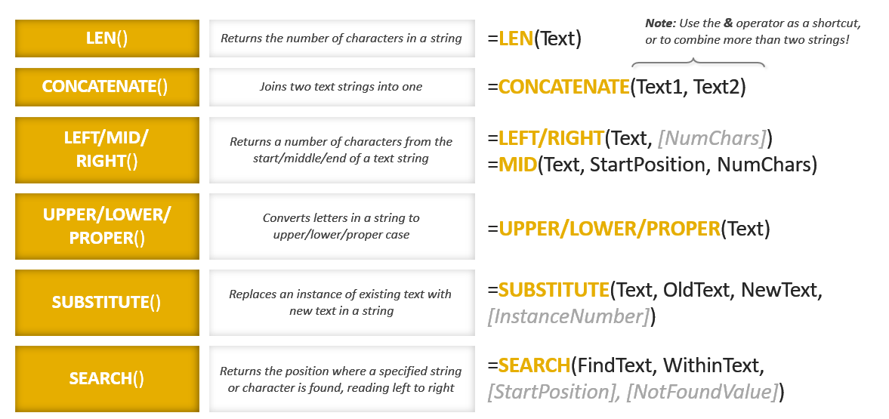

 |  |  | Basic Math & Stat Function

 |  | SUM()
 |  | Average()
 |  | MAX()
 |  | MIN()
 |  | Divide()

 |  |  | Count, CountA, DistinctCount & CountRows

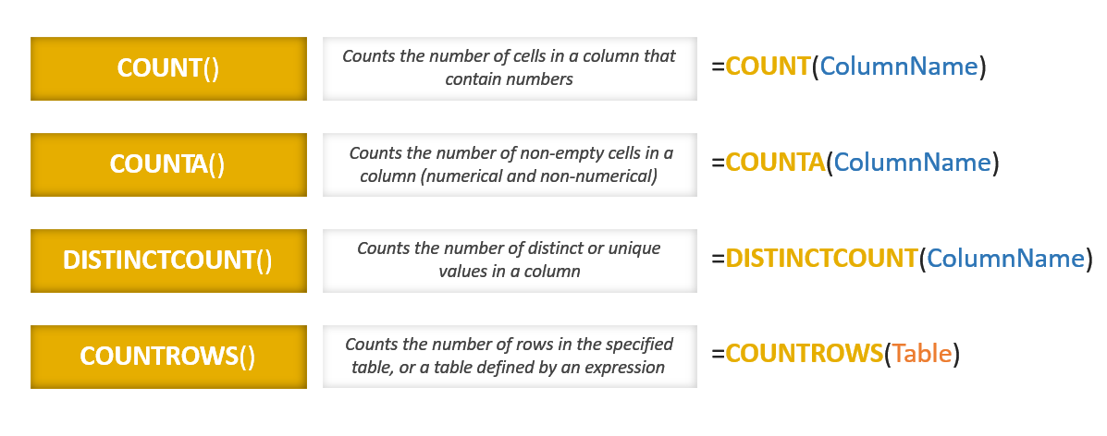

 |  |  | Related

 | avoid using Related to create redundant calculated columns

 |  |  | Calculate

 |  |  |  |  |  |  |  |  |  |  | Note : calculate works just like SUMIF and COUNTIf in excel
 |  |  |  |  |  |  |  |  |  |  | except it can evaluate measures based on any sort of calculated

 |  |  |  |  |  |  |  |  |  |  | Calcuate changes the filter context

 |  |  | All

 |  |  |  |  |  |  |  |  |  |  |  |  |  |  |  |  |  |  |  |  |  | Sales | % of total orders
 |  |  |  |  |  |  |  |  |  |  |  |  |  |  |  |  |  |  |  |  | Prod A | 100 | 10%
 |  |  |  |  |  |  |  |  |  |  |  |  |  |  |  |  |  |  |  |  | Prod B | 200 | 20%
 |  |  |  |  |  |  |  |  |  |  |  |  |  |  |  |  |  |  |  |  | Prod C | 300 | 30%
 |  |  |  |  |  |  |  |  |  |  |  |  |  |  |  |  |  |  |  |  | Prod D | 400 | 40%
 |  |  |  |  |  |  |  |  |  |  |  |  |  |  |  |  |  |  |  |  |  | 1000

 |  |  |  |  |  |  |  |  |  |  |  |  |  |  |  |  |  |  |  |  | ALL_TotalSales |  | 1000

 |  |  |  |  |  |  |  |  |  |  |  | This is often used when you need unfilters values that wont react to changes in the filter

 |  |  | Filter

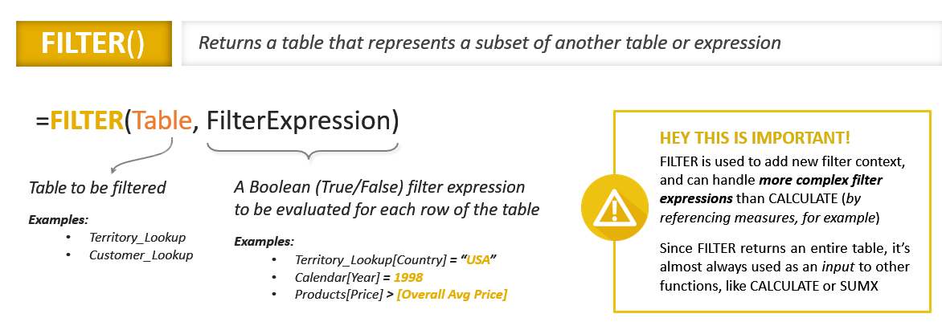

 |  |  | Iterator (X) Function

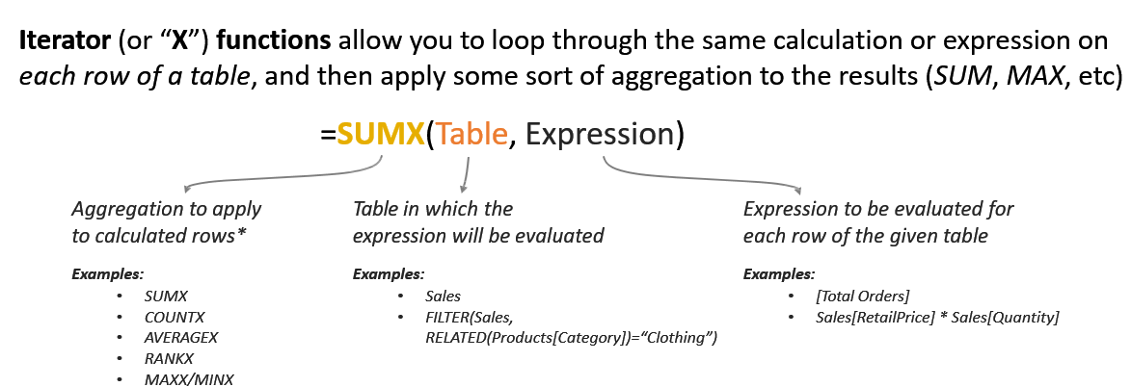

 |  |  |  |  |  |  |  |  |  |  | Imagine the function adding temp new column to a table, calculating the values in each row (based on an exp) and then applying the aggregation to that new column (like SUMPRODUCT)

 |  |  |  |  | OrderQTY | ProductPrice
 |  |  |  | Prod A | 5 | 100 | 500
 |  |  |  | Prod B | 10 | 250 | 2500
 |  |  |  | Prod C | 15 | 300 | 4500
 |  |  |  | Prod D | 20 | 450 | 9000
 |  |  |  |  |  |  | 16500

Best Practices

 | > Don’t use a calculated column when a measure will do the work for you
 |  | use Calculated column to stamp stati fixed values to each row in a table
 |  | use measures when aggregations is neccesary or to create dynamic values in a report

 | > write DAX for measure and do not use quick measure option

 | > Break meaure dow into simple, component parts

 | > eliminate redundant column, keep the table narrow

 | > Minimize use ot iterator function (filter, sumx etc)
 |  | Functions that cycle through each row in a table are expensive, means they take longer time to execute and consume large processing power

Vizualization

 | Homework |  |  | Customer Details

