cluster assignments
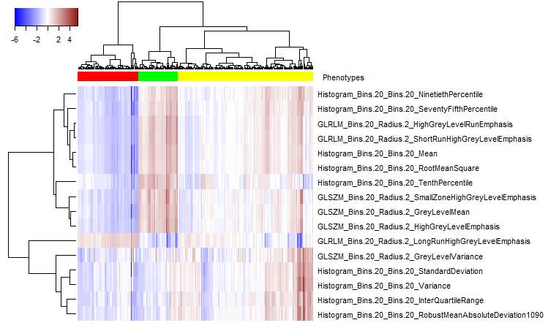
Case | 16 Features | 2 principal components | 3 within-cluster principal components
3 | 1 | 1 | 1 | Cluster 1 (N = 77)
4 | 2 | 2 | 1 | Cluster 2 (N = 171)
5 | 2 | 2 | 2 | Cluster 3 (N = 50)
6 | 3 | 2 | 2
7 | 3 | 2 | 2
8 | 1 | 1 | 1
9 | 2 | 2 | 2
11 | 2 | 2 | 1
12 | 2 | 2 | 2
13 | 2 | 2 | 2
14 | 3 | 2 | 2
15 | 1 | 1 | 1
16 | 3 | 2 | 2
17 | 3 | 2 | 2
18 | 1 | 1 | 1
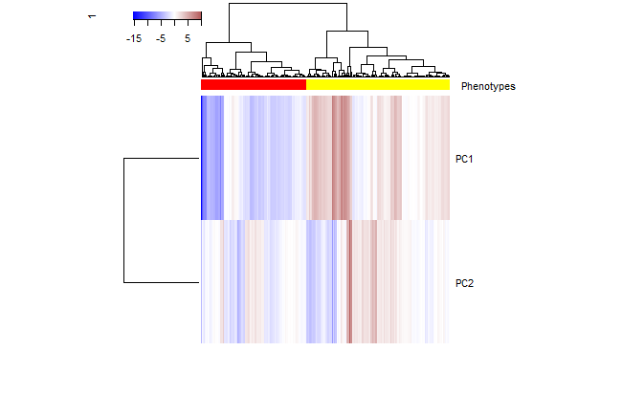
19 | 3 | 2 | 2
20 | 3 | 2 | 2
21 | 2 | 2 | 2
22 | 2 | 2 | 2
23 | 1 | 1 | 1
24 | 2 | 2 | 2
25 | 2 | 1 | 1
26 | 2 | 2 | 2
28 | 1 | 1 | 1
29 | 3 | 2 | 2
30 | 2 | 2 | 2
32 | 2 | 1 | 1
33 | 2 | 1 | 1
34 | 2 | 1 | 1
35 | 2 | 2 | 2
36 | 2 | 1 | 1
37 | 2 | 2 | 2
39 | 2 | 2 | 2
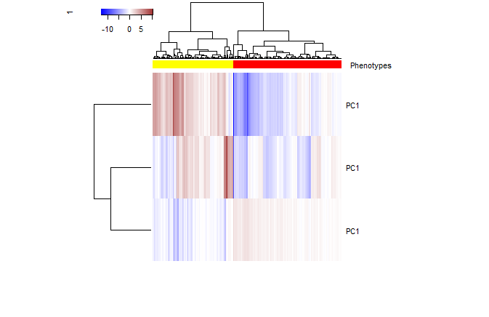
40 | 1 | 1 | 1
41 | 2 | 2 | 2
42 | 3 | 2 | 2
43 | 1 | 1 | 1
44 | 1 | 1 | 1
45 | 2 | 2 | 2
46 | 2 | 2 | 1
47 | 3 | 2 | 2
50 | 2 | 2 | 1
51 | 1 | 1 | 1
52 | 1 | 1 | 1
53 | 3 | 2 | 2
54 | 2 | 2 | 2
55 | 3 | 2 | 2
56 | 2 | 2 | 1
57 | 3 | 1 | 2
58 | 2 | 2 | 1
60 | 2 | 2 | 2
61 | 2 | 2 | 2
62 | 3 | 2 | 2
63 | 1 | 1 | 1
64 | 2 | 1 | 1
65 | 1 | 1 | 1
66 | 1 | 1 | 1
67 | 2 | 2 | 1
68 | 3 | 1 | 2
69 | 2 | 2 | 2
71 | 1 | 1 | 1
72 | 3 | 2 | 2
73 | 2 | 2 | 1
74 | 1 | 1 | 1
75 | 1 | 1 | 1
76 | 2 | 1 | 1
77 | 2 | 2 | 2
78 | 2 | 2 | 2
79 | 3 | 2 | 2
80 | 2 | 2 | 1
81 | 1 | 1 | 1
82 | 1 | 1 | 1
83 | 2 | 2 | 2
85 | 2 | 2 | 2
86 | 2 | 2 | 2
87 | 2 | 2 | 1
88 | 2 | 2 | 2
89 | 2 | 1 | 1
90 | 2 | 2 | 2
92 | 1 | 1 | 1
93 | 1 | 1 | 1
94 | 2 | 2 | 2
95 | 2 | 2 | 2
96 | 2 | 1 | 1
97 | 2 | 2 | 1
98 | 3 | 1 | 2
101 | 3 | 2 | 2
102 | 2 | 2 | 1
103 | 1 | 1 | 1
104 | 1 | 1 | 1
105 | 1 | 1 | 1
106 | 3 | 2 | 2
107 | 2 | 1 | 1
108 | 2 | 2 | 1
109 | 1 | 1 | 1
111 | 2 | 2 | 1
112 | 2 | 2 | 2
113 | 2 | 1 | 1
114 | 1 | 1 | 1
116 | 2 | 2 | 2
117 | 1 | 1 | 1
118 | 2 | 2 | 2
120 | 3 | 2 | 2
121 | 1 | 1 | 1
122 | 1 | 1 | 1
123 | 1 | 1 | 1
124 | 2 | 2 | 1
125 | 2 | 2 | 2
126 | 1 | 1 | 1
127 | 2 | 2 | 2
128 | 2 | 1 | 1
129 | 1 | 1 | 1
132 | 3 | 2 | 2
133 | 3 | 2 | 2
134 | 2 | 2 | 2
135 | 2 | 1 | 1
136 | 2 | 2 | 2
137 | 2 | 2 | 1
138 | 1 | 1 | 1
139 | 2 | 1 | 1
140 | 2 | 2 | 1
142 | 2 | 2 | 2
143 | 1 | 1 | 1
144 | 2 | 2 | 2
146 | 2 | 1 | 1
147 | 2 | 2 | 2
151 | 1 | 1 | 1
152 | 2 | 1 | 1
153 | 1 | 1 | 1
155 | 3 | 2 | 2
156 | 2 | 2 | 1
157 | 2 | 1 | 1
158 | 2 | 2 | 1
160 | 2 | 2 | 2
162 | 2 | 2 | 2
163 | 1 | 1 | 1
165 | 2 | 2 | 2
166 | 2 | 1 | 1
167 | 2 | 2 | 1
168 | 2 | 2 | 2
170 | 3 | 2 | 2
171 | 3 | 2 | 2
174 | 1 | 1 | 1
175 | 2 | 1 | 1
176 | 2 | 2 | 2
178 | 3 | 2 | 2
179 | 2 | 2 | 1
180 | 2 | 2 | 1
181 | 1 | 1 | 1
182 | 3 | 2 | 2
183 | 3 | 2 | 2
185 | 2 | 2 | 2
186 | 2 | 2 | 2
187 | 2 | 1 | 1
189 | 1 | 1 | 1
190 | 2 | 2 | 1
191 | 1 | 1 | 1
192 | 2 | 1 | 1
193 | 2 | 2 | 1
194 | 1 | 1 | 1
195 | 2 | 1 | 1
197 | 2 | 2 | 1
198 | 2 | 1 | 1
199 | 3 | 2 | 2
201 | 2 | 2 | 1
202 | 2 | 2 | 1
203 | 2 | 1 | 1
205 | 3 | 2 | 2
206 | 2 | 2 | 2
207 | 3 | 2 | 2
208 | 1 | 1 | 1
209 | 2 | 2 | 1
211 | 2 | 2 | 2
212 | 3 | 2 | 2
213 | 2 | 2 | 1
214 | 2 | 1 | 1
215 | 2 | 1 | 1
216 | 3 | 2 | 2
218 | 2 | 2 | 2
219 | 2 | 2 | 2
220 | 3 | 2 | 2
221 | 1 | 1 | 1
222 | 2 | 1 | 1
223 | 2 | 2 | 1
224 | 2 | 2 | 1
225 | 2 | 2 | 2
227 | 1 | 1 | 1
228 | 2 | 2 | 2
229 | 2 | 2 | 1
231 | 2 | 1 | 1
232 | 2 | 2 | 2
233 | 3 | 2 | 2
234 | 2 | 2 | 2
236 | 1 | 1 | 1
237 | 1 | 1 | 1
238 | 2 | 2 | 2
239 | 3 | 2 | 2
240 | 2 | 2 | 2
242 | 3 | 2 | 2
243 | 2 | 2 | 2
244 | 2 | 1 | 1
245 | 1 | 1 | 1
246 | 1 | 1 | 1
247 | 2 | 2 | 1
248 | 2 | 2 | 2
250 | 2 | 2 | 1
251 | 2 | 2 | 1
253 | 2 | 2 | 2
254 | 2 | 2 | 2
255 | 1 | 1 | 1
256 | 1 | 1 | 1
257 | 2 | 2 | 1
259 | 2 | 1 | 1
260 | 2 | 2 | 2
262 | 2 | 1 | 1
264 | 1 | 1 | 1
267 | 2 | 2 | 1
269 | 2 | 1 | 1
270 | 2 | 2 | 2
271 | 2 | 1 | 1
272 | 2 | 2 | 2
273 | 1 | 1 | 1
274 | 2 | 2 | 1
275 | 2 | 2 | 1
276 | 2 | 2 | 1
278 | 2 | 1 | 1
279 | 2 | 2 | 2
280 | 3 | 2 | 2
282 | 2 | 2 | 2
284 | 2 | 1 | 1
286 | 3 | 2 | 2
287 | 1 | 1 | 1
288 | 1 | 1 | 1
289 | 2 | 2 | 1
290 | 3 | 2 | 2
291 | 1 | 1 | 1
292 | 2 | 2 | 2
293 | 3 | 2 | 2
294 | 1 | 1 | 1
295 | 2 | 1 | 1
297 | 2 | 2 | 1
298 | 1 | 1 | 1
299 | 2 | 2 | 2
300 | 2 | 2 | 1
302 | 1 | 1 | 1
303 | 2 | 1 | 1
304 | 1 | 1 | 1
305 | 2 | 2 | 2
306 | 2 | 1 | 1
307 | 3 | 1 | 2
308 | 1 | 1 | 1
309 | 2 | 1 | 1
310 | 2 | 2 | 1
311 | 3 | 2 | 2
312 | 1 | 1 | 1
313 | 3 | 2 | 2
314 | 1 | 1 | 1
315 | 1 | 1 | 1
316 | 3 | 2 | 2
317 | 2 | 2 | 2
318 | 2 | 2 | 2
319 | 3 | 2 | 2
320 | 2 | 2 | 1
321 | 2 | 1 | 1
322 | 2 | 2 | 1
323 | 2 | 2 | 2
326 | 1 | 1 | 1
327 | 1 | 1 | 1
330 | 1 | 1 | 1
331 | 1 | 1 | 1
332 | 2 | 2 | 2
333 | 1 | 1 | 1
334 | 2 | 2 | 2
335 | 2 | 1 | 1
336 | 2 | 2 | 1
338 | 1 | 1 | 1
342 | 2 | 2 | 2
343 | 1 | 1 | 1
344 | 2 | 2 | 1
345 | 2 | 1 | 1
346 | 2 | 2 | 1
347 | 2 | 2 | 2
348 | 1 | 1 | 1
351 | 2 | 1 | 1
352 | 1 | 1 | 1
353 | 3 | 2 | 2
356 | 2 | 2 | 2
357 | 2 | 2 | 2
358 | 2 | 1 | 1
359 | 1 | 1 | 1
360 | 2 | 2 | 2
361 | 2 | 2 | 2
363 | 2 | 1 | 1
364 | 3 | 2 | 2
365 | 1 | 1 | 1
366 | 3 | 2 | 2
367 | 1 | 1 | 1
368 | 1 | 1 | 1

filesize list
Case | Size in bytes
312 | 1032192352
353 | 1032192352
363 | 1032192352
72 | 919683424
260 | 836075872
316 | 836075872
322 | 836075872
78 | 768000352
90 | 716800352
157 | 716800352
297 | 716800352
68 | 660603232
273 | 411042144
313 | 411042144
330 | 411042144
167 | 311296352
114 | 306381152
71 | 297795936
191 | 287834464
264 | 286654816
198 | 271319392
274 | 267780448
87 | 260702560
50 | 260047200
35 | 255852896
53 | 253624672
163 | 252150112
315 | 251658592
189 | 249495904
227 | 249495904
240 | 249495904
333 | 249495904
88 | 246546784
151 | 246546784
365 | 246546784
368 | 246546784
96 | 243663200
89 | 243269984
165 | 243269984
360 | 243269984
253 | 234881376
254 | 234881376
256 | 234881376
361 | 234881376
51 | 230687072
73 | 230687072
288 | 220594528
25 | 218104160
351 | 211812704
17 | 205521248
23 | 201326944
335 | 195149152
30 | 192938336
43 | 192938336
276 | 192938336
190 | 188744032
348 | 188744032
143 | 186646880
208 | 184549728
295 | 184549728
175 | 180355424
259 | 176161120
327 | 176161120
24 | 169869664
55 | 169869664
65 | 169869664
197 | 169869664
275 | 169869664
122 | 167772512
214 | 167772512
257 | 167772512
303 | 167772512
357 | 167772512
82 | 166986080
107 | 160563552
69 | 154141024
97 | 154141024
242 | 154141024
269 | 154141024
367 | 153092448
201 | 150995296
366 | 141558112
111 | 141295968
352 | 141295968
41 | 140509536
66 | 138412384
304 | 138412384
358 | 138412384
62 | 134218080
74 | 134218080
86 | 132120928
359 | 132120928
57 | 130023776
237 | 130023776
290 | 130023776
311 | 130023776
319 | 130023776
37 | 128450912
63 | 128450912
79 | 128450912
93 | 128450912
134 | 128450912
152 | 128450912
209 | 128450912
238 | 128450912
239 | 128450912
278 | 128450912
287 | 128450912
250 | 127926624
11 | 125829472
29 | 125829472
180 | 125829472
181 | 125829472
321 | 125829472
346 | 125829472
83 | 123732320
103 | 123732320
136 | 121831776
192 | 121831776
320 | 121831776
356 | 121831776
67 | 121635168
75 | 121635168
219 | 121635168
247 | 121635168
317 | 121635168
334 | 121635168
13 | 119538016
112 | 119538016
85 | 118948192
146 | 118948192
162 | 118948192
77 | 117440864
160 | 117440864
222 | 117440864
271 | 117440864
5 | 115605856
45 | 115605856
94 | 115605856
153 | 115605856
193 | 115605856
116 | 115343712
182 | 115343712
4 | 113246560
15 | 113246560
32 | 113246560
33 | 113246560
42 | 113246560
44 | 113246560
52 | 113246560
54 | 113246560
56 | 113246560
95 | 113246560
120 | 113246560
123 | 113246560
125 | 113246560
135 | 113246560
147 | 113246560
206 | 113246560
229 | 113246560
232 | 113246560
245 | 113246560
255 | 113246560
306 | 113246560
309 | 113246560
323 | 113246560
331 | 113246560
336 | 113246560
338 | 113246560
7 | 111149408
158 | 110756192
221 | 110756192
3 | 109052256
34 | 104857952
113 | 104857952
58 | 103809376
137 | 103809376
156 | 103809376
171 | 103809376
176 | 103809376
183 | 103809376
185 | 103809376
211 | 103809376
234 | 103809376
251 | 103809376
291 | 103809376
299 | 103809376
292 | 103088480
302 | 100663648
47 | 99680608
61 | 99680608
133 | 99680608
202 | 99680608
284 | 99680608
332 | 99680608
364 | 99680608
76 | 99123552
104 | 96469344
124 | 96469344
127 | 96469344
231 | 96469344
128 | 95158624
144 | 95158624
246 | 95158624
194 | 94372192
272 | 94372192
293 | 94372192
294 | 94372192
170 | 88605024
178 | 88605024
186 | 88605024
187 | 88605024
199 | 88605024
212 | 88605024
215 | 88605024
216 | 88605024
233 | 88605024
244 | 88605024
98 | 87228768
228 | 87228768
298 | 87228768
39 | 84935008
60 | 84935008
106 | 84935008
118 | 84935008
243 | 84935008
286 | 84935008
345 | 84935008
213 | 83886432
344 | 83886432
195 | 83493216
282 | 81396064
102 | 79298912
121 | 79298912
218 | 79298912
140 | 72089952
267 | 72089952
19 | 71369056
220 | 71369056
262 | 71369056
308 | 71369056
326 | 71369056
6 | 69206368
289 | 66453856
92 | 65536352
105 | 65536352
108 | 65536352
279 | 65536352
14 | 65012064
36 | 65012064
101 | 65012064
8 | 63439200
9 | 63439200
12 | 63439200
22 | 63439200
80 | 63439200
26 | 62914912
81 | 62914912
109 | 62914912
117 | 62914912
343 | 62914912
205 | 60916064
16 | 60817760
126 | 59474272
225 | 59474272
20 | 58982752
21 | 58982752
46 | 58982752
300 | 58982752
138 | 55509344
139 | 55509344
248 | 55509344
270 | 55509344
280 | 55509344
305 | 55509344
310 | 55509344
342 | 55509344
28 | 45089120
18 | 42991968
155 | 42991968
132 | 41943392
318 | 41943392
40 | 40894816
64 | 40894816
203 | 40894816
347 | 40894816
166 | 38797664
174 | 38797664
314 | 38797664
307 | 37749088
129 | 35651936
142 | 35651936
168 | 35651936
179 | 35651936
207 | 34603360
236 | 34603360
223 | 32506208
224 | 32506208

