PCB
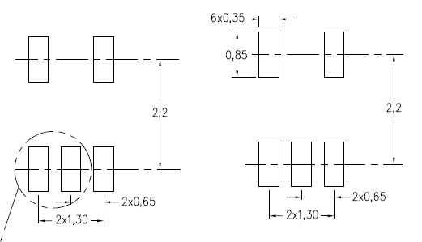
V_BATT | 0.6mm

053048-0710
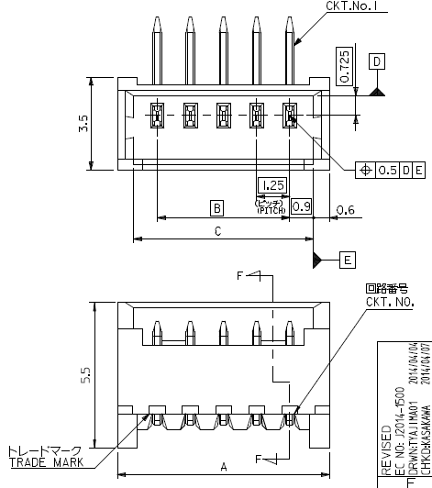
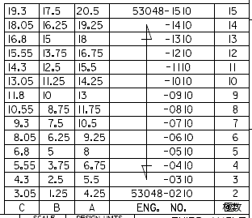
 |  | A | B
 |  | 10.5 | 7.5 | 1.25 | 7 | 7.5
 |  |  | 3 | 1.25 | 6 | 6.25
 |  |  | 1.5
 |  |  | 6.25
 |  |  | 7.75

TPS3801L30

