Sheet1
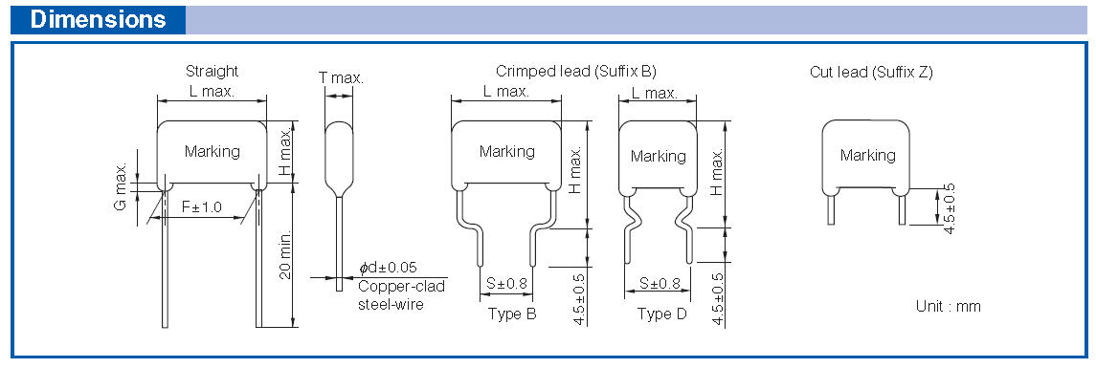
F | L | T
15 | 18.5 | 6.3
7.5 | 9.25 | 3.15

12.7 | 45.72
6.35 | 22.86

50 | 50.8
25 | 25.4

 |  |  | F | L | T
 |  |  | 7.5 | 10 | 4.5
 |  |  | 3.75 | 5 | 2.25

