Workflow Diagram
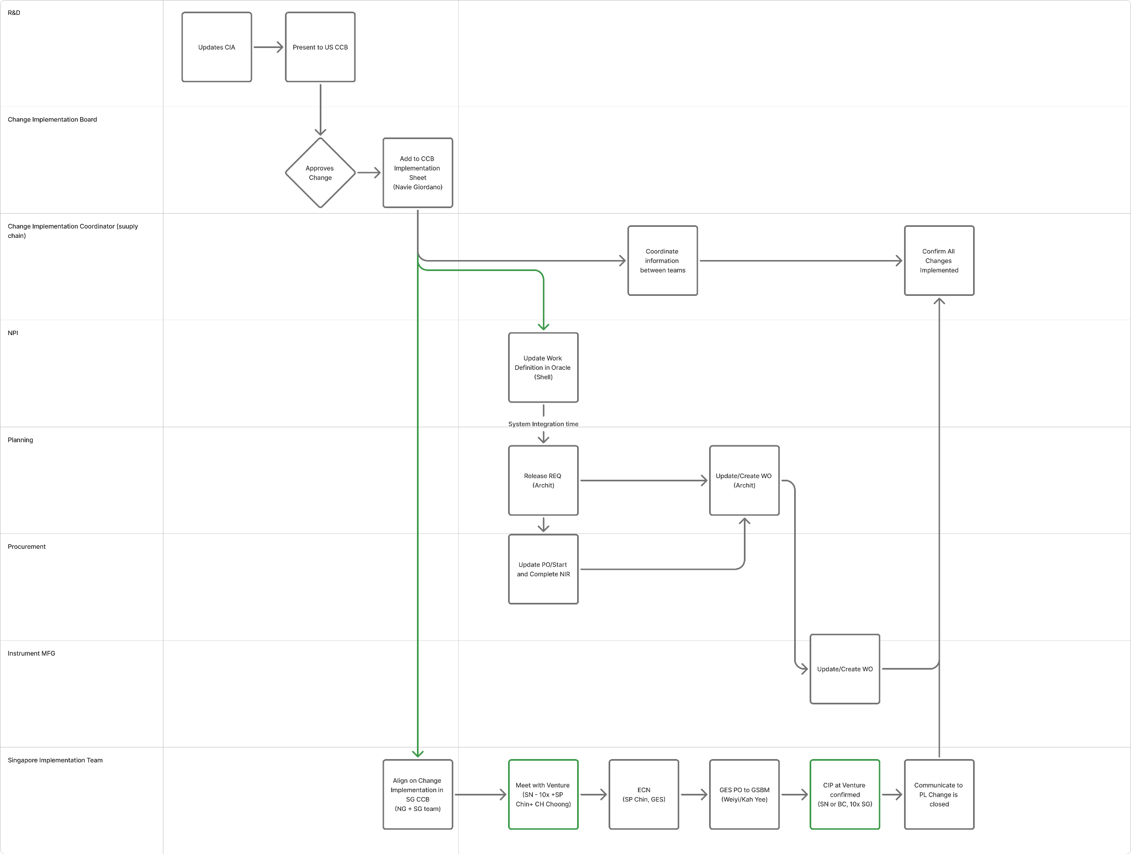
Figma Link

