Diffusion
 | Virus | Fraction | Percentage of virus | Height | Midpoint | Day | Experiment | Hours | Experiment done in 1 mL (1cc) syringes, each fraction corresponds to 100 μL
 | T3wt | 2 | 19.2453307 |  |  | 5 | 1 | 120
 | T3wt | 3 | 12.42517686 |  |  | 5 | 1 | 120 | Virus was added on top of the syringe directly over fraction 1. In the first experiment fraction 1 was removed because it was too saturated
 | T3wt | 4 | 10.66979439 |  |  | 5 | 1 | 120
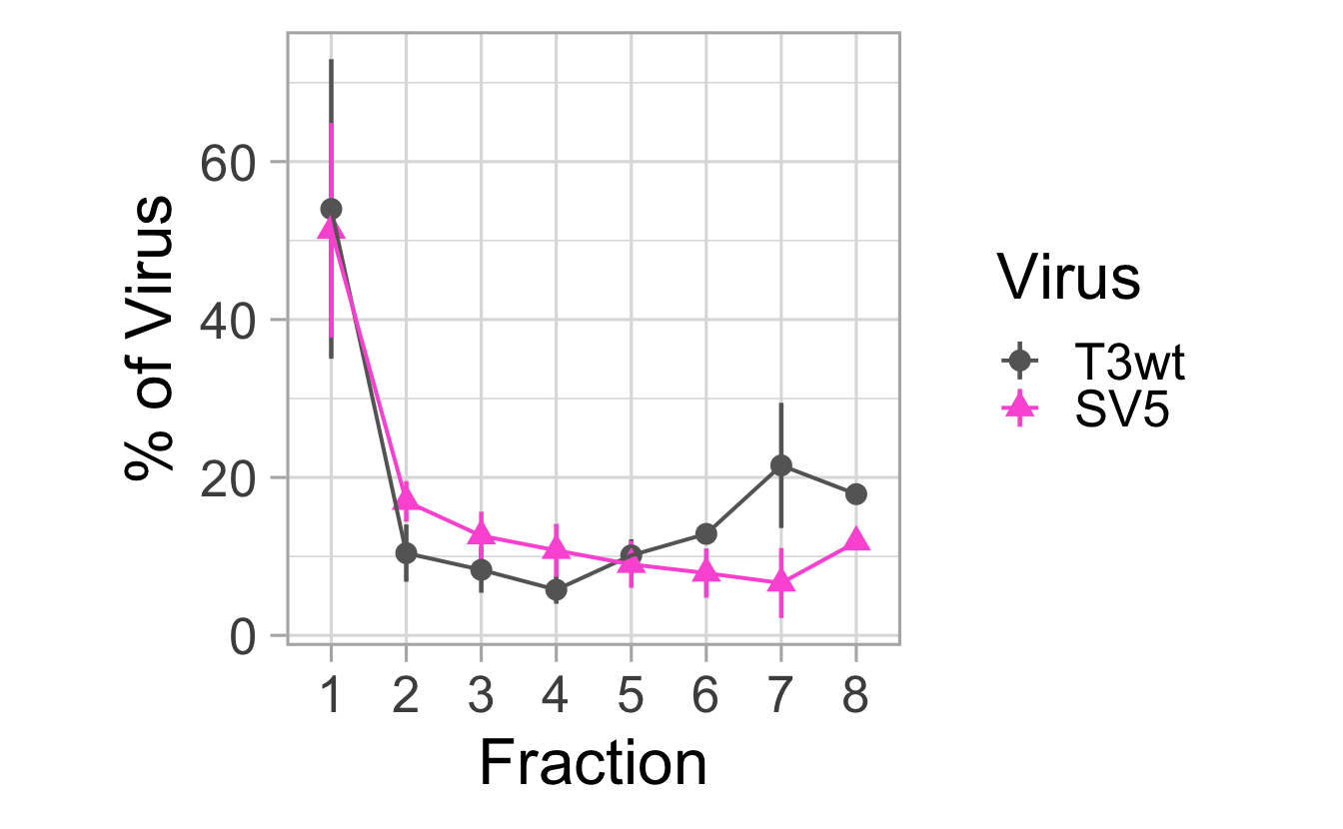
1
2
3
4
5
6
7
8
 | T3wt | 5 | 12.23615499 |  |  | 5 | 1 | 120
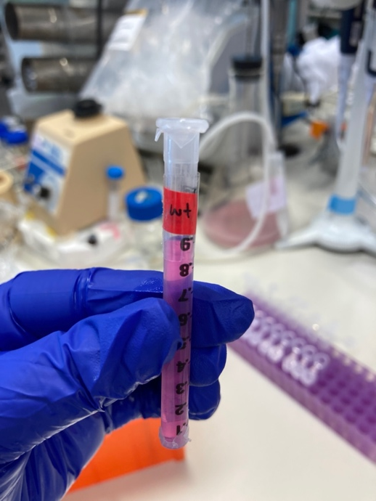
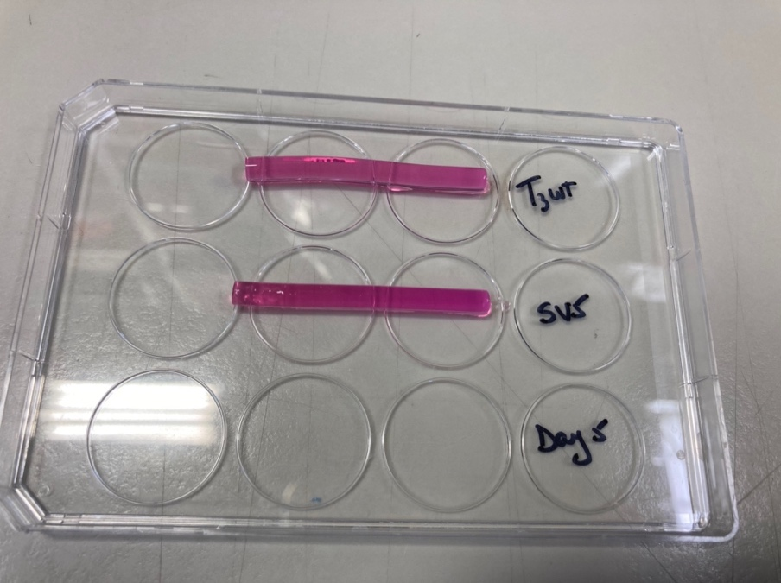
 | T3wt | 6 | 13.94702382 |  |  | 5 | 1 | 120
 | T3wt | 7 | 13.59262961 |  |  | 5 | 1 | 120
 | T3wt | 8 | 17.88388963 |  |  | 5 | 1 | 120
 | SV5 | 2 | 16.91285292 |  |  | 5 | 1 | 120
 | SV5 | 3 | 14.25756797 |  |  | 5 | 1 | 120
 | SV5 | 4 | 14.17353576 |  |  | 5 | 1 | 120
 | SV5 | 5 | 17.7763411 |  |  | 5 | 1 | 120
 | SV5 | 6 | 13.98816426 |  |  | 5 | 1 | 120
 | SV5 | 7 | 11.0644287 |  |  | 5 | 1 | 120
Total Percentage | SV5 | 8 | 11.82710929 |  |  | 5 | 1 | 120
100 | T3wt | 1 | 54.918082847 | 99.851059721 | 0.275 | 5 | 2 | 120
 | T3wt | 2 | 6.3205860225 | 11.491974586 | 0.825 | 5 | 2 | 120
 | T3wt | 3 | 5.3386030674 | 9.7065510317 | 1.375 | 5 | 2 | 120
 | T3wt | 4 | 4.213623996 | 7.6611345382 | 1.925 | 5 | 2 | 120
 | T3wt | 5 | 14.854772425 | 27.008677136 | 2.475 | 5 | 2 | 120
 | T3wt | 6 | 14.354331643 | 26.098784805 | 3.025 | 5 | 2 | 120
100 | SV5 | 1 | 28.255735325 | 51.374064226 | 0.275 | 5 | 2 | 120
 | SV5 | 2 | 21.756206128 | 39.556738415 | 0.825 | 5 | 2 | 120
 | SV5 | 3 | 19.155788494 | 34.828706352 | 1.375 | 5 | 2 | 120
 | SV5 | 4 | 18.272614265 | 33.222935028 | 1.925 | 5 | 2 | 120
 | SV5 | 5 | 6.589520508 | 11.980946378 | 2.475 | 5 | 2 | 120
 | SV5 | 6 | 5.9701352802 | 10.854791419 | 3.025 | 5 | 2 | 120 | syringes length maybe 6.5 cm!! |  |  | No
100 | T3wt | 1 | 86.386756061 | 157.0668292 | 0.275 | 5 | 3 | 120
 | T3wt | 2 | 2.9456848659 | 5.3557906653 | 0.825 | 5 | 3 | 120 | Each fraction is 0.55cm
 | T3wt | 3 | 1.6161799685 | 2.9385090336 | 1.375 | 5 | 3 | 120 | 8 Fraction | 4.4 | cm
 | T3wt | 4 | 2.3994660256 | 4.362665501 | 1.925 | 5 | 3 | 120 | 6 Fraction | 3.3 | cm
 | T3wt | 5 | 6.6519130789 | 12.094387416 | 2.475 | 5 | 3 | 120 | 5 Fraction | 2.75 | cm
100 | SV5 | 1 | 75.313448116 | 136.93354203 | 0.275 | 5 | 3 | 120 | 7 Fraction | 3.85 | cm
 | SV5 | 2 | 9.8744454165 | 17.953537121 | 0.825 | 5 | 3 | 120
 | SV5 | 3 | 4.4899023989 | 8.1634589071 | 1.375 | 5 | 3 | 120
 | SV5 | 4 | 3.323103519 | 6.0420063982 | 1.925 | 5 | 3 | 120
 | SV5 | 5 | 6.9991005496 | 12.725637363 | 2.475 | 5 | 3 | 120
100 | T3wt | 1 | 20.707034374 | 37.649153408 | 0.275 | 5 | 4 | 120
 | T3wt | 2 | 13.147345978 | 23.904265414 | 0.825 | 5 | 4 | 120
 | T3wt | 3 | 13.813999232 | 25.116362241 | 1.375 | 5 | 4 | 120
 | T3wt | 4 | 5.836731139 | 10.612238435 | 1.925 | 5 | 4 | 120
 | T3wt | 5 | 6.7834379939 | 12.333523625 | 2.475 | 5 | 4 | 120
 | T3wt | 6 | 10.257440032 | 18.649890968 | 3.025 | 5 | 4 | 120
 | T3wt | 7 | 29.45401125 | 53.552747728 | 3.575 | 5 | 4 | 120
100 | SV5 | 1 | 50.349024965 | 91.543681755 | 0.275 | 5 | 4 | 120
 | SV5 | 2 | 19.330825994 | 35.146956352 | 0.825 | 5 | 4 | 120
 | SV5 | 3 | 12.546630848 | 22.812056088 | 1.375 | 5 | 4 | 120
 | SV5 | 4 | 7.2878150595 | 13.250572836 | 1.925 | 5 | 4 | 120
 | SV5 | 5 | 4.592760732 | 8.3504740581 | 2.475 | 5 | 4 | 120
 | SV5 | 6 | 3.6996227592 | 6.7265868349 | 3.025 | 5 | 4 | 120
 | SV5 | 7 | 2.1933196422 | 3.987853895 | 3.575 | 5 | 4 | 120

 |  |  |  |  |  | interval middle | height of the point
 | T3wt | 2 | 19.2453307 |  |  |  | 34.991510364
 | T3wt | 3 | 12.42517686 |  |  |  | 22.591230655
 | T3wt | 4 | 10.66979439 |  |  |  | 19.399626164
 | T3wt | 5 | 12.23615499 |  |  |  | 22.247554527
 | T3wt | 6 | 13.94702382 |  |  |  | 25.358225127
 | T3wt | 7 | 13.59262961 |  |  |  | 24.713872018
 | T3wt | 8 | 17.88388963 |  |  |  | 32.516162964
 | sum of the above |  | 100 |  |  | x | y | ln(y)
 | T3wt | 1 | 54.918082847 |  |  | 0.275 | 99.851059721 | 4.6036796729
 | T3wt | 2 | 6.3205860225 |  |  | 0.825 | 11.491974586 | 2.4416489297
 | T3wt | 3 | 5.3386030674 |  |  | 1.375 | 9.7065510317 | 2.2728010216
 | T3wt | 4 | 4.213623996 |  |  | 1.925 | 7.6611345382 | 2.0361600848
 | T3wt | 5 | 14.854772425 |  |  | 2.475 | 27.008677136 | 3.2961581898
 | T3wt | 6 | 14.354331643 |  |  | 3.025 | 26.098784805 | 3.261888754
 | total |  | 100 |  |  | 3.3
 | T3wt | 1 | 86.386756061 |  |  | 0.275 | 157.0668292 | 5.0566713785
 | T3wt | 2 | 2.9456848659 |  |  | 0.825 | 5.3557906653 | 1.6781783429
 | T3wt | 3 | 1.6161799685 |  |  | 1.375 | 2.9385090336 | 1.0779023213
 | T3wt | 4 | 2.3994660256 |  |  | 1.925 | 4.362665501 | 1.473083224
 | T3wt | 5 | 6.6519130789 |  |  | 2.475 | 12.094387416 | 2.4927414951
 | total |  | 100 |  |  | 2.75
 | T3wt | 1 | 20.707034374 |  |  | 0.275 | 37.649153408 | 3.6283104682
 | T3wt | 2 | 13.147345978 |  |  | 0.825 | 23.904265414 | 3.1740569122
 | T3wt | 3 | 13.813999232 |  |  | 1.375 | 25.116362241 | 3.2235195159
 | T3wt | 4 | 5.836731139 |  |  | 1.925 | 10.612238435 | 2.3620079044
 | T3wt | 5 | 6.7834379939 |  |  | 2.475 | 12.333523625 | 2.5123210529
 | T3wt | 6 | 10.257440032 |  |  | 3.025 | 18.649890968 | 2.9258402998
 | T3wt | 7 | 29.45401125 |  |  | 3.575 | 53.552747728 | 3.980667107
 | total |  | 100 |  |  | 3.85

