Лист2
 |  | 212 | 213 | 214 | 215 | 216 | 217 | 218 | 219 | 220 | 221 | 222 | 223 | 224 | 225 | 226 | 227 | 228 | 229 | 230 | 231 | 232 | 233 | 234 | 235 | 236 | 237 | 238

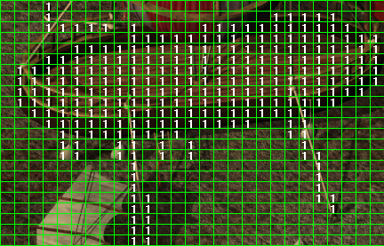
+ | 142
+ | 143
+ | 144
+ | 145
+ | 146
+ | 147
+ | 148
+ | 149
+ | 150
+ | 151
+ | 152
+ | 153
+ | 154
+ | 155
+ | 156
+ | 157
+ | 158
+ | 159
+ | 160
+ | 161
 | 162
 | 163
 | 164

