Sheet1
ECARET SOLUTIONS
Version No: |  |  |  | Date: 11-09-2023
Verified By: |  |  |  | Tested By:Arya Rajan
Verified On: |  |  |  | Envirnmental Info: Google Chrome
Bug ID | Test ID | Expected Result | Bug Description | Steps to produce | Sevirity | Priority | Screenshort | Status
ECRT_BG_01 | ECRT_HM_02 | Clicking on each navigation link should take the user to the intended page. | Under "All in one system" clicking "Odoo ERP" and "Inventory Management System" leads to view pages having same content | 1)open ecaret solution's site 2) Click on the all navigation links under "All in One System" one at a time and check if it is navigating to a new page | Major | p10 |  | New
ECRT_BG_02 | ECRT_HM_03 | The webpage should respond to scrolling smoothly, with no noticeable stuttering or jerky movements. | The webpage is not scrolling smoothly, having stuttering or jerky movements while scrolling the page using touchpad. | 1)open ecaret solution's site 2) Attempt to scroll through the webpage using the available input methods | Major | p2 |  | New
ECRT_BG_03 | ECRT_HM_04 | The dropdown button should expand and display a list of options or sublinks related to the main menu item. | On the first click on the dropdown buttons "SOLUTIONS" and "INDUSTRIES" doesn't course any change. On the next click, it worked well. Then on closing the expanded list of sublinks by clicking outside and again clicking the dropdown buttons once, successfully expanding the list. And then after refreshing the page and clicking the dropedown buttons, first click is not coursing expanding the list. | 1)open ecaret solution's site 2) Click on the dropdown buttons "SOLUTIONS" & "INDUSTRIES" one at a time | Minor | p4 |  | New
ECRT_BG_04 | ECRT_HM_07 | The webpage should navigate to the corresponding page or section associated with the selected menu item under the hamburger menu. | On clicking "Customer Login" link doesn't navigated to a page successfully, it showing an error. | 1)open ecaret solution's site 2) Click on the hamburger menu icon 3)Click on "Customer Login" menu item listed in the expanded menu | Blocker | p1 | 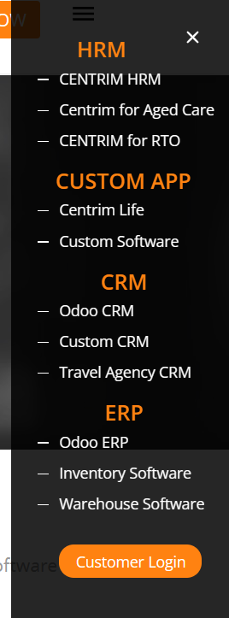 | New
ECRT_BG_05 | ECRT_HM_08 | On submitting the "Get in Touch With Us" for with valid inputs, the webpage should show a confirmation message or a visual indicator that the form submission was successful. | No confirmation message or a visual indicator that the form submission was successful was showing on submitting the form with valid inputs.Only the page is refreshing. | 1)open ecaret solution's site 2) Locate the "Get in Touch With Us" form on the webpage 3)Fill out all required fields in the form with +ve inputs 4)Click the submit button, Check for a confirmation message or a visual indicator that the form submission was successful. | Minor | p12 | 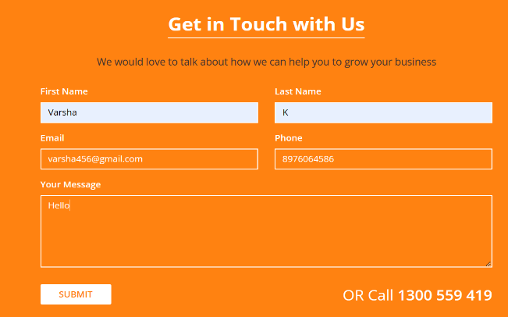 | New
ECRT_BG_06 | ECRT_HM_09 | On submitting the "Get in Touch With Us" for with no inputs, the form should display appropriate error messages for each field with missing data. | The form doesn't display any error messages for each field with missing data. Only the page is refreshed. | 1)open ecaret solution's site 2) Locate the "Get in Touch With Us" form on the webpage 3)Click the submit button, Check for a error message or a visual indicator that the form incomplete or missing data. | Minor | p13 | 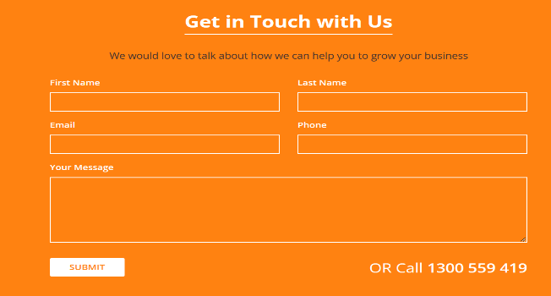 | New
ECRT_BG_07 | ECRT_HM_11 | On submitting the "Get in Touch With Us" for with invalid phone no, the form should display appropriate correction messages for phone number field with invalid data. | No correction messege or error messege displayed for the phone number field with invalid input | 1)open ecaret solution's site 2) Locate the "Get in Touch With Us" form on the webpage 3)Fill out all required fields in the form with invalid phone number 4)Click the submit button, correction message . | Minor | p14 | 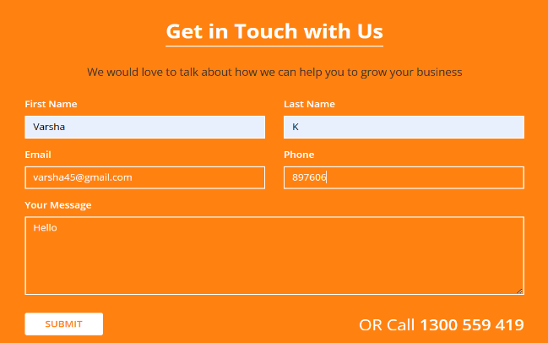 | New
ECRT_BG_08 | ECRT_HM_12 | On submitting the "Stay Updated" form with valid inputs, the webpage should show a confirmation message or a visual indicator that the form submission was successful. | No confirmation message or a visual indicator that the form submission was successful was showing. | 1)open ecaret solution's site 2) Locate the "Stay Updated" form on the footer of the webpage 3)Fill out all required fields in the form with +ve inputs 4)Click the submit button, Check for a confirmation message or a visual indicator that the form submission was successful. | Minor | p15 | 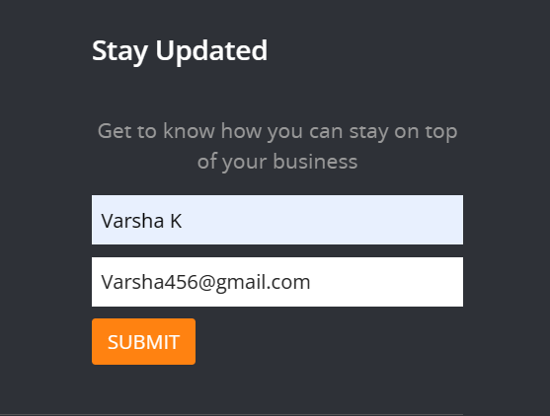 | New
ECRT_BG_09 | ECRT_HM_13 | On submitting the "Stay Updated" form with no inputs, the form should display appropriate error messages for each field with missing data. | The form doesn't display any error messages for fields with missing data | 1)open ecaret solution's site 2)Locate the "Stay Updated" form on the footer of the webpage 3)Click the submit button, Check for a error message or a visual indicator that the form incomplete or missing data. | Minor | p16 | 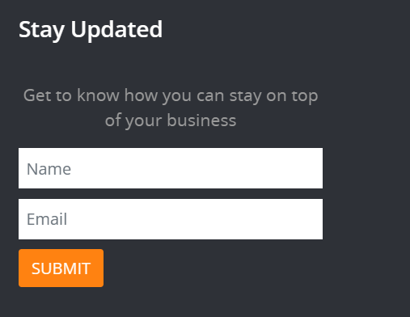 | New
ECRT_BG_10 | ECRT_HM_14 | On submitting the "Stay Updated" form with no inputs, the form should display appropriate correction messages for each field with invalid data. | No correction messege or error messege displayed for the fields with invalid input | 1)open ecaret solution's site 2) Locate the "Stay Updated" form on the footer of the webpage 3)Fill out all required fields in the form with invalid inputs 4)Click the submit button, correction message . | Minor | p17 | 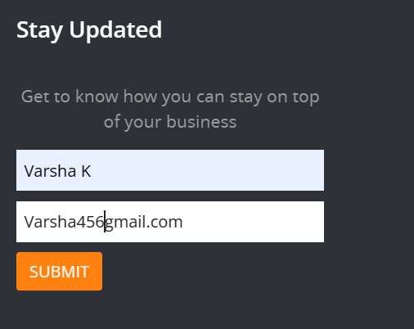 | New
ECRT_BG_11 | ECRT_SLTNS_17 | On clicking the sublinks expanded for links under dropedown menu, the webpage should navigate to the corresponding page or perform the expected action associated with the selected sublink. | The sublinks "Inventory Management System" and "Werehouse Management System" expanded on clicking "All in One System (ERP) navigates to same view page. The pages loaded on clicking on "Odoo ERP", "Inventory Management System" and "Werehouse Management System" having same content. | 1)open ecaret solution's site 2) Click on the dropdown buttons "Solutions" 3)Click"All in One System (ERP)" 4)Click the list of sublinks expanded for each links one at a time | Major | p18 | 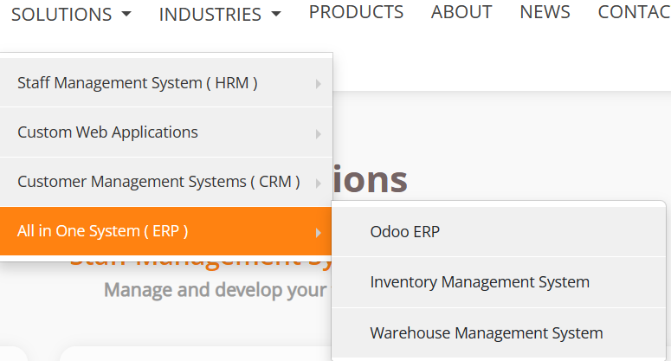 | New
ECRT_BG_12 | ECRT_SLTNS_18 | All content elements in the "Centrim for RTO" page should be complete and fully visible and there should be no spelling mistakes or grammatical errors present in the visible content. | In the Loaded part when clicking on the "Learn More" links, the providd images is hiding the text content. It is not completely readable. | 1)open ecaret solution's site 2) Click on the dropdown buttons "Solutions" 3)Click "Staff management system" 4)Click "Centrim for RTO" scroll down 5) Click each "Learn More" links provided in the body one at a time. And Visually inspect the content on the page for spelling mistakes or grammatical errors. | Enhancement | p19 | 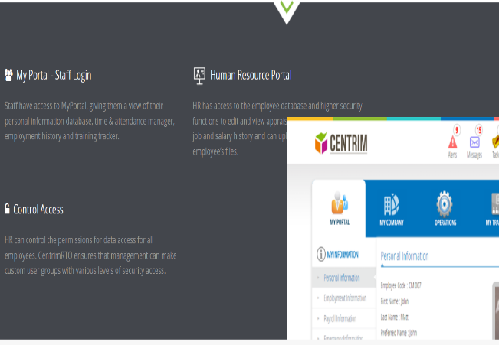 | New
ECRT_BG_13 | ECRT_SLTNS_19 | The loaded portion when click on the "learn More" link on "Centrim for RTO" page, should be close when clicking the "X" close button. | When clicking the "X" button on thr eloaded portion doesn't course any change. | 1)open ecaret solution's site 2) Click on the dropdown buttons "Solutions" 3)Click "Staff management system" 4)Click "Centrim for RTO" scroll down 5) Click each "Learn More" links provided in the body one at a time. And Visually inspect the content on the page for spelling mistakes or grammatical errors. 6) Click the "X" close button | Minor | p30 | 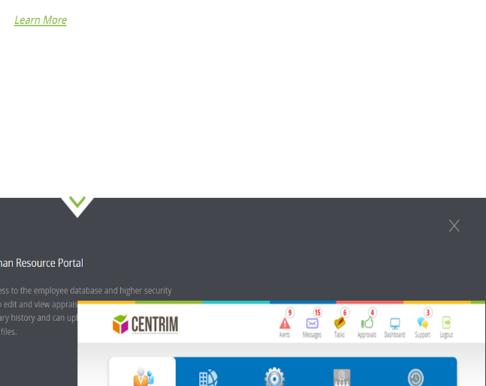 | New
ECRT_BG_14 | ECRT_SLTNS_20 | All content elements in the "Centrim Human Resourse Management" should be complete and fully visible and there should be no spelling mistakes or grammatical errors present in the visible content. | In the Loaded part when clicking on the "Learn More" links, the providd images is hiding the text content. It is not completely readable. | 1)open ecaret solution's site 2) Click on the dropdown buttons "Solutions" 3)Click "Staff management system" 4)Click "Centrim Resorse Management" scroll down 5) Click each "Learn More" links provided in the body one at a time. And Visually inspect the content on the page for spelling mistakes or grammatical errors. | Enhancement | p20 |  | New
ECRT_BG_15 | ECRT_SLTNS_21 | The loaded portion when clicking the "Learn More" link on the "Centrim HRM", should be close when clicking the "X" close button. | When clicking the "X" button on thr eloaded portion doesn't course any change. | 1)open ecaret solution's site 2) Click on the dropdown buttons "Solutions" 3)Click "Staff management system" 4)Click "Centrim HRM" scroll down 5) Click each "Learn More" links provided in the body one at a time. And Visually inspect the content on the page for spelling mistakes or grammatical errors. 6) Click the "X" close button | Minor | p29 | 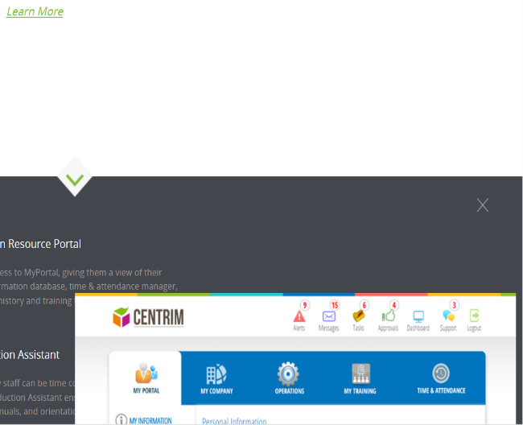 | New
ECRT_BG_16 | ECRT_SLTNS_22 | Clicking on each navigation link on the "Centrim for Aged Care" page, should take the user to the intended page. | Clicking on the 5 navigation links provided in lower body of the page doesn,t load any new page of new portion. It just reloaded the current page. | 1)open ecaret solution's site 2) Click on the dropdown buttons "Solutions" 3)Click "Staff management system" 4)Click "Centrim for Aged Care" scroll down 5) Click each navigation links provided in the body | Major | p21 | 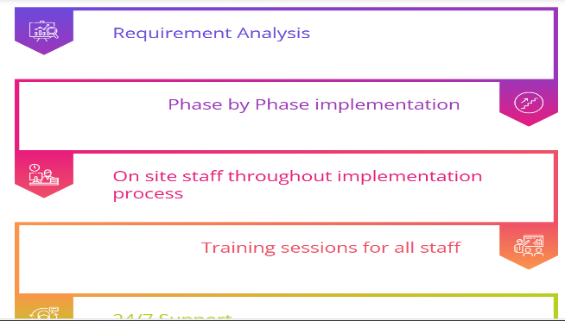 | New
ECRT_BG_17 | ECRT_SLTNS_23 | All content elements on the "Centrim HR for Age Care" should be complete and fully visible and there should be no spelling mistakes or grammatical errors present in the visible content. | Under "Unassigned Shift & Replacements, Automated Employee Shify Swap" content is not ending with full stop, full stope is missing. | 1)open ecaret solution's site 2) Click on the dropdown buttons "Solutions" 3)Click "Staff management system" 4)Click "Centrim HR for Age Caret" scroll down 5) Visually inspect the content on the page for spelling mistakes or grammatical errors. | Trivial | p31 | 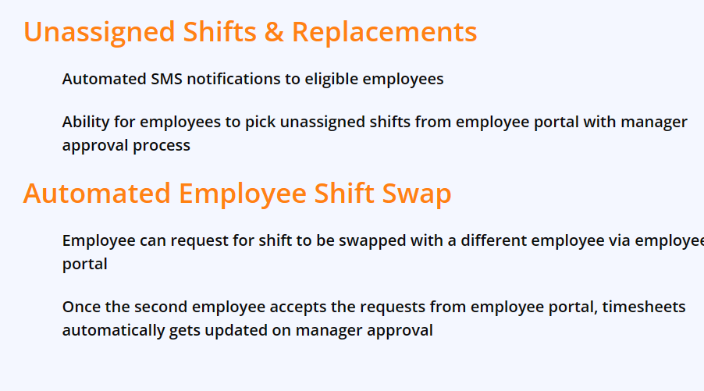 | New
ECRT_BG_18 | ECRT_SLTNS_27 | All content elements on the "Odoo CRM" page should be complete and fully visible and there should be no spelling mistakes or grammatical errors present in the visible content. | Under "Organise Your Opportunities" "interest" is misspelled as "interrest" | 1)open ecaret solution's site 2) Click on the dropdown buttons "Solutions" 3)Click "Customer management system (CRM)" 4)Click "Odoo CRM" scroll down 5) Visually inspect the content on the page for spelling mistakes or grammatical errors. | Trivial | p32 | 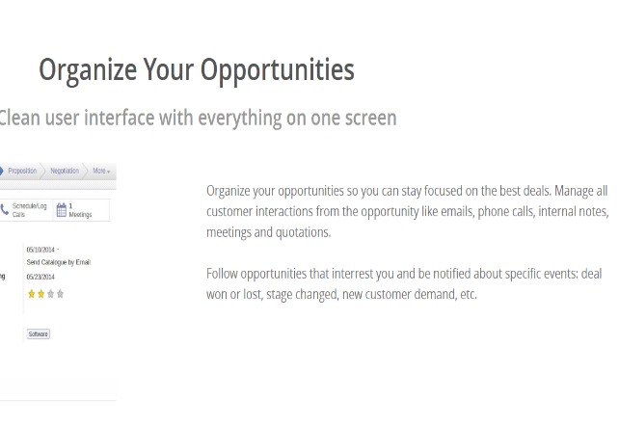 | New
ECRT_BG_19 | ECRT_INDSTR_29 | On clicking the sublinks expanded for links under dropedown menu ,the webpage should navigate to the corresponding page or perform the expected action associated with the selected sublink. | The sublinks "Tport CRM for Travel Agencies" and "Online Travel Poertal" expanded on clicking "Travel", navigates to same view page. | 1)open ecaret solution's site 2) Click on the dropdown buttons "INDUSTRIES" 3)Click sublink "Travel" 4)Click the next list of sublinks expanded for each links one at a time | Major | p6 | 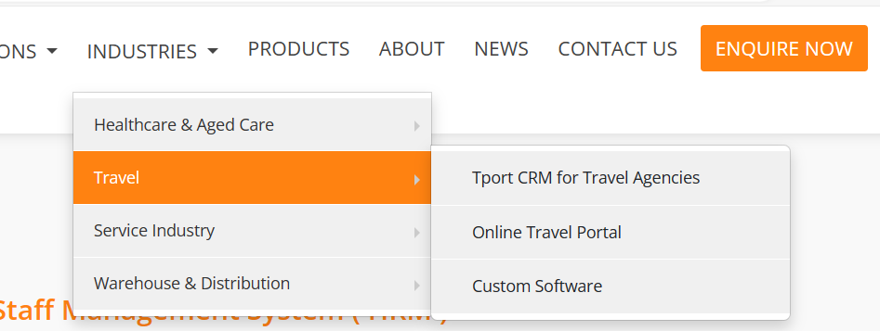 | New
ECRT_BG_20 | ECRT_INDSTR_29 | On clicking the sublinks expanded for links under dropedown menu ,the webpage should navigate to the corresponding page or perform the expected action associated with the selected sublink. | The sublinks "Custom SoftWre Systems" and "Online Portals" expanded on clicking "Service industry", navigates to same view page. | 1)open ecaret solution's site 2) Click on the dropdown buttons "INDUSTRIES" 3)Click sublink "Service Industry" 4)Click the next list of sublinks expanded for each links one at a time | Major | p7 | 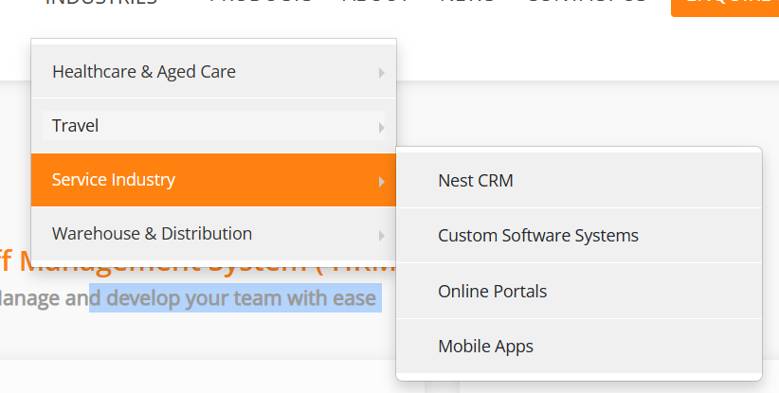 | New
ECRT_BG_21 | ECRT_INDSTR_29 | On clicking the sublinks expanded for links under dropedown menu ,the webpage should navigate to the corresponding page or perform the expected action associated with the selected sublink. | The sublinks "Inventory Management System" and "ERP for warehousees" expanded on clicking "Warehouse & Distribution", navigates to same view page. | 1)open ecaret solution's site 2) Click on the dropdown buttons "INDUSTRIES" 3)Click sublink "Warehouse & Distribution" 4)Click the next list of sublinks expanded for each links one at a time | Major | p8 | 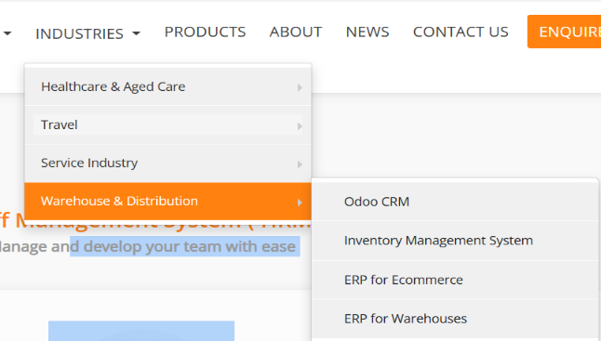 | New
ECRT_BG_22 | ECRT_INDSTR_30 | Clicking on each navigation link on the "Nest CRM" page should take the user to the intended page. | Clicking on the link "NEST" is not not course any event. . | 1)open ecaret solution's site 2) Click on the dropdown buttons "INDUSTRIES" 3) Click "Service Industry" 4)Click "Nest CRM" 5) Click the link "Nest" on header | Major | p9 | 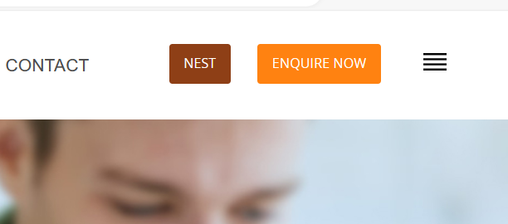 | New
ECRT_BG_23 | ECRT_INDSTR_30 | Clicking on each navigation link on the "Custome Service System" page should take the user to the intended page. | Clicking the "Process" link on the header loads home page. | 1)open ecaret solution's site 2) Click on the dropdown buttons "INDUSTRIES" 3) Click "Service Industry" 4)Click "Custome CRM System" 5) Click the link "Process" on the header | Major | p26 |  | New
ECRT_BG_24 | ECRT_PRDT_37 | Clicking on each navigation link should take the user to the intended page. | Under "ALL in one system" clicking "Warehouse Management System" and "Inventory Management System"loads same view page. | 1)open ecaret solution's site 2) Click on the link "PRODUCTS" on the header of the page 3)Click "ALL in one system" clicking "Warehouse Management System" and "Inventory Management System" one at a time | Major | p11 |  | New
ECRT_BG_25 | ECRT_PRDT_39 | The form fields should accept user input without errors or issues and user should be able to see the inserted inputs | The user is unable see the inserted inputs, the column filler color and font color are white. | 1)open ecaret solution's site 2) Click on the link "PRODUCTS" 3)Scroll down and locate the "Get in touch with us" form 4)insert inputs | Enhancement | p22 | 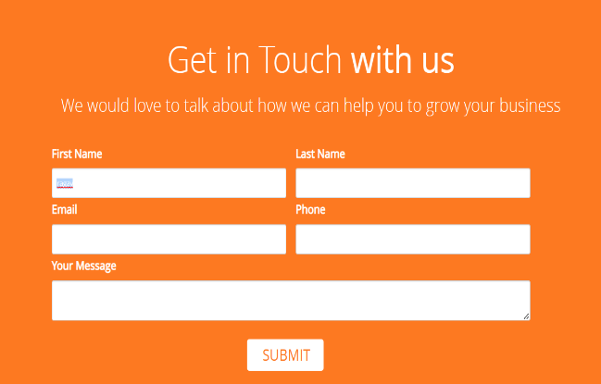 | New
ECRT_BG_26 | ECRT_ABT_41 | All content elements on the "ABOUT" page should be complete and fully visible and there should be no any unwanted elements. | An un wanted "X" close button present of the view. It does not have any valid function. | 1)open ecaret solution's site 2) Click on the link "ABOUT" 3)Visually inspect the content on the page for spelling mistakes or grammatical errors. 4)Click the "X" close button present on the left top of the body | Minor | p31 |  | New
ECRT_BG_27 | ECRT_ABT_44 | The form fields on the "Learn More" form on the "About" page, should accept user input without errors or issues and user should be able to see the inserted inputs | The user is unable see the inserted inputs, the column filler color and font color are white. | 1)open ecaret solution's site 2) Click on the link "ABOUT" 3)Scroll down and locate the "Learn More" form 4)Insert inputs | Enhancement | p23 | 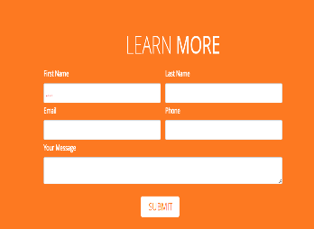 | New
ECRT_BG_28 | ECRT_CNCT_47 | The form "Learn More" fields should accept user input without errors or issues and user should be able to see the inserted inputs | The user is unable see the inserted inputs, the column filler color and font color are white. | 1)open ecaret solution's site 2) Click on the link "Contact" 3)Scroll down and locate the form "Learn More" 4)Insert values | Enhancement | p24 | 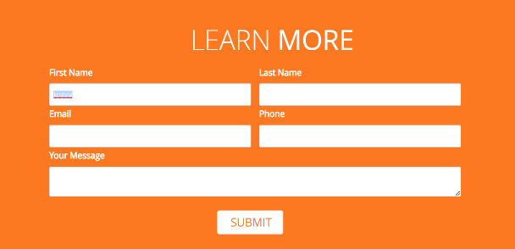 | New
ECRT_BG_29 | ECRT_NWS_50 | Clicking on each navigation link on the "NEWS" page should take the user to the intended page. | Clicking on the "Back to Top " link in the footer of the page is not working. | 1)open ecaret solution's site 2) Click on thel link "NEWS" on the header of the page 3)Scroll down and click the "Back To Top" link on the footer of the page | Major | p28 |  | New
ECRT_BG_30 |  | Clicking on each navigation link on the "NEWS" page should take the user to the intended page. | Clicking the link "PROCESS" is navigating to the home page. | 1)open ecaret solution's site 2) Click on thel link "NEWS" on the header of the page 3)click the "Proess" link on the header of the page | Major | p25 |  | New
ECRT_BG_31 | ECRT_HM_51 | All View pages should contain a short cut link which navigate to the home page. | There is no Short cut link to navigate to the home page in all view page | 1)open ecaret solution's site 2) Click on the all navigation links one at a time and check if it is navigating to a new page 3) Check for a short cut link which navigate to the home page in each view page | Major | p27 |  | New
ECRT_BG_32 | ECRT_INDSTR_29 | On clicking the sublinks expanded for links under dropedown menu ,the webpage should navigate to the corresponding page or perform the expected action associated with the selected sublink. | From the home page expanding the dropdown "Industries" and clicking the "Mobile Apps" link under "Service Industry", it is not navigating to indended page. From the current page expanding the dropdown "Industries" and clicking the "Mobile Apps" link under "Service Industry", it is navigating to the correct view page successfully. | 1)open ecaret solution's site 2) Click on the dropdown buttons "INDUSTRIES" 3)Click sublink "Service Industry" 4)Click "Mobile Apps" and wait to load the page 5) click dropdown button "INDUSTRIES" 6)click "Service Industry" 7)click "Mobile Apps" | Blocker | p3 | 