BUG REPORT
JATAYU EARTHS CENTER
OS:WINDOWS , BROWSER: FIREFOX |  |  |  |  | DATE:28/02/2023
VERIFIED BY: |  |  |  |  | TESTED BY: ARYA JAYAPRAKASH
BUG ID: | EXPECTED RESULT | BUG DESCRIPTION | STEPS TO REPRODUCE | SCREEN SHOT | SEVIERITY | PRIORITY | STATUS
DEF_JEC_01 | Book ticket link in hamburger menu perform online booking for Jatayu Sculpture & Cable Car | We can not do ticket booking through book ticket link for Jatayu sculpture and cable car booking | 1.Open the link https://jatayuearthscenter.in/ 2.Click book ticket sub link 3.Click book now of jatayu sculpture and cable car |  | Critical | P1 | New
DEF_JEC_02 | Book ticket link in hamburger menu perform online booking for Jatayu Sculpture & Walkway | We can not do ticket booking through book ticket link for Jatayu sculpture and walkway booking | 1.Open the link https://jatayuearthscenter.in/ 2.Click book ticket sub link 3.Click book now of jatayu sculpture and walk way | 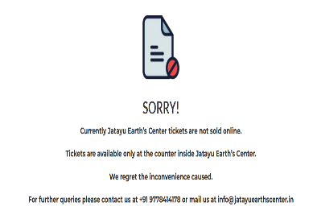 | Critical | P1 | New
DEF_JEC_03 | Book ticket link in hamburger menu perform online booking for Adventure Centre | We can not do ticket booking through book ticket link for Adventure Centre booking | 1.Open the link https://jatayuearthscenter.in/ 2.Click book ticket sub link 3.Click book now of Adventure Centre booking | 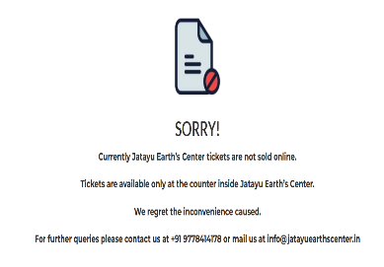 | Critical | P1 | New
DEF_JEC_04 | Book ticket link in hamburger menu perform online booking for Heli-taxi Ride | We can not do ticket booking through book ticket link for Heli-taxi Ride | 1.Open the link https://jatayuearthscenter.in/ 2.Click book ticket sub link 3.Click book now of Heli-taxi Ride |  | Critical | P1 | New
DEF_JEC_05 | Book ticket link in hamburger menu perform online booking for Zip Line | We can not do ticket booking through book ticket link for Zip Line | 1.Open the link https://jatayuearthscenter.in/ 2.Click book ticket sub link 3.Click book now of Zip Line | 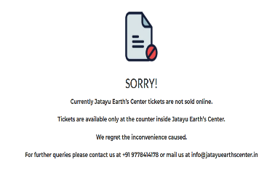 | Critical | P1 | New
DEF_JEC_06 | Opens the Responsible Tourism tab in homepage | Cannot open the page | 1.Open the link https://jatayuearthscenter.in/ 2.Click the Responsible Tourism tab |  | Major | P1 | New
DEF_JEC_07 | We can unmute the play button for watch video of Cable Car in home page | Cannot unmute the video | 1.Open the link https://jatayuearthscenter.in/ 2.Click the Responsible Tourism tab | 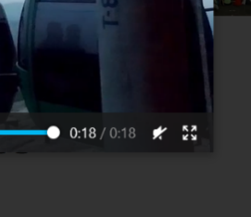 | Minor | P2 | New
DEF_JEC_08 | Able to book your visit near cable car icon | Cannot perform booking | 1.Open the link https://jatayuearthscenter.in/ 2.Click the book your visit tab near cable car icon |  | Critical | P1 | New
DEF_JEC_09 | Able to the book your visit near walk way play button | Cannot perform booking | 1.Open the link https://jatayuearthscenter.in/ 2.Click the book your visit tab near walkway play button |  | Critical | P1 | New
DEF_JEC_10 | Team Building Games icon is directed to that page | Cannot directed to team building games page | 1.Open the link https://jatayuearthscenter.in/ 2.Click the team building games icon |  | Major | P1 | New
DEF_JEC_11 | The Safety Standard icon is opens to that page | Cannot directed to safety standard page | 1.Open the link https://jatayuearthscenter.in/ 2.Click the safety standard icon |  | Major | P1 | New
DEF_JEC_12 | Able to book your ride tab comes under the Fly in, conveniently | Cannot perform booking | 1.Open the link https://jatayuearthscenter.in/ 2.Click the book your ride tab comes under the fly in conveniently |  | Major | P1 | New
DEF_JEC_13 | Create a new agent id | we cannot able to create an id | 1.Open the link https://jatayuearthscenter.in/ 2.Click the sign up tab 3.Enter the credentials |  | Critical | P1 | New
DEF_JEC_14 | When we click Instagram icon it should directed to Instagram page | Instagram page doesn't open | 1.Open the link https://jatayuearthscenter.in/ 2.Click the Instagram icon |  | Major | P1 | New
DEF_JEC_15 | Contact number contains country code | Have no country code in contact us tab and in home page | 1.Open the link https://jatayuearthscenter.in/ 2.Click the hamburger menu 3. Contact us |  | Minor | P1 | New
DEF_JEC_16 | Contact number contains alternate phone number | No alternate number | 1.Open the link https://jatayuearthscenter.in/ 2.Click the hamburger menu 3. Contact us |  | Enhancement | P1 | New
DEF_JEC_17 | There should no misspelled words | Some misspelled words are there | 1.Open the link https://jatayuearthscenter.in/ |  | Trivial | P2 | New
DEF_JEC_18 | Should contains the details of the fee | Not mentioned anywhere | 1.Open the link https://jatayuearthscenter.in/ |  | Enhancement | P1 | New
DEF_JEC_19
DEF_JEC_20

DEFECT DISTRIBUTION
DEFECT DISTRIBUTION GRAPH
MODULE NAME | DEFECT DISTRIBUTION
HOME PAGE | 14
HAMBURGER MENU | 3
BOOK NOW | 5

