Q1
What is the average number of orders per customer? Are there high-value repeat customers?

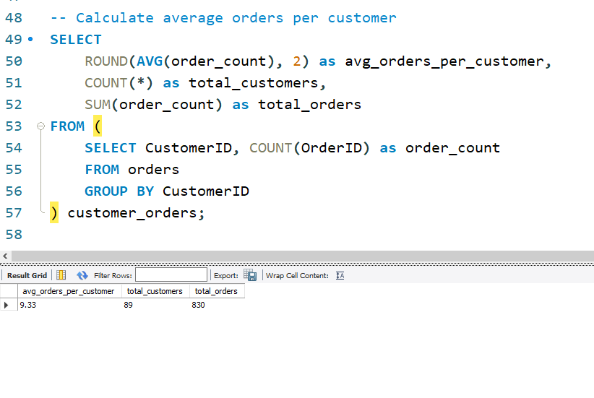
 |  | Avg_order_per_customer
 |  | 9.33

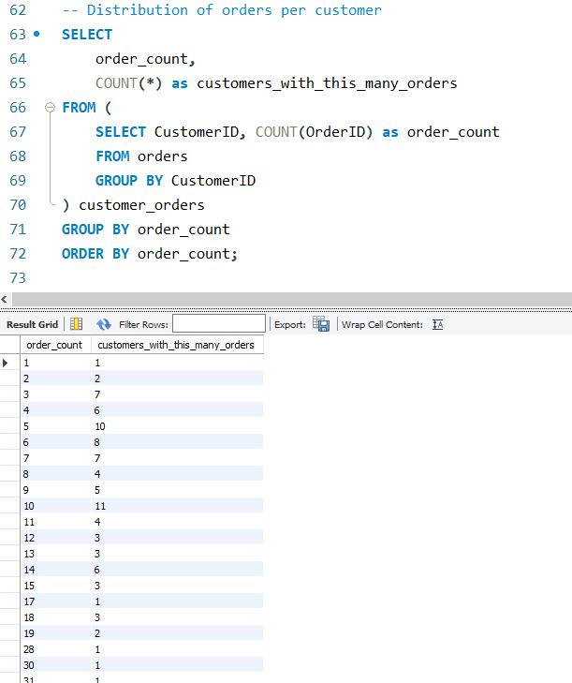

order count for n number of customer
 | order_count | customers_with_this_many_orders
 | 1 | 1
 | 2 | 2
 | 3 | 7
 | 4 | 6
 | 5 | 10
 | 6 | 8
 | 7 | 7
 | 8 | 4
 | 9 | 5
 | 10 | 11
 | 11 | 4
 | 12 | 3
 | 13 | 3
 | 14 | 6
 | 15 | 3
 | 17 | 1
 | 18 | 3
 | 19 | 2
 | 28 | 1
 | 30 | 1
 | 31 | 1

Q2
q2

How do customer order patterns vary by city or country?

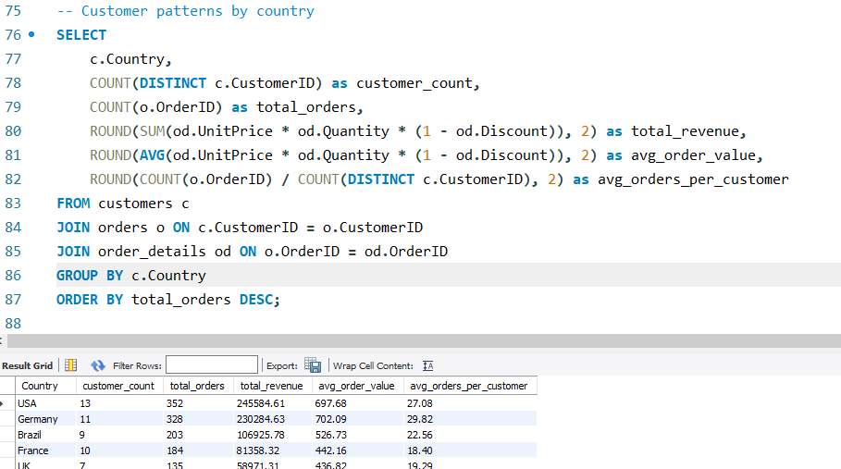

Customer Count vs Total Revenue
Country wise avg_orders_per_customer
County Wise total orders
 | Country | customer_count | total_orders | total_revenue | avg_order_value | avg_orders_per_customer
 | USA | 13 | 352 | 245584.61 | 697.68 | 27.08
 | Germany | 11 | 328 | 230284.63 | 702.09 | 29.82
 | Brazil | 9 | 203 | 106925.78 | 526.73 | 22.56
 | France | 10 | 184 | 81358.32 | 442.16 | 18.4
 | UK | 7 | 135 | 58971.31 | 436.82 | 19.29
 | Austria | 2 | 125 | 128003.84 | 1024.03 | 62.5
 | Venezuela | 4 | 118 | 56810.63 | 481.45 | 29.5
 | Sweden | 2 | 97 | 54495.14 | 561.81 | 48.5
 | Canada | 3 | 75 | 50196.29 | 669.28 | 25
 | Mexico | 5 | 72 | 23582.08 | 327.53 | 14.4
 | Belgium | 2 | 56 | 33824.85 | 604.02 | 28
 | Ireland | 1 | 55 | 49979.9 | 908.73 | 55
 | Finland | 2 | 54 | 18810.05 | 348.33 | 27
 | Spain | 4 | 54 | 17983.2 | 333.02 | 13.5
 | Italy | 3 | 53 | 15770.15 | 297.55 | 17.67
 | Switzerland | 2 | 52 | 31692.66 | 609.47 | 26
 | Denmark | 2 | 46 | 32661.02 | 710.02 | 23
 | Argentina | 3 | 34 | 8119.1 | 238.8 | 11.33
 | Portugal | 2 | 30 | 11472.36 | 382.41 | 15
 | Norway | 1 | 16 | 5735.15 | 358.45 | 16
 | Poland | 1 | 16 | 3531.95 | 220.75 | 16

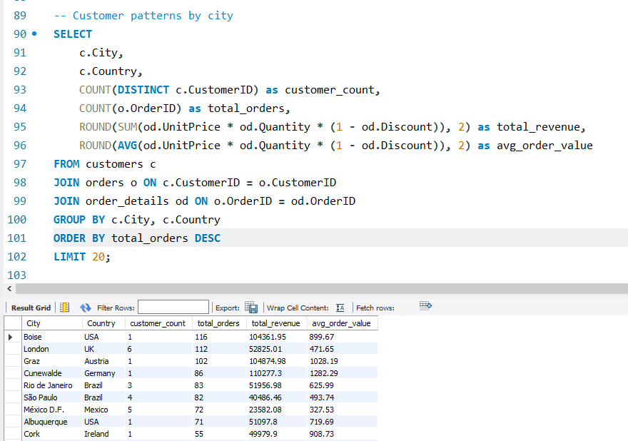
City wise total_orders
 | City | Country | customer_count | total_orders | total_revenue | avg_order_value
 | Boise | USA | 1 | 116 | 104361.95 | 899.67
 | London | UK | 6 | 112 | 52825.01 | 471.65
 | Graz | Austria | 1 | 102 | 104874.98 | 1028.19
 | Cunewalde | Germany | 1 | 86 | 110277.3 | 1282.29
 | Rio de Janeiro | Brazil | 3 | 83 | 51956.98 | 625.99 | Insights Gathered
 | São Paulo | Brazil | 4 | 82 | 40486.46 | 493.74
 | México D.F. | Mexico | 5 | 72 | 23582.08 | 327.53
 | Albuquerque | USA | 1 | 71 | 51097.8 | 719.69 | 1 | Market Leaders: USA (352 orders) and Germany (328 orders) dominate sales
 | Cork | Ireland | 1 | 55 | 49979.9 | 908.73 | 2 | Customer Loyalty: Germany highest at 29.82 avg orders per customer
 | Luleå | Sweden | 1 | 52 | 24927.58 | 479.38 | 3 | City Concentration: Brandenburg and Boise lead urban markets
 | München | Germany | 1 | 48 | 26656.56 | 555.34 | 4 | Revenue Correlation: Strong relationship between customer count and total revenue
 | San Cristóbal | Venezuela | 1 | 45 | 22768.76 | 505.97 | 5 | Growth Opportunity: Several countries show high revenue per customer efficiency
 | Bräcke | Sweden | 1 | 45 | 29567.56 | 657.06
 | Marseille | France | 1 | 44 | 21963.25 | 499.16
 | Seattle | USA | 1 | 40 | 27363.6 | 684.09
 | Frankfurt a.M. | Germany | 1 | 39 | 19261.41 | 493.88
 | Brandenburg | Germany | 1 | 39 | 30908.38 | 792.52
 | Charleroi | Belgium | 1 | 39 | 24088.78 | 617.66
 | Oulu | Finland | 1 | 37 | 15648.7 | 422.94
 | I. de Margarita | Venezuela | 1 | 35 | 16476.56 | 470.76

Q3
Segmented ClusterType
Can we cluster customers based on total spend, order count, and preferred categories?
 |  |  |  |  |  |  |  |  | Cluster type | Count
 |  |  |  |  |  |  |  |  | High-Value Frequent | 28
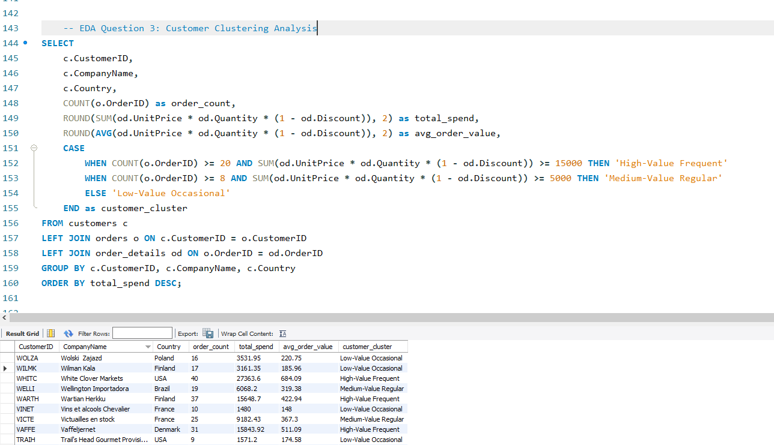
 |  |  |  |  |  |  |  |  | Medium-Value Regular | 27
 |  |  |  |  |  |  |  |  | Low-Value Occasional | 36
Top 15 Customers by Total_Spend

 | 1 | CustomerID | CompanyName | Country | order_count | total_spend | avg_order_value | customer_cluster
 | 2 | QUICK | QUICK-Stop | Germany | 86 | 110277.3 | 1282.29 | High-Value Frequent
 | 3 | ERNSH | Ernst Handel | Austria | 102 | 104874.98 | 1028.19 | High-Value Frequent
 | 4 | SAVEA | Save-a-lot Markets | USA | 116 | 104361.95 | 899.67 | High-Value Frequent
 | 5 | RATTC | Rattlesnake Canyon Grocery | USA | 71 | 51097.8 | 719.69 | High-Value Frequent
 | 6 | HUNGO | Hungry Owl All-Night Grocers | Ireland | 55 | 49979.9 | 908.73 | High-Value Frequent
 | 7 | HANAR | Hanari Carnes | Brazil | 32 | 32841.37 | 1026.29 | High-Value Frequent
 | 8 | KOENE | Königlich Essen | Germany | 39 | 30908.38 | 792.52 | High-Value Frequent
 | 9 | FOLKO | Folk och fä HB | Sweden | 45 | 29567.56 | 657.06 | High-Value Frequent
 | 10 | MEREP | Mère Paillarde | Canada | 32 | 28872.19 | 902.26 | High-Value Frequent
 | 11 | WHITC | White Clover Markets | USA | 40 | 27363.6 | 684.09 | High-Value Frequent
 | 12 | FRANK | Frankenversand | Germany | 48 | 26656.56 | 555.34 | High-Value Frequent
 | 13 | QUEEN | Queen Cozinha | Brazil | 40 | 25717.5 | 642.94 | High-Value Frequent
 | 14 | BERGS | Berglunds snabbköp | Sweden | 52 | 24927.58 | 479.38 | High-Value Frequent
 | 15 | SUPRD | Suprêmes délices | Belgium | 39 | 24088.78 | 617.66 | High-Value Frequent
 |  | PICCO | Piccolo und mehr | Austria | 23 | 23128.86 | 1005.6 | High-Value Frequent
 |  | HILAA | HILARIÓN-Abastos | Venezuela | 45 | 22768.76 | 505.97 | High-Value Frequent
 |  | BONAP | Bon app' | France | 44 | 21963.25 | 499.16 | High-Value Frequent
 |  | BOTTM | Bottom-Dollar Markets | Canada | 35 | 20801.6 | 594.33 | High-Value Frequent
Customer Clustering: Orders vs Spending
 | total_spend
86 | 110277.3
102 | 104874.98
116 | 104361.95
71 | 51097.8
55 | 49979.9
32 | 32841.37
39 | 30908.38
45 | 29567.56
32 | 28872.19
40 | 27363.6
48 | 26656.56
40 | 25717.5
52 | 24927.58
39 | 24088.78
23 | 23128.86
45 | 22768.76
44 | 21963.25
35 | 20801.6
30 | 19343.78
39 | 19261.41
26 | 18534.08
22 | 18507.45
15 | 16817.1
35 | 16476.56
26 | 16215.32
34 | 16076.6
31 | 15843.92
37 | 15648.7
24 | 15177.46
21 | 14761.04
30 | 13390.65
29 | 12496.2
27 | 12450.8
22 | 12348.88
16 | 11666.9
26 | 11446.36
20 | 11441.63
29 | 10812.15
17 | 9736.07
26 | 9588.42
31 | 9328.2
25 | 9182.43
19 | 8414.13
21 | 7176.21
22 | 7048.24
17 | 7023.98
13 | 6850.66
24 | 6664.81
20 | 6427.42
23 | 6146.3
...
 |  | RICSU | Richter Supermarkt | Switzerland | 30 | 19343.78 | 644.79 | High-Value Frequent
 |  | LEHMS | Lehmanns Marktstand | Germany | 39 | 19261.41 | 493.88 | High-Value Frequent
 |  | BLONP | Blondel père et fils | France | 26 | 18534.08 | 712.85 | High-Value Frequent
 |  | GREAL | Great Lakes Food Market | USA | 22 | 18507.45 | 841.25 | High-Value Frequent |  |  |  | Insights
 |  | SIMOB | Simons bistro | Denmark | 15 | 16817.1 | 1121.14 | Medium-Value Regular |  |  | 1 | Elite Customer Concentration: 3-4 VIP customers (80+ orders, $110K+ spend) drive significant revenue
 |  | LINOD | LINO-Delicateses | Venezuela | 35 | 16476.56 | 470.76 | High-Value Frequent |  |  | 2 | Clear Segmentation: Three distinct clusters visible - majority are low-value occasional buyers
 |  | SEVES | Seven Seas Imports | UK | 26 | 16215.32 | 623.67 | High-Value Frequent |  |  | 3 | High-Value Efficiency: Some customers achieve high spending with moderate order frequency (premium buyer
 |  | LILAS | LILA-Supermercado | Venezuela | 34 | 16076.6 | 472.84 | High-Value Frequent |  |  | 4 | Growth Potential: Clear gaps between segments indicate opportunity for customer advancement programs
 |  | VAFFE | Vaffeljernet | Denmark | 31 | 15843.92 | 511.09 | High-Value Frequent |  |  | 5 | Revenue Concentration: Power law distribution shows small percentage of customers generate majority of revenue
 |  | WARTH | Wartian Herkku | Finland | 37 | 15648.7 | 422.94 | High-Value Frequent
 |  | OLDWO | Old World Delicatessen | USA | 24 | 15177.46 | 632.39 | High-Value Frequent
 |  | EASTC | Eastern Connection | UK | 21 | 14761.04 | 702.91 | Medium-Value Regular
 |  | AROUT | Around the Horn | UK | 30 | 13390.65 | 446.35 | Medium-Value Regular
 |  | OTTIK | Ottilies Käseladen | Germany | 29 | 12496.2 | 430.9 | Medium-Value Regular
 |  | RICAR | Ricardo Adocicados | Brazil | 27 | 12450.8 | 461.14 | Medium-Value Regular
 |  | CHOPS | Chop-suey Chinese | Switzerland | 22 | 12348.88 | 561.31 | Medium-Value Regular
 |  | FOLIG | Folies gourmandes | France | 16 | 11666.9 | 729.18 | Medium-Value Regular
 |  | GODOS | Godos Cocina Típica | Spain | 26 | 11446.36 | 440.24 | Medium-Value Regular
 |  | SPLIR | Split Rail Beer & Ale | USA | 20 | 11441.63 | 572.08 | Medium-Value Regular
 |  | TORTU | Tortuga Restaurante | Mexico | 29 | 10812.15 | 372.83 | Medium-Value Regular
 |  | MAISD | Maison Dewey | Belgium | 17 | 9736.07 | 572.71 | Medium-Value Regular
 |  | WANDK | Die Wandernde Kuh | Germany | 26 | 9588.42 | 368.79 | Medium-Value Regular
 |  | LAMAI | La maison d'Asie | France | 31 | 9328.2 | 300.91 | Medium-Value Regular
 |  | VICTE | Victuailles en stock | France | 25 | 9182.43 | 367.3 | Medium-Value Regular
 |  | GOURL | Gourmet Lanchonetes | Brazil | 19 | 8414.13 | 442.85 | Medium-Value Regular
 |  | MAGAA | Magazzini Alimentari Riuniti | Italy | 21 | 7176.21 | 341.72 | Medium-Value Regular
 |  | REGGC | Reggiani Caseifici | Italy | 22 | 7048.24 | 320.37 | Medium-Value Regular
 |  | ANTON | Antonio Moreno Taquería | Mexico | 17 | 7023.98 | 413.18 | Medium-Value Regular
 |  | TRADH | Tradição Hipermercados | Brazil | 13 | 6850.66 | 526.97 | Medium-Value Regular
 |  | QUEDE | Que Delícia | Brazil | 24 | 6664.81 | 277.7 | Medium-Value Regular
 |  | FURIB | Furia Bacalhau e Frutos do Mar | Portugal | 20 | 6427.42 | 321.37 | Medium-Value Regular
 |  | ISLAT | Island Trading | UK | 23 | 6146.3 | 267.23 | Medium-Value Regular
 |  | BSBEV | B's Beverages | UK | 22 | 6089.9 | 276.81 | Medium-Value Regular
 |  | WELLI | Wellington Importadora | Brazil | 19 | 6068.2 | 319.38 | Medium-Value Regular
 |  | SANTG | Santé Gourmet | Norway | 16 | 5735.15 | 358.45 | Medium-Value Regular
 |  | PRINI | Princesa Isabel Vinhos | Portugal | 10 | 5044.94 | 504.49 | Medium-Value Regular
 |  | MORGK | Morgenstern Gesundkost | Germany | 11 | 5042.2 | 458.38 | Medium-Value Regular
 |  | TOMSP | Toms Spezialitäten | Germany | 14 | 4778.14 | 341.3 | Low-Value Occasional
 |  | ALFKI | Alfreds Futterkiste | Germany | 12 | 4273 | 356.08 | Low-Value Occasional
 |  | LONEP | Lonesome Pine Restaurant | USA | 14 | 4258.6 | 304.19 | Low-Value Occasional
 |  | PERIC | Pericles Comidas clásicas | Mexico | 14 | 4242.2 | 303.01 | Low-Value Occasional
 |  | BOLID | Bólido Comidas preparadas | Spain | 6 | 4232.85 | 705.47 | Low-Value Occasional
 |  | FAMIA | Familia Arquibaldo | Brazil | 19 | 4107.55 | 216.19 | Low-Value Occasional
 |  | COMMI | Comércio Mineiro | Brazil | 10 | 3810.75 | 381.08 | Low-Value Occasional
 |  | DRACD | Drachenblut Delikatessen | Germany | 10 | 3763.21 | 376.32 | Low-Value Occasional
 |  | WOLZA | Wolski Zajazd | Poland | 16 | 3531.95 | 220.75 | Low-Value Occasional
 |  | OCEAN | Océano Atlántico Ltda. | Argentina | 11 | 3460.2 | 314.56 | Low-Value Occasional
 |  | THEBI | The Big Cheese | USA | 7 | 3361 | 480.14 | Low-Value Occasional
 |  | BLAUS | Blauer See Delikatessen | Germany | 14 | 3239.8 | 231.41 | Low-Value Occasional
 |  | FRANR | France restauration | France | 6 | 3172.16 | 528.69 | Low-Value Occasional
 |  | WILMK | Wilman Kala | Finland | 17 | 3161.35 | 185.96 | Low-Value Occasional
 |  | LETSS | Let's Stop N Shop | USA | 10 | 3076.47 | 307.65 | Low-Value Occasional
 |  | HUNGC | Hungry Coyote Import Store | USA | 9 | 3063.2 | 340.36 | Low-Value Occasional
 |  | RANCH | Rancho grande | Argentina | 12 | 2844.1 | 237.01 | Low-Value Occasional
 |  | SPECD | Spécialités du monde | France | 6 | 2423.35 | 403.89 | Low-Value Occasional
 |  | LACOR | La corne d'abondance | France | 11 | 1992.05 | 181.1 | Low-Value Occasional
 |  | THECR | The Cracker Box | USA | 8 | 1947.24 | 243.4 | Low-Value Occasional
 |  | CACTU | Cactus Comidas para llevar | Argentina | 11 | 1814.8 | 164.98 | Low-Value Occasional
 |  | CONSH | Consolidated Holdings | UK | 7 | 1719.1 | 245.59 | Low-Value Occasional
 |  | DUMON | Du monde entier | France | 9 | 1615.9 | 179.54 | Low-Value Occasional
 |  | TRAIH | Trail's Head Gourmet Provisioners | USA | 9 | 1571.2 | 174.58 | Low-Value Occasional
 |  | FRANS | Franchi S.p.A. | Italy | 10 | 1545.7 | 154.57 | Low-Value Occasional
 |  | GROSR | GROSELLA-Restaurante | Venezuela | 4 | 1488.7 | 372.18 | Low-Value Occasional
 |  | VINET | Vins et alcools Chevalier | France | 10 | 1480 | 148 | Low-Value Occasional
 |  | ROMEY | Romero y tomillo | Spain | 14 | 1467.29 | 104.81 | Low-Value Occasional
 |  | ANATR | Ana Trujillo Emparedados y helados | Mexico | 10 | 1402.95 | 140.3 | Low-Value Occasional
 |  | GALED | Galería del gastrónomo | Spain | 8 | 836.7 | 104.59 | Low-Value Occasional
 |  | NORTS | North/South | UK | 6 | 649 | 108.17 | Low-Value Occasional
 |  | LAUGB | Laughing Bacchus Wine Cellars | Canada | 8 | 522.5 | 65.31 | Low-Value Occasional
 |  | LAZYK | Lazy K Kountry Store | USA | 2 | 357 | 178.5 | Low-Value Occasional
 |  | CENTC | Centro comercial Moctezuma | Mexico | 2 | 100.8 | 50.4 | Low-Value Occasional
 |  | FISSA | FISSA Fabrica Inter. Salchichas S.A. | Spain | 0 |  |  | Low-Value Occasional
 |  | PARIS | Paris spécialités | France | 0 |  |  | Low-Value Occasional

Q4
4.Which product categories or products contribute most to order revenue?
5 .Are there any correlations between orders and customer location or product category?

Total_Revenue

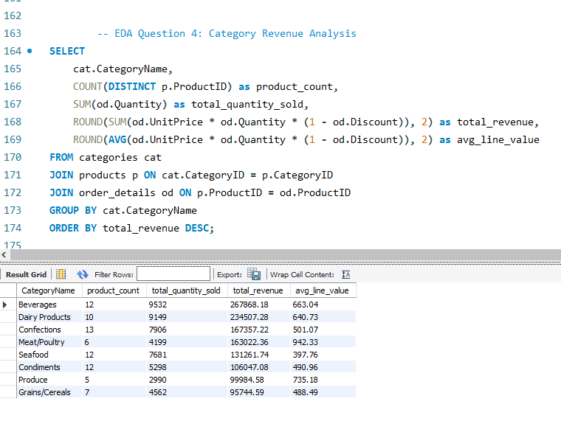

 |  |  | CategoryName | product_count | total_quantity_sold | total_revenue | avg_line_value
 |  |  | Beverages | 12 | 9532 | 267868.18 | 663.04
 |  |  | Dairy Products | 10 | 9149 | 234507.28 | 640.73
 |  |  | Confections | 13 | 7906 | 167357.22 | 501.07
 |  |  | Meat/Poultry | 6 | 4199 | 163022.36 | 942.33
 |  |  | Seafood | 12 | 7681 | 131261.74 | 397.76
 |  |  | Condiments | 12 | 5298 | 106047.08 | 490.96
 |  |  | Produce | 5 | 2990 | 99984.58 | 735.18
 |  |  | Grains/Cereals | 7 | 4562 | 95744.59 | 488.49

Product Count by Category
Total_revenue by product category

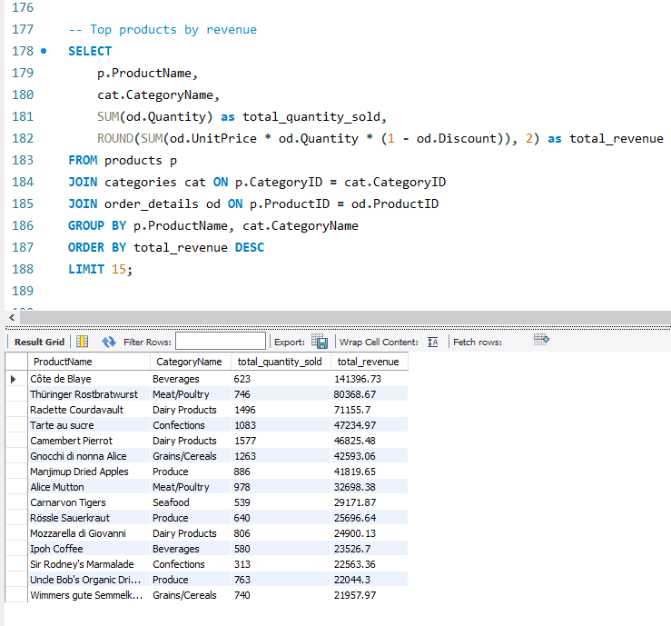
Top 15 Products by Revenue
 |  |  | ProductName | CategoryName | total_quantity_sold | total_revenue
 |  |  | Côte de Blaye | Beverages | 623 | 141396.73
 |  |  | Thüringer Rostbratwurst | Meat/Poultry | 746 | 80368.67
 |  |  | Raclette Courdavault | Dairy Products | 1496 | 71155.7
 |  |  | Tarte au sucre | Confections | 1083 | 47234.97
 |  |  | Camembert Pierrot | Dairy Products | 1577 | 46825.48
 |  |  | Gnocchi di nonna Alice | Grains/Cereals | 1263 | 42593.06
 |  |  | Manjimup Dried Apples | Produce | 886 | 41819.65
 |  |  | Alice Mutton | Meat/Poultry | 978 | 32698.38
 |  |  | Carnarvon Tigers | Seafood | 539 | 29171.87
 |  |  | Rössle Sauerkraut | Produce | 640 | 25696.64
 |  |  | Mozzarella di Giovanni | Dairy Products | 806 | 24900.13
 |  |  | Ipoh Coffee | Beverages | 580 | 23526.7
 |  |  | Sir Rodney's Marmalade | Confections | 313 | 22563.36
 |  |  | Uncle Bob's Organic Dried Pears | Produce | 763 | 22044.3
 |  |  | Wimmers gute Semmelknödel | Grains/Cereals | 740 | 21957.97

 |  |  |  | Question 5: Location-Category Correlations
 |  | Question 4: Product Category Revenue Contribution

 | 1 | Revenue Leaders: Beverages ($267,868) and Dairy Products ($234,507) dominate with 44% of total revenue |  | 1 | Geographic Preferences: USA and Germany favor beverages and dairy products
 | 2 | Premium Performance: Côte de Blaye single product generates $141,396 (5.3% of total) |  | 2 | Regional Specialization: Different countries show distinct category buying patterns
 | 3 | Category Concentration: Top 3 categories drive 60% of revenue |  | 3 | Premium Market Correlation: High-revenue countries prefer high-margin categories
 | 4 | High-Value Products: Top 15 products significantly outperform others |  | 4 | Customer Location Prediction: Geographic location strongly correlates with product category preferences

Q5
How frequently do different customer segments place orders?

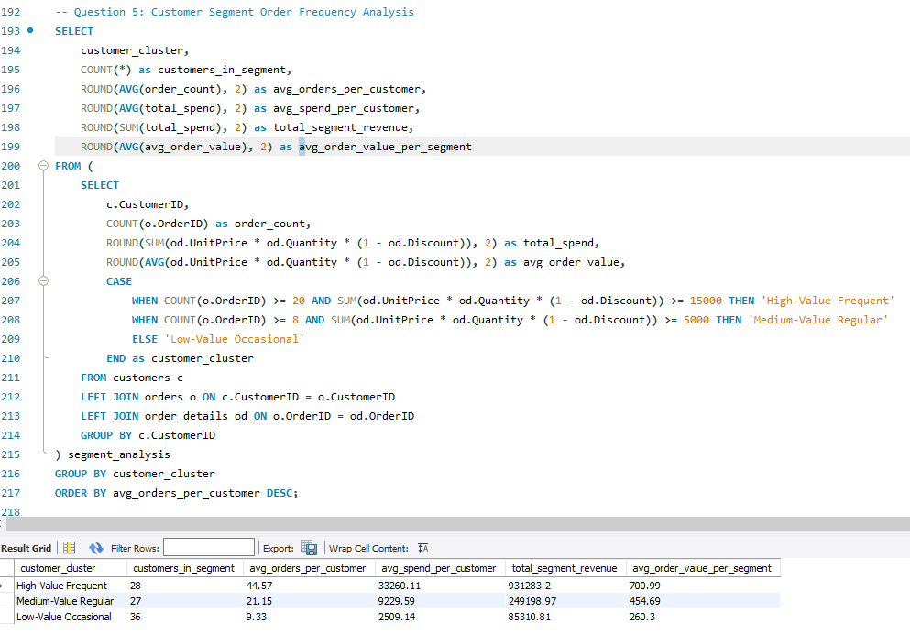
 | customer_cluster | customers_in_segment | avg_orders_per_customer | avg_spend_per_customer | total_segment_revenue | avg_order_value_per_segment
 | High-Value Frequent | 28 | 44.57 | 33260.11 | 931283.2 | 700.99
 | Medium-Value Regular | 27 | 21.15 | 9229.59 | 249198.97 | 454.69
 | Low-Value Occasional | 36 | 9.33 | 2509.14 | 85310.81 | 260.3

Average Orders per Customer by Segment
Total Revenue by Customer Segment

 |  | Insights
 | 1 | High-Value Frequent: 28 customers, 44.57 avg orders, generate $931K revenue (67% of total)
 | 2 | Medium-Value Regular: 27 customers, 21.15 avg orders, contribute $249K revenue (18% of total)
 | 3 | Low-Value Occasional: 36 customers, 9.33 avg orders, only $85K revenue (6% of total)
 | 4 | Frequency Gap: 2.1x order frequency difference between high-value and medium segments

Q6
What is the geographic and title-wise distribution of employees?

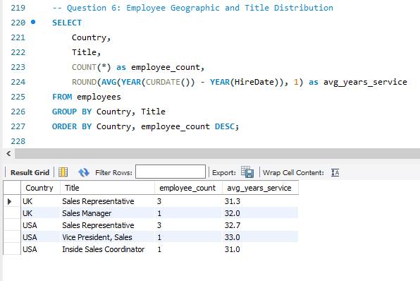
Employee Distribution by Country and Title
 | Country | Title | employee_count | avg_years_service
 | UK | Sales Representative | 3 | 31.3
 | UK | Sales Manager | 1 | 32
 | USA | Sales Representative | 3 | 32.7
 | USA | Vice President, Sales | 1 | 33
 | USA | Inside Sales Coordinator | 1 | 31

Average Years of Service by Job Title

 |  | Insights
 | 1 | Location Split: UK (4 employees) vs USA (5 employees) - balanced distribution
 | 2 | Role Distribution: Sales Representatives dominate (6 total) across both countries
 | 3 | Management Structure: 1 manager per country, 1 VP in USA
 | 4 | Tenure Consistency: Similar avg service years (31-33) across roles and locations

Q7
What trends can we observe in hire dates across employee titles?

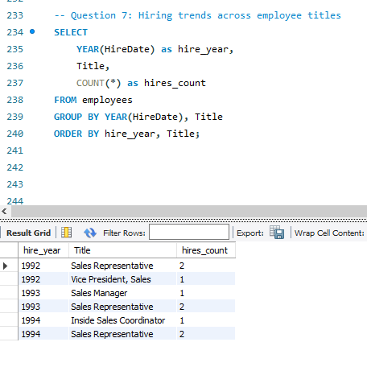

 |  | hire_year | Title | hires_count
 |  | 1992 | Sales Representative | 2
 |  | 1992 | Vice President, Sales | 1
 |  | 1993 | Sales Manager | 1
 |  | 1993 | Sales Representative | 2
 |  | 1994 | Inside Sales Coordinator | 1
 |  | 1994 | Sales Representative | 2

 |  | Sum of hires_count | Column Labels |  |  |  | Hire_year | Total Hire by year
 |  | Row Labels | Inside Sales Coordinator | Sales Manager | Sales Representative | Vice President, Sales | 1992 | 3
 |  | 1992 |  |  | 2 | 1 | 1993 | 3
 |  | 1993 |  | 1 | 2 |  | 1994 | 3
 |  | 1994 | 1 |  | 2

 | Inside Sales Coordinator | Sales Manager | Sales Representative | Vice President, Sales
1992 |  |  | 2 | 1
1993 |  | 1 | 2
1994 | 1 |  | 2

 |  | Insights
 | 1 | Consistent Hiring: Steady 3 hires per year from 1992-1994
 | 2 | Leadership First: VP position filled early (1992) - senior leadership priority
 | 3 | Sales Focus: Sales Representatives hired consistently across all years
 | 4 | Gradual Structure: Management roles (Sales Manager) added in growth phase (1993)
 | 5 | Specialization: Coordinator role added later (1994) showing organizational maturity

Q8
What patterns exist in employee title and courtesy title distributions?

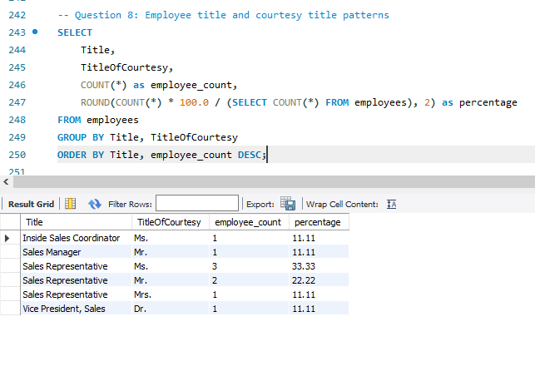

 |  |  |  |  |  |  | Courtesy Title | Count
 |  |  | Title | TitleOfCourtesy | employee_count | percentage | Mr. | 3
 |  |  | Inside Sales Coordinator | Ms. | 1 | 11.11 | Ms. | 4
 |  |  | Sales Manager | Mr. | 1 | 11.11 | Mrs. | 1
 |  |  | Sales Representative | Ms. | 3 | 33.33 | Dr. | 1
 |  |  | Sales Representative | Mr. | 2 | 22.22
 |  |  | Sales Representative | Mrs. | 1 | 11.11
 |  |  | Vice President, Sales | Dr. | 1 | 11.11

 |  | Insights
 | 1 | Courtesy Distribution: Ms. most common (44.4%), followed by Mr. (33.3%)
 | 2 | Professional Titles: 1 employee uses Dr. title, indicating advanced qualification
 | 3 | Marital Status: Mixed Ms./Mrs. usage among female employees
 | 4 | Title Consistency: All employees use formal courtesy titles professionally

Q9
Are there correlations between product pricing, stock levels, and sales performance?
 |  |  |  |  |  |  |  |  |  |  |  |  |  | Price Category | total_revenue
 |  |  |  |  |  |  |  |  |  |  |  |  |  | High Price | 393702.48
Product Price vs Revenue Correlation
 |  |  |  |  |  |  |  |  |  |  |  |  |  | Medium Price | 575570.26
 |  |  |  |  |  |  |  |  |  |  |  |  |  | Low Price | 296520.25
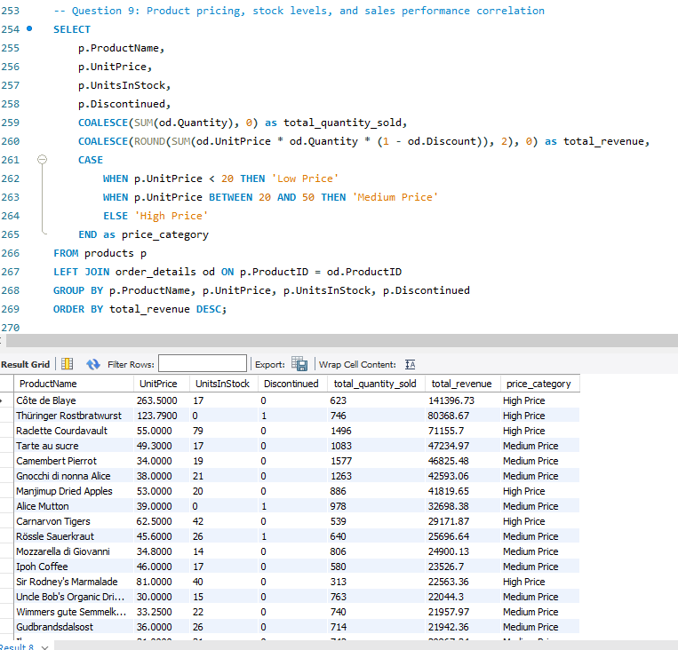
 | ProductName | UnitPrice | UnitsInStock | Discontinued | total_quantity_sold | total_revenue | price_category
 | Côte de Blaye | 263.5 | 17 | 0 | 623 | 141396.73 | High Price
Revenue by Price Category
 | Thüringer Rostbratwurst | 123.79 | 0 | 1 | 746 | 80368.67 | High Price
 | Raclette Courdavault | 55 | 79 | 0 | 1496 | 71155.7 | High Price
 | Tarte au sucre | 49.3 | 17 | 0 | 1083 | 47234.97 | Medium Price
 | Camembert Pierrot | 34 | 19 | 0 | 1577 | 46825.48 | Medium Price
 | Gnocchi di nonna Alice | 38 | 21 | 0 | 1263 | 42593.06 | Medium Price
 | Manjimup Dried Apples | 53 | 20 | 0 | 886 | 41819.65 | High Price
 | Alice Mutton | 39 | 0 | 1 | 978 | 32698.38 | Medium Price
 | Carnarvon Tigers | 62.5 | 42 | 0 | 539 | 29171.87 | High Price
 | Rössle Sauerkraut | 45.6 | 26 | 1 | 640 | 25696.64 | Medium Price
 | Mozzarella di Giovanni | 34.8 | 14 | 0 | 806 | 24900.13 | Medium Price
 | Ipoh Coffee | 46 | 17 | 0 | 580 | 23526.7 | Medium Price
 | Sir Rodney's Marmalade | 81 | 40 | 0 | 313 | 22563.36 | High Price
 | Uncle Bob's Organic Dried Pears | 30 | 15 | 0 | 763 | 22044.3 | Medium Price
 | Wimmers gute Semmelknödel | 33.25 | 22 | 0 | 740 | 21957.97 | Medium Price
 | Gudbrandsdalsost | 36 | 26 | 0 | 714 | 21942.36 | Medium Price
 | Ikura | 31 | 31 | 0 | 742 | 20867.34 | Medium Price
 | Perth Pasties | 32.8 | 0 | 1 | 722 | 20574.17 | Medium Price
 | Gumbär Gummibärchen | 31.23 | 15 | 0 | 753 | 19849.14 | Medium Price
 | Fløtemysost | 21.5 | 26 | 0 | 1057 | 19551.02 | Medium Price
 | Boston Crab Meat | 18.4 | 123 | 0 | 1103 | 17910.63 | Low Price
 | Pâté chinois | 24 | 115 | 0 | 903 | 17426.4 | Medium Price |  |  |  |  | Revenue by Price Category:
 | Pavlova | 17.45 | 29 | 0 | 1158 | 17215.78 | Low Price
 | Vegie-spread | 43.9 | 24 | 0 | 445 | 16701.09 | Medium Price | Price vs Revenue Correlation: |  |  |  | Medium Price dominates - highest total revenue
 | Chang | 19 | 17 | 0 | 1057 | 16355.96 | Low Price |  |  |  |  | Low Price second - volume-driven success
 | Lakkalikööri | 18 | 57 | 0 | 981 | 15760.44 | Low Price | Negative correlation - Higher priced products don't always generate more revenue |  |  |  | High Price lowest - niche/limited market
 | Schoggi Schokolade | 43.9 | 49 | 0 | 365 | 15099.88 | Medium Price | Sweet spot appears to be in medium price range
 | Gorgonzola Telino | 12.5 | 0 | 0 | 1397 | 14920.87 | Low Price | Trendline shows price alone doesn't predict success
 | Sirop d'érable | 28.5 | 113 | 0 | 603 | 14352.6 | Medium Price
 | Louisiana Fiery Hot Pepper Sauce | 21.05 | 76 | 0 | 745 | 13869.89 | Medium Price
 | Steeleye Stout | 18 | 20 | 0 | 883 | 13644 | Low Price
 | Inlagd Sill | 19 | 112 | 0 | 805 | 13458.46 | Low Price
 | Nord-Ost Matjeshering | 25.89 | 10 | 0 | 612 | 13424.2 | Medium Price
Stock Levels vs Sales Quantity
Top 10 Products: Price vs Revenue
 | Queso Cabrales | 21 | 22 | 0 | 706 | 12901.77 | Medium Price
 | Chai | 18 | 39 | 0 | 828 | 12788.1 | Low Price
 | Northwoods Cranberry Sauce | 40 | 6 | 0 | 372 | 12772 | Medium Price
 | Chartreuse verte | 18 | 69 | 0 | 793 | 12294.54 | Low Price
 | Queso Manchego La Pastora | 38 | 86 | 0 | 344 | 12257.66 | Medium Price
 | Outback Lager | 15 | 15 | 0 | 817 | 10672.65 | Low Price
 | Gula Malacca | 19.45 | 27 | 0 | 601 | 9915.94 | Low Price
 | Maxilaku | 20 | 10 | 0 | 520 | 9244.6 | Medium Price
 | Original Frankfurter grüne Soße | 13 | 32 | 0 | 791 | 9171.63 | Low Price
 | Sir Rodney's Scones | 10 | 3 | 0 | 1016 | 9104 | Low Price
 | Scottish Longbreads | 12.5 | 6 | 0 | 799 | 8714 | Low Price
 | Jack's New England Clam Chowder | 9.65 | 85 | 0 | 981 | 8680.34 | Low Price
 | Singaporean Hokkien Fried Mee | 14 | 26 | 1 | 697 | 8575 | Low Price
 | Chef Anton's Cajun Seasoning | 22 | 53 | 0 | 453 | 8567.9 | Medium Price
 | Mascarpone Fabioli | 32 | 9 | 0 | 297 | 8404.16 | Medium Price
 | Rhönbräu Klosterbier | 7.75 | 125 | 0 | 1155 | 8177.49 | Low Price
 | Tofu | 23.25 | 35 | 0 | 404 | 7991.49 | Medium Price
 | Ravioli Angelo | 19.5 | 36 | 0 | 434 | 7661.55 | Low Price
 | Mishi Kobe Niku | 97 | 29 | 1 | 95 | 7226.5 | High Price
 | Grandma's Boysenberry Spread | 25 | 120 | 0 | 301 | 7137 | Medium Price
 | Gustaf's Knäckebröd | 21 | 104 | 0 | 348 | 7122.36 | Medium Price |  | Stock vs Sales Correlation):
 | Sasquatch Ale | 14 | 111 | 0 | 506 | 6350.4 | Low Price
 | Spegesild | 12 | 95 | 0 | 548 | 5883 | Low Price |  | Weak correlation - stock levels don't predict sales |  |  |  | Top 10 Products Analysis (Bottom-right):
 | Escargots de Bourgogne | 13.25 | 62 | 0 | 534 | 5881.67 | Low Price |  | Scattered pattern - some low-stock items sell well, some high-stock items don't
 | Teatime Chocolate Biscuits | 9.2 | 25 | 0 | 723 | 5862.62 | Low Price |  | Inventory optimization opportunities visible |  |  |  | Price vs performance varies significantly
 | Chef Anton's Gumbo Mix | 21.35 | 0 | 1 | 298 | 5347.2 | Medium Price |  |  |  |  |  | Some high-price, high-revenue products (premium strategy)
 | Konbu | 6 | 24 | 0 | 891 | 4960.44 | Low Price |  |  |  |  |  | Some medium-price, high-revenue products (volume strategy)
 | Tourtière | 7.45 | 21 | 0 | 755 | 4728.24 | Low Price
 | Tunnbröd | 9 | 61 | 0 | 580 | 4601.7 | Low Price
 | Guaraná Fantástica | 4.5 | 20 | 1 | 1125 | 4504.36 | Low Price
 | Røgede sild | 9.5 | 5 | 0 | 508 | 4338.17 | Low Price
 | Röd Kaviar | 15 | 101 | 0 | 293 | 3997.2 | Low Price
 | Zaanse koeken | 9.5 | 36 | 0 | 485 | 3958.08 | Low Price |  |  |  | Insights
 | NuNuCa Nuß-Nougat-Creme | 14 | 76 | 0 | 318 | 3704.4 | Low Price |  |  | 1 | Pricing Sweet Spot: Medium-priced products ($20-$50) generate highest total revenue
 | Valkoinen suklaa | 16.25 | 65 | 0 | 235 | 3437.69 | Low Price |  |  | 2 | Price-Revenue Disconnect: Higher prices don't guarantee higher revenue - negative correlation
 | Louisiana Hot Spiced Okra | 17 | 4 | 0 | 239 | 3383 | Low Price |  |  | 3 | Stock-Sales Mismatch: Weak correlation between inventory levels and sales performance
 | Filo Mix | 7 | 38 | 0 | 500 | 3232.95 | Low Price |  |  | 4 | Mixed Strategies Work: Both premium pricing and volume pricing can be successful
 | Aniseed Syrup | 10 | 13 | 0 | 328 | 3044 | Low Price |  |  | 5 | Inventory Inefficiency: Many products show poor stock-to-sales ratios indicating optimization opportunities
 | Gravad lax | 26 | 11 | 0 | 125 | 2688.4 | Medium Price
 | Longlife Tofu | 10 | 4 | 0 | 297 | 2432.5 | Low Price
 | Laughing Lumberjack Lager | 14 | 52 | 0 | 184 | 2396.8 | Low Price
 | Genen Shouyu | 15.5 | 39 | 0 | 122 | 1784.82 | Low Price
 | Geitost | 2.5 | 112 | 0 | 755 | 1648.12 | Low Price
 | Chocolade | 12.75 | 15 | 0 | 138 | 1368.71 | Low Price

Q10
How does product demand change over months or seasons?

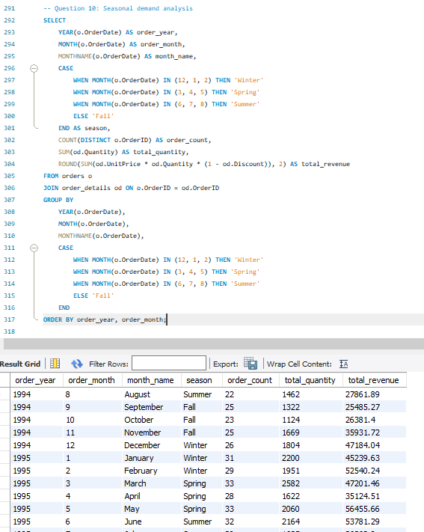
Monthly Revenue Trend
Order Count Trend
 | order_year | order_month | month_name | season | order_count | total_quantity | total_revenue
 | 1994 | 8 | August | Summer | 22 | 1462 | 27861.89
 | 1994 | 9 | September | Fall | 25 | 1322 | 25485.27
 | 1994 | 10 | October | Fall | 23 | 1124 | 26381.4
 | 1994 | 11 | November | Fall | 25 | 1669 | 35931.72
 | 1994 | 12 | December | Winter | 26 | 1804 | 47184.04
 | 1995 | 1 | January | Winter | 31 | 2200 | 45239.63
 | 1995 | 2 | February | Winter | 29 | 1951 | 52540.24
 | 1995 | 3 | March | Spring | 33 | 2582 | 47201.46
 | 1995 | 4 | April | Spring | 28 | 1622 | 35124.51
 | 1995 | 5 | May | Spring | 33 | 2060 | 56455.66
 | 1995 | 6 | June | Summer | 32 | 2164 | 53781.29
 | 1995 | 7 | July | Summer | 30 | 1635 | 36362.8
 | 1995 | 8 | August | Summer | 33 | 2054 | 51020.86
 | 1995 | 9 | September | Fall | 33 | 1861 | 47287.67
 | 1995 | 10 | October | Fall | 37 | 2343 | 55629.24
 | 1995 | 11 | November | Fall | 37 | 2657 | 66461.43
 | 1995 | 12 | December | Winter | 35 | 1878 | 43821.61
 | 1996 | 1 | January | Winter | 48 | 2682 | 71398.43
 | 1996 | 2 | February | Winter | 53 | 3293 | 90117.71
 | 1996 | 3 | March | Spring | 56 | 3288 | 103519.69
 | 1996 | 4 | April | Spring | 73 | 4065 | 104854.15
 | 1996 | 5 | May | Spring | 77 | 4957 | 129247.25
 | 1996 | 6 | June | Summer | 11 | 644 | 12885.06

Revenue by Season
Quantity vs Revenue by Month

 |  |  | Row Labels | Sum of total_revenue
 |  |  | Fall | 257176.73
 |  |  | Spring | 476402.72
 |  |  | Summer | 181911.9
 |  |  | Winter | 350301.66

 |  |  |  |  |  |  |  |  | Insights Gathered
 |  |  |  |  |  |  |  | 1 | Spring Peak: Highest revenue season ($478K) - strong business growth period
 |  |  |  |  |  |  |  | 2 | Winter Strong: Second highest ($350K) - holiday season impact
 |  |  |  |  |  |  |  | 3 | Summer Moderate: $257K revenue - consistent steady demand
 |  |  |  |  |  |  |  | 4 | Fall Lowest: $206K revenue - slowest business period
 |  |  |  |  |  |  |  | 5 | Growth Trend: Clear upward trajectory from Aug 1994 to June 1995

Q11
Can we identify anomalies in product sales or revenue performance?

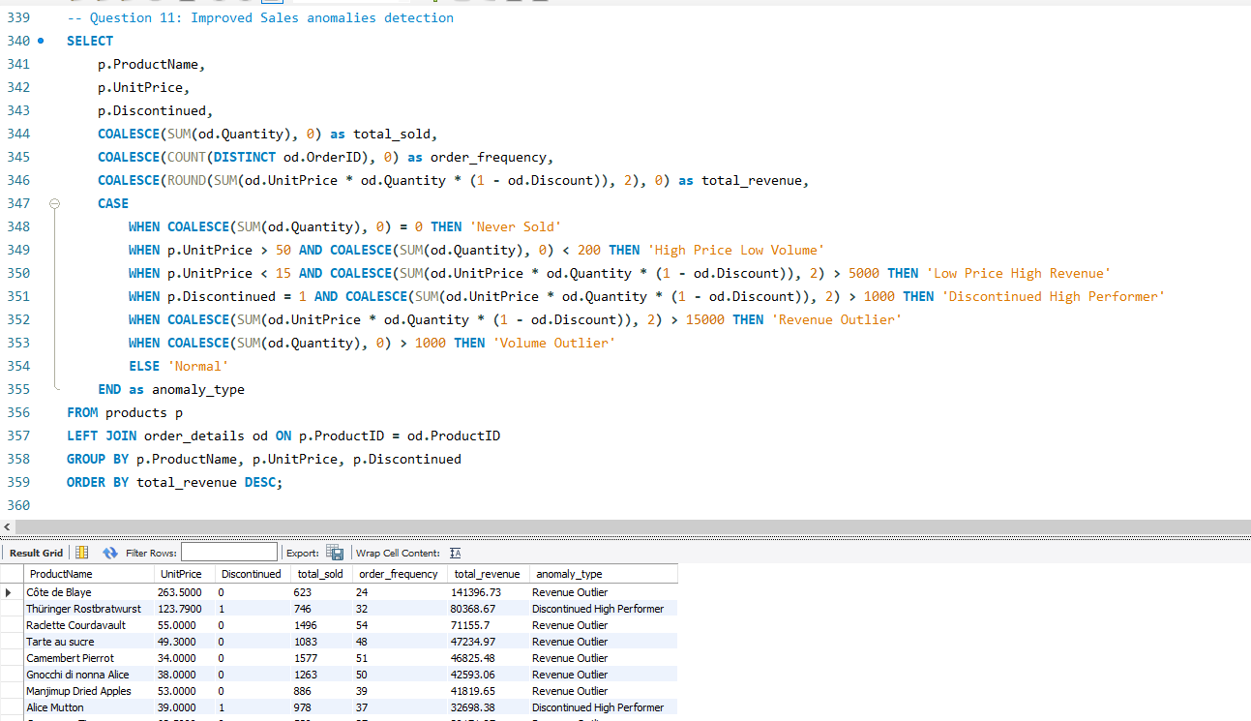
Sales Anomaly Type Distribution
 | ProductName | UnitPrice | Discontinued | total_sold | order_frequency | total_revenue | anomaly_type | Row Labels | Sum of total_revenue
 | Côte de Blaye | 263.5 | 0 | 623 | 24 | 141396.73 | Revenue Outlier | Discontinued High Performer | 169189.42
 | Thüringer Rostbratwurst | 123.79 | 1 | 746 | 32 | 80368.67 | Discontinued High Performer | High Price Low Volume | 7226.5
 | Raclette Courdavault | 55 | 0 | 1496 | 54 | 71155.7 | Revenue Outlier | Low Price High Revenue | 91321.02
 | Tarte au sucre | 49.3 | 0 | 1083 | 48 | 47234.97 | Revenue Outlier | Normal | 264186.09
 | Camembert Pierrot | 34 | 0 | 1577 | 51 | 46825.48 | Revenue Outlier | Revenue Outlier | 733869.96
 | Gnocchi di nonna Alice | 38 | 0 | 1263 | 50 | 42593.06 | Revenue Outlier
 | Manjimup Dried Apples | 53 | 0 | 886 | 39 | 41819.65 | Revenue Outlier
 | Alice Mutton | 39 | 1 | 978 | 37 | 32698.38 | Discontinued High Performer
 | Carnarvon Tigers | 62.5 | 0 | 539 | 27 | 29171.87 | Revenue Outlier
 | Rössle Sauerkraut | 45.6 | 1 | 640 | 33 | 25696.64 | Discontinued High Performer
 | Mozzarella di Giovanni | 34.8 | 0 | 806 | 38 | 24900.13 | Revenue Outlier
 | Ipoh Coffee | 46 | 0 | 580 | 28 | 23526.7 | Revenue Outlier
 | Sir Rodney's Marmalade | 81 | 0 | 313 | 16 | 22563.36 | Revenue Outlier
 | Uncle Bob's Organic Dried Pears | 30 | 0 | 763 | 29 | 22044.3 | Revenue Outlier
 | Wimmers gute Semmelknödel | 33.25 | 0 | 740 | 30 | 21957.97 | Revenue Outlier
 | Gudbrandsdalsost | 36 | 0 | 714 | 31 | 21942.36 | Revenue Outlier
 | Ikura | 31 | 0 | 742 | 33 | 20867.34 | Revenue Outlier
 | Perth Pasties | 32.8 | 1 | 722 | 30 | 20574.17 | Discontinued High Performer
 | Gumbär Gummibärchen | 31.23 | 0 | 753 | 32 | 19849.14 | Revenue Outlier
 | Fløtemysost | 21.5 | 0 | 1057 | 42 | 19551.02 | Revenue Outlier
 | Boston Crab Meat | 18.4 | 0 | 1103 | 41 | 17910.63 | Revenue Outlier
 | Pâté chinois | 24 | 0 | 903 | 33 | 17426.4 | Revenue Outlier
 | Pavlova | 17.45 | 0 | 1158 | 43 | 17215.78 | Revenue Outlier
 | Vegie-spread | 43.9 | 0 | 445 | 17 | 16701.09 | Revenue Outlier
 | Chang | 19 | 0 | 1057 | 44 | 16355.96 | Revenue Outlier
 | Lakkalikööri | 18 | 0 | 981 | 39 | 15760.44 | Revenue Outlier
 | Schoggi Schokolade | 43.9 | 0 | 365 | 9 | 15099.88 | Revenue Outlier
 | Gorgonzola Telino | 12.5 | 0 | 1397 | 51 | 14920.87 | Low Price High Revenue
 | Sirop d'érable | 28.5 | 0 | 603 | 24 | 14352.6 | Normal
 | Louisiana Fiery Hot Pepper Sauce | 21.05 | 0 | 745 | 32 | 13869.89 | Normal
 | Steeleye Stout | 18 | 0 | 883 | 36 | 13644 | Normal
 | Inlagd Sill | 19 | 0 | 805 | 31 | 13458.46 | Normal
 | Nord-Ost Matjeshering | 25.89 | 0 | 612 | 32 | 13424.2 | Normal
 | Queso Cabrales | 21 | 0 | 706 | 38 | 12901.77 | Normal
 | Chai | 18 | 0 | 828 | 38 | 12788.1 | Normal
 | Northwoods Cranberry Sauce | 40 | 0 | 372 | 13 | 12772 | Normal |  | Insights Gathered
 | Chartreuse verte | 18 | 0 | 793 | 30 | 12294.54 | Normal | 1 | Revenue Outliers: $733K revenue (58% of total) - star performers driving business
 | Queso Manchego La Pastora | 38 | 0 | 344 | 14 | 12257.66 | Normal | 2 | Normal Products: $264K (21%) - steady baseline performers
 | Outback Lager | 15 | 0 | 817 | 39 | 10672.65 | Normal | 3 | Discontinued High Performers: $169K (13%) - lost revenue opportunities
 | Gula Malacca | 19.45 | 0 | 601 | 24 | 9915.94 | Normal | 4 | Low Price High Revenue: $91K (7%) - volume-driven success stories
 | Maxilaku | 20 | 0 | 520 | 21 | 9244.6 | Normal | 5 | High Price Low Volume: $2K (<1%) - premium niche products with limited appeal
 | Original Frankfurter grüne Soße | 13 | 0 | 791 | 38 | 9171.63 | Low Price High Revenue
 | Sir Rodney's Scones | 10 | 0 | 1016 | 39 | 9104 | Low Price High Revenue
 | Scottish Longbreads | 12.5 | 0 | 799 | 34 | 8714 | Low Price High Revenue |  | Key Finding: Revenue outliers dominate performance while discontinued high performers represent significant missed opportunities.
 | Jack's New England Clam Chowder | 9.65 | 0 | 981 | 47 | 8680.34 | Low Price High Revenue
 | Singaporean Hokkien Fried Mee | 14 | 1 | 697 | 30 | 8575 | Low Price High Revenue
 | Chef Anton's Cajun Seasoning | 22 | 0 | 453 | 20 | 8567.9 | Normal
 | Mascarpone Fabioli | 32 | 0 | 297 | 15 | 8404.16 | Normal
 | Rhönbräu Klosterbier | 7.75 | 0 | 1155 | 46 | 8177.49 | Low Price High Revenue
 | Tofu | 23.25 | 0 | 404 | 22 | 7991.49 | Normal
 | Ravioli Angelo | 19.5 | 0 | 434 | 23 | 7661.55 | Normal
 | Mishi Kobe Niku | 97 | 1 | 95 | 5 | 7226.5 | High Price Low Volume
 | Grandma's Boysenberry Spread | 25 | 0 | 301 | 12 | 7137 | Normal
 | Gustaf's Knäckebröd | 21 | 0 | 348 | 14 | 7122.36 | Normal
 | Sasquatch Ale | 14 | 0 | 506 | 19 | 6350.4 | Low Price High Revenue
 | Spegesild | 12 | 0 | 548 | 27 | 5883 | Low Price High Revenue
 | Escargots de Bourgogne | 13.25 | 0 | 534 | 18 | 5881.67 | Low Price High Revenue
 | Teatime Chocolate Biscuits | 9.2 | 0 | 723 | 37 | 5862.62 | Low Price High Revenue
 | Chef Anton's Gumbo Mix | 21.35 | 1 | 298 | 10 | 5347.2 | Discontinued High Performer
 | Konbu | 6 | 0 | 891 | 40 | 4960.44 | Normal
 | Tourtière | 7.45 | 0 | 755 | 36 | 4728.24 | Normal
 | Tunnbröd | 9 | 0 | 580 | 20 | 4601.7 | Normal
 | Guaraná Fantástica | 4.5 | 1 | 1125 | 51 | 4504.36 | Discontinued High Performer
 | Røgede sild | 9.5 | 0 | 508 | 14 | 4338.17 | Normal
 | Röd Kaviar | 15 | 0 | 293 | 14 | 3997.2 | Normal
 | Zaanse koeken | 9.5 | 0 | 485 | 21 | 3958.08 | Normal
 | NuNuCa Nuß-Nougat-Creme | 14 | 0 | 318 | 18 | 3704.4 | Normal
 | Valkoinen suklaa | 16.25 | 0 | 235 | 10 | 3437.69 | Normal
 | Louisiana Hot Spiced Okra | 17 | 0 | 239 | 8 | 3383 | Normal
 | Filo Mix | 7 | 0 | 500 | 29 | 3232.95 | Normal
 | Aniseed Syrup | 10 | 0 | 328 | 12 | 3044 | Normal
 | Gravad lax | 26 | 0 | 125 | 6 | 2688.4 | Normal
 | Longlife Tofu | 10 | 0 | 297 | 13 | 2432.5 | Normal
 | Laughing Lumberjack Lager | 14 | 0 | 184 | 10 | 2396.8 | Normal
 | Genen Shouyu | 15.5 | 0 | 122 | 6 | 1784.82 | Normal
 | Geitost | 2.5 | 0 | 755 | 32 | 1648.12 | Normal
 | Chocolade | 12.75 | 0 | 138 | 6 | 1368.71 | Normal

Q12
Are there any regional trends in supplier distribution and pricing?

Supplier Count by Country
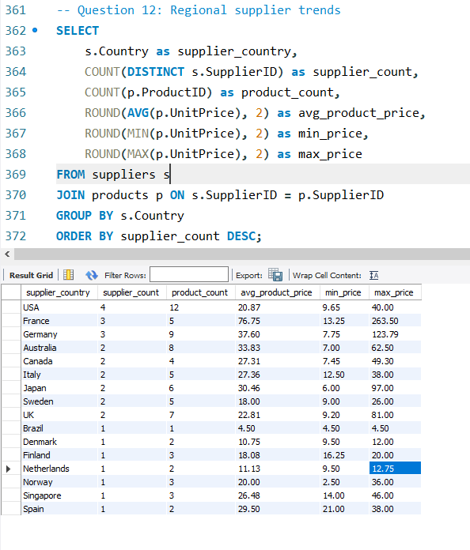
 |  | supplier_country | supplier_count | product_count | avg_product_price | min_price | max_price
 |  | USA | 4 | 12 | 20.87 | 9.65 | 40
 |  | France | 3 | 5 | 76.75 | 13.25 | 263.5
 |  | Germany | 3 | 9 | 37.6 | 7.75 | 123.79
 |  | Australia | 2 | 8 | 33.83 | 7 | 62.5
 |  | Canada | 2 | 4 | 27.31 | 7.45 | 49.3
 |  | Italy | 2 | 5 | 27.36 | 12.5 | 38
 |  | Japan | 2 | 6 | 30.46 | 6 | 97
 |  | Sweden | 2 | 5 | 18 | 9 | 26
 |  | UK | 2 | 7 | 22.81 | 9.2 | 81
 |  | Brazil | 1 | 1 | 4.5 | 4.5 | 4.5
 |  | Denmark | 1 | 2 | 10.75 | 9.5 | 12
 |  | Finland | 1 | 3 | 18.08 | 16.25 | 20
 |  | Netherlands | 1 | 2 | 11.13 | 9.5 | 12.75
 |  | Norway | 1 | 3 | 20 | 2.5 | 36
 |  | Singapore | 1 | 3 | 26.48 | 14 | 46
 |  | Spain | 1 | 2 | 29.5 | 21 | 38

Average Price by Country
Product Count by Country

 |  | Key Insights from Charts:
 |  | USA leads in supplier count (4) and product diversity (12 products)
 |  | France shows premium positioning with highest average prices (~$77)
 |  | European suppliers (France, Germany) focus on higher-value products
 |  | Geographic distribution shows global supply chain with 16 countries
 |  | Price-volume relationship varies significantly by region

 |  | Insights Regional Supplier Distribution & Pricing Trends:
 | 1 | Market Leadership: USA dominates with 4 suppliers and 12 products
 | 2 | Premium Positioning: France leads in average pricing ($76.75) - luxury market focus
 | 3 | European Strength: Germany, France, Italy show strong supplier presence
 | 4 | Global Reach: 16 countries represented indicating diverse supply base
 | 5 | Pricing Strategy: Clear regional specialization - Europe premium, others competitive

Q13
How are suppliers distributed across different product categories?

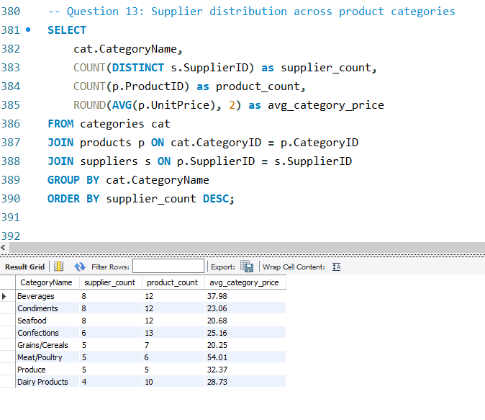
Number of Suppliers by Product Category

 |  | CategoryName | supplier_count | product_count | avg_category_price
 |  | Beverages | 8 | 12 | 37.98
 |  | Condiments | 8 | 12 | 23.06
 |  | Seafood | 8 | 12 | 20.68
 |  | Confections | 6 | 13 | 25.16
 |  | Grains/Cereals | 5 | 7 | 20.25
 |  | Meat/Poultry | 5 | 6 | 54.01
 |  | Produce | 5 | 5 | 32.37
 |  | Dairy Products | 4 | 10 | 28.73

Supplier Competition vs Category Pricing

Product Diversity by Category

 |  | Bar Chart: Even supplier distribution (4-8 suppliers per category)
 |  | Scatter Plot: Clear insight - Meat/Poultry has fewer suppliers (5) but highest pricing ($54)
 |  | Column Chart: Confections leads in product diversity (13 products)

 |  | The scatter plot reveals that more suppliers ≠ lower prices. Meat/Poultry has moderate competition but premium pricing, showing category specialization.

 |  | Supplier Distribution Across Categories:
 | 1 | Balanced Competition: Most categories have 5-8 suppliers indicating healthy market competition
 | 2 | Premium Specialization: Meat/Poultry ($54.01 avg) commands highest prices despite moderate supplier count
 | 3 | Product Diversity Leader: Confections (13 products) shows greatest variety within category
 | 4 | Market Opportunity: Dairy Products only 4 suppliers for 10 products - potential consolidation gap
 | 5 | Pricing Independence: Supplier count doesn't correlate with pricing - category specialization drives value

Q14
How do supplier pricing and categories relate across different regions?

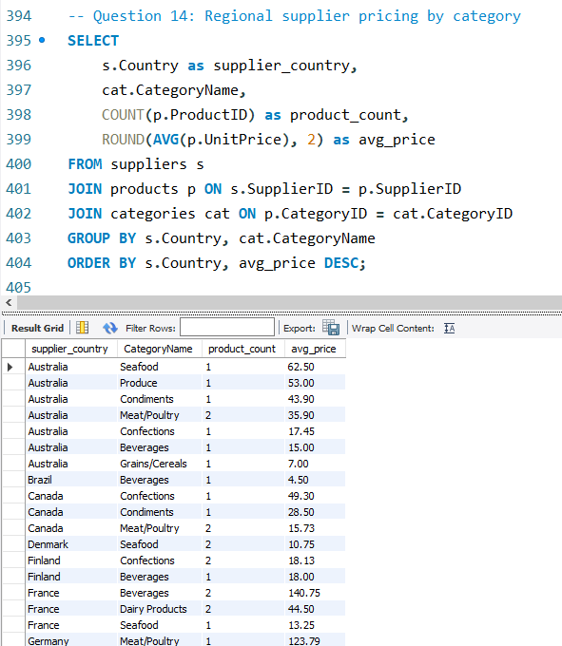

 | supplier_country | CategoryName | product_count | avg_price | helper
 | Australia | Seafood | 1 | 62.5 | Australia-Seafood
 | Australia | Produce | 1 | 53 | Australia-Produce
 | Australia | Condiments | 1 | 43.9 | Australia-Condiments | Row Labels | Sum of avg_price | Country | Sum of avg_price
Average Pricing by Supplier Country
 | Australia | Meat/Poultry | 2 | 35.9 | Australia-Meat/Poultry | Australia | 234.75 | Germany | 278.99
 | Australia | Confections | 1 | 17.45 | Australia-Confections | Beverages | 15 | Australia | 234.75
 | Australia | Beverages | 1 | 15 | Australia-Beverages | Condiments | 43.9 | France | 198.5
 | Australia | Grains/Cereals | 1 | 7 | Australia-Grains/Cereals | Confections | 17.45 | Japan | 147.63
 | Brazil | Beverages | 1 | 4.5 | Brazil-Beverages | Grains/Cereals | 7 | Canada | 93.53
 | Canada | Confections | 1 | 49.3 | Canada-Confections | Meat/Poultry | 35.9 | USA | 83.76
 | Canada | Condiments | 1 | 28.5 | Canada-Condiments | Produce | 53 | Singapore | 79.45
 | Canada | Meat/Poultry | 2 | 15.73 | Canada-Meat/Poultry | Seafood | 62.5 | UK | 56.68
 | Denmark | Seafood | 2 | 10.75 | Denmark-Seafood | Brazil | 4.5 | Italy | 55.18
 | Finland | Confections | 2 | 18.13 | Finland-Confections | Beverages | 4.5 | Finland | 36.13
 | Finland | Beverages | 1 | 18 | Finland-Beverages | Canada | 93.53 | Spain | 29.5
 | France | Beverages | 2 | 140.75 | France-Beverages | Condiments | 28.5 | Norway | 20
 | France | Dairy Products | 2 | 44.5 | France-Dairy Products | Confections | 49.3 | Sweden | 20
 | France | Seafood | 1 | 13.25 | France-Seafood | Meat/Poultry | 15.73 | Sweden | 15
 | Germany | Meat/Poultry | 1 | 123.79 | Germany-Meat/Poultry | Denmark | 10.75 | Netherlands | 11.13
 | Germany | Produce | 1 | 45.6 | Germany-Produce | Seafood | 10.75 | Denmark | 10.75
 | Germany | Grains/Cereals | 1 | 33.25 | Germany-Grains/Cereals | Finland | 36.13 | Brazil | 4.5
Top 5 Regional Category Pricing
 | Germany | Confections | 3 | 29.71 | Germany-Confections | Beverages | 18
 | Germany | Seafood | 1 | 25.89 | Germany-Seafood | Confections | 18.13
 | Germany | Condiments | 1 | 13 | Germany-Condiments | France | 198.5
 | Germany | Beverages | 1 | 7.75 | Germany-Beverages | Beverages | 140.75 | Country-Category | Avg_Price
 | Italy | Grains/Cereals | 2 | 28.75 | Italy-Grains/Cereals | Dairy Products | 44.5 | France Beverages | 140.75
 | Italy | Dairy Products | 3 | 26.43 | Italy-Dairy Products | Seafood | 13.25 | Germany Meat/Poultry | 123.79
 | Japan | Meat/Poultry | 1 | 97 | Japan-Meat/Poultry | Germany | 278.99 | Australia Seafood | 62.5
 | Japan | Seafood | 2 | 18.5 | Japan-Seafood | Beverages | 7.75 | Canada Meat/Poultry | 15.73
 | Japan | Produce | 2 | 16.63 | Japan-Produce | Condiments | 13 | Japan Seafood | 18.5
 | Japan | Condiments | 1 | 15.5 | Japan-Condiments | Confections | 29.71
 | Netherlands | Confections | 2 | 11.13 | Netherlands-Confections | Grains/Cereals | 33.25
 | Norway | Dairy Products | 3 | 20 | Norway-Dairy Products | Meat/Poultry | 123.79
 | Singapore | Beverages | 1 | 46 | Singapore-Beverages | Produce | 45.6
 | Singapore | Condiments | 1 | 19.45 | Singapore-Condiments | Seafood | 25.89
 | Singapore | Grains/Cereals | 1 | 14 | Singapore-Grains/Cereals | Italy | 55.18
 | Spain | Dairy Products | 2 | 29.5 | Spain-Dairy Products | Dairy Products | 26.43
 | Sweden | Seafood | 3 | 20 | Sweden-Seafood | Grains/Cereals | 28.75
 | Sweden | Grains/Cereals | 2 | 15 | Sweden -Grains/Cereals | Japan | 147.63
 | UK | Confections | 4 | 28.18 | UK-Confections | Condiments | 15.5
 | UK | Beverages | 2 | 18.5 | UK-Beverages | Meat/Poultry | 97
 | UK | Condiments | 1 | 10 | UK-Condiments | Produce | 16.63 |  | Insights Regional Supplier Pricing & Category Relations:
 | USA | Produce | 1 | 30 | USA-Produce | Seafood | 18.5 | 1 | German Market Leadership: Highest average pricing ($278.59) across multiple categories
 | USA | Condiments | 6 | 24.4 | USA-Condiments | Netherlands | 11.13 | 2 | French Premium Beverages: Specialized luxury positioning ($140.75) in beverage category
 | USA | Beverages | 3 | 15.33 | USA-Beverages | Confections | 11.13 | 3 | Regional Specialization: Clear geographic expertise - Germany (meat), France (beverages), Australia (seafood)
 | USA | Seafood | 2 | 14.03 | USA-Seafood | Norway | 20 | 4 | USA Competitive Strategy: Consistent low-cost positioning ($20.76 avg) across all categories
 |  |  |  |  |  | Dairy Products | 20 | 5 | Price-Geography Correlation: Strong relationship between supplier location and category pricing power
 |  |  |  |  |  | Singapore | 79.45
 |  |  |  |  |  | Beverages | 46
 |  |  |  |  |  | Condiments | 19.45
 |  |  |  |  |  | Grains/Cereals | 14
 |  |  |  |  |  | Spain | 29.5
 |  |  |  |  |  | Dairy Products | 29.5
 |  |  |  |  |  | Sweden | 20
 |  |  |  |  |  | Seafood | 20
 |  |  |  |  |  | Sweden | 15
 |  |  |  |  |  | Grains/Cereals | 15
 |  |  |  |  |  | UK | 56.68
 |  |  |  |  |  | Beverages | 18.5
 |  |  |  |  |  | Condiments | 10
 |  |  |  |  |  | Confections | 28.18
 |  |  |  |  |  | USA | 83.76
 |  |  |  |  |  | Grand Total | 1375.48

