Mutual Fund Specifics
Fund Name | Aditya Birla Sun Life Flexi Cap Fund Direct Growth
Benchmark | NIFTY 500 TRI
No of Stocks | 81
Average Market Cap | Rs 170397.25 Cr
Expense Ratio | 1.65%
Fund Managers | Dhaval Joshi, Harish Krishnan

Holdings Taken (Top 5, does not include SBI)
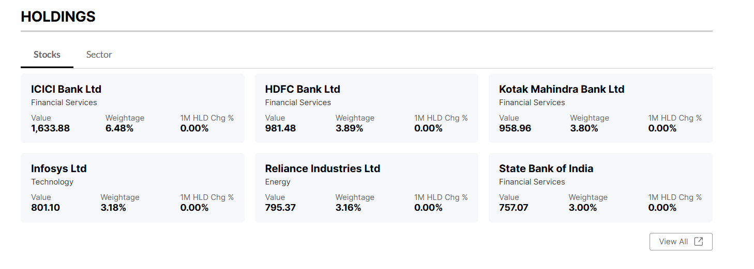

 | (from money control)

Riskometer and Fund Managers

 | (from money control)

Analysis and Future
Analysis of Findings
1)Risk and Return
The portfolio delivered an annual return of 32.883%, a strong performance considering the benchmark (Nifty 500 TRI) dropped by -1.26%.
By optimizing weights, the Annual Standard Deviation reduced from around 38% to 23.39%. This proves that the portfolio is mathematically more stable. The Daily SD (1.474%) suggests that even on volatile days, the portfolio's swings are manageable.
2) Efficiency and VaR
A Sharpe Ratio of 1.165 and a Treynor Ratio of 0.549 confirm that the portfolio compensates well for both total risk and systematic risk.
When we transition from equal weighted allocation to optimized weights, the portfolio saw a 39% reduction in Value at Risk (VaR) and lowered annual volatility by 15 percentage points, while generating a 28.4% Jensen’s Alpha against a negative benchmark whicheffectively proves that systematic risk management can engineer defensive alpha even during periods of broader market contraction
3) Beta and Jensen's Alpha
A Beta of 0.13 (0.17 with optimised weights) is a standout metric . It indicates the portfolio is largely independent of market-wide crashes. For every 10% the Nifty 50 falls, the portfolio is only expected to slide by 1.7%.
The high positive Jensen's Alpha (28.4%) proves that the portfolio has massive value. The portfolio beats the CAPM-predicted return by a big margin.
Futuristic Outlook
With ICICI Bank HDFC Bank and Kotak Mahindra Bank being assets with most weightage , the portfolio is a bet on the Indian credit cycle. As we move through 2026, if the RBI maintains its current interest rate stance, these banks are likely to sustain high Net Interest Margins (NIMs).
Infosys is a hedge. If global enterprise spending picks up toward late 2026, the technical sector's mean reversion could drive Alpha further without increasing the overall Beta significantly.
While successful now, the 0.17 Beta suggests the portfolio might underperform during a massive, broad-based market rally. If we witness a bull run in 2027 a more diversified or aggressive allocation might be needed to capture full market upside.
Conclusion
The findings of this project demonstrate that mathematical optimization is significantly more effective than simple equal-weighting. By using the Variance-Covariance matrix to shift the portfolio’s weight toward ICICI Bank (60%), we successfully reduced the Annual Standard Deviation by nearly 15 percentage points and cut the Value at Risk (VaR) by 39%.
Despite a volatile period where the benchmark Nifty 500 TRI returned -1.26%, this optimized portfolio delivered a stellar 32.88% return. The high Jensen’s Alpha (28.4%) and low Beta (0.17) confirm that the portfolio is defensively alpha-generative it provides high returns while remaining largely insulated from broader market crashes. Ultimately, the project proves that active risk management can engineer a "safe" portfolio that still captures significant upside.

