Policy Rate
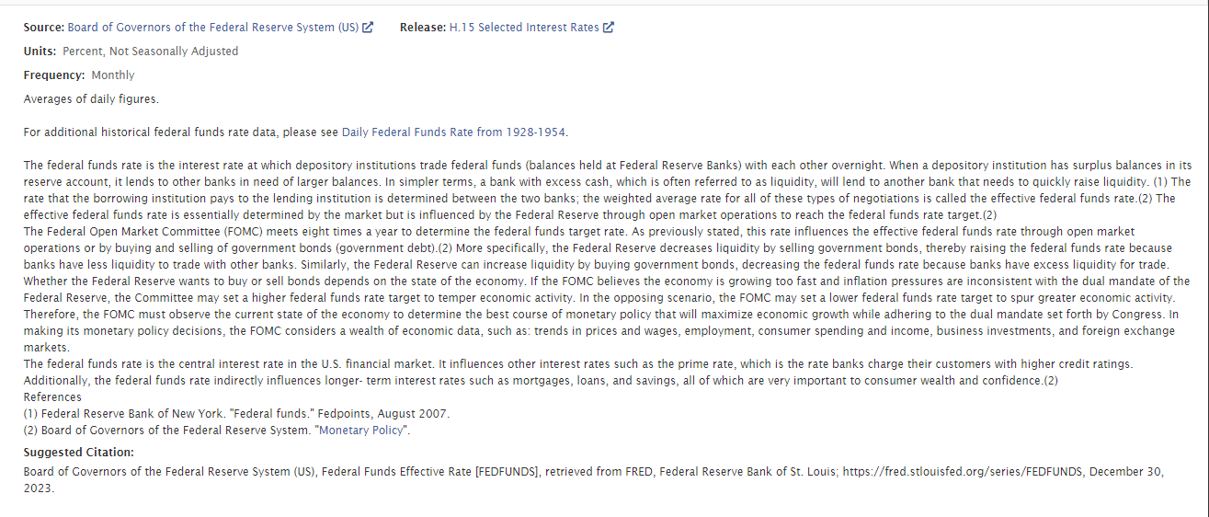
FRED Graph Observations
Federal Reserve Economic Data
Link: https://fred.stlouisfed.org | https://fred.stlouisfed.org/series/FEDFUNDS
Help: https://fredhelp.stlouisfed.org
Economic Research Division
Federal Reserve Bank of St. Louis

FEDFUNDS | Federal Funds Effective Rate, Percent, Quarterly, Not Seasonally Adjusted

Frequency: Quarterly
observation_date | FEDFUNDS
1954-07-01 | 1.03
1954-10-01 | 0.99
1955-01-01 | 1.34
1955-04-01 | 1.50
1955-07-01 | 1.94
1955-10-01 | 2.36
1956-01-01 | 2.48
1956-04-01 | 2.69
1956-07-01 | 2.81
1956-10-01 | 2.93
1957-01-01 | 2.93
1957-04-01 | 3.00
1957-07-01 | 3.23
1957-10-01 | 3.25
1958-01-01 | 1.86
1958-04-01 | 0.94
1958-07-01 | 1.32
1958-10-01 | 2.16
1959-01-01 | 2.57
1959-04-01 | 3.08
1959-07-01 | 3.58
1959-10-01 | 3.99
1960-01-01 | 3.93
1960-04-01 | 3.70
1960-07-01 | 2.94
1960-10-01 | 2.30
1961-01-01 | 2.00
1961-04-01 | 1.73
1961-07-01 | 1.68
1961-10-01 | 2.40
1962-01-01 | 2.46
1962-04-01 | 2.61
1962-07-01 | 2.85
1962-10-01 | 2.92
1963-01-01 | 2.97
1963-04-01 | 2.96
1963-07-01 | 3.33
1963-10-01 | 3.45
1964-01-01 | 3.46
1964-04-01 | 3.49
1964-07-01 | 3.46
1964-10-01 | 3.58
1965-01-01 | 3.98
1965-04-01 | 4.08
1965-07-01 | 4.08
1965-10-01 | 4.17
1966-01-01 | 4.56
1966-04-01 | 4.91
1966-07-01 | 5.41
1966-10-01 | 5.56
1967-01-01 | 4.82
1967-04-01 | 3.99
1967-07-01 | 3.89
1967-10-01 | 4.17
1968-01-01 | 4.79
1968-04-01 | 5.98
1968-07-01 | 5.95
1968-10-01 | 5.92
1969-01-01 | 6.57
1969-04-01 | 8.33
1969-07-01 | 8.98
1969-10-01 | 8.94
1970-01-01 | 8.57
1970-04-01 | 7.89
1970-07-01 | 6.71
1970-10-01 | 5.57
1971-01-01 | 3.86
1971-04-01 | 4.57
1971-07-01 | 5.48
1971-10-01 | 4.75
1972-01-01 | 3.55
1972-04-01 | 4.30
1972-07-01 | 4.74
1972-10-01 | 5.15
1973-01-01 | 6.54
1973-04-01 | 7.82
1973-07-01 | 10.56
1973-10-01 | 10.00
1974-01-01 | 9.32
1974-04-01 | 11.25
1974-07-01 | 12.09
1974-10-01 | 9.35
1975-01-01 | 6.30
1975-04-01 | 5.42
1975-07-01 | 6.16
1975-10-01 | 5.41
1976-01-01 | 4.83
1976-04-01 | 5.20
1976-07-01 | 5.28
1976-10-01 | 4.87
1977-01-01 | 4.66
1977-04-01 | 5.16
1977-07-01 | 5.82
1977-10-01 | 6.51
1978-01-01 | 6.76
1978-04-01 | 7.28
1978-07-01 | 8.10
1978-10-01 | 9.58
1979-01-01 | 10.07
1979-04-01 | 10.18
1979-07-01 | 10.95
1979-10-01 | 13.58
1980-01-01 | 15.05
1980-04-01 | 12.69
1980-07-01 | 9.84
1980-10-01 | 15.85
1981-01-01 | 16.57
1981-04-01 | 17.78
1981-07-01 | 17.58
1981-10-01 | 13.59
1982-01-01 | 14.23
1982-04-01 | 14.51
1982-07-01 | 11.01
1982-10-01 | 9.29
1983-01-01 | 8.65
1983-04-01 | 8.80
1983-07-01 | 9.46
1983-10-01 | 9.43
1984-01-01 | 9.69
1984-04-01 | 10.56
1984-07-01 | 11.39
1984-10-01 | 9.27
1985-01-01 | 8.48
1985-04-01 | 7.92
1985-07-01 | 7.90
1985-10-01 | 8.10
1986-01-01 | 7.83
1986-04-01 | 6.92
1986-07-01 | 6.21
1986-10-01 | 6.27
1987-01-01 | 6.22
1987-04-01 | 6.65
1987-07-01 | 6.84
1987-10-01 | 6.92
1988-01-01 | 6.66
1988-04-01 | 7.16
1988-07-01 | 7.98
1988-10-01 | 8.47
1989-01-01 | 9.44
1989-04-01 | 9.73
1989-07-01 | 9.08
1989-10-01 | 8.61
1990-01-01 | 8.25
1990-04-01 | 8.24
1990-07-01 | 8.16
1990-10-01 | 7.74
1991-01-01 | 6.43
1991-04-01 | 5.86
1991-07-01 | 5.64
1991-10-01 | 4.82
1992-01-01 | 4.02
1992-04-01 | 3.77
1992-07-01 | 3.26
1992-10-01 | 3.04
1993-01-01 | 3.04
1993-04-01 | 3.00
1993-07-01 | 3.06
1993-10-01 | 2.99
1994-01-01 | 3.21
1994-04-01 | 3.94
1994-07-01 | 4.49
1994-10-01 | 5.17
1995-01-01 | 5.81
1995-04-01 | 6.02
1995-07-01 | 5.80
1995-10-01 | 5.72
1996-01-01 | 5.36
1996-04-01 | 5.24
1996-07-01 | 5.31
1996-10-01 | 5.28
1997-01-01 | 5.28
1997-04-01 | 5.52
1997-07-01 | 5.53
1997-10-01 | 5.51
1998-01-01 | 5.52
1998-04-01 | 5.50
1998-07-01 | 5.53
1998-10-01 | 4.86
1999-01-01 | 4.73
1999-04-01 | 4.75
1999-07-01 | 5.09
1999-10-01 | 5.31
2000-01-01 | 5.68
2000-04-01 | 6.27
2000-07-01 | 6.52
2000-10-01 | 6.47
2001-01-01 | 5.59
2001-04-01 | 4.33
2001-07-01 | 3.50
2001-10-01 | 2.13
2002-01-01 | 1.73
2002-04-01 | 1.75
2002-07-01 | 1.74
2002-10-01 | 1.44
2003-01-01 | 1.25
2003-04-01 | 1.25
2003-07-01 | 1.02
2003-10-01 | 1.00
2004-01-01 | 1.00
2004-04-01 | 1.01
2004-07-01 | 1.43
2004-10-01 | 1.95
2005-01-01 | 2.47
2005-04-01 | 2.94
2005-07-01 | 3.46
2005-10-01 | 3.98
2006-01-01 | 4.46
2006-04-01 | 4.91
2006-07-01 | 5.25
2006-10-01 | 5.25
2007-01-01 | 5.26
2007-04-01 | 5.25
2007-07-01 | 5.07
2007-10-01 | 4.50
2008-01-01 | 3.18
2008-04-01 | 2.09
2008-07-01 | 1.94
2008-10-01 | 0.51
2009-01-01 | 0.18
2009-04-01 | 0.18
2009-07-01 | 0.16
2009-10-01 | 0.12
2010-01-01 | 0.13
2010-04-01 | 0.19
2010-07-01 | 0.19
2010-10-01 | 0.19
2011-01-01 | 0.16
2011-04-01 | 0.09
2011-07-01 | 0.08
2011-10-01 | 0.07
2012-01-01 | 0.10
2012-04-01 | 0.15
2012-07-01 | 0.14
2012-10-01 | 0.16
2013-01-01 | 0.14
2013-04-01 | 0.12
2013-07-01 | 0.08
2013-10-01 | 0.09
2014-01-01 | 0.07
2014-04-01 | 0.09
2014-07-01 | 0.09
2014-10-01 | 0.10
2015-01-01 | 0.11
2015-04-01 | 0.12
2015-07-01 | 0.14
2015-10-01 | 0.16
2016-01-01 | 0.36
2016-04-01 | 0.37
2016-07-01 | 0.40
2016-10-01 | 0.45
2017-01-01 | 0.70
2017-04-01 | 0.95
2017-07-01 | 1.15
2017-10-01 | 1.20
2018-01-01 | 1.45
2018-04-01 | 1.74
2018-07-01 | 1.92
2018-10-01 | 2.22
2019-01-01 | 2.40
2019-04-01 | 2.40
2019-07-01 | 2.19
2019-10-01 | 1.64
2020-01-01 | 1.26
2020-04-01 | 0.06
2020-07-01 | 0.09
2020-10-01 | 0.09
2021-01-01 | 0.08
2021-04-01 | 0.07
2021-07-01 | 0.09
2021-10-01 | 0.08
2022-01-01 | 0.12
2022-04-01 | 0.77
2022-07-01 | 2.19
2022-10-01 | 3.65
2023-01-01 | 4.52
2023-04-01 | 4.99
2023-07-01 | 5.26
2023-10-01 | #N/A

