Citation
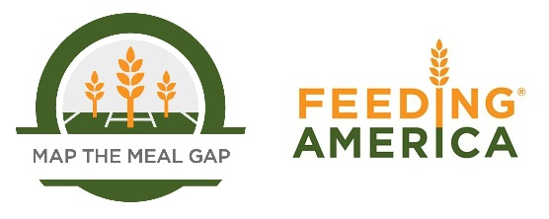

When using this data, please cite as follows:
Gundersen, C., A. Dewey, A. Crumbaugh, M. Kato & E. Engelhard. Map the Meal Gap 2016: A Report on County and Congressional District Food Insecurity and County Food Cost in the United States in 2014. Feeding America, 2016.

