Plan
HYPERION PART NUMBER: |  | Part number
CUSTOMER NAME: |  | name
DATE: |  | date
MANUFACTURING ORDER: |  | manu |  |  |  |  | REFERENCE: | reference
QUANTITY: |  | quantity |  |  |  |  | Indice: | indice

DIMENSIONAL CERTIFICATE

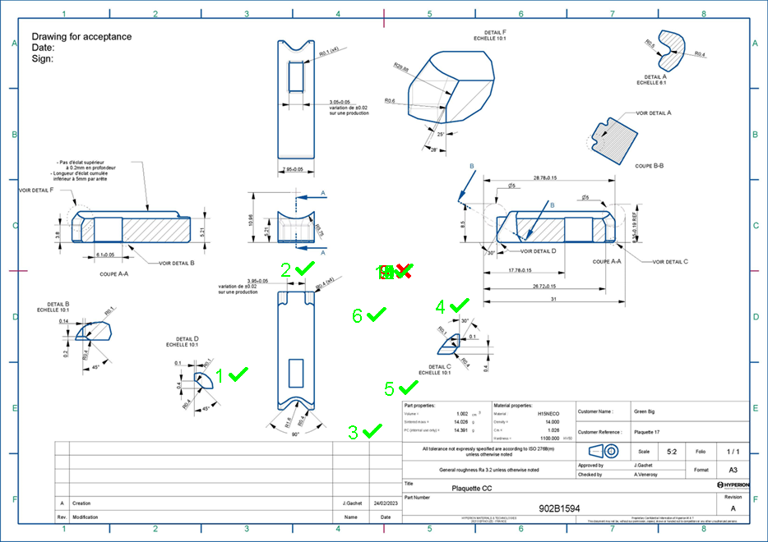

Measure | Description | Nominal | Lower Tolerance | Upper Tolerance | Min | Max | Value
1 | Rayon | 3.00 | -0.15 | 0.15 | 2.85 | 3.15 | 3.00
2 | Rayon | 5.00 | -0.15 | 0.15 | 4.85 | 5.15 | 5.00
3 | Rayon | 7.00 | -0.15 | 0.15 | 6.85 | 7.15 | 7.00
4 | Rayon | 9.00 | -0.15 | 0.15 | 8.85 | 9.15 | 9.00
5 | Rayon | 11.00 | -0.15 | 0.15 | 10.85 | 11.15 | 11.00
6 | Rayon | 13.00 | -0.15 | 0.15 | 12.85 | 13.15 | 13.00
7 | Rayon | 15.00 | -0.15 | 0.15 | 14.85 | 15.15 | 15.00
8 | Rayon | 17.00 | -0.15 | 0.15 | 16.85 | 17.15 | 17.00
9 | Rayon | 20.00 | -0.15 | 0.15 | 19.85 | 20.15 | 19.00
10 | Rayon | 21.00 | -0.15 | 0.15 | 20.85 | 21.15 | 21.00
11 | Rayon | 23.00 | -0.15 | 0.15 | 22.85 | 23.15 | 23.00
12 | Rayon | 25.00 | -0.15 | 0.15 | 24.85 | 25.15 | 25.00
13 | Rayon | 27.00 | -0.15 | 0.15 | 26.85 | 27.15 | 27.00
14 | Rayon | 29.00 | -0.15 | 0.15 | 28.85 | 29.15 | 29.00
15 | Rayon | 31.00 | -0.15 | 0.15 | 30.85 | 31.15 | 31.00

