Data
Classes 5 & 6: Plotting in Excel Instructions: In each sheet, use the data provided to generate the plot listed. Examples are provided on the first sheet ("Data"). Practice adding titles and labels, adjusting axes, changing colors, and other formatting options. Ask your partners for help, and if you both are stuck, raise your hand and the instructor will come shortly.

Student ID | GPA | Percent | Letter Grade | Bin | Frequency | Letter | Frequency | Plots: | Tips
1 | 3.905798093 | 96.114040994 | A | 100 | 2 | A | 44 | 1. GPA vs Grade Scatter | 1. Keep the raw data in a safe place - work with a separate subset if you manipulate the data
2 | 3.9844651 | 92.803964845 | A | 95 | 14 | B | 98 | 2. Histogram of percent grade | 2. Always label axes and add a title
3 | 3.7404159889 | 95.404123434 | A | 90 | 28 | C | 42 | 3. Histogram with custom bins | 3. Change scaling to make sense
4 | 3.6334720174 | 83.40833817 | B | 85 | 46 | D | 8 | 4. Pie with letter | 4. Consider dropping outliers when including a trendline
5 | 2.946359765 | 74.132830926 | C | 80 | 52 | F | 3 | 5. "Pie in pie" with letter | 5. Adjust histogram bins to make sense…notice the open vs closed intervals
6 | 3.3153591125 | 86.99325243 | B | 75 | 33 | W | 5 |  | 6. Bar plot "histogram" is more flexible in customizing bins
7 | 3.5024764068 | 84.47693121 | B | 70 | 9 |  |  |  | 7. Order of the data matters when using the barplot histogram method
8 | 2.9874558481 | 77.239032134 | C | 65 | 4 |  |  |  | 8. Sometimes data in pie charts too small to see - add data labels or consider the "pie of pie" charts
9 | 2.716543 | #N/A | W | 60 | 4
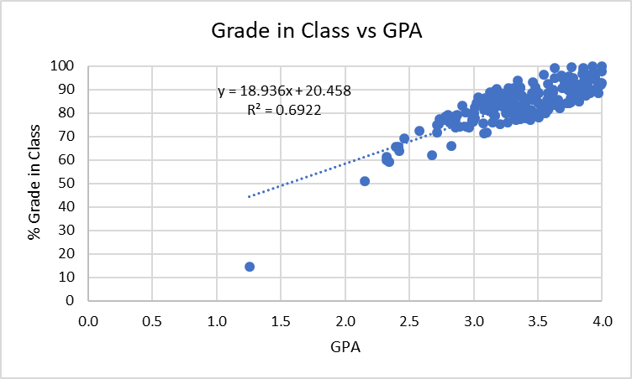
10 | 3.3638316253 | 90.40026604 | A | 0 | 3
11 | 3.3945328197 | 84.490146137 | B | #N/A | 5
12 | 3.8534489608 | 98.979232058 | A
13 | 3.9330513446 | 94.919686477 | A
14 | 3.3691461034 | 86.862728931 | B
15 | 3.1379335022 | 85.582144504 | B
16 | 3.3509650904 | 79.087902965 | C
17 | 3.3356066393 | 88.738627522 | B
18 | 3.1231941759 | 80.743979425 | B
19 | 3.3125746796 | 90.425772121 | A
20 | 2.9142609581 | 82.977806426 | B
21 | 3.0780340799 | 75.646515673 | C
22 | 3.7898615 | 92.191461252 | A
23 | 3.0026938624 | 79.693809466 | C
24 | 3.5871927149 | 81.95863795 | B
25 | 3.4585799539 | 85.66928086 | B
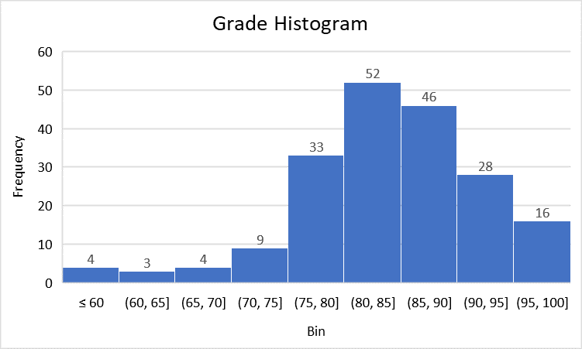
26 | 3.849115 | 96.607347759 | A
27 | 2.7777788828 | 78.454578153 | C
28 | 3.5793405689 | 92.347397603 | A
29 | 2.988461 | #N/A | W
30 | 3.921981 | 100 | A
31 | 2.1516453804 | 50.87673636 | F
32 | 3.224224688 | 86.76837226 | B
33 | 3.8586459095 | 93.674814322 | A
34 | 3.1617933035 | 89.135905306 | B
35 | 2.3207321315 | 60 | D
36 | 2.995201167 | 80.126530986 | B
37 | 3.2259172747 | 82.718286425 | B
38 | 4 | 97.666026148 | A
39 | 3.5751079983 | 88.256388735 | B
40 | 3.8601253795 | 91.031743173 | A
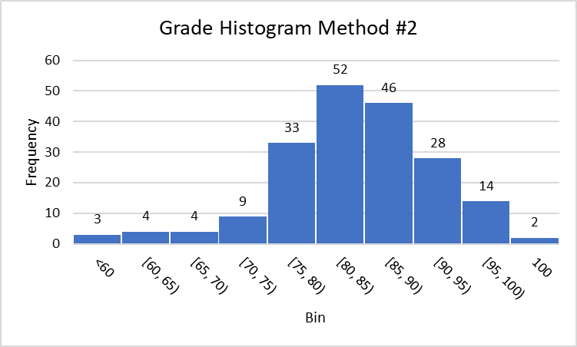
41 | 3.2143843429 | 84.888519875 | B
42 | 3.4397234166 | 76.906199142 | C
43 | 3.7926005528 | 90.787402442 | A
44 | 3.0819540544 | 71.317912898 | C
45 | 3.7229884672 | 83.972138429 | B
46 | 2.7182140663 | 74.729827881 | C
47 | 3.7341260679 | 89.901303205 | B
48 | 3.3502790994 | 81.95858523 | B
49 | 3.5258001587 | 83.129135239 | B
50 | 3.6181055034 | 88.697614688 | B
51 | 3.0919230172 | 82.116950037 | B
52 | 3.4657637437 | 87.718977751 | B
53 | 3.0627854302 | 84.54795128 | B
54 | 3.2434428957 | 86.829027131 | B
55 | 3.3418195822 | 93.672746761 | A
56 | 4 | 100 | A
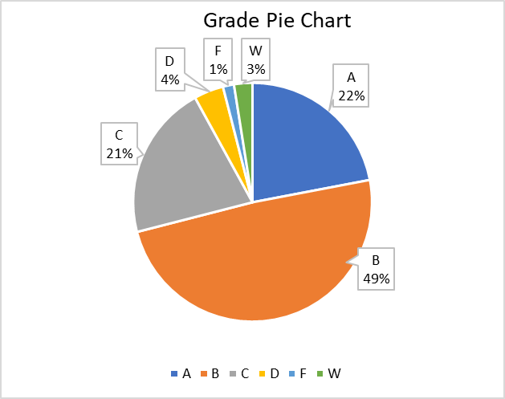
57 | 2.4125203704 | 65.521430642 | D
58 | 3.0200832577 | 84.238897102 | B
59 | 3.1694929161 | 82.501979989 | B
60 | 2.3938807044 | 65.560568618 | D
61 | 3.4033837211 | 83.745485477 | B
62 | 3.415837931 | 86.018622084 | B
63 | 3.2034928421 | 75.327788644 | C
64 | 3.8740854933 | 87.446569495 | B
65 | 3.3944885999 | 83.60551195 | B
66 | 1.25498948 | 14.58941 | F
67 | 3.2456505331 | 85.79363951 | B
68 | 1.989431 | #N/A | W
69 | 3.4501650236 | 80.802135795 | B
70 | 3.3635227375 | 90.76030912 | A
71 | 2.734295935 | 77.43475804 | C
72 | 2.340570915 | 59.147094054 | F
73 | 3.255232735 | 87.387370018 | B
74 | 2.9991110672 | 76.145682125 | C
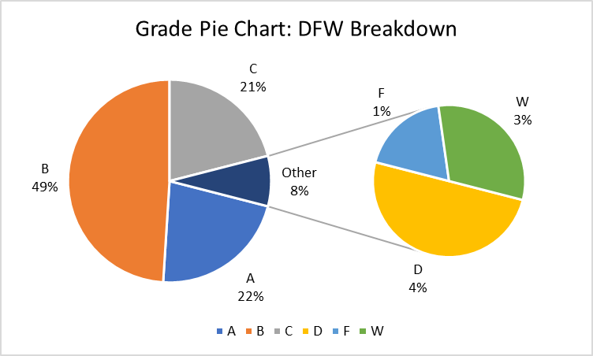
75 | 3.746516 | #N/A | W
76 | 3.7431213306 | 83.982428473 | B
77 | 3.8616638312 | 87.791173348 | B
78 | 3.3860913642 | 79.318619698 | C
79 | 3.270898476 | 90.448904781 | A
80 | 3.4494427086 | 81.427683852 | B
81 | 3.4084067234 | 80.677190449 | B
82 | 3.75981655 | 99.44196864 | A
83 | 3.8041211344 | 88.648733733 | B
84 | 3.9386430669 | 89.487443137 | B
85 | 2.5757451913 | 72.255152866 | C
86 | 3.6290126526 | 99.068085929 | A
87 | 3.2897806515 | 88.982455903 | B
88 | 3.4548702008 | 88.5524955 | B
89 | 3.5157930042 | 79.38557131 | C
90 | 3.159198 | #N/A | W
91 | 2.7805082844 | 76.891441918 | C
92 | 4 | 92.679445454 | A
93 | 3.2485443234 | 79.677546321 | C
94 | 3.777778 | 94.883393166 | A
95 | 3.9631595253 | 92.890196833 | A
96 | 3.0343996964 | 86.549997564 | B
97 | 3.2793388714 | 81.464828444 | B
98 | 2.9659317145 | 73.927051657 | C
99 | 2.4185895076 | 63.788305221 | D
100 | 3.5487988628 | 96.349865525 | A
101 | 3.0822668336 | 81.209657231 | B
102 | 2.9889723774 | 76.514518119 | C
103 | 3.945684 | 95.367489827 | A
104 | 3.7293146664 | 90.205352718 | A
105 | 3.8203406533 | 84.898684 | B
106 | 3.0288162472 | 84.47128686 | B
107 | 3.1354200539 | 81.831279364 | B
108 | 2.8581058343 | 78.647762689 | C
109 | 3.9061744896 | 88.51130057 | B
110 | 2.8573542439 | 77.472389564 | C
111 | 3.3616677436 | 77.304864092 | C
112 | 2.7171296719 | 71.533757749 | C
113 | 3.3499325775 | 82.492624055 | B
114 | 3.7451686073 | 95.320933303 | A
115 | 3.7280674954 | 91.454178405 | A
116 | 3.3898721952 | 80.764349468 | B
117 | 3.3472333884 | 82.449211399 | B
118 | 2.8714210557 | 79.289584959 | C
119 | 3.8916897302 | 93.553428246 | A
120 | 2.8920943996 | 74.039798249 | C
121 | 2.8233096878 | 65.852750258 | D
122 | 3.7857661169 | 85.671510042 | B
123 | 3.047427874 | 84.742971977 | B
124 | 3.8748412693 | 91.257221443 | A
125 | 3.0754121183 | 84.065134544 | B
126 | 3.91572202 | 89.902526846 | B
127 | 2.6746670373 | 61.891816 | D
128 | 3.2009016014 | 84.428218685 | B
129 | 3.1821696237 | 90.023286619 | A
130 | 3.1025834506 | 71.470665696 | C
131 | 3.1276333324 | 88.709068745 | B
132 | 3.7571176833 | 86.252094139 | B
133 | 2.8004930205 | 79.273092744 | C
134 | 3.9446404089 | 97.082984054 | A
135 | 3.4918199224 | 89.152687275 | B
136 | 3.3239116025 | 80.307441297 | B
137 | 3.6156188774 | 89.799979741 | B
138 | 3.6819104267 | 95.864732733 | A
139 | 3.5091495969 | 88.261098342 | B
140 | 3.212330395 | 88.35823157 | B
141 | 2.32325745 | 61.306698405 | D
142 | 3.5620059236 | 79.754416452 | C
143 | 3.6554405923 | 84.551067353 | B
144 | 3.0100690353 | 82.207883564 | B
145 | 3.8499615974 | 97.98165 | A
146 | 3.6891206188 | 90.652875397 | A
147 | 3.5038591085 | 83.968179331 | B
148 | 3.3839866284 | 82.856600226 | B
149 | 3.3403159433 | 91.060559137 | A
150 | 2.815602885 | 75.840549846 | C
151 | 3.4601669292 | 86.312581479 | B
152 | 3.1764536072 | 88.98196 | B
153 | 3.7433282497 | 89.419656753 | B
154 | 3.3414824368 | 81.330660999 | B
155 | 3.3758661508 | 87.327027386 | B
156 | 3.0086832233 | 77.822478887 | C
157 | 3.3986207003 | 81.34722947 | B
158 | 3.6568618919 | 85.540682617 | B
159 | 2.8565691914 | 73.767875201 | C
160 | 3.5786251141 | 81.449033903 | B
161 | 3.5706517548 | 85.57117555 | B
162 | 2.9371019912 | 80.29910982 | B
163 | 3.2636983594 | 86.895009344 | B
164 | 3.3059245629 | 85.621260662 | B
165 | 3.3641984588 | 78.853784287 | C
166 | 3.4068187443 | 77.585420209 | C
167 | 3.6704696379 | 82.129003718 | B
168 | 3.967755733 | 88.546673282 | B
169 | 3.5097100882 | 83.851077558 | B
170 | 3.2432763797 | 87.423520983 | B
171 | 3.2924964389 | 82.824049719 | B
172 | 3.4802207404 | 90.947375349 | A
173 | 3.4897775742 | 79.701443338 | C
174 | 3.2561428267 | 83.059415454 | B
175 | 3.1485981317 | 88.42787102 | B
176 | 3.710854715 | 92.826650922 | A
177 | 3.1479443903 | 75.781802601 | C
178 | 3.6284123466 | 94.794427814 | A
179 | 3.3271041417 | 76.833305285 | C
180 | 3.1496522835 | 82.175845704 | B
181 | 3.1685356514 | 88.067676481 | B
182 | 3.4608561861 | 93.065754934 | A
183 | 3.8132301701 | 91.838161155 | A
184 | 3.6835085745 | 95.241322268 | A
185 | 3.7576992951 | 84.648589412 | B
186 | 2.7274698591 | 75.252334263 | C
187 | 3.0876607316 | 86.288002754 | B
188 | 3.626620453 | 85.054969067 | B
189 | 3.1529105991 | 79.464230449 | C
190 | 2.4607922486 | 69.247802425 | D
191 | 3.9662117727 | 89.944874122 | B
192 | 3.3129405901 | 78.938332117 | C
193 | 3.2636992289 | 75.755123217 | C
194 | 3.1663244575 | 78.873708291 | C
195 | 3.5091798536 | 78.110879715 | C
196 | 3.9905866416 | 92.018816623 | A
197 | 3.1072447138 | 83.673463536 | B
198 | 3.3727035415 | 81.289346045 | B
199 | 3.3256897074 | 83.749909323 | B
200 | 3.5886629289 | 83.244634331 | B

