Data
Classes 5 & 6: Plotting in Excel Instructions: In each sheet, use the data provided to generate the plot listed. Examples are provided on the first sheet ("Data"). Practice adding titles and labels, adjusting axes, changing colors, and other formatting options. Ask your partners for help, and if you both are stuck, raise your hand and the instructor will come shortly.

Student ID | GPA | Percent | Letter Grade | Bin | Frequency | Letter | Frequency | Plots: | Tips
1 | 3.905798093 | 96.114040994 | A | 100 | 2 | A | 44 | 1. GPA vs Grade Scatter | 1. Keep the raw data in a safe place - work with a separate subset if you manipulate the data
2 | 3.9844651 | 92.803964845 | A | 95 | 14 | B | 98 | 2. Histogram of percent grade | 2. Always label axes and add a title
3 | 3.7404159889 | 95.404123434 | A | 90 | 28 | C | 42 | 3. Histogram with custom bins | 3. Change scaling to make sense
4 | 3.6334720174 | 83.40833817 | B | 85 | 46 | D | 8 | 4. Pie with letter | 4. Consider dropping outliers when including a trendline
5 | 2.946359765 | 74.132830926 | C | 80 | 52 | F | 3 | 5. "Pie in pie" with letter | 5. Adjust histogram bins to make sense…notice the open vs closed intervals
6 | 3.3153591125 | 86.99325243 | B | 75 | 33 | W | 5 |  | 6. Bar plot "histogram" is more flexible in customizing bins
7 | 3.5024764068 | 84.47693121 | B | 70 | 9 |  |  |  | 7. Order of the data matters when using the barplot histogram method
8 | 2.9874558481 | 77.239032134 | C | 65 | 4 |  |  |  | 8. Sometimes data in pie charts too small to see - add data labels or consider the "pie of pie" charts
9 | 2.716543 | #N/A | W | 60 | 4
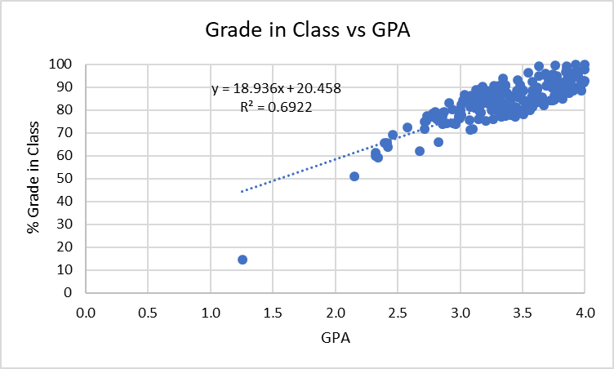
10 | 3.3638316253 | 90.40026604 | A | 0 | 3
11 | 3.3945328197 | 84.490146137 | B | #N/A | 5
12 | 3.8534489608 | 98.979232058 | A
13 | 3.9330513446 | 94.919686477 | A
14 | 3.3691461034 | 86.862728931 | B
15 | 3.1379335022 | 85.582144504 | B
16 | 3.3509650904 | 79.087902965 | C
17 | 3.3356066393 | 88.738627522 | B
18 | 3.1231941759 | 80.743979425 | B
19 | 3.3125746796 | 90.425772121 | A
20 | 2.9142609581 | 82.977806426 | B
21 | 3.0780340799 | 75.646515673 | C
22 | 3.7898615 | 92.191461252 | A
23 | 3.0026938624 | 79.693809466 | C
24 | 3.5871927149 | 81.95863795 | B
25 | 3.4585799539 | 85.66928086 | B
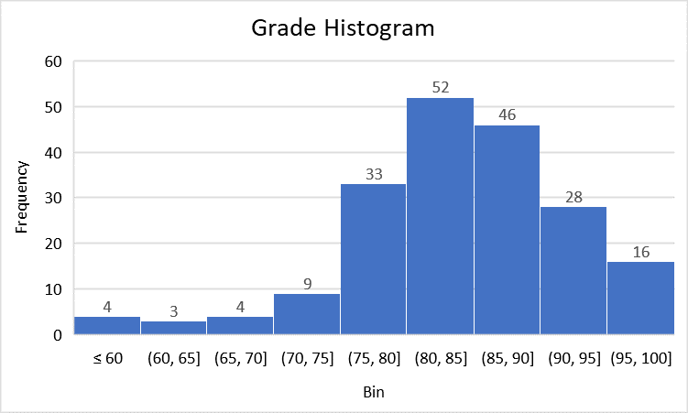
26 | 3.849115 | 96.607347759 | A
27 | 2.7777788828 | 78.454578153 | C
28 | 3.5793405689 | 92.347397603 | A
29 | 2.988461 | #N/A | W
30 | 3.921981 | 100 | A
31 | 2.1516453804 | 50.87673636 | F
32 | 3.224224688 | 86.76837226 | B
33 | 3.8586459095 | 93.674814322 | A
34 | 3.1617933035 | 89.135905306 | B
35 | 2.3207321315 | 60 | D
36 | 2.995201167 | 80.126530986 | B
37 | 3.2259172747 | 82.718286425 | B
38 | 4 | 97.666026148 | A
39 | 3.5751079983 | 88.256388735 | B
40 | 3.8601253795 | 91.031743173 | A
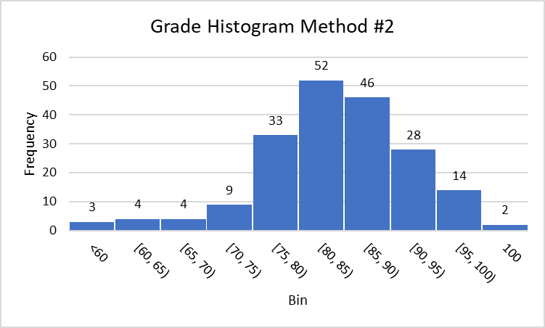
41 | 3.2143843429 | 84.888519875 | B
42 | 3.4397234166 | 76.906199142 | C
43 | 3.7926005528 | 90.787402442 | A
44 | 3.0819540544 | 71.317912898 | C
45 | 3.7229884672 | 83.972138429 | B
46 | 2.7182140663 | 74.729827881 | C
47 | 3.7341260679 | 89.901303205 | B
48 | 3.3502790994 | 81.95858523 | B
49 | 3.5258001587 | 83.129135239 | B
50 | 3.6181055034 | 88.697614688 | B
51 | 3.0919230172 | 82.116950037 | B
52 | 3.4657637437 | 87.718977751 | B
53 | 3.0627854302 | 84.54795128 | B
54 | 3.2434428957 | 86.829027131 | B
55 | 3.3418195822 | 93.672746761 | A
56 | 4 | 100 | A
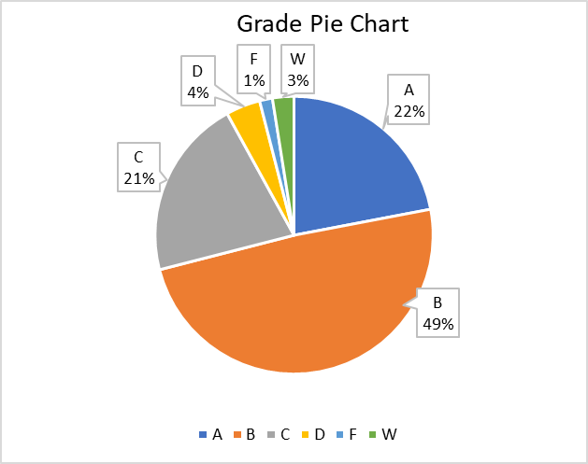
57 | 2.4125203704 | 65.521430642 | D
58 | 3.0200832577 | 84.238897102 | B
59 | 3.1694929161 | 82.501979989 | B
60 | 2.3938807044 | 65.560568618 | D
61 | 3.4033837211 | 83.745485477 | B
62 | 3.415837931 | 86.018622084 | B
63 | 3.2034928421 | 75.327788644 | C
64 | 3.8740854933 | 87.446569495 | B
65 | 3.3944885999 | 83.60551195 | B
66 | 1.25498948 | 14.58941 | F
67 | 3.2456505331 | 85.79363951 | B
68 | 1.989431 | #N/A | W
69 | 3.4501650236 | 80.802135795 | B
70 | 3.3635227375 | 90.76030912 | A
71 | 2.734295935 | 77.43475804 | C
72 | 2.340570915 | 59.147094054 | F
73 | 3.255232735 | 87.387370018 | B
74 | 2.9991110672 | 76.145682125 | C
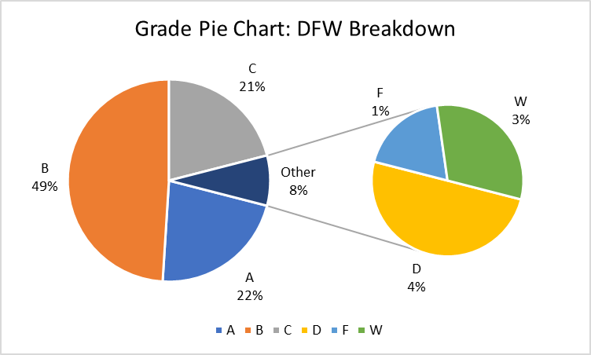
75 | 3.746516 | #N/A | W
76 | 3.7431213306 | 83.982428473 | B
77 | 3.8616638312 | 87.791173348 | B
78 | 3.3860913642 | 79.318619698 | C
79 | 3.270898476 | 90.448904781 | A
80 | 3.4494427086 | 81.427683852 | B
81 | 3.4084067234 | 80.677190449 | B
82 | 3.75981655 | 99.44196864 | A
83 | 3.8041211344 | 88.648733733 | B
84 | 3.9386430669 | 89.487443137 | B
85 | 2.5757451913 | 72.255152866 | C
86 | 3.6290126526 | 99.068085929 | A
87 | 3.2897806515 | 88.982455903 | B
88 | 3.4548702008 | 88.5524955 | B
89 | 3.5157930042 | 79.38557131 | C
90 | 3.159198 | #N/A | W
91 | 2.7805082844 | 76.891441918 | C
92 | 4 | 92.679445454 | A
93 | 3.2485443234 | 79.677546321 | C
94 | 3.777778 | 94.883393166 | A
95 | 3.9631595253 | 92.890196833 | A
96 | 3.0343996964 | 86.549997564 | B
97 | 3.2793388714 | 81.464828444 | B
98 | 2.9659317145 | 73.927051657 | C
99 | 2.4185895076 | 63.788305221 | D
100 | 3.5487988628 | 96.349865525 | A
101 | 3.0822668336 | 81.209657231 | B
102 | 2.9889723774 | 76.514518119 | C
103 | 3.945684 | 95.367489827 | A
104 | 3.7293146664 | 90.205352718 | A
105 | 3.8203406533 | 84.898684 | B
106 | 3.0288162472 | 84.47128686 | B
107 | 3.1354200539 | 81.831279364 | B
108 | 2.8581058343 | 78.647762689 | C
109 | 3.9061744896 | 88.51130057 | B
110 | 2.8573542439 | 77.472389564 | C
111 | 3.3616677436 | 77.304864092 | C
112 | 2.7171296719 | 71.533757749 | C
113 | 3.3499325775 | 82.492624055 | B
114 | 3.7451686073 | 95.320933303 | A
115 | 3.7280674954 | 91.454178405 | A
116 | 3.3898721952 | 80.764349468 | B
117 | 3.3472333884 | 82.449211399 | B
118 | 2.8714210557 | 79.289584959 | C
119 | 3.8916897302 | 93.553428246 | A
120 | 2.8920943996 | 74.039798249 | C
121 | 2.8233096878 | 65.852750258 | D
122 | 3.7857661169 | 85.671510042 | B
123 | 3.047427874 | 84.742971977 | B
124 | 3.8748412693 | 91.257221443 | A
125 | 3.0754121183 | 84.065134544 | B
126 | 3.91572202 | 89.902526846 | B
127 | 2.6746670373 | 61.891816 | D
128 | 3.2009016014 | 84.428218685 | B
129 | 3.1821696237 | 90.023286619 | A
130 | 3.1025834506 | 71.470665696 | C
131 | 3.1276333324 | 88.709068745 | B
132 | 3.7571176833 | 86.252094139 | B
133 | 2.8004930205 | 79.273092744 | C
134 | 3.9446404089 | 97.082984054 | A
135 | 3.4918199224 | 89.152687275 | B
136 | 3.3239116025 | 80.307441297 | B
137 | 3.6156188774 | 89.799979741 | B
138 | 3.6819104267 | 95.864732733 | A
139 | 3.5091495969 | 88.261098342 | B
140 | 3.212330395 | 88.35823157 | B
141 | 2.32325745 | 61.306698405 | D
142 | 3.5620059236 | 79.754416452 | C
143 | 3.6554405923 | 84.551067353 | B
144 | 3.0100690353 | 82.207883564 | B
145 | 3.8499615974 | 97.98165 | A
146 | 3.6891206188 | 90.652875397 | A
147 | 3.5038591085 | 83.968179331 | B
148 | 3.3839866284 | 82.856600226 | B
149 | 3.3403159433 | 91.060559137 | A
150 | 2.815602885 | 75.840549846 | C
151 | 3.4601669292 | 86.312581479 | B
152 | 3.1764536072 | 88.98196 | B
153 | 3.7433282497 | 89.419656753 | B
154 | 3.3414824368 | 81.330660999 | B
155 | 3.3758661508 | 87.327027386 | B
156 | 3.0086832233 | 77.822478887 | C
157 | 3.3986207003 | 81.34722947 | B
158 | 3.6568618919 | 85.540682617 | B
159 | 2.8565691914 | 73.767875201 | C
160 | 3.5786251141 | 81.449033903 | B
161 | 3.5706517548 | 85.57117555 | B
162 | 2.9371019912 | 80.29910982 | B
163 | 3.2636983594 | 86.895009344 | B
164 | 3.3059245629 | 85.621260662 | B
165 | 3.3641984588 | 78.853784287 | C
166 | 3.4068187443 | 77.585420209 | C
167 | 3.6704696379 | 82.129003718 | B
168 | 3.967755733 | 88.546673282 | B
169 | 3.5097100882 | 83.851077558 | B
170 | 3.2432763797 | 87.423520983 | B
171 | 3.2924964389 | 82.824049719 | B
172 | 3.4802207404 | 90.947375349 | A
173 | 3.4897775742 | 79.701443338 | C
174 | 3.2561428267 | 83.059415454 | B
175 | 3.1485981317 | 88.42787102 | B
176 | 3.710854715 | 92.826650922 | A
177 | 3.1479443903 | 75.781802601 | C
178 | 3.6284123466 | 94.794427814 | A
179 | 3.3271041417 | 76.833305285 | C
180 | 3.1496522835 | 82.175845704 | B
181 | 3.1685356514 | 88.067676481 | B
182 | 3.4608561861 | 93.065754934 | A
183 | 3.8132301701 | 91.838161155 | A
184 | 3.6835085745 | 95.241322268 | A
185 | 3.7576992951 | 84.648589412 | B
186 | 2.7274698591 | 75.252334263 | C
187 | 3.0876607316 | 86.288002754 | B
188 | 3.626620453 | 85.054969067 | B
189 | 3.1529105991 | 79.464230449 | C
190 | 2.4607922486 | 69.247802425 | D
191 | 3.9662117727 | 89.944874122 | B
192 | 3.3129405901 | 78.938332117 | C
193 | 3.2636992289 | 75.755123217 | C
194 | 3.1663244575 | 78.873708291 | C
195 | 3.5091798536 | 78.110879715 | C
196 | 3.9905866416 | 92.018816623 | A
197 | 3.1072447138 | 83.673463536 | B
198 | 3.3727035415 | 81.289346045 | B
199 | 3.3256897074 | 83.749909323 | B
200 | 3.5886629289 | 83.244634331 | B

Scatterplot
Student ID | GPA | Percent
1 | 3.905798093 | 96.114040994
2 | 3.9844651 | 92.803964845
3 | 3.7404159889 | 95.404123434
4 | 3.6334720174 | 83.40833817
5 | 2.946359765 | 74.132830926
6 | 3.3153591125 | 86.99325243
7 | 3.5024764068 | 84.47693121
8 | 2.9874558481 | 77.239032134
9 | 2.716543 | #N/A
10 | 3.3638316253 | 90.40026604
11 | 3.3945328197 | 84.490146137
12 | 3.8534489608 | 98.979232058
13 | 3.9330513446 | 94.919686477
14 | 3.3691461034 | 86.862728931
15 | 3.1379335022 | 85.582144504
16 | 3.3509650904 | 79.087902965
Percent in Class vs GPA
17 | 3.3356066393 | 88.738627522
18 | 3.1231941759 | 80.743979425
19 | 3.3125746796 | 90.425772121
20 | 2.9142609581 | 82.977806426
21 | 3.0780340799 | 75.646515673
22 | 3.7898615 | 92.191461252
23 | 3.0026938624 | 79.693809466
24 | 3.5871927149 | 81.95863795
25 | 3.4585799539 | 85.66928086
26 | 3.849115 | 96.607347759
27 | 2.7777788828 | 78.454578153
28 | 3.5793405689 | 92.347397603
29 | 2.988461 | #N/A
30 | 3.921981 | 100
31 | 2.1516453804 | 50.87673636
32 | 3.224224688 | 86.76837226
33 | 3.8586459095 | 93.674814322
34 | 3.1617933035 | 89.135905306
35 | 2.3207321315 | 60
36 | 2.995201167 | 80.126530986
37 | 3.2259172747 | 82.718286425
38 | 4 | 97.666026148
39 | 3.5751079983 | 88.256388735
40 | 3.8601253795 | 91.031743173
41 | 3.2143843429 | 84.888519875
42 | 3.4397234166 | 76.906199142
43 | 3.7926005528 | 90.787402442
44 | 3.0819540544 | 71.317912898
45 | 3.7229884672 | 83.972138429
46 | 2.7182140663 | 74.729827881
47 | 3.7341260679 | 89.901303205
48 | 3.3502790994 | 81.95858523
49 | 3.5258001587 | 83.129135239
50 | 3.6181055034 | 88.697614688
51 | 3.0919230172 | 82.116950037
52 | 3.4657637437 | 87.718977751
53 | 3.0627854302 | 84.54795128
54 | 3.2434428957 | 86.829027131
55 | 3.3418195822 | 93.672746761
56 | 4 | 100
57 | 2.4125203704 | 65.521430642
58 | 3.0200832577 | 84.238897102
59 | 3.1694929161 | 82.501979989
60 | 2.3938807044 | 65.560568618
61 | 3.4033837211 | 83.745485477
62 | 3.415837931 | 86.018622084
63 | 3.2034928421 | 75.327788644
64 | 3.8740854933 | 87.446569495
65 | 3.3944885999 | 83.60551195
66 | 1.25498948 | 14.58941
67 | 3.2456505331 | 85.79363951
68 | 1.989431 | #N/A
69 | 3.4501650236 | 80.802135795
70 | 3.3635227375 | 90.76030912
71 | 2.734295935 | 77.43475804
72 | 2.340570915 | 59.147094054
73 | 3.255232735 | 87.387370018
74 | 2.9991110672 | 76.145682125
75 | 3.746516 | #N/A
76 | 3.7431213306 | 83.982428473
77 | 3.8616638312 | 87.791173348
78 | 3.3860913642 | 79.318619698
79 | 3.270898476 | 90.448904781
80 | 3.4494427086 | 81.427683852
81 | 3.4084067234 | 80.677190449
82 | 3.75981655 | 99.44196864
83 | 3.8041211344 | 88.648733733
84 | 3.9386430669 | 89.487443137
85 | 2.5757451913 | 72.255152866
86 | 3.6290126526 | 99.068085929
87 | 3.2897806515 | 88.982455903
88 | 3.4548702008 | 88.5524955
89 | 3.5157930042 | 79.38557131
90 | 3.159198 | #N/A
91 | 2.7805082844 | 76.891441918
92 | 4 | 92.679445454
93 | 3.2485443234 | 79.677546321
94 | 3.777778 | 94.883393166
95 | 3.9631595253 | 92.890196833
96 | 3.0343996964 | 86.549997564
97 | 3.2793388714 | 81.464828444
98 | 2.9659317145 | 73.927051657
99 | 2.4185895076 | 63.788305221
100 | 3.5487988628 | 96.349865525
101 | 3.0822668336 | 81.209657231
102 | 2.9889723774 | 76.514518119
103 | 3.945684 | 95.367489827
104 | 3.7293146664 | 90.205352718
105 | 3.8203406533 | 84.898684
106 | 3.0288162472 | 84.47128686
107 | 3.1354200539 | 81.831279364
108 | 2.8581058343 | 78.647762689
109 | 3.9061744896 | 88.51130057
110 | 2.8573542439 | 77.472389564
111 | 3.3616677436 | 77.304864092
112 | 2.7171296719 | 71.533757749
113 | 3.3499325775 | 82.492624055
114 | 3.7451686073 | 95.320933303
115 | 3.7280674954 | 91.454178405
116 | 3.3898721952 | 80.764349468
117 | 3.3472333884 | 82.449211399
118 | 2.8714210557 | 79.289584959
119 | 3.8916897302 | 93.553428246
120 | 2.8920943996 | 74.039798249
121 | 2.8233096878 | 65.852750258
122 | 3.7857661169 | 85.671510042
123 | 3.047427874 | 84.742971977
124 | 3.8748412693 | 91.257221443
125 | 3.0754121183 | 84.065134544
126 | 3.91572202 | 89.902526846
127 | 2.6746670373 | 61.891816
128 | 3.2009016014 | 84.428218685
129 | 3.1821696237 | 90.023286619
130 | 3.1025834506 | 71.470665696
131 | 3.1276333324 | 88.709068745
132 | 3.7571176833 | 86.252094139
133 | 2.8004930205 | 79.273092744
134 | 3.9446404089 | 97.082984054
135 | 3.4918199224 | 89.152687275
136 | 3.3239116025 | 80.307441297
137 | 3.6156188774 | 89.799979741
138 | 3.6819104267 | 95.864732733
139 | 3.5091495969 | 88.261098342
140 | 3.212330395 | 88.35823157
141 | 2.32325745 | 61.306698405
142 | 3.5620059236 | 79.754416452
143 | 3.6554405923 | 84.551067353
144 | 3.0100690353 | 82.207883564
145 | 3.8499615974 | 97.98165
146 | 3.6891206188 | 90.652875397
147 | 3.5038591085 | 83.968179331
148 | 3.3839866284 | 82.856600226
149 | 3.3403159433 | 91.060559137
150 | 2.815602885 | 75.840549846
151 | 3.4601669292 | 86.312581479
152 | 3.1764536072 | 88.98196
153 | 3.7433282497 | 89.419656753
154 | 3.3414824368 | 81.330660999
155 | 3.3758661508 | 87.327027386
156 | 3.0086832233 | 77.822478887
157 | 3.3986207003 | 81.34722947
158 | 3.6568618919 | 85.540682617
159 | 2.8565691914 | 73.767875201
160 | 3.5786251141 | 81.449033903
161 | 3.5706517548 | 85.57117555
162 | 2.9371019912 | 80.29910982
163 | 3.2636983594 | 86.895009344
164 | 3.3059245629 | 85.621260662
165 | 3.3641984588 | 78.853784287
166 | 3.4068187443 | 77.585420209
167 | 3.6704696379 | 82.129003718
168 | 3.967755733 | 88.546673282
169 | 3.5097100882 | 83.851077558
170 | 3.2432763797 | 87.423520983
171 | 3.2924964389 | 82.824049719
172 | 3.4802207404 | 90.947375349
173 | 3.4897775742 | 79.701443338
174 | 3.2561428267 | 83.059415454
175 | 3.1485981317 | 88.42787102
176 | 3.710854715 | 92.826650922
177 | 3.1479443903 | 75.781802601
178 | 3.6284123466 | 94.794427814
179 | 3.3271041417 | 76.833305285
180 | 3.1496522835 | 82.175845704
181 | 3.1685356514 | 88.067676481
182 | 3.4608561861 | 93.065754934
183 | 3.8132301701 | 91.838161155
184 | 3.6835085745 | 95.241322268
185 | 3.7576992951 | 84.648589412
186 | 2.7274698591 | 75.252334263
187 | 3.0876607316 | 86.288002754
188 | 3.626620453 | 85.054969067
189 | 3.1529105991 | 79.464230449
190 | 2.4607922486 | 69.247802425
191 | 3.9662117727 | 89.944874122
192 | 3.3129405901 | 78.938332117
193 | 3.2636992289 | 75.755123217
194 | 3.1663244575 | 78.873708291
195 | 3.5091798536 | 78.110879715
196 | 3.9905866416 | 92.018816623
197 | 3.1072447138 | 83.673463536
198 | 3.3727035415 | 81.289346045
199 | 3.3256897074 | 83.749909323
200 | 3.5886629289 | 83.244634331

Histogram 2
Bin | Frequency
100 | 2
[95, 100) | 14
[90, 95) | 28
[85, 90) | 46
[80, 85) | 52
[75, 80) | 33
[70, 75) | 9
[65, 70) | 4
[60, 65) | 4
<60 | 3

Pie
Letter | Frequency
A | 44
B | 98
C | 42
D | 8
F | 3
W | 5

